INFO
CRIPR-ERA (http://crispr-era.stanford.edu/index.jsp)
sgRNA sequence | Sequence of 20 bp (NO NGG IN THE SEQUENCE!)
E score | Efficiency Score (Max 20, lowering if GC content and PolyT are present) --> Score for GC content and PolyTs
S score | Specificity Score (max 0, negative the more offtargets there are) --> Presence of OffTargets for that sgRNA
E+S score | Sum of E score and S score. Maximal Value is 20.
#[GC,Polyt] | [GC,Polyt]=[Number between 0 and 1 referring to the GC content, Yes/No if polyTs are present] --> GC content and Polyt information. GC content0.8 the GC content of the sgRNA is 0.8. --> Polyt: No there is no TTTT in sgRNA.
#Offtarget detail | For gene editing using nuclease, gene activation and gene repression, S score detail has two parts: - PAM= NGG within 2 mismatches - PAM =NAG within 2 mismatches If the total sgRNA number is less than 6, the location of each offtarget will be presented. For example : PAM=NGG:[0mismatch,1mismatch,2mismatches]=[0,0,0] [.,.,.] PAM=NAG:[0mismatch,1mismatch,2mismatches]=[0,1,0] [.,chr11:123572734,.] (For this sgRNA, there is only one offtarget with 1 mismatch and an NAG PAM sequence. The location is chr11:123572734 ). (PAM=NGG)[0mismatch,1mismatch,2mismatches]=[1,2,0] [chr12:8287137,chr8:128428398;chr1:155403258,.] (PAM=NAG)[0mismatch,1mismatch,2mismatches]=[0,0,0] [.,.,.] (For this sgRNA, there are 3 offtargets when PAM sequence is NGG. One with 0 mismatch which binds to chr12:8287137. Two with 1 mismatch which bind to chr8:128428398 and chr1:155403258). For gene editing using nickase, offtarget of sgRNA pair will be presented. For example .,. no offtarget is found within 2 mismatches. [0-0.2-1] [chr14:74036555-chr14:74036565.chr14:74059088-chr14:74059098] There are two offtargets, one sgRNA offtarget pair both have 0 mismatch which bind to chr14:74036555 and chr14:74036565, respectively. The other sgRNA offtarget pair has 2 mismatch with sgRNA1 and 1 mismatch with sgRNA2, which bind to chr14:74059088 and chr14:74059098, respectively. | 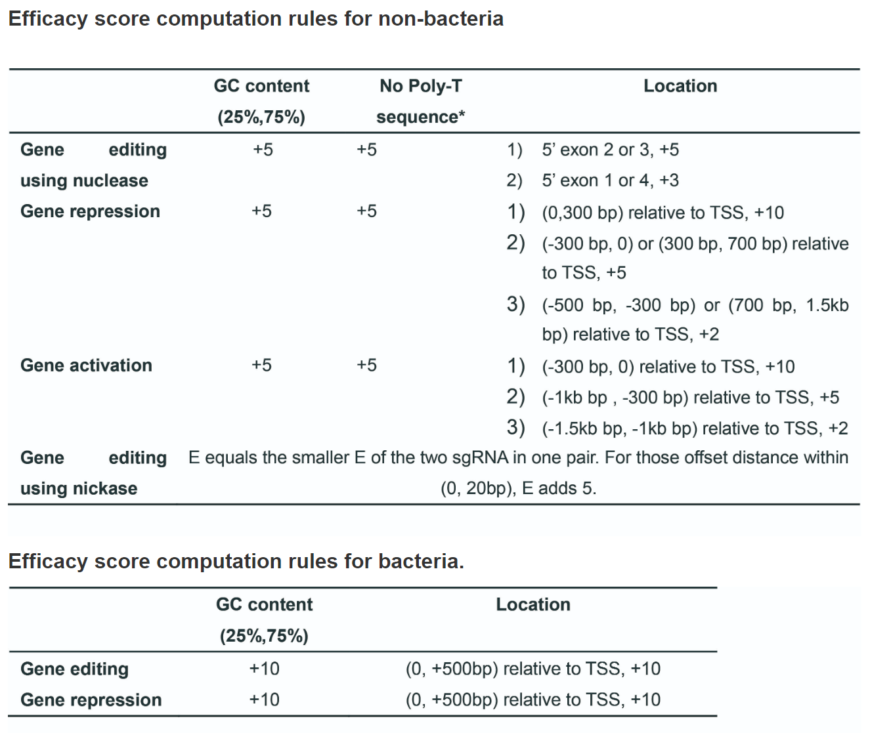 | 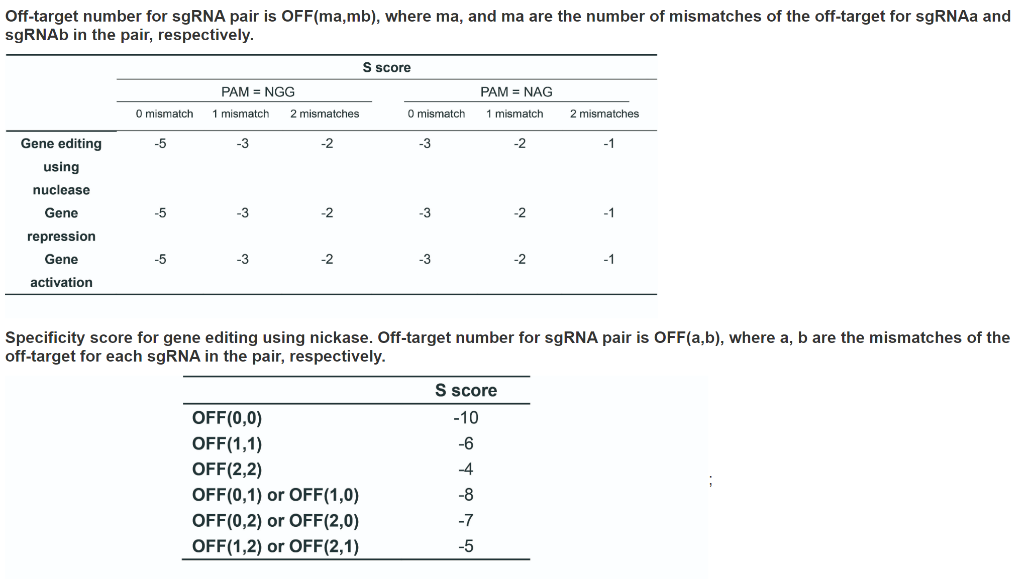

CHOPCHOP (https://chopchop.cbu.uib.no/)
Target sequence | Sequence of 23 bp (20bp-NGG, so NGG IN THE SEQUENCE!)
Self-complementarity | Data suggests that self-complementarity within the gRNA or between the gRNA and RNA backbone can inhibit gRNA efficiency (Thyme et al., 2016 ). Here, the number indicates how many regions of self-complementarity are predicted within the gRNA, and between the gRNA and either a standard backbone (AGGCTAGTCCGT), an extended backbone (AGGCTAGTCCGT, ATGCTGGAA) or a custom backbone.
MM0, MM1, MM2, MM3 | Number of off-targets (with 0, 1, 2 or 3 mismatches, respectively) outside of your target gene.
Efficiency | Predicted eddiciency based on some publications (check website)

YeastCrispri (https://lp2.github.io/yeast-crispri/)
Seq | Sequence of 20 bp (NO NGG IN THE SEQUENCE!)
Nucleosome | Posterior probability of nucleosome occupancy as defined in Schep et al. (2015) Genome Research. The value should beas close to 0 as possible.
Chromatin | Read count from Schep et al. ATAC-seq experiment, averaged in a sliding window of 50bp, and normalised to the largest value in a 1000bp window. This features encodes how open the chromatin is relative to the rest of the region. The value should be as close to 1 as possible.
score | Values can be: - 0 (NEITHER good chromatin accessibility NOR low nucleosome presence). - 1 (EITHER good chromatin accessibility OR low nucleosome presence). - 2 (BOTH good chromatin accessibility AND low nucleosome presence).

