Reporte2
Reporte de Reino Unido

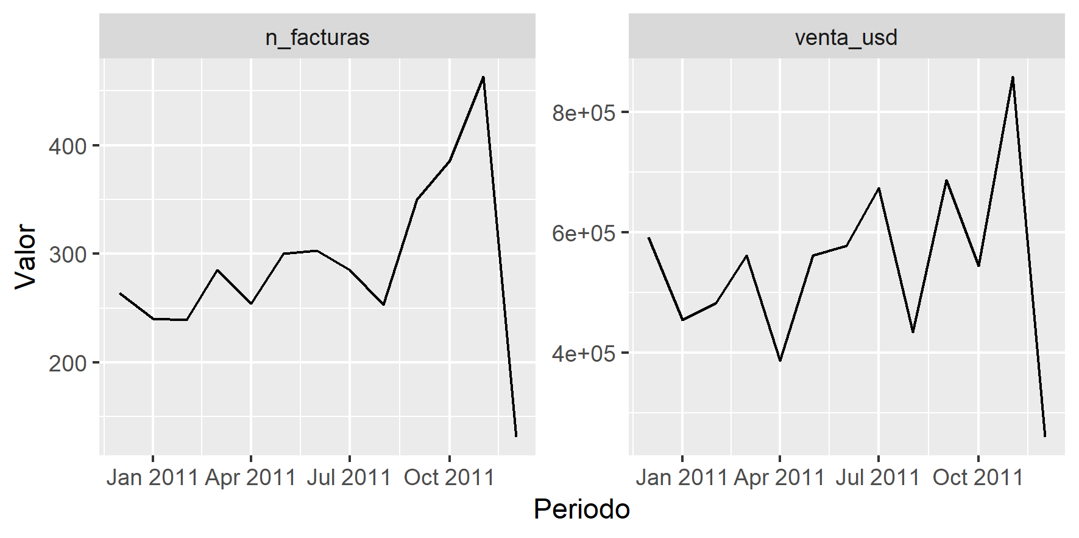
Country | Anio | Mes | venta_usd | n_facturas
United Kingdom | 2,010 | 12 | 591,759 | 264
United Kingdom | 2,011 | 1 | 454,648 | 240
United Kingdom | 2,011 | 2 | 482,990 | 239
United Kingdom | 2,011 | 3 | 561,849 | 285
United Kingdom | 2,011 | 4 | 386,766 | 254
United Kingdom | 2,011 | 5 | 561,209 | 300
United Kingdom | 2,011 | 6 | 577,401 | 303
United Kingdom | 2,011 | 7 | 674,057 | 285
United Kingdom | 2,011 | 8 | 434,966 | 253
United Kingdom | 2,011 | 9 | 686,896 | 350
United Kingdom | 2,011 | 10 | 544,039 | 386
United Kingdom | 2,011 | 11 | 858,189 | 463
United Kingdom | 2,011 | 12 | 259,925 | 131

