Sheet1
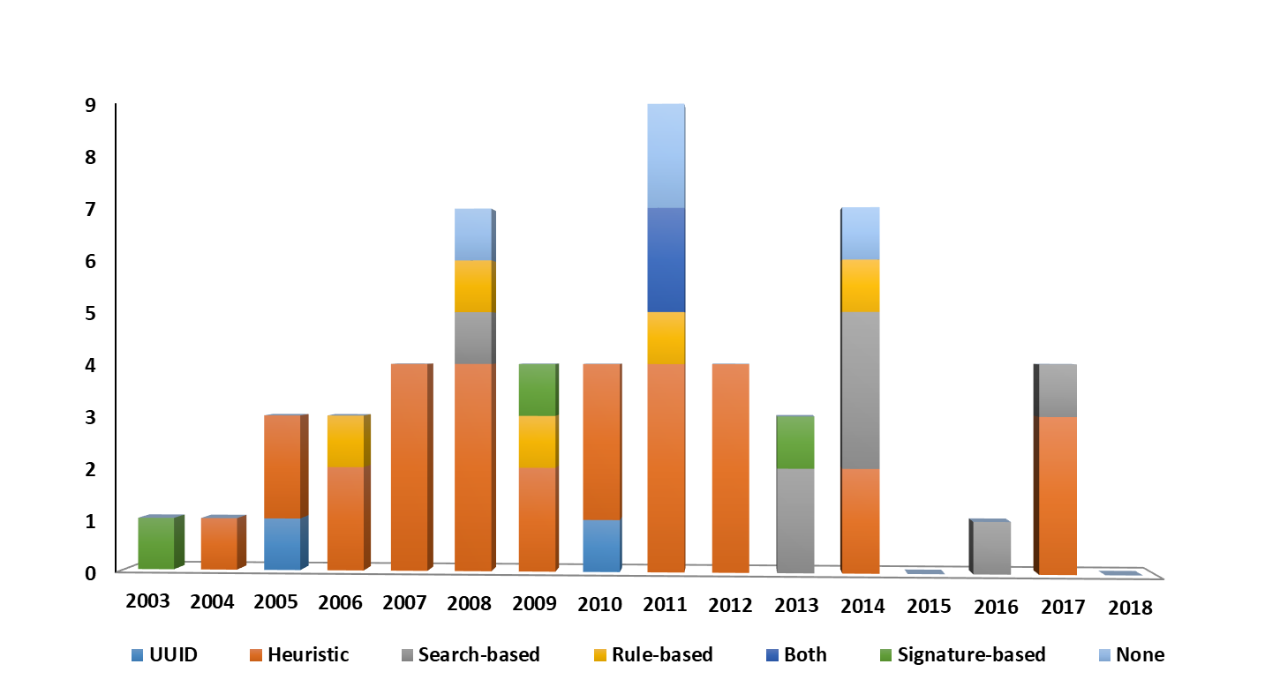
RQ3. Used Models
Component-and-Connector | Generic | Meta-models | Business Process Models | UseCase | Class Diagram | Sequence Diagram | Activity Diagrams | Statechart | UML profile | Any UML Diagram | Component-and-connector
1 | 17 | 3 | 1 | 1 | 20 | 4 | 1 | 3 | 1 | 3 | 1 | 55
CC | GD | MM | BPM | UC | CD | SD | AD | SCD | UP | AUD

Baseado em diagramas UML?
 | Yes | No | Total | Yes | No
 | 22 | 33 | 55 | 40% | 60%

Tipos de algoritmo
 | Graph | Tree | Inferency | Other | Total
 | 36 | 6 | 1 | 12 | 55

 | Graph | Tree | Other
 | 65% | 11% | 24%

Catorias ou similaridade
 | Structure | Syntatic | Semantic | Lexical | Layout | Multi-Strategy | Total
 | 28 | 1 | 5 | 3 | 1 | 17 | 55

Granularidade | Partial | Coarse-grained | Fine-grained
 | Low | Medium | High | NF
 | 42 | 8 | 5 | 0

Grau de suporte | Matching | Similarity | Operation-based
 | Evolution | Similarity | Operation-based
 | 33 | 19 | 3

Condução da similaridade
 | Automatic | Semi-automatic | Manual
 | 35 | 19 | 1
 | 87.5% | 47.5% | 2.5%

Research methods
 | Proposal of Solution | Evaluation Research | Philosophical Paper | Personal Experience | Opinion Papers | Validation Research
 | 44 | 4 | 5 | 1 | 0 | 1
 | 88.0% | 8.0% | 10.0% | 2.0% | 0.0% | 2.0%

 |  |  | ECL | Activity Diagram | NF
Especificação do algoritmo |  |  | 1 | 1 | 0
 | Pseudo-code | Textual | Other
 | 20 | 33 | 2
 | 50.0% | 82.5% | 2.5% | 2.5% | 0.0%

Papers per type publication | Total papers: | 50

Publication | Quantity Approaches | Percent
IEEE/ACM international Conference on Automated Software Engineering (ASE) | 4 | 8%
IEEE Transactions on Software Engineering | 3 | 6%
European Software Engineering Conference and the ACM SIGSOFT Symposium on The Foundations of Software Engineering (ESEC/FSE) | 2 | 4%
International Conference on Software Maintenance (ICSM) | 2 | 4%
International Workshop on Model Comparison in Practice | 1 | 2%
International Workshop on Models and Evolution | 1 | 2%
The European Journal for the Informatics Professional | 1 | 2%
International Conference on Software Engineering Research, Management and Applications (SERA) | 1 | 2%
IEEE International Conference on Services Computing (SCC) | 1 | 2%
International Conference on Software Engineering and Knowledge Engineering (SEKE) | 1 | 2%
Working Conference on Reverse Engineering (WCRE) | 1 | 2%
International Conference on Model Driven Engineering Languages and Systems (MODELS) | 1 | 2%
AMC Southeast Regional Conference (SRC) | 1 | 2%
International Conference on Software Engineering (ICSE) | 2 | 4%
Journal of Universal Computer Science | 1 | 2%
Software Engineering | 1 | 2%
Theory and Practice of Model Transformations | 1 | 2%
International Workshop on Global Integrated Model Management (GaMMa) | 1 | 2%
Software and Systems Modeling | 1 | 2%
Automated Software Engineering | 1 | 2%
IEEE International Conference on Software Engineering and Service (ICSESS) | 1 | 2%
International Conference on Machine Learning and Applications (ICMLA) | 1 | 2%
IEEE International Conference on Computational Cybernetics (ICCC) | 1 | 2%
IEEE Software | 1 | 2%
International Joint Conference on Computer Science and Software Engineering (JCSSE) | 1 | 2%
IEEE International Conference on Advanced Learning Technologies (ICALT) | 1 | 2%
Extended Abstracts on Human Factors in Computing Systems (CHI EA) | 1 | 2%
Information and Software Technology | 1 | 2%
international workshop on Comparison and versioning of software models | 1 | 2%
International Symposium on Empirical Software Engineering and Measurement (ESEM) | 1 | 2%
IEEE International Conference on Engineering of Complex Computer Systems (ICECCS) | 1 | 2%
European Journal of Information Systems | 1 | 2%
International Conference on Software Paradigm Trends (ICSOFT) | 1 | 2%

2003 | 2004 | 2005 | 2006 | 2007 | 2008 | 2009 | 2010 | 2011 | 2012 | 2013 | 2014 | 2015 | 2016 | 2017 | 2018
1 | 1 | 3 | 3 | 4 | 7 | 4 | 4 | 9 | 4 | 3 | 7 | 0 | 1 | 4 | 0

Total | 50 |  |  |  |  |  | Total | 55
Author | Quantity of Papers | Percent
Mojeeb Al-Rhman Al-Khiaty | 4 | 8%
Zhenchang Xing | 3 | 6%
Christian Gerth | 1 | 2%
Hamza Onoruoiza Salami | 2 | 4%
Kleinner Oliveira | 2 | 4%
Mark van den Brand | 2 | 4%
Segla Kpodjedo | 2 | 4%
Shahar Maoz | 2 | 4%
Shiva Nejati | 2 | 4%
Rainer Lutz | 2 | 4%
Akhil Mehra | 1 | 2%
Cédric Brun | 1 | 2%
Christoph Treude | 1 | 2%
David Mandelin | 1 | 2%
Doug Kimelman | 1 | 2%
Dimitrios Kolovos | 1 | 2%
Dirk Ohst | 1 | 2%
Georgia M. Kapitsaki | 1 | 2%
Jie Su | 1 | 2%
Konrad Voigt | 1 | 2%
Kirill Bogdanov | 1 | 2%
Ludovic Auxepaules | 1 | 2%
Loutfouz Zaman | 1 | 2%
Maik Schmidt | 1 | 2%
Martin Girschick | 1 | 2%
Marouane Kessentinia | 1 | 2%
Marwan Abi-Antoun | 1 | 2%
Mohamed El-Attar | 1 | 2%
Márk Asztalos | 1 | 2%
Nikolaos Tsantalis | 1 | 2%
Philip Langer | 1 | 2%
Qichao Liu | 1 | 2%
Sabrina Uhrig | 1 | 2%
Udo Kelte | 1 | 2%
Vukasin Milovanovic | 1 | 2% |  |  |  |  |  |  |  | 6.1
Yuehua Lin | 1 | 2%
William N. Robinson | 1 | 2% |  |  |  |  |  |  |  | Personal Experience | Opinion Papers | Philosophical Paper | Validation Research | Proposal of Solution | Evaluation Research |  | Component-and-Connector | Generic | UseCase | Business Process Models | Class Diagram | Meta-models | Sequence Diagram | Activity Diagrams | Statechart | UML profile | Any UML Diagram
Wei-Jin Park | 1 | 2% |  |  |  |  |  |  |  | 0 | 0 | 1 | 0 | 0 | 0 | 2003 | 0 | 0 | 0 | 0 | 0 | 0 | 0 | 0 | 0 | 0 | 1
 |  |  |  |  |  |  |  |  |  | 0 | 0 | 0 | 0 | 1 | 0 | 2004 | 0 | 0 | 0 | 0 | 0 | 0 | 1 | 0 | 0 | 0 | 0
 |  |  |  |  |  |  |  |  |  | 0 | 0 | 0 | 0 | 3 | 0 | 2005 | 0 | 1 | 0 | 0 | 1 | 0 | 0 | 0 | 0 | 0 | 1
6.2 |  |  |  |  |  |  |  |  |  | 0 | 0 | 1 | 0 | 2 | 0 | 2006 | 1 | 2 | 0 | 0 | 0 | 0 | 0 | 0 | 0 | 0 | 0
 | Manual | Automatic | Semi-automatic |  | Tree | Graph | Other | Inferency |  | 0 | 0 | 0 | 0 | 3 | 1 | 2007 | 0 | 2 | 0 | 0 | 1 | 0 | 0 | 0 | 1 | 0 | 0
 | 0 | 17 | 10 | Structure | 4 | 20 | 3 | 0 |  | 0 | 0 | 2 | 0 | 5 | 0 | 2008 | 0 | 2 | 0 | 0 | 3 | 1 | 0 | 0 | 0 | 1 | 0
 | 1 | 9 | 6 | Multi-Strategy | 1 | 10 | 5 | 0 |  | 0 | 0 | 0 | 1 | 3 | 0 | 2009 | 0 | 1 | 0 | 0 | 2 | 0 | 0 | 0 | 1 | 0 | 0
 | 0 | 5 | 0 | Semantic | 0 | 1 | 3 | 1 |  | 0 | 0 | 0 | 0 | 4 | 0 | 2010 | 0 | 4 | 0 | 0 | 0 | 0 | 0 | 0 | 0 | 0 | 0
 | 0 | 0 | 1 | Syntatic | 0 | 1 | 0 | 0 |  | 1 | 0 | 1 | 0 | 6 | 1 | 2011 | 0 | 2 | 1 | 1 | 3 | 0 | 1 | 1 | 0 | 0 | 0
 | 0 | 1 | 0 | Layout | 0 | 1 | 0 | 0 |  | 0 | 0 | 0 | 0 | 3 | 1 | 2012 | 0 | 1 | 0 | 0 | 1 | 1 | 0 | 0 | 1 | 0 | 0
 | 0 | 1 | 2 | Lexical | 1 | 1 | 1 | 0 |  | 0 | 0 | 0 | 0 | 2 | 1 | 2013 | 0 | 1 | 0 | 0 | 2 | 0 | 0 | 0 | 0 | 0 | 0
 |  |  |  |  |  |  |  |  |  | 0 | 0 | 0 | 0 | 7 | 0 | 2014 | 0 | 1 | 0 | 0 | 4 | 1 | 1 | 0 | 0 | 0 | 0
 |  |  |  | Automatic | Semi-automatic |  |  |  |  | 0 | 0 | 0 | 0 | 0 | 0 | 2015 | 0 | 0 | 0 | 0 | 0 | 0 | 0 | 0 | 0 | 0 | 0
 |  |  | 2003 | 0 | 1 |  |  |  |  | 0 | 0 | 0 | 0 | 1 | 0 | 2016 | 0 | 0 | 0 | 0 | 1 | 0 | 0 | 0 | 0 | 0 | 0
 |  |  | 2004 | 0 | 1
 |  |  | 2005 | 3 | 0
 |  |  | 2006 | 1 | 2
 |  |  | 2007 | 3 | 1
 |  |  | 2008 | 5 | 2
 |  |  | 2010 | 3 | 1
 |  |  | 2011 | 6 | 2
 |  |  | 2012 | 3 | 1
 |  |  | 2013 | 1 | 2
 |  |  | 2014 | 5 | 2
 |  |  | 2015 | 0 | 0
 |  |  | 2016 | 0 | 1
6.4 - RQ1, RQ4 and RQ5

High | Medium | Low |  | Evolution | Similarity |  |  |  | High | Medium | Low |  | Evolution | Similarity
0 | 0 | 1 | Component-and-Connector | 1 | 0 |  |  |  | 0 | 2 | 19 | Structure | 14 | 7
0 | 1 | 12 | Generic | 11 | 1 |  |  |  | 3 | 5 | 3 | Multi-Strategy | 6 | 5
0 | 0 | 1 | UseCase | 1 | 0 |  |  |  | 0 | 0 | 3 | Semantic | 2 | 0
0 | 0 | 1 | Business Process Models | 1 | 0 |  |  |  | 0 | 0 | 1 | Syntatic | 1 | 0
2 | 4 | 7 | Class Diagram | 8 | 5 |  |  |  | 0 | 1 | 0 | Layout | 1 | 0
0 | 0 | 3 | Sequence Diagram | 1 | 2 |  |  |  | 0 | 0 | 3 | Lexical | 3 | 0
0 | 1 | 1 | Meta-models | 2 | 0
0 | 0 | 1 | Activity Diagrams | 1 | 0
0 | 2 | 0 | Statechart | 0 | 2
1 | 0 | 0 | UML profile | 0 | 1
0 | 0 | 2 | Any UML Diagram | 1 | 1

6.3 |  | Pseudo-code | Textual | ECL | Activity Diagram
 | Structure | 8 | 13 | 0 | 0
 | Multi-Strategy | 2 | 8 | 0 | 1
 | Semantic | 1 | 1 | 1 | 0
 | Syntatic | 0 | 1 | 0 | 0
 | Layout | 1 | 0 | 0 | 0
 | Lexical | 2 | 1 | 0 | 0

6.5 - RQ1, RQ2 and RQ3

 | Other | Inferency | Tree | Graph |  | Structure | Multi-Strategy | Semantic | Syntatic | Layout | Lexical
 | 0 | 0 | 1 | 0 | Component-and-Connector | 1 | 0 | 0 | 0 | 0 | 0
 | 1 | 0 | 3 | 9 | Generic | 7 | 1 | 1 | 1 | 1 | 2
 | 1 | 0 | 0 | 0 | UseCase | 1 | 0 | 0 | 0 | 0 | 0
 | 1 | 0 | 0 | 0 | Business Process Models | 0 | 1 | 0 | 0 | 0 | 0
 | 3 | 1 | 2 | 7 | Class Diagram | 7 | 4 | 1 | 0 | 0 | 1
 | 0 | 0 | 0 | 3 | Sequence Diagram | 3 | 0 | 0 | 0 | 0 | 0
 | 0 | 0 | 0 | 2 | Meta-models | 1 | 1 | 0 | 0 | 0 | 0
 | 0 | 0 | 0 | 1 | Activity Diagrams | 0 | 0 | 1 | 0 | 0 | 0
 | 2 | 0 | 0 | 0 | Statechart | 0 | 2 | 0 | 0 | 0 | 0
 | 1 | 0 | 0 | 0 | UML profile | 0 | 1 | 0 | 0 | 0 | 0
 | 0 | 0 | 0 | 2 | Any UML Diagram | 1 | 1 | 0 | 0 | 0 | 0

Comparison Technique | UUID | Heuristic | Search-based | Rule-based | Both | Signature-based | None
 | 2 | 28 | 7 | 5 | 2 | 3 | 4
 | 3.92 | 54.90 | 13.73 | 9.80 | 3.92 | 5.88 | 7.84

 |  | ID | Heuristica | Search-based | Rule-based | Ambos | Signature-based | Nenhuma
 |  | UUID | Heuristic | Search-based | Rule-based | Both | Signature-based | None
 | 2003 | 0 | 0 | 0 | 0 | 0 | 1 | 0
 | 2004 | 0 | 1 | 0 | 0 | 0 | 0 | 0
 | 2005 | 1 | 2 | 0 | 0 | 0 | 0 | 0 |  |  |  |  |  |  | ID | Heuristica | Search-based | Rule-based | Ambos | Signature-based | Nenhuma
 | 2006 | 0 | 2 | 0 | 1 | 0 | 0 | 0 |  |  |  |  |  | 2003 | 0 | 0 | 0 | 0 | 0 | 1 | 0
 | 2007 | 0 | 4 | 0 | 0 | 0 | 0 | 0 |  |  |  |  |  | 2004 | 0 | 1 | 0 | 0 | 0 | 0 | 0
 | 2008 | 0 | 4 | 1 | 1 | 0 | 0 | 1 |  |  |  |  |  | 2005 | 1 | 2 | 0 | 0 | 0 | 0 | 0
 | 2009 | 0 | 2 | 0 | 1 | 0 | 1 | 0 |  |  |  |  |  | 2006 | 0 | 2 | 0 | 1 | 0 | 0 | 0
 | 2010 | 1 | 3 | 0 | 0 | 0 | 0 | 0 |  |  |  |  |  | 2007 | 0 | 4 | 0 | 0 | 0 | 0 | 0
 | 2011 | 0 | 4 | 0 | 1 | 2 | 0 | 2 |  |  |  |  |  | 2008 | 0 | 4 | 1 | 1 | 0 | 0 | 1
 | 2012 | 0 | 4 | 0 | 0 | 0 | 0 | 0 |  |  |  |  |  | 2009 | 0 | 2 | 0 | 1 | 0 | 1 | 0
 | 2013 | 0 | 0 | 2 | 0 | 0 | 1 | 0 |  |  |  |  |  | 2010 | 1 | 3 | 0 | 0 | 0 | 0 | 0
 | 2014 | 0 | 2 | 3 | 1 | 0 | 0 | 1 |  |  |  |  |  | 2011 | 0 | 4 | 0 | 1 | 2 | 0 | 2
 | 2015 | 0 | 0 | 0 | 0 | 0 | 0 | 0 |  |  |  |  |  | 2012 | 0 | 4 | 0 | 0 | 0 | 0 | 0
 | 2016 | 0 | 0 | 1 | 0 | 0 | 0 | 0 |  |  |  |  |  | 2013 | 0 | 0 | 2 | 0 | 0 | 1 | 0
 | 2017 | 0 | 3 | 1 | 0 | 0 | 0 | 0 |  |  |  |  |  | 2014 | 0 | 2 | 3 | 1 | 0 | 0 | 1
 | 2018 | 0 | 0 | 0 | 0 | 0 | 0 | 0 |  |  |  |  |  | 2015 | 0 | 0 | 0 | 0 | 0 | 0 | 0
 |  |  |  |  |  |  |  |  |  |  |  |  |  | 2016 | 0 | 0 | 1 | 0 | 0 | 0 | 0

Sheet3
Column1 | X | Size | Column2 | Y | Size | Column1 | X
Personal Experience | -1 | 0 | "2003" | 1 | 0 | Component-and-Connector | 1
Personal Experience | -1 | 0 | "2004" | 2 | 0 | Component-and-Connector | 1
Personal Experience | -1 | 0 | "2005" | 3 | 0 | Component-and-Connector | 1
Personal Experience | -1 | 0 | "2006 | 4 | 1 | Component-and-Connector | 1
Personal Experience | -1 | 0 | "2007 | 5 | 0 | Component-and-Connector | 1
Personal Experience | -1 | 0 | "2008 | 7 | 0 | Component-and-Connector | 1
Personal Experience | -1 | 0 | "2009 | 8 | 0 | Component-and-Connector | 1
Personal Experience | -1 | 0 | "2010 | 9 | 0 | Component-and-Connector | 1
Personal Experience | -1 | 1 | "2011 | 10 | 0 | Component-and-Connector | 1
Personal Experience | -1 | 0 | "2012" | 11 | 0 | Component-and-Connector | 1
Personal Experience | -1 | 0 | "2013" | 12 | 0 | Component-and-Connector | 1
Personal Experience | -1 | 0 | "2014" | 14 | 0 | Component-and-Connector | 1
Personal Experience | -1 | 0 | "2015" | 15 | 0 | Component-and-Connector | 1
Personal Experience | -1 | 0 | "2016" | 16 | 0 | Component-and-Connector | 1
Personal Experience | -1 | 0 | "2017" | 17 | 0 | Component-and-Connector | 1
Personal Experience | -1 | 0 | "2018" | 18 | 0 | Component-and-Connector | 1
Opinion Papers | -2 | 0 | "2003 | 1 | 0 | Generic | 2
Opinion Papers | -2 | 0 | "2004 | 2 | 0 | Generic | 2
Opinion Papers | -2 | 0 | "2005 | 3 | 1 | Generic | 2
Opinion Papers | -2 | 0 | "2006 | 4 | 2 | Generic | 2
Opinion Papers | -2 | 0 | "2007 | 5 | 2 | Generic | 2
Opinion Papers | -2 | 0 | "2008 | 7 | 2 | Generic | 2
Opinion Papers | -2 | 0 | "2009 | 8 | 1 | Generic | 2
Opinion Papers | -2 | 0 | "2010 | 9 | 4 | Generic | 2
Opinion Papers | -2 | 0 | "2011 | 10 | 3 | Generic | 2
Opinion Papers | -2 | 0 | "2012" | 11 | 1 | Generic | 2
Opinion Papers | -2 | 0 | "2013 | 12 | 1 | Generic | 2
Opinion Papers | -2 | 0 | "2014" | 14 | 1 | Generic | 2
Opinion Papers | -2 | 0 | "2015" | 15 | 0 | Generic | 2
Opinion Papers | -2 | 0 | "2016" | 16 | 0 | Generic | 2
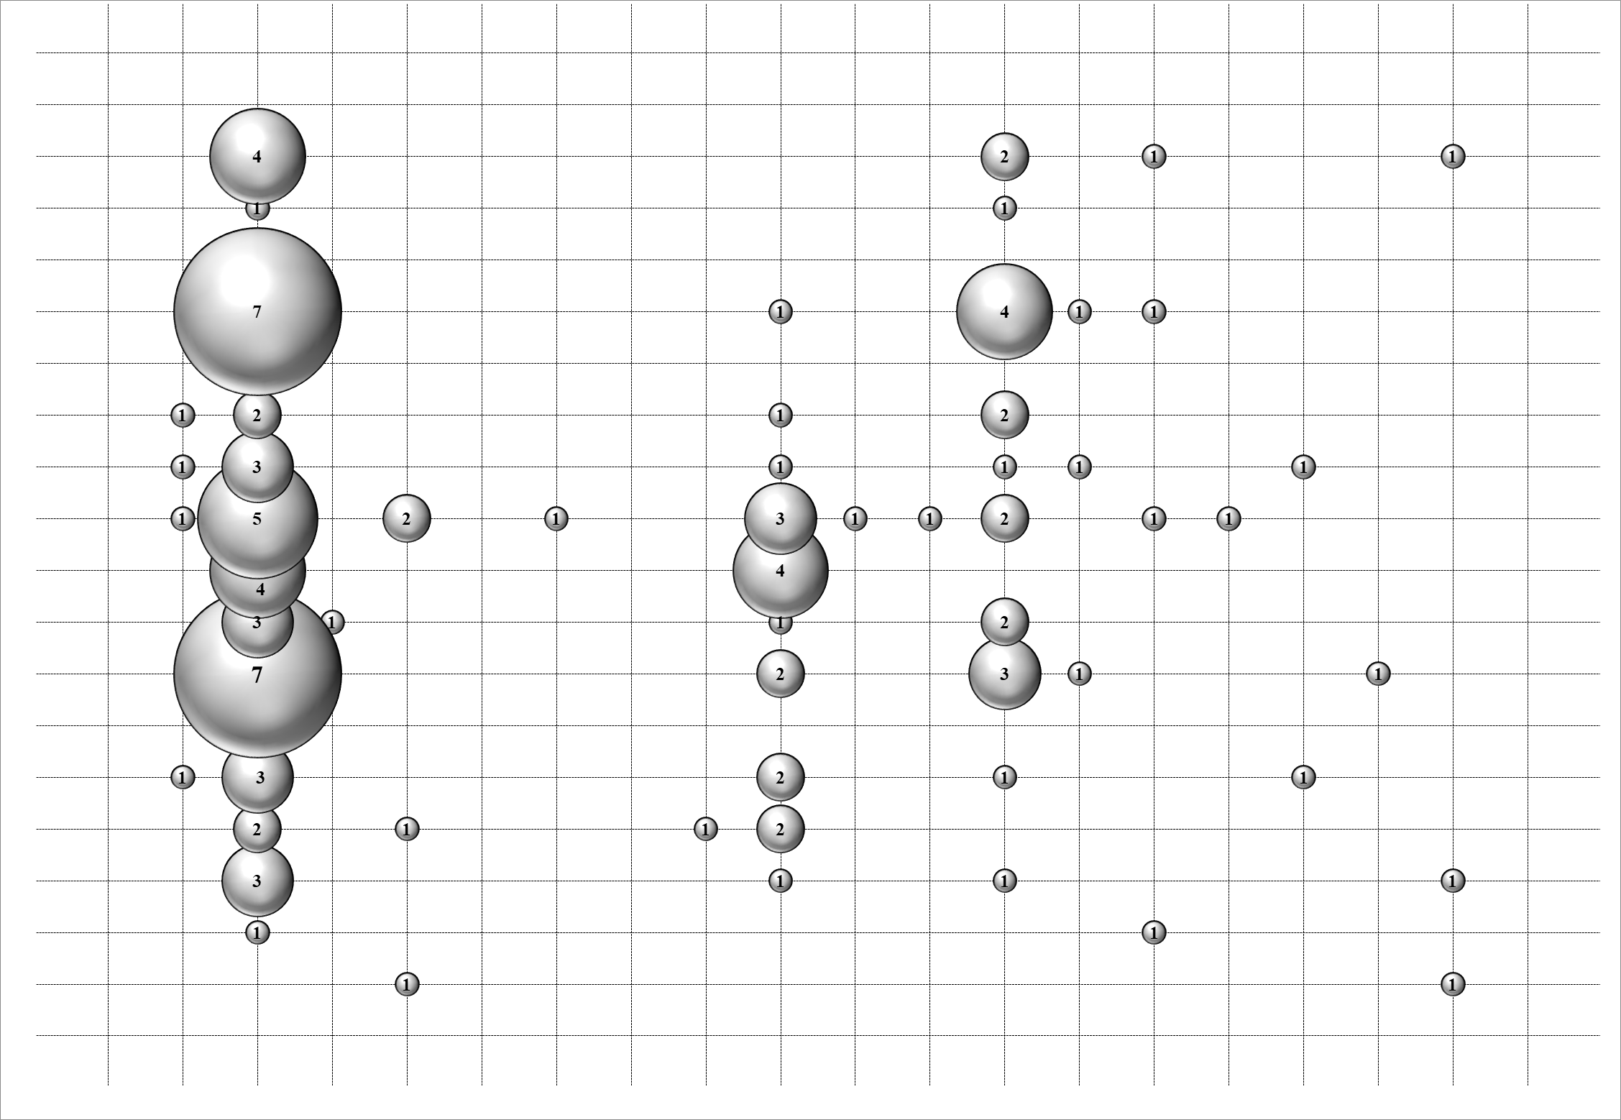
Opinion Papers | -2 | 0 | "2017" | 17 | 0 | Generic | 2
Opinion Papers | -2 | 0 | "2018" | 18 | 0 | Generic | 2
2018
Philosophical Paper | -3 | 1 | "2003 | 1 | 0 | UseCase | 3
2017
Philosophical Paper | -3 | 0 | "2004 | 2 | 0 | UseCase | 3
2016
Philosophical Paper | -3 | 0 | "2005 | 3 | 0 | UseCase | 3
2015
Philosophical Paper | -3 | 1 | "2006 | 4 | 0 | UseCase | 3
2014
Philosophical Paper | -3 | 0 | "2007 | 5 | 0 | UseCase | 3
Philosophical Paper | -3 | 0 | "2008 | 7 | 0 | UseCase | 3
Philosophical Paper | -3 | 0 | "2009 | 8 | 0 | UseCase | 3
2013
Philosophical Paper | -3 | 0 | "2010 | 9 | 0 | UseCase | 3
2012
Philosophical Paper | -3 | 2 | "2011 | 10 | 1 | UseCase | 3
2011
Philosophical Paper | -3 | 0 | "2012" | 11 | 0 | UseCase | 3
2010
Philosophical Paper | -3 | 0 | "2013 | 12 | 0 | UseCase | 3
2009
Philosophical Paper | -3 | 0 | "2014" | 14 | 0 | UseCase | 3
2008
Philosophical Paper | -3 | 0 | "2015" | 15 | 0 | UseCase | 3
Philosophical Paper | -3 | 0 | "2016" | 16 | 0 | UseCase | 3
Philosophical Paper | -3 | 0 | "2017" | 17 | 0 | UseCase | 3
2007
Philosophical Paper | -3 | 0 | "2018" | 18 | 0 | UseCase | 3
2005
2006
Validation Research | -4 | 0 | "2003" | 1 | 0 | Business Process Models | 4
2004
Validation Research | -4 | 0 | "2004" | 2 | 0 | Business Process Models | 4
2003
Validation Research | -4 | 0 | "2005" | 3 | 0 | Business Process Models | 4
ER
PS
VR
PP
(A)
OP
PE
CC
GD
BPM
UC
CD
MM
(B)
SD
AD
SC
UML P.
AUD
Validation Research | -4 | 0 | "2006 | 4 | 0 | Business Process Models | 4
Legend
ER: Evaluation Research
PS: Proposal of Solution
VR: Validation Research
OP: Opinion Paper
PP: Philosophical Paper
PE: Personal Experience
CC: Component and Connector
GD: Generic Diagram
BPM: Business Process Models
UC: Use Case Diagram
CD: Class Diagram
MM: Meta-Model
SD: Sequence Diagram
AD: Activity Diagram
SC: Statechart Diagram
UML P.: UML Profile
AUD: All UML Diagram
Validation Research | -4 | 0 | "2007 | 5 | 0 | Business Process Models | 4
Validation Research | -4 | 0 | "2008 | 7 | 0 | Business Process Models | 4
Validation Research | -4 | 1 | "2009 | 8 | 0 | Business Process Models | 4
Validation Research | -4 | 0 | "2010 | 9 | 0 | Business Process Models | 4
Validation Research | -4 | 0 | "2011 | 10 | 1 | Business Process Models | 4
Validation Research | -4 | 0 | "2012" | 11 | 0 | Business Process Models | 4
Validation Research | -4 | 0 | "2013 | 12 | 0 | Business Process Models | 4
Validation Research | -4 | 0 | "2014" | 14 | 0 | Business Process Models | 4
Validation Research | -4 | 0 | "2015" | 15 | 0 | Business Process Models | 4
Validation Research | -4 | 0 | "2016" | 16 | 0 | Business Process Models | 4
Validation Research | -4 | 0 | "2017" | 17 | 0 | Business Process Models | 4
Validation Research | -4 | 0 | "2018" | 18 | 0 | Business Process Models | 4
Proposal of Solution | -5 | 0 | "2003" | 1 | 0 | Class Diagram | 5
Proposal of Solution | -5 | 1 | "2004" | 2 | 0 | Class Diagram | 5
Proposal of Solution | -5 | 3 | "2005" | 3 | 1 | Class Diagram | 5
Proposal of Solution | -5 | 2 | "2006" | 4 | 0 | Class Diagram | 5
Proposal of Solution | -5 | 3 | "2007" | 5 | 1 | Class Diagram | 5
Proposal of Solution | -5 | 7 | "2008" | 7 | 3 | Class Diagram | 5
Proposal of Solution | -5 | 3 | "2009" | 8 | 2 | Class Diagram | 5
Proposal of Solution | -5 | 4 | "2010" | 9 | 0 | Class Diagram | 5
Proposal of Solution | -5 | 5 | "2011" | 10 | 2 | Class Diagram | 5
Proposal of Solution | -5 | 3 | "2012" | 11 | 1 | Class Diagram | 5
Proposal of Solution | -5 | 2 | "2013" | 12 | 2 | Class Diagram | 5
Proposal of Solution | -5 | 7 | "2014" | 14 | 4 | Class Diagram | 5
Proposal of Solution | -5 | 0 | "2015" | 15 | 0 | Class Diagram | 5
Proposal of Solution | -5 | 1 | "2016" | 16 | 1 | Class Diagram | 5
Proposal of Solution | -5 | 4 | "2017" | 17 | 2 | Class Diagram | 5
Proposal of Solution | -5 | 0 | "2018" | 18 | 0 | Class Diagram | 5
Evaluation Research | -6 | 0 | "2003 | 1 | 0 | Meta-models | 6
Evaluation Research | -6 | 0 | "2004 | 2 | 0 | Meta-models | 6
Evaluation Research | -6 | 0 | "2005 | 3 | 0 | Meta-models | 6
Evaluation Research | -6 | 0 | "2006 | 4 | 0 | Meta-models | 6
Evaluation Research | -6 | 1 | "2007 | 5 | 0 | Meta-models | 6
Evaluation Research | -6 | 0 | "2008 | 7 | 1 | Meta-models | 6
Evaluation Research | -6 | 0 | "2009 | 8 | 0 | Meta-models | 6
Evaluation Research | -6 | 0 | "2010 | 9 | 0 | Meta-models | 6
Evaluation Research | -6 | 1 | "2011 | 10 | 0 | Meta-models | 6
Evaluation Research | -6 | 1 | "2012" | 11 | 1 | Meta-models | 6
Evaluation Research | -6 | 1 | "2013" | 12 | 0 | Meta-models | 6
Evaluation Research | -6 | 0 | "2014" | 14 | 1 | Meta-models | 6
Evaluation Research | -6 | 0 | "2015" | 15 | 0 | Meta-models | 6
Evaluation Research | -6 | 0 | "2016" | 16 | 0 | Meta-models | 6
Evaluation Research | -6 | 0 | "2017" | 17 | 0 | Meta-models | 6
Evaluation Research | -6 | 0 | "2018" | 18 | 0 | Meta-models | 6
 |  |  | "2003 | 1 | 0 | Sequence Diagram | 7
 |  |  | "2004 | 2 | 1 | Sequence Diagram | 7
 |  |  | "2005 | 3 | 0 | Sequence Diagram | 7
 |  |  | "2006 | 4 | 0 | Sequence Diagram | 7
 |  |  | "2007 | 5 | 0 | Sequence Diagram | 7
 |  |  | "2008 | 7 | 0 | Sequence Diagram | 7
 |  |  | "2009 | 8 | 0 | Sequence Diagram | 7
 |  |  | "2010 | 9 | 0 | Sequence Diagram | 7
 |  |  | "2011 | 10 | 1 | Sequence Diagram | 7
 |  |  | "2012" | 11 | 0 | Sequence Diagram | 7
 |  |  | "2013 | 12 | 0 | Sequence Diagram | 7
 |  |  | "2014" | 14 | 1 | Sequence Diagram | 7
 |  |  | "2015" | 15 | 0 | Sequence Diagram | 7
 |  |  | "2016" | 16 | 0 | Sequence Diagram | 7
 |  |  | "2017" | 17 | 1 | Sequence Diagram | 7
 |  |  | "2018" | 18 | 0 | Sequence Diagram | 7
 |  |  | "2003 | 1 | 0 | Activity Diagrams | 8
 |  |  | "2004 | 2 | 0 | Activity Diagrams | 8
 |  |  | "2005 | 3 | 0 | Activity Diagrams | 8
 |  |  | "2006 | 4 | 0 | Activity Diagrams | 8
 |  |  | "2007 | 5 | 0 | Activity Diagrams | 8
 |  |  | "2008 | 7 | 0 | Activity Diagrams | 8
 |  |  | "2009 | 8 | 0 | Activity Diagrams | 8
 |  |  | "2010 | 9 | 0 | Activity Diagrams | 8
 |  |  | "2011 | 10 | 1 | Activity Diagrams | 8
 |  |  | "2012" | 11 | 0 | Activity Diagrams | 8
 |  |  | "2013 | 12 | 0 | Activity Diagrams | 8
 |  |  | "2014" | 14 | 0 | Activity Diagrams | 8
 |  |  | "2015" | 15 | 0 | Activity Diagrams | 8
 |  |  | "2016" | 16 | 0 | Activity Diagrams | 8
 |  |  | "2017" | 17 | 0 | Activity Diagrams | 8
 |  |  | "2018" | 18 | 0 | Activity Diagrams | 8
 |  |  | "2003 | 1 | 0 | Statechart | 9
 |  |  | "2004 | 2 | 0 | Statechart | 9
 |  |  | "2005 | 3 | 0 | Statechart | 9
 |  |  | "2006 | 4 | 0 | Statechart | 9
 |  |  | "2007 | 5 | 1 | Statechart | 9
 |  |  | "2008 | 7 | 0 | Statechart | 9
 |  |  | "2009 | 8 | 0 | Statechart | 9
 |  |  | "2010 | 9 | 0 | Statechart | 9
 |  |  | "2011 | 10 | 0 | Statechart | 9
 |  |  | "2012" | 11 | 1 | Statechart | 9
 |  |  | "2013 | 12 | 0 | Statechart | 9
 |  |  | "2014" | 14 | 0 | Statechart | 9
 |  |  | "2015" | 15 | 0 | Statechart | 9
 |  |  | "2016" | 16 | 0 | Statechart | 9
 |  |  | "2017" | 17 | 0 | Statechart | 9
 |  |  | "2018" | 18 | 0 | Statechart | 9
 |  |  | "2003 | 1 | 0 | UML profile | 10
 |  |  | "2004 | 2 | 0 | UML profile | 10
 |  |  | "2005 | 3 | 0 | UML profile | 10
 |  |  | "2006 | 4 | 0 | UML profile | 10
 |  |  | "2007 | 5 | 0 | UML profile | 10
 |  |  | "2008 | 7 | 1 | UML profile | 10
 |  |  | "2009 | 8 | 0 | UML profile | 10
 |  |  | "2010 | 9 | 0 | UML profile | 10
 |  |  | "2011 | 10 | 0 | UML profile | 10
 |  |  | "2012" | 11 | 0 | UML profile | 10
 |  |  | "2013 | 12 | 0 | UML profile | 10
 |  |  | "2014" | 14 | 0 | UML profile | 10
 |  |  | "2015" | 15 | 0 | UML profile | 10
 |  |  | "2016" | 16 | 0 | UML profile | 10
 |  |  | "2017" | 17 | 0 | UML profile | 10
 |  |  | "2018" | 18 | 0 | UML profile | 10
 |  |  | "2003 | 1 | 1 | Any UML Diagram | 11
 |  |  | "2004 | 2 | 0 | Any UML Diagram | 11
 |  |  | "2005 | 3 | 1 | Any UML Diagram | 11
 |  |  | "2006 | 4 | 0 | Any UML Diagram | 11
 |  |  | "2007 | 5 | 0 | Any UML Diagram | 11
 |  |  | "2008 | 7 | 0 | Any UML Diagram | 11
 |  |  | "2009 | 8 | 0 | Any UML Diagram | 11
 |  |  | "2010 | 9 | 0 | Any UML Diagram | 11
 |  |  | "2011 | 10 | 0 | Any UML Diagram | 11
 |  |  | "2012" | 11 | 0 | Any UML Diagram | 11
 |  |  | "2013 | 12 | 0 | Any UML Diagram | 11
 |  |  | "2014" | 14 | 0 | Any UML Diagram | 11
 |  |  | "2015" | 15 | 0 | Any UML Diagram | 11
 |  |  | "2016" | 16 | 0 | Any UML Diagram | 11
 |  |  | "2017" | 17 | 1 | Any UML Diagram | 11
 |  |  | "2018" | 18 | 0 | Any UML Diagram | 11

