BK 879B LCR Meter
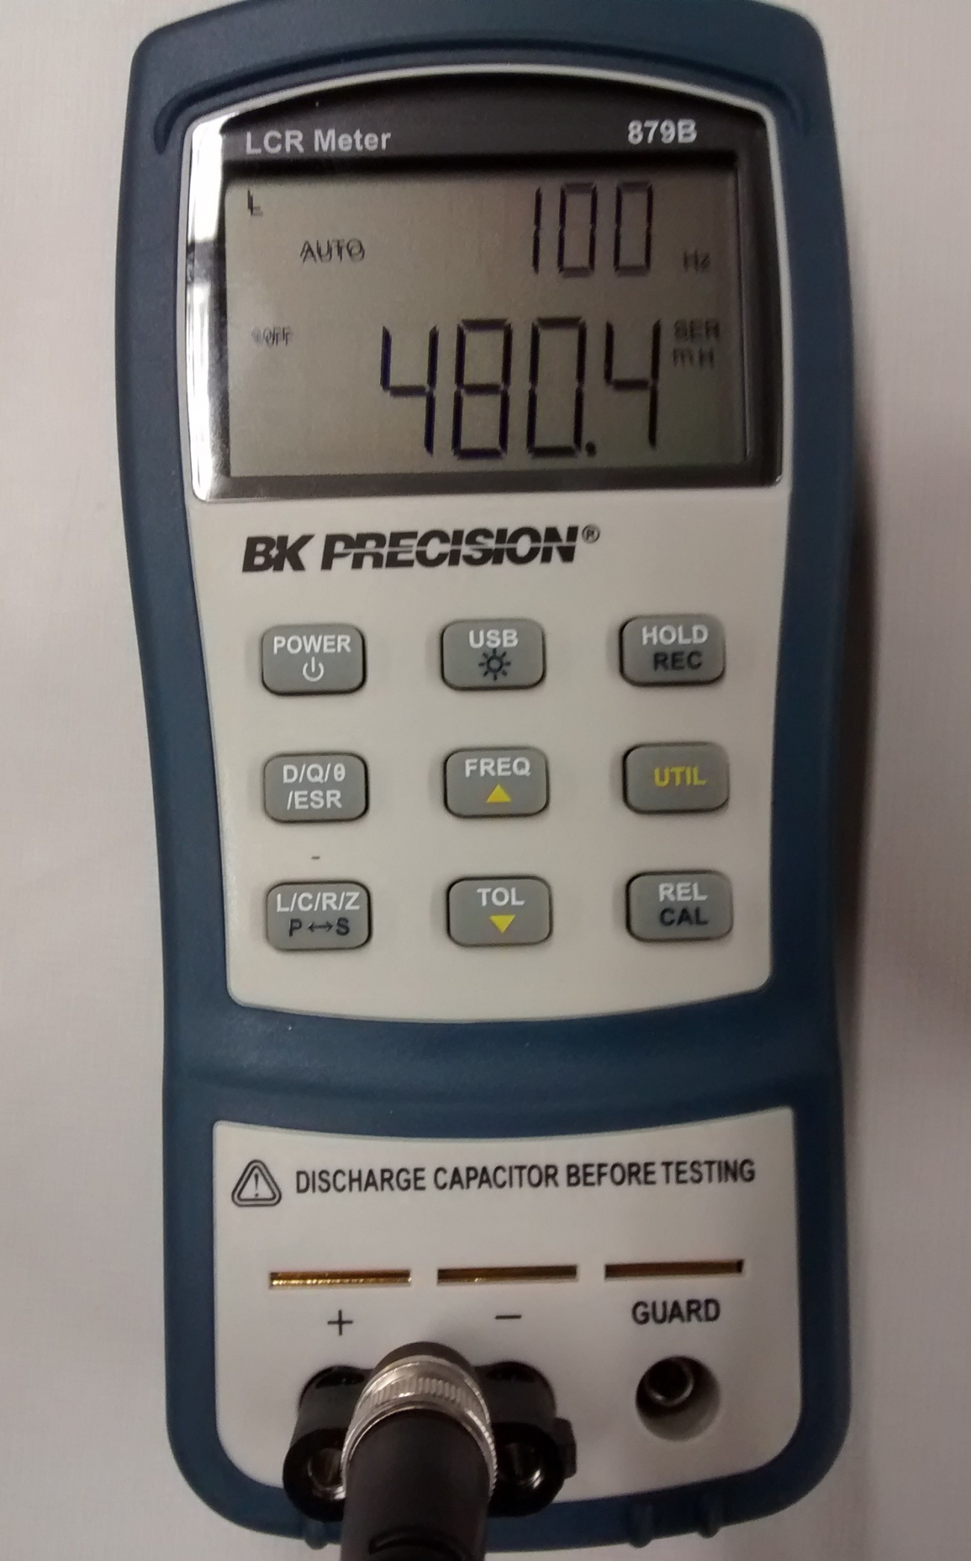
 | Perform BK 879B Setup before starting measurements
Step | Description
1 | Press Power button for 1 sec.
2 | Press L/C/R/Z until 'L' is displayed in upper left corner of display.
3 | Press FREQ button 3 times or until 100 Hz is displayed in upper right corner of display.
4 | Attach test leads to +/- inputs to LCR meter.
5 | Touch test leads together, meter should read < 2.5 mH.
6 | Meter is ready for measurement.
7 | Repeat setup if meter times out between use.
8 | To turn off meter, press Power button for 1 sec when done taking measurements.

 | BK 879B Calibration Test Procedure
Step | Description
1 | Perform steps 1-3 of Setup procedure.
2 | With nothing connected to the input terminals or test leads separated, press and hold REL/CAL button for 2 sec. LCD should read OPEN in upper right of display.
3 | To calibrate OPEN condition, press REL/CAL button once; system will calibrate and return to the normal display.
4 | With a solid jumper wire between the input terminals or test leads touching, press and hold REL/CAL button for 2 sec. LCD should read SHRT in upper right of display.
5 | To calibrate SHORT condition, press REL/CAL button once; system will calibrate and return to the normal display.
6 | System is ready for normal use.

Gas Valve Std Work 092915
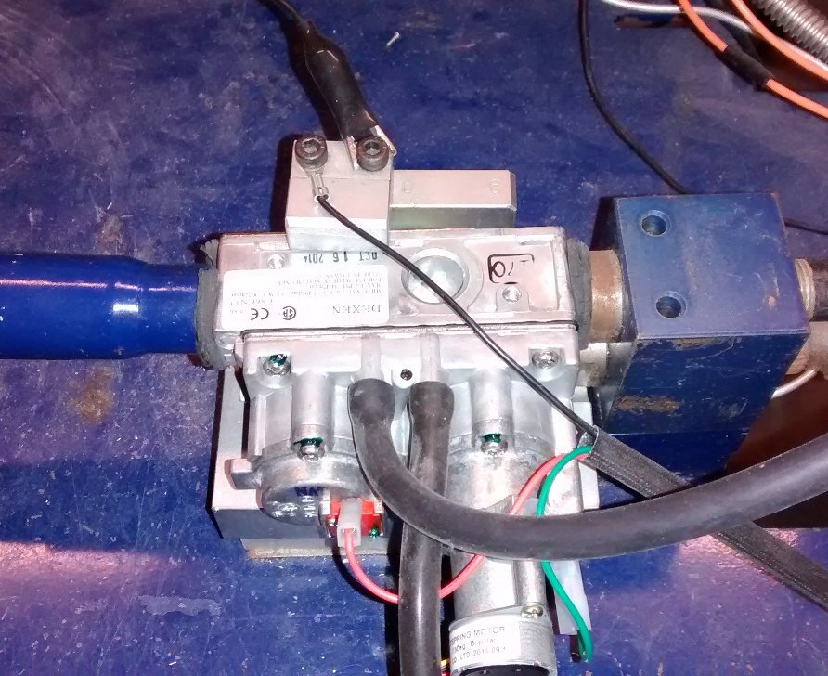
Standard Work - Gas Valve Incoming Inspection Process
Complete ALL steps for EACH valve, including Fails
Step | Procedure | Results
1 | Randomly select 120 valves for inspection from valve lot, record box label info.
1.5 | Pull up the NCM database, and select: NCM Quality Form; "Valves" (under the Sample Inspection section of the Main Form). Once in the inspection screen, choose "Sample Inspection" for Inspection Type.
2 | 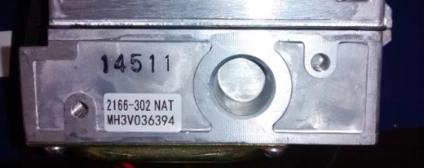 Remove valve from box, scan bar code, log valve SN.
3 | Visually inspect valve for missing/broken screws, debris in inlet/outlet ports. Log results. | P/F
4 | Visually inspect valves for indications valve has been dropped, other damage. Log results. | P/F
5 | Measure pilot valve solenoid INDUCTANCE (flag if outside 250-650 mH). Log results. | nom 380 mH
6 | Measure main valve solenoid inductance (flag if outside 350-700 mH). Log results. | nom 480 mH
7 | Install valve on test bench w/pilot & main burner/ECM/RC (if required). With gas ON, check valve, burner & pilot with Aim-N-Flame to check for stuck open pilot & burner. (Ensure inlet pressure to nominal for valve (NG: 7 IWC, LP: 11 IWC)). Log results | P/F
8 | Turn on pilot/burner with wall switch or Remote Control.
9 | Verify pilot main light within 10 sec. Log results. | P/F
10 | For Stepper Motor Valves: Adjust flame height on RC to high, record output pressure Manometer reading; Adjust flame with RC to low, record ouptut pressure Manometer reading; confirm flame height adjustment visually responds properly for flame height setting. Log results. | (303/302 specs - High Spec NG 3.5 +/- 0.3 IWC, LP 10.0 +/- 0.5 IWC; Low Spec NG: 1.0 +0.5/-0.1, LP: 2.7 +.9/-.1)
10A | For Manual Valves: Adjust flame height to high, record output pressure Manometer reading; Adjust flame to low, record ouptut pressure Manometer reading; confirm flame height adjustment visually responds properly for flame height setting. Log results. | 750-500, 501; 593-500,501 - High Spec NG 3.5 +/- 0.3 IWC, LP 10.0 +/-0.5 IWC, Low Spec NG 1.7 +/-0.3, LP 5.5 +/- 0.5
11 | Turn off pilot/burner w/wall switch or RC.
12 | With system OFF, use AIM-N-Flame to check for gas leaks at valve and pilot assembly. Log results. | P/F
13 | Remove valve from test bench. If pass, place black check mark by valve Date Code, replace in box. If fail, place red sticker by valve Date Code, place valve in Failed Part Tote.
14 | When box is full, mark as QA inspected.
15 | If all valves pass, entire lot is released to production.
16 | If valve failures, standard NCM process will determine resolution.

If Valve is Dropped during Inspection Process, SCRAP VALVE, DO NOT COUNT AS FAIL, Document in Comment Section in Data Sheet.

 | Example Test Bench Set-Up

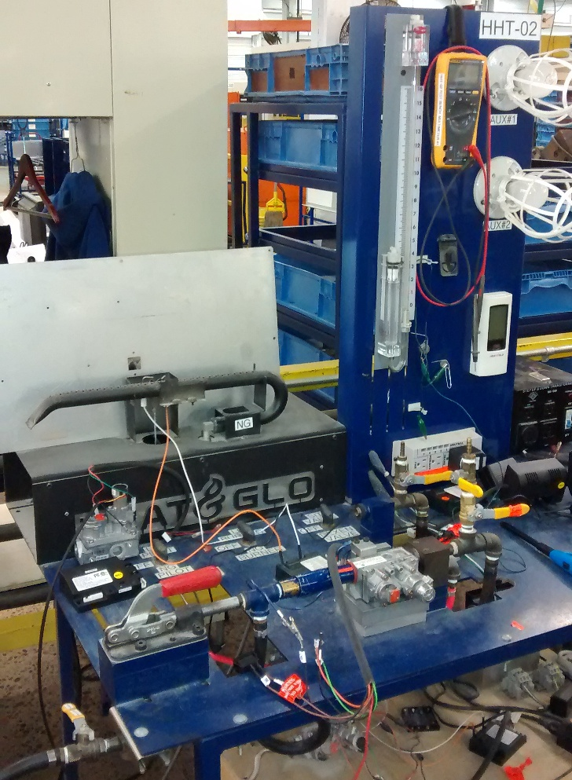

 | Valve In Test Bench

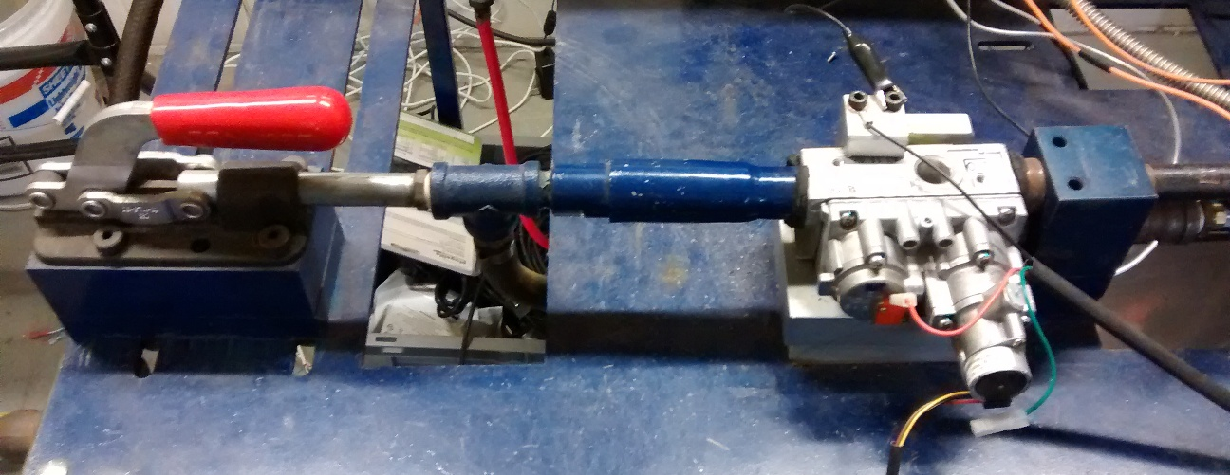

 | Valve Solenoids, Stepper Motor, Valve In / Out Pressure Measurement Ports

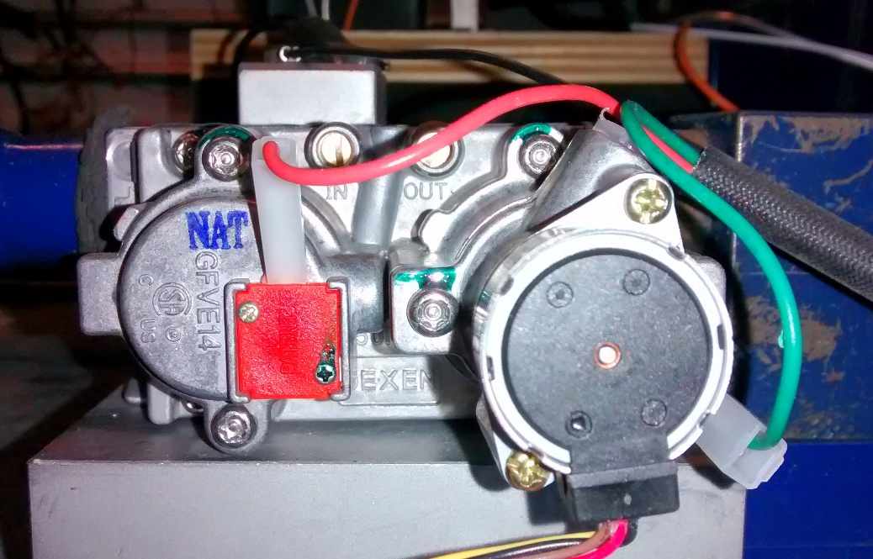

 | Manometer Connections

Inductance Measurement Std Work
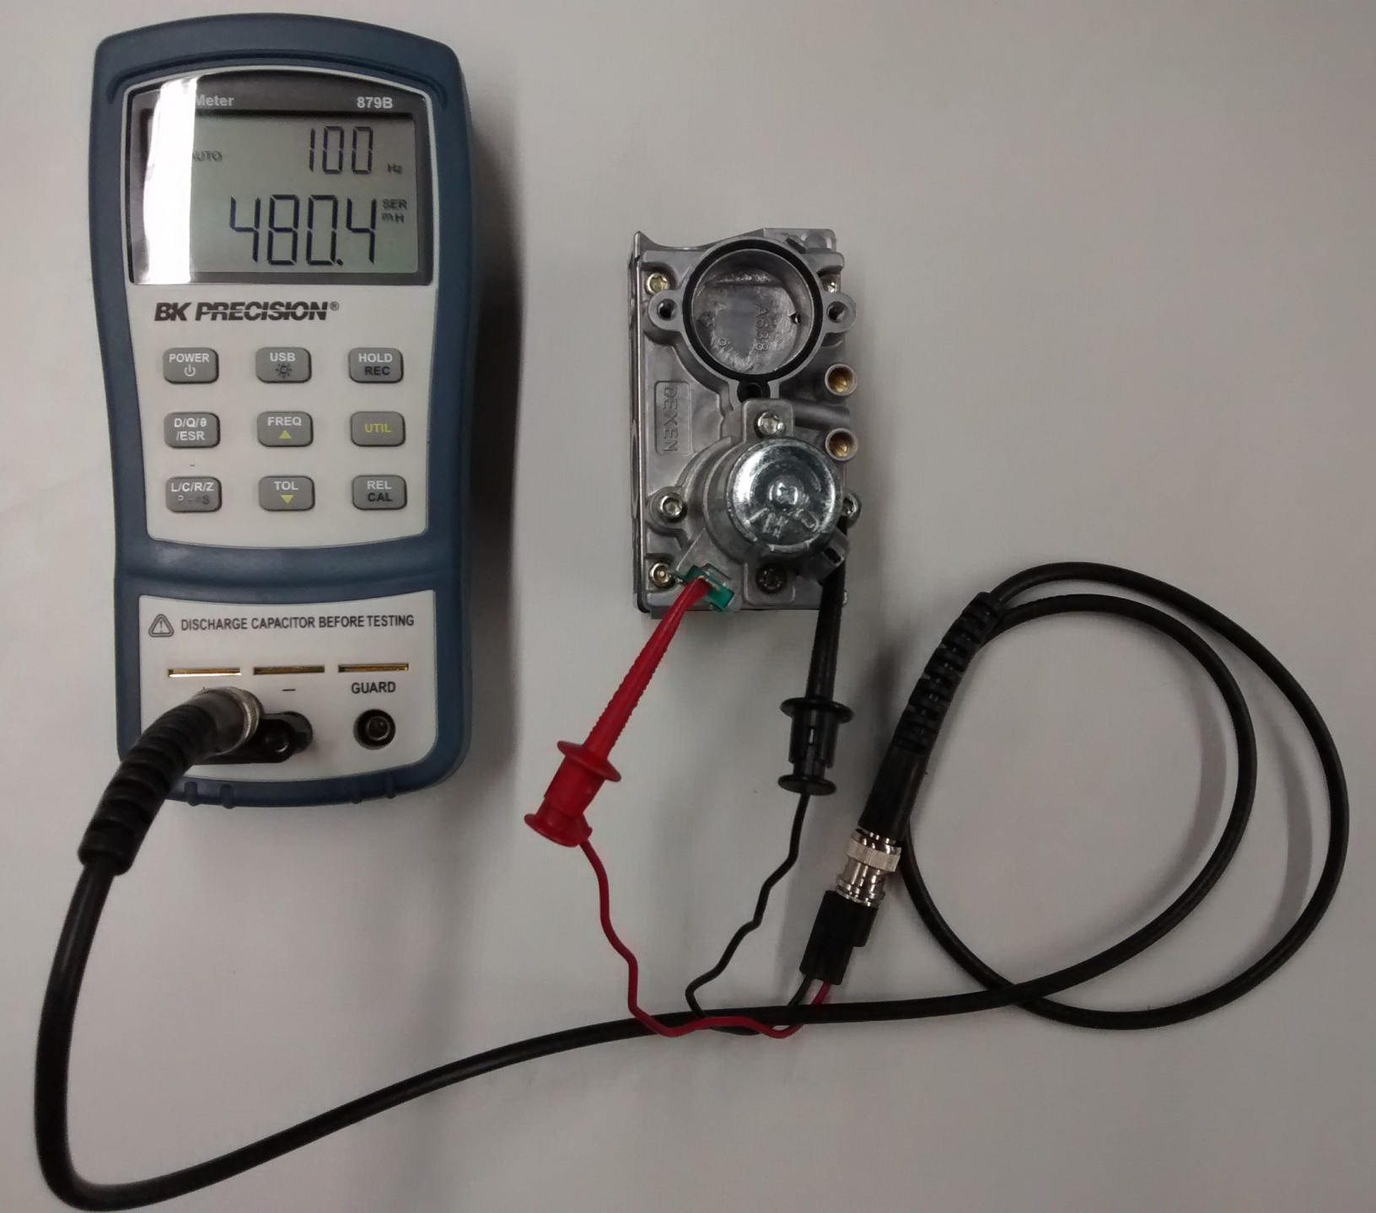
Step | Inductance Measurement Procedure
1 | Use calibrated BK 879B LCR meter. To setup meter for measurements, use BK Inductance Meter Setup tab in Excel file.
2 | With meter set to measure Inductance, touch test leads together, display should read < 2.5 mH.
3 | Place one test lead on Main solenoid coil spade and the other on the valve body, when reading is steady, record reading. Acceptable range is 350 to 700 mH, nominal is 480 mH.
4 | Place one test lead on Pilot solenoid coil spade and the other on the valve body, when reading is steady, record reading. Acceptable range is 250 to 650 mH, nominal is 380 mH.


 | BK 879B LCR Meter
 | Typical measurement setup

