BK 879B LCR Meter 092915
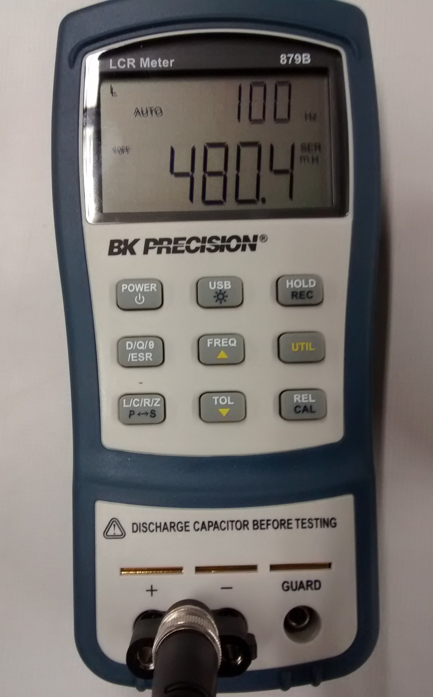
 | Perform BK 879B Setup before starting measurements
Step | Description
1 | Press Power button for 1 sec.
2 | Press L/C/R/Z until 'L' is displayed in upper left corner of display.
3 | Press FREQ button 3 times or until 100 Hz is displayed in upper right corner of display.
4 | Attach test leads to +/- inputs to LCR meter.
5 | Touch test leads together, meter should read < 2.5 mH.
6 | Meter is ready for measurement.
7 | Repeat setup if meter times out between use.
8 | To turn off meter, press Power button for 1 sec when done taking measurements.

 | BK 879B Calibration Test Procedure
Step | Description
1 | Perform steps 1-3 of Setup procedure.
2 | With nothing connected to the input terminals or test leads separated, press and hold REL/CAL button for 2 sec. LCD should read OPEN in upper right of display.
3 | To calibrate OPEN condition, press REL/CAL button once; system will calibrate and return to the normal display.
4 | With a solid jumper wire between the input terminals or test leads touching, press and hold REL/CAL button for 2 sec. LCD should read SHRT in upper right of display.
5 | To calibrate SHORT condition, press REL/CAL button once; system will calibrate and return to the normal display.
6 | System is ready for normal use.

Inductance Msmt Std Work 092916
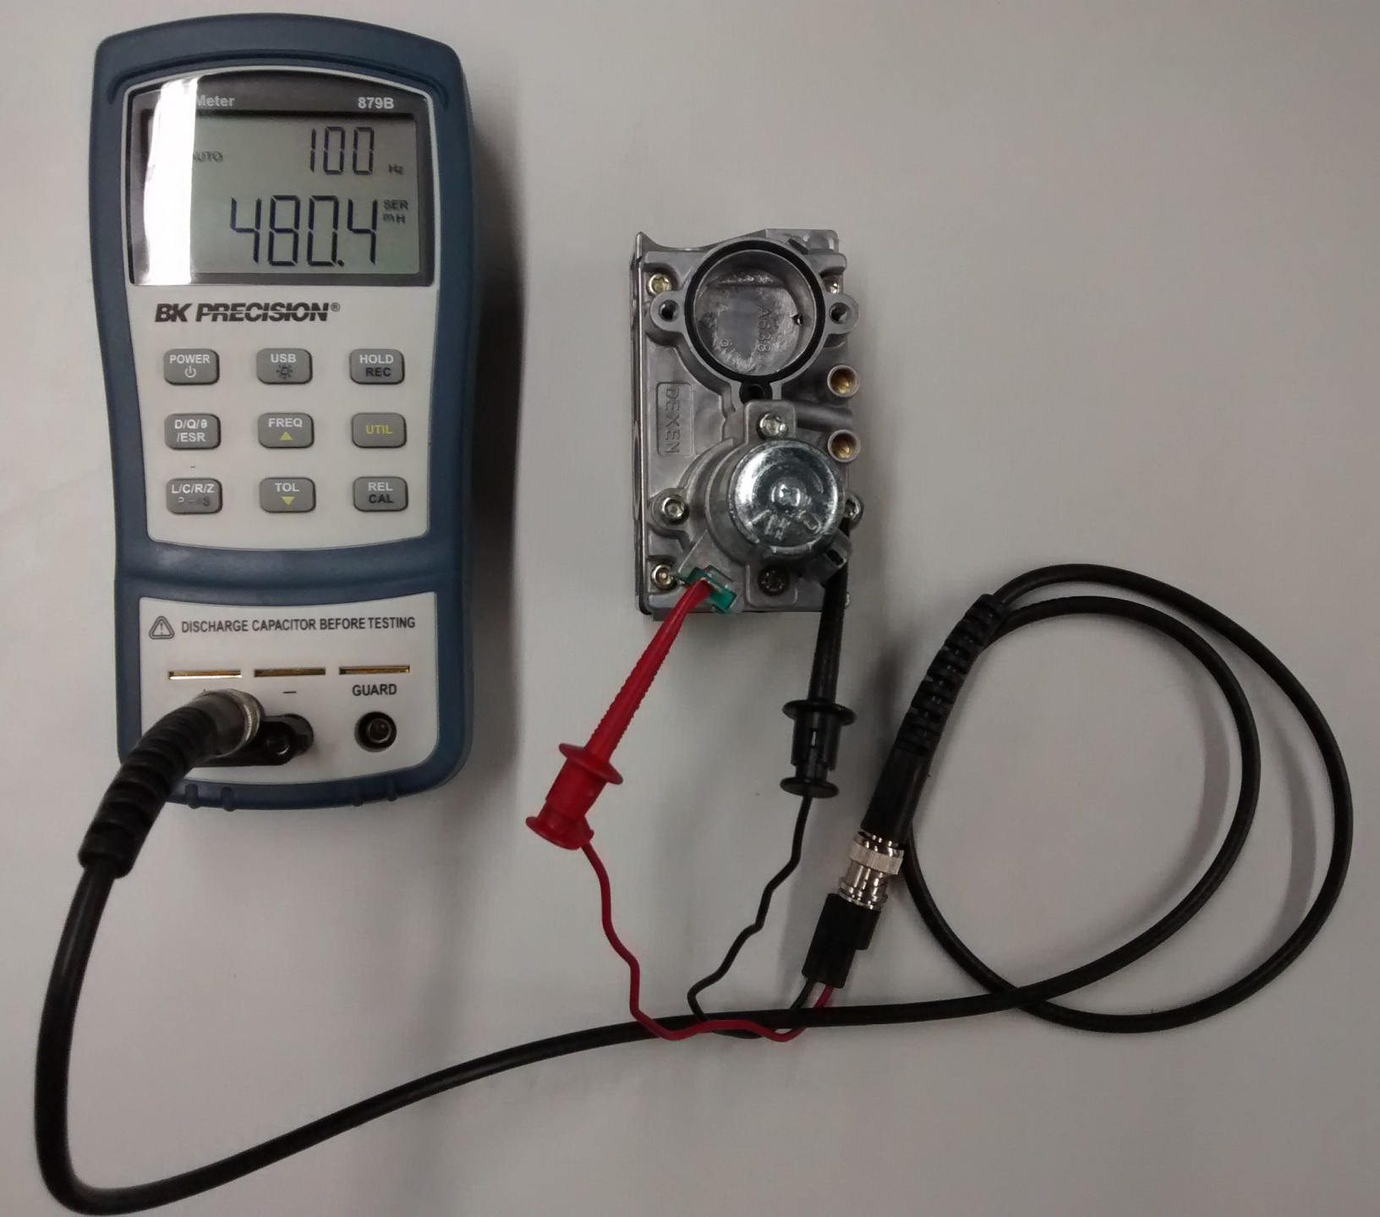
Step | Inductance Measurement Procedure (092916)
1 | Use calibrated BK 879B LCR meter. To setup meter for measurements, use BK Inductance Meter Setup tab in Excel file.
2 | With meter set to measure Inductance, touch test leads together, display should read < 2.5 mH.
3 | Place one test lead on Main solenoid coil spade and the other on the valve body, when reading is steady, record reading. Acceptable range is 350 to 700 mH, nominal is 480 mH.
4 | Place one test lead on Pilot solenoid coil spade and the other on the valve body, when reading is steady, record reading. Acceptable range is 250 to 650 mH, nominal is 380 mH.


 | BK 879B LCR Meter
 | Typical measurement setup

Gas Valve Std Work 061616
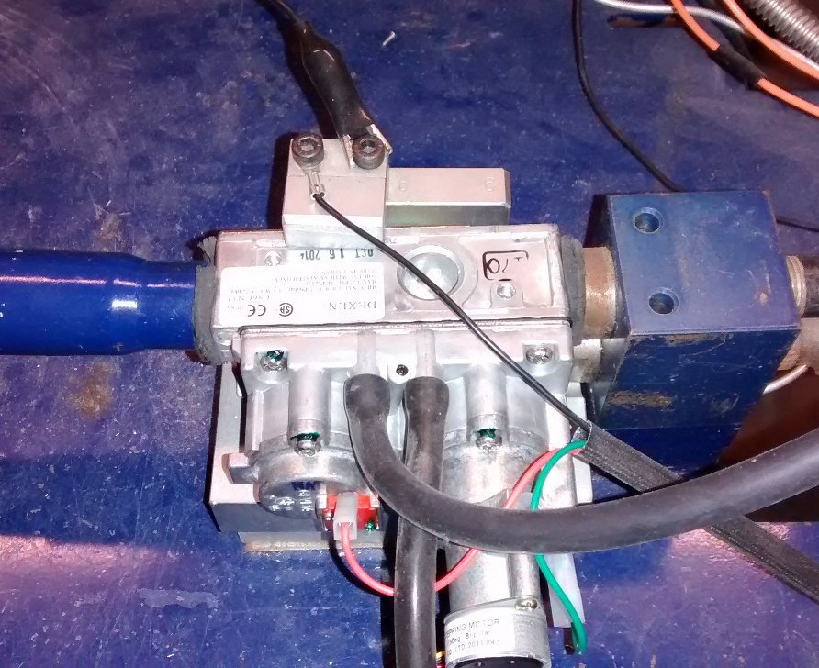
Standard Work - Gas Valve Incoming Sample Inspection Process (ValveSampleInspectionStandardWork)
A Valve shall be rejected and sent to NCM if it does not meet the requirements of this Standard Work

If a Valve is DROPPED during the Sample Inspection Process, SCRAP VALVE, DO NOT COUNT AS FAIL, document as "DROPPED" in Individual Part Comments section of data entry screen.

Step | Procedure | Results
1 | Access the Sample Inspection database, and the "Create PartReceived" screen will come up for you to fill in.
2 | Select Vendor name from the "VendorId" pull-down menu. Tab down
3 | The "SampleInspectionEntryDate" field is automatically filled in. Tab down
4 | Select Auditor Name from the "AuditorId" pull-down menu. Tab down
5 | Scan or type in the Valve "Part Number" information. Tab down
6 | Select "LCINSP" from "Where Found" pull-down menu. Tab down
7 | Select "Sample Inspection" from "Inspection Type" pull-down menu. Tab down
8 | Fill in the "Incoming Date" information (MM/DD/YYYY, e.g., 04/15/2016). (This is the date in which we received the parts from Dexen) Tab down
9 | Determine how many valves need to be tested by using the 3x Inspection Sheet (see 3X Inspection Criteria tab). This sheet is also on the clip board at the work station.
10 | Pull your first box of valves and open it. Pull a valve out and find the 5-digit GM date code (ex: 16035), and record that number into the "Date Code" field. Tab down
11 | There are two boxes for an inspector number. The first box is a required field. The inspector numbers are 3-digit numbers stamped on the valve (ex: 186). Type one number into the first box. If there is a second number tab down and enter that number into that second box. (If no Inspector Number is stamped on the valve, the valve should be rejected and sent to NCM). Tab down
3-Digit Dexen Inspector Number
5-Digit Grand Mate Date Code
Valve Serial Number
Valve Part Number
12 | 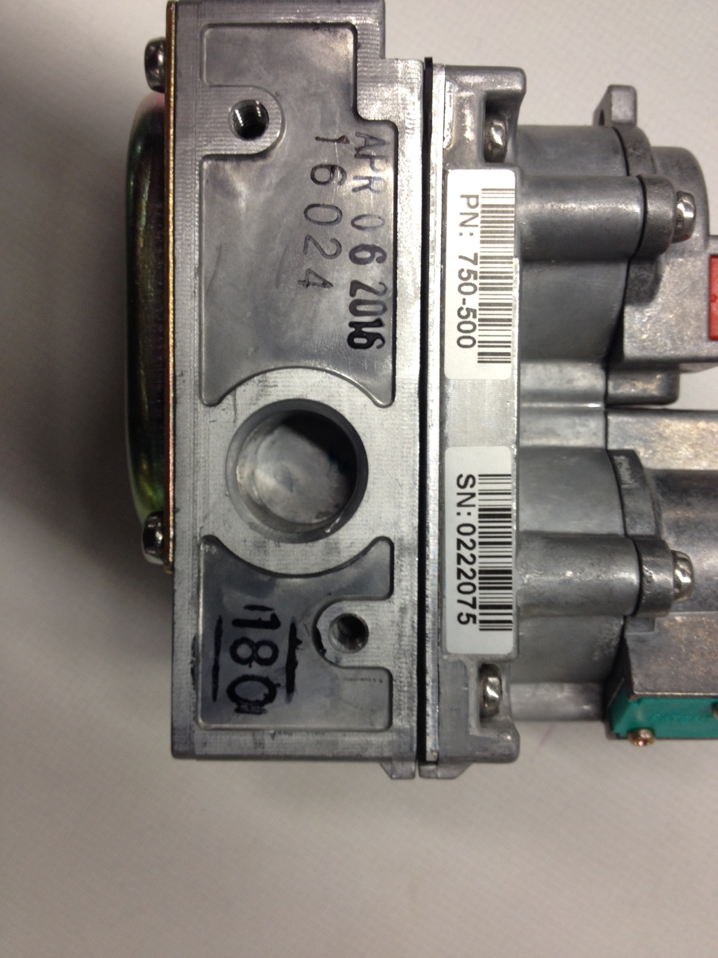 Scan or type the Valve Serial Number. Log valve SN. Tab down
13 | The "Was Tested" box is a default to "Yes". If any of the above information is missing on the valve, the valve failed, and you do not have to test it. If you do not test the valve, change this field to "No". The next two fields are left blank, unless there is a failure. Click on "Create".
14 | Visually inspect Valve for missing / broken screws, debris in inlet / outlet ports / any damage Log results. Tab down | P/F
16 | Measure "Pilot Valve Solenoid Inductance" by placing the red and black leads from the Multimeter on the valve (one of the leads will connect to the valve body and one of the leads will connect to the orange male connector on the valve). Flag if outside 250-650 mH. Log results. Tab down | nom 380 mH
17 | Measure "Main Valve Solenoid Inductance" by placing the red and black leads from the Multimeter on the valve (one of the leads will connect to the valve body and one of the leads will connect to the green male connector on the valve). Flag if outside 350-700 mH. Log results. Tab down. | nom 480 mH
18 | Install Valve on test bench with gas supply in the "On" position. Use an aim-flame to verify that the valve will not fail open; check at the pilot and main burner. Log results. Tab down | P/F
19 | Verify that the inlet pressure is set to the nominal for each gas type (NG: 7 IWC, LP 12 IWC) If pressures are not meeting the nominal; adjust at the regulator until it does meet nominal.
20 | Turn on Pilot / Burner with Wall Switch or Remote Control.
21 | Verify Pilot Main lights within 60 seconds and burner lights within 10 seconds. Log results. | P/F
22 | Using the aim-flame, test for leaks around the whole valve; front, back and sides. Log results. Tab down | P/F
23 | For Stepper Motor Valves: Adjust flame height on Remote Control to low to get the output pressure Manometer reading. Log results. Tab down. Adjust flame with Remote Control to high and record output pressure Manometer reading. Log results. Tab down. Confirm flame height adjustment visually responds properly for flame height setting. Log results. Tab down | (303/302 specs - High Spec NG 3.5 +/- 0.3 IWC, LP 10.0 +/- 0.5 IWC; Low Spec NG: 1.0 +0.5/-0.1, LP: 2.7 +.9/-.1)
24 | For Manual Valves: Adjust flame height to low by turning the Hi/Lo knob on the Valve to low to get the output pressure Manometer reading. Log results. Tab down. Adjust flame to high by turning the hi/lo knob to high to get the output pressure Manometer reading. Log results. Tab down. Confirm flame height adjustment visually responds properly for flame height setting. Log results. Tab down | 750-500, 501; 593-500,501 - High Spec NG 3.5 +/- 0.3 IWC, LP 10.0 +/-0.5 IWC, Low Spec NG 1.7 +/-0.3, LP 5.5 +/- 0.5
25 | Turn off Pilot / Burner with Wall Switch or Remote Control. Log results. Tab down | P/F
26 | Remove Valve from test bench. If the Valve passes, place black X mark just below the white identification label right above the circle cutout and place back in box. If the Valve fails, click on "Edit This Part Received". This will take you back to the create screen. Click on "Individual Parts Comment" and write in a description of the failure. Tab down and fill in the NCM red tag number. Complete the NCM red tag and send the part to quality for confirmation testing.
27 | When you have completed the testing of all valves, tape the box shut. Take a purple label and place a check mark on it, then place the label on the box. If a valve failed take a colored dot label (not purple) and write the correct qty on it. Place one quantity label on each end of the box.
28 | If the pallet of valves passes, release to production. All non-tested valves still get a purple label but don't put a check mark on the label.
29 | Follow the NCM process for failed valves (reference the Failure Modes tab for lot / pallet rejection conditions).

 | Example Test Bench Set-Up

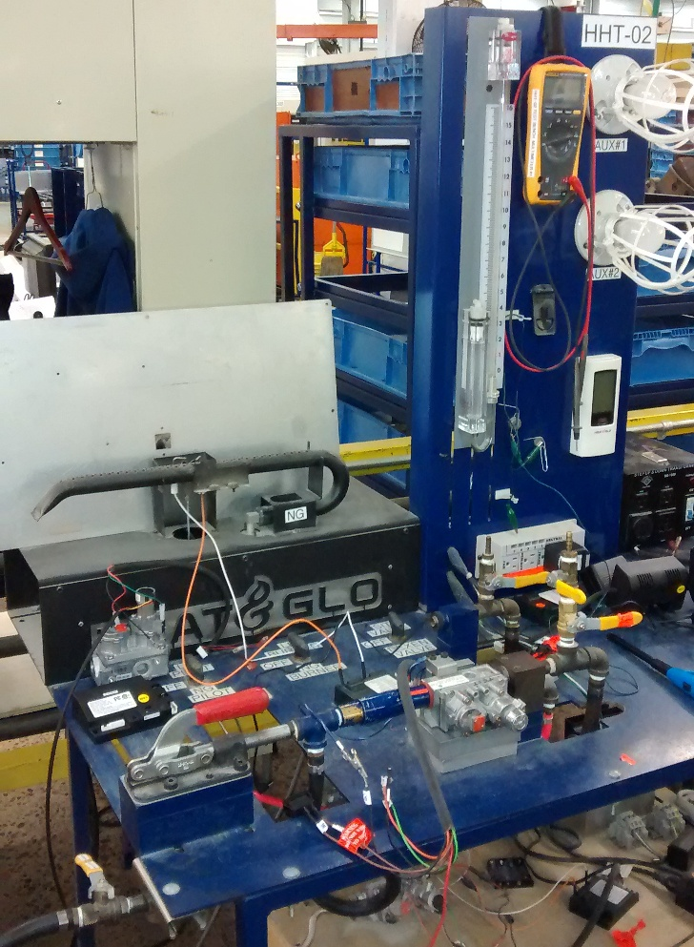

 | Valve In Test Bench

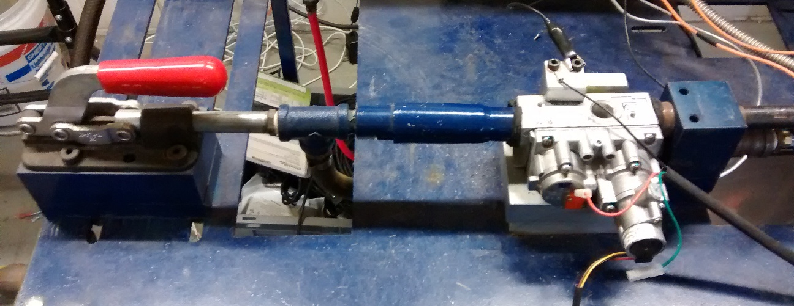

 | Valve Solenoids, Stepper Motor, Valve In / Out Pressure Measurement Ports

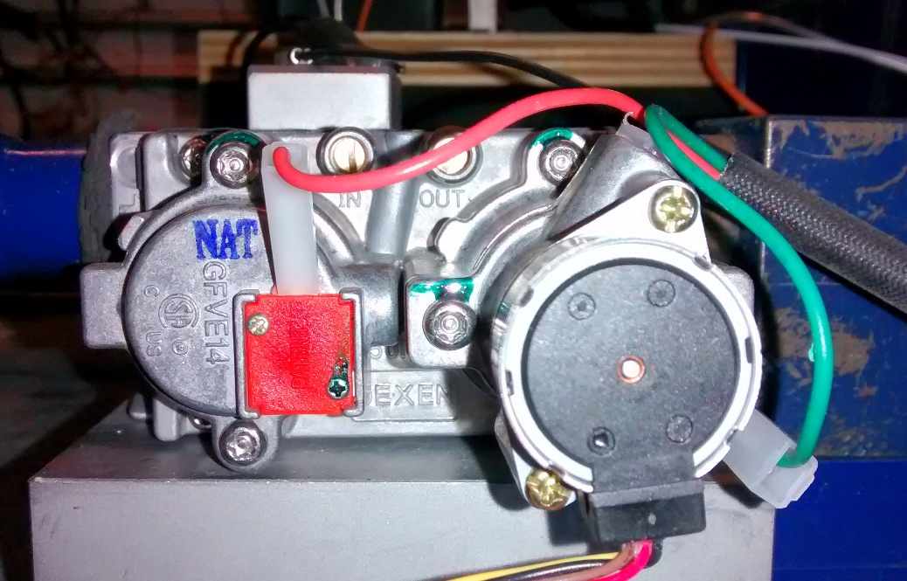

 | Manometer Connections

