Sheet1
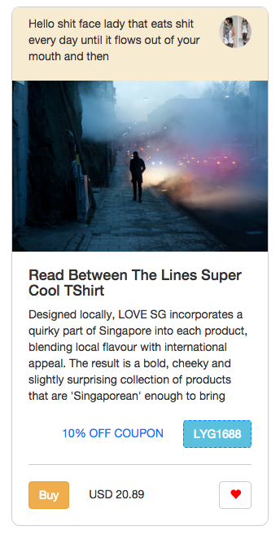
1 | Collection name | itemStatus
 | Type | String 140 words

2 | Collection name | itemImage
 | Type | String location

3 | Collection name | itemHeadline
 | Type | String 140 words

4 | Collection name | itemBodyText
 | Type | String 140 words

5 | Collection name | itemCouponCode
 | Type | String

6 | Collection name | itemPromoDetails
 | Type | %

7 | Collection name | itemBuyButton
 | Type | num

8 | Collection name | itemPrice
 | Type | num

9 | Collection name | itemLoves
 | Type | num

 | Collection name | userId
 | Type | String

