Notes
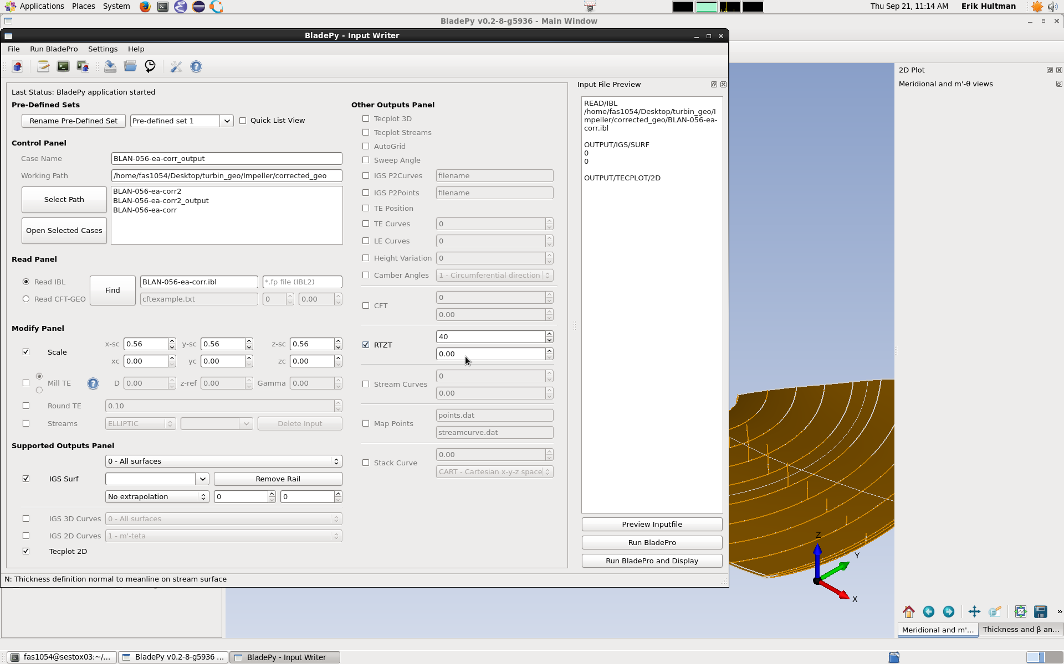
Numerical values on scale when zooming in
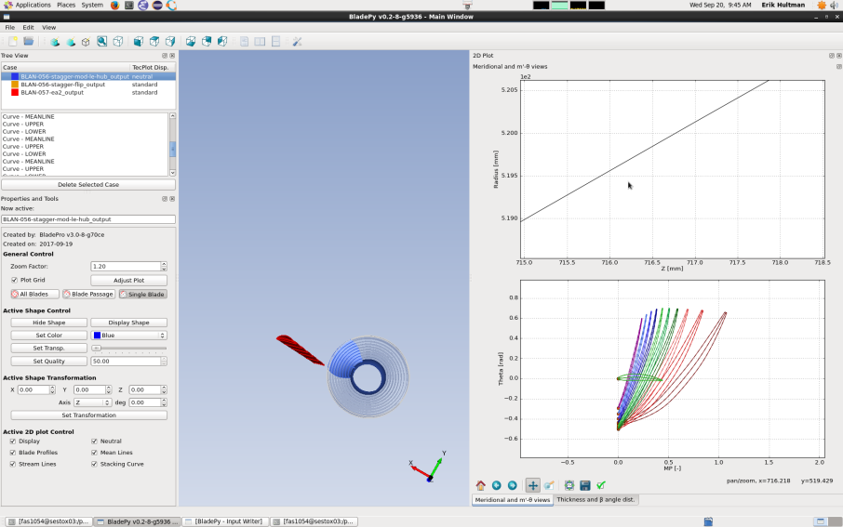
not OK, when zoomed in.


OK, when zoomed out.

Reset original view not reset for remaining geometry when all except one is deleted

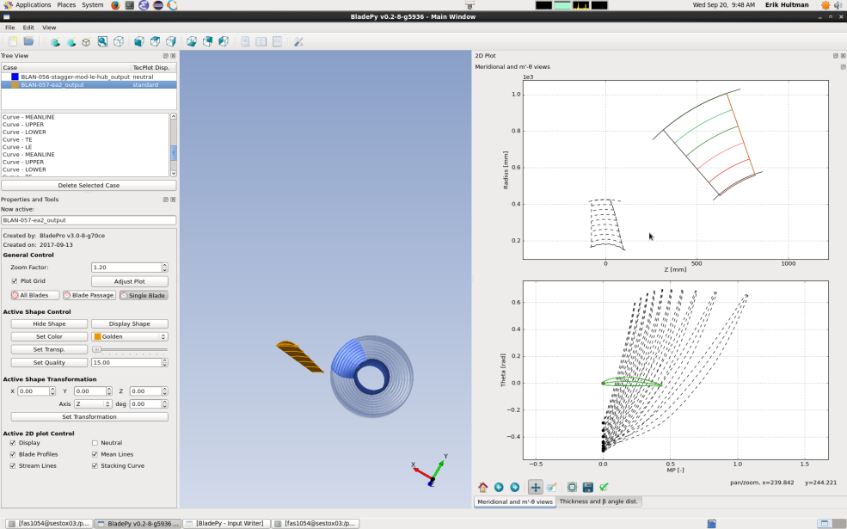


Number in OUTPUT/IGS/SURF not correct

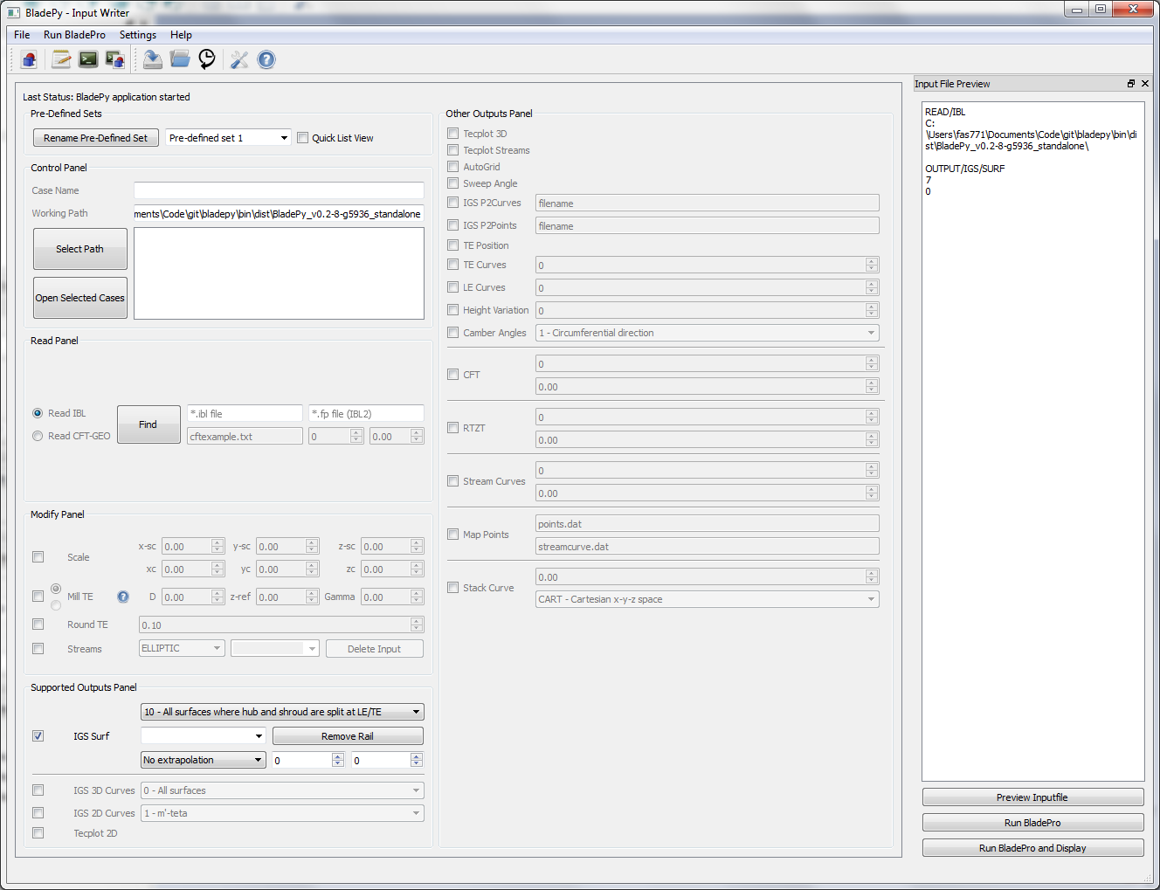

>6 will be wrong, number in item list instead of wanted number

Dependency to latest case, why do we need it? (in this case the directory was renamed then is was not possible to open bladepy due to dependency) folder
work around was to rename to old directory rename it, start bladepy and then open case in other folder then open input writer and preview the bladepro file quit bladepy, then rename the folder again
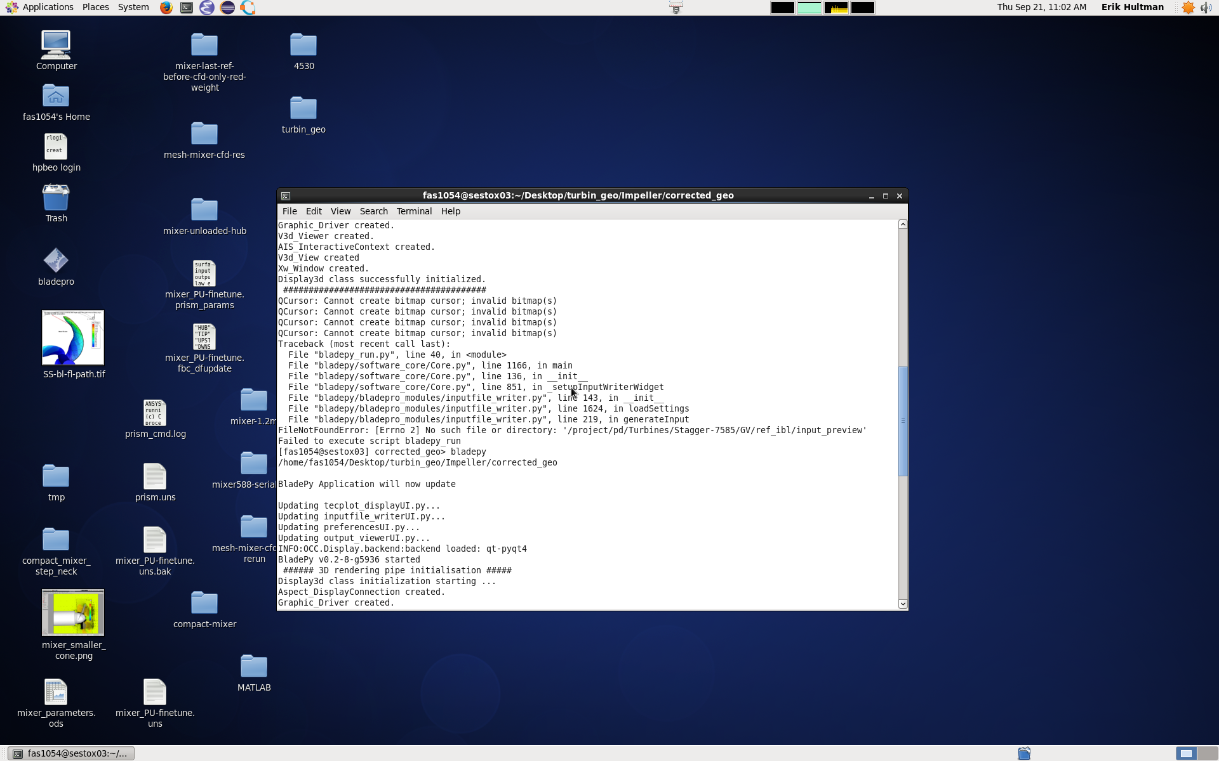

Not possible to enter more than 2 decimals for scale. In the example below the scale should be 0.5667, we clicking up and down arrows it add +1, e.g. 1,56. The step size should be smaller, perhaps +/-0.1

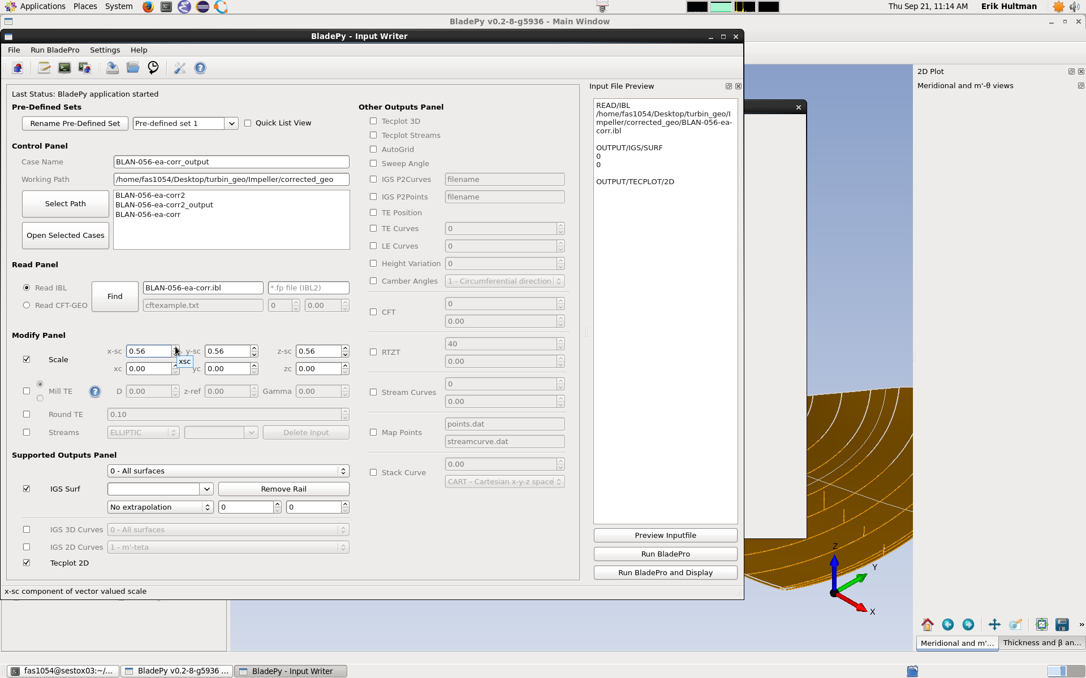

The RTZT output should have second input field with option between N or T (not implemented yet) not numerical values. Below in the example it is 0.00.

