Sheet1
Page | Components | Class | CSS File | Screen
Pavilion-home | Header | nav navbar-nav | global.css | 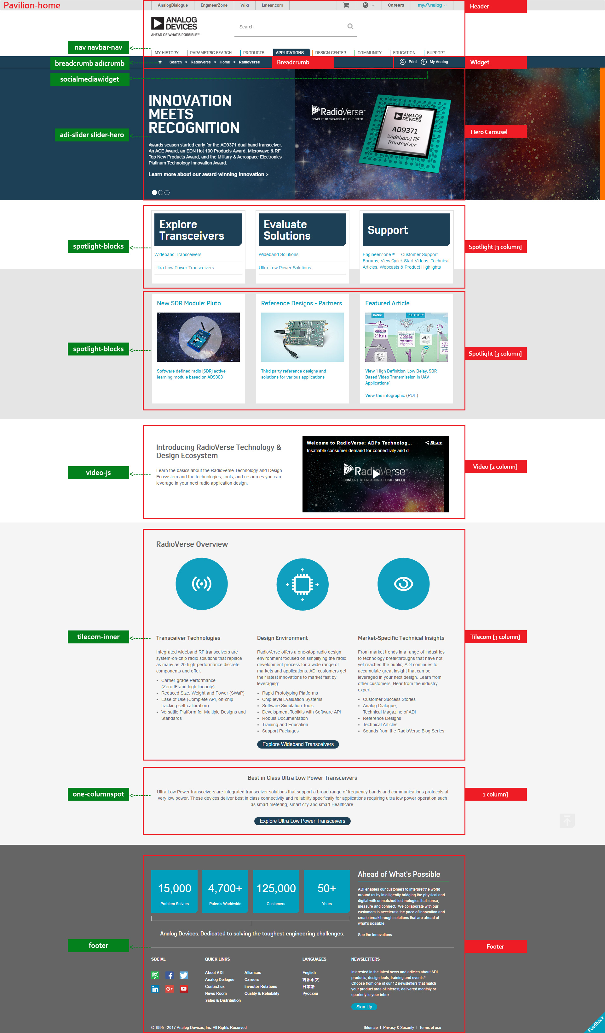
http://www-dev.corpnt.analog.com/en/applications/technology/sdr-radioverse-pavilion-home.html | Breadcrumb | breadcrumb adicrumb | application.css, global.css
 | Widget | socialmediawidget | global.css
 | Hero Carousel | adi-slider slider-hero | Components.css
 | Spotlight [3 column] | spotlight-blocks | Components.css
 | Spotlight [3 column] | spotlight-blocks | Components.css
 | Video [2 column] | video-js | inline-css from js
 | Tilecom [3 column] | tilecom-inner | Components.css
 | 1 Column | one-columnspot | Components.css
 | Footer | footer | global.css

Page | Components | Class | CSS File | Screen
Analog-home | Header | nav navbar-nav | global.css | 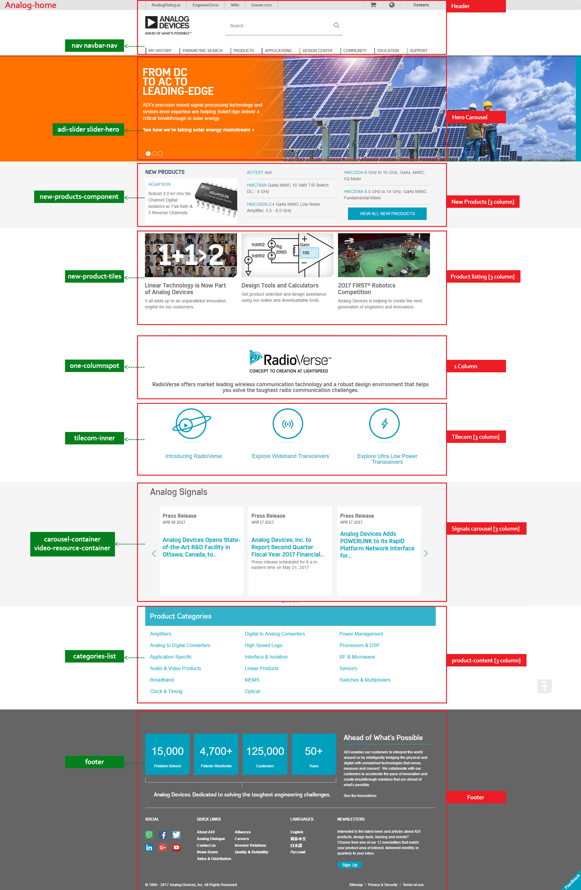
http://www-dev.corpnt.analog.com/en/index.html | Hero Carousel | adi-slider slider-hero | Components.css
 | New Products [3 column] | new-products-component | Components.css
 | Product listing [3 column] | new-product-tiles | Components.css
 | 1 Column | one-columnspot | Components.css
 | Tilecom [3 column] | tilecom-inner | Components.css
 | Signals carousel | carousel-container video-resource-container | Components.css, Home.css
 | product-content [3 column] | categories-list | Components.css
 | Footer | footer | global.css

Page | Components | Class | CSS File | Screen
Product-home | Header | nav navbar-nav | global.css
http://www-dev.corpnt.analog.com/en/products.html | Breadcrumb | breadcrumb adicrumb | application.css, global.css
 | Widget | socialmediawidget | global.css
 | Product Title | title-nophoto | Components.css
 | Sub Category | list-column-layout list-column-layout-2 | Components.css
 | product-row [2 column] | section-heading prodsubcat | Components.css, Product.css
 | Signals carousel | carousel-container video-resource-container | Components.css, Product.css
 | Footer | footer | global.css

