Sheet1
Examing the data (features) and find potential high relavent features
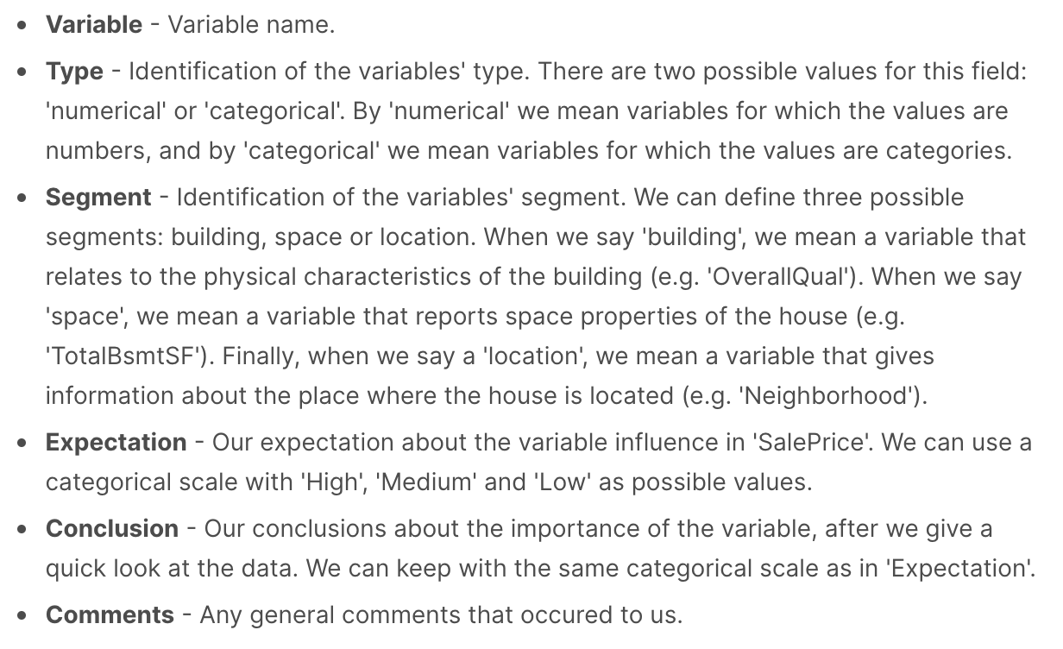

varable | type | segment | expectation | conclusion | comments
MSSubClass | numerical | space | high | high | numerical representation of categorical classes
MSZoning | categorical | location | high | high
LotFrontage | numerical | location | medium | medium
LotArea | numerical | space | high | high
Street | categorical | space | high | high
Alley | categorical | location | high | high
LotShape | categorical | building | high | high
LandContour | categorical | space | high | high | crucial feature, also has info about slope of the building
Utilities | categorical | building | high | high
LotConfig | categorical | building | high | high
LandSlope | categorical | building | high | high | slope of the building
Neighborhood | categorical | location | high | high | crucial feature
condition1 | categorical | location | high | high
condition2 | categorical | location | high | high
BldgType | categorical | building | medium | medium
HouseStyle | categorical | building | high | high
OverallQual | numerical | building | high | high | crucial feature, numerical representation of categorical classes
OverallCond | numerical | building | high | high | crucial feature, numerical representation of categorical classes
YearBuilt | numerical | building | high | high | crucial feature
YearRemodAdd | numerical | building | high | high
RoofStyle | categorical | building | medium | medium
RoofMatl | categorical | building | medium | medium
Exterior1st | categorical | building | medium | medium | personally, I don't think exterior materials matters much
Exterior2nd | categorical | building | medium | medium | personally, I don't think exterior materials matters much
MasVnrType | categorical | building | medium | medium
MasVnrArea | numerical | building | medium | medium
ExterQual | categorical | building | medium | medium
ExterCon | categorical | building | high | high | the condition of the material on the exterior may have impact on necessarity of remodeling
Foundation | categorical | space | medium | medium
BsmtQual | categorical | space | high | high | the height of the basement may reflect the goodness of the house
BsmtCond | categorical | space | medium | medium | don't think basement condition matter much
BsmtExposure | categorical | space | medium | medium | don't think walkout or garden level walls matter that much
BsmtFinType1 | numerical | space | medium | medium | no idea what this feature means
BsmtFinType2 | categorical | space | medium | medium
BsmtFinSF2 | numerical | space | medium | medium | no idea what this feature means
BsntUnfSF | numerical | space | medium | medium
TotalBsmtSF | numerical | space | high | high | total square feet of basement area may refect the goodness of the house
Heating | categorical | building | medium | medium
HeatingQC | categorical | building | medium | medium
CentralAir | categorical | building | medium | medium
Electrical | categorical | building | medium | medium
1stFlrSF | numerical | building | high | high | crucial feature, 1st floor square feet
2ndFlrSF | numerical | building | high | high | 2nd floor square feet
LowQualFinSF | numerical | building | medium | medium
GrLivArea | numerical | building | high | high
BsmtFullBath | numerical | building | low | low | don't care if there is a bathroom in basement
BsmtHalfBath | numerical | building | low | low | don't care if there is a bathroom in basement
FullBath | numerical | building | high | high | crucial feature
HalfBath | numerical | building | high | high
Bedroom | numerical | building | high | high | crucial feature
Kitchen | numerical | building | medium | medium | the number of kitchens doesn't matter after 1
KitchenQual | categorical | building | high | high
TotRmsAbvGrd | numerical | building | high | high | crucial feature, total rooms above ground
Functional | categorical | building | medium | medium
Fireplaces | numerical | building | medium | medium
FireplaceQu | categorical | building | medium | medium
GarageType | categorical | building | high | high
GarageYrBlt | numerical | building | medium | medium
GarageFinish | categorical | building | medium | medium
GarageCars | numerical | building | high | high
GarageArea | numerical | building | high | high
GarageQual | categorical | building | medium | medium
GarageCond | categorical | building | medium | medium
PaveDrive | categorical | space | high | high
WoodDeckSF | numerical | space | medium | medium
OpenPorchSF | numerical | space | medium | medium
EnclosedPorch | numerical | space | medium | medium
3SsnPorch | numerical | space | low | low
ScreenPorch | numerical | space | low | low | don't think anything about porch matters much
PoolArea | numerical | space | high | high
PoolQC | categorical | space | medium | medium
Fence | categorical | space | medium | medium
MiscFeature | categorical | space | medium | medium
MiscVal | numerical | space | medium | medium
MoSold | numerical | building | low | low
YrSold | numerical | building | high | high | year sold
SaleType | categorical | building | high | high | different type of sale my have impact on house price
SaleCondition | categorical | building | high | high | different condition of sale may have impact on house price

