Sheet1
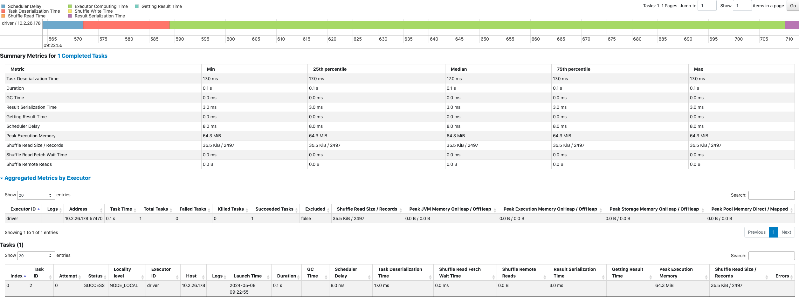
task明细
jobId | jobGroup | stageId | index | launchTime | finishTime |  | duration | schedulerDelay | executorId | host | taskLocality | speculative | gettingResultTime | successful | executorRunTime | executorCpuTime | executorDeserializeTime | executorDeserializeCpuTime | resultSerializationTime | jvmGCTime | resultSize | diskBytesSpilled | memoryBytesSpilled | peakExecutionMemory | recordsRead | bytesRead | recordsWritten | bytesWritten | shuffleFetchWaitTime | shuffleTotalBytesRead | shuffleTotalBlocksFetched | shuffleLocalBlocksFetched | shuffleRemoteBlocksFetched | shuffleLocalBytesRead | shuffleRemoteBytesRead | shuffleRemoteBytesReadToDisk | shuffleRecordsRead | shuffleWriteTime | shuffleBytesWritten | shuffleRecordsWritten
1 | null | 1 | 1 | 1715131374562 | 1715131375410 |  | 848 | 10 | driver | 10.2.26.178 | 0 | false | 0 | true | 796 | 753 | 41 | 39 | 1 | 0 | 2972 | 0 | 0 | 262144 | 4994 | 110782 | 0 | 0 | 0 | 0 | 0 | 0 | 0 | 0 | 0 | 0 | 0 | 93 | 36307 | 2497
2 | null | 3 | 2 | 1715131375564 | 1715131375713 |  | 149 | 8 | driver | 10.2.26.178 | 1 | false | 0 | true | 121 | 116 | 17 | 17 | 3 | 0 | 24208 | 0 | 0 | 67371008 | 0 | 0 | 0 | 0 | 0 | 36307 | 1 | 1 | 0 | 36307 | 0 | 0 | 2497 | 0 | 0 | 0
task report 汇总 |  |  |  |  |  |  | 997 | 18 |  |  |  |  |  |  | 917 | 869 | 58 | 56 | 4 |  | 24208 |  |  | 67633152 | 4994 | 110782 |  |  |  |  |  |  |  | 36307 |  |  | 2497 |  | 36307 | 2497

stage统计
jobId | jobGroup | stageId | name | submissionTime | completionTime |  | stageDuration | numTasks | executorRunTime | executorCpuTime | executorDeserializeTime | executorDeserializeCpuTime | resultSerializationTime | jvmGCTime | resultSize | diskBytesSpilled | memoryBytesSpilled | peakExecutionMemory | recordsRead | bytesRead | recordsWritten | bytesWritten | shuffleFetchWaitTime | shuffleTotalBytesRead | shuffleTotalBlocksFetched | shuffleLocalBlocksFetched | shuffleRemoteBlocksFetched | shuffleLocalBytesRead | shuffleRemoteBytesRead | shuffleRemoteBytesReadToDisk | shuffleRecordsRead | shuffleWriteTime | shuffleBytesWritten | shuffleRecordsWritten
1 | null | 1 | collect at QueryOnItem.scala:38 | 1715131374521 | 1715131375413 |  | 892 | 1 | 796 | 753 | 41 | 39 | 1 | 0 | 2972 | 0 | 0 | 262144 | 4994 | 110782 | 0 | 0 | 0 | 0 | 0 | 0 | 0 | 0 | 0 | 0 | 0 | 93 | 36307 | 2497
2 | null | 3 | collect at QueryOnItem.scala:38 | 1715131375553 | 1715131375715 |  | 162 | 1 | 121 | 116 | 17 | 17 | 3 | 0 | 24208 | 0 | 0 | 67371008 | 0 | 0 | 0 | 0 | 0 | 36307 | 1 | 1 | 0 | 36307 | 0 | 0 | 2497 | 0 | 0 | 0
 |  |  |  |  |  | stage汇总 | 1054 | 2 | 917 | 869 | 58 | 56 | 4 | 0 | 27180 | 0 | 0 | 67633152 | 4994 | 110782 | 0 | 0 | 0 | 36307 | 1 | 1 | 0 | 36307 | 0 | 0 | 2497 | 93 | 36307 | 2497

以stage3为例子说明
stage相关指标
1. Shuffle Read 35.5K， 对应stage指标shuffleTotalBytesRead
2. Duration 0.2s, 对应stage指标stageDuration 162ms
下面点开stage3进入详情页
3.Executor Computing Time(绿色部分)，对应指标executorRunTime 0.1s=121ms， 这里顺便提下executorCPUTime，它只计算task实际花费的时间，不计算task运行期间其他线程花费的时间,而且单位比较特殊，是纳秒
4. Scheduler Delay(蓝色部分)，对应task指标schedulerDelay 8ms
5.Task Deserialization Time(橙色)部分，对应指标executorDeserializeTime 17ms
6.Result Serialization Time(紫色部分)，对应stage和 task指标resultSerializationTime 3ms
7. shuffleWriteTime shuffle写的时间
8.shuffleReadTime 为0，可能跟shuffleRemoteBytesReadToDisk 为0有关，因为不需要远程拉取

