Title
Household Energy Efficiency Statistics
This spreadsheet contains a selection of data tables to provide an overview of the progression of the Energy Company Obligation (ECO) and Green Deal schemes.
ECO is a government energy efficiency scheme in Great Britain to help reduce carbon emissions and tackle fuel poverty. The scheme began in January 2013, and over time it has been amended.
ECO3 commenced on 3 December 2018 and concluded on 31 March 2022. ECO4 is the four-year scheme replacing ECO3, originally covering the period from 1 April 2022 to 31 March 2026. The ECO4 Order came into force on 27 July 2022. In August 2025, the Department for Energy Security and Net Zero consulted on proposals to extend the ECO4 end date, as set out in Extending the ECO4 end date: consultation document. One of the policy decisions from that consultation was that ECO4 will be extended by nine months, ending on 31 December 2026, to allow suppliers additional time to meet existing targets and remediate non-compliant installations. | 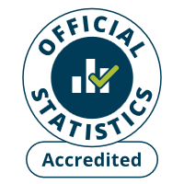
Installations between 1 April and 30 June 2022 could be counted as either 'ECO3 Interim Delivery' or 'ECO4 Early Delivery'. More information on this interim delivery phase is available from Ofgem in their document 'Draft ECO4 Guidance: Interim Delivery', available here: https://www.ofgem.gov.uk/publications/draft-eco4-guidance-interim-delivery
Publication dates
The data tables in this spreadsheet were published at 09:30am Thursday 23 April 2026.
The next publication will be at 09:30am on Thursday 28 May 2026.
Data coverage
Data covered in this release is for delivery to the end of February 2026.
Data covered in this release is for Great Britain.
Methodology
Information on the methods used in the analysis for this release are available in the Further Info sheet, and two separately published documents (Methodology Note and Background Quality Report) both available here:
https://www.gov.uk/government/publications/household-energy-efficiency-statistics-methodology-note
Notes on any significant revisions and/or changes to the analysis method are also available in the Further Info sheet.
Units, notes and no data
Some cells in the tables refer to notes which can be found beneath the tables on each worksheet. Note markers are presented in square brackets, for example: [n1]. Some cells have no data, when this is the case cell is left blank. An explanation of why there is no data is given at the top of the worksheet. Some column headings give units, when this is the case the units are presented in round brackets to differentiate them from note markers.
Contact Details
Press Enquiries to the Press Officer: 020 7215 5975; or the newsdesk: 020 7215 1000
Responsible Statistician: Darren Stillwell / Tom Joss
EnergyEfficiency.Stats@energysecurity.gov.uk
07860 511211 / 07741 701212
This workbook was updated on: | 23 April 2026
The next update for these statistics is: | 28 May 2026

Charts
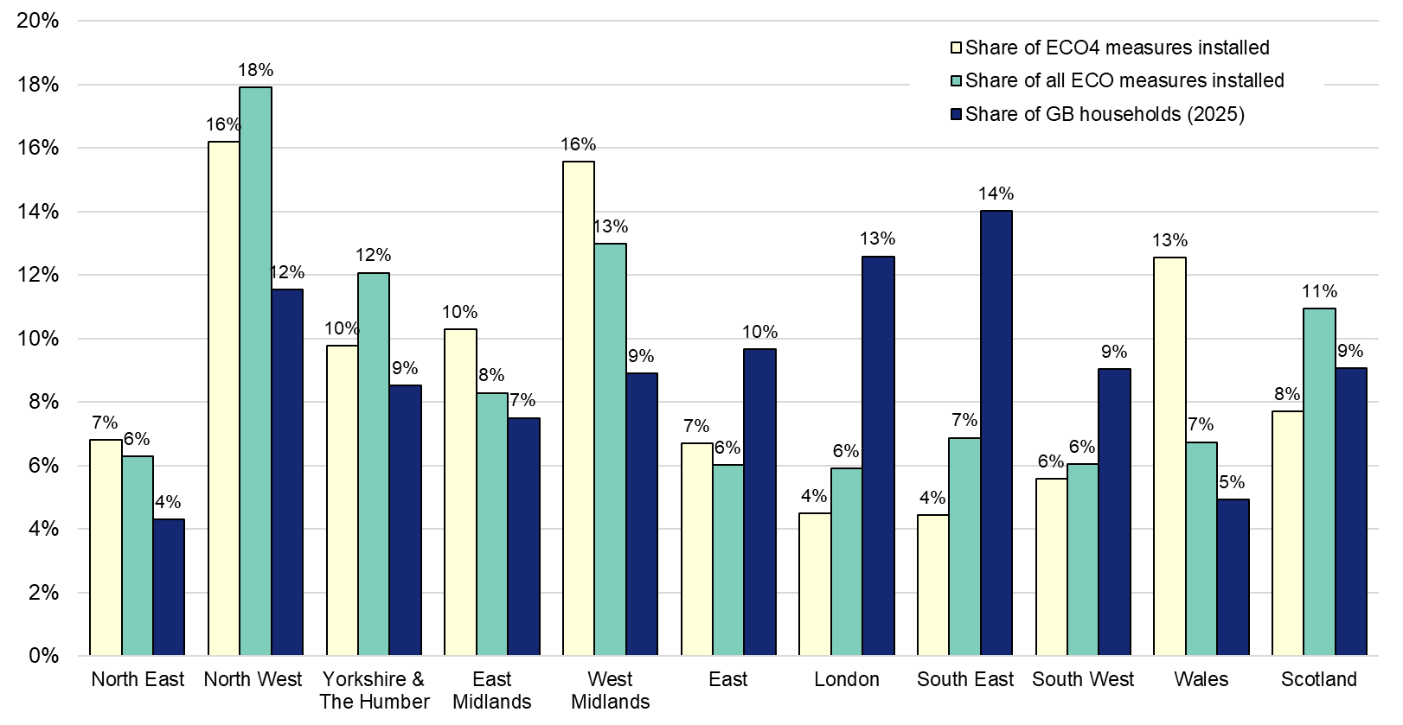
Charts visualising key statistics
This worksheet contains nine charts and one infographic. These charts and infographics visualise some of the key statistics within the release.
This worksheet contains blank rows and columns to aid the presentation of the charts.
Chart 1: ECO measures installed, by month, to end-February 2026
Data from T1.1
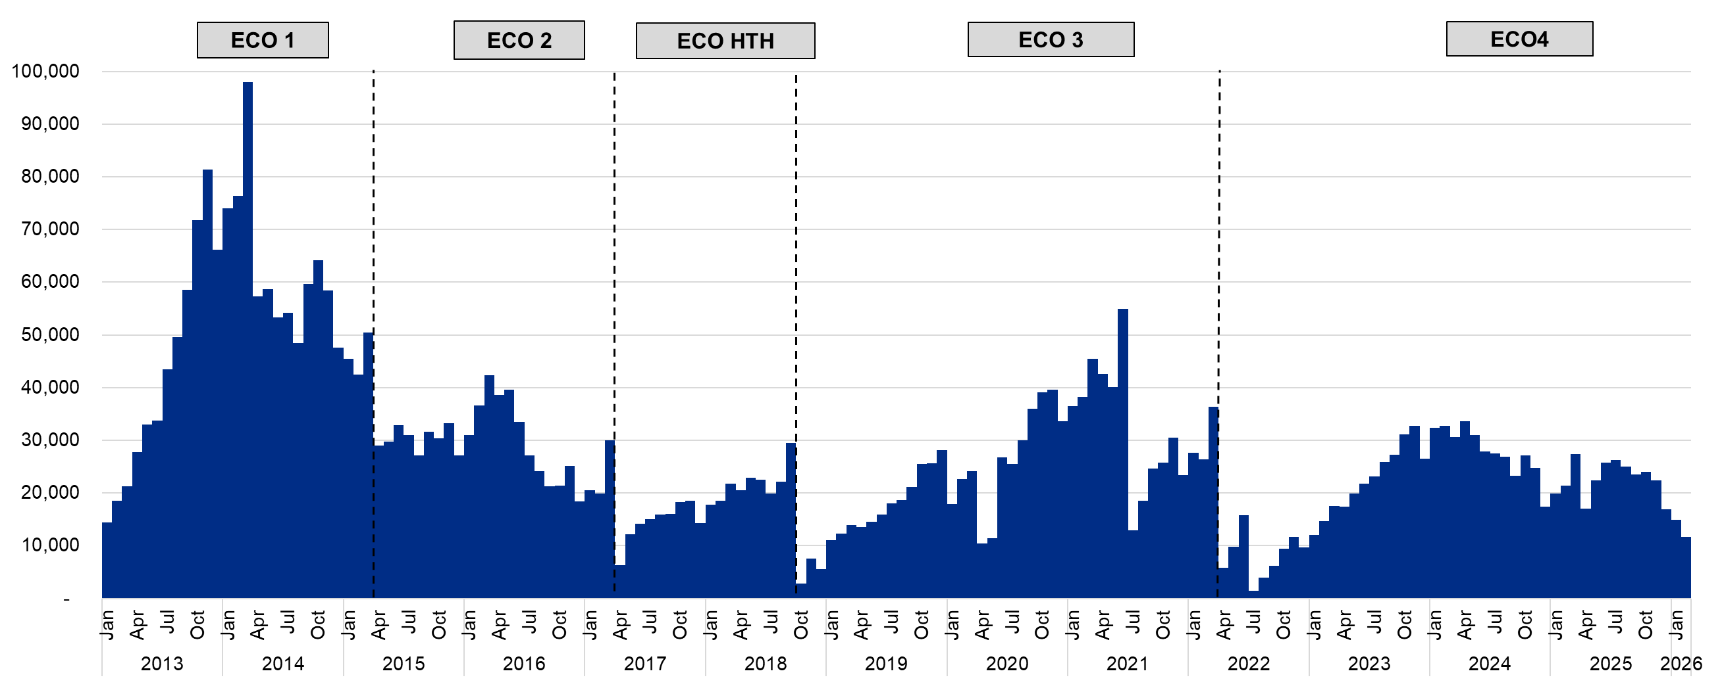

Chart 2: Share of all ECO measures installed, by measure type, by ECO phase, to end-February 2026 | Chart 3: Share of quarterly ECO measures, by measure type, to end-December 2025
Data from T1.6 | Data from T3.1
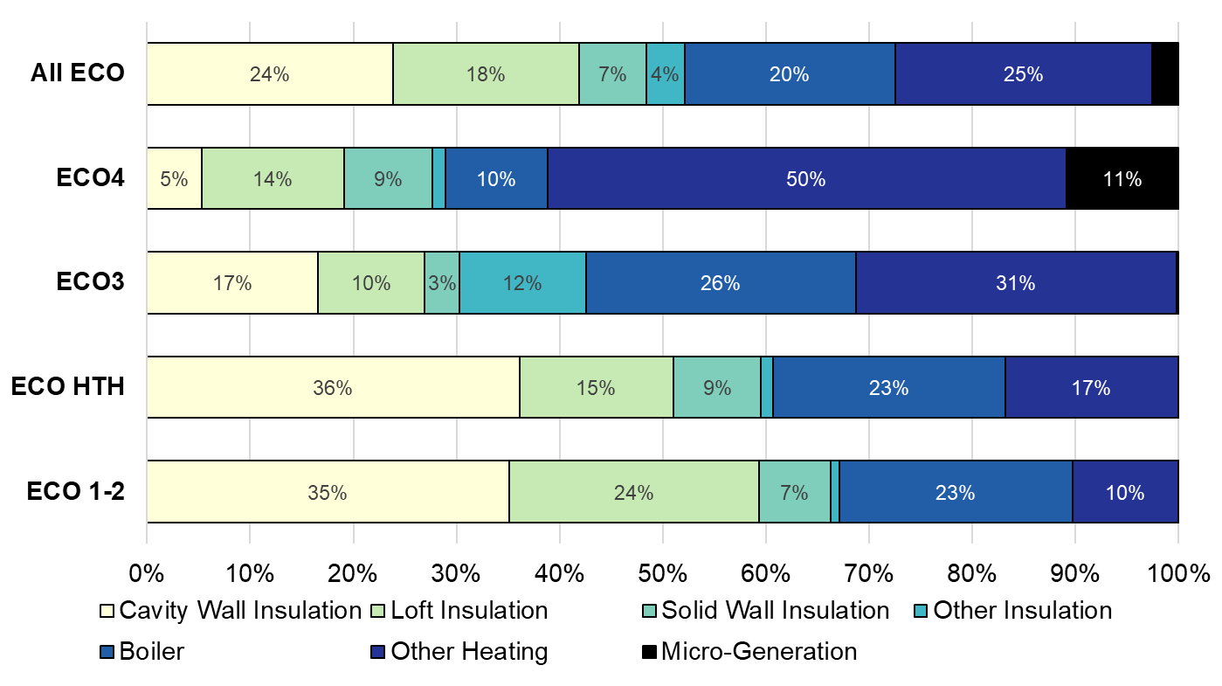
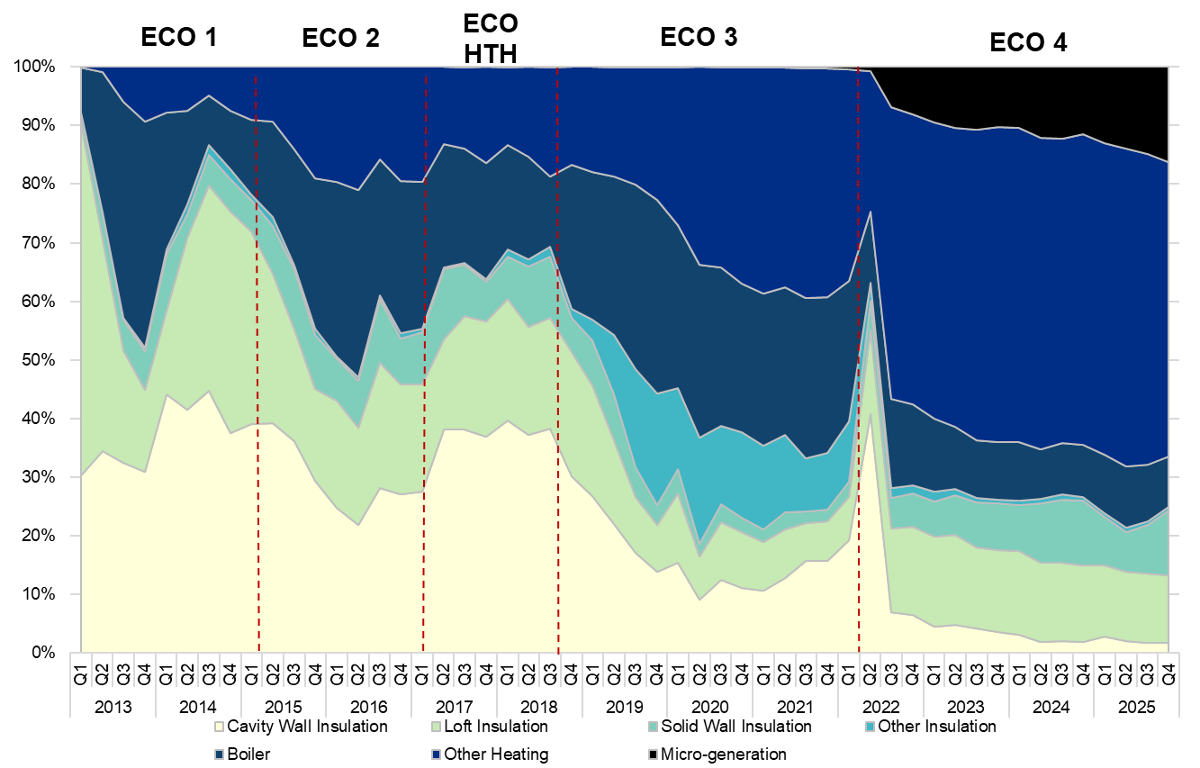

Chart 4: ECO measures by main fuel type of property (where known), by quarter, to end-December 2025 | Chart 5: Number of ECO4 Flexible Eligibility measures by installation month, to end-February 2026
Data from T3.2 | Data from T1.4
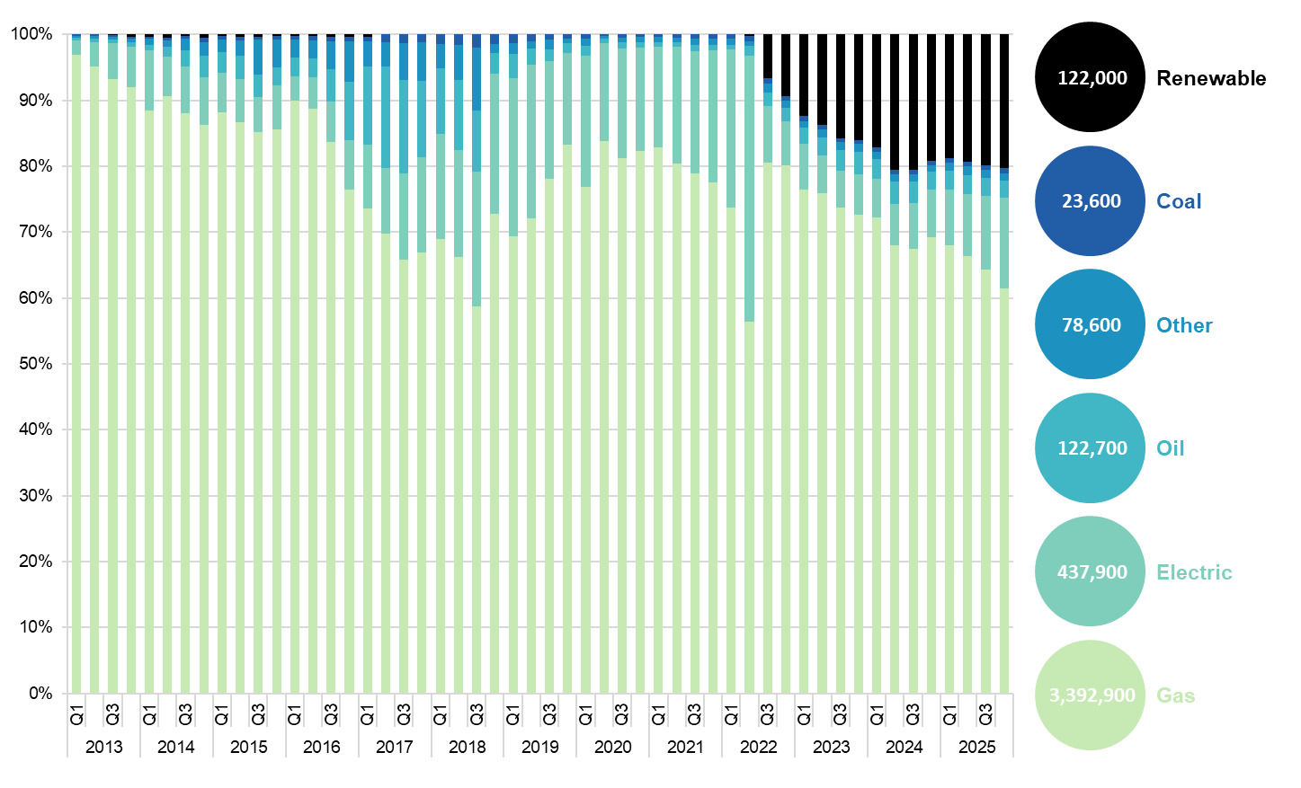
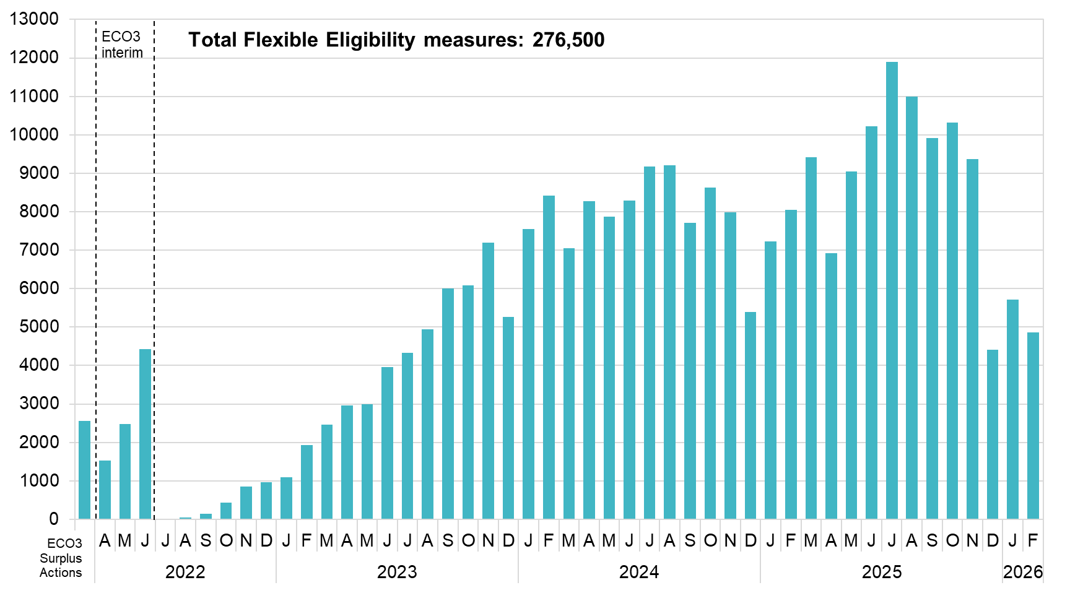

Chart 6: ECO costs, by obligation, by quarter, to end-December 2025 (figures not adjusted for inflation) | Chart 7: Green Deal Plans, by ‘Live’ or ‘Completed’ status, by quarter, to end-December 2025
Data from T5.1 | Data from T6.1
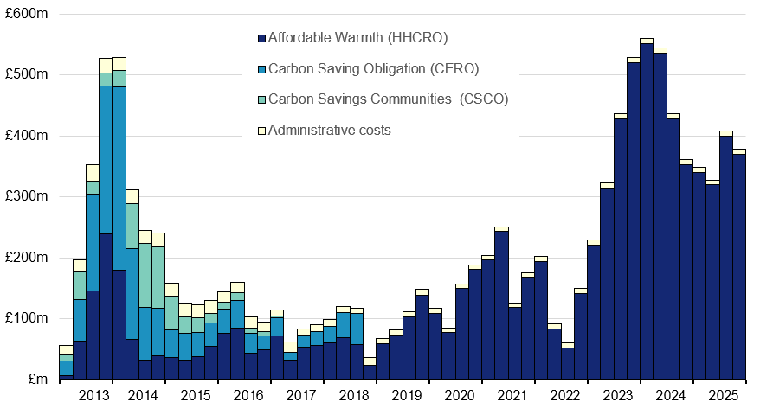
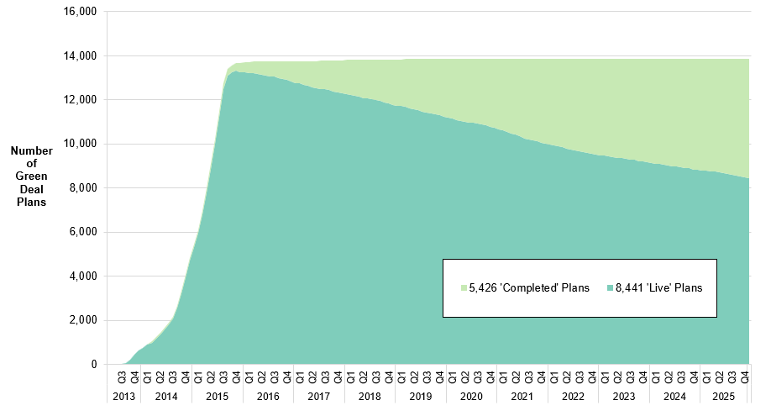

Infographic 1: ECO measures by measure type, to end-February 2026 | Chart 8: ECO measures by nation and region, to end-December 2025
Data from T1.7 | Data from T3.3
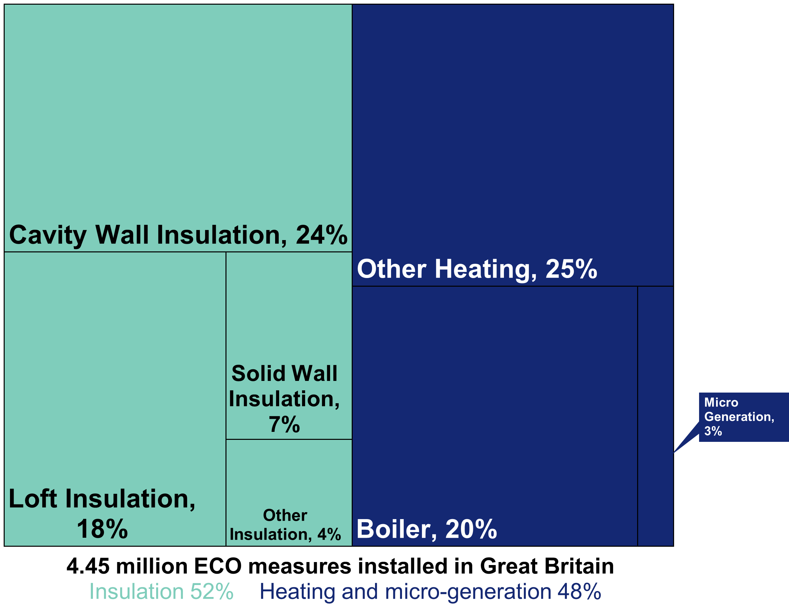
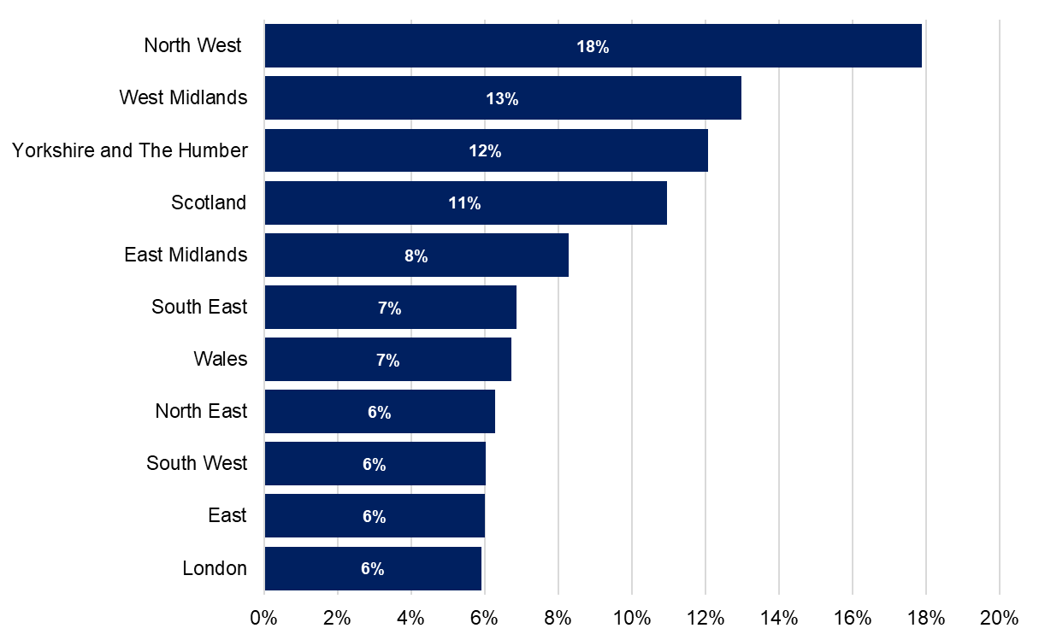

Chart 9: Regional and national share of ECO measures and of GB Households, to end-December 2025
Data from T3.3

Map1
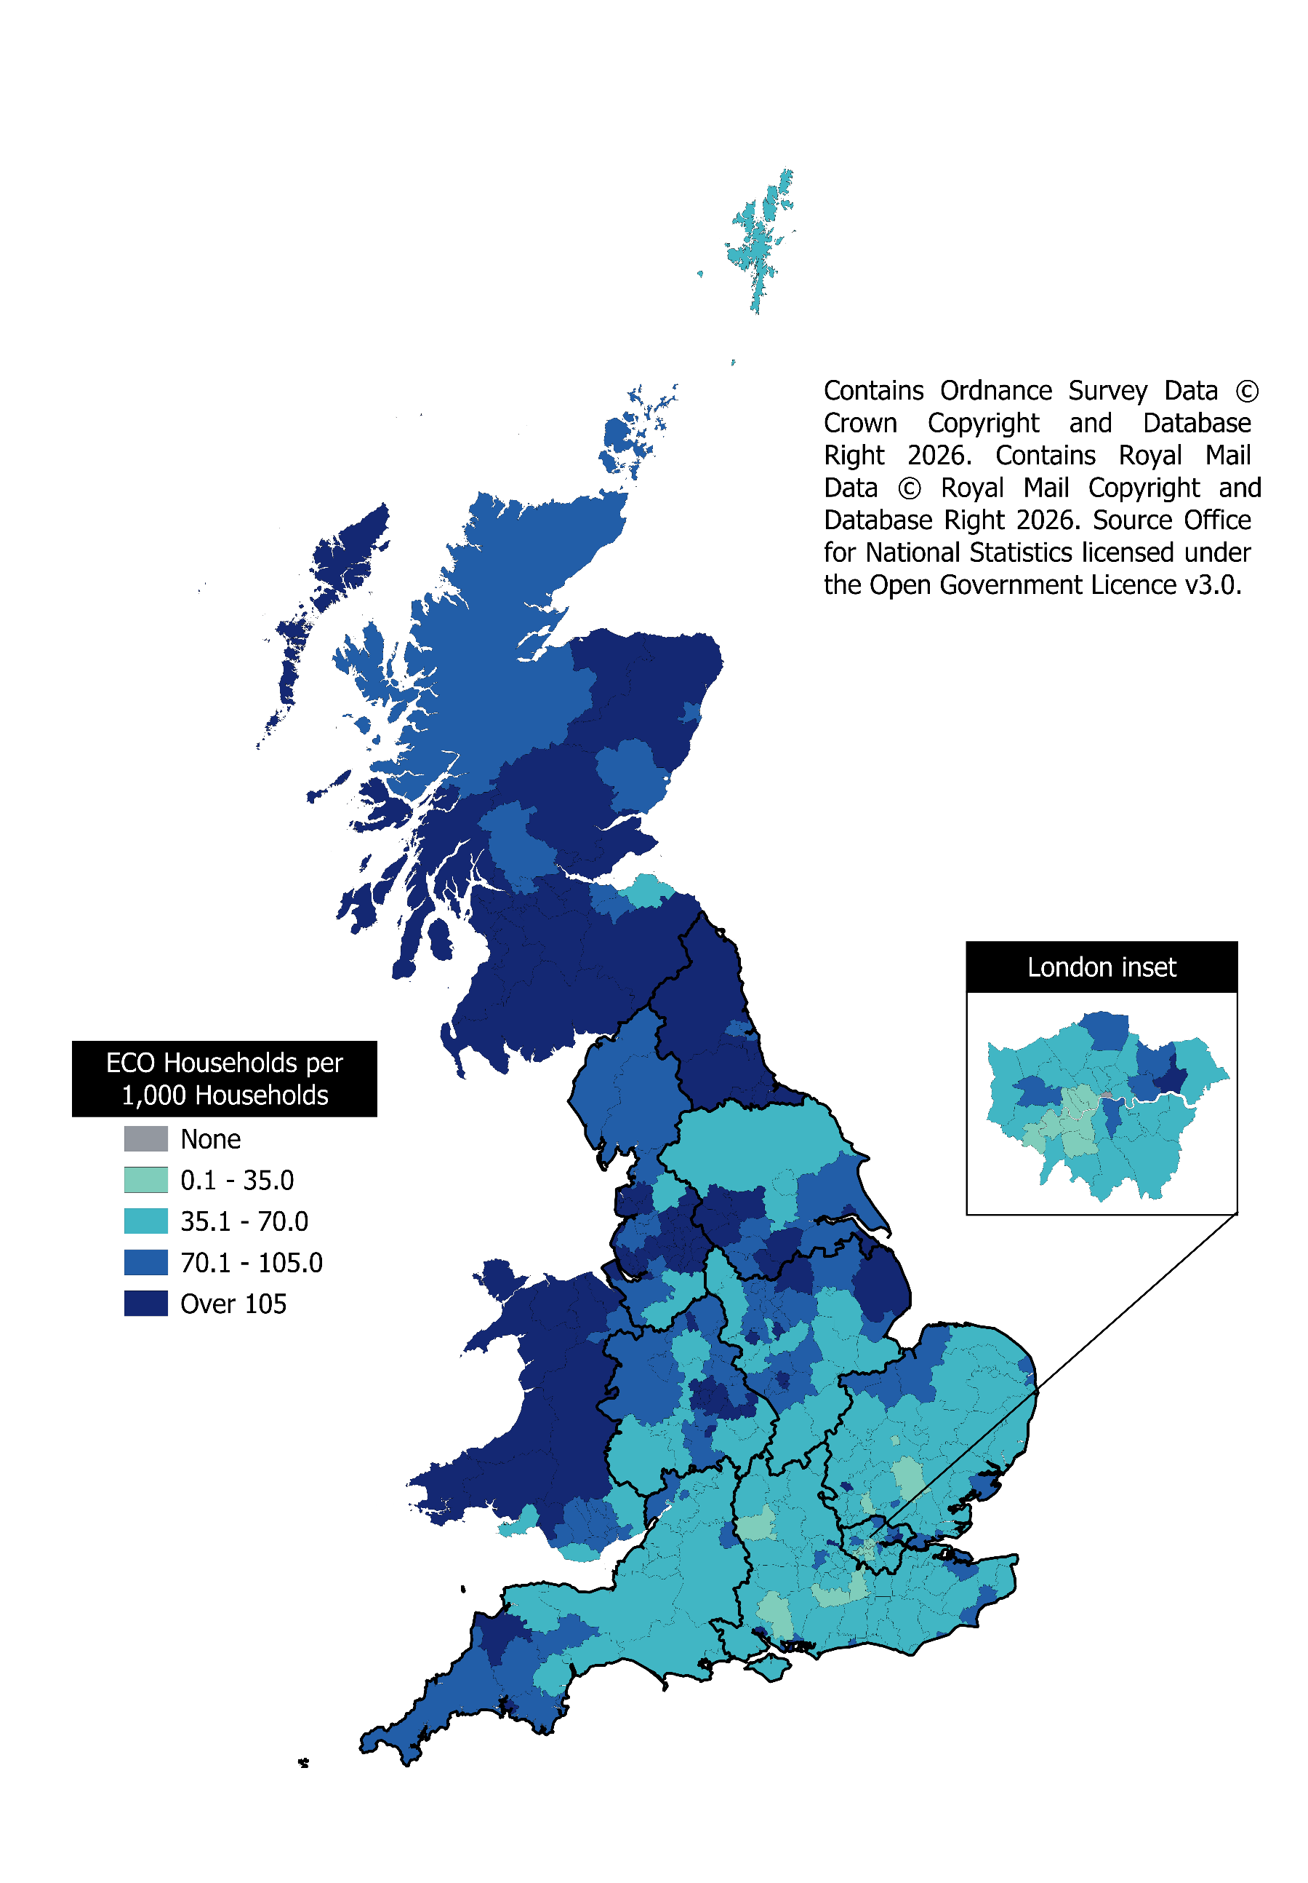
Map 1 – Households in receipt of ECO measures by local authority per 1,000 households, with English Regions shown (January 2013 to end-December 2025)
This worksheet contains one map. This map visualises the rate of households receiving an ECO measure per 1,000 households in a local authority area.
This worksheet contains blank rows and columns to aid the presentation of the charts.

Map2
Map 2 - ECO measures installed through Flexible Eligibility, by local authority, with English Regions shown (April 2017 to end-December 2025)
This worksheet contains one map. This map visualises the rate of households receiving an ECO measure through the Flexible Eligibility obligation per 1,000 households in a local authority area.
This worksheet contains blank rows and columns to aid the presentation of the charts.
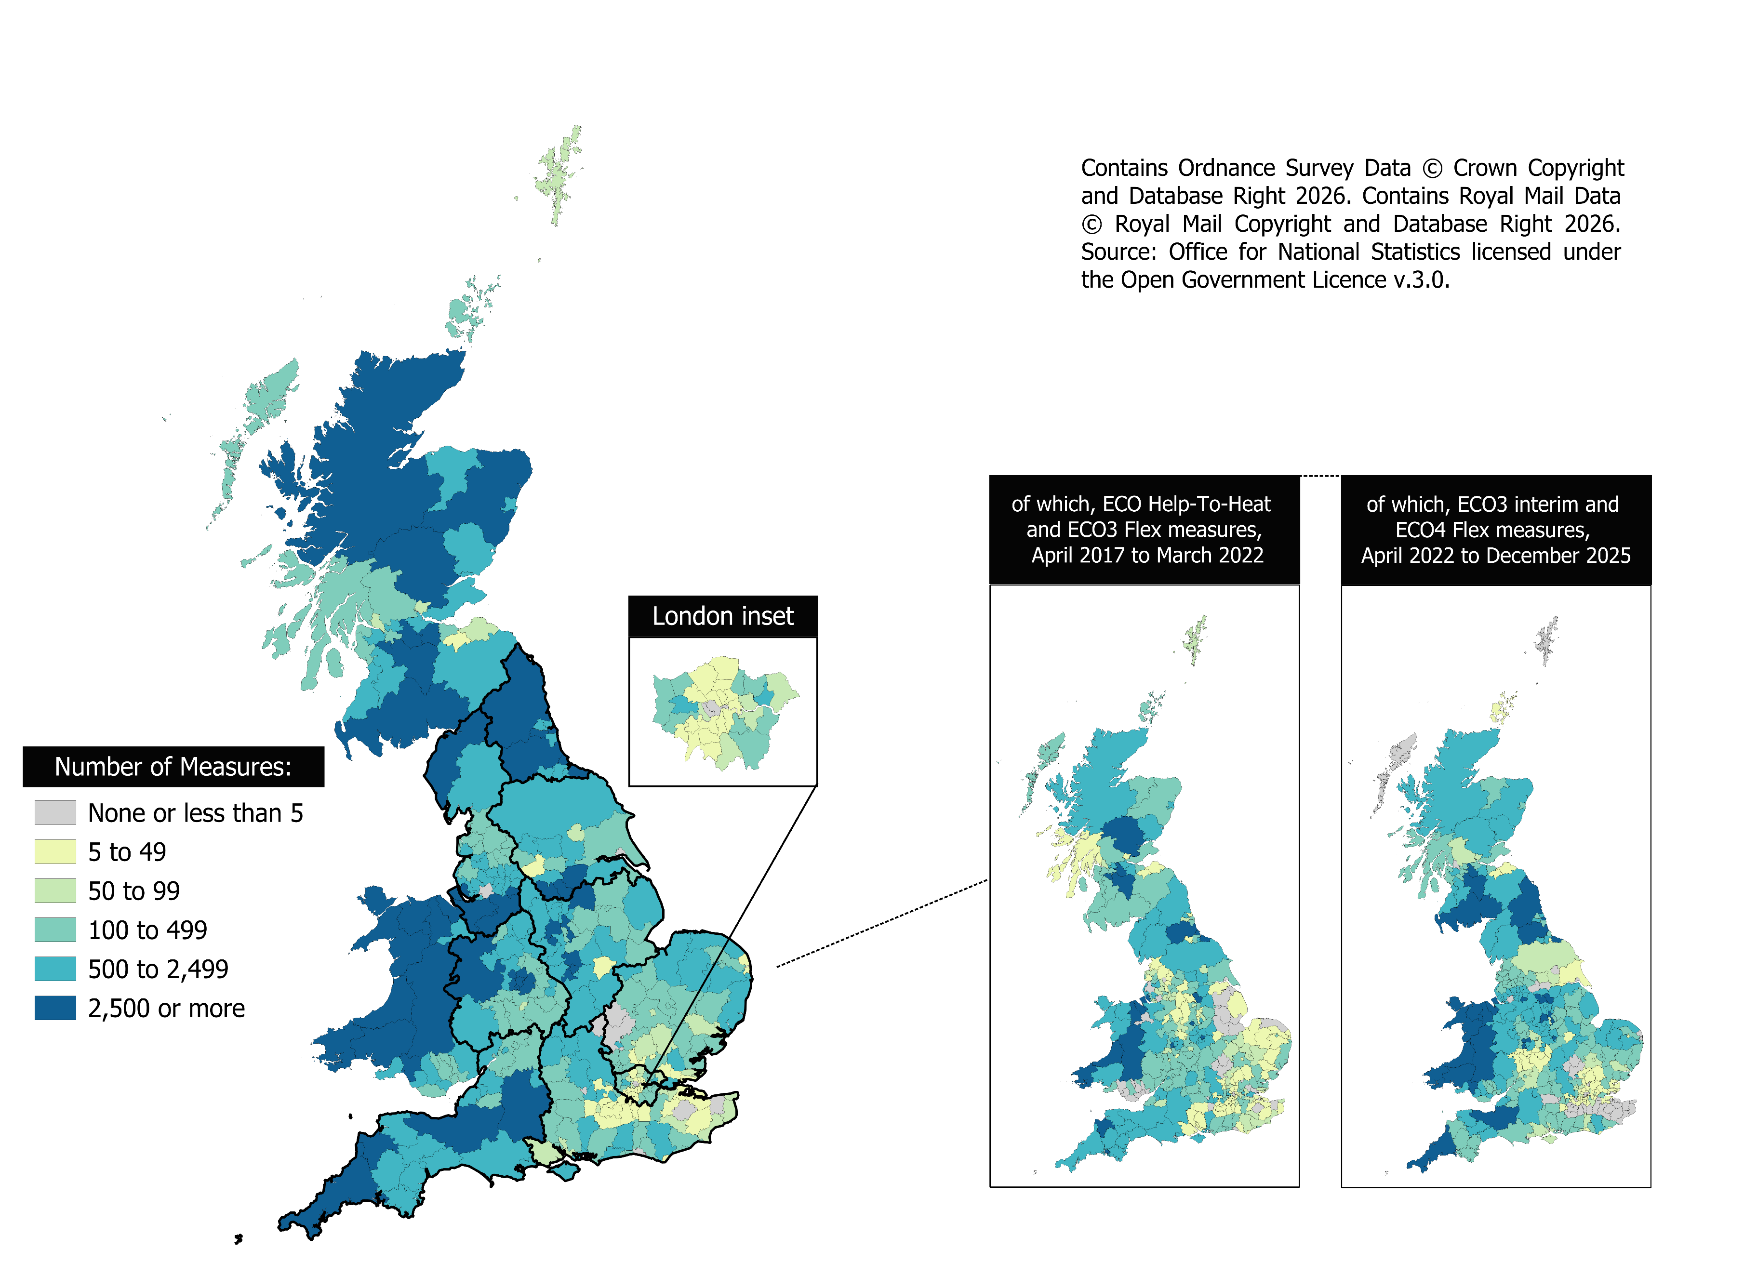

Local authorities are shown only if they have at least five Flexible Eligibility measures. In total, 342 local authorities had at least one Flex measure April 2017 to December 2025.

