gpu_decomp_details
metric_name | analysis_type | metric | numerator_col | denominator_col | hierarchy_name | level | node_dimension | node_value | node_key | parent_key | path | base_numerator | current_numerator | base_denominator | current_denominator | ratio_base | ratio_current | ratio_delta | base_weight_of_root | current_weight_of_root | base_share_within_parent_den | current_share_within_parent_den | mix_abs_root | within_abs_root | total_abs_root | mix_pct_of_root_metric | within_pct_of_root_metric | total_pct_of_root_metric | calc_formula
gross_price_per_unit | ratio | gross_price_per_unit | gross_sales | units | menu_type | 0 | ROOT | ALL | ROOT |  | ROOT | 798693.79 | 907007.91 | 119999 | 131333 | 6.6558370486 | 6.9061691273 | 0.25033207869 | 1 | 1 | 1 | 1 | 0 | 0.25033207869 | 0.25033207869 | 0.00% | 3.76% | 3.76% | total_abs_root = (w1-w0)*ratio_base + w1*(ratio_current-ratio_base)
gross_price_per_unit | ratio | gross_price_per_unit | gross_sales | units | menu_type | 1 | menu_type | core | menu_type=core | ROOT | menu_type=core | 336291.93 | 370288.94 | 52665 | 56415 | 6.3854918827 | 6.563661083 | 0.17816920039 | 0.43887865732 | 0.42955692781 | 0.43887865732 | 0.42955692781 | -0.059523828136 | 0.07653381435 | 0.017009986215 | -0.89% | 1.15% | 0.26% | total_abs_root = (w1-w0)*ratio_base + w1*(ratio_current-ratio_base)
gross_price_per_unit | ratio | gross_price_per_unit | gross_sales | units | menu_type | 1 | menu_type | premium | menu_type=premium | ROOT | menu_type=premium | 270990.74 | 328023.81 | 29447 | 34459 | 9.2026603729 | 9.5192492527 | 0.31658887986 | 0.24539371161 | 0.26237883852 | 0.24539371161 | 0.26237883852 | 0.15630835435 | 0.083066222588 | 0.23937457694 | 2.35% | 1.25% | 3.60% | total_abs_root = (w1-w0)*ratio_base + w1*(ratio_current-ratio_base)
gross_price_per_unit | ratio | gross_price_per_unit | gross_sales | units | menu_type | 1 | menu_type | value | menu_type=value | ROOT | menu_type=value | 191411.12 | 208695.16 | 37887 | 40459 | 5.0521582601 | 5.1581887837 | 0.10603052362 | 0.31572763106 | 0.30806423367 | 0.31572763106 | 0.30806423367 | -0.038716696465 | 0.032664212003 | -0.0060524844613 | -0.58% | 0.49% | -0.09% | total_abs_root = (w1-w0)*ratio_base + w1*(ratio_current-ratio_base)
gross_price_per_unit | ratio | gross_price_per_unit | gross_sales | units | daypart | 0 | ROOT | ALL | ROOT |  | ROOT | 798693.79 | 907007.91 | 119999 | 131333 | 6.6558370486 | 6.9061691273 | 0.25033207869 | 1 | 1 | 1 | 1 | 0 | 0.25033207869 | 0.25033207869 | 0.00% | 3.76% | 3.76% | total_abs_root = (w1-w0)*ratio_base + w1*(ratio_current-ratio_base)
gross_price_per_unit | ratio | gross_price_per_unit | gross_sales | units | daypart | 1 | daypart | breakfast | daypart=breakfast | ROOT | daypart=breakfast | 167360.55 | 188272.83 | 27683 | 30029 | 6.0456074125 | 6.2697002897 | 0.22409287723 | 0.23069358911 | 0.22864778845 | 0.23069358911 | 0.22864778845 | -0.012368107677 | 0.051238340785 | 0.038870233107 | -0.19% | 0.77% | 0.58% | total_abs_root = (w1-w0)*ratio_base + w1*(ratio_current-ratio_base)
gross_price_per_unit | ratio | gross_price_per_unit | gross_sales | units | daypart | 1 | daypart | dinner | daypart=dinner | ROOT | daypart=dinner | 299438.44 | 339796.44 | 41961 | 46057 | 7.1361130574 | 7.3777371518 | 0.24162409443 | 0.34967791398 | 0.35068870733 | 0.34967791398 | 0.35068870733 | 0.007213135617 | 0.084734841335 | 0.091947976952 | 0.11% | 1.27% | 1.38% | total_abs_root = (w1-w0)*ratio_base + w1*(ratio_current-ratio_base)
gross_price_per_unit | ratio | gross_price_per_unit | gross_sales | units | daypart | 1 | daypart | late_night | daypart=late_night | ROOT | daypart=late_night | 105651.94 | 116188.54 | 15550 | 16286 | 6.7943369775 | 7.1342588727 | 0.33992189516 | 0.1295844132 | 0.12400539088 | 0.1295844132 | 0.12400539088 | -0.037905757693 | 0.042152147477 | 0.0042463897834 | -0.57% | 0.63% | 0.06% | total_abs_root = (w1-w0)*ratio_base + w1*(ratio_current-ratio_base)
gross_price_per_unit | ratio | gross_price_per_unit | gross_sales | units | daypart | 1 | daypart | lunch | daypart=lunch | ROOT | daypart=lunch | 226242.86 | 262750.1 | 34805 | 38961 | 6.5002976584 | 6.7439259773 | 0.24362831888 | 0.2900440837 | 0.29665811335 | 0.2900440837 | 0.29665811335 | 0.042993161412 | 0.072274317436 | 0.11526747885 | 0.65% | 1.09% | 1.73% | total_abs_root = (w1-w0)*ratio_base + w1*(ratio_current-ratio_base)

 |  |  |  |  |  |  |  |  |  |  |  |  |  |  |  |  |  |  | 0.43887865732 | 0.42955692781 |  |  | -0.059523828136 | 0.07653381435 | 0.017009986215 | -0.89% | 1.15% | 0.26%
 |  |  |  |  |  |  |  |  |  |  |  |  |  |  |  |  |  |  | weights are based on units
 |  |  |  |  |  |  |  |  |  |  |  |  |  |  |  |  |  |  | w0 = base weight, w1 = current weights

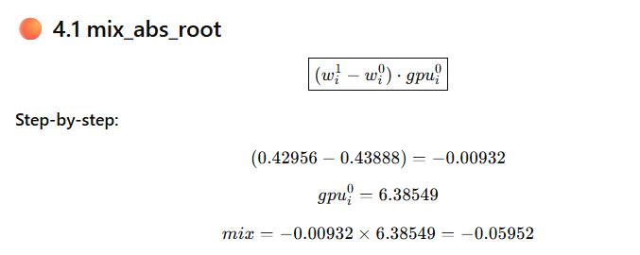
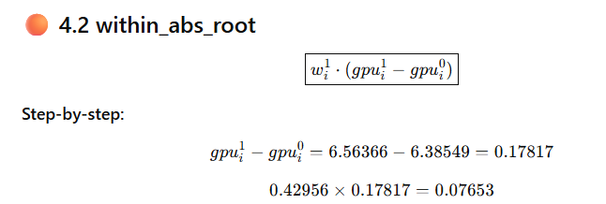

 |  |  |  |  |  |  |  |  |  |  |  |  |  |  |  |  |  |  |  |  |  |  |  |  |  |  | Core price increased → positive effect
 |  |  |  |  |  |  |  |  |  |  |  |  |  |  |  |  |  |  |  |  |  |  | Core share decreased → reduces overall GPU
 |  |  |  |  |  |  |  |  |  |  |  |  |  |  |  |  |  |  |  |  |  |  | → negative mix effect
 |  |  |  |  |  |  |  |  |  |  |  |  |  |  |  |  |  |  |  |  |  |  |  |  |  | For Core menu:

 |  |  |  |  |  |  |  |  |  |  |  |  |  |  |  |  |  |  |  |  |  |  |  |  |  | Mix effect

 |  |  |  |  |  |  |  |  |  |  |  |  |  |  |  |  |  |  |  |  |  |  |  |  |  | share ↓ → -0.89 pp impact

 |  |  |  |  |  |  |  |  |  |  |  |  |  |  |  |  |  |  |  |  |  |  |  |  |  | Within effect

 |  |  |  |  |  |  |  |  |  |  |  |  |  |  |  |  |  |  |  |  |  |  |  |  |  | price ↑ → +1.15 pp impact

 |  |  |  |  |  |  |  |  |  |  |  |  |  |  |  |  |  |  |  |  |  |  |  |  |  | Net effect

 |  |  |  |  |  |  |  |  |  |  |  |  |  |  |  |  |  |  |  |  |  |  |  |  |  | +0.26 pp contribution to GPU

