Foglio1
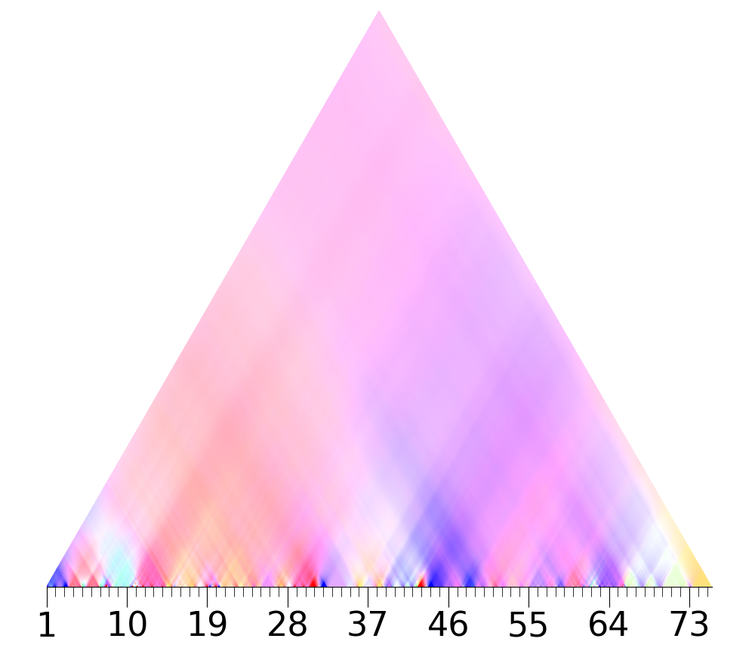
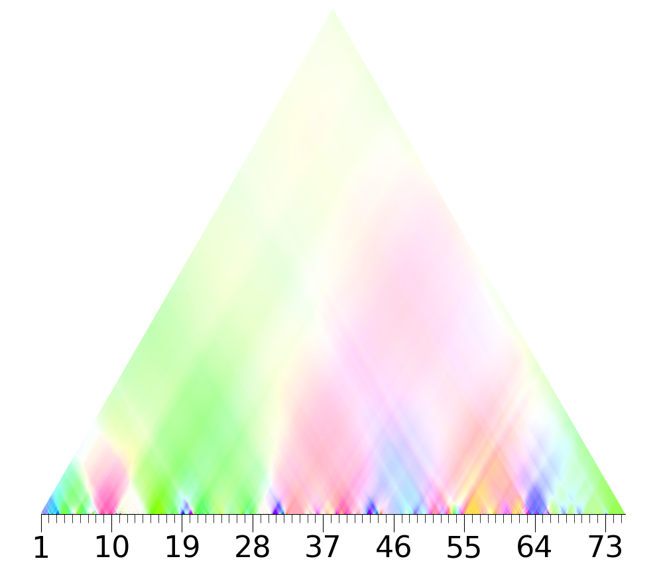
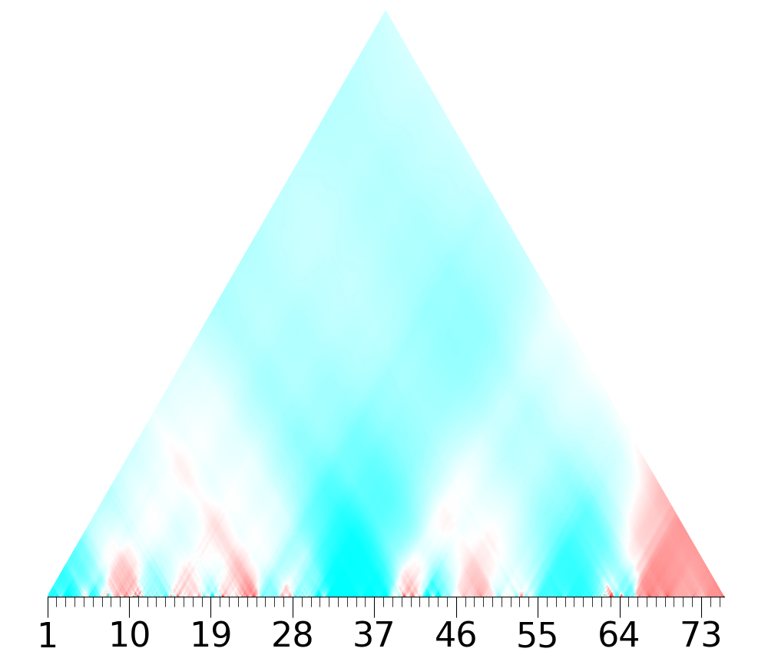
Symmetrical Arch form structure

A | Scherzando | 1 | 2 | 3 | 4 | 5 | 6 | 7 | 8 | 9 | 10 | 11 | 12 | 13
 | Au Mouvt | Intro |  |  |  |  |  |  |  |  |  | Octatonic 0 motif O
 |  | A extended dominant |  | A pedal |  |  |  |  | Bb dominant 7th-> oct 2 |  |  | A pedal (dominant of D)
 |  | octatonic and whole tone overlapping |  |  | oct 0 - oct1 fragments alternation
 |  | 4th c. C#7 dim reinforced by C# pedal |  |  | 4th c. pattern |  |  |  |  |  |  | 4th coeff more vivid purple
 |  | Octatonic 0 cell G A Bb foreshadows next sections |  |  |  |  |  |  | 4th c. change in phase
 |  | The "odd" note F belongs to the whole tone sc 1 (6th c.) |  |  |  |  |  |  | whole tone sc.0 (red 6th)
 |  | alternation F/F#, Bb/B
 |  | augumented triad on F? 7maj?
 |  | violet section coeff3?
 |  | Tritone C#-G | B -> Bb whole tone 1
B | Rubato, | 14 | 15 | 16 | 17 | 18 | 19 | 20 | 21 | 22 | 23 | 24 | 25 | 26 | 27 | 28 | 29 | 30 | 31
 | Au Mouvt |  |  | A lyrical theme |  |  |  | D lydian ostinato |  |  |  |  |  | same theme of mm 16-17 |  | Octa motif O |  | Chromatic/Tritone B theme
 |  |  |  | D lydian derived from half step expantion |  | oct 0 |  | lyrical theme in middle stave |  | dominant 7th chords |  |  |  |  |  |  |  | Eb
 |  | D-A bass | A-E fifths | of the whole tone scale 0 |  | whole tone 1 |  | whole tone sc 0 |  | over descending bass? |  |  |  | return of whole tone 0 |  |  |  | Tritone Db-G
 |  |  |  | 5th larger green section |  |  | dicotomy white-black keys: Eb-Bb -> E-B |  |  |  |  |  |  |  |  |  |  | (in common between oct 0 and 1)
 |  |  |  |  |  |  |  |  |  |  |  |  |  |  |  | 4th same purple triangle of mm 11
 |  |  |  |  |  |  |  |  |  |  |  |  |  |  |  | patterns similar to 11 in all coeff.
 |  |  |  |  |  |  |  |  |  |  |  |  |  |  |  | 2nd. Vivid |  | 2nd vivid cyan and purple
 |  |  |  |  |  |  |  |  |  |  |  |  |  |  |  |  |  | Vivid pattern in the 1th
 |  |  |  |  |  |  |  |  |  |  |  |  |  |  |  |  |  | recognizable pattern in the 5th and 4th
C | Mouvt, | 32 | 33 | 34 | 35 | 36 | 37 | 38 | 39 | 40 | 41 | 42 | 43
 | Le double plus lent | Lh Ostinato |  | B theme |  | similar to 34-35 |  | A theme (center of the arch) |  |  |  | B chromatic theme
 |  | Eb augumented triad(derived from 19-20) |  | theme transposed in B |  |  |  | Eb lydian: chromatic transformation of the whole tone elements of the D lydian(m 26) |  |  |  | Eb
 |  | Whole tone scale |  |  |  |  |  | The half step contrast D-Eb is not casual: it reflects the polarization of white-black
 |  |  |  |  |  |  |  | keys(whole tone 0-1 spheres respectively)
 |  |  |  |  |  |  |  | This musical opposite reflect the contrast between real/unreal, natural/supernatural |  |  |  | Pattern clearly recognizable as in 30-31
 |  |  |  |  |  |  |  | inherent in the mythical figure “Ondine”
 |  | Vivid sections in the 6th and in the 3rd |  | due to the presence of other longer notes(aug chord), the B theme is not |  |  |  | whole tone 1
 |  |  |  | as recognizable as in 30-31, however it is slightly discernible as a pattern |  |  |  | shades in 4th c
 |  |  |  | in the magnitudes of the 4th, 2nd and 1st |  |  |  | A-Eb tritone, 2nd c., augumented triads 3rd
B' | Rubato | 44 | 45 | 46 | 47 | 48 | 49 | 50 | 51 | 52 | 53 | 54 | 55 | 56 | 57 | 58 | 59 | 60 | 61
 | Mouvt | Triplets section |  | B chromatic theme |  |  | minor thirds |  |  |  |  | G ostinato |  | B theme
 |  | F#-C#-G left, tritone |  | D#(Eb)-F# |  |  | shift towards oct 0 and whole tone 1, with alternating whole tone scales |  |  |  |  | chromatic line |  | Eb bass |  |  | chromatic line rises to G# completing all 12 chromatic tones
 |  | D#-A#-E triplets, tritone |  |  |  |  |  |  |  |  |  | whole tone sc1ale on strong beat
 |  | C# dim triad ( vivid 4th c.) |  | 1st more vivid
 |  | octatonic 0 |  |  |  |  |  |  |  |  |  | vivid 6th coefficient
 |  |  |  |  |  |  | 1st coeff pattern |  |  |  |  | vivid 1st coefficient

A' | Mouvt | 62 | 63 | 64 | 65 | 66 | 67 | 68 | 69 | 70 | 71 | 72 | 73 | 74
 |  | Octa motif O |  |  | Coda
 |  |  |  |  | D maj triad | F# maj triad(derived from a fusion of the two whole tone sc previously alternating, G#->A#) |  |  |  |  |  | D maj triad
 |  | 4th more vivid triangle |  |  | D pedal | fusion of D triad and F# triad D F# A# augumented

 |  |  |  |  | contrasting A-A# , bitonality |  |  |  |  |  |  | 5th more vivid
 |  |  |  |  |  | 3rd c.vivid, no
 |  |  |  |  |  | 6th whole tone 0

 |  |  | 1 |  |  |  |  |  | 2 |  |  |  |  | 3

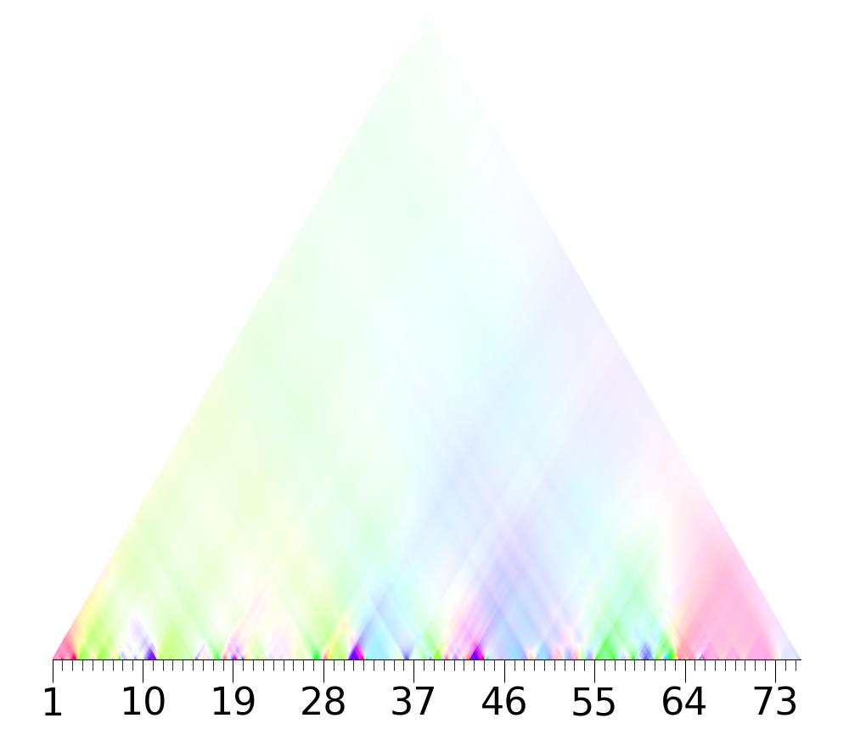
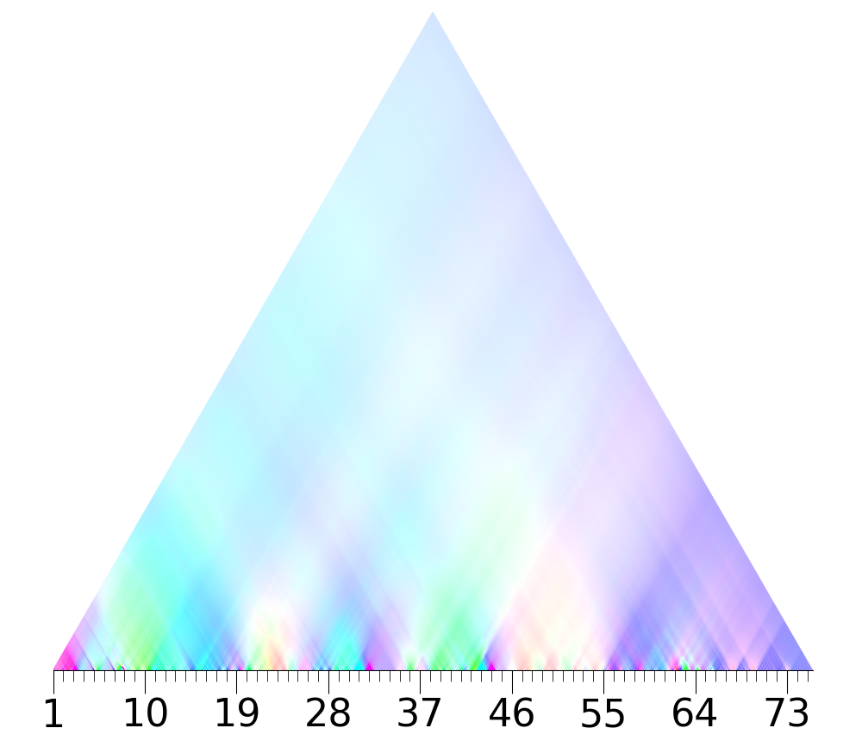
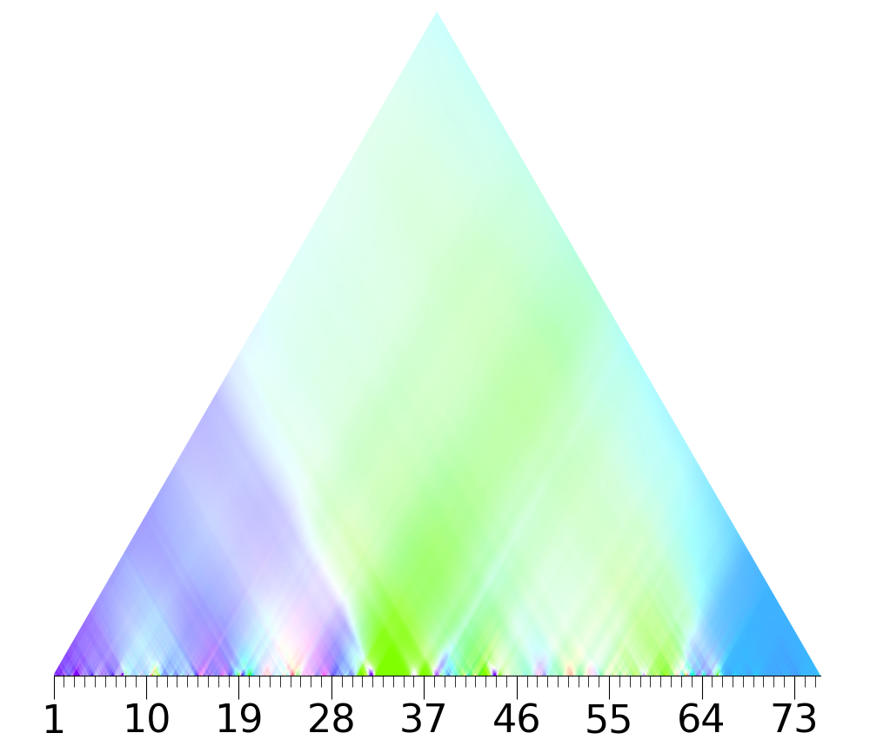

 |  | 4 |  |  |  |  |  | 5 |  |  |  |  |  | 6

