Foglio1
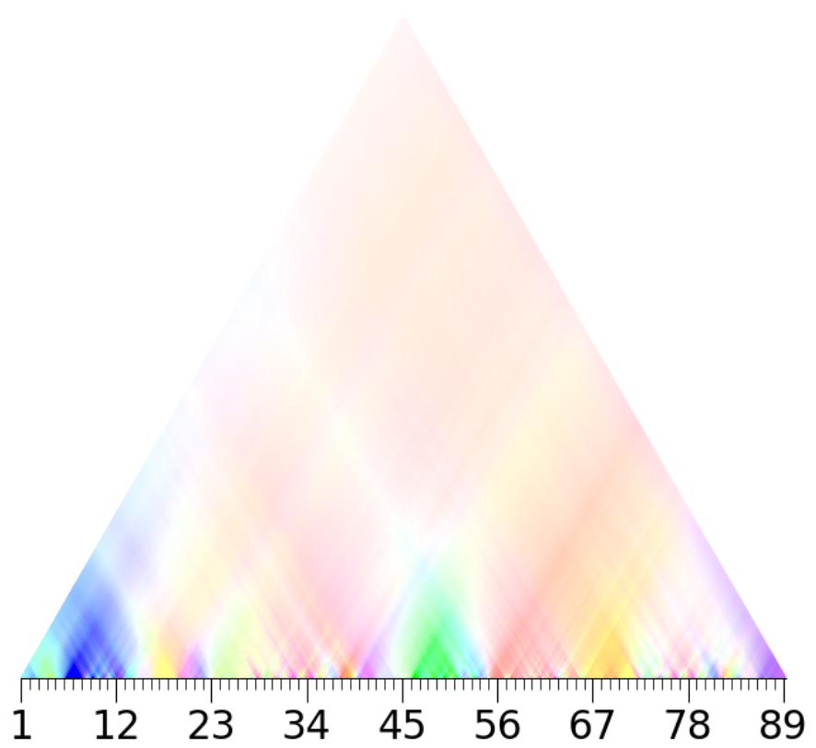
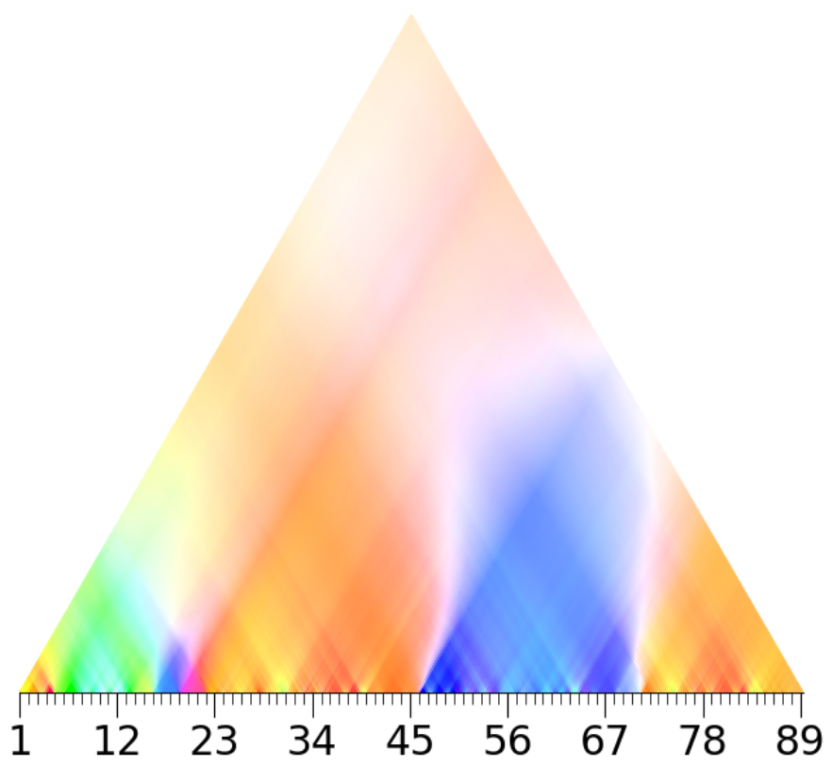
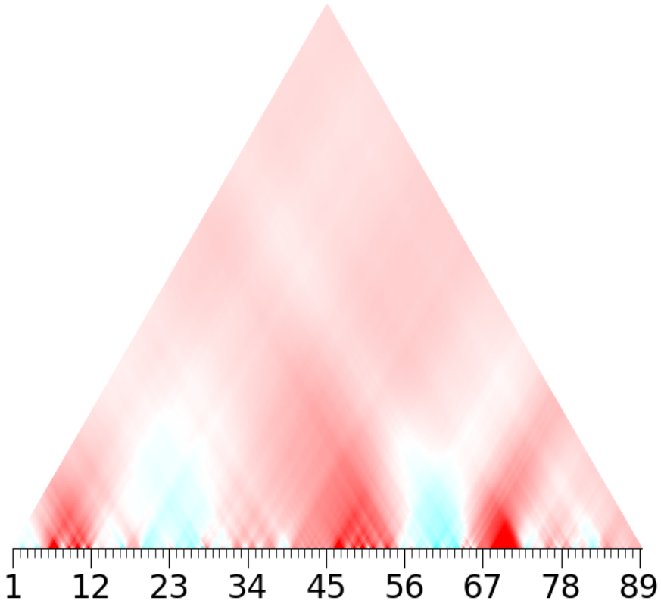
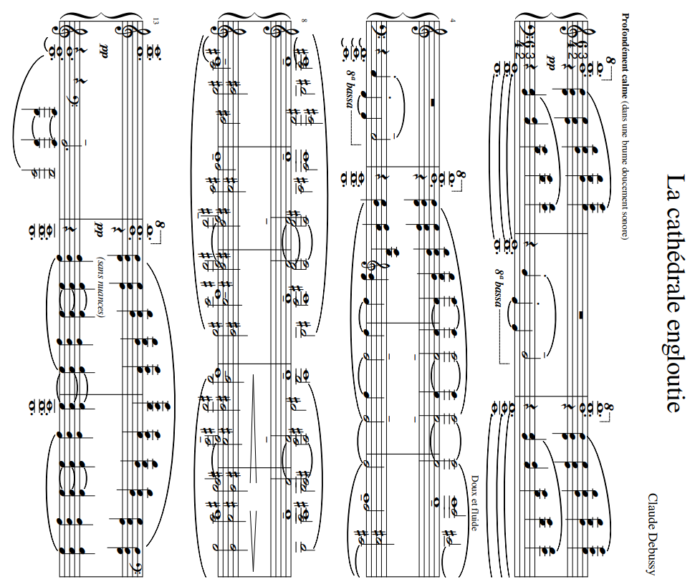
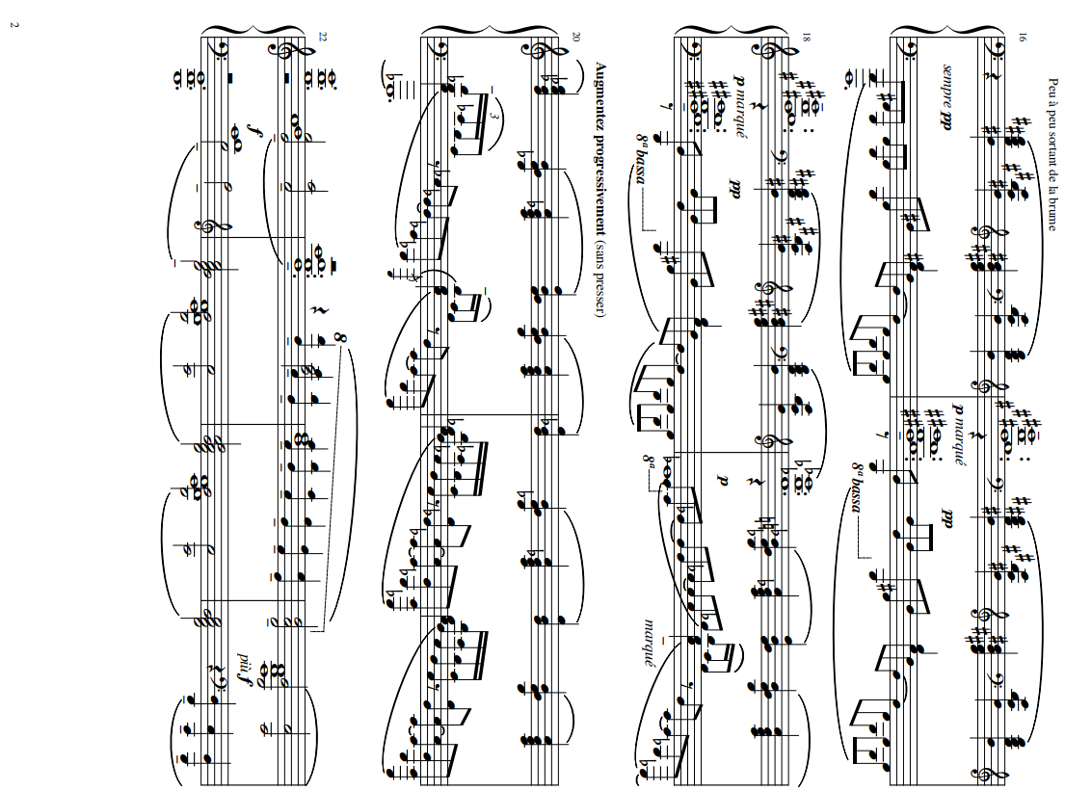
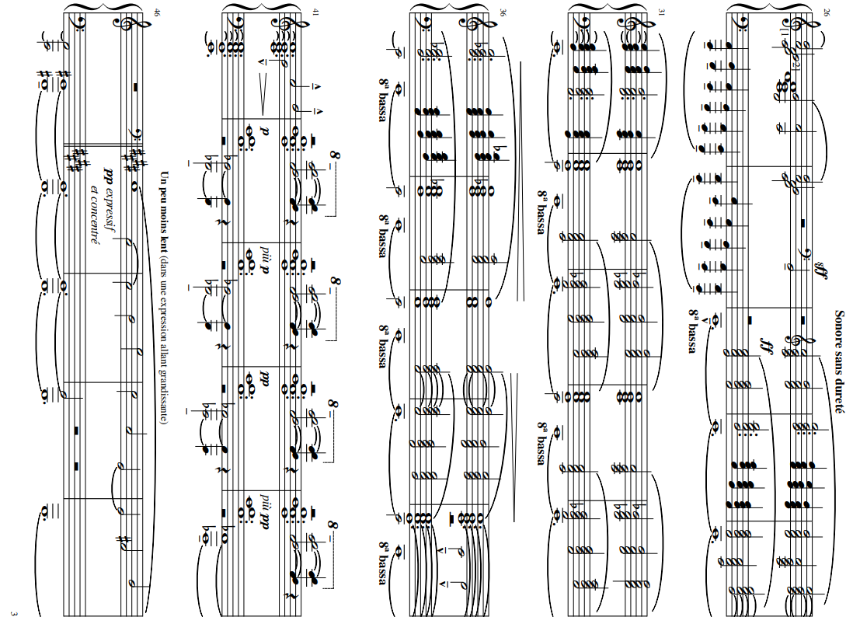
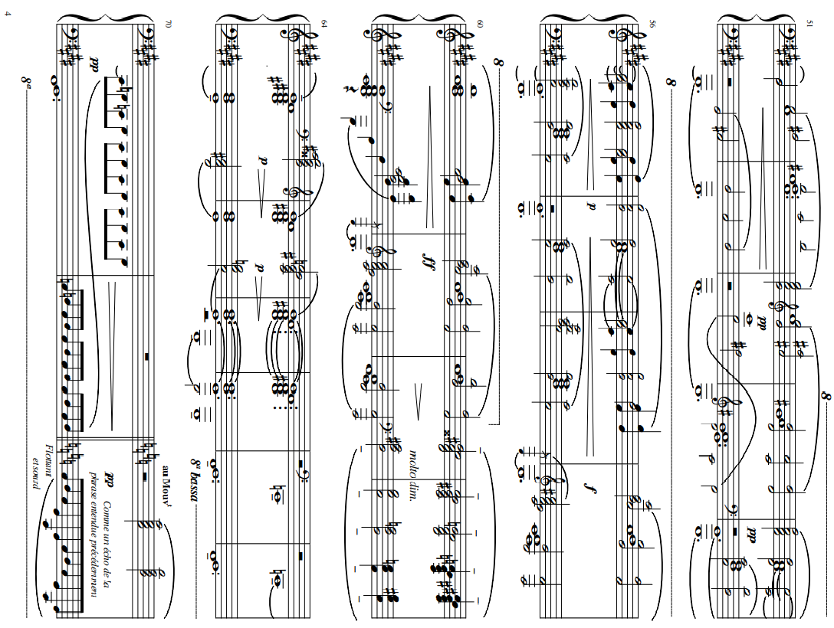
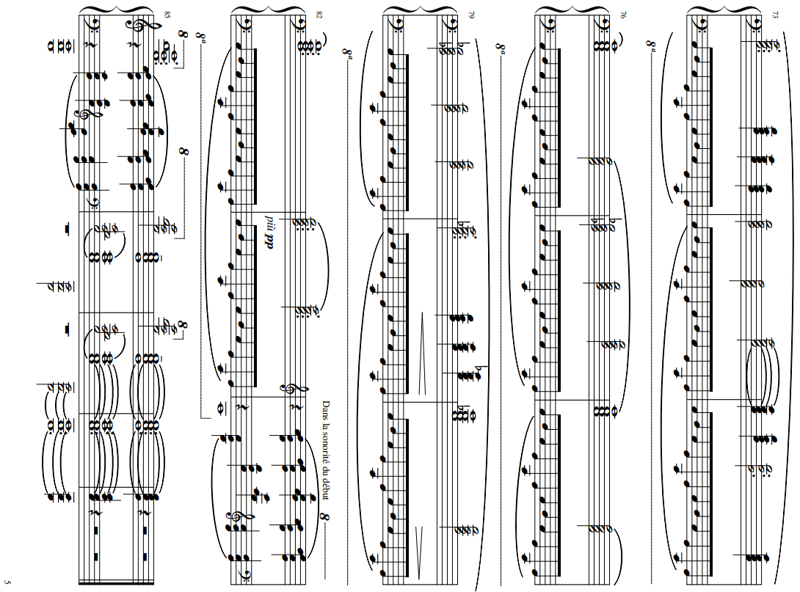
Debussy's La cathédrale engloutie contains instances of one of the most significant techniques found in the music of the Impressionist period called parallelism. There are two methods of parallelism in music; exact and inexact. Inexact parallelism allows the quality of the harmonic intervals to vary throughout the line, even if the interval sizes are identical, while exact parallelism the sizes and qualities remain the same as the line progresses. Inexact parallelism can give a sense of tonality, while exact parallelism can dispel the sense of tonality as pitch content cannot be analyzed diatonically in a single key.[0]
Debussy uses the technique of parallelism in his prelude to dilute the sense of direction motion found in prior traditional progressions. Through application, tonal ambiguity is created that is often seen in Impressionist music. It can be noted that it took some time for Impressionist music to be appreciated, but the critics and the listening public eventually warmed up to this experiment in harmonic freedom.[1]
Tonality is predominantly harmonic Numerous sections have their own tonics which are frequently combined with their dominants and sustained .as pedal points. Movement from the tonic to the dominant suggests harmonic tonality even if the writing is not traditionally harmonic. The frequent use of modes, parallel chords and organum, prevent the writing of traditional harmonic progressions and cadences. Finally, throughout the piece, Debussy greatly utilizes pentatonic collections of notes.[2]
With respect to this characteristics, we observe that:
-as one could expect, planing occurs sometimes in the plots as a pattern of opaque sections of different colors in the lowest level. However, considering the frequent use of the technique this pattern occurs in the plot in too few cases.
-we did not found a clear distinction between pentatonic and diatonic in the coefficients. In some cases the magnitude of the 5th indicates a difference, but in many other cases diatonic and pentatonic structures have a similar magnitude.
-This piece is considered as interpretable in an overall tonal context. Looking at the generall structure, even if the 5th coefficient clearly highlights the main sections of the piece, it may be interesting to observe that also other coefficients reach a quite opaque intensity in higher levels(see 2nd or also 3rd) why?
[0] Connie Mayfield, Theory Essentials (Cengage Learning 2012), 483
[1] McGraw-Hill Companies, Inc. Claude Debussy, (1998): Accessed March 17, 2015. www.mhhe.com/socscience/music/kamien/student/olc/29.html
[2] J.Carol Stern, Tonality in the first book of Debussy's preludes, Master thesis, University of Natal 1978
A | 5th coefficient
Profondément calme |  | 1 | 2 | 3 | 4 | 5 | 6 | 7 | 8 | 9 | 10 | 11 | 12 | 13 | 14 | 15
Dans une brume doucement sonore |  | Gmaj pentatonic |  | G penta over F->F lyidian |  | G penta over E->Emin pentatonic |  | C# min |  |  |  |  |  |  | G penta over C->extended Cmaj
 |  | open chords | G-C open chord |  | C-F open chord |  | E bell tone section |  |  |  |  |  |  | E-B open chord

 |  |  |  |  |  |  | 3rd and 6th. C. vivid red pattern: ??? |  |  |  | 3rd c. end of red pattern
 |  |  |  |  |  |  | All coefficients are opaque in this passage

 |  | 5th c. Pattern mm. 1-2, 3-4, 5-6 : Same motif made of parallel fifths, with bass(->color) stepping down. |  |  |  |  |  | 5th c. E bell tone determines green, C# blue, but white faded areas appear |  |  |  |  |  |  | 5th. faded yellow
 |  | Despite being pentatonic, this section is not particularly vivid
 |  | The presence of different bass below G pentatonic chords may be the cause of the attenuation |  |  |  |  |  | 4th C. : diminished chords pattern found in single chords: C# and O1
 |  | in the magnitudes of the pentatonic triangles. This is something to consider in general, |  |  |  |  |  | 2nd c. T4
 |  | because Debussy is also known for his use of different structures at the same time(ex. polytonality)
 |  | 5th c. more vivid at 2,4 (single open fifths)

 | 5th coefficient
Peu a peu sortant de la brume, |  | 16 | 17 | 18 | 19 | 20 | 21 | 22 | 23 | 24 | 25 | 26 | 27
Agumentez progressivement |  | B maj penta G-B major third modulation |  |  | Eb maj (almost penta) B-Eb = major third modulation |  |  | G-D open fifths | G mixolydian (building of the climax)
 |  |  |  |  |  |  |  | Eb-G major third modulation

 |  |  |  |  |  |  |  |  | chords from F pentatonic
 |  | 3rd c.: keys from m.16 are related by major third(G->B->Eb->G) so we expected a resonance at higher level
 |  | green pattern but we do not think it is related, as the phase does not coincide and the resonance of this pattern is also on the lowest levels
 |  | 5th c. vivid indigo |  |  | 5th c. vivid purple |  |  | 5th c. yellow

 | 5th coefficient
Sonore sans dureté |  | 28 | 29 | 30 | 31 | 32 | 33 | 34 | 35 | 36 | 37 | 38 | 39 | 40 | 41 | 42 | 43 | 44 | 45
 |  | C major |  |  |  |  | C mixolydian |  |  |  |  | C major |  |  |  | Bb pentatonic |  | Bb penta over Ab
 |  | planing(parallel diatonic chords) |  |  |  |  |  |  |  |  |  |  |  |  |  |  |  | bass descending C->Bb->Ab

 |  | 3rd, 2nd, 4th c. pattern of different colored sections at low level |  |  |  |  |  |  |  |  |  |  |  |  |  | 1st,2nd,4th c. opaque
 |  |  |  |  |  |  |  |  |  |  |  |  |  |  |  | 2nd c. T1
 |  |  |  |  |  |  | 5th c. red pattern in correspondence with "stronger" mixolydian progressions? |  |  |  |  | 5th c. vivid red triangle |  | 5th c. vivid orange section |  | 5h c. more vivid |  | 5th c. slightly less vivid, due to Ab
 |  |  |  |  |  |  |  |  |  |  |  |  |  |  |  |  |  | bass probably

B | 5th coefficient
Un peu moins lent |  | 46 | 47 | 48 | 49 | 50 | 51 | 52 | 53 | 54 | 55 | 56 | 57 | 58 | 59 | 60 | 61 | 62 | 63 | 64 | 65 | 66 | 67 | 68 | 69 | 70 | 71
dans une expression allans grandissant |  | G# aeolian enharmonic modulation from Ab bass |  |  |  |  |  |  |  |  | G# phrygian/C# aeolian |  |  |  |  |  |  | 7th dominant chords planing |  |  |  |  |  | muddy wholetone harmony
 |  | ending of phrases forming G# maj triad

 |  | 3rd and 6th. c. red pattern similar to m. 6
 |  | Similarly, all coefficient are opaque in this passage
 |  | 2nd c. T2 |  |  |  | 2nd c. T3 |  |  |  |  |  |  |  |  |  |  |  |  |  |  |  |  |  | 2nd quite opaque T1
 |  | 5th c. opaque blue, despite being diatonic it is more vivid than previous |  |  |  |  |  |  |  |  |  |  |  |  |  |  |  |  |  |  |  |  |  | 6th c. opaque red
 |  | pentatonic section, probably because of of less notes and G# pedal |  |  |  |  |  |  |  |  |  |  |  |  |  |  |  |  |  |  |  |  |  | maj 2nd left hand

A' | 5th coefficient
Flottant et sourd |  | 72 | 73 | 74 | 75 | 76 | 77 | 78 | 79 | 80 | 81 | 82 | 83 | 84 | 85 | 86 | 87 | 88 | 89
 |  | C major diatonic planing |  |  |  | C Mixolydian (still diatonic) |  |  |  |  |  |  |  | C maj (almost C pentatonic)
 |  | same pattern as C Climax in m.28 |  |  |  |  |  |  |  |  |  |  |  | same pattern of beginning of the piece |  | C maj chord+ 2nd

 |  | 3rd, 2nd, 4th c. same pattern of m.28 visible different colored sections

 |  | 5th c. different shades of orange |  |  |  | 5th c. darker orange

 |  |  |  |  |  |  |  |  |  |  |  |  |  |  |  | 4th. Purple triangle

 |  |  |  | 1st coefficient |  |  |  |  |  | 2nd coefficient |  |  |  |  |  | 3rd coefficient

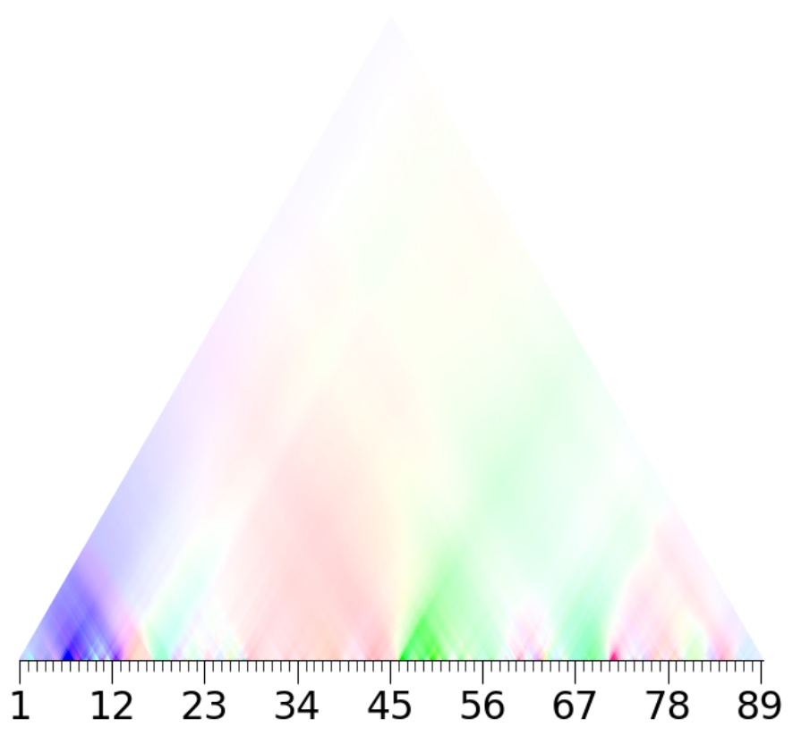
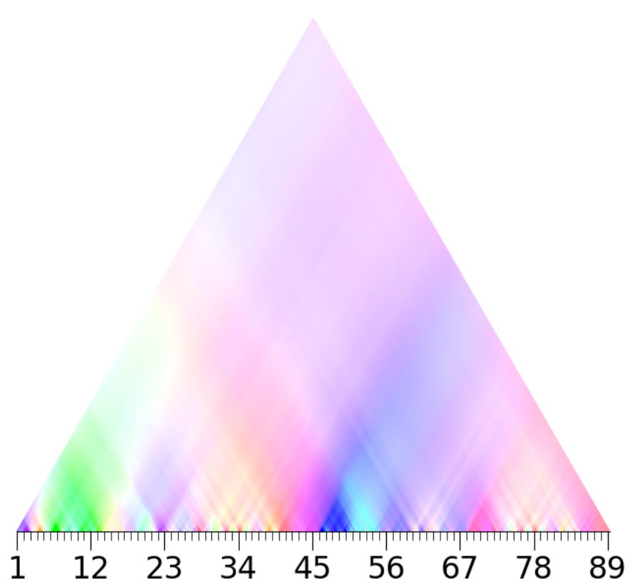
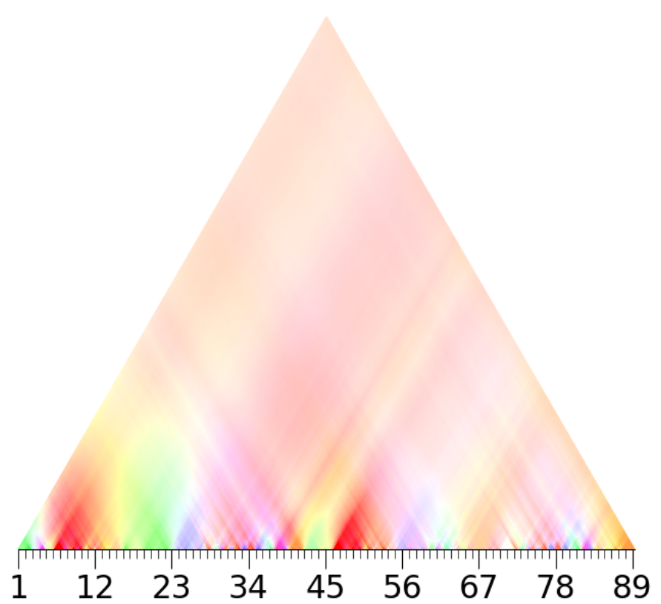

 |  |  |  | 4th coefficient |  |  |  |  |  | 5th coefficient |  |  |  |  |  | 6th coefficient

