Foglio1
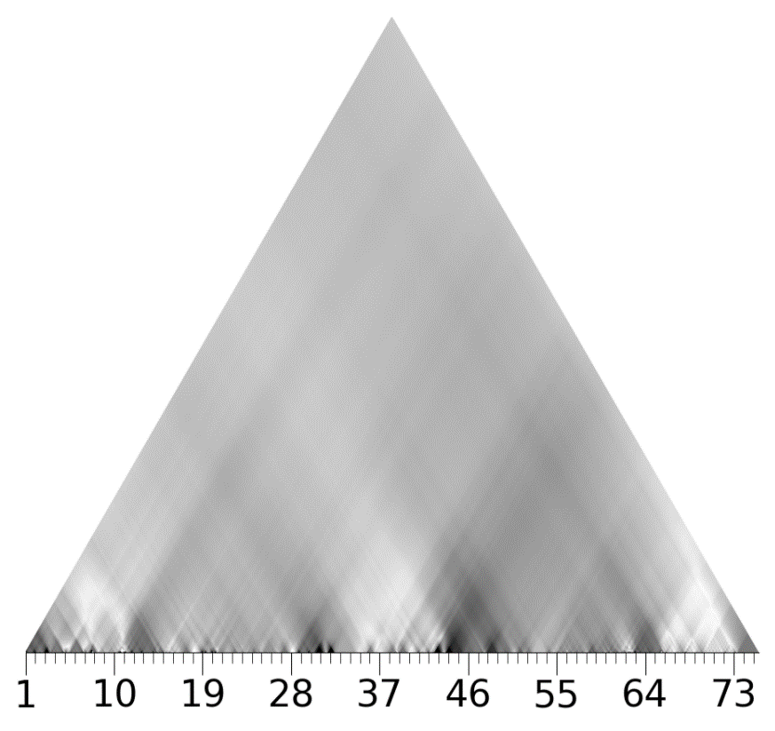
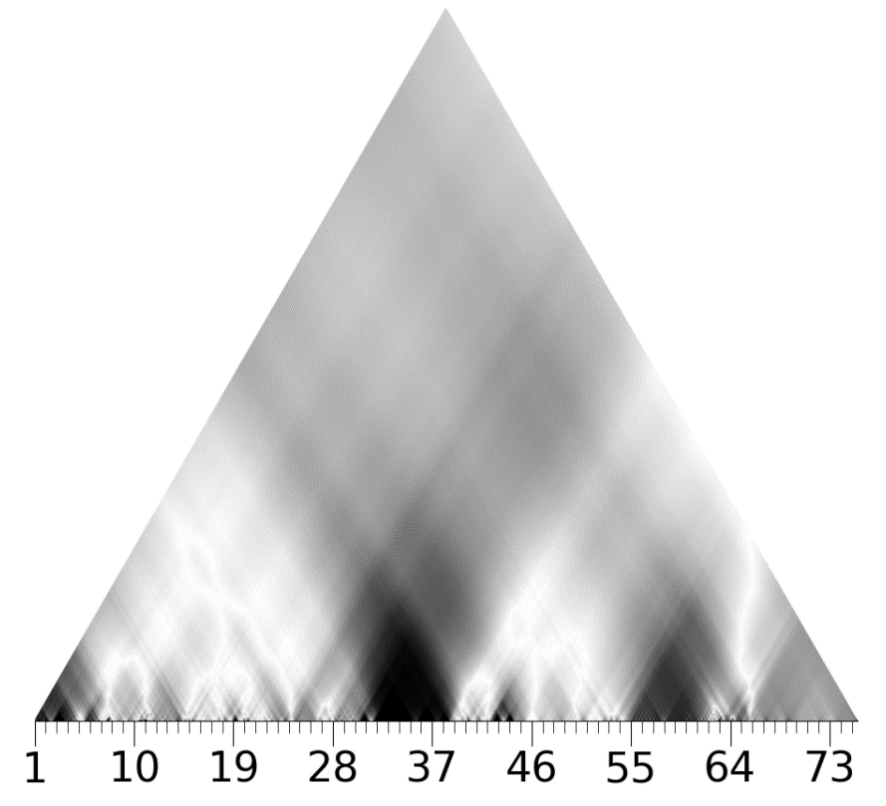
Symmetrical Arch form structure

A ab | Scherzando | 1 | 2 | 3 | 4 | 5 | 6 | 7 | 8 | 9 | 10 | 11 | 12 | 13
 | Au Mouvt | Intro |  |  |  |  |  |  |  |  |  | Octatonic 0 motif O
 |  | A extended dominant |  | A pedal |  |  |  |  | Bb dominant 7th-> oct 1 |  |  | A pedal (dominant of D)
 |  | octatonic and whole tone overlapping |  |  | oct 0 - oct1 fragments alternation
 |  | 4th c. C#7 dim reinforced by C# pedal |  |  | 4th c. pattern |  |  |  |  |  |  | 4th coeff more vivid purple
 |  | Octatonic 0 cell G A Bb foreshadows next sections |  |  |  |  |  |  | 4th c. change in phase
 |  | The oct 0 odd note F belongs to the whole tone sc 1 (6th c.) |  |  |  |  |  |  | whole tone sc.0 (red 6th)
 |  | alternation F/F#, Bb/B
 |  | augumented triad on F? violet section coeff3? |  |  | this alternation of otc scales is a middle ground between the two whole tone scale poles 1->0

 |  | Tritone C#-G | B -> Bb whole tone 1
B c | Rubato, | 14 | 15 | 16 | 17 | 18 | 19 | 20 | 21 | 22 | 23 | 24 | 25 | 26 | 27 | 28 | 29 | 30 | 31
 | Au Mouvt |  |  | A lyrical theme |  |  |  | D lydian ostinato |  |  |  |  |  | same theme of mm 16-17 |  | Octa motif O |  | Chromatic/Tritone B theme
 |  |  |  | D lydian derived from half step expantion |  | oct 0 |  | lyrical theme in middle stave |  | dominant 7th chords |  |  |  |  |  |  |  | Eb
 |  | D-A bass | A-E fifths | of the whole tone scale 0 |  | whole tone 1 |  | whole tone sc 0 |  | over descending bass |  |  |  | return of whole tone 0 |  |  |  | Tritone Db-G
 |  |  |  | D lydian is partially a confluence of whole tone 0 and 1 |  |  | dicotomy white-black keys: Eb-Bb -> E-B |  |  |  |  |  |  |  |  |  |  | (in common between oct 0 and 1)
 |  |  |  | D-E-F#-G# (whole tone 0) + A-B-C#(whole tone 1) |  |  |  |  |  |  |  |  |  |  |  | 4th same purple triangle of mm 11
 |  |  |  | 5th larger green section |  |  |  |  |  |  |  |  |  |  |  | patterns similar to 11 in all coeff.
 |  |  |  |  | yellowish shades in the 4th coefficient: looking at the score it is possible to notice that notes with more duration belong to oct 2 (see for instance quarter notes in mm. 17 and 27) |  |  |  |  |  |  |  |  |  |  | 2nd. Vivid |  | 2nd vivid cyan and purple
 |  |  |  |  |  |  |  |  |  |  |  |  |  |  |  |  |  | Vivid pattern in the 1th
 |  |  |  |  |  |  |  |  |  |  |  |  |  |  |  |  |  | recognizable pattern in the 5th and 4th
C b' | Mouvt, | 32 | 33 | 34 | 35 | 36 | 37 | 38 | 39 | 40 | 41 | 42 | 43
 | Le double plus lent | Lh Ostinato |  | B theme |  | similar to 34-35 |  | A theme (center of the arch) |  |  |  | B chromatic theme
 |  | Eb augumented triad(derived from 19-20) |  | theme transposed in B |  |  |  | Eb lydian: chromatic transformation of the whole tone elements of the D lydian(m 26) |  |  |  | Eb
 |  | Whole tone scale |  |  |  |  |  | The half step contrast D-Eb is not casual: it reflects the polarization of white-black
 |  |  |  |  |  |  |  | keys(whole tone 0-1 spheres respectively)
 |  |  |  |  |  |  |  | This musical opposite reflect the contrast between real/unreal, natural/supernatural |  |  |  | Pattern clearly recognizable as in 30-31
 |  |  |  |  |  |  |  | inherent in the mythical figure “Ondine”
 |  | Vivid sections in the 6th and in the 3rd |  | due to the presence of other longer notes(aug chord), the B theme is not |  |  |  | whole tone 1
 |  |  |  | as recognizable as in 30-31, however it is slightly discernible as a pattern |  |  |  | shades in 4th c
 |  |  |  | in the magnitudes of the 4th, 2nd and 1st |  |  |  | A-Eb tritone, 2nd c., augumented triads 3rd
B' c' b' | Rubato | 44 | 45 | 46 | 47 | 48 | 49 | 50 | 51 | 52 | 53 | 54 | 55 | 56 | 57 | 58 | 59 | 60 | 61
 | Mouvt | Triplets section |  | B chromatic theme |  |  | minor thirds |  |  |  |  | G ostinato |  | B theme
 |  | F#-C#-G left, tritone |  | D#(Eb)-F# |  |  | shift towards oct 0 and whole tone 1, with alternating whole tone scales |  |  |  |  | chromatic line |  | Eb bass |  |  | chromatic line rises to G# completing all 12 chromatic tones
 |  | D#-A#-E triplets, tritone |  |  |  |  |  |  |  |  |  | whole tone sc1ale on strong beat
 |  | C# dim triad ( vivid 4th c.) |  | 1st more vivid
 |  | octatonic 0 |  |  |  |  |  |  |  |  |  | vivid 6th coefficient
 |  |  |  |  |  |  | 1st coeff pattern |  |  |  |  | vivid 1st coefficient

From the preludes book no.2, "Ondine" (1913) is inspired from literature and visual art depicting Undines, capricious water nymphs who maliciously enter the real word to delight and frustrate those who encounter, before vanishing again into dust. The words and pictures in this work of literature and visual art likely appealed to Debussy’s sense of color, imagination, and wit: in "Ondine" the composer represents the contrast between natural and supernatural on different layers.[0]
This piece marks "one of Debussy's most extreme essays in discontinuity" [ ], painting a picture of ambiguity: it consists of gestures and motivic cells more than themes, all of them frequently juxtaposed without any continuity(see in the table: Octatonic motif O, Lydian theme, Tritone theme). Moreover, the different sections are often outside of a clear key centre.
However, under the surface of a seemingly fragmented music lies an excellently organized construction, which can also be appreciated observing the wavescape plots. Tonal formulas and functional relationships dissolve and become subordinate to new pitch set interactions. This occurs not as a conscious rejection of tonality, but rather as a consequence of the colors, sonorities, moods employed to evoke the "Ondine"'s character.
[1], referring to "Ondines", states:
"Their mythical appeal, their allusion to natural elements of the earth and fluid associations of water, and their dual identity in the real and unreal worlds are all central to the compositional process in “Ondine”. The dichotomy between real and imaginary realms ascribed to mythology is a symbolic link to the conflict between vestigial references to tonality and total dissolution."
The piece is based on the contrast between the two whole tone scale poles and between related octatonic segments. By means of common pitches and the introduction of odd notes in scale fragments, the music moves to different pitch sets to create progression. The fusion between the two poles and octatonic sets determines also the emergence of the diatonic sets, such as D-Lydian set (the most lyrical theme appearing in the piece) or the final D section[1].
Looking at the different hierarchical levels of the coefficients, it is clearly visible that the 5th, besides being very fragmented on the surface(lowest) level, it is also faded in the highest area, while octatonic and whole tone/augumented structures provide a larger and more uniform context.
The phases of the 4th coefficient well represent the combinations and progressions of the different pitch sets, while in the 6th the alternation between the two poles is clearly discernible. It is also possible to observe how almost all the coefficients present a very fragmented structure on the lowest leveland therefore a high entropy.
On a large scale, we can observe a symmetrical arch form in which each specular section contains the same number of bars(A B C B' A') . This macrosections can be further sudivided, identifying a Rondo form(a b c b' c' b' a'), which is curiosly visible in the 5th coefficient sections. The contrast between the natural and supernatural world is therefore expressed also with the combination of octatonic and whole thone forms with the traditional Rondo form[1].
A' a' | Mouvt | 62 | 63 | 64 | 65 | 66 | 67 | 68 | 69 | 70 | 71 | 72 | 73 | 74
 |  | Octa motif O |  |  | Coda
 |  |  |  |  | D maj triad | F# maj triad(derived from a fusion of the two whole tone sc previously alternating, G#->A#) |  |  |  |  |  | D maj triad
 |  | 4th more vivid triangle |  |  | D pedal | fusion of D triad and F# triad D F# A#--> augumented triad
 |  |  |  |  |  | 3rd c.vivid
 |  |  |  |  | contrasting A-A# , bitonality |  |  |  |  |  |  | 5th more vivid

 |  |  |  |  |  | 6th whole tone 0

 |  |  | 1 |  |  |  |  |  | 2 |  |  |  |  | 3

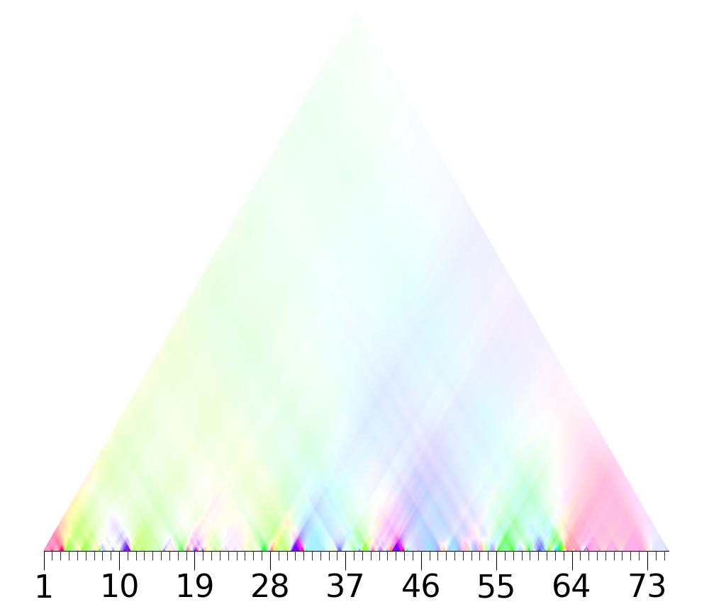
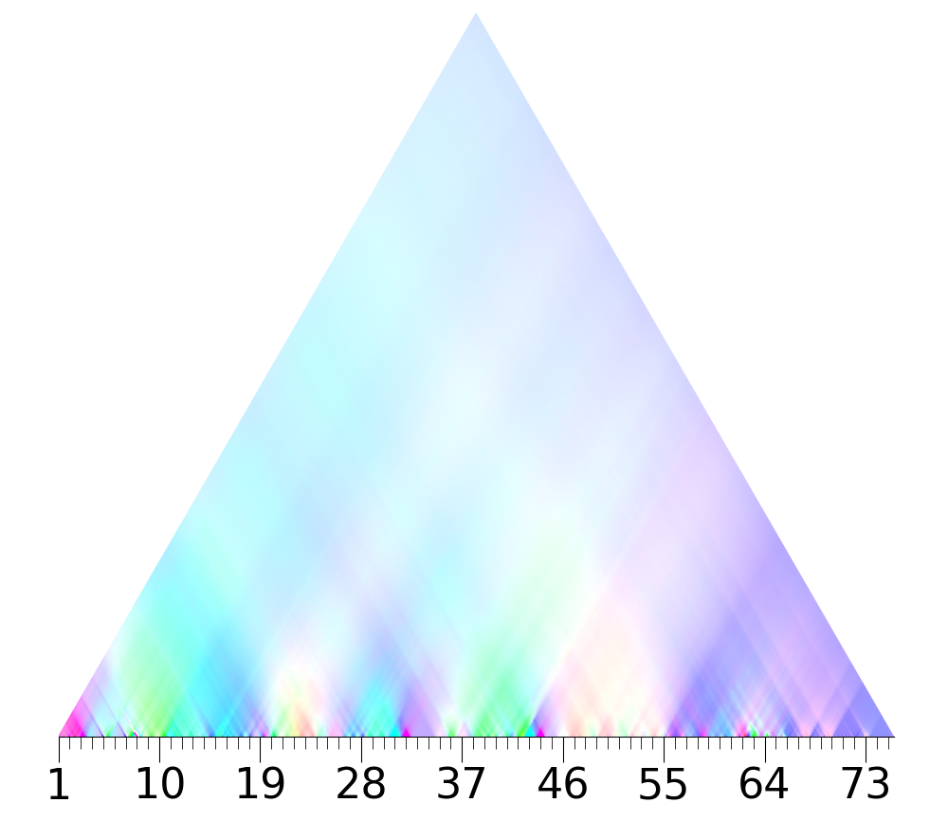
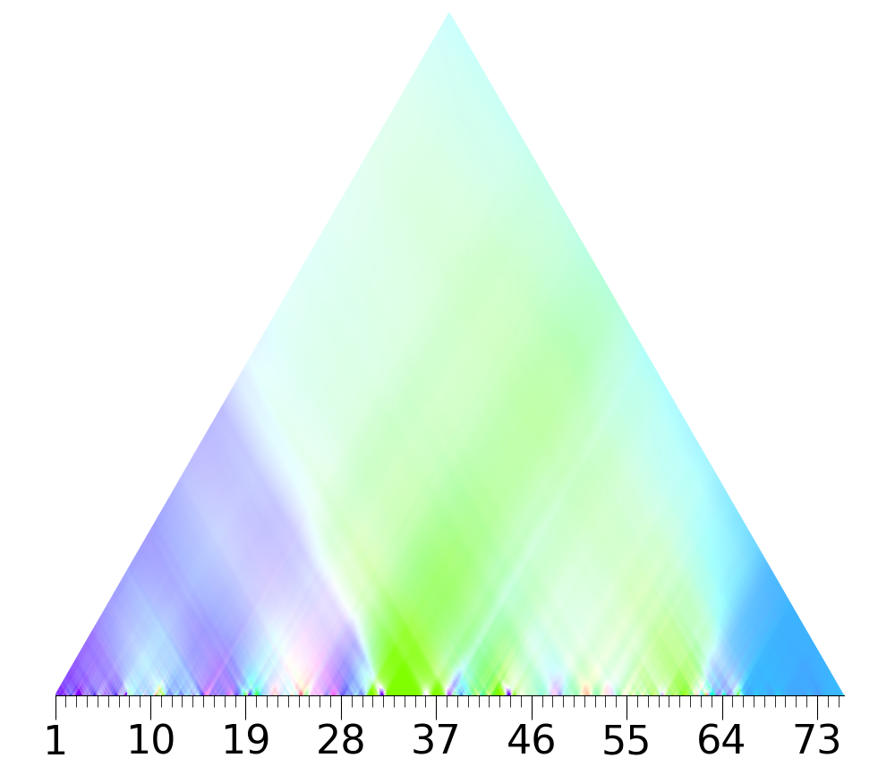

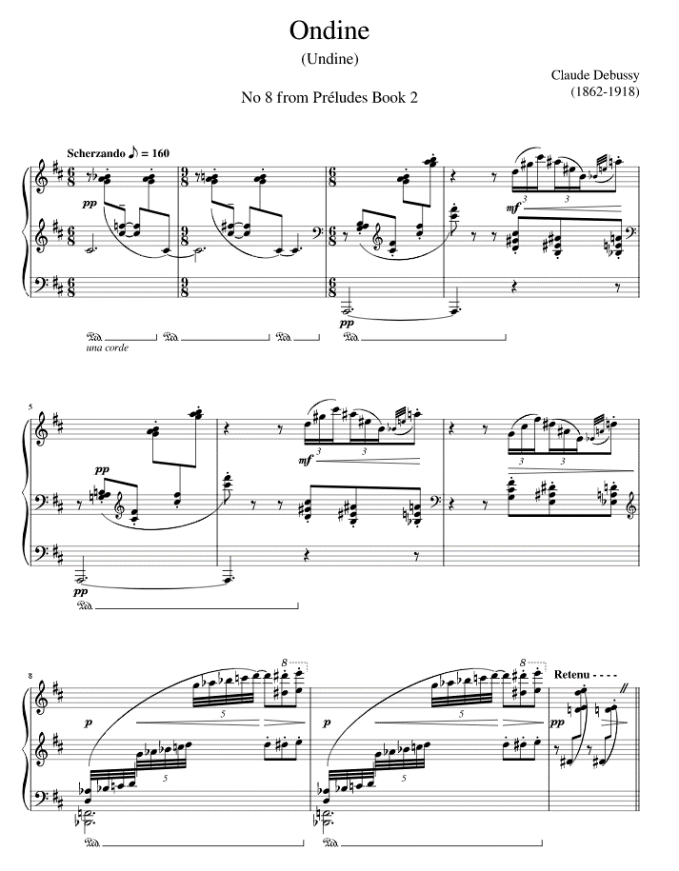
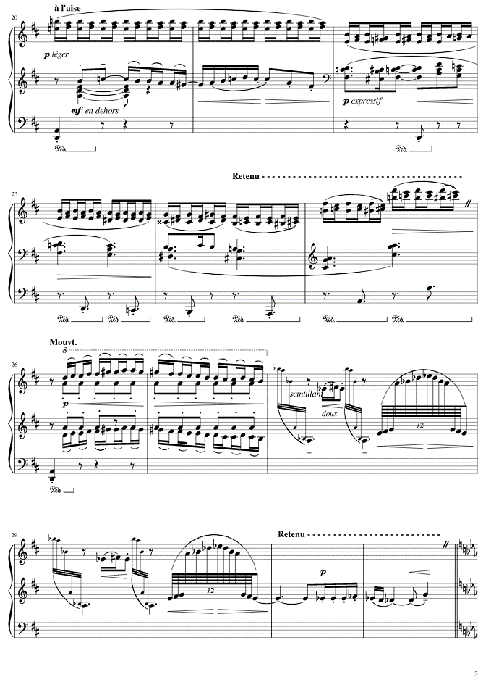
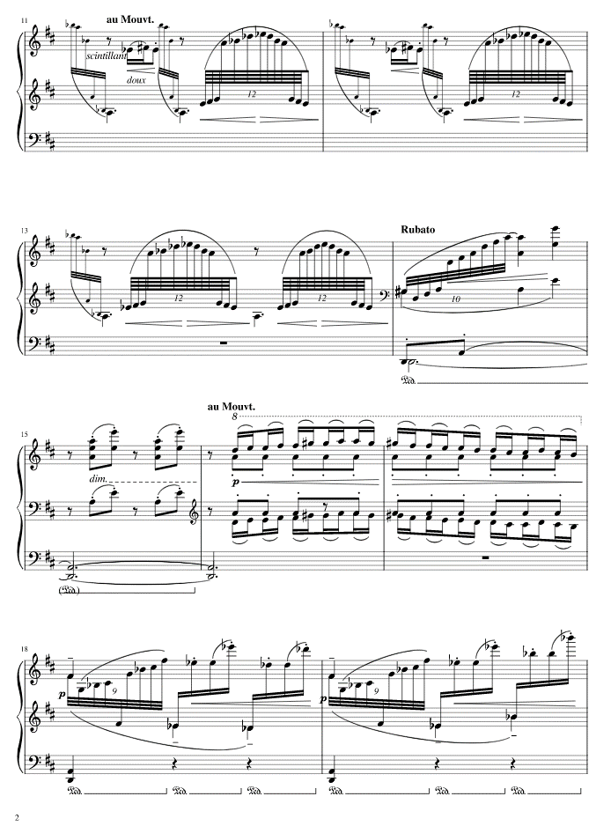
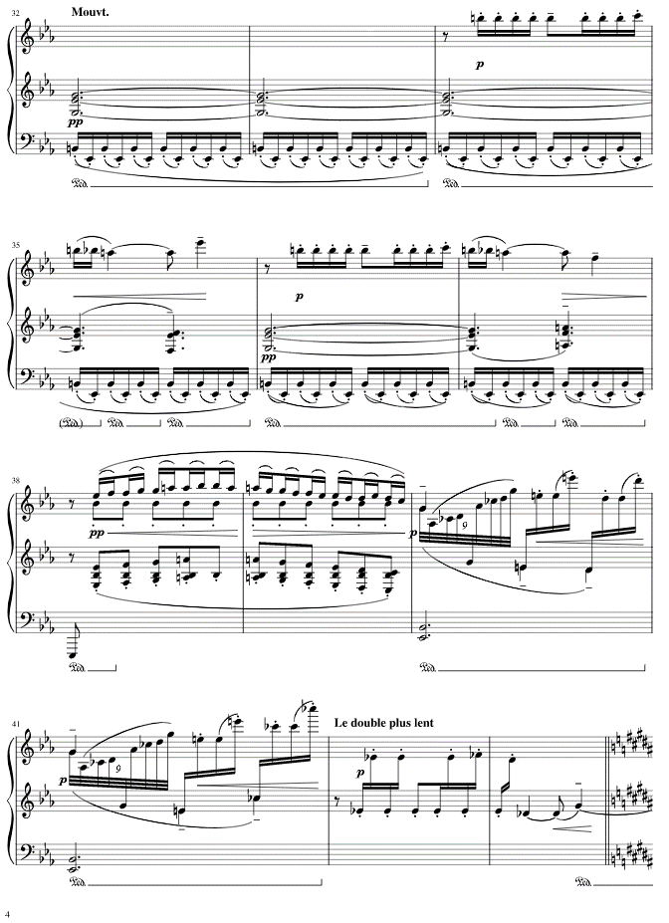

 |  | 4 |  |  |  |  |  | 5 |  |  |  |  |  | 6

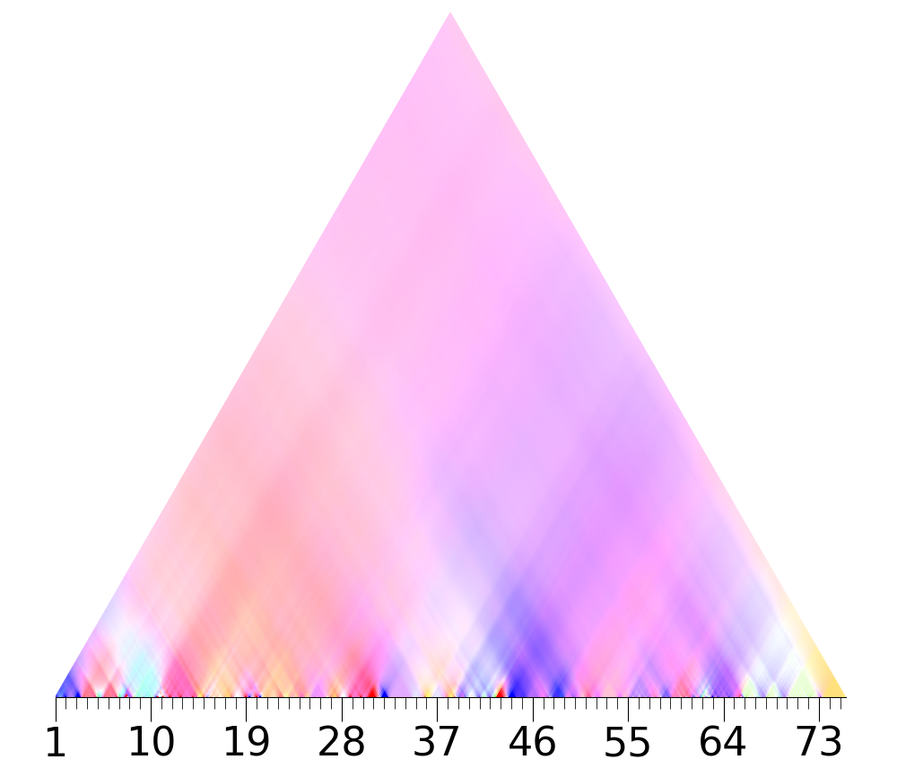
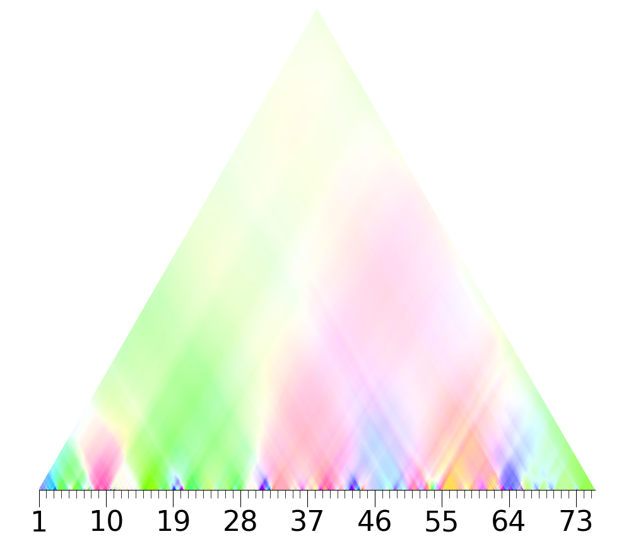
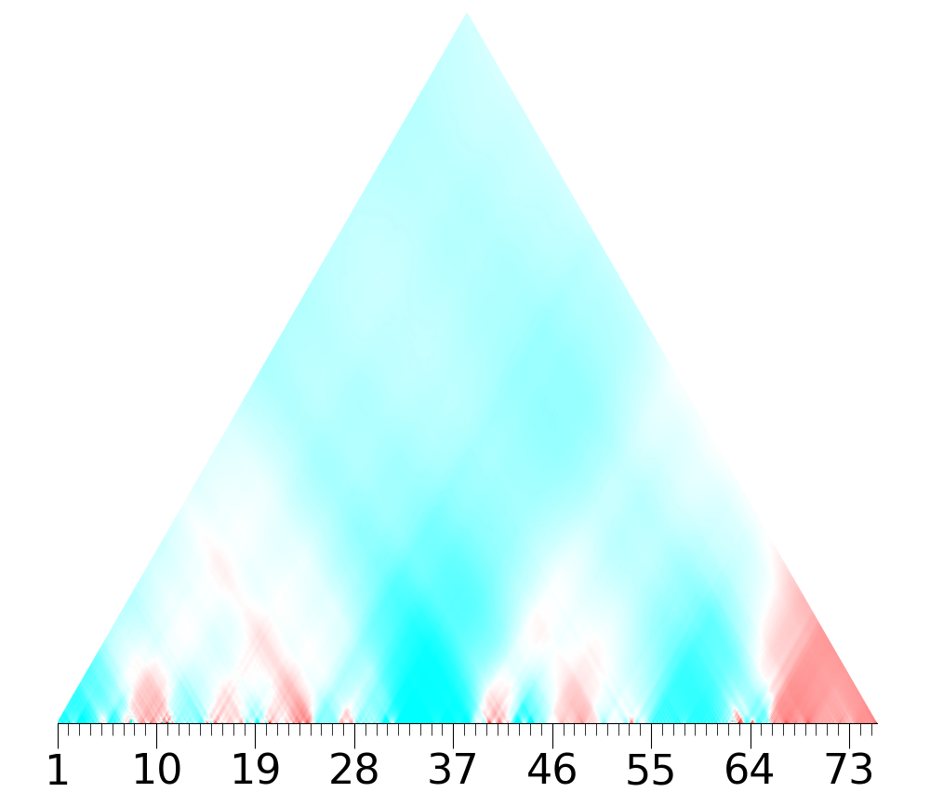

 |  | 1 |  |  |  |  |  | 2 |  |  |  |  |  | 3
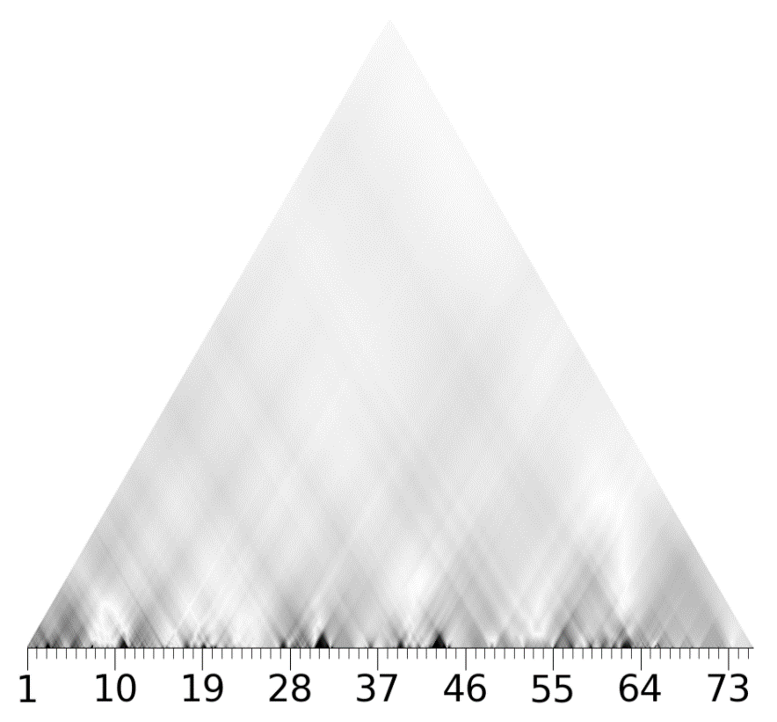
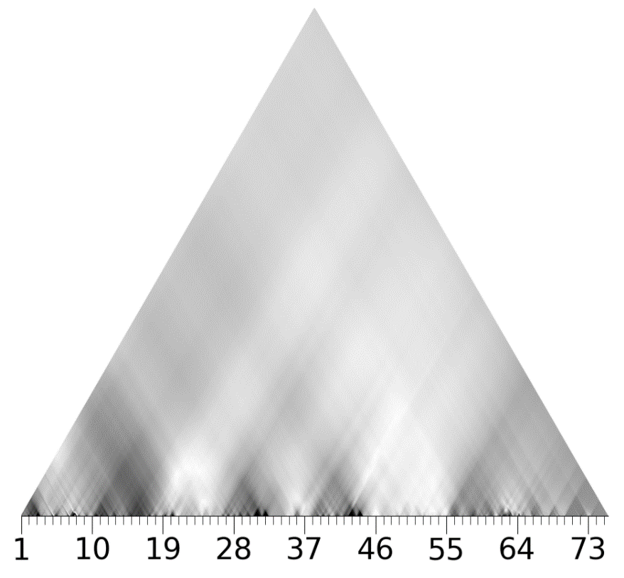
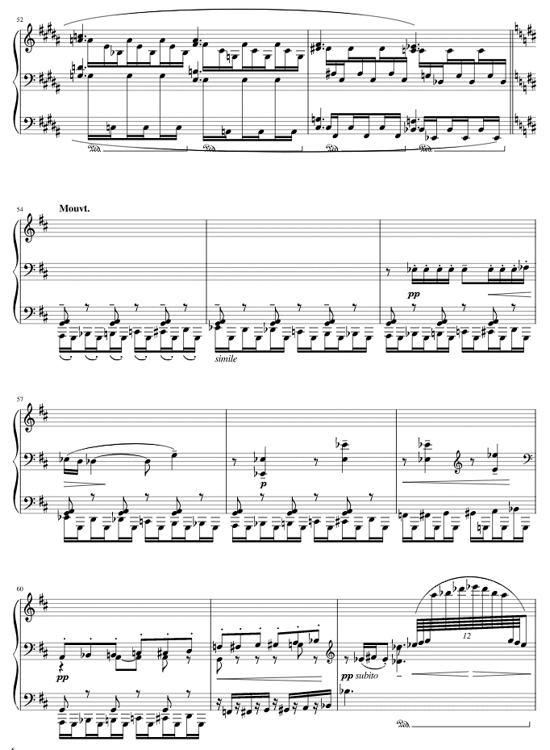
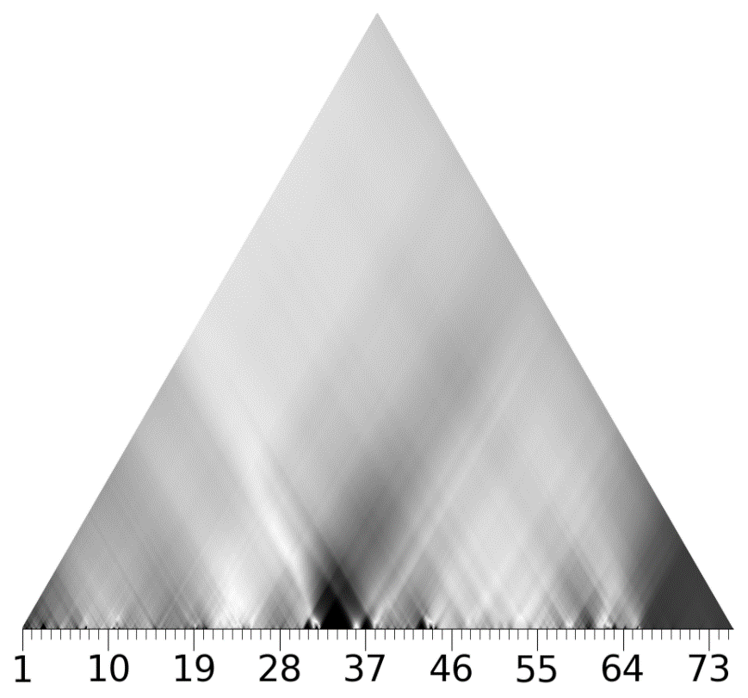
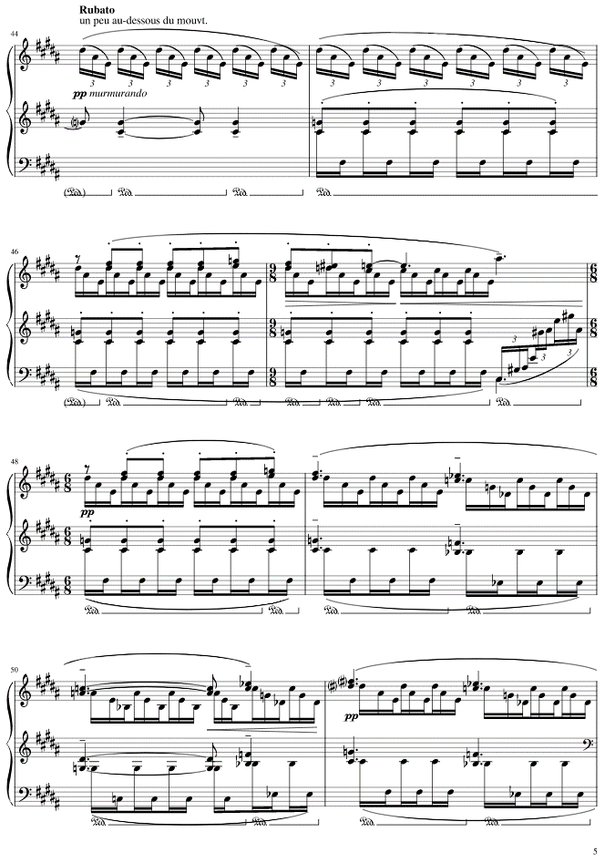
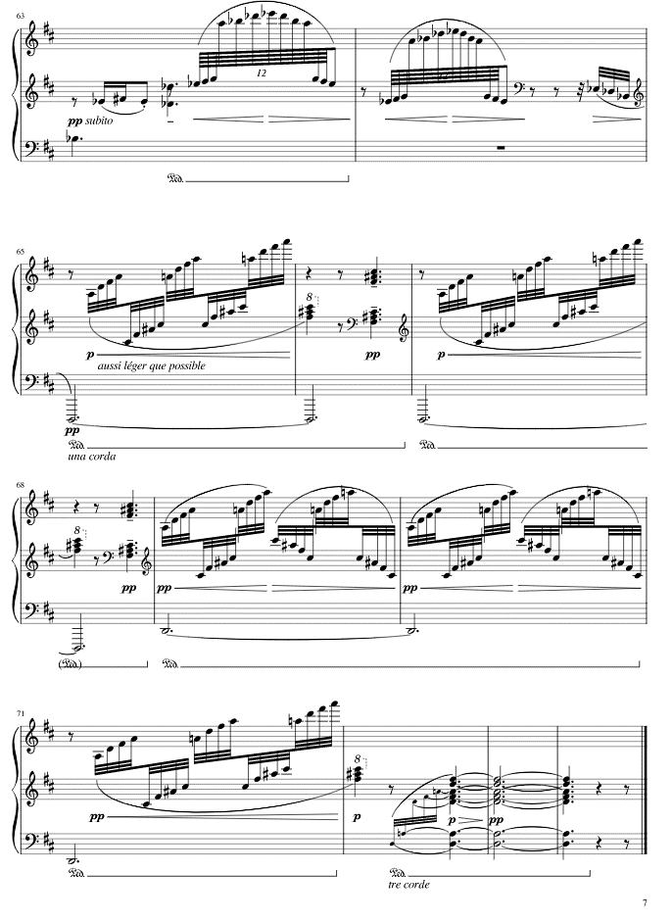

 |  | 4 |  |  |  |  |  |  |  |  |  |  |  | 6

