Sheet1
INVESTMENT MANAGEMENT UNDER TAXATION

Stock Data

Number | Stock | Number of Shares | Price Purchased Last Year | Current Price | Next Year Price Estimate | Ans variables, nr shares | Total gross | Capital gains | Transaction | Net
1 | Yahoo! | 150 | 15.68 | 31.8 | 29.5 | 100 | 3180 | 483.6 | 31.8 | 2664.6
2 | General Electric | 150 | 22.1 | 24.28 | 26.31 | 75 | 1821 | 49.05 | 18.21 | 1753.74
3 | Microsoft | 150 | 30.39 | 32.5 | 34.55 | 75 | 2437.5 | 47.475 | 24.375 | 2365.65
4 | Bank of America | 150 | 8.93 | 14.16 | 15.23 | 0 | 0 | 0 | 0 | 0
5 | JPMorgan Chase | 150 | 40.55 | 50.99 | 62.43 | 0 | 0 | 0 | 0 | 0
6 | Cisco Systems, Inc | 150 | 18.58 | 24.17 | 26.68 | 0 | 0 | 0 | 0 | 0
7 | Intel | 150 | 22.54 | 23.67 | 23.85 | 75 | 1775.25 | 25.425 | 17.7525 | 1732.0725
8 | Pfizer | 150 | 24.84 | 28.77 | 31.66 | 54.350115188 | 1563.6528139 | 64.078785806 | 15.636528139 | 1483.9375
 |  |  |  |  |  | 379.35011519
1.4 | Intel stocks |  |  |  | Objective | 10000 |  | Objective | 26507.525353
 | Sold shares | 50
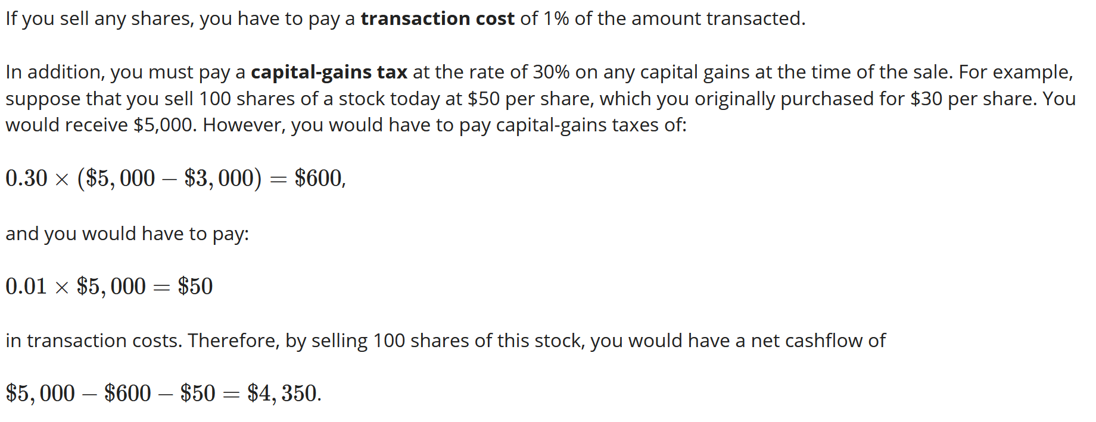
 | Revenue total | 1183.5
 | Cap gain tax | 16.95
 | Transaction cost | 11.835
 | Net | 1154.715

 | 0 |  | 0

