inventory
mycode | theme | category | Dataset | Format | Coverage | Year | description | ownership | accessibility
MSP1 | Biodiversity | Critical habitats | Mangroves | shapefile | National | 2012 | mangrove cover | NAFORMA | Request
MSP1 | Biodiversity | Critical habitats | Mangroves | raster | National | 2021 | 10 meter resolution | ESA | open
MSP2 | Biodiversity | Critical habitats | Mangroves | shapefile | Rumaki | NS | Detailed mangrove cover of Rufiji Delta with zonation based on species | WWF | Request
 |  | Critical habitats | Mangroves | shapefile | National |  | Global Mangrove watch | Global Mangrove Watch | open
MSP1 | Biodiversity | Critical habitats | Seagrass | tabular | Patches |  | Seagrass distribution in some areas like Mafia Island
MSP1 | Biodiversity | Critical habitats | Seagrass | tabular | National | 2023 | course resoultion of 1km grid for seagrass cover in shallow coastal waters | Heshimu Bahari | Request
 |  | Critical habitats | Coral reefs | tabular&spatial | National |  | Allen Coral | Allen Coral Atlas | Open
MSP1 | Biodiversity | Critical habitats | Seagrass | tabular&spatial | National | 2024 | the study combines satellite technology with on-the-ground verification to accurately map and report the distribution of seagrass in coastal regions of Tanzania and Zanzibar. | Blandina et al | Request
MSP1 | Biodiversity | Critical habitats | Coral reefs | tabular & spatial | Patches |  | Reef healthy surveys and bleaching hotspots | WCS
MSP1 | Biodiversity | Critical habitats | Coral reefs | tabular | National | 2023 | course resoultion of 1km grid for seagrass cover in shallow coastal waters | Heshimu Bahari | Request
MSP1 | Biodiversity | Critical habitats | Coral reefs | tabular&spatial | National | 2024 | the study combines satellite technology with on-the-ground verification to accurately map and report the distribution of benthic organisms in coastal regions of Tanzania and Zanzibar. | Blandina et al | https://doi.org/10.1016/j.ocecoaman.2024.107169
 |  | Critical habitats | Coral reefs | tabular&spatial | National |  | Allen Coral | Allen Coral Atlas | Open
MSP1 | Biodiversity | Marine Managed Areas | MPAs | shapefile | Mainland |  | Marine Protected areas and Marine Reserves in Tanzania | Marine Parks and Reserve Units | Request
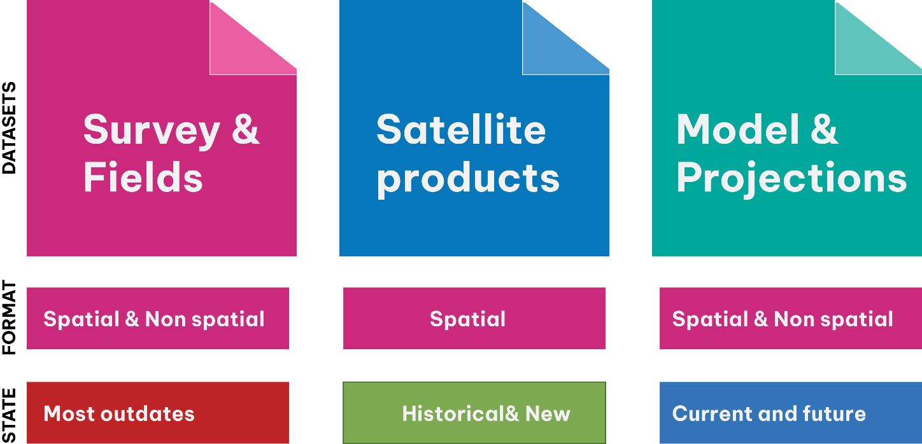
MSP1 | Biodiversity | Marine Managed Areas | MCA | shapefile | Zanzibar |  | Marine Conservation Areas | MoBEF | Request
MSP1 | Biodiversity | Marine Managed Areas | CFMA | shapefile | Mainland |  | Collaborative Fisheries Managed Areas | MLF | Request
MSP1 | Biodiversity | Marine Managed Areas | NTZ | shapefile | Patches |  | Community managed areas for seasonal or permanant closures |  | Not digitized
MSP1 | Biodiversity | Dolphin | Dolphin sites | GPS tracks | National |  | Dolphin aggregation areas | Marine Parks and Reserve Units | Request
MSP1 | Biodiversity | Whale shark | Whale sites | GPS tracks | National |  | Whale aggregation areas | Marine Parks and Reserve Units | Request
MSP2 | Biodiversity | Sea turtle | Sea turtle |  | National |  | Locations for sea turle nesting sites | SeaSense | Request
MSP3 | Biodiversity | Dugong | Dugong |  | National |  | Locations of dugong | SeaSense and MPRU | Request
MSP4 | Biodiversity | Important Bird Areas | Bird |  | National |  | Areas for birds migrations |  | open

MSP2 | Fisheries | Small-scale | Landing site | tabular | National |  | Registered fish landing sites | Ministries | Public
MSP2 | Fisheries | Small-scale | Landing site | spatial | National |  | Location of Registered fish landing sites | Ministries | Request
MSP2 | Fisheries | Small-scale | Fishing grounds | spatial | National |  | Artisanal fishing areas | TAFIRI | Request
MSP2 | Fisheries | Small-scale | Fishing grounds | spatial | National |  | Artisanal fishing areas | ZAFIRI | Request
MSP2 | Fisheries | Small-scale | Potential fishing zones | shapefile | National | 2022 | Potential areas for artisanal fishing along the coastal waters derived from satellite data | TAFIRI | Request
MSP2 | Fisheries | Commercial | Potential fishing zones | shapefile | National | 2022 | Potential areas for commercial fishing in the EEZ derived from satellite data | TAFIRI | Request
MSP2 | Fisheries | Fish aggegating Devices | FAD locations | shapefile | mainland | 2023 | locations FAD deployed in the coastal waters | TAFIRI | Request
MSP2 | Fisheries | Commercial | Hotspot areas | shapefile | National | 2022 | delineated tuna and tuna like fishing hotspot | DSFA | Request

MSP3 | Mariculture | Finfish | Mkilfish | shapefile | Zanzibar and Pemba Channel | 2022 | mapped area for mariculture | WIOMSA/IUCN | request
MSP3 | Mariculture | Finfish | Tilapia | shapefile | Zanzibar and Pemba Channel | 2023 | mapped area for mariculture | WIOMSA/IUCN | request
MSP3 | Mariculture | Crusteans | Crab fattening | shapefile | Zanzibar and Pemba Channel | 2024 | mapped area for mariculture | WIOMSA/IUCN | request
MSP3 | Mariculture | Seaweed | seaweed farming | shapefile | Zanzibar and Pemba Channel | 2025 | mapped area for mariculture | WIOMSA/IUCN | request
MSP3 | Mariculture | Finfish and seaweed farming | both | tabular | national | 2024 | socio-economic profile | Heshimu Bahari | request
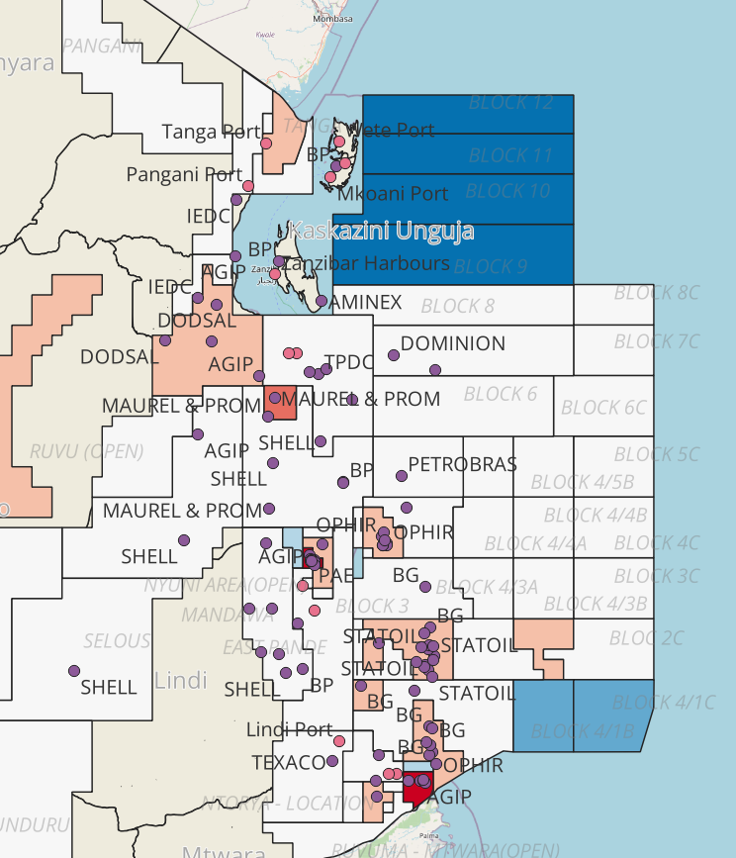
MSP4 | Tourism | Diving | sites | shapefiles | national |  | certificed diving sites
MSP4 | Tourism | Dolphin and whale sites | sites | GPS track | national |  | Approved whale-watching routes | Ministries | request
MSP4 | Tourism | Sport fishing | sites | GPS points | national |  | Approved spot fishing areas |  | request
MSP4 | Tourism | Resorts | Hotels | shapefiles | national |  | hotels and resorts across the coastal waters | MDAs | request

MSP5 | Maritime | Ports | ports | shapefiles | national |  | major ports | TPA and ZPA | request
MSP5 | Maritime | shipping | shipping lanes | shapefiles | national |  | major lanes | TASAC & | request
MSP5 | Maritime | shipping | shipping lanes | shapefiles | national |  | international trade routes | IMO | Public

MSP6 | Mining and related activities | Sand | Sand mining areas | Not available |  |  | Coastal sand mining
MSP6 | Mining and related activities | Sand | Hard coral mining areas | Not available |  |  | Hard coral mining
MSP6 | Mining and related activities | Salt | Salt mining areas | Shapefile |  |  | Coastal salt mining

MSP7 | Oil and Gas | Blocks |  | shapefile | national |  | Designated block for oil and gas eploration | PURA | request
MSP7 | Oil and Gas | Wells |  | shapefile | national |  | Wells for oil and gas eploration | PURA | request
MSP7 | Oil and Gas | Pipelines |  | shapefile | national |  | Pipelines for oil and gas transportation | PURA &EACOP | request

MSP8 | Waste Disposal | Dumping
MSP8 | Waste Disposal | Sewage outfalls

MSP9 | Others | Renewable energy
MSP9 | Others | Scientific research zones | Ocean Acidification sites
MSP9 | Others | Military zones
MSP9 | Others | Security zones
MSP9 | Others | traditional fishing grounds
 |  | Climate resilience

MSP10 | Communications | Submarine cables | Internet infrastructure

