inventory
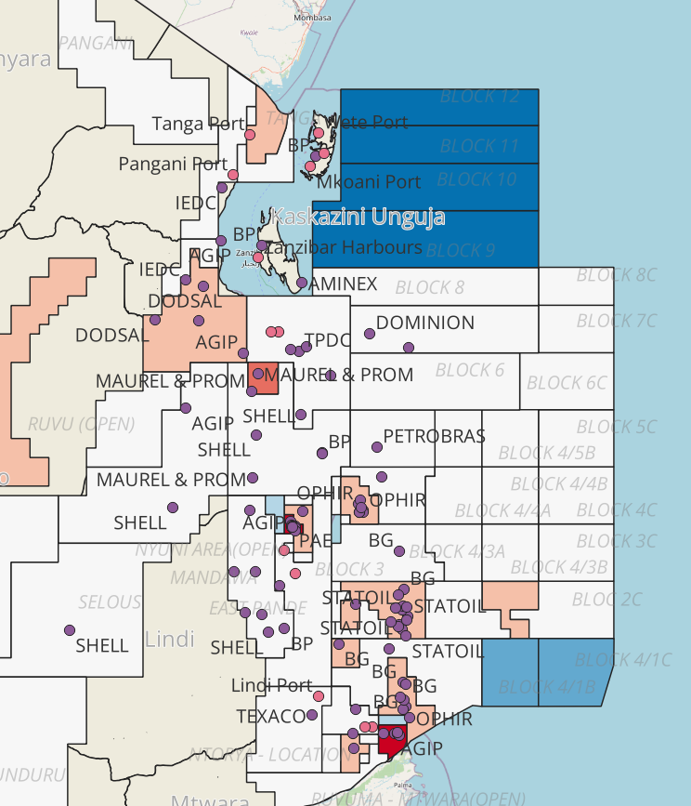
mycode | theme | category | Dataset | Format | Coverage | Year | description | ownership | accessibility | Use | GS copy | Notes
MSP1 | Biodiversity | Critical habitats | Mangroves | shapefile | National | 2012 | mangrove cover | NAFORMA | Request | No | No | -
MSP1 | Biodiversity | Critical habitats | Mangroves | raster | National | 2021 | 10 meter resolution | ESA | open | Maybe | No | Compare with mangrove watch and decide on best dataset to use (accuracy, currency, spatial resolution, ongoing updates)
MSP2 | Biodiversity | Critical habitats | Mangroves | shapefile | Rumaki | NS | Detailed mangrove cover of Rufiji Delta with zonation based on species | WWF | Request | No | - | Inadequate for national-scale prioritization
 | Biodiversity | Critical habitats | Mangroves | shapefile | National |  | Global Mangrove watch | Global Mangrove Watch | open | Maybe | Check | We have copy of above ground biomass; check updates (Ask Kate given potential link to Ocean Wealth new models)
NEW | Other values | Ecosystem services | Mangroves | raster | Global | 2000 | Above-ground mangrove biomass at 30 m spatial resolution modeled combining remote sensing and in-situ data (Simard et al., 2019) | NASA | open | Maybe | Yes | Compare with mangrove watch and decide on best dataset to use (accuracy, currency, spatial resolution, ongoing updates)
NEW | Other values | Ecosystem services | Mangroves | raster | Global | 2018 | Below-ground mangrove biomass (soil organic carbon) at 30 m resolution modeled using a global database of soil profile data | Harvard | open | Maybe | Yes | Compare with mangrove watch and decide on best dataset to use (accuracy, currency, spatial resolution, ongoing updates)
MSP1 | Biodiversity | Critical habitats | Seagrass | tabular | Patches |  | Seagrass distribution in some areas like Mafia Island |  |  | No | - | Inadequate for national-scale prioritization
MSP1 | Biodiversity | Critical habitats | Seagrass | tabular | National | 2023 | Coarse resolution of 1km grid for seagrass cover in shallow coastal waters | Heshimu Bahari | Request | Yes | Yes | There is a notable data gap on mainland across Mafia (see map)
 | Biodiversity | Critical habitats | Seagrass | tabular&spatial | National | 2013 | Allen Coral Atlas (Benthic map: 1 class: seagrass); other classes considered below | Allen Coral Atlas | Open | No | - | Upon broad examination by HB team, there seems to be a notable overestimation of seagrass extent by Lugendo et al. (2024), when compared with ACA and Traganos et al., (2022); the estimates of ACA and Traganos are quite similar given their methodological similarities and that once you look at the maps of both in detail, you can see very clearly the similarities, also their predictive maps for coral reefs, sand, etc. An advantage of Traganos over ACA is that they mapped beyond the coral reefs (albeit with some visible artifices), so they include significant portions of potential seagrass that the ACA dataset does not have. Depending on the level of overlay (for example if Traganos - and ACA - is essentially a subset of Lugendo, then these could be identified and targeted as higher probability/value areas with potential seagrass habitat, to take a very conservative approach and just target areas of coincidence.
MSP1 | Biodiversity | Critical habitats | Seagrass | tabular&spatial | National | 2022 | the study combines satellite technology with on-the-ground verification to accurately map and report the distribution of seagrass in coastal regions of Tanzania and Zanzibar. | Lugendo et al., 2024 | Request | Maybe | No | Compare with the ACA and Traganos and decide o best dataset to use (accuracy, currency, spatial resolution, ongoing updates)
NEW | Biodiversity | Critical habitats | Seagrass | raster | National | 2020 | Seagrass beds extent modeled using high-resolution (10 m) Sentinel-2 satellite imagery and a large global database with in-situ data | Traganos et al., 2022 | Request | Maybe | Yes | Compare with the other two RS datasets available for Tanzania (accuracy, currency, spatial resolution, ongoing updates)
MSP1 | Biodiversity | Critical habitats | Coral reefs | tabular & spatial | Patches |  | Reef healthy surveys and bleaching hotspots | WCS |  | No | No | Inadequate for national-scale prioritization
MSP1 | Biodiversity | Critical habitats | Coral reefs | tabular | National | 2023 | course resoultion of 1km grid for seagrass cover in shallow coastal waters | Heshimu Bahari | Request | Yes | Yes | There is a notable data gap on mainland across Mafia (see map)
MSP1 | Biodiversity | Critical habitats | Coral reefs | tabular&spatial | National | 2024 | the study combines satellite technology with on-the-ground verification to accurately map and report the distribution of benthic organisms in coastal regions of Tanzania and Zanzibar. | Lugendo et al., 2024 | Request | Maybe | No | Compare with ACA (benthic map) and decide on best dataset to use (accuracy, currency, spatial resolution, ongoing updates)
 | Biodiversity | Critical habitats | Coral reefs | tabular&spatial | Global | 2013 | Allen Coral Atlas (Benthic map with 5 classes, target classes: coral/algae, microalgal mats, rock, rubble, sand) | Allen Coral Atlas | Open | No | Yes | Given consistency and potential for matching with neighbouring countries, use with low targets for all classes
NEW | Biodiversity | Critical habitats | Coral reefs | tabular&spatial | Global | 2013 | Allen Coral Atlas (Geomorphic map: 12 classes) | Allen Coral Atlas | Open | Yes | Yes | Given consistency and potential for matching with neighbouring countries, use classes as proxies for biodiversity
NEW | Biodiversity | Critical habitats | Coral reefs | tabular&spatial | Global | 2013 | Allen Coral Atlas (Coral Reef Extent: 1 class) | Allen Coral Atlas | Open | Yes | Yes | Given consistency and potential for matching with neighbouring countries, use with low target as coarse level feature
MSP1 | Biodiversity | Marine Managed Areas | MPAs | shapefile | Mainland |  | Marine Protected areas and Marine Reserves in Tanzania | Marine Parks and Reserve Units | Request | Yes | Check | GS team has a copy; Tanzania team to check currency and accuracy
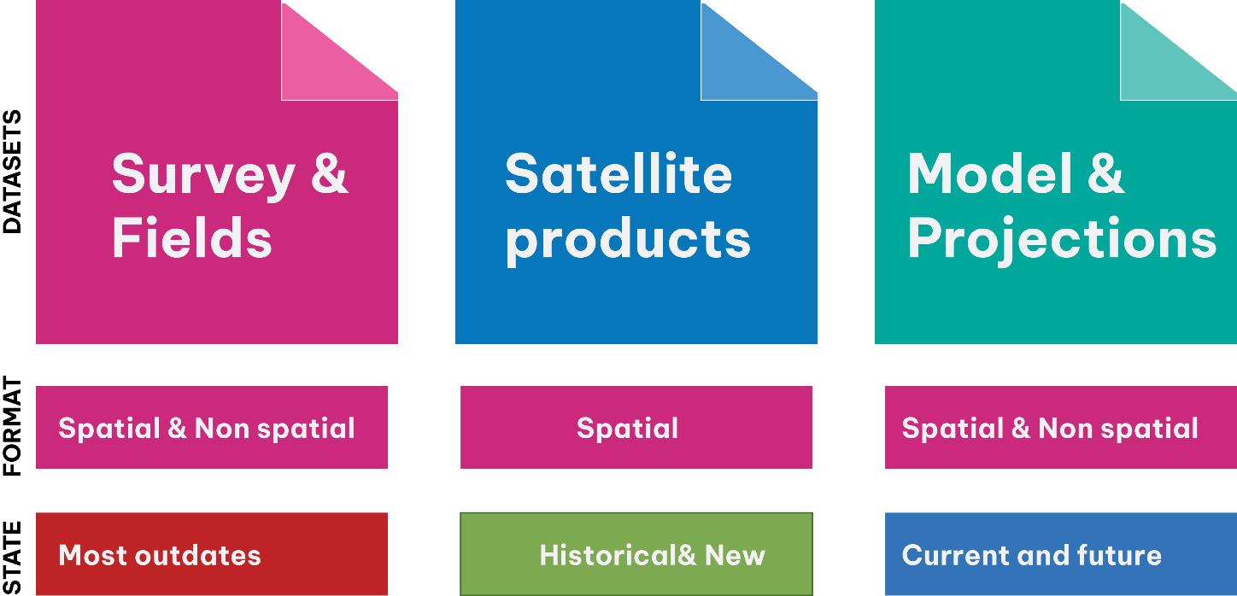
MSP1 | Biodiversity | Marine Managed Areas | MCA | shapefile | Zanzibar |  | Marine Conservation Areas | MoBEF | Request | Yes | Check | GS team has a copy; Tanzania team to check currency and accuracy
MSP1 | Biodiversity | Marine Managed Areas | CFMA | shapefile | Mainland |  | Collaborative Fisheries Managed Areas | MLF | Request | Yes | Check | GS team has a copy; Tanzania team to check currency and accuracy
MSP1 | Biodiversity | Marine Managed Areas | NTZ | shapefile | Patches |  | Community managed areas for seasonal or permanant closures |  | Not digitized | Yes | Check | GS team has a copy; Tanzania team to check currency and accuracy
MSP1 | Biodiversity | Dolphin | Dolphin sites | GPS tracks | National |  | Dolphin aggregation areas | Marine Parks and Reserve Units | Request | Yes | No | Ensure coverage is adequate across Tanzania (without notable biases, gaps); Tanzania team to preprocess (e.g., buffer, create hotspots, model)
MSP1 | Biodiversity | Whale shark | Whale sites | GPS tracks | National |  | Whale [SHARK?] aggregation areas | Marine Parks and Reserve Units | Request | Yes | No | Ensure coverage is adequate across Tanzania (without notable biases, gaps); Tanzania team to preprocess (e.g., buffer, create hotspots, model)
MSP2 | Biodiversity | Sea turtle | Sea turtle |  | National |  | Locations for sea turle nesting sites | SeaSense | Request | Yes | Check | GS team retrieved some publicly available data that will share with Tanzania team to check value, currency and accuracy
MSP3 | Biodiversity | Dugong | Dugong |  | National |  | Locations of dugong | SeaSense and MPRU | Request | Yes | No | Ensure coverage is adequate across Tanzania (without notable biases, gaps); Tanzania team to preprocess (e.g., buffer, create hotspots, model)
MSP4 | Biodiversity | Important Bird Areas | Bird |  | National |  | Areas for birds migrations |  | open | Yes | No | Ensure coverage is adequate across Tanzania (without notable biases, gaps); Tanzania team to preprocess (e.g., buffer, create hotspots, model)
MSP2 | Fisheries | Small-scale | Landing site | tabular | National |  | Registered fish landing sites | Ministries | Public
MSP2 | Fisheries | Small-scale | Landing site | spatial | National |  | Location of Registered fish landing sites | Ministries | Request
MSP2 | Fisheries | Small-scale | Fishing grounds | spatial | National |  | Artisanal fishing areas | TAFIRI | Request
MSP2 | Fisheries | Small-scale | Fishing grounds | spatial | National |  | Artisanal fishing areas | ZAFIRI | Request
MSP2 | Fisheries | Small-scale | Potential fishing zones | shapefile | National | 2022 | Potential areas for artisanal fishing along the coastal waters derived from satellite data | TAFIRI | Request
MSP2 | Fisheries | Commercial | Potential fishing zones | shapefile | National | 2022 | Potential areas for commercial fishing in the EEZ derived from satellite data | TAFIRI | Request
MSP2 | Fisheries | Fish aggegating Devices | FAD locations | shapefile | mainland | 2023 | locations FAD deployed in the coastal waters | TAFIRI | Request
MSP2 | Fisheries | Commercial | Hotspot areas | shapefile | National | 2022 | delineated tuna and tuna like fishing hotspot | DSFA | Request
MSP3 | Mariculture | Finfish | Mkilfish | shapefile | Zanzibar and Pemba Channel | 2022 | mapped area for mariculture | WIOMSA/IUCN | request
MSP3 | Mariculture | Finfish | Tilapia | shapefile | Zanzibar and Pemba Channel | 2023 | mapped area for mariculture | WIOMSA/IUCN | request
MSP3 | Mariculture | Crusteans | Crab fattening | shapefile | Zanzibar and Pemba Channel | 2024 | mapped area for mariculture | WIOMSA/IUCN | request
MSP3 | Mariculture | Seaweed | seaweed farming | shapefile | Zanzibar and Pemba Channel | 2025 | mapped area for mariculture | WIOMSA/IUCN | request
MSP3 | Mariculture | Finfish and seaweed farming | both | tabular | national | 2024 | socio-economic profile | Heshimu Bahari | request
MSP4 | Tourism | Diving | sites | shapefiles | national |  | certificed diving sites
MSP4 | Tourism | Dolphin and whale sites | sites | GPS track | national |  | Approved whale-watching routes | Ministries | request
MSP4 | Tourism | Sport fishing | sites | GPS points | national |  | Approved spot fishing areas |  | request
MSP4 | Tourism | Resorts | Hotels | shapefiles | national |  | hotels and resorts across the coastal waters | MDAs | request
MSP5 | Maritime | Ports | ports | shapefiles | national |  | major ports | TPA and ZPA | request
MSP5 | Maritime | shipping | shipping lanes | shapefiles | national |  | major lanes | TASAC & | request
MSP5 | Maritime | shipping | shipping lanes | shapefiles | national |  | international trade routes | IMO | Public
MSP6 | Mining and related activities | Sand | Sand mining areas | Not available |  |  | Coastal sand mining
MSP6 | Mining and related activities | Sand | Hard coral mining areas | Not available |  |  | Hard coral mining
MSP6 | Mining and related activities | Salt | Salt mining areas | Shapefile |  |  | Coastal salt mining
MSP7 | Oil and Gas | Blocks |  | shapefile | national |  | Designated block for oil and gas eploration | PURA | request
MSP7 | Oil and Gas | Wells |  | shapefile | national |  | Wells for oil and gas eploration | PURA | request
MSP7 | Oil and Gas | Pipelines |  | shapefile | national |  | Pipelines for oil and gas transportation | PURA &EACOP | request
MSP8 | Waste Disposal | Dumping
MSP8 | Waste Disposal | Sewage outfalls
MSP9 | Others | Renewable energy
MSP9 | Others | Scientific research zones | Ocean Acidification sites
MSP9 | Others | Military zones
MSP9 | Others | Security zones
MSP9 | Others | traditional fishing grounds
MSP10 | Others | Climate resilience
MSP10 | Communications | Submarine cables | Internet infrastructure
NEW | Other values | Ecosystem services | Fringing reefs providing protection to people |  | Global |  |  | Ocean Wealth Atlas | Coral Reef Protection Values | Include
NEW | Other values | Ecosystem services | Fringing reefs providing protection to economic values GDP-PPP |  | Global |  |  | Ocean Wealth Atlas | Coral Reef Protection Values | Include
NEW | Other values | Ecosystem services | Fringing reefs providing protection to infrastructure/NTL |  | Global |  |  | Ocean Wealth Atlas | Coral Reef Protection Values | Include
NEW | Other values | Ecosystem services | Coral Reef Tourism Value (Total) |  | Global |  |  | Ocean Wealth Atlas
NEW | Other values | Ecosystem services | Coral Reef Tourism Visitation Value (Total) |  | Global |  |  | Ocean Wealth Atlas
NEW | Other values | Ecosystem services | Coral Reef Tourism Value (On-reef) |  | Global |  |  | Ocean Wealth Atlas
NEW | Other values | Ecosystem services | Coral Reef Tourism Value (Reef-adjacent) |  | Global |  |  | Ocean Wealth Atlas
NEW | Other values | Ecosystem services | Coral Reef Fisheries: Modeled Fish Catch from the World's Coral Reefs |  | Global |  |  | Ocean Wealth Atlas | Coral Reef Fisheries | This dataset only has the values represented from high to low; suggest using the original values, especially if they are continuous variables
NEW | Other values | Ecosystem services | Mangroves fishing effort (fisher-days per year) |  | Global |  |  | Ocean Wealth Atlas | Mangrove Fishing Effort
NEW | Other values | Ecosystem services | Mangrove commercial fish productivity |  | Global |  |  | zu Ermgassen et al., 2025 | data can be accessed here

