Risk Variable Profiles
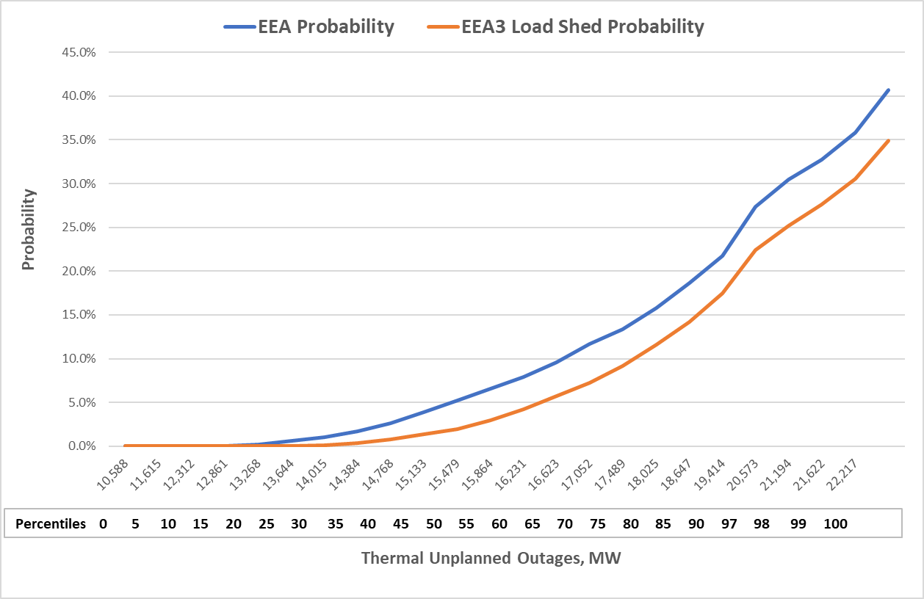
Low Wind Risk Profile for Hour Ending 7 p.m.

Background and Methodology
To create a low wind risk profile for 7 p.m. on the November peak load day, the model's hourly wind generation probability distributions are replaced with fixed values corresponding to a range of percentile values. Crucially, all 10,000 model runs are restricted to the fixed wind generation values, although each run can reflect differing coastal wind curtailment amounts based on the simulated net load and unplanned thermal outage results. No other changes have been made to the model, so probabilistic impacts of other variables such as loads, solar generation, and thermal unplanned outages are reflected in the simulation results. The fixed values were pulled from wind generation simulation results from the PRRM for the highest risk hour, Hour Ending 7 p.m., CST. Based on the initial fixed values for coastal wind generation, the model is allowed to apply coastal wind curtailment logic reflecting the new South Texas Interconnection Reliability Operating Limits (IROLs) recently established. The hourly wind generation profiles used for modeling account for both existing and planned wind capacity expected to be operating as of November 1st.
Low Wind Risk Profile Results for Hour Ending 7 p.m.
The following chart shows the relationship between EEA / EEA3 (with load shed) probabilities and the level of fixed wind generation based on percentile values. The percentiles represent the percentage of outcomes above the given values. For example, the 25th percentile indicates that 75% of all values are above 6,925 MW wind output. Note that the zero-percentile value reflects the minimum amount from the PRRM simulation for Hour Ending 7 p.m. (323 MW), rather than a zero MW outcome.
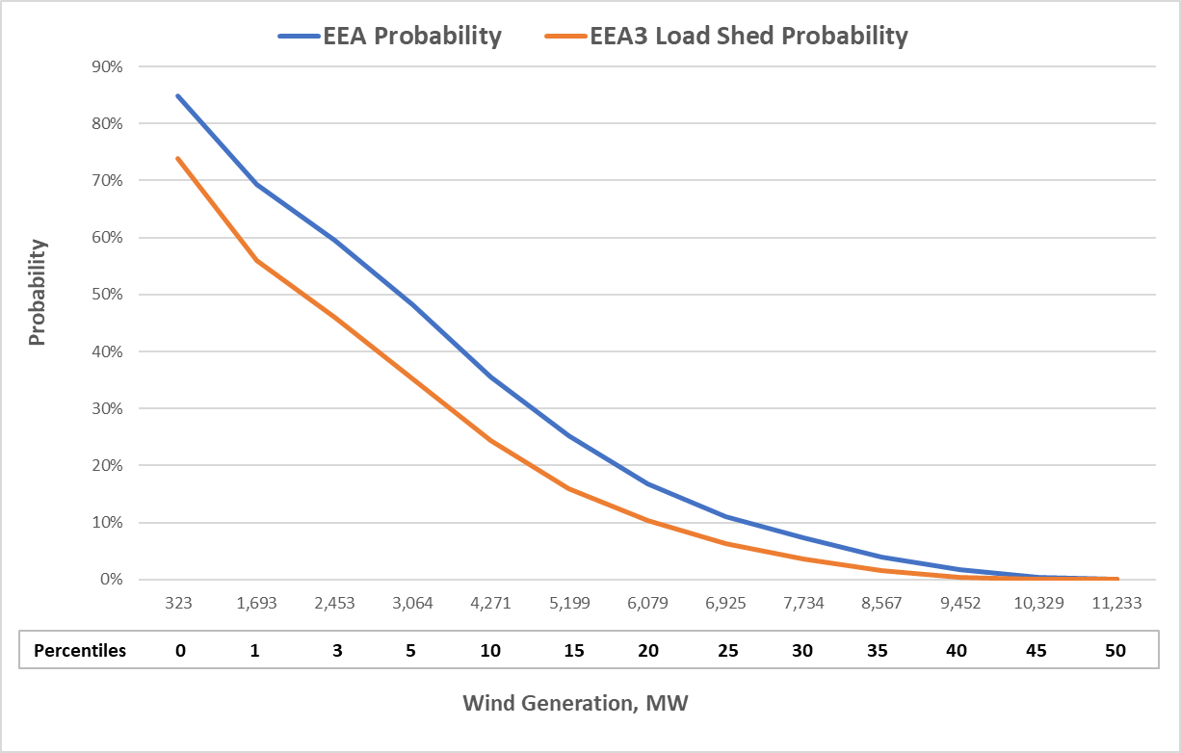

High Thermal Unplanned Outage Risk Profile for Hour Ending 7 p.m.

Background and Methodology
To create a a high thermal unplanned outage risk profile for Hour Ending 7 p.m. on the November peak load day, the model's daily thermal unplanned forced outage probability distribution is replaced with fixed values corresponding to a range of percentile values. All 10,000 model runs are restricted to the daily fixed unplanned thermal outage value for 7 p.m. No other changes have been made to the model, so probabilistic impacts of other variables such as loads, wind generation, solar generation are reflected in the simulation results.
High Unplanned Thermal Outage Risk Profile Results for Hour Ending 7 p.m.
The following chart shows the relationship between EEA / EEA3 (with load shed) probabilities and the level of fixed thermal unplanned outages based on percentile values. The percentiles represent the percentage of outcomes above the given values. For example, the 80th percentile indicates that 20% of all outage values are above 18,025 MW. The zero-percentile value reflects the minimum amount from the PRRM simulation for Hour Ending 7 p.m. (10,588 MW), rather than a zero MW outcome. Note that these results do not reflect thermal planned outages estimated to be 4,590 MW for the November peak load day.

