Front Page
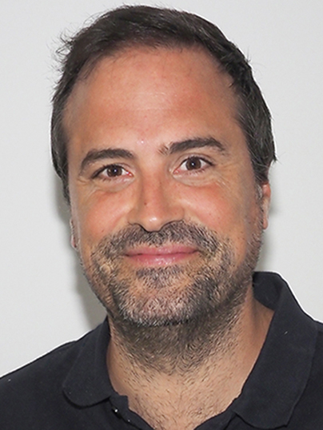
Name: | Luís Cunha, (FHEA, PhD, MSc, BSc)
Date Updated: | Coimbra, 24th August of 2025

Expertise | Molecular Ecology and Data Analysis
PhD | Cellular and Molecular Biology
Place of Birth | Póvoa de Varzim (Portugal)
Telephone | +351 914419745 (Portugal)
Email | luis.cunha@uc.pt
Webpage: | https://eworm.xyz
Position | Assistant Researcher, CFE (Coimbra University)
Institution | Universidade de Coimbra | Keywords
Department | Dep. de Ciências da Vida | Soil Ecology
Street | Calçada Martim de Freitas, 3000-456 Coimbra | Genomics
Country | Portugal | Functional Genomics
 |  | Bioinformatics
ORCID | https://bit.ly/45Q1WRL | Eukaryotic genomes
GITHUB | https://github.com/luiscunhamx | Biodiversity
 |  | Anthropogenic Disturbance
Biosketch |  | Biodiversity assessment
Luís Kalchhauser Cunha is a Molecular Ecologist and Researcher at the University of Coimbra (CFE), specializing in soil biodiversity, functional genomics, and bioinformatics. His work examines how disturbance and management practices shape soil communities and ecosystem functions, integrating morphological data with multi-marker genetic approaches and high-throughput sequencing (Nanopore, Illumina; RNA-Seq, genome assembly, metabarcoding, metagenomics). He combines broad laboratory expertise — from DNA extraction, PCR, library preparation, sequencing, flow cytometry, and genomic marker development to probe-based DNA enrichment and rigorous quality control — with reproducible computational workflows (R, Python, Conda/Bioconda). This integrative approach links molecular tools with ecological knowledge to deliver actionable insights for conservation, agriculture, and climate resilience. Luís coordinates the Environmental Genomics Laboratory (EnGeL-UC) at UC Biotech and has contributed as PI, Co-I, and researcher to projects totalling ~€36M, including Horizon Europe initiatives such as BENCHMARKS, GOOD, VALERECO, SYBERAC, and PARC. His international collaborations span EMBRAPA (Brazil), Cardiff University (UK), and European research networks. An experienced educator, he has delivered over 1,560 hours of teaching in Portugal and the UK across BSc and MSc programmes, covering conservation genetics, wildlife management, marine and freshwater biology, research skills, field ecology, and biostatistics. He also supervises MSc and PhD students and contributes to pedagogical innovation through curriculum design and laboratory manuals. Beyond academia, Luís engages with agricultural stakeholders to promote soil health monitoring and sustainable land management. His vision is to advance molecular ecology as a bridge between fundamental science and societal needs, strengthening biodiversity conservation and ecosystem resilience in a changing world. |  | Biological Invasion
 |  | Tropical Ecology
 |  | Phylogenetics/omics

