Products
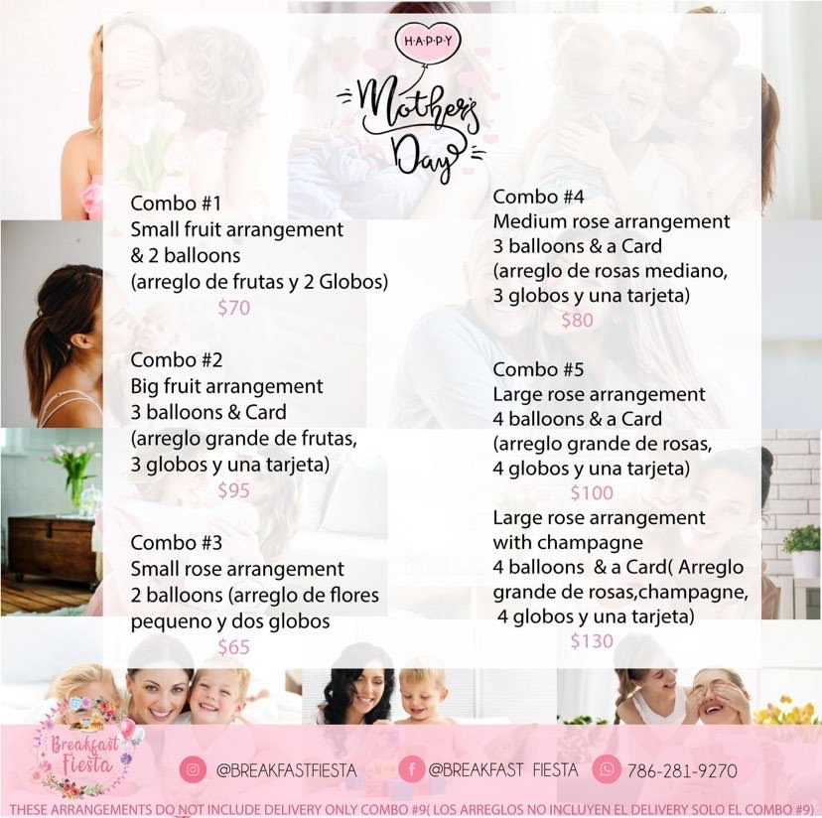
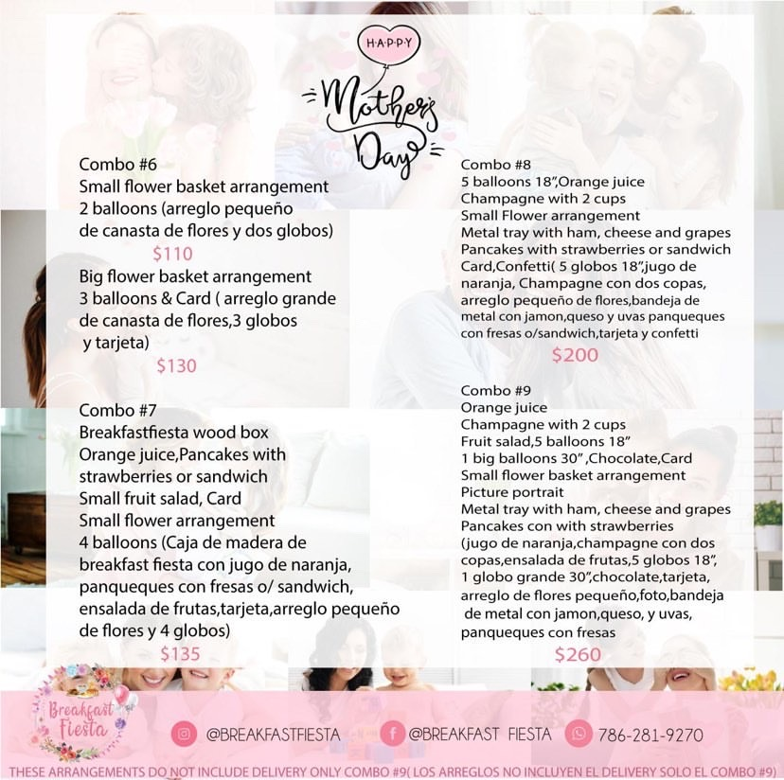
Combo #1
Combo #2
Combo #3
Combo #4
Combo #5
Combo #5 w/ champagne
Combo #6 w/ small flower
Combo #6 w/ big flower
Combo #7
Combo #8
Combo #9
Arreglo de globos
Multiple (vea notas)

Data
Ventas
Orden | 2 | Combo #1
Combo #3 | 2 | Combo #2
Combo #3 | 15 | Combo #3
Combo #7 | 17 | Combo #4
Combo #4 | 10 | Combo #5
Combo #4 | 3 | Combo #5 w/ champagne
Arreglo de globos | 0 | Combo #6 w/ small flower
Combo #3 | 0 | Combo #6 w/ big flower
Multiple (vea notas) | 8 | Combo #7
Combo #5 | 1 | Combo #8
Combo #1 | 3 | Combo #9
Multiple (vea notas) | 1 | Arreglo de globos
Combo #2 | 4 | Multiple (vea notas)
Combo #3
Combo #3
#REF!
Combo #5
Combo #5
Combo #2
Combo #5
Combo #3
Combo #5
Combo #5
Combo #3
Multiple (vea notas)
Combo #3
Combo #5
Combo #5
Combo #5 w/ champagne
Combo #7
Combo #4
Combo #7
Combo #3
Combo #4
Combo #4
Combo #9
Combo #4
Combo #3
Combo #4
Combo #9
Combo #7
Combo #4
Combo #4
Combo #5
#REF!
Combo #4
Combo #8
Combo #1
Combo #3
Combo #7
Combo #4
Combo #7
Combo #3
Combo #7
Combo #3
Combo #4
Combo #3
Combo #7
Combo #4
Combo #5 w/ champagne
Combo #4
Combo #9
Combo #5 w/ champagne
Multiple (vea notas)
Combo #3
Combo #4
Combo #5
Combo #4
Combo #4

