Data_Rate
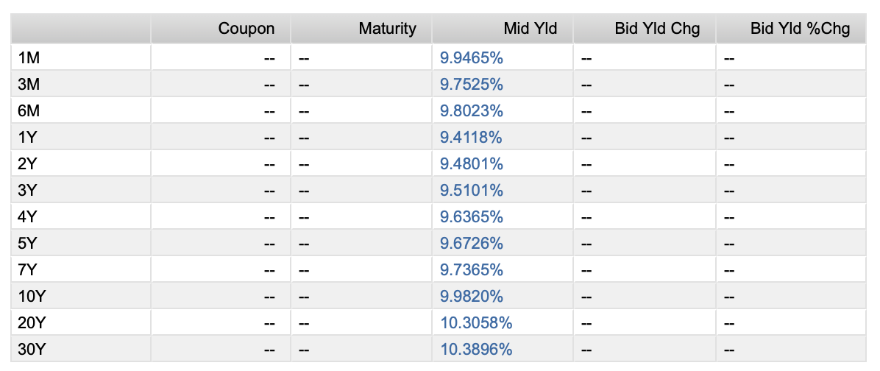
Maturity Date | Description | Currency | Price | YTM
11 Dec '24 | Government of Mexico 0.00% | MXN | 9.994 | 10.807
19 Dec '24 | Government of Mexico 0.00% | MXN | 9.973 | 9.853
26 Dec '24 | Government of Mexico 0.00% | MXN | 9.953 | 9.936
02 Jan '25 | Government of Mexico 0.00% | MXN | 9.937 | 9.541
09 Jan '25 | Government of Mexico 0.00% | MXN | 9.918 | 9.579
16 Jan '25 | Government of Mexico 0.00% | MXN | 9.90 | 9.604
23 Jan '25 | Government of Mexico 0.00% | MXN | 9.876 | 10.046
06 Feb '25 | Government of Mexico 0.00% | MXN | 9.844 | 9.651
13 Feb '25 | Government of Mexico 0.00% | MXN | 9.826 | 9.795
20 Feb '25 | Government of Mexico 0.00% | MXN | 9.808 | 9.671
06 Mar '25 | Government of Mexico 0.00% | MXN | 9.771 | 9.698
06 Mar '25 | Government of Mexico 5.00% | MXN | 98.756 | 10.139
20 Mar '25 | Government of Mexico 0.00% | MXN | 9.734 | 9.735 | 04 Mar '27 | Government of Mexico 5.50% |  |  | MXN | 92.089 | 9.454
03 Apr '25 | Government of Mexico 0.00% | MXN | 9.697 | 9.771
16 Apr '25 | Government of Mexico 0.00% | MXN | 9.663 | 9.802 | Estamos payer
30 Apr '25 | Government of Mexico 0.00% | MXN | 9.626 | 9.837 | Riesgo que bajen las tasas
15 May '25 | Government of Mexico 0.00% | MXN | 9.587 | 9.874 | Compramos bonos
29 May '25 | Government of Mexico 0.00% | MXN | 9.551 | 9.908
26 Jun '25 | Government of Mexico 0.00% | MXN | 9.479 | 9.95 | Maturity | 1-Mar-27 | 4-Mar-27
10 Jul '25 | Government of Mexico 0.00% | MXN | 9.443 | 9.971 | Settle | 26-Feb-25
24 Jul '25 | Government of Mexico 0.00% | MXN | 9.407 | 9.992 | tasa swap | 0.08 |  | yield | 9.454
21 Aug '25 | Government of Mexico 0.00% | MXN | 9.336 | 10.034
04 Sep '25 | Government of Mexico 0.00% | MXN | 9.301 | 10.054 | Nocional | 100 | m
18 Sep '25 | Government of Mexico 0.00% | MXN | 9.266 | 10.074
16 Oct '25 | Government of Mexico 0.00% | MXN | 9.196 | 10.116 | Valor del swap: |  | 4,242,400.00
30 Oct '25 | Government of Mexico 0.00% | MXN | 9.162 | 10.136 | Valor del swap +1 basis: |  | 4,269,800.00
13 Nov '25 | Government of Mexico 0.00% | MXN | 9.127 | 10.158 | DV01 SWAP |  | 27400
24 Dec '25 | Government of Mexico 0.00% | MXN | 9.038 | 9.82
19 Feb '26 | Government of Mexico 0.00% | MXN | 8.897 | 9.867 | Valor del bono: |  | 92.8966
16 Apr '26 | Government of Mexico 0.00% | MXN | 8.76 | 9.909 | Valor del bono +1 basis: |  | 92.8794
11 Jun '26 | Government of Mexico 0.00% | MXN | 8.624 | 9.948 | DV01 BONO |  | 0.0172
06 Aug '26 | Government of Mexico 0.00% | MXN | 8.49 | 9.985
03 Sep '26 | Government of Mexico 7.00% | MXN | 96.162 | 9.404 | Cantidad de bonos a comprar |  |  | 1,593,023.26
01 Oct '26 | Government of Mexico 0.00% | MXN | 8.357 | 10.021
04 Mar '27 | Government of Mexico 5.50% | MXN | 92.089 | 9.454
01 Mar '29 | Government of Mexico 8.50% | MXN | 95.72 | 9.735
26 May '33 | Government of Mexico 7.50% | MXN | 86.246 | 9.915
24 May '35 | Government of Mexico 8.00% | MXN | 87.112 | 9.996
31 Jul '53 | Government of Mexico 8.00% | MXN | 78.496 | 10.345
...

Data_Derivatives
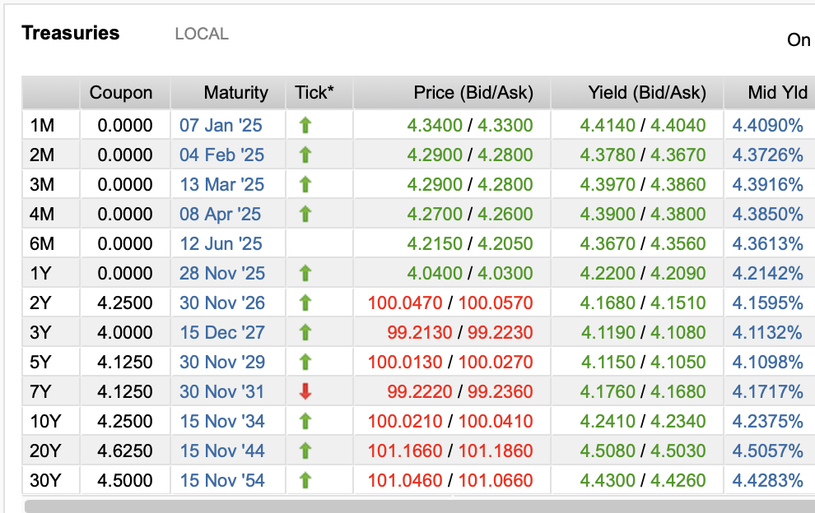
Calcular la delta total de los calls, la delta total de los puts y la delta neta de todo. El precio Spot es de $2,694 USD.

CALLS VENDIDOS |  |  | PUTS VENDIDOS
Plazo / Strike | 2650 | 2670 | Plazo / Strike | 2730 | 2740
3m | 21 | 25 | 3m | 45 | 10
12m | 28 | 33 | 12m | 12 | 43
nocionales expresados en millones de títulos |  |  | nocionales expresados en millones de títulos

Volatilidad ímplicita por K y plazo CALLS |  |  | Volatilidad ímplicita por K y plazo PUTS
Plazo / Strike | 2650 | 2670 | Plazo / Strike | 2730 | 2740
3m | 0.31 | 0.28 | 3m | 0.35 | 0.36
12m | 0.43 | 0.37 | 12m | 0.51 | 0.58

