Data_Equities
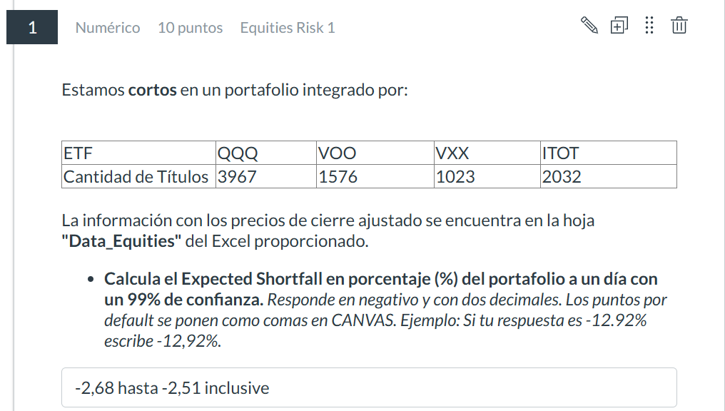
Date | QQQ | VOO | VXX | ITOT
2023-12-08 | 392.17001343 | 422.92001343 | 16.75 | 101.44000244
2023-12-07 | 390.42999268 | 421.13000488 | 17.25 | 100.98999786
2023-12-06 | 385.04998779 | 417.85998535 | 17.239999771 | 100.23999786
2023-12-05 | 387.29000854 | 419.60998535 | 17.159999847 | 100.58000183
2023-12-04 | 386.32000732 | 419.73999023 | 17.280000687 | 100.77999878
2023-12-01 | 389.94000244 | 421.85998535 | 17.229999542 | 101.13999939
2023-11-30 | 388.82998657 | 419.3999939 | 17.290000916 | 100.31999969 | -2.59
2023-11-29 | 389.80999756 | 417.77999878 | 17.559999466 | 99.86000061
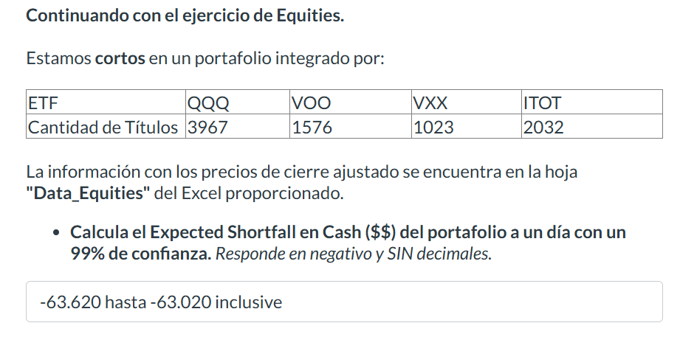
2023-11-28 | 390.19000244 | 418.04998779 | 17.309999466 | 99.839996338
2023-11-27 | 389.17001343 | 417.64001465 | 17.540000916 | 99.75
2023-11-24 | 389.51000977 | 418.36999512 | 17.420000076 | 99.910003662
2023-11-22 | 390.05999756 | 418.14001465 | 18.200000763 | 99.839996338 | -63,322
2023-11-21 | 388.47000122 | 416.33999634 | 18.059999466 | 99.379997253
2023-11-20 | 390.73999023 | 417.42999268 | 18.420000076 | 99.690002441
2023-11-17 | 386.04000854 | 414.30999756 | 18.559999466 | 98.919998169
2023-11-16 | 385.95001221 | 413.70001221 | 18.850000381 | 98.690002441
2023-11-15 | 385.61999512 | 413.11999512 | 19.149999619 | 98.739997864
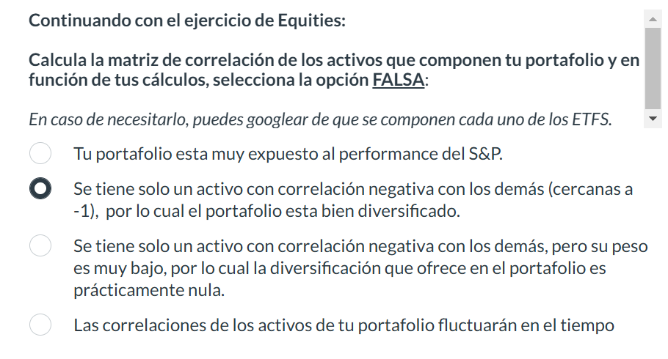
2023-11-14 | 385.32998657 | 412.22000122 | 19.559999466 | 98.480003357
2023-11-13 | 377.20999146 | 404.45001221 | 19.709999084 | 96.330001831
2023-11-10 | 378.39001465 | 404.85998535 | 19.930000305 | 96.38999939
2023-11-09 | 370.07000732 | 398.64001465 | 20.770000458 | 94.970001221
2023-11-08 | 372.94000244 | 401.67001343 | 20 | 95.769996643
2023-11-07 | 372.70001221 | 401.33999634 | 20.379999161 | 95.800003052
2023-11-06 | 369.20999146 | 400.20999146 | 20.479999542 | 95.480003357
2023-11-03 | 367.70999146 | 399.44000244 | 21.180000305 | 95.449996948
2023-11-02 | 363.44000244 | 395.77999878 | 21.690000534 | 94.379997253
2023-11-01 | 356.95999146 | 388.3999939 | 22.459999084 | 92.550003052
2023-10-31 | 350.86999512 | 384.17001343 | 23.450000763 | 91.669998169
2023-10-30 | 349.20001221 | 381.85998535 | 25.059999466 | 91.059997559
2023-10-27 | 345.30999756 | 377.32000732 | 27.079999924 | 90.040000916
2023-10-26 | 343.66000366 | 379 | 26.209999084 | 90.519996643
2023-10-25 | 350.33999634 | 383.70999146 | 25.979999542 | 91.440002441
2023-10-24 | 359.13000488 | 389.20001221 | 24.38999939 | 92.870002747
2023-10-23 | 355.67001343 | 386.30999756 | 25.549999237 | 92.13999939
2023-10-20 | 354.6000061 | 386.98999023 | 26.459999084 | 92.410003662
2023-10-19 | 359.97000122 | 391.86999512 | 26.299999237 | 93.569999695
2023-10-18 | 363.36999512 | 395.22000122 | 25.059999466 | 94.470001221
2023-10-17 | 368.20001221 | 400.57998657 | 23.549999237 | 95.849998474
2023-10-16 | 369.41000366 | 400.57000732 | 22.909999847 | 95.760002136
2023-10-13 | 365.27999878 | 396.42001343 | 25.319999695 | 94.650001526
2023-10-12 | 369.92999268 | 398.51998901 | 22.600000381 | 95.180000305
2023-10-11 | 371.22000122 | 400.92999268 | 22.120000839 | 95.940002441
2023-10-10 | 368.58999634 | 399.23999023 | 22.530000687 | 95.599998474
2023-10-09 | 366.55999756 | 397.19000244 | 23.309999466 | 95.050003052
2023-10-06 | 364.70001221 | 394.55999756 | 23.63999939 | 94.449996948
2023-10-05 | 358.69000244 | 389.91000366 | 23.940000534 | 93.269996643
2023-10-04 | 359.75 | 390.23999023 | 24.280000687 | 93.400001526
2023-10-03 | 354.92001343 | 387.39001465 | 25.559999466 | 92.680000305
2023-10-02 | 361.26000977 | 392.67001343 | 23.36000061 | 94.029998779
2023-09-29 | 358.26998901 | 392.70001221 | 23.319999695 | 94.190002441
2023-09-28 | 358.01000977 | 393.64001465 | 22.870000839 | 94.489997864
2023-09-27 | 355.04000854 | 391.35699463 | 23.969999313 | 93.819999695
2023-09-26 | 354.20999146 | 391.26733398 | 25.040000916 | 93.720001221
2023-09-25 | 359.60998535 | 397.09509277 | 22.899999619 | 95.056999207
2023-09-22 | 357.91000366 | 395.45135498 | 22.870000839 | 94.688713074
2023-09-21 | 357.85998535 | 396.40774536 | 22.809999466 | 94.917648315
2023-09-20 | 364.54000854 | 403.01251221 | 21.180000305 | 96.540084839
2023-09-19 | 369.86999512 | 406.81799316 | 20.409999847 | 97.435913086
2023-09-18 | 370.66000366 | 407.6348877 | 20.510000229 | 97.644935608
2023-09-15 | 370.27398682 | 407.18658447 | 20.680000305 | 97.654891968
2023-09-14 | 376.72467041 | 412.32699585 | 19.909999847 | 98.839378357
2023-09-13 | 373.66906738 | 408.79049683 | 20.510000229 | 97.97341156
2023-09-12 | 372.25115967 | 408.31231689 | 20.930000305 | 97.95350647
2023-09-11 | 376.42510986 | 410.5138855 | 20.780000687 | 98.451187134
2023-09-08 | 372.04144287 | 407.83413696 | 21.280000687 | 97.844017029
2023-09-07 | 371.52218628 | 407.27624512 | 21.709999084 | 97.724571228
2023-09-06 | 374.19830322 | 408.49160767 | 21.739999771 | 98.082901001
2023-09-05 | 377.52352905 | 411.33078003 | 21.350000381 | 98.680114746
2023-09-01 | 377.04418945 | 413.13391113 | 21.209999084 | 99.24747467
2023-08-31 | 377.44360352 | 412.25723267 | 21.5 | 98.948867798
2023-08-30 | 376.31524658 | 412.78521729 | 21.989999771 | 99.028488159
2023-08-29 | 374.22827148 | 411.07180786 | 22.670000076 | 98.620399475
2023-08-28 | 366.2298584 | 405.3137207 | 23.25 | 97.197029114
2023-08-25 | 363.49380493 | 402.66387939 | 24.200000763 | 96.579902649
2023-08-24 | 360.69787598 | 400.01397705 | 25.299999237 | 95.922966003
2023-08-23 | 368.57644653 | 405.40341187 | 24.305000305 | 97.216934204
2023-08-22 | 362.85473633 | 401.07989502 | 25.13999939 | 96.131996155
2023-08-21 | 363.37399292 | 402.20559692 | 25.030000687 | 96.470413208
2023-08-18 | 357.61233521 | 399.56567383 | 25.709999084 | 95.893104553
2023-08-17 | 358.06167603 | 399.19708252 | 26.379999161 | 95.793563843
2023-08-16 | 362.01596069 | 402.45465088 | 25.170000076 | 96.589859009
2023-08-15 | 365.89035034 | 405.45321655 | 24.770000458 | 97.366241455
2023-08-14 | 369.81466675 | 410.15527344 | 23.420000076 | 98.481048584
2023-08-11 | 365.71060181 | 407.85406494 | 23.829999924 | 98.023178101
2023-08-10 | 368.05722046 | 408.2326355 | 24.799999237 | 98.112762451
2023-08-09 | 367.37820435 | 407.99349976 | 24.690000534 | 98.112762451
2023-08-08 | 371.46228027 | 410.72311401 | 24.909999847 | 98.799560547
2023-08-07 | 374.64767456 | 412.50628662 | 24.479999542 | 99.297241211
2023-08-04 | 371.50222778 | 408.82037354 | 25.829999924 | 98.461135864
2023-08-03 | 373.24969482 | 410.83270264 | 24.940000534 | 98.918998718
2023-08-02 | 373.84884644 | 411.9982605 | 25.020000458 | 99.19770813
2023-08-01 | 382.23669434 | 417.78616333 | 22.950000763 | 100.60116577
2023-07-31 | 383.12539673 | 419.08120728 | 22.600000381 | 100.91967773
2023-07-28 | 382.9256897 | 418.27429199 | 22.899999619 | 100.65093231
2023-07-27 | 376.07559204 | 414.23971558 | 23.799999237 | 99.565986633
2023-07-26 | 376.9743042 | 417.06890869 | 22.670000076 | 100.32246399
2023-07-25 | 378.23248291 | 416.9692688 | 23.290000916 | 100.23287964
2023-07-24 | 375.68618774 | 415.74395752 | 23.299999237 | 100.02384949
2023-07-21 | 375.08703613 | 413.99066162 | 23.700000763 | 99.655570984
2023-07-20 | 376.21542358 | 413.94082642 | 23.989999771 | 99.635658264
2023-07-19 | 385.09255981 | 416.66046143 | 23.899999619 | 100.3722229
2023-07-18 | 385.18240356 | 415.7638855 | 23.479999542 | 100.10348511
2023-07-17 | 382.0569458 | 412.63580322 | 23.870000839 | 99.337059021
2023-07-14 | 378.52206421 | 411.20126343 | 23.920000076 | 98.899093628
2023-07-13 | 378.60192871 | 411.5300293 | 24.209999084 | 99.12802887
2023-07-12 | 372.28109741 | 408.20272827 | 24.069999695 | 98.252113342
2023-07-11 | 367.6378479 | 405.01489258 | 25.469999313 | 97.525497437
2023-07-10 | 365.83041382 | 402.4347229 | 25.659999847 | 96.73916626
2023-07-07 | 365.71060181 | 401.3588562 | 25.829999924 | 96.331062317
2023-07-06 | 366.92883301 | 402.29525757 | 26.510000229 | 96.460464478
2023-07-05 | 369.74478149 | 405.60263062 | 25.069999695 | 97.306518555
2023-07-03 | 369.75476074 | 406.50918579 | 24.739999771 | 97.585220337
2023-06-30 | 368.88601685 | 405.73214722 | 25 | 97.386146545
2023-06-29 | 363.28411865 | 400.98028564 | 25.370000839 | 96.331062317
2023-06-28 | 364.01306152 | 399.45007324 | 24.829999924 | 95.873199463
2023-06-27 | 363.30407715 | 399.27148438 | 25.770000458 | 95.763710022
2023-06-26 | 357.16296387 | 394.89544678 | 26.430000305 | 94.628997803
2023-06-23 | 362.01596069 | 396.53271484 | 26.479999542 | 94.917648315
2023-06-22 | 365.64071655 | 399.5295105 | 26.149999619 | 95.773658752
2023-06-21 | 361.37689209 | 398.08074951 | 26.790000916 | 95.50491333
2023-06-20 | 366.36965942 | 400.27371216 | 27.350000381 | 96.042404175
2023-06-16 | 366.89489746 | 402.1293335 | 27.299999237 | 96.530136108
2023-06-15 | 369.21835327 | 403.61773682 | 28.299999237 | 96.878517151
2023-06-14 | 364.87060547 | 398.50741577 | 27.569999695 | 95.753753662
2023-06-13 | 362.23803711 | 398.1998291 | 28.420000076 | 95.713943481
2023-06-12 | 359.47579956 | 395.59005737 | 28.489999771 | 94.987327576
2023-06-09 | 353.50268555 | 391.98800659 | 28.36000061 | 94.131317139
2023-06-08 | 352.15646362 | 391.33309937 | 28.209999084 | 94.081542969
2023-06-07 | 347.83865356 | 389.00119019 | 28.909999847 | 93.613731384
2023-06-06 | 353.84170532 | 390.28128052 | 28.780000687 | 93.819763184
2023-06-05 | 353.90155029 | 389.47750854 | 30.61000061 | 93.363273621
2023-06-02 | 353.6522522 | 390.23165894 | 31.180000305 | 93.60144043
2023-06-01 | 351.01968384 | 384.58547974 | 32.490001678 | 92.073173523
2023-05-31 | 347.01095581 | 380.93380737 | 34.459999084 | 91.180023193
2023-05-30 | 348.99539185 | 383.01763916 | 34.729999542 | 91.715911865
2023-05-26 | 347.41983032 | 382.89855957 | 35.650001526 | 91.676216125
2023-05-25 | 338.76425171 | 377.98669434 | 37.069999695 | 90.475440979
2023-05-24 | 330.71694946 | 374.72201538 | 37.959999084 | 89.880012512
2023-05-23 | 332.42211914 | 377.55007935 | 36.490001678 | 90.574668884
2023-05-22 | 336.69012451 | 381.81695557 | 35.810001373 | 91.557136536
2023-05-19 | 335.56329346 | 381.60858154 | 35.770000458 | 91.388427734
2023-05-18 | 336.32113647 | 382.21386719 | 34.900001526 | 91.586906433
2023-05-17 | 330.18844604 | 378.51260376 | 36.36000061 | 90.703689575
2023-05-16 | 326.23959351 | 374.04724121 | 37.61000061 | 89.512825012
2023-05-15 | 325.8706665 | 376.53790283 | 36.5 | 90.247192383
2023-05-12 | 324.11560059 | 375.23797607 | 37.509998322 | 89.810539246
2023-05-11 | 325.2822876 | 375.74407959 | 37.470001221 | 89.959403992
2023-05-10 | 324.22531128 | 376.26998901 | 37.840000153 | 90.207496643
2023-05-09 | 320.73513794 | 374.63272095 | 39.029998779 | 89.800613403
2023-05-08 | 322.77935791 | 376.26004028 | 38.11000061 | 90.138031006
2023-05-05 | 321.9815979 | 376.05166626 | 38.75 | 90.108261108
2023-05-04 | 315.2805481 | 369.27432251 | 42.060001373 | 88.4112854
2023-05-03 | 316.39733887 | 371.99319458 | 40.099998474 | 89.09602356
2023-05-02 | 318.48147583 | 374.60296631 | 38.88999939 | 89.612068176
2023-05-01 | 321.28356934 | 378.8500061 | 37.240001678 | 90.743385315
2023-04-28 | 321.65252686 | 379.10794067 | 37.86000061 | 90.773155212
2023-04-27 | 319.44876099 | 375.89291382 | 39.430000305 | 89.999099731
2023-04-26 | 310.99258423 | 368.57965088 | 41.220001221 | 88.351737976
2023-04-25 | 309.1178894 | 370.22689819 | 42.290000916 | 88.738769531
2023-04-24 | 315.06115723 | 376.17077637 | 38.990001678 | 90.27696991
2023-04-21 | 315.7192688 | 375.67462158 | 39.200000763 | 90.237266541
2023-04-20 | 315.39019775 | 375.45629883 | 39.950000763 | 90.147949219
2023-04-19 | 317.81335449 | 377.58972168 | 39.090000153 | 90.703689575
2023-04-18 | 317.96292114 | 377.60961914 | 39.240001678 | 90.673912048
2023-04-17 | 317.94299316 | 377.35159302 | 39.5 | 90.614372253
2023-04-14 | 317.67376709 | 376.0715332 | 40.61000061 | 90.227340698
2023-04-13 | 318.27206421 | 376.84552002 | 41.340000153 | 90.515136719
2023-04-12 | 312.15933228 | 372.02294922 | 42.900001526 | 89.324279785
2023-04-11 | 314.94146729 | 373.51141357 | 42.63999939 | 89.731147766
2023-04-10 | 316.97570801 | 373.46176147 | 43.060001373 | 89.621986389
2023-04-06 | 317.15518188 | 373.05496216 | 43.479999542 | 89.443359375
2023-04-05 | 315.03121948 | 371.63592529 | 44.259998322 | 89.155570984
2023-04-04 | 318.17236328 | 372.53894043 | 44.669998169 | 89.46321106
2023-04-03 | 319.2492981 | 374.65252686 | 43.909999847 | 90.118179321
2023-03-31 | 320.02709961 | 373.17401123 | 44.909999847 | 89.860168457
2023-03-30 | 314.79190063 | 368.03393555 | 45.11000061 | 88.520446777
2023-03-29 | 311.84020996 | 365.8508606 | 45.11000061 | 88.054023743
2023-03-28 | 306.25595093 | 360.72064209 | 46.63999939 | 86.773857117
2023-03-27 | 307.89138794 | 361.35574341 | 47.970001221 | 86.932640076
2023-03-24 | 310.01538086 | 360.76034546 | 49.740001678 | 86.694458008
2023-03-23 | 308.87857056 | 358.37188721 | 51.88999939 | 86.13873291
2023-03-22 | 305.25878906 | 357.52203369 | 50.540000916 | 85.997817993
2023-03-21 | 309.46691895 | 363.55020142 | 48.459999084 | 87.598968506
2023-03-20 | 305.10922241 | 358.85610962 | 53.099998474 | 86.314086914
2023-03-17 | 304.0302124 | 355.64434814 | 55.959999084 | 85.572822571
2023-03-16 | 305.47390747 | 359.57751465 | 50.459999084 | 86.679779053
2023-03-15 | 297.62823486 | 353.52954102 | 54.959999084 | 85.197235107
2023-03-14 | 296.07504272 | 355.72341919 | 51.659999847 | 85.879211426
2023-03-13 | 289.4241333 | 349.91259766 | 54.540000916 | 84.505386353
2023-03-10 | 287.29345703 | 350.50552368 | 52.930000305 | 84.732711792
2023-03-09 | 291.3855896 | 355.60479736 | 47.509998322 | 86.205375671
2023-03-08 | 296.52307129 | 362.23587036 | 43.049999237 | 87.935012817
2023-03-07 | 295.04949951 | 361.67260742 | 43.770000458 | 87.806526184
2023-03-06 | 298.71347046 | 367.35491943 | 42.840000153 | 89.160591125
2023-03-03 | 298.375 | 366.91018677 | 43.599998474 | 89.259422302
2023-03-02 | 292.3314209 | 361.18835449 | 44.880001068 | 87.855941772
2023-03-01 | 289.9319458 | 358.51022339 | 46.599998474 | 87.243156433
2023-02-28 | 292.28161621 | 359.82458496 | 46.159999847 | 87.549552917
2023-02-27 | 292.65997314 | 361.18835449 | 47.119998932 | 87.776870728
2023-02-24 | 290.57910156 | 359.94317627 | 49 | 87.5001297
2023-02-23 | 295.52746582 | 363.83682251 | 47.159999847 | 88.448959351
2023-02-22 | 292.96862793 | 362.01843262 | 48.880001068 | 87.935012817
2023-02-21 | 292.74957275 | 362.47305298 | 50.319999695 | 88.033851624
2023-02-17 | 299.84854126 | 369.81561279 | 46.680000305 | 89.941398621
2023-02-16 | 301.97921753 | 370.77416992 | 46.720001221 | 90.16872406
2023-02-15 | 307.75396729 | 376.00192261 | 44.279998779 | 91.394302368
2023-02-14 | 305.41418457 | 374.74688721 | 45.200000763 | 90.939659119
2023-02-13 | 303.17401123 | 374.88522339 | 46.759998322 | 90.890228271
2023-02-10 | 298.39492798 | 370.60614014 | 48.680000305 | 89.862335205
2023-02-09 | 300.36627197 | 369.70687866 | 48.119998932 | 89.694313049
2023-02-08 | 303.04458618 | 372.89886475 | 46.63999939 | 90.544303894
2023-02-07 | 308.5305481 | 377.02966309 | 44.959999084 | 91.611740112
2023-02-06 | 302.26797485 | 372.22689819 | 46.400001526 | 90.445465088
2023-02-03 | 304.84667969 | 374.39111328 | 45.279998779 | 91.127433777
2023-02-02 | 310.36254883 | 378.43295288 | 44.840000153 | 92.066383362
2023-02-01 | 299.60958862 | 373.0866394 | 43.919998169 | 90.662910461
2023-01-31 | 293.33700562 | 369.04476929 | 45.279998779 | 89.615234375
2023-01-30 | 289.00598145 | 363.87631226 | 46.319999695 | 88.211753845
2023-01-27 | 294.96987915 | 368.48147583 | 45.200000763 | 89.427452087
2023-01-26 | 292.06256104 | 367.43395996 | 45.799999237 | 89.061752319
2023-01-25 | 286.47702026 | 363.55020142 | 46.520000458 | 88.112915039
2023-01-24 | 287.11422729 | 363.42175293 | 46.439998627 | 88.083274841
2023-01-23 | 287.70162964 | 363.80718994 | 48.319999695 | 88.241409302
2023-01-20 | 281.44897461 | 359.42926025 | 48.680000305 | 87.104782104
2023-01-19 | 273.95181274 | 352.93661499 | 50.479999542 | 85.493743896
2023-01-18 | 276.66989136 | 355.49615479 | 50.200000763 | 86.175727844
2023-01-17 | 280.31396484 | 361.36624146 | 48.479999542 | 87.51990509
2023-01-13 | 279.74645996 | 361.91964722 | 48.080001831 | 87.648384094
2023-01-12 | 277.83480835 | 360.51635742 | 49.319999695 | 87.302459717
2023-01-11 | 276.34133911 | 359.17236328 | 51.880001068 | 86.837928772
2023-01-10 | 271.64187622 | 354.64627075 | 51.63999939 | 85.740844727
2023-01-09 | 269.36190796 | 352.13613892 | 53.880001068 | 85.048988342
2023-01-06 | 267.62945557 | 352.39309692 | 53.599998474 | 85.039100647
2023-01-05 | 260.44088745 | 344.556427 | 54.880001068 | 83.141433716
2023-01-04 | 264.58276367 | 348.36114502 | 54.439998627 | 84.139686584
2023-01-03 | 263.32827759 | 345.87075806 | 55.959999084 | 83.437942505

Data_Rate
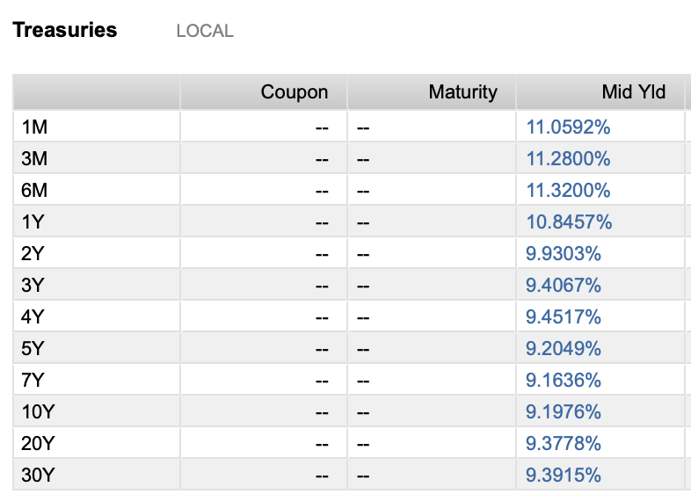
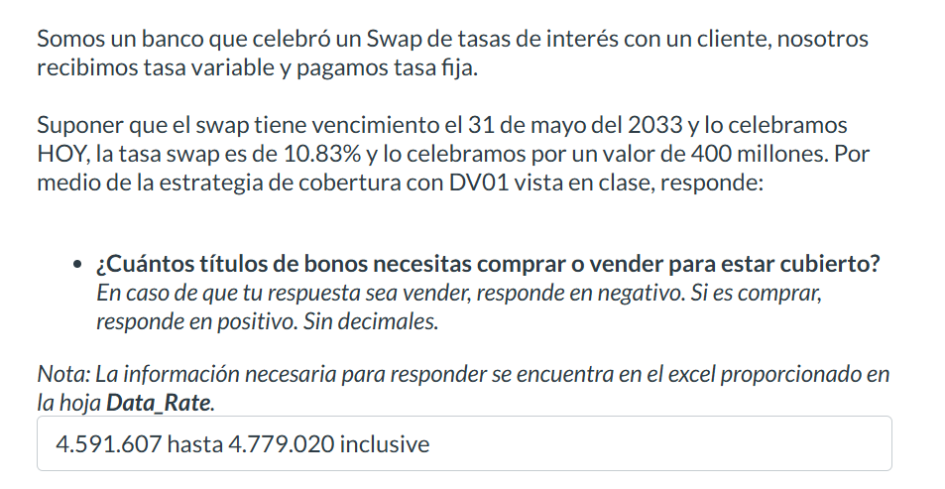
Maturity Date | Amt Out (MXN) | Identifier | Description | Cur | Deal Type | Security Type | Price | YTM | Close Date
2024 | 1,618.1
15 Feb '24 | - | MX92FO0O00S0 | Bank of Mexico 0.10% | MXN | Debt | Sovereign Commercial Paper | - | - | 18 Jan '24
15 Feb '24 | 29.9 | MXBIGO000VD4 | Government of Mexico 0.00% | MXN | Debt | Sovereign Bill/Discount Note | 9.983 | 10.035 | 16 Nov '23
22 Feb '24 | 58.8 | MXBIGO000UA2 | Government of Mexico 0.00% | MXN | Debt | Sovereign Bill/Discount Note | 9.963 | 10.348 | 24 Aug '23
22 Feb '24 | - | MX92FE040791 | Bank of Mexico 11.75% | MXN | Debt | Sovereign Commercial Paper | - | - | 23 Feb '23
29 Feb '24 | 29.4 | MXBIGO000VF9 | Government of Mexico 0.00% | MXN | Debt | Sovereign Bill/Discount Note | 9.945 | 9.884 | 30 Nov '23
29 Feb '24 | - | MX92FE0407B5 | Bank of Mexico 11.78% | MXN | Debt | Sovereign Commercial Paper | - | - | 02 Mar '23
29 Feb '24 | 49.6 | MXLFGO000122 | Government of Mexico 11.50% | MXN | Debt | Sovereign Bond/Note | - | - | 03 Mar '22
07 Mar '24 | 68.2 | MXBIGO000UE4 | Government of Mexico 0.00% | MXN | Debt | Sovereign Bill/Discount Note | 9.922 | 10.508 | 09 Mar '23
07 Mar '24 | - | MX92FE0407E9 | Bank of Mexico 11.80% | MXN | Debt | Sovereign Commercial Paper | - | - | 09 Mar '23
14 Mar '24 | 11.3 | MXBIGO000VI3 | Government of Mexico 0.00% | MXN | Debt | Sovereign Commercial Paper | 9.901 | 10.558 | 14 Dec '23
14 Mar '24 | 35.6 | MXLFGO0002R4 | Government of Mexico 11.50% | MXN | Debt | Sovereign Bond/Note | - | - | 16 Mar '23
21 Mar '24 | - | MX92FO0O00B6 | Bank of Mexico 11.77% | MXN | Debt | Sovereign Commercial Paper | - | - | 05 Oct '23
21 Mar '24 | 33.6 | MXBIGO000V45 | Government of Mexico 0.00% | MXN | Debt | Sovereign Bill/Discount Note | 9.881 | 10.598 | 21 Sep '23
21 Mar '24 | 45.3 | MXLFGO000189 | Government of Mexico 11.50% | MXN | Debt | Sovereign Bond/Note | - | - | 24 Mar '22
27 Mar '24 | 8.7 | MXBIGO000VK9 | Government of Mexico 0.00% | MXN | Debt | Sovereign Bill/Discount Note | 9.863 | 10.629 | 28 Dec '23
28 Mar '24 | - | MX92FO0O0085 | Bank of Mexico 11.77% | MXN | Debt | Sovereign Commercial Paper | - | - | 21 Sep '23
04 Apr '24 | - | MX92FO0O00E0 | Bank of Mexico 11.76% | MXN | Debt | Sovereign Commercial Paper | - | - | 19 Oct '23 |  |  |  |  | ASUME QUE "HOY" ES 20 DE FEBRERO DEL 2024
04 Apr '24 | 70.7 | MXBIGO000UH7 | Government of Mexico 0.00% | MXN | Debt | Sovereign Bill/Discount Note | 9.84 | 10.665 | 05 Apr '23 | Recibimos variable
04 Apr '24 | 25.6 | MXLDGO0004Y1 | Government of Mexico 11.50% | MXN | Debt | Sovereign Bond/Note | - | - | 08 Apr '21 | Pagamos fija
11 Apr '24 | 21.5 | MXBIGO000VL7 | Government of Mexico 0.00% | MXN | Debt | Sovereign Bill/Discount Note | 9.811 | 11.185 | 11 Jan '24
18 Apr '24 | - | MX92FO0O00H3 | Bank of Mexico 11.78% | MXN | Debt | Sovereign Commercial Paper | - | - | 01 Nov '23 | Estamos payers
18 Apr '24 | 53.9 | MXBIGO000V94 | Government of Mexico 0.00% | MXN | Debt | Sovereign Bill/Discount Note | 9.799 | 10.723 | 19 Oct '23 | Nuestro riesgo es que las tasas bajen
22 Apr '24 | 3.5 | MX95FE040228 | Bank of Mexico 11.64% | MXN | Debt | Sovereign Bond/Note | - | - | 26 Apr '21 | Por lo tanto compramos bonos
25 Apr '24 | 13.5 | MXBIGO000VN3 | Government of Mexico 0.00% | MXN | Debt | Sovereign Bill/Discount Note | 9.769 | 11.22 | 25 Jan '24
25 Apr '24 | 48.4 | MXLFGO0001M7 | Government of Mexico 11.50% | MXN | Debt | Sovereign Bond/Note | - | - | 05 May '22 | Matturity | 2033-05-31 |  | (SE USA EL DEL BONO MAS CERCANO A LA FECHA)
02 May '24 | - | MX92FO0O00L5 | Bank of Mexico 11.78% | MXN | Debt | Sovereign Commercial Paper | - | - | 16 Nov '23 | Settle | 2024-02-20
02 May '24 | 75.4 | MXBIGO000UK1 | Government of Mexico 0.00% | MXN | Debt | Sovereign Bill/Discount Note | 9.758 | 10.775 | 04 May '23
09 May '24 | - | MXBIGO000VP8 | Government of Mexico 0.00% | MXN | Debt | Sovereign Bill/Discount Note | - | - | 08 Feb '24 | Tasa swap | 0.1083
09 May '24 | 18.8 | MXIMBP0601H4 | Government of Mexico 11.50% | MXN | Debt | Sovereign Bond/Note | - | - | 13 May '21
16 May '24 | - | MX92FO0O00N1 | Bank of Mexico 11.78% | MXN | Debt | Sovereign Commercial Paper | - | - | 30 Nov '23 | Nocional | 400 | M |  | 26 May '33 | 288.1 | MX0MGO0001D6 | Government of Mexico 7.50% | MXN | Debt | Sovereign Bond/Note | 89.492 | 9.185 | 15 Dec '22
16 May '24 | 31.4 | MXBIGO000VE2 | Government of Mexico 0.00% | MXN | Debt | Sovereign Bill/Discount Note | 9.717 | 10.809 | 16 Nov '23
23 May '24 | 48.8 | MXLFGO0001S4 | Government of Mexico 11.15% | MXN | Debt | Sovereign Bond/Note | - | - | 25 May '23
30 May '24 | - | MX92FO0O00Q4 | Bank of Mexico 0.29% | MXN | Debt | Sovereign Commercial Paper | - | - | 14 Dec '23 | Valor del swap |  | 61,240,000.00
30 May '24 | 67.5 | MXBIGO000UO3 | Government of Mexico 0.00% | MXN | Debt | Sovereign Bill/Discount Note | 9.677 | 10.841 | 01 Jun '23 | Valor del swap +1 basis |  | 61,508,000.00
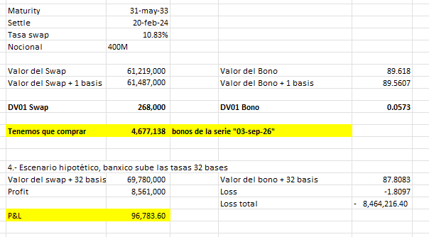
30 May '24 | 4.8 | MXLDGO000520 | Government of Mexico 11.50% | MXN | Debt | Sovereign Bond/Note | - | - | 03 Jun '21
13 Jun '24 | 25.9 | MXBIGO000VH5 | Government of Mexico 0.00% | MXN | Debt | Sovereign Commercial Paper | 9.636 | 10.871 | 14 Dec '23 | DV01 swap |  | $268,000.00
27 Jun '24 | 59.0 | MXBIGO000UQ8 | Government of Mexico 0.00% | MXN | Debt | Sovereign Bill/Discount Note | 9.596 | 10.901 | 29 Jun '23
04 Jul '24 | - | MX92FO0O00T8 | Bank of Mexico 0.28% | MXN | Debt | Sovereign Commercial Paper | - | - | 18 Jan '24
11 Jul '24 | 36.7 | MXBIGO000VM5 | Government of Mexico 0.00% | MXN | Debt | Sovereign Bill/Discount Note | 9.543 | 11.277 | 11 Jan '24 | Valor del bono |  | 89.6466
25 Jul '24 | 65.4 | MXBIGO000UW6 | Government of Mexico 0.00% | MXN | Debt | Sovereign Bill/Discount Note | 9.501 | 11.324 | 27 Jul '23 | Valor del bono +1 basis |  | 89.5893
25 Jul '24 | 40.7 | MXLFGO0002C6 | Government of Mexico 11.50% | MXN | Debt | Sovereign Bond/Note | - | - | 28 Jul '22
01 Aug '24 | 12.1 | MXLDGO000561 | Government of Mexico 11.50% | MXN | Debt | Sovereign Bond/Note | - | - | 12 Aug '21 | DV01 bono |  | 0.0573
08 Aug '24 | - | MX92FO0O0036 | Bank of Mexico 11.77% | MXN | Debt | Sovereign Commercial Paper | - | - | 10 Aug '23
15 Aug '24 | 58.3 | MXLFGO0002U8 | Government of Mexico 11.50% | MXN | Debt | Sovereign Bill/Discount Note | - | - | 17 Aug '23
22 Aug '24 | 39.0 | MXBIGO000UZ9 | Government of Mexico 0.00% | MXN | Debt | Sovereign Bill/Discount Note | 9.438 | 10.993 | 24 Aug '23 | Cantidad de bonos a vender |  |  | 4,677,137.87
22 Aug '24 | - | MX92FO0O0069 | Bank of Mexico 11.78% | MXN | Debt | Sovereign Commercial Paper | - | - | 24 Aug '23
19 Sep '24 | 25.5 | MXBIGO000V37 | Government of Mexico 0.00% | MXN | Debt | Sovereign Bill/Discount Note | 9.361 | 11.018 | 21 Sep '23
19 Sep '24 | - | MX92FO0O0093 | Bank of Mexico 11.79% | MXN | Debt | Sovereign Commercial Paper | - | - | 21 Sep '23 | Si las tasas suben 32 basis
03 Oct '24 | - | MX92FO0O00C4 | Bank of Mexico 11.78% | MXN | Debt | Sovereign Commercial Paper | - | - | 05 Oct '23
03 Oct '24 | 65.0 | MXBIGO000TL1 | Government of Mexico 0.00% | MXN | Debt | Sovereign Bond/Note | 9.323 | 11.03 | 13 Oct '22 | Valor del swap +32 basis |  | 69,812,000.00
03 Oct '24 | 54.2 | MXLFGO000015 | Government of Mexico 11.50% | MXN | Debt | Sovereign Bond/Note | - | - | 07 Oct '21 | Ganancia en el swap |  | 8,572,000.00
10 Oct '24 | - | MX95FE040277 | Bank of Mexico 11.76% | MXN | Debt | Sovereign Bond/Note | - | - | 27 Apr '23
17 Oct '24 | 38.4 | MXBIGO000V86 | Government of Mexico 0.00% | MXN | Debt | Sovereign Bill/Discount Note | 9.279 | 11.145 | 19 Oct '23 | Valor del bono +32 basis |  | 87.8362
17 Oct '24 | - | MX92FO0O00F7 | Bank of Mexico 0.30% | MXN | Debt | Sovereign Commercial Paper | - | - | 19 Oct '23 | Perdida en los bonos |  | -1.8104
24 Oct '24 | 44.4 | MXLFGO0002N3 | Government of Mexico 11.50% | MXN | Debt | Sovereign Bond/Note | - | - | 03 Nov '22 | Total bonos |  | -8,467,490.40
31 Oct '24 | - | MX92FO0O00I1 | Bank of Mexico 11.79% | MXN | Debt | Sovereign Commercial Paper | - | - | 01 Nov '23
07 Nov '24 | 48.9 | MXLFGO0002X2 | Government of Mexico 0.00% | MXN | Debt | Sovereign Bond/Note | - | - | 09 Nov '23 | P&L total |  | 104,509.60
14 Nov '24 | 30.4 | MXBIGO000VC6 | Government of Mexico 0.00% | MXN | Debt | Sovereign Bill/Discount Note | 9.21 | 11.066 | 16 Nov '23
14 Nov '24 | - | MX92FO0O00J9 | Bank of Mexico 11.80% | MXN | Debt | Sovereign Commercial Paper | - | - | 16 Nov '23
28 Nov '24 | - | MX92FO0O00O9 | Bank of Mexico 11.80% | MXN | Debt | Sovereign Commercial Paper | - | - | 30 Nov '23
28 Nov '24 | 46.7 | MXBIGO000TW8 | Government of Mexico 0.00% | MXN | Debt | Sovereign Bill/Discount Note | 9.173 | 11.078 | 08 Dec '22
28 Nov '24 | 50.8 | MXLFGO000064 | Government of Mexico 11.50% | MXN | Debt | Sovereign Bond/Note | - | - | 02 Dec '21
11 Dec '24 | 22.5 | MXBIGO000VG7 | Government of Mexico 0.00% | MXN | Debt | Sovereign Commercial Paper | 9.139 | 11.089 | 14 Dec '23
12 Dec '24 | - | MX92FO0O00R2 | Bank of Mexico 11.80% | MXN | Debt | Sovereign Commercial Paper | - | - | 14 Dec '23
2025 | 1,554.5
02 Jan '25 | 37.3 | MXLFGO0000E6 | Government of Mexico 11.50% | MXN | Debt | Sovereign Bond/Note | - | - | 06 Jan '22
09 Jan '25 | 50.9 | MXBIGO000U38 | Government of Mexico 0.00% | MXN | Debt | Sovereign Bill/Discount Note | 9.063 | 11.113 | 11 Jan '24
16 Jan '25 | 30.3 | MXLFGO0002Z7 | Government of Mexico 11.24% | MXN | Debt | Sovereign Bill/Discount Note | - | - | 18 Jan '24
16 Jan '25 | - | MX92FO0O00U6 | Bank of Mexico 0.30% | MXN | Debt | Sovereign Commercial Paper | - | - | 18 Jan '24
23 Jan '25 | 72.9 | MXBIGO000U53 | Government of Mexico 0.00% | MXN | Debt | Sovereign Bill/Discount Note | 9.027 | 11.124 | 26 Jan '23
30 Jan '25 | 71.0 | MXLFGO0000P2 | Government of Mexico 11.50% | MXN | Debt | Sovereign Bond/Note | - | - | 03 Feb '22
06 Feb '25 | 15.5 | MXBIGO000U79 | Government of Mexico 0.00% | MXN | Debt | Sovereign Bond/Note | 8.99 | 11.137 | 09 Mar '23
20 Feb '25 | 19.4 | MXLDGO0004D5 | Government of Mexico 11.50% | MXN | Debt | Sovereign Bond/Note | - | - | 27 Feb '20
27 Feb '25 | 31.2 | MXLFGO000106 | Government of Mexico 11.50% | MXN | Debt | Sovereign Bond/Note | - | - | 03 Mar '22
03 Mar '25 | - | MX95FE040244 | Bank of Mexico 11.78% | MXN | Debt | Sovereign Bond/Note | - | - | 07 Mar '22
06 Mar '25 | 151.9 | MX0MGO0001B0 | Government of Mexico 5.00% | MXN | Debt | Sovereign Bond/Note | 94.951 | 10.012 | 09 Dec '21
13 Mar '25 | 33.5 | MXLFGO0002S2 | Government of Mexico 11.50% | MXN | Debt | Sovereign Bond/Note | - | - | 23 Mar '23
20 Mar '25 | 52.6 | MXBIGO000UG9 | Government of Mexico 0.00% | MXN | Debt | Sovereign Bond/Note | 8.896 | 10.672 | 30 Mar '23
27 Mar '25 | 92.8 | MXLFGO0001A2 | Government of Mexico 11.50% | MXN | Debt | Sovereign Bond/Note | - | - | 31 Mar '22
28 Mar '25 | - | MX95FE0401L0 | Bank of Mexico 12.00% | MXN | Debt | Sovereign Bond/Note | - | - | 03 Apr '20
28 Mar '25 | - | MX95FE0401K2 | Bank of Mexico 12.00% | MXN | Debt | Sovereign Bond/Note | - | - | 03 Apr '20
16 Apr '25 | 33.3 | MXLDGO0004F0 | Government of Mexico 11.50% | MXN | Debt | Sovereign Bond/Note | - | - | 23 Apr '20
24 Apr '25 | 39.8 | MXLFGO0001K1 | Government of Mexico 11.50% | MXN | Debt | Sovereign Bond/Note | - | - | 05 May '22
24 Apr '25 | - | MX95FE0401M8 | Bank of Mexico 12.00% | MXN | Debt | Sovereign Bond/Note | - | - | 30 Apr '20
27 Apr '25 | 15.3 | 91087BAJ | Government of Mexico 3.90% | USD | Debt | Sovereign Bond/Note | 98.556 | 5.122 | 27 Apr '20
05 May '25 | - | MX95FE0401N6 | Bank of Mexico 12.00% | MXN | Debt | Sovereign Bond/Note | - | - | 11 May '20
15 May '25 | 108.1 | MXBIGO000UM7 | Government of Mexico 0.00% | MXN | Debt | Sovereign Bill/Discount Note | 8.756 | 10.648 | 25 May '23
16 May '25 | 3.9 | MX95FE040269 | Bank of Mexico 11.72% | MXN | Debt | Sovereign Bond/Note | - | - | 20 May '22
22 May '25 | 35.8 | MXLFGO0001R6 | Government of Mexico 11.50% | MXN | Debt | Sovereign Bond/Note | - | - | 13 Jul '23
19 Jun '25 | 53.0 | MXLFGO000239 | Government of Mexico 11.30% | MXN | Debt | Sovereign Bond/Note | - | - | 07 Jul '22
19 Jun '25 | 34.4 | MXLDGO0004H6 | Government of Mexico 11.50% | MXN | Debt | Sovereign Bond/Note | - | - | 02 Jul '20
20 Jun '25 | - | MX95FE0401R7 | Bank of Mexico 6.34% | MXN | Debt | Sovereign Bond/Note | - | - | 26 Jun '20
26 Jun '25 | - | MX95FE040293 | Bank of Mexico 11.80% | MXN | Debt | Sovereign Bond/Note | - | - | 29 Jun '23
03 Jul '25 | - | MX95FE0402A1 | Bank of Mexico 11.80% | MXN | Debt | Sovereign Bond/Note | - | - | 06 Jul '23
04 Jul '25 | - | MX95FE0402B9 | Bank of Mexico 11.78% | MXN | Debt | Sovereign Bond/Note | - | - | 01 Sep '23
10 Jul '25 | 18.7 | MXLGGO000055 | Government of Mexico 11.50% | MXN | Debt | Sovereign Bond/Note | - | - | 27 Oct '23
10 Jul '25 | 39.0 | MXBIGO000UU0 | Government of Mexico 0.00% | MXN | Debt | Sovereign Bond/Note | 8.619 | 10.622 | 20 Jul '23
24 Jul '25 | 50.7 | MXLFGO0002D4 | Government of Mexico 11.50% | MXN | Debt | Sovereign Bond/Note | - | - | 04 Aug '22
07 Aug '25 | 20.8 | MXIMBP0601M4 | Government of Mexico 11.28% | MXN | Debt | Sovereign Bond/Note | - | - | 11 Aug '22
14 Aug '25 | 14.8 | MXLDGO0004K0 | Government of Mexico 11.50% | MXN | Debt | Sovereign Bond/Note | - | - | 27 Aug '20
04 Sep '25 | 42.2 | MXBIGO000V29 | Government of Mexico 0.00% | MXN | Debt | Sovereign Bill/Discount Note | 8.485 | 10.592 | 14 Sep '23
08 Sep '25 | 3.4 | JP548400AN96 | Government of Mexico 1.00% | JPY | Debt | Sovereign Bond/Note | 99.821 | 1.113 | 08 Sep '22
02 Oct '25 | 46.6 | MXLFGO0002H5 | Government of Mexico 11.50% | MXN | Debt | Sovereign Bond/Note | - | - | 06 Oct '22
09 Oct '25 | 53.0 | MXLFGO0002V6 | Government of Mexico 11.50% | MXN | Debt | Sovereign Bond/Note | - | - | 19 Oct '23
16 Oct '25 | 13.1 | MXLDGO0004N4 | Government of Mexico 11.50% | MXN | Debt | Sovereign Bond/Note | - | - | 22 Oct '20
23 Oct '25 | 49.4 | MXLFGO0002M5 | Government of Mexico 11.50% | MXN | Debt | Sovereign Bond/Note | - | - | 27 Oct '22
30 Oct '25 | 56.8 | MXBIGO000VB8 | Government of Mexico 0.00% | MXN | Debt | Sovereign Bond/Note | 8.354 | 10.561 | 09 Nov '23
06 Nov '25 | 19.6 | MXIMBP0601N2 | Government of Mexico 11.15% | MXN | Debt | Sovereign Bond/Note | - | - | 10 Nov '22
13 Nov '25 | - | MX95FE0402D5 | Bank of Mexico 11.80% | MXN | Debt | Sovereign Bond/Note | - | - | 16 Nov '23
04 Dec '25 | 42.3 | MXLFGO0000A4 | Government of Mexico 11.50% | MXN | Debt | Sovereign Bond/Note | - | - | 09 Dec '21
11 Dec '25 | 20.4 | MXLDGO0004R5 | Government of Mexico 11.50% | MXN | Debt | Sovereign Bond/Note | - | - | 17 Dec '20
24 Dec '25 | 80.5 | MXBIGO000VJ1 | Government of Mexico 0.00% | MXN | Debt | Sovereign Bill/Discount Note | 8.229 | 10.529 | 04 Jan '24
2026 | 675.9
08 Jan '26 | 17.0 | MXLFGO0000L1 | Government of Mexico 11.50% | MXN | Debt | Sovereign Bond/Note | - | - | 12 Jan '23
15 Jan '26 | 14.0 | MXLFGO000304 | Government of Mexico 11.28% | MXN | Debt | Sovereign Bill/Discount Note | - | - | 25 Jan '24
22 Jan '26 | - | MX95FE0401X5 | Bank of Mexico 11.88% | MXN | Debt | Sovereign Bond/Note | - | - | 25 Feb '21
05 Feb '26 | 20.4 | MXIMBP0601O0 | Government of Mexico 0.00% | MXN | Debt | Sovereign Bond/Note | - | - | 09 Feb '23
05 Feb '26 | - | MXFDS210HA10 | Government of Mexico 11.06% | MXN | Debt | Sovereign Bond/Note | - | - | 09 Feb '23
05 Feb '26 | - | MX95FE0401W7 | Bank of Mexico 11.89% | MXN | Debt | Sovereign Bond/Note | - | - | 11 Feb '21
12 Feb '26 | 16.0 | MXLDGO0004V7 | Government of Mexico 11.50% | MXN | Debt | Sovereign Bond/Note | - | - | 25 Feb '21
26 Feb '26 | 64.2 | MXLFGO0000Y4 | Government of Mexico 11.50% | MXN | Debt | Sovereign Bond/Note | - | - | 03 Mar '22
19 Mar '26 | 15.7 | MXLGGO000022 | Government of Mexico 11.50% | MXN | Debt | Sovereign Bond/Note | - | - | 27 Oct '23
23 Mar '26 | - | MX95FE040210 | Bank of Mexico 11.77% | MXN | Debt | Sovereign Bond/Note | - | - | 26 Apr '21
09 Apr '26 | 9.5 | MXLDGO0004Z8 | Government of Mexico 11.50% | MXN | Debt | Sovereign Bond/Note | - | - | 15 Apr '21
13 Apr '26 | - | MX95FE0401T3 | Bank of Mexico 6.11% | MXN | Debt | Sovereign Bond/Note | - | - | 19 Oct '20
23 Apr '26 | 24.0 | MXLFGO0001J3 | Government of Mexico 11.50% | MXN | Debt | Sovereign Bond/Note | - | - | 11 May '23
07 May '26 | - | MXIMBP0601P7 | Government of Mexico 0.00% | MXN | Debt | Sovereign Bond/Note | - | - | 11 May '23
07 May '26 | 24.8 | MXIQBP0701J9 | Government of Mexico 11.41% | MXN | Debt | Sovereign Bond/Note | - | - | 13 May '21
21 May '26 | - | MX95FE040285 | Bank of Mexico 11.80% | MXN | Debt | Sovereign Bond/Note | - | - | 27 Apr '23
04 Jun '26 | 60.7 | MXLFGO0002T0 | Government of Mexico 11.50% | MXN | Debt | Sovereign Bond/Note | - | - | 08 Jun '23
11 Jun '26 | 8.5 | MXLDGO000538 | Government of Mexico 11.50% | MXN | Debt | Sovereign Bond/Note | - | - | 17 Jun '21
06 Aug '26 | 14.2 | MXLDGO000579 | Government of Mexico 11.50% | MXN | Debt | Sovereign Bond/Note | - | - | 19 Aug '21
28 Aug '26 | - | MX95FE0402C7 | Bank of Mexico 11.81% | MXN | Debt | Sovereign Bond/Note | - | - | 01 Sep '23
03 Sep '26 | 171.7 | MX0MGO000193 | Government of Mexico 7.00% | MXN | Debt | Sovereign Bond/Note | 93.769 | 9.762 | 09 Mar '23
01 Oct '26 | 81.6 | MXLFGO000031 | Government of Mexico 11.50% | MXN | Debt | Sovereign Bond/Note | - | - | 14 Oct '21
22 Oct '26 | 13.0 | MXLFGO0002W4 | Government of Mexico 11.50% | MXN | Debt | Sovereign Bond/Note | - | - | 26 Oct '23
05 Nov '26 | - | MXIMBP0601R3 | Government of Mexico 0.00% | MXN | Debt | Sovereign Bond/Note | - | - | 09 Nov '23
03 Dec '26 | - | MX0SGO0000M6 | Government of Mexico 3.00% | MXV | Debt | Sovereign Inflation Indexed Security | 93.049 | 5.658 | 05 May '22
03 Dec '26 | 47.5 | MXLFGO0000B2 | Government of Mexico 11.50% | MXN | Debt | Sovereign Bond/Note | - | - | 09 Dec '21
31 Dec '26 | 72.9 | MXLFGO0000F3 | Government of Mexico 11.50% | MXN | Debt | Sovereign Bond/Note | - | - | 06 Jan '22
2027 | 698.3
14 Jan '27 | 17.7 | MXLFGO0002Y0 | Government of Mexico 11.24% | MXN | Debt | Sovereign Bond/Note | - | - | 18 Jan '24
28 Jan '27 | 28.7 | MXLFGO0000R8 | Government of Mexico 11.50% | MXN | Debt | Sovereign Bond/Note | - | - | 03 Feb '22
25 Feb '27 | 33.5 | MXLFGO000130 | Government of Mexico 11.50% | MXN | Debt | Sovereign Bond/Note | - | - | 03 Mar '22
04 Mar '27 | 365.5 | MX0MGO0001C8 | Government of Mexico 5.50% | MXN | Debt | Sovereign Bond/Note | 89.604 | 9.432 | 30 Sep '21
18 Mar '27 | 34.6 | MXLFGO000171 | Government of Mexico 11.50% | MXN | Debt | Sovereign Bond/Note | - | - | 31 Mar '22
22 Apr '27 | 30.9 | MXLFGO0001N5 | Government of Mexico 11.50% | MXN | Debt | Sovereign Bond/Note | - | - | 12 May '22
27 May '27 | - | MX95FE0402E3 | Bank of Mexico 11.83% | MXN | Debt | Sovereign Bond/Note | - | - | 16 Nov '23
17 Jun '27 | 24.2 | MXLFGO000254 | Government of Mexico 11.50% | MXN | Debt | Sovereign Bond/Note | - | - | 07 Jul '22
19 Aug '27 | 18.8 | MXLFGO0002F9 | Government of Mexico 11.50% | MXN | Debt | Sovereign Bond/Note | - | - | 08 Sep '22
08 Sep '27 | 2.7 | JP548400BN95 | Government of Mexico 1.25% | JPY | Debt | Sovereign Bond/Note | 99.105 | 1.507 | 08 Sep '22
09 Sep '27 | 27.3 | MXIQBP0701N1 | Government of Mexico 11.40% | MXN | Debt | Sovereign Bond/Note | - | - | 15 Sep '22
18 Sep '27 | 13.8 | XS2135361686 | Government of Mexico 1.35% | EUR | Debt | Sovereign Bond/Note | 93.001 | 3.411 | 18 Sep '20
30 Sep '27 | 48.8 | MXLFGO0002I3 | Government of Mexico 11.50% | MXN | Debt | Sovereign Bond/Note | - | - | 06 Oct '22
14 Oct '27 | 51.8 | MXLFGO0002L7 | Government of Mexico 11.50% | MXN | Debt | Sovereign Bond/Note | - | - | 20 Oct '22
2028 | 152.3
06 Jan '28 | 27.2 | MXIQBP0701O9 | Government of Mexico 11.37% | MXN | Debt | Sovereign Bond/Note | - | - | 12 Jan '23
27 Jan '28 | 39.7 | MXLFGO0000S6 | Government of Mexico 11.50% | MXN | Debt | Sovereign Bond/Note | - | - | 06 Jul '23
09 Feb '28 | 21.4 | 91087BAU | Government of Mexico 5.40% | USD | Debt | Sovereign Bond/Note | 100.762 | 5.186 | 09 Jan '23
16 Mar '28 | 19.1 | MXLGGO000014 | Government of Mexico 11.50% | MXN | Debt | Sovereign Bond/Note | - | - | 27 Oct '23
23 Mar '28 | 19.3 | MXLFGO0001C8 | Government of Mexico 11.50% | MXN | Debt | Sovereign Bond/Note | - | - | 30 Mar '23
11 May '28 | - | MXIQBP0701P6 | Government of Mexico 11.50% | MXN | Debt | Sovereign Bond/Note | - | - | 18 May '23
15 Jun '28 | 20.5 | MXLFGO000247 | Government of Mexico 11.50% | MXN | Debt | Sovereign Bond/Note | - | - | 24 Aug '23
07 Sep '28 | - | MXIQBP0701Q4 | Government of Mexico 0.00% | MXN | Debt | Sovereign Bond/Note | - | - | 14 Sep '23
28 Dec '28 | 5.0 | MXLFGO0000H9 | Government of Mexico 11.50% | MXN | Debt | Sovereign Bond/Note | - | - | 04 Jan '24
2029 | 203.4
11 Jan '29 | - | MXIQBP0701R2 | Government of Mexico 11.33% | MXN | Debt | Sovereign Bond/Note | - | - | 18 Jan '24
25 Jan '29 | 7.2 | MXLFGO0000T4 | Government of Mexico 11.30% | MXN | Debt | Sovereign Bond/Note | - | - | 17 Feb '22
01 Mar '29 | 110.2 | MX0MGO0001F1 | Government of Mexico 8.50% | MXN | Debt | Sovereign Bond/Note | 97.02 | 9.237 | 21 Aug '23
22 Mar '29 | 11.1 | MXLFGO0001E4 | Government of Mexico 11.50% | MXN | Debt | Sovereign Bond/Note | - | - | 31 Mar '22
19 Apr '29 | 5.3 | MXLFGO0001O3 | Government of Mexico 11.50% | MXN | Debt | Sovereign Bond/Note | - | - | 19 May '22
07 May '29 | 17.1 | 91087BAY | Government of Mexico 5.00% | USD | Debt | Sovereign Bond/Note | 98.611 | 5.307 | 08 Jan '24
27 Sep '29 | 37.8 | MXISBP0401K0 | Government of Mexico 0.00% | MXN | Debt | Sovereign Bond/Note | - | - | 06 Oct '22
04 Oct '29 | 14.7 | MXLFGO0002J1 | Government of Mexico 11.50% | MXN | Debt | Sovereign Bond/Note | - | - | 27 Oct '22
2030 | 82.4
17 Jan '30 | 23.0 | XS2104886341 | Government of Mexico 1.12% | EUR | Debt | Sovereign Bond/Note | 84.805 | 4.015 | 17 Jan '20
11 Feb '30 | 14.7 | XS2444273168 | Government of Mexico 2.38% | EUR | Debt | Sovereign Bond/Note | 91.073 | 4.04 | 11 Feb '22
28 Mar '30 | 6.0 | MXISBP0401L8 | Government of Mexico 0.00% | MXN | Debt | Sovereign Bond/Note | - | - | 05 Apr '23
16 Apr '30 | 38.6 | 91087BAH | Government of Mexico 3.25% | USD | Debt | Sovereign Bond/Note | 88.493 | 5.466 | 16 Jan '20
10 Oct '30 | - | MXISBP0401M6 | Government of Mexico 100.00% | MXN | Debt | Sovereign Bond/Note | - | - | 19 Oct '23
2031 | 58.0
24 May '31 | 58.0 | 91087BAM | Government of Mexico 2.66% | USD | Debt | Sovereign Bond/Note | 82.603 | 5.593 | 24 Nov '20
27 Nov '31 | - | MX0SGO0000K0 | Government of Mexico 2.75% | MXV | Debt | Sovereign Inflation Indexed Security | 87.147 | 4.71 | 18 Feb '21
2032 | 109.8
15 Apr '32 | 10.8 | MXLFGO0001Q8 | Government of Mexico 11.50% | MXN | Debt | Sovereign Bond/Note | - | - | 19 May '22
27 Apr '32 | 41.6 | 91087BAK | Government of Mexico 4.75% | USD | Debt | Sovereign Bond/Note | 93.933 | 5.683 | 27 Apr '20
25 May '32 | 36.9 | XS2754067242 | Government of Mexico 4.49% | EUR | Debt | Sovereign Bond/Note | 100.748 | 4.336 | 25 Jan '24
08 Sep '32 | 1.7 | JP548400CN94 | Government of Mexico 1.83% | JPY | Debt | Sovereign Bond/Note | 95.998 | 2.346 | 08 Sep '22
21 Oct '32 | 18.9 | MXLFGO0002O1 | Government of Mexico 11.50% | MXN | Debt | Sovereign Bond/Note | - | - | 03 Nov '22
2033 | 353.6
19 May '33 | 37.6 | 91087BAT | Government of Mexico 4.88% | USD | Debt | Sovereign Bond/Note | 93.71 | 5.758 | 19 Aug '22
26 May '33 | 288.1 | MX0MGO0001D6 | Government of Mexico 7.50% | MXN | Debt | Sovereign Bond/Note | 89.492 | 9.185 | 15 Dec '22
25 Oct '33 | 27.9 | XS2289587789 | Government of Mexico 1.45% | EUR | Debt | Sovereign Bond/Note | 76.61 | 4.423 | 25 Jan '21
2034 | 49.0
12 Feb '34 | 49.0 | 91087BAR | Government of Mexico 3.50% | USD | Debt | Sovereign Bond/Note | 82.22 | 5.873 | 12 Jan '22
2035 | 70.0
09 Feb '35 | 47.0 | 91087BAV | Government of Mexico 6.35% | USD | Debt | Sovereign Bond/Note | 102.291 | 6.061 | 09 Jan '23
24 May '35 | 23.0 | MXMSGO000001 | Government of Mexico 8.00% | MXN | Debt | Sovereign Bond/Note | 91.229 | 9.253 | 08 Jun '23
2036 | 91.4
07 May '36 | 68.3 | 91087BAZ | Government of Mexico 6.00% | USD | Debt | Sovereign Bond/Note | 99.40 | 6.07 | 08 Jan '24
12 Aug '36 | 23.0 | XS2363910436 | Government of Mexico 2.25% | EUR | Debt | Sovereign Bond/Note | 76.872 | 4.688 | 12 Jul '21
2037 | 0.5
08 Sep '37 | 0.5 | JP548400DN93 | Government of Mexico 2.28% | JPY | Debt | Sovereign Bond/Note | 86.978 | 3.49 | 08 Sep '22
2041 | 42.3
14 Aug '41 | 42.3 | 91087BAQ | Government of Mexico 4.28% | USD | Debt | Sovereign Bond/Note | 78.863 | 6.288 | 14 Apr '21
2042 | 0.4
08 Sep '42 | 0.4 | JP548400EN92 | Government of Mexico 2.52% | JPY | Debt | Sovereign Bond/Note | 85.453 | 3.598 | 08 Sep '22
2043 | -
12 Nov '43 | - | MX0SGO0000N4 | Government of Mexico 3.25% | MXV | Debt | Sovereign Inflation Indexed Security | 83.382 | 4.517 | 08 Dec '22
2051 | 64.2
27 Apr '51 | 42.4 | 91087BAL | Government of Mexico 5.00% | USD | Debt | Sovereign Bond/Note | 82.634 | 6.347 | 27 Apr '20
25 Oct '51 | 21.8 | XS2289588167 | Government of Mexico 2.12% | EUR | Debt | Sovereign Bond/Note | 58.198 | 4.86 | 25 Jan '21
2052 | 37.7
12 Feb '52 | 37.7 | 91087BAS | Government of Mexico 4.40% | USD | Debt | Sovereign Bond/Note | 75.015 | 6.312 | 12 Jan '22
2053 | 265.8
04 May '53 | 50.2 | 91087BAX | Government of Mexico 6.34% | USD | Debt | Sovereign Bond/Note | 97.293 | 6.545 | 28 Apr '23
31 Jul '53 | 215.6 | MX0MGO0001E4 | Government of Mexico 8.00% | MXN | Debt | Sovereign Bond/Note | 85.827 | 9.423 | 10 Mar '22
2054 | 42.7
07 May '54 | 42.7 | 91087BBA | Government of Mexico 6.40% | USD | Debt | Sovereign Bond/Note | 98.248 | 6.533 | 08 Jan '24
2061 | 51.8
24 May '61 | 51.8 | 91087BAN | Government of Mexico 3.77% | USD | Debt | Sovereign Bond/Note | 63.677 | 6.314 | 24 Nov '20
2071 | 51.2
19 Apr '71 | 51.2 | 91087BAP | Government of Mexico 3.75% | USD | Debt | Sovereign Bond/Note | 62.399 | 6.228 | 19 Jan '21
Inactive | 90.7
02 Apr '20 | 0.0 | MXBIGO000OG2 | Matured - Government of Mexico 0.00% | MXN | Debt | Sovereign Bill/Discount Note | - | - | 02 Jan '20
16 Apr '20 | - | MXBIGO000PK1 | Matured - Government of Mexico 0.00% | MXN | Debt | Sovereign Bill/Discount Note | - | - | 16 Jan '20
30 Apr '20 | 0.0 | MXBIGO000PN5 | Matured - Government of Mexico 0.00% | MXN | Debt | Sovereign Bill/Discount Note | - | - | 30 Jan '20
14 May '20 | 0.0 | MXBIGO000PP0 | Matured - Government of Mexico 0.00% | MXN | Debt | Sovereign Bill/Discount Note | - | - | 13 Feb '20
28 May '20 | 0.0 | MXBIGO000PQ8 | Matured - Government of Mexico 0.00% | MXN | Debt | Sovereign Bill/Discount Note | - | - | 27 Feb '20
11 Jun '20 | - | MXBIGO000PS4 | Matured - Government of Mexico 0.00% | MXN | Debt | Sovereign Bill/Discount Note | - | - | 12 Mar '20
25 Jun '20 | - | MXBIGO000PV8 | Matured - Government of Mexico 0.00% | MXN | Debt | Sovereign Bill/Discount Note | - | - | 26 Mar '20
02 Jul '20 | 0.0 | MXBIGO000OV1 | Matured - Government of Mexico 0.00% | MXN | Debt | Sovereign Bill/Discount Note | - | - | 02 Jan '20
09 Jul '20 | - | MXBIGO000PY2 | Matured - Government of Mexico 0.00% | MXN | Debt | Sovereign Bill/Discount Note | - | - | 08 Apr '20
16 Jul '20 | 0.0 | MXBIGO000PL9 | Matured - Government of Mexico 0.00% | MXN | Debt | Sovereign Bill/Discount Note | - | - | 16 Jan '20
23 Jul '20 | 0.0 | MXBIGO000Q26 | Matured - Government of Mexico 0.00% | MXN | Debt | Sovereign Commercial Paper | - | - | 23 Apr '20
30 Jul '20 | 0.0 | MXBIGO000OY5 | Matured - Government of Mexico 0.00% | MXN | Debt | Sovereign Bill/Discount Note | - | - | 30 Jan '20
06 Aug '20 | - | MXBIGO000Q34 | Matured - Government of Mexico 0.00% | MXN | Debt | Sovereign Bill/Discount Note | - | - | 07 May '20
20 Aug '20 | - | MXBIGO000Q67 | Matured - Government of Mexico 0.00% | MXN | Debt | Sovereign Bill/Discount Note | - | - | 21 May '20
03 Sep '20 | - | MXBIGO000Q75 | Matured - Government of Mexico 0.00% | MXN | Debt | Sovereign Bill/Discount Note | - | - | 04 Jun '20
10 Sep '20 | 0.0 | MXBIGO000P76 | Matured - Government of Mexico 0.00% | MXN | Debt | Sovereign Bill/Discount Note | - | - | 12 Mar '20
17 Sep '20 | 0.0 | MXBIGO000QA0 | Matured - Government of Mexico 0.00% | MXN | Debt | Sovereign Bill/Discount Note | - | - | 18 Jun '20
24 Sep '20 | 0.0 | MXBIGO000PU0 | Matured - Government of Mexico 0.00% | MXN | Debt | Sovereign Bill/Discount Note | - | - | 26 Mar '20
01 Oct '20 | - | MXBIGO000PB0 | Matured - Government of Mexico 0.00% | MXN | Debt | Sovereign Bill/Discount Note | - | - | 02 Jul '20
15 Oct '20 | 0.0 | MXBIGO000QE2 | Matured - Government of Mexico 0.00% | MXN | Debt | Sovereign Bill/Discount Note | - | - | 16 Jul '20
22 Oct '20 | 0.0 | MXBIGO000Q18 | Matured - Government of Mexico 0.00% | MXN | Debt | Sovereign Bill/Discount Note | - | - | 23 Apr '20
29 Oct '20 | 0.0 | MXBIGO000QF9 | Matured - Government of Mexico 0.00% | MXN | Debt | Sovereign Bill/Discount Note | - | - | 30 Jul '20
05 Nov '20 | 0.0 | MXBIGO000PG9 | Matured - Government of Mexico 0.00% | MXN | Debt | Sovereign Bill/Discount Note | - | - | 07 May '20
12 Nov '20 | - | MXBIGO000QH5 | Matured - Government of Mexico 0.00% | MXN | Debt | Sovereign Bill/Discount Note | - | - | 13 Aug '20
19 Nov '20 | 0.0 | MXBIGO000Q42 | Matured - Government of Mexico 0.00% | MXN | Debt | Sovereign Bill/Discount Note | - | - | 21 May '20
26 Nov '20 | 0.0 | MXBIGO000QK9 | Matured - Government of Mexico 0.00% | MXN | Debt | Sovereign Bill/Discount Note | - | - | 27 Aug '20
10 Dec '20 | - | MXBIGO000QM5 | Matured - Government of Mexico 0.00% | MXN | Debt | Sovereign Bill/Discount Note | - | - | 10 Sep '20
17 Dec '20 | 0.0 | MXBIGO000Q91 | Matured - Government of Mexico 0.00% | MXN | Debt | Sovereign Bill/Discount Note | - | - | 18 Jun '20
24 Dec '20 | 0.0 | MXBIGO000QP8 | Matured - Government of Mexico 0.00% | MXN | Debt | Sovereign Commercial Paper | - | - | 24 Sep '20
31 Dec '20 | 0.0 | MXBIGO000QD4 | Matured - Government of Mexico 0.00% | MXN | Debt | Sovereign Bill/Discount Note | - | - | 02 Jul '20
07 Jan '21 | 0.0 | MXBIGO000QQ6 | Matured - Government of Mexico 0.00% | MXN | Debt | Sovereign Bill/Discount Note | - | - | 08 Oct '20
14 Jan '21 | 0.0 | MXBIGO000PM7 | Matured - Government of Mexico 0.00% | MXN | Debt | Sovereign Bill/Discount Note | - | - | 16 Jul '20
21 Jan '21 | 0.0 | MXBIGO000QU8 | Matured - Government of Mexico 0.00% | MXN | Debt | Sovereign Bill/Discount Note | - | - | 22 Oct '20
28 Jan '21 | 0.0 | MXBIGO000PO3 | Matured - Government of Mexico 0.00% | MXN | Debt | Sovereign Bill/Discount Note | - | - | 30 Jan '20
04 Feb '21 | 0.0 | MXBIGO000QW4 | Matured - Government of Mexico 0.00% | MXN | Debt | Sovereign Bill/Discount Note | - | - | 05 Nov '20
11 Feb '21 | 0.0 | MXBIGO000QJ1 | Matured - Government of Mexico 0.00% | MXN | Debt | Sovereign Bill/Discount Note | - | - | 13 Aug '20
18 Feb '21 | - | MXBIGO000QY0 | Matured - Government of Mexico 0.00% | MXN | Debt | Sovereign Bill/Discount Note | - | - | 19 Nov '20
25 Feb '21 | 0.0 | MXBIGO000PR6 | Matured - Government of Mexico 0.00% | MXN | Debt | Sovereign Bill/Discount Note | - | - | 18 Mar '20
25 Feb '21 | 0.0 | MXLDGO0004C7 | Matured - Government of Mexico 100.00% | MXN | Debt | Sovereign Bond/Note | - | - | 27 Feb '20
04 Mar '21 | 0.0 | MXBIGO000R09 | Matured - Government of Mexico 0.00% | MXN | Debt | Sovereign Bill/Discount Note | - | - | 03 Dec '20
11 Mar '21 | 0.0 | MXBIGO000QN3 | Matured - Government of Mexico 0.00% | MXN | Debt | Sovereign Bill/Discount Note | - | - | 10 Sep '20
18 Mar '21 | - | MXBIGO000R17 | Matured - Government of Mexico 0.00% | MXN | Debt | Sovereign Bill/Discount Note | - | - | 17 Dec '20
25 Mar '21 | 0.0 | MXBIGO000PT2 | Matured - Government of Mexico 0.00% | MXN | Debt | Sovereign Bill/Discount Note | - | - | 26 Mar '20
31 Mar '21 | 0.0 | MXBIGO000PW6 | Matured - Government of Mexico 0.00% | MXN | Debt | Sovereign Bill/Discount Note | - | - | 04 Jun '20
08 Apr '21 | 0.0 | MXBIGO000QR4 | Matured - Government of Mexico 0.00% | MXN | Debt | Sovereign Bill/Discount Note | - | - | 08 Oct '20
15 Apr '21 | 0.0 | MXBIGO000R41 | Matured - Government of Mexico 0.00% | MXN | Debt | Sovereign Bill/Discount Note | - | - | 14 Jan '21
22 Apr '21 | 0.0 | MXBIGO000Q00 | Matured - Government of Mexico 0.00% | MXN | Debt | Sovereign Bill/Discount Note | - | - | 04 May '20
29 Apr '21 | - | MXBIGO000R66 | Matured - Government of Mexico 0.00% | MXN | Debt | Sovereign Bill/Discount Note | - | - | 28 Jan '21
06 May '21 | 0.0 | MXBIGO000QX2 | Matured - Government of Mexico 0.00% | MXN | Debt | Sovereign Commercial Paper | - | - | 05 Nov '20
13 May '21 | - | MXBIGO000R82 | Matured - Government of Mexico 0.00% | MXN | Debt | Sovereign Bill/Discount Note | - | - | 11 Feb '21
20 May '21 | 0.0 | MXBIGO000Q59 | Matured - Government of Mexico 0.00% | MXN | Debt | Sovereign Bill/Discount Note | - | - | 21 May '20
27 May '21 | - | MXBIGO000R90 | Matured - Government of Mexico 0.00% | MXN | Debt | Sovereign Bill/Discount Note | - | - | 25 Feb '21
03 Jun '21 | 0.0 | MXBIGO000Q83 | Matured - Government of Mexico 0.00% | MXN | Debt | Sovereign Bill/Discount Note | - | - | 26 Nov '20
10 Jun '21 | 0.0 | MXBIGO000RC4 | Matured - Government of Mexico 0.00% | MXN | Debt | Sovereign Bill/Discount Note | - | - | 11 Mar '21
17 Jun '21 | 0.0 | MXBIGO000QB8 | Matured - Government of Mexico 0.00% | MXN | Debt | Sovereign Bill/Discount Note | - | - | 17 Dec '20
24 Jun '21 | 0.0 | MXBIGO000RD2 | Matured - Government of Mexico 0.00% | MXN | Debt | Sovereign Bill/Discount Note | - | - | 25 Mar '21
01 Jul '21 | 0.0 | MXBIGO000QC6 | Matured - Government of Mexico 0.00% | MXN | Debt | Sovereign Bill/Discount Note | - | - | 02 Jul '20
08 Jul '21 | - | MXBIGO000RE0 | Matured - Government of Mexico 0.00% | MXN | Debt | Sovereign Bill/Discount Note | - | - | 08 Apr '21
15 Jul '21 | 0.0 | MXBIGO000R33 | Matured - Government of Mexico 0.00% | MXN | Debt | Sovereign Bill/Discount Note | - | - | 14 Jan '21
22 Jul '21 | 0.0 | MXBIGO000RF7 | Matured - Government of Mexico 0.00% | MXN | Debt | Sovereign Bill/Discount Note | - | - | 22 Apr '21
22 Jul '21 | 0.0 | MXLDGO000330 | Matured - Government of Mexico 0.00% | MXN | Debt | Sovereign Bond/Note | - | - | 02 Jul '20
29 Jul '21 | 0.0 | MXBIGO000QG7 | Matured - Government of Mexico 0.00% | MXN | Debt | Sovereign Bill/Discount Note | - | - | 30 Jul '20
05 Aug '21 | - | MXBIGO000RH3 | Matured - Government of Mexico 0.00% | MXN | Debt | Sovereign Bill/Discount Note | - | - | 06 May '21
12 Aug '21 | 0.0 | MXBIGO000QI3 | Matured - Government of Mexico 0.00% | MXN | Debt | Sovereign Bill/Discount Note | - | - | 26 Nov '20
12 Aug '21 | 0.0 | MXLDGO0004J2 | Matured - Government of Mexico 0.00% | MXN | Debt | Sovereign Bond/Note | - | - | 13 Aug '20
19 Aug '21 | 0.0 | MXBIGO000RJ9 | Matured - Government of Mexico 0.00% | MXN | Debt | Sovereign Bill/Discount Note | - | - | 20 May '21
26 Aug '21 | 0.0 | MXBIGO000QL7 | Matured - Government of Mexico 0.00% | MXN | Debt | Sovereign Bill/Discount Note | - | - | 27 Aug '20
02 Sep '21 | 0.0 | MXBIGO000RK7 | Matured - Government of Mexico 0.00% | MXN | Debt | Sovereign Bill/Discount Note | - | - | 03 Jun '21
09 Sep '21 | 0.0 | MXBIGO000RB6 | Matured - Government of Mexico 0.00% | MXN | Debt | Sovereign Commercial Paper | - | - | 11 Mar '21
15 Sep '21 | 0.0 | MXBIGO000RO9 | Matured - Government of Mexico 0.00% | MXN | Debt | Sovereign Bill/Discount Note | - | - | 17 Jun '21
23 Sep '21 | 0.0 | MXBIGO000QO1 | Matured - Government of Mexico 0.00% | MXN | Debt | Sovereign Bill/Discount Note | - | - | 24 Sep '20
30 Sep '21 | - | MXBIGO000RR2 | Matured - Government of Mexico 0.00% | MXN | Debt | Sovereign Bill/Discount Note | - | - | 01 Jul '21
07 Oct '21 | 0.0 | MXBIGO000QS2 | Matured - Government of Mexico 0.00% | MXN | Debt | Sovereign Bill/Discount Note | - | - | 08 Apr '21
07 Oct '21 | 0.0 | MXLDGO0004L8 | Matured - Government of Mexico 0.00% | MXN | Debt | Sovereign Bond/Note | - | - | 08 Oct '20
08 Oct '21 | - | MX92FE040627 | Matured - Bank of Mexico 4.74% | MXN | Debt | Sovereign Commercial Paper | - | - | 09 Oct '20
14 Oct '21 | 0.0 | MXBIGO000RS0 | Matured - Government of Mexico 0.00% | MXN | Debt | Sovereign Bill/Discount Note | - | - | 15 Jul '21
21 Oct '21 | 0.0 | MXBIGO000QV6 | Matured - Government of Mexico 0.00% | MXN | Debt | Sovereign Bill/Discount Note | - | - | 22 Oct '20
28 Oct '21 | - | MXBIGO000RU6 | Matured - Government of Mexico 0.00% | MXN | Debt | Sovereign Bill/Discount Note | - | - | 29 Jul '21
04 Nov '21 | 0.0 | MXBIGO000RG5 | Matured - Government of Mexico 0.00% | MXN | Debt | Sovereign Bill/Discount Note | - | - | 06 May '21
04 Nov '21 | 0.0 | MXLDGO0004O2 | Matured - Government of Mexico | MXN | Debt | Sovereign Bond/Note | - | - | 05 Nov '20
11 Nov '21 | 0.0 | MXBIGO000RW2 | Matured - Government of Mexico 0.00% | MXN | Debt | Sovereign Bill/Discount Note | - | - | 12 Aug '21
18 Nov '21 | 0.0 | MXBIGO000QZ7 | Matured - Government of Mexico 0.00% | MXN | Debt | Sovereign Bill/Discount Note | - | - | 19 Nov '20
25 Nov '21 | 0.0 | MXBIGO000RX0 | Matured - Government of Mexico 0.00% | MXN | Debt | Sovereign Bill/Discount Note | - | - | 26 Aug '21
25 Nov '21 | - | MX92FE040676 | Matured - Bank of Mexico 4.58% | MXN | Debt | Sovereign Certificate of Deposit | - | - | 04 Feb '21
02 Dec '21 | 0.0 | MXBIGO000RN1 | Matured - Government of Mexico 0.00% | MXN | Debt | Sovereign Bill/Discount Note | - | - | 03 Jun '21
02 Dec '21 | 0.0 | MXLDGO0004P9 | Matured - Government of Mexico 0.00% | MXN | Debt | Sovereign Bond/Note | - | - | 03 Dec '20
09 Dec '21 | 0.0 | MXBIGO000S08 | Matured - Government of Mexico 0.00% | MXN | Debt | Sovereign Bill/Discount Note | - | - | 09 Sep '21
16 Dec '21 | 0.0 | MXBIGO000R25 | Matured - Government of Mexico 0.00% | MXN | Debt | Sovereign Bill/Discount Note | - | - | 17 Dec '20
22 Dec '21 | - | MX92FE040668 | Matured - Bank of Mexico 4.58% | MXN | Debt | Sovereign Commercial Paper | - | - | 03 Feb '21
23 Dec '21 | 0.0 | MXBIGO000S16 | Matured - Government of Mexico 0.00% | MXN | Debt | Sovereign Bill/Discount Note | - | - | 23 Sep '21
30 Dec '21 | 0.0 | MXBIGO000RP6 | Matured - Government of Mexico 0.00% | MXN | Debt | Sovereign Bill/Discount Note | - | - | 01 Jul '21
30 Dec '21 | 0.0 | MXLDGO0004S3 | Matured - Government of Mexico 100.00% | MXN | Debt | Sovereign Bond/Note | - | - | 31 Dec '20
06 Jan '22 | - | MXBIGO000S40 | Matured - Government of Mexico 0.00% | MXN | Debt | Sovereign Bill/Discount Note | - | - | 07 Oct '21
13 Jan '22 | 0.0 | MXBIGO000R58 | Matured - Government of Mexico 0.00% | MXN | Debt | Sovereign Bill/Discount Note | - | - | 14 Jan '21
20 Jan '22 | 0.0 | MXBIGO000S57 | Matured - Government of Mexico 0.00% | MXN | Debt | Sovereign Bill/Discount Note | - | - | 21 Oct '21
27 Jan '22 | 0.0 | MXBIGO000RT8 | Matured - Government of Mexico 0.00% | MXN | Debt | Sovereign Bill/Discount Note | - | - | 29 Jul '21
27 Jan '22 | 0.0 | MXLDGO0004T1 | Matured - Government of Mexico 0.00% | MXN | Debt | Sovereign Bond/Note | - | - | 28 Jan '21
03 Feb '22 | 0.0 | MXBIGO000S81 | Matured - Government of Mexico 0.00% | MXN | Debt | Sovereign Bill/Discount Note | - | - | 04 Nov '21
10 Feb '22 | 0.0 | MXBIGO000R74 | Matured - Government of Mexico 0.00% | MXN | Debt | Sovereign Bill/Discount Note | - | - | 11 Feb '21
17 Feb '22 | 0.0 | MXBIGO000SA6 | Matured - Government of Mexico 0.00% | MXN | Debt | Sovereign Bill/Discount Note | - | - | 18 Nov '21
17 Feb '22 | - | MX92FE040684 | Matured - Bank of Mexico 4.43% | MXN | Debt | Sovereign Commercial Paper | - | - | 18 Feb '21
24 Feb '22 | 0.0 | MXBIGO000RY8 | Matured - Government of Mexico 0.00% | MXN | Debt | Sovereign Bill/Discount Note | - | - | 26 Aug '21
24 Feb '22 | 0.0 | MXLDGO0004W5 | Matured - Government of Mexico 100.00% | MXN | Debt | Sovereign Bond/Note | - | - | 25 Feb '21
03 Mar '22 | 0.0 | MXBIGO000SC2 | Matured - Government of Mexico 0.00% | MXN | Debt | Sovereign Bill/Discount Note | - | - | 02 Dec '21
04 Mar '22 | - | MX95FE0401Q9 | Matured - Bank of Mexico 5.93% | MXN | Debt | Sovereign Bond/Note | - | - | 26 Jun '20
10 Mar '22 | 0.0 | MXBIGO000RA8 | Matured - Government of Mexico 0.00% | MXN | Debt | Sovereign Bill/Discount Note | - | - | 11 Mar '21
17 Mar '22 | 0.0 | MXBIGO000SF5 | Matured - Government of Mexico 0.00% | MXN | Debt | Sovereign Bill/Discount Note | - | - | 16 Dec '21
17 Mar '22 | - | MX92FE0406E1 | Matured - Bank of Mexico 4.39% | MXN | Debt | Sovereign Commercial Paper | - | - | 18 Mar '21
24 Mar '22 | 0.0 | MXBIGO000S32 | Matured - Government of Mexico 0.00% | MXN | Debt | Sovereign Bill/Discount Note | - | - | 23 Sep '21
24 Mar '22 | 0.0 | MXLDGO0004X3 | Matured - Government of Mexico 0.00% | MXN | Debt | Sovereign Bond/Note | - | - | 25 Mar '21
30 Mar '22 | - | MX92FE0406H4 | Matured - Bank of Mexico 4.41% | MXN | Debt | Sovereign Commercial Paper | - | - | 31 Mar '21
31 Mar '22 | 0.0 | MXBIGO000PX4 | Matured - Government of Mexico 0.00% | MXN | Debt | Sovereign Bond/Note | - | - | 04 May '20
04 Apr '22 | - | MX95FE0401S5 | Matured - Bank of Mexico 4.72% | MXN | Debt | Sovereign Bond/Note | - | - | 19 Oct '20
07 Apr '22 | 0.0 | MXBIGO000PZ9 | Matured - Government of Mexico 0.00% | MXN | Debt | Sovereign Bill/Discount Note | - | - | 08 Apr '21
13 Apr '22 | 0.0 | MXBIGO000SH1 | Matured - Government of Mexico 0.00% | MXN | Debt | Sovereign Bill/Discount Note | - | - | 13 Jan '22
14 Apr '22 | - | MX92FE0406K8 | Matured - Bank of Mexico 4.41% | MXN | Debt | Sovereign Commercial Paper | - | - | 15 Apr '21
19 Apr '22 | - | MX95FE0401V9 | Matured - Bank of Mexico 4.71% | MXN | Debt | Sovereign Bond/Note | - | - | 03 Nov '20
21 Apr '22 | 0.0 | MXBIGO000S65 | Matured - Government of Mexico 0.00% | MXN | Debt | Sovereign Bill/Discount Note | - | - | 21 Oct '21
21 Apr '22 | 0.0 | MXLDGO000504 | Matured - Government of Mexico 0.00% | MXN | Debt | Sovereign Bond/Note | - | - | 22 Apr '21
28 Apr '22 | 0.0 | MXBIGO000SJ7 | Matured - Government of Mexico 0.00% | MXN | Debt | Sovereign Bill/Discount Note | - | - | 27 Jan '22
05 May '22 | 0.0 | MXBIGO000RI1 | Matured - Government of Mexico 0.00% | MXN | Debt | Sovereign Bill/Discount Note | - | - | 06 May '21
05 May '22 | - | MX92FE0406N2 | Matured - Bank of Mexico 4.38% | MXN | Debt | Sovereign Commercial Paper | - | - | 06 May '21
12 May '22 | 0.0 | MXBIGO000SK5 | Matured - Government of Mexico 0.00% | MXN | Debt | Sovereign Bill/Discount Note | - | - | 10 Feb '22
12 May '22 | - | MX92FE0406O0 | Matured - Bank of Mexico 4.40% | MXN | Debt | Sovereign Commercial Paper | - | - | 13 May '21
19 May '22 | 0.0 | MXBIGO000SB4 | Matured - Government of Mexico 0.00% | MXN | Debt | Sovereign Bill/Discount Note | - | - | 18 Nov '21
19 May '22 | 0.0 | MXLDGO000512 | Matured - Government of Mexico 0.00% | MXN | Debt | Sovereign Bond/Note | - | - | 20 May '21
26 May '22 | 0.0 | MXBIGO000SN9 | Matured - Government of Mexico 0.00% | MXN | Debt | Sovereign Bill/Discount Note | - | - | 24 Feb '22
02 Jun '22 | 0.0 | MXBIGO000RM3 | Matured - Government of Mexico 0.00% | MXN | Debt | Sovereign Bill/Discount Note | - | - | 03 Jun '21
09 Jun '22 | 0.0 | MXBIGO000SO7 | Matured - Government of Mexico 0.00% | MXN | Debt | Sovereign Bill/Discount Note | - | - | 10 Mar '22
16 Jun '22 | 0.0 | MXBIGO000SD0 | Matured - Government of Mexico 0.00% | MXN | Debt | Sovereign Bill/Discount Note | - | - | 16 Dec '21
16 Jun '22 | 0.0 | MXLDGO000546 | Matured - Government of Mexico 0.00% | MXN | Debt | Sovereign Bond/Note | - | - | 17 Jun '21
23 Jun '22 | 0.0 | MXBIGO000SR0 | Matured - Government of Mexico 0.00% | MXN | Debt | Sovereign Bill/Discount Note | - | - | 24 Mar '22
30 Jun '22 | 0.0 | MXBIGO000RQ4 | Matured - Government of Mexico 0.00% | MXN | Debt | Sovereign Bill/Discount Note | - | - | 01 Jul '21
07 Jul '22 | 0.0 | MXBIGO000SS8 | Matured - Government of Mexico 0.00% | MXN | Debt | Sovereign Bill/Discount Note | - | - | 07 Apr '22
07 Jul '22 | 0.0 | MXLDGO000553 | Matured - Government of Mexico 100.00% | MXN | Debt | Sovereign Bond/Note | - | - | 15 Jul '21
14 Jul '22 | 0.0 | MXBIGO000SG3 | Matured - Government of Mexico 0.00% | MXN | Debt | Sovereign Bill/Discount Note | - | - | 13 Jan '22
14 Jul '22 | - | MX95FE0401Y3 | Matured - Bank of Mexico 4.45% | MXN | Debt | Sovereign Commercial Paper | - | - | 25 Feb '21
20 Jul '22 | - | MX95FE0401Z0 | Matured - Bank of Mexico 4.44% | MXN | Debt | Sovereign Commercial Paper | - | - | 31 Mar '21
21 Jul '22 | 0.0 | MXBIGO000SU4 | Matured - Government of Mexico 0.00% | MXN | Debt | Sovereign Bill/Discount Note | - | - | 21 Apr '22
28 Jul '22 | 0.0 | MXBIGO000RV4 | Matured - Government of Mexico 0.00% | MXN | Debt | Sovereign Bill/Discount Note | - | - | 29 Jul '21
01 Aug '22 | 0.0 | MXLDGO000587 | Matured - Government of Mexico 0.00% | MXN | Debt | Sovereign Bond/Note | - | - | 12 Aug '21
04 Aug '22 | 0.0 | MXBIGO000SW0 | Matured - Government of Mexico 0.00% | MXN | Debt | Sovereign Bill/Discount Note | - | - | 05 May '22
11 Aug '22 | 0.0 | MXBIGO000SL3 | Matured - Government of Mexico 0.00% | MXN | Debt | Sovereign Bill/Discount Note | - | - | 10 Feb '22
18 Aug '22 | 0.0 | MXBIGO000SY6 | Matured - Government of Mexico 0.00% | MXN | Debt | Sovereign Bill/Discount Note | - | - | 21 Jul '22
25 Aug '22 | 0.0 | MXBIGO000RZ5 | Matured - Government of Mexico 0.00% | MXN | Debt | Sovereign Bill/Discount Note | - | - | 26 Aug '21
01 Sep '22 | 0.0 | MXBIGO000SZ3 | Matured - Government of Mexico 0.00% | MXN | Debt | Sovereign Bill/Discount Note | - | - | 02 Jun '22
01 Sep '22 | 0.0 | MXLDGO000595 | Matured - Government of Mexico 4.56% | MXN | Debt | Sovereign Bond/Note | - | - | 02 Sep '21
08 Sep '22 | 0.0 | MXBIGO000SQ2 | Matured - Government of Mexico 0.00% | MXN | Debt | Sovereign Bill/Discount Note | - | - | 10 Mar '22
15 Sep '22 | 0.0 | MXBIGO000T15 | Matured - Government of Mexico 0.00% | MXN | Debt | Sovereign Certificate of Deposit | - | - | 16 Jun '22
22 Sep '22 | 0.0 | MXBIGO000S24 | Matured - Government of Mexico 0.00% | MXN | Debt | Sovereign Bill/Discount Note | - | - | 23 Sep '21
29 Sep '22 | 0.0 | MXBIGO000T49 | Matured - Government of Mexico 0.00% | MXN | Debt | Sovereign Bill/Discount Note | - | - | 30 Jun '22
06 Oct '22 | 0.0 | MXLFGO000007 | Matured - Government of Mexico | MXN | Debt | Sovereign Bill/Discount Note | - | - | 07 Oct '21
06 Oct '22 | 0.0 | MXBIGO000QT0 | Matured - Government of Mexico 0.00% | MXN | Debt | Sovereign Bond/Note | - | - | 22 Oct '20
10 Oct '22 | - | MX95FE040202 | Matured - Bank of Mexico 4.38% | MXN | Debt | Sovereign Commercial Paper | - | - | 26 Apr '21
13 Oct '22 | 0.0 | MXBIGO000T64 | Matured - Government of Mexico 0.00% | MXN | Debt | Sovereign Bill/Discount Note | - | - | 14 Jul '22
20 Oct '22 | 0.0 | MXBIGO000S73 | Matured - Government of Mexico 0.00% | MXN | Debt | Sovereign Bill/Discount Note | - | - | 21 Oct '21
27 Oct '22 | 0.0 | MXBIGO000T98 | Matured - Government of Mexico 0.00% | MXN | Debt | Sovereign Bill/Discount Note | - | - | 28 Jul '22
03 Nov '22 | 0.0 | MXBIGO000SV2 | Matured - Government of Mexico 0.00% | MXN | Debt | Sovereign Certificate of Deposit | - | - | 05 May '22
03 Nov '22 | 0.0 | MXLFGO000049 | Matured - Government of Mexico | MXN | Debt | Sovereign Bond/Note | - | - | 04 Nov '21
10 Nov '22 | 0.0 | MXBIGO000TA4 | Matured - Government of Mexico 0.00% | MXN | Debt | Sovereign Bill/Discount Note | - | - | 11 Aug '22
17 Nov '22 | 0.0 | MXBIGO000S99 | Matured - Government of Mexico 0.00% | MXN | Debt | Sovereign Bill/Discount Note | - | - | 18 Nov '21
24 Nov '22 | 0.0 | MXBIGO000TD8 | Matured - Government of Mexico 0.00% | MXN | Debt | Sovereign Bill/Discount Note | - | - | 25 Aug '22
01 Dec '22 | 0.0 | MXBIGO000T07 | Matured - Government of Mexico 0.00% | MXN | Debt | Sovereign Certificate of Deposit | - | - | 02 Jun '22
01 Dec '22 | 0.0 | MXLFGO000072 | Matured - Government of Mexico | MXN | Debt | Sovereign Bill/Discount Note | - | - | 02 Dec '21
08 Dec '22 | 0.0 | MXBIGO000TF3 | Matured - Government of Mexico 0.00% | MXN | Debt | Sovereign Bill/Discount Note | - | - | 08 Sep '22
15 Dec '22 | 0.0 | MXBIGO000SE8 | Matured - Government of Mexico 0.00% | MXN | Debt | Sovereign Bill/Discount Note | - | - | 16 Dec '21
22 Dec '22 | - | MX92FE0406T9 | Matured - Bank of Mexico 10.04% | MXN | Debt | Sovereign Commercial Paper | - | - | 24 Nov '22
22 Dec '22 | 0.0 | MXBIGO000TG1 | Matured - Government of Mexico 0.00% | MXN | Debt | Sovereign Bill/Discount Note | - | - | 22 Sep '22
29 Dec '22 | 0.0 | MXBIGO000T31 | Matured - Government of Mexico 0.00% | MXN | Debt | Sovereign Bill/Discount Note | - | - | 30 Jun '22
05 Jan '23 | - | MXBIGO000TK3 | Matured - Government of Mexico 0.00% | MXN | Debt | Sovereign Bill/Discount Note | - | - | 06 Oct '22
05 Jan '23 | 0.0 | MXLFGO0000G1 | Matured - Government of Mexico | MXN | Debt | Sovereign Bill/Discount Note | - | - | 06 Jan '22
12 Jan '23 | 0.0 | MXBIGO000SI9 | Matured - Government of Mexico 0.00% | MXN | Debt | Sovereign Bill/Discount Note | - | - | 13 Jan '22
19 Jan '23 | 0.0 | MXBIGO000TO5 | Matured - Government of Mexico 0.00% | MXN | Debt | Sovereign Bill/Discount Note | - | - | 20 Oct '22
26 Jan '23 | 0.0 | MXBIGO000T80 | Matured - Government of Mexico 0.00% | MXN | Debt | Sovereign Bill/Discount Note | - | - | 28 Jul '22
02 Feb '23 | - | MX92FE0406R3 | Matured - Bank of Mexico 9.30% | MXN | Debt | Sovereign Commercial Paper | - | - | 10 Nov '22
02 Feb '23 | - | MXBIGO000TP2 | Matured - Government of Mexico 0.00% | MXN | Debt | Sovereign Bill/Discount Note | - | - | 03 Nov '22
02 Feb '23 | 0.0 | MXLFGO0000O5 | Matured - Government of Mexico | MXN | Debt | Sovereign Bill/Discount Note | - | - | 03 Feb '22
09 Feb '23 | - | MX92FE0406Z6 | Matured - Bank of Mexico 10.46% | MXN | Debt | Sovereign Commercial Paper | - | - | 12 Jan '23
09 Feb '23 | 0.0 | MXBIGO000SM1 | Matured - Government of Mexico 0.00% | MXN | Debt | Sovereign Bill/Discount Note | - | - | 10 Feb '22
16 Feb '23 | - | MX92FE0406U7 | Matured - Bank of Mexico 10.08% | MXN | Debt | Sovereign Commercial Paper | - | - | 24 Nov '22
16 Feb '23 | 0.0 | MXBIGO000TT4 | Matured - Government of Mexico 0.00% | MXN | Debt | Sovereign Bill/Discount Note | - | - | 17 Nov '22
23 Feb '23 | - | MX92FE040726 | Matured - Bank of Mexico 10.84% | MXN | Debt | Sovereign Commercial Paper | - | - | 26 Jan '23
23 Feb '23 | 0.0 | MXBIGO000TC0 | Matured - Government of Mexico 0.00% | MXN | Debt | Sovereign Bill/Discount Note | - | - | 25 Aug '22
02 Mar '23 | - | MX92FE0406X1 | Matured - Bank of Mexico 10.10% | MXN | Debt | Sovereign Commercial Paper | - | - | 08 Dec '22
02 Mar '23 | - | MXBIGO000TU2 | Matured - Government of Mexico 0.00% | MXN | Debt | Sovereign Bill/Discount Note | - | - | 01 Dec '22
02 Mar '23 | 0.0 | MXLFGO0000X6 | Matured - Government of Mexico | MXN | Debt | Sovereign Bond/Note | - | - | 03 Mar '22
09 Mar '23 | - | MX92FE040759 | Matured - Bank of Mexico 10.90% | MXN | Debt | Sovereign Commercial Paper | - | - | 09 Feb '23
09 Mar '23 | 0.0 | MXBIGO000SP4 | Matured - Government of Mexico 0.00% | MXN | Debt | Sovereign Bill/Discount Note | - | - | 10 Mar '22
16 Mar '23 | 0.0 | MXBIGO000TZ1 | Matured - Government of Mexico 0.00% | MXN | Debt | Sovereign Bill/Discount Note | - | - | 15 Dec '22
23 Mar '23 | - | MX92FE040783 | Matured - Bank of Mexico 11.07% | MXN | Debt | Sovereign Commercial Paper | - | - | 23 Feb '23
23 Mar '23 | 0.0 | MXBIGO000TH9 | Matured - Government of Mexico 0.00% | MXN | Debt | Sovereign Bill/Discount Note | - | - | 22 Sep '22
30 Mar '23 | - | MX92FE0407A7 | Matured - Bank of Mexico 11.13% | MXN | Debt | Sovereign Commercial Paper | - | - | 02 Mar '23
30 Mar '23 | - | MXFDS1ZF1P78 | Matured - Government of Mexico 0.00% | MXN | Debt | Sovereign Bill/Discount Note | - | - | 29 Dec '22
30 Mar '23 | - | MXBIGO000U04 | Matured - Government of Mexico 0.00% | MXN | Debt | Sovereign Bond/Note | - | - | 29 Dec '22
30 Mar '23 | - | MXLFGO000197 | Matured - Government of Mexico | MXN | Debt | Sovereign Bond/Note | - | - | 31 Mar '22
30 Mar '23 | 0.0 | MXLDGO0004E3 | Matured - Government of Mexico | MXN | Debt | Sovereign Bond/Note | - | - | 02 Apr '20
05 Apr '23 | 0.0 | MXBIGO000ST6 | Matured - Government of Mexico 0.00% | MXN | Debt | Sovereign Bill/Discount Note | - | - | 07 Apr '22
06 Apr '23 | - | MX92FE0407C3 | Matured - Bank of Mexico 11.11% | MXN | Debt | Sovereign Commercial Paper | - | - | 09 Mar '23
06 Apr '23 | - | MX92FE040700 | Matured - Bank of Mexico 10.46% | MXN | Debt | Sovereign Commercial Paper | - | - | 12 Jan '23
13 Apr '23 | 0.0 | MXBIGO000U20 | Matured - Government of Mexico 0.00% | MXN | Debt | Sovereign Bill/Discount Note | - | - | 12 Jan '23
20 Apr '23 | - | MX92FE040734 | Matured - Bank of Mexico 10.89% | MXN | Debt | Sovereign Commercial Paper | - | - | 26 Jan '23
20 Apr '23 | 0.0 | MXBIGO000TM9 | Matured - Government of Mexico 0.00% | MXN | Debt | Sovereign Bill/Discount Note | - | - | 20 Oct '22
27 Apr '23 | 0.0 | MXBIGO000U61 | Matured - Government of Mexico 0.00% | MXN | Debt | Sovereign Bill/Discount Note | - | - | 26 Jan '23
27 Apr '23 | - | MXLFGO0001I5 | Matured - Government of Mexico | MXN | Debt | Sovereign Bond/Note | - | - | 28 Apr '22
04 May '23 | - | MX92FE040767 | Matured - Bank of Mexico 10.95% | MXN | Debt | Sovereign Commercial Paper | - | - | 09 Feb '23
04 May '23 | 0.0 | MXBIGO000SX8 | Matured - Government of Mexico 0.00% | MXN | Debt | Sovereign Certificate of Deposit | - | - | 05 May '22
08 May '23 | - | MX95FE0401O4 | Matured - Bank of Mexico 6.54% | MXN | Debt | Sovereign Bond/Note | - | - | 11 May '20
11 May '23 | 0.0 | MXBIGO000U95 | Matured - Government of Mexico 0.00% | MXN | Debt | Sovereign Bill/Discount Note | - | - | 09 Feb '23
18 May '23 | 0.0 | MXBIGO000TR8 | Matured - Government of Mexico 0.00% | MXN | Debt | Sovereign Bill/Discount Note | - | - | 17 Nov '22
25 May '23 | 0.0 | MXBIGO000UB0 | Matured - Government of Mexico 0.00% | MXN | Debt | Sovereign Bill/Discount Note | - | - | 23 Feb '23
25 May '23 | - | MXLFGO0001V8 | Matured - Government of Mexico | MXN | Debt | Sovereign Bond/Note | - | - | 26 May '22
01 Jun '23 | 0.0 | MXBIGO000RL5 | Matured - Government of Mexico 0.00% | MXN | Debt | Sovereign Certificate of Deposit | - | - | 02 Jun '22
...

Data_FX
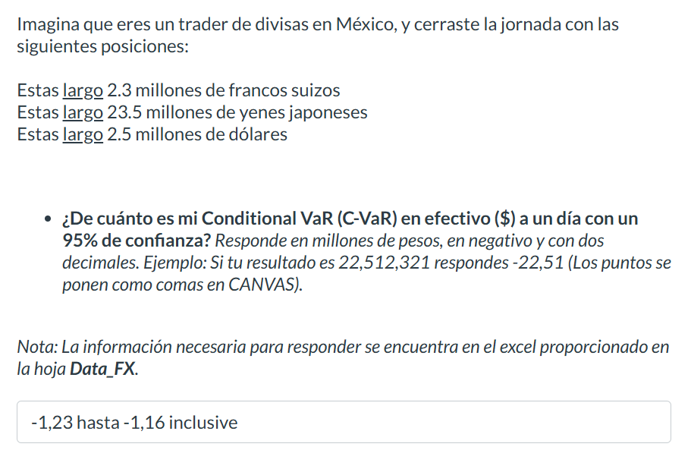
USDMXN=X | MXNCHF=X | MXNJPY=X | MXNUSD=X
19.44659996 | 0.047579398293 | 6.7233218561 | 0.051422870941
19.458799362 | 0.047497173251 | 6.7221466679 | 0.051390632145
19.407600403 | 0.048228529166 | 6.7630170883 | 0.051526205159
19.386800766 | 0.047961401669 | 6.8220732317 | 0.051581486397
19.31855011 | 0.048459707645 | 6.9007870897 | 0.051763719032
19.124300003 | 0.048468963253 | 6.8952679331 | 0.052289495555
19.124500275 | 0.048161781727 | 6.8881431198 | 0.05228894798
19.05960083 | 0.048401303348 | 6.9311600527 | 0.052466995973
18.942399979 | 0.049158648707 | 6.9662626214 | 0.052791620973
18.84431076 | 0.04921379561 | 6.8549024158 | 0.053066414193
18.774200439 | 0.049366627584 | 6.8195615693 | 0.05326458526
18.777900696 | 0.049291722007 | 6.8337754504 | 0.053254089272 | -1.19
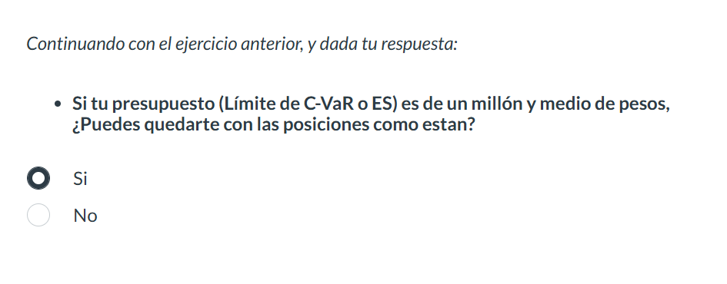
18.641500473 | 0.049428849441 | 6.8816970013 | 0.053643750483
18.874059677 | 0.048534264976 | 6.8112467147 | 0.052982771969
18.982700348 | 0.048215773237 | 6.7627424327 | 0.052679544094
18.85777092 | 0.048784400396 | 6.8596516657 | 0.053028536843
18.813259125 | 0.048993104644 | 6.9417933549 | 0.053154001301
18.783599854 | 0.049111725316 | 6.9335626169 | 0.053237931376
18.776199341 | 0.048848275164 | 6.8831651403 | 0.053258914749
18.796699524 | 0.048961763657 | 6.9055525451 | 0.053200829152
18.768749237 | 0.04906819306 | 6.9189310457 | 0.053280055446
18.758600235 | 0.049303342774 | 6.9526041108 | 0.053308881658
18.842870712 | 0.048637186025 | 6.9052192961 | 0.053070469743
18.582899094 | 0.048796196434 | 6.9217084893 | 0.053812916648
18.641399384 | 0.048998466368 | 6.9067451153 | 0.053644041385
18.990869522 | 0.048785961976 | 6.9515893523 | 0.05265688329
19.167999268 | 0.048411850879 | 6.9191222268 | 0.0521702858
18.881500244 | 0.048820260229 | 6.9404924658 | 0.052961893233
18.93445015 | 0.048638841978 | 6.9391920642 | 0.052813786094
18.778299332 | 0.049108436213 | 7.003831456 | 0.053252958766
18.67840004 | 0.049469196488 | 7.0431956394 | 0.053537776141
...

Data_Derivatives
...
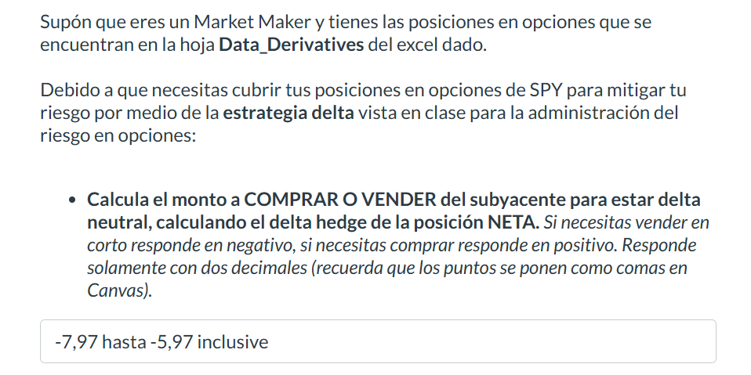
 | PUTS VENDIDOS (Subyacente SPY)
475 | Plazo / Strike | 450 | 445 | 440
17 | 1m | 26 | 18 | 14
12 | 3m | 21 | 26 | 32
11 | 6m | 17 | 35 | 43
 | nocionales expresados en miles de títulos

 | Volatilidad ímplicita por K y plazo PUTS
475 | Plazo / Strike | 450 | 445 | 440
0.15 | 1m | 0.24 | 0.22 | 0.2
0.19 | 3m | 0.25 | 0.24 | 0.23
0.2 | 6m | 0.26 | 0.25 | 0.24

 |  |  |  |  | -6.972

