Data_Equities
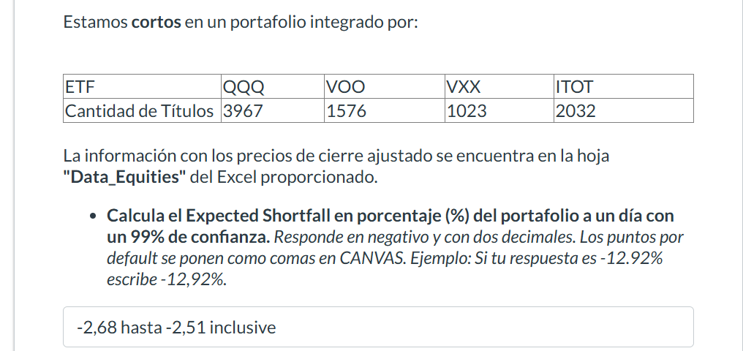
Date | QQQ | VOO | VXX | ITOT |  |  |  |  | port
2023-01-03 | 263.32827759 | 345.87075806 | 55.959999084 | 83.437942505 | 0.0047639626685 | 0.0072003397364 | -0.027162267381 | 0.0084103713313 | 0.0055116373943
2023-01-04 | 264.58276367 | 348.36114502 | 54.439998627 | 84.139686584 | -0.015654369027 | -0.01092176344 | 0.0080823374817 | -0.011864233267 | -0.013878729222
2023-01-05 | 260.44088745 | 344.556427 | 54.880001068 | 83.141433716 | 0.027601534404 | 0.022744227963 | -0.023323661973 | 0.022824563474 | 0.025518226141 | ETF | QQQ | VOO | VXX | ITOT | Total
2023-01-06 | 267.62945557 | 352.39309692 | 53.599998474 | 85.039100647 | 0.0064733248024 | -0.00072918002667 | 0.0052239291411 | 0.00011627234104 | 0.0039657246883 | Cantidad | 3967 | 1576 | 1023 | 2032 | 8598
2023-01-09 | 269.36190796 | 352.13613892 | 53.880001068 | 85.048988342 | 0.0084643306806 | 0.0071282994232 | -0.041573898182 | 0.0081347985174 | 0.0077218155483 | position | 1555738.4433 | 666521.94116 | 17135.25 | 206126.08496 | 2445521.7194
2023-01-10 | 271.64187622 | 354.64627075 | 51.63999939 | 85.740844727 | 0.017300215107 | 0.01276227301 | 0.0046475925891 | 0.012795349158 | 0.015595051675 | pesos | 0.63615809704 | 0.27254795403 | 0.0070067870852 | 0.084287161846 | 1
2023-01-11 | 276.34133911 | 359.17236328 | 51.880001068 | 86.837928772 | 0.0054044365678 | 0.0037419196966 | -0.049344666935 | 0.0053494014815 | 0.0045630669334
2023-01-12 | 277.83480835 | 360.51635742 | 49.319999695 | 87.302459717 | 0.0068805331581 | 0.0038924441736 | -0.025141887093 | 0.0039623669088 | 0.0055957973873 | Var | 0.023901106332 | 58450.674652
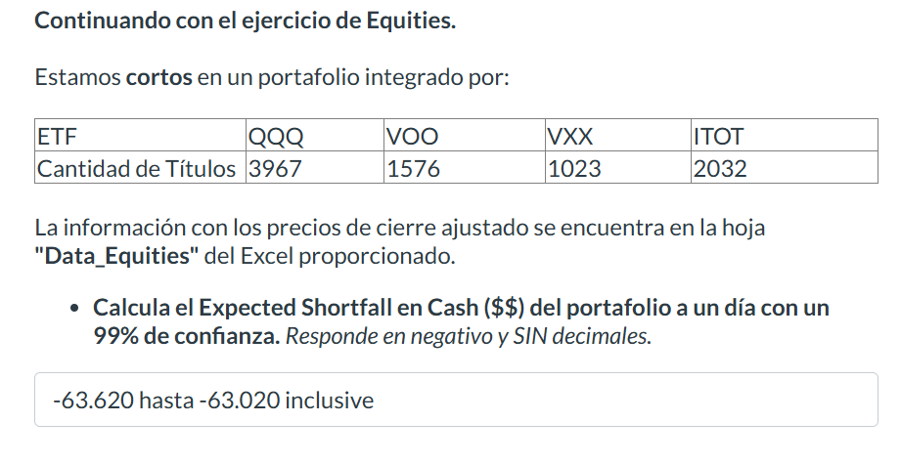
2023-01-13 | 279.74645996 | 361.91964722 | 48.080001831 | 87.648384094 | 0.0020286400868 | -0.0015290846075 | 0.0083194196329 | -0.0014658456654 | 0.00080852736705 | ES | 0.025893295201 | 63322.6158
2023-01-17 | 280.31396484 | 361.36624146 | 48.479999542 | 87.51990509 | -0.012999971259 | -0.016244147894 | 0.035478573369 | -0.015358531807 | -0.013743282497
2023-01-18 | 276.66989136 | 355.49615479 | 50.200000763 | 86.175727844 | -0.0098242660231 | -0.0071999085235 | 0.0055776648415 | -0.0079138751109 | -0.0088400632777
2023-01-19 | 273.95181274 | 352.93661499 | 50.479999542 | 85.493743896 | 0.02736671749 | 0.018396066001 | -0.035657671422 | 0.018843930966 | 0.023761824819
2023-01-20 | 281.44897461 | 359.42926025 | 48.680000305 | 87.104782104 | 0.022215945316 | 0.012180226185 | -0.0073952466741 | 0.01304896436 | 0.018500592475
2023-01-23 | 287.70162964 | 363.80718994 | 48.319999695 | 88.241409302 | -0.0020417066962 | -0.00105945408 | -0.038907307119 | -0.0017920663518 | -0.0020112636922
2023-01-24 | 287.11422729 | 363.42175293 | 46.439998627 | 88.083274841 | -0.002219350247 | 0.00035344193156 | 0.0017226923648 | 0.0003365019955 | -0.0012750944177
2023-01-25 | 286.47702026 | 363.55020142 | 46.520000458 | 88.112915039 | 0.01949734316 | 0.010682867262 | -0.01547724019 | 0.010768424582 | 0.016114180556
2023-01-26 | 292.06256104 | 367.43395996 | 45.799999237 | 89.061752319 | 0.0099544361486 | 0.0028508956256 | -0.013100403583 | 0.0041061371301 | 0.0073639038335
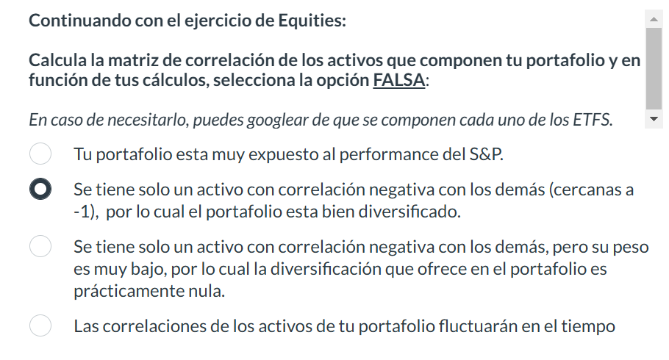
2023-01-27 | 294.96987915 | 368.48147583 | 45.200000763 | 89.427452087 | -0.020218666808 | -0.012497680009 | 0.024778737013 | -0.013594239954 | -0.017240686287
2023-01-30 | 289.00598145 | 363.87631226 | 46.319999695 | 88.211753845 | 0.014985932638 | 0.014203884279 | -0.022452524231 | 0.015910357391 | 0.014588380801
2023-01-31 | 293.33700562 | 369.04476929 | 45.279998779 | 89.615234375 | 0.021383538005 | 0.010952248761 | -0.030035349978 | 0.011690825714 | 0.017363259054
2023-02-01 | 299.60958862 | 373.0866394 | 43.919998169 | 90.662910461 | 0.035889906777 | 0.014329951577 | 0.020947222723 | 0.015480121841 | 0.028188802046
2023-02-02 | 310.36254883 | 378.43295288 | 44.840000153 | 92.066383362 | -0.017772341287 | -0.010680464185 | 0.0098126366015 | -0.010198614855 | -0.01500781472
2023-02-03 | 304.84667969 | 374.39111328 | 45.279998779 | 91.127433777 | -0.0084590222096 | -0.0057806262251 | 0.024735043657 | -0.0074836814854 | -0.0074142384104
2023-02-06 | 302.26797485 | 372.22689819 | 46.400001526 | 90.445465088 | 0.020718613162 | 0.012902788369 | -0.031034534355 | 0.012894787188 | 0.017566354734
2023-02-07 | 308.5305481 | 377.02966309 | 44.959999084 | 91.611740112 | -0.017780935949 | -0.010956162722 | 0.037366555591 | -0.011651740453 | -0.015017838745
2023-02-08 | 303.04458618 | 372.89886475 | 46.63999939 | 90.544303894 | -0.0088380203149 | -0.008559924381 | 0.031732409125 | -0.0093875683855 | -0.0085242773232
2023-02-09 | 300.36627197 | 369.70687866 | 48.119998932 | 89.694313049 | -0.0065631336741 | 0.0024323633844 | 0.011637601532 | 0.0018732754625 | -0.0032728196966
2023-02-10 | 298.39492798 | 370.60614014 | 48.680000305 | 89.862335205 | 0.016015966774 | 0.011546174735 | -0.039441289474 | 0.011438530549 | 0.014023337804
2023-02-13 | 303.17401123 | 374.88522339 | 46.759998322 | 90.890228271 | 0.0073890678517 | -0.00036900942745 | -0.033361796719 | 0.0005438521622 | 0.0044121233277
2023-02-14 | 305.41418457 | 374.74688721 | 45.200000763 | 90.939659119 | 0.0076610152149 | 0.0033490215482 | -0.020354025843 | 0.0049993946966 | 0.006065154296
2023-02-15 | 307.75396729 | 376.00192261 | 44.279998779 | 91.394302368 | -0.018764176484 | -0.013903526475 | 0.055103941027 | -0.013409788973 | -0.01647053197
2023-02-16 | 301.97921753 | 370.77416992 | 46.720001221 | 90.16872406 | -0.0070557049818 | -0.0025852856177 | -0.00085618395724 | -0.0025211118581 | -0.0054116546221
2023-02-17 | 299.84854126 | 369.81561279 | 46.680000305 | 89.941398621 | -0.023675181063 | -0.019854650697 | 0.077977707066 | -0.021208776229 | -0.021713756922
2023-02-21 | 292.74957275 | 362.47305298 | 50.319999695 | 88.033851624 | 0.00074826813143 | -0.001254218369 | -0.028616825029 | -0.0011227363603 | -0.00016096208117
2023-02-22 | 292.96862793 | 362.01843262 | 48.880001068 | 87.935012817 | 0.0087341703059 | 0.0050229207376 | -0.035188240244 | 0.0058446177096 | 0.0071713696628
2023-02-23 | 295.52746582 | 363.83682251 | 47.159999847 | 88.448959351 | -0.016744177209 | -0.010701627761 | 0.039016118714 | -0.010727425827 | -0.014199457301
2023-02-24 | 290.57910156 | 359.94317627 | 49 | 87.5001297 | 0.0071611191956 | 0.0034593744367 | -0.038367368737 | 0.0031627499157 | 0.0054961966153
2023-02-27 | 292.65997314 | 361.18835449 | 47.119998932 | 87.776870728 | -0.0012928209127 | -0.0037757848898 | -0.020373495463 | -0.0025897233312 | -0.0022125541127
2023-02-28 | 292.28161621 | 359.82458496 | 46.159999847 | 87.549552917 | -0.0080390632863 | -0.0036527842377 | 0.0095320326725 | -0.0034996921648 | -0.0063378642692
2023-03-01 | 289.9319458 | 358.51022339 | 46.599998474 | 87.243156433 | 0.0082759941856 | 0.0074701666195 | -0.036909816788 | 0.0070238785987 | 0.0076342229053
2023-03-02 | 292.3314209 | 361.18835449 | 44.880001068 | 87.855941772 | 0.020673723964 | 0.015841685382 | -0.028520556228 | 0.015974793525 | 0.018616008377
2023-03-03 | 298.375 | 366.91018677 | 43.599998474 | 89.259422302 | 0.0011343794185 | 0.0012121022584 | -0.017431154774 | -0.0011072352275 | 0.00083653853781
2023-03-06 | 298.71347046 | 367.35491943 | 42.840000153 | 89.160591125 | -0.012265837699 | -0.015468179984 | 0.02170869052 | -0.015186809826 | -0.013146777702
2023-03-07 | 295.04949951 | 361.67260742 | 43.770000458 | 87.806526184 | 0.0049943205455 | 0.0015573834675 | -0.016449650746 | 0.0014632925237 | 0.0036097167053
2023-03-08 | 296.52307129 | 362.23587036 | 43.049999237 | 87.935012817 | -0.017325740176 | -0.018305953498 | 0.10360044515 | -0.019669493306 | -0.016943139577
2023-03-09 | 291.3855896 | 355.60479736 | 47.509998322 | 86.205375671 | -0.014043702621 | -0.014339721285 | 0.11408129184 | -0.017083202386 | -0.013482828154
2023-03-10 | 287.29345703 | 350.50552368 | 52.930000305 | 84.732711792 | 0.007416375895 | -0.0016916310452 | 0.030417543946 | -0.0026828533473 | 0.0042439361557
2023-03-13 | 289.4241333 | 349.91259766 | 54.540000916 | 84.505386353 | 0.022979802506 | 0.016606494228 | -0.052805299226 | 0.016257248591 | 0.020145135313
2023-03-14 | 296.07504272 | 355.72341919 | 51.659999847 | 85.879211426 | 0.0052459407736 | -0.0061673706466 | 0.063879195641 | -0.0079411106255 | 0.0014345976947
2023-03-15 | 297.62823486 | 353.52954102 | 54.959999084 | 85.197235107 | 0.02636064623 | 0.017107406684 | -0.081877730622 | 0.017401315236 | 0.022325134881
2023-03-16 | 305.47390747 | 359.57751465 | 50.459999084 | 86.679779053 | -0.0047260830894 | -0.010938299375 | 0.1089972275 | -0.012770642635 | -0.0063004279966
2023-03-17 | 304.0302124 | 355.64434814 | 55.959999084 | 85.572822571 | 0.00354902232 | 0.0090308238873 | -0.051107945982 | 0.0086623804263 | 0.0050910968242
2023-03-20 | 305.10922241 | 358.85610962 | 53.099998474 | 86.314086914 | 0.014282414995 | 0.013080707479 | -0.087382288568 | 0.014886116945 | 0.013293433462
2023-03-21 | 309.46691895 | 363.55020142 | 48.459999084 | 87.598968506 | -0.013597995861 | -0.016581390139 | 0.042922036119 | -0.018278189116 | -0.014409570243
2023-03-22 | 305.25878906 | 357.52203369 | 50.540000916 | 85.997817993 | 0.011858074604 | 0.0023770661261 | 0.026711484956 | 0.0016385871209 | 0.0085167482294
2023-03-23 | 308.87857056 | 358.37188721 | 51.88999939 | 86.13873291 | 0.003680444068 | 0.0066647478143 | -0.041433758652 | 0.0064515123323 | 0.0044112698145
2023-03-24 | 310.01538086 | 360.76034546 | 49.740001678 | 86.694458008 | -0.0068512501349 | 0.0016503974362 | -0.035585050222 | 0.0027473736308 | -0.003926434348
2023-03-27 | 307.89138794 | 361.35574341 | 47.970001221 | 86.932640076 | -0.0053117335391 | -0.0017575514709 | -0.027725699337 | -0.0018265056582 | -0.0042063384078
2023-03-28 | 306.25595093 | 360.72064209 | 46.63999939 | 86.773857117 | 0.018233960895 | 0.01422213732 | -0.032804433948 | 0.014752906791 | 0.016489523251
2023-03-29 | 311.84020996 | 365.8508606 | 45.11000061 | 88.054023743 | 0.0094653947103 | 0.005967117168 | 0 | 0.0052970098906 | 0.0080942829922
2023-03-30 | 314.79190063 | 368.03393555 | 45.11000061 | 88.520446777 | 0.01663066605 | 0.013966309047 | -0.004433623592 | 0.015134601422 | 0.015630808966
2023-03-31 | 320.02709961 | 373.17401123 | 44.909999847 | 89.860168457 | -0.0024304239067 | 0.0039620005159 | -0.022266755809 | 0.0028712483928 | -0.00038030775203
2023-04-03 | 319.2492981 | 374.65252686 | 43.909999847 | 90.118179321 | -0.0033733349482 | -0.0056414578156 | 0.017308092101 | -0.0072678816489 | -0.0041748571273
2023-04-04 | 318.17236328 | 372.53894043 | 44.669998169 | 89.46321106 | -0.009872459589 | -0.0024239483144 | -0.0091784164813 | -0.0034387327712 | -0.0072952394947
2023-04-05 | 315.03121948 | 371.63592529 | 44.259998322 | 89.155570984 | 0.0067420695823 | 0.0038183522331 | -0.017623109103 | 0.0032279350347 | 0.0054782983539
2023-04-06 | 317.15518188 | 373.05496216 | 43.479999542 | 89.443359375 | -0.00056588662965 | 0.0010904541091 | -0.0096595716046 | 0.0019970964352 | 3.7854703834E-05
2023-04-10 | 316.97570801 | 373.46176147 | 43.060001373 | 89.621986389 | -0.0064176549536 | 0.00013295095973 | -0.0097538776184 | 0.0012180200568 | -0.0040120875407
2023-04-11 | 314.94146729 | 373.51141357 | 42.63999939 | 89.731147766 | -0.0088338161175 | -0.0039850572201 | 0.0060976111621 | -0.0045343004195 | -0.0070452814931
2023-04-12 | 312.15933228 | 372.02294922 | 42.900001526 | 89.324279785 | 0.019582089342 | 0.01296310029 | -0.036363667082 | 0.013331839187 | 0.016859281568
2023-04-13 | 318.27206421 | 376.84552002 | 41.340000153 | 90.515136719 | -0.0018798291978 | -0.0020538570191 | -0.017658431048 | -0.0031795347269 | -0.0021473659184
2023-04-14 | 317.67376709 | 376.0715332 | 40.61000061 | 90.227340698 | 0.00084749230849 | 0.0034037668407 | -0.027333183789 | 0.0042895152642 | 0.0016368620508
2023-04-17 | 317.94299316 | 377.35159302 | 39.5 | 90.614372253 | 6.2677835159E-05 | 0.00068378172458 | -0.0065822359882 | 0.00065706789598 | 0.00023549838436
2023-04-18 | 317.96292114 | 377.60961914 | 39.240001678 | 90.673912048 | -0.00047039022617 | -5.2693204646E-05 | -0.0038226686917 | 0.00032840236164 | -0.00031270849888
2023-04-19 | 317.81335449 | 377.58972168 | 39.090000153 | 90.703689575 | -0.0076244648125 | -0.0056501083824 | 0.022000527168 | -0.006126987326 | -0.0067525638685
2023-04-20 | 315.39019775 | 375.45629883 | 39.950000763 | 90.147949219 | 0.0010433775281 | 0.00058148645951 | -0.018773466475 | 0.000990785953 | 0.00077420486114
2023-04-21 | 315.7192688 | 375.67462158 | 39.200000763 | 90.237266541 | -0.0020844833917 | 0.0013207034935 | -0.0053571193976 | 0.00043998860629 | -0.00096655675689
2023-04-24 | 315.06115723 | 376.17077637 | 38.990001678 | 90.27696991 | -0.01886385448 | -0.015801009933 | 0.084637063221 | -0.017038679743 | -0.017150034773
2023-04-25 | 309.1178894 | 370.22689819 | 42.290000916 | 88.738769531 | 0.0060646597576 | -0.0044492912927 | -0.02530148195 | -0.0043614708342 | 0.0021005390768
2023-04-26 | 310.99258423 | 368.57965088 | 41.220001221 | 88.351737976 | 0.02719092733 | 0.019841743629 | -0.043425542516 | 0.018645493491 | 0.023972857414
2023-04-27 | 319.44876099 | 375.89291382 | 39.430000305 | 89.999099731 | 0.0068986521104 | 0.008553039276 | -0.039817389873 | 0.0086007024878 | 0.0071656835836
2023-04-28 | 321.65252686 | 379.10794067 | 37.86000061 | 90.773155212 | -0.0011470686182 | -0.00068037237588 | -0.016376094081 | -0.00032795926716 | -0.0010575376487
2023-05-01 | 321.28356934 | 378.8500061 | 37.240001678 | 90.743385315 | -0.0087215586893 | -0.011210346381 | 0.044307133105 | -0.012467213282 | -0.0093440225248
2023-05-02 | 318.48147583 | 374.60296631 | 38.88999939 | 89.612068176 | -0.0065439817417 | -0.0069667673864 | 0.031113373707 | -0.005758650896 | -0.0063291607242
2023-05-03 | 316.39733887 | 371.99319458 | 40.099998474 | 89.09602356 | -0.0035297097488 | -0.0073089295985 | 0.048877879645 | -0.0076853952828 | -0.0045427905053
2023-05-04 | 315.2805481 | 369.27432251 | 42.060001373 | 88.4112854 | 0.021254244339 | 0.018353141112 | -0.078697129463 | 0.019194107407 | 0.0195895735
2023-05-05 | 321.9815979 | 376.05166626 | 38.75 | 90.108261108 | 0.0024776571548 | 0.00055411009213 | -0.016516113281 | 0.00033037922489 | 0.0016393250706
2023-05-08 | 322.77935791 | 376.26004028 | 38.11000061 | 90.138031006 | -0.0063331806096 | -0.0043249858122 | 0.024140597067 | -0.0037433433898 | -0.0053540379255
2023-05-09 | 320.73513794 | 374.63272095 | 39.029998779 | 89.800613403 | 0.010881792878 | 0.0043703285241 | -0.030489332922 | 0.0045309628111 | 0.0082819344791
2023-05-10 | 324.22531128 | 376.26998901 | 37.840000153 | 90.207496643 | 0.0032600055628 | -0.0013976916554 | -0.0097779844184 | -0.0027502442768 | 0.0013926183947
2023-05-11 | 325.2822876 | 375.74407959 | 37.470001221 | 89.959403992 | -0.0035866908719 | -0.0013469367666 | 0.0010674432753 | -0.0016547991593 | -0.0027808062765
2023-05-12 | 324.11560059 | 375.23797607 | 37.509998322 | 89.810539246 | 0.005414938111 | 0.0034642729166 | -0.026926109484 | 0.0048619364818 | 0.0046100705308
2023-05-15 | 325.8706665 | 376.53790283 | 36.5 | 90.247192383 | 0.0011321270672 | -0.0066146372048 | 0.030410975626 | -0.0081372877229 | -0.0015553796922
2023-05-16 | 326.23959351 | 374.04724121 | 37.61000061 | 89.512825012 | 0.012104148662 | 0.011937964131 | -0.033235840992 | 0.013303842917 | 0.011842286578
2023-05-17 | 330.18844604 | 378.51260376 | 36.36000061 | 90.703689575 | 0.018573304133 | 0.0097784416978 | -0.040153989548 | 0.0097373862303 | 0.015020038285
2023-05-18 | 336.32113647 | 382.21386719 | 34.900001526 | 91.586906433 | -0.0022533315198 | -0.0015836307798 | 0.024928335067 | -0.0021671077937 | -0.0018730822497
2023-05-19 | 335.56329346 | 381.60858154 | 35.770000458 | 91.388427734 | 0.0033580283561 | 0.00054604124099 | 0.0011182811019 | 0.0018460630679 | 0.002448494326
2023-05-22 | 336.69012451 | 381.81695557 | 35.810001373 | 91.557136536 | -0.012676360429 | -0.011175187897 | 0.018989116981 | -0.010730650701 | -0.011881347318
2023-05-23 | 332.42211914 | 377.55007935 | 36.490001678 | 90.574668884 | -0.0051295313385 | -0.0074905664693 | 0.040284936651 | -0.0076694331939 | -0.0056688982438
2023-05-24 | 330.71694946 | 374.72201538 | 37.959999084 | 89.880012512 | 0.024332899354 | 0.0087122688849 | -0.023445716837 | 0.0066247038708 | 0.01824818035
2023-05-25 | 338.76425171 | 377.98669434 | 37.069999695 | 90.475440979 | 0.025550448637 | 0.012994809891 | -0.038305858663 | 0.013271835246 | 0.020646077962
2023-05-26 | 347.41983032 | 382.89855957 | 35.650001526 | 91.676216125 | 0.004535036247 | 0.00031099513662 | -0.02580650615 | 0.00043299932549 | 0.0028254367073
2023-05-30 | 348.99539185 | 383.01763916 | 34.729999542 | 91.715911865 | -0.0056861382171 | -0.0054405634991 | -0.0077742718492 | -0.0058429193035 | -0.0056470530707
2023-05-31 | 347.01095581 | 380.93380737 | 34.459999084 | 91.180023193 | 0.011552165602 | 0.0095861073305 | -0.057167656946 | 0.0097954606537 | 0.010386747603
2023-06-01 | 351.01968384 | 384.58547974 | 32.490001678 | 92.073173523 | 0.0074997741739 | 0.014681207421 | -0.040320138677 | 0.01659839504 | 0.0098888920942
2023-06-02 | 353.6522522 | 390.23165894 | 31.180000305 | 93.60144043 | 0.00070492438307 | -0.0019325710084 | -0.01828093936 | -0.0025444780336 | -0.00042083240192
2023-06-05 | 353.90155029 | 389.47750854 | 30.61000061 | 93.363273621 | -0.00016910061754 | 0.0020637185846 | -0.059784380504 | 0.0048893911416 | 0.00044810402813
2023-06-06 | 353.84170532 | 390.28128052 | 28.780000687 | 93.819763184 | -0.016965359559 | -0.003279917321 | 0.0045169964442 | -0.0021960383647 | -0.011840033817
2023-06-07 | 347.83865356 | 389.00119019 | 28.909999847 | 93.613731384 | 0.01241325544 | 0.0059946067995 | -0.024213101578 | 0.0049972539023 | 0.0097821590782
2023-06-08 | 352.15646362 | 391.33309937 | 28.209999084 | 94.081542969 | 0.0038227948736 | 0.0016735288367 | 0.0053173176443 | 0.0005290535035 | 0.0029698685035
2023-06-09 | 353.50268555 | 391.98800659 | 28.36000061 | 94.131317139 | 0.016896940979 | 0.0091891862013 | 0.0045838913247 | 0.0090937900694 | 0.014052227823
2023-06-12 | 359.47579956 | 395.59005737 | 28.489999771 | 94.987327576 | 0.0076840709505 | 0.0065971620871 | -0.0024569917651 | 0.0076496088932 | 0.0073138751873
2023-06-13 | 362.23803711 | 398.1998291 | 28.420000076 | 95.713943481 | 0.0072675094542 | 0.00077244299832 | -0.029908528472 | 0.00041592874785 | 0.004659307506
2023-06-14 | 364.87060547 | 398.50741577 | 27.569999695 | 95.753753662 | 0.011915862055 | 0.01282365357 | 0.026478039547 | 0.011746416676 | 0.012251030782
2023-06-15 | 369.21835327 | 403.61773682 | 28.299999237 | 96.878517151 | -0.0062929044289 | -0.0036876558797 | -0.035335689999 | -0.0035960608474 | -0.0055590365905
2023-06-16 | 366.89489746 | 402.1293335 | 27.299999237 | 96.530136108 | -0.0014315762927 | -0.0046144888804 | 0.0018315438024 | -0.0050526390333 | -0.0025814177199
2023-06-20 | 366.36965942 | 400.27371216 | 27.350000381 | 96.042404175 | -0.013627676871 | -0.0054786576782 | -0.020475300115 | -0.0055963909832 | -0.010777723907
2023-06-21 | 361.37689209 | 398.08074951 | 26.790000916 | 95.50491333 | 0.011798829854 | 0.0036393645965 | -0.023889558609 | 0.0028139434192 | 0.0085676127755
2023-06-22 | 365.64071655 | 399.5295105 | 26.149999619 | 95.773658752 | -0.009913436046 | -0.0075008117687 | 0.012619500135 | -0.0089378483412 | -0.0090157672304
2023-06-23 | 362.01596069 | 396.53271484 | 26.479999542 | 94.917648315 | -0.013405477529 | -0.0041289608779 | -0.0018881887434 | -0.0030410626245 | -0.0099228955883
2023-06-26 | 357.16296387 | 394.89544678 | 26.430000305 | 94.628997803 | 0.017194149177 | 0.01108150938 | -0.024971617094 | 0.011991168094 | 0.014794170652
2023-06-27 | 363.30407715 | 399.27148438 | 25.770000458 | 95.763710022 | 0.0019514902793 | 0.00044728680654 | -0.036476543165 | 0.0011433291473 | 0.0012041480438
2023-06-28 | 364.01306152 | 399.45007324 | 24.829999924 | 95.873199463 | -0.0020025184482 | 0.0038307976512 | 0.021747922561 | 0.0047757126764 | 0.00032507206706
2023-06-29 | 363.28411865 | 400.98028564 | 25.370000839 | 96.331062317 | 0.015420157132 | 0.01185061147 | -0.014584187111 | 0.010952689643 | 0.013860500558
2023-06-30 | 368.88601685 | 405.73214722 | 25 | 97.386146545 | 0.0023550469706 | 0.0019151516081 | -0.010400009155 | 0.0020441695104 | 0.0021195794483
2023-07-03 | 369.75476074 | 406.50918579 | 24.739999771 | 97.585220337 | -2.6988829101E-05 | -0.0022300976398 | 0.013338719756 | -0.0028559835318 | -0.00077223888803
2023-07-05 | 369.74478149 | 405.60263062 | 25.069999695 | 97.306518555 | -0.0076159248954 | -0.0081542199119 | 0.057439192325 | -0.0086947317581 | -0.0073977383143
2023-07-06 | 366.92883301 | 402.29525757 | 26.510000229 | 96.460464478 | -0.0033200748799 | -0.0023276470442 | -0.02565070914 | -0.0013415046397 | -0.0030392886334
2023-07-07 | 365.71060181 | 401.3588562 | 25.829999924 | 96.331062317 | 0.00032761426966 | 0.0026805605074 | -0.0065814973595 | 0.0042364729824 | 0.0012499608855
2023-07-10 | 365.83041382 | 402.4347229 | 25.659999847 | 96.73916626 | 0.0049406337302 | 0.0064113992429 | -0.0074045415116 | 0.0081283642103 | 0.005523672602
2023-07-11 | 367.6378479 | 405.01489258 | 25.469999313 | 97.525497437 | 0.012629955099 | 0.0078709098154 | -0.054966613909 | 0.007450522426 | 0.010422692597
2023-07-12 | 372.28109741 | 408.20272827 | 24.069999695 | 98.252113342 | 0.016978652268 | 0.0081510994291 | 0.0058163436404 | 0.008914979002 | 0.013814844749
2023-07-13 | 378.60192871 | 411.5300293 | 24.209999084 | 99.12802887 | -0.0002109458402 | -0.00079888670507 | -0.011978480758 | -0.0023094905075 | -0.00063052090571
2023-07-14 | 378.52206421 | 411.20126343 | 23.920000076 | 98.899093628 | 0.0093386407981 | 0.0034886560974 | -0.0020902691012 | 0.0044284065404 | 0.0072502897889
2023-07-17 | 382.0569458 | 412.63580322 | 23.870000839 | 99.337059021 | 0.0081806071007 | 0.0075807340298 | -0.016338553971 | 0.0077154094754 | 0.0078061021938
2023-07-18 | 385.18240356 | 415.7638855 | 23.479999542 | 100.10348511 | -0.00023324988153 | 0.0021564545623 | 0.017887567482 | 0.0026845997687 | 0.00079096515018
2023-07-19 | 385.09255981 | 416.66046143 | 23.899999619 | 100.3722229 | -0.023051954664 | -0.0065272212306 | 0.0037656968211 | -0.0073383314123 | -0.017035810096
2023-07-20 | 376.21542358 | 413.94082642 | 23.989999771 | 99.635658264 | -0.0029993120442 | 0.0001203920993 | -0.012088328926 | 0.00019985535373 | -0.0019430791286
2023-07-21 | 375.08703613 | 413.99066162 | 23.700000763 | 99.655570984 | 0.0015973668872 | 0.0042351097766 | -0.016877700971 | 0.0036955134548 | 0.0023636742674
2023-07-24 | 375.68618774 | 415.74395752 | 23.299999237 | 100.02384949 | 0.0067777183433 | 0.0029472738139 | -0.00042911252621 | 0.0020898031063 | 0.0052881107241
2023-07-25 | 378.23248291 | 416.9692688 | 23.290000916 | 100.23287964 | -0.0033264692161 | 0.00023896219706 | -0.026620902313 | 0.00089376211587 | -0.0021622259909
2023-07-26 | 376.9743042 | 417.06890869 | 22.670000076 | 100.32246399 | -0.0023840143697 | -0.0067835148012 | 0.049845573752 | -0.0075404582969 | -0.0036517496314
2023-07-27 | 376.07559204 | 414.23971558 | 23.799999237 | 99.565986633 | 0.018214682902 | 0.0097397141421 | -0.037815111234 | 0.010896750139 | 0.014895450885
2023-07-28 | 382.9256897 | 418.27429199 | 22.899999619 | 100.65093231 | 0.00052152946805 | 0.0019291534255 | -0.013100403583 | 0.0026700738502 | 0.0009908232212
2023-07-31 | 383.12539673 | 419.08120728 | 22.600000381 | 100.91967773 | -0.0023196123258 | -0.0030901980877 | 0.015486742282 | -0.0031560937375 | -0.0024753732072
2023-08-01 | 382.23669434 | 417.78616333 | 22.950000763 | 100.60116577 | -0.02194412003 | -0.013853744667 | 0.090196062136 | -0.013950709525 | -0.018279620512
2023-08-02 | 373.84884644 | 411.9982605 | 25.020000458 | 99.19770813 | -0.0016026573762 | -0.0028290358797 | -0.0031974389385 | -0.0028096355942 | -0.0020498113915
2023-08-03 | 373.24969482 | 410.83270264 | 24.940000534 | 98.918998718 | -0.0046817641521 | -0.0048981716612 | 0.035685620312 | -0.0046286644622 | -0.0044534242857
2023-08-04 | 371.50222778 | 408.82037354 | 25.829999924 | 98.461135864 | 0.0084668315345 | 0.0090159721104 | -0.052264823285 | 0.0084917296489 | 0.0081930634917
2023-08-07 | 374.64767456 | 412.50628662 | 24.479999542 | 99.297241211 | -0.0085023730385 | -0.0043227768043 | 0.017565372272 | -0.0050120291157 | -0.0068863903119
2023-08-08 | 371.46228027 | 410.72311401 | 24.909999847 | 98.799560547 | -0.010994591227 | -0.0066458744704 | -0.0088317669491 | -0.0069514286491 | -0.0094534162243
2023-08-09 | 367.37820435 | 407.99349976 | 24.690000534 | 98.112762451 | 0.0018482754427 | 0.00058612635331 | 0.0044551924108 | 0 | 0.0013667595115
2023-08-10 | 368.05722046 | 408.2326355 | 24.799999237 | 98.112762451 | -0.0063756897621 | -0.00092734025583 | -0.039112876742 | -0.0009130754078 | -0.0046597074901
2023-08-11 | 365.71060181 | 407.85406494 | 23.829999924 | 98.023178101 | 0.011222165617 | 0.0056422350392 | -0.017205197177 | 0.0046710430356 | 0.0089500069467
2023-08-14 | 369.81466675 | 410.15527344 | 23.420000076 | 98.481048584 | -0.010611575903 | -0.011464089795 | 0.057643056237 | -0.011320016845 | -0.010425393622
2023-08-15 | 365.89035034 | 405.45321655 | 24.770000458 | 97.366241455 | -0.010588936398 | -0.0073955898027 | 0.016148551116 | -0.0079738360512 | -0.0093108330486
2023-08-16 | 362.01596069 | 402.45465088 | 25.170000076 | 96.589859009 | -0.010922956713 | -0.0080942495068 | 0.048073066381 | -0.0082440866379 | -0.0095128314229
2023-08-17 | 358.06167603 | 399.19708252 | 26.379999161 | 95.793563843 | -0.0012549257583 | 0.00092333166933 | -0.02539803251 | 0.0010391168932 | -0.00063705341739
2023-08-18 | 357.61233521 | 399.56567383 | 25.709999084 | 95.893104553 | 0.016111462463 | 0.0066069817019 | -0.026448791211 | 0.0060203354295 | 0.012372272584
2023-08-21 | 363.37399292 | 402.20559692 | 25.030000687 | 96.470413208 | -0.0014289866691 | -0.0027988220773 | 0.0043946743901 | -0.0035079880138 | -0.0019367604767
2023-08-22 | 362.85473633 | 401.07989502 | 25.13999939 | 96.131996155 | 0.015768597271 | 0.010779689781 | -0.03321396598 | 0.011285920325 | 0.013687838233
2023-08-23 | 368.57644653 | 405.40341187 | 24.305000305 | 97.216934204 | -0.021375675605 | -0.013294004581 | 0.040938034124 | -0.013310111158 | -0.01805659027
2023-08-24 | 360.69787598 | 400.01397705 | 25.299999237 | 95.922966003 | 0.0077514428038 | 0.0066245243811 | -0.043478201869 | 0.0068485856191 | 0.007009249011
2023-08-25 | 363.49380493 | 402.66387939 | 24.200000763 | 96.579902649 | 0.0075270979304 | 0.006580777279 | -0.039256228636 | 0.0063898021008 | 0.0068455199269
2023-08-28 | 366.2298584 | 405.3137207 | 23.25 | 97.197029114 | 0.021839871607 | 0.014206494535 | -0.024946233278 | 0.014644175592 | 0.018825085233
2023-08-29 | 374.22827148 | 411.07180786 | 22.670000076 | 98.620399475 | 0.0055767435458 | 0.0041681511382 | -0.029995602245 | 0.0041379743568 | 0.0048223169425
2023-08-30 | 376.31524658 | 412.78521729 | 21.989999771 | 99.028488159 | 0.002998435338 | -0.0012790783125 | -0.022282845667 | -0.0008040147114 | 0.0013349694683
2023-08-31 | 377.44360352 | 412.25723267 | 21.5 | 98.948867798 | -0.0010582085874 | 0.0021265326532 | -0.013488414676 | 0.0030177896848 | 6.6244640422E-05
2023-09-01 | 377.04418945 | 413.13391113 | 21.209999084 | 99.24747467 | 0.0012713088095 | -0.0043645197233 | 0.0066007215012 | -0.0057166182434 | -0.00081637520488
2023-09-05 | 377.52352905 | 411.33078003 | 21.350000381 | 98.680114746 | -0.008807996255 | -0.0069024067761 | 0.018266950008 | -0.0060520171329 | -0.0078666296992
2023-09-06 | 374.19830322 | 408.49160767 | 21.739999771 | 98.082901001 | -0.0071516009568 | -0.0029752448423 | -0.0013799764012 | -0.0036533357934 | -0.0056780442561
2023-09-07 | 371.52218628 | 407.27624512 | 21.709999084 | 97.724571228 | 0.0013976462536 | 0.0013698118965 | -0.019806467801 | 0.0012222698885 | 0.001226705368
2023-09-08 | 372.04144287 | 407.83413696 | 21.280000687 | 97.844017029 | 0.011782738392 | 0.0065706822757 | -0.023496239843 | 0.0062054903654 | 0.0096449204648
2023-09-11 | 376.42510986 | 410.5138855 | 20.780000687 | 98.451187134 | -0.011088394706 | -0.0053629577008 | 0.007218460711 | -0.0050551006905 | -0.0088911370969
2023-09-12 | 372.25115967 | 408.31231689 | 20.930000305 | 97.95350647 | 0.0038090081871 | 0.0011711131696 | -0.020066892985 | 0.00020320957411 | 0.0026188394099
2023-09-13 | 373.66906738 | 408.79049683 | 20.510000229 | 97.97341156 | 0.0081772972238 | 0.0086511282696 | -0.029254040701 | 0.0088387939451 | 0.008099921172
2023-09-14 | 376.72467041 | 412.32699585 | 19.909999847 | 98.839378357 | -0.017123071836 | -0.012466831977 | 0.038674056437 | -0.011983952235 | -0.015029902786
2023-09-15 | 370.27398682 | 407.18658447 | 20.680000305 | 97.654891968 | 0.0010425167834 | 0.0011009773891 | -0.0082205064693 | -0.00010195454281 | 0.00089708183027
2023-09-18 | 370.66000366 | 407.6348877 | 20.510000229 | 97.644935608 | -0.0021313563296 | -0.0020039858116 | -0.0048756889495 | -0.0021406386381 | -0.0021166530893
2023-09-19 | 369.86999512 | 406.81799316 | 20.409999847 | 97.435913086 | -0.014410432429 | -0.0093542592043 | 0.037726627316 | -0.0091940252695 | -0.01222739333
2023-09-20 | 364.54000854 | 403.01251221 | 21.180000305 | 96.540084839 | -0.018324526902 | -0.016388490793 | 0.076959354924 | -0.016805832791 | -0.017001223932
2023-09-21 | 357.85998535 | 396.40774536 | 22.809999466 | 94.917648315 | 0.00013977061587 | -0.0024126430224 | 0.0026304855193 | -0.0024119354594 | -0.00075350865301
2023-09-22 | 357.91000366 | 395.45135498 | 22.870000839 | 94.688713074 | 0.0047497462269 | 0.004156611862 | 0.0013117087099 | 0.0038894406826 | 0.0044914863597
2023-09-25 | 359.60998535 | 397.09509277 | 22.899999619 | 95.056999207 | -0.015016251262 | -0.014675977858 | 0.093449839854 | -0.014065223992 | -0.014083352246
2023-09-26 | 354.20999146 | 391.26733398 | 25.040000916 | 93.720001221 | 0.0023432910134 | 0.00022915443418 | -0.042731691815 | 0.0010669918141 | 0.0013436809695
2023-09-27 | 355.04000854 | 391.35699463 | 23.969999313 | 93.819999695 | 0.0083652578561 | 0.0058335996312 | -0.045890634361 | 0.0071413149768 | 0.0071919374301
2023-09-28 | 358.01000977 | 393.64001465 | 22.870000839 | 94.489997864 | 0.00072617871276 | -0.0023879748156 | 0.019676381245 | -0.0031748907731 | -0.0003186075007
2023-09-29 | 358.26998901 | 392.70001221 | 23.319999695 | 94.190002441 | 0.0083457192722 | -7.6391083179E-05 | 0.001715305148 | -0.0016987329649 | 0.0051572140548
2023-10-02 | 361.26000977 | 392.67001343 | 23.36000061 | 94.029998779 | -0.017549676594 | -0.01344640181 | 0.094178030741 | -0.014357104027 | -0.01537939231
2023-10-03 | 354.92001343 | 387.39001465 | 25.559999466 | 92.680000305 | 0.013608662204 | 0.0073568638276 | -0.050078200549 | 0.0077686795245 | 0.010966271495
2023-10-04 | 359.75 | 390.23999023 | 24.280000687 | 93.400001526 | -0.0029464838321 | -0.00084559906858 | -0.014003300781 | -0.0013919152108 | -0.0023203345734
2023-10-05 | 358.69000244 | 389.91000366 | 23.940000534 | 93.269996643 | 0.016755442652 | 0.011925813272 | -0.012531375844 | 0.012651445777 | 0.014888016295
2023-10-06 | 364.70001221 | 394.55999756 | 23.63999939 | 94.449996948 | 0.005100041923 | 0.0066656652957 | -0.013959387996 | 0.0063526323229 | 0.0054987812924
2023-10-09 | 366.55999756 | 397.19000244 | 23.309999466 | 95.050003052 | 0.0055379713903 | 0.0051612270711 | -0.03346198186 | 0.0057863798496 | 0.0051829637721
2023-10-10 | 368.58999634 | 399.23999023 | 22.530000687 | 95.599998474 | 0.0071353127023 | 0.004233049 | -0.018197950951 | 0.0035565269112 | 0.0058651561864
2023-10-11 | 371.22000122 | 400.92999268 | 22.120000839 | 95.940002441 | -0.0034750512922 | -0.0060110336122 | 0.02169979765 | -0.0079216397424 | -0.0043646235989
2023-10-12 | 369.92999268 | 398.51998901 | 22.600000381 | 95.180000305 | -0.012569929415 | -0.0052694360229 | 0.12035394989 | -0.0055683838789 | -0.0090586851551
2023-10-13 | 365.27999878 | 396.42001343 | 25.319999695 | 94.650001526 | 0.011306408499 | 0.010468679067 | -0.095181669686 | 0.011727423058 | 0.010367433888
2023-10-16 | 369.41000366 | 400.57000732 | 22.909999847 | 95.760002136 | -0.0032754701905 | 2.4912619178E-05 | 0.027935372934 | 0.00093981136052 | -0.0018019757574
2023-10-17 | 368.20001221 | 400.57998657 | 23.549999237 | 95.849998474 | -0.013117916702 | -0.013380562013 | 0.064118907762 | -0.014397467662 | -0.012756167879
2023-10-18 | 363.36999512 | 395.22000122 | 25.059999466 | 94.470001221 | -0.0093568372242 | -0.0084763071028 | 0.049481236933 | -0.0095268499444 | -0.0087189145727
2023-10-19 | 359.97000122 | 391.86999512 | 26.299999237 | 93.569999695 | -0.014917896211 | -0.012453122065 | 0.0060836445648 | -0.012397093475 | -0.013886502427
2023-10-20 | 354.6000061 | 386.98999023 | 26.459999084 | 92.410003662 | 0.0030175050925 | -0.0017571324658 | -0.034391529815 | -0.0029218078321 | 0.00095346242235
2023-10-23 | 355.67001343 | 386.30999756 | 25.549999237 | 92.13999939 | 0.0097280943696 | 0.0074810765103 | -0.045401169552 | 0.0079227627715 | 0.0085772289584
2023-10-24 | 359.13000488 | 389.20001221 | 24.38999939 | 92.870002747 | -0.024475840017 | -0.014105911048 | 0.065190659794 | -0.015397870818 | -0.020256106761
2023-10-25 | 350.33999634 | 383.70999146 | 25.979999542 | 91.440002441 | -0.019067171164 | -0.012274873107 | 0.0088529463545 | -0.010061305487 | -0.016261235049
2023-10-26 | 343.66000366 | 379 | 26.209999084 | 90.519996643 | 0.0048012392449 | -0.004432698353 | 0.033193470798 | -0.0053026485345 | 0.0016318587418
2023-10-27 | 345.30999756 | 377.32000732 | 27.079999924 | 90.040000916 | 0.01126528243 | 0.01203216882 | -0.074593813274 | 0.011328261136 | 0.01087800764
2023-10-30 | 349.20001221 | 381.85998535 | 25.059999466 | 91.059997559 | 0.0047823105721 | 0.0060494112104 | -0.064245759669 | 0.0066988867418 | 0.0048055340333
2023-10-31 | 350.86999512 | 384.17001343 | 23.450000763 | 91.669998169 | 0.01735684562 | 0.011010699224 | -0.042217554211 | 0.0095997043786 | 0.014555963849
2023-11-01 | 356.95999146 | 388.3999939 | 22.459999084 | 92.550003052 | 0.018153325699 | 0.019001042736 | -0.034283106937 | 0.019773032321 | 0.018153478798
2023-11-02 | 363.44000244 | 395.77999878 | 21.690000534 | 94.379997253 | 0.011748814068 | 0.0092475710582 | -0.023513149669 | 0.011337144797 | 0.010785333897
2023-11-03 | 367.70999146 | 399.44000244 | 21.180000305 | 95.449996948 | 0.0040793017184 | 0.0019276712622 | -0.03305008276 | 0.0003143678329 | 0.0029153859563
2023-11-06 | 369.20999146 | 400.20999146 | 20.479999542 | 95.480003357 | 0.0094526714681 | 0.0028235299141 | -0.0048828312356 | 0.0033514839084 | 0.0070312149021
2023-11-07 | 372.70001221 | 401.33999634 | 20.379999161 | 95.800003052 | 0.00064392333382 | 0.00082228806711 | -0.018645690697 | -0.00031321928743 | 0.00047670322345
2023-11-08 | 372.94000244 | 401.67001343 | 20 | 95.769996643 | -0.0076955947294 | -0.0075435025718 | 0.038500022888 | -0.008353299054 | -0.007385895497
2023-11-09 | 370.07000732 | 398.64001465 | 20.770000458 | 94.970001221 | 0.022482252438 | 0.015602976306 | -0.040442953013 | 0.014952070661 | 0.019531718636
2023-11-10 | 378.39001465 | 404.85998535 | 19.930000305 | 96.38999939 | -0.0031185368209 | -0.0010126294506 | -0.011038696304 | -0.00062244588623 | -0.0023896825264
2023-11-13 | 377.20999146 | 404.45001221 | 19.709999084 | 96.330001831 | 0.021526458209 | 0.019211246827 | -0.0076103310755 | 0.022319126804 | 0.020758108591
2023-11-14 | 385.32998657 | 412.22000122 | 19.559999466 | 98.480003357 | 0.00075262386793 | 0.0021832853666 | -0.020961137966 | 0.0026400741061 | 0.00114949185
2023-11-15 | 385.61999512 | 413.11999512 | 19.149999619 | 98.739997864 | 0.00085580907116 | 0.0014039918104 | -0.015665756817 | -0.0005063340434 | 0.00077464088353
2023-11-16 | 385.95001221 | 413.70001221 | 18.850000381 | 98.690002441 | 0.00023318133189 | 0.0014744629769 | -0.015384663642 | 0.0023304865929 | 0.00063883509814
2023-11-17 | 386.04000854 | 414.30999756 | 18.559999466 | 98.919998169 | 0.012174856454 | 0.0075305812932 | -0.00754307078 | 0.0077841112688 | 0.010400825993
2023-11-20 | 390.73999023 | 417.42999268 | 18.420000076 | 99.690002441 | -0.0058094617147 | -0.0026112075247 | -0.019544006996 | -0.0031096918487 | -0.0048064631736
2023-11-21 | 388.47000122 | 416.33999634 | 18.059999466 | 99.379997253 | 0.004092970713 | 0.0043234335552 | 0.0077520100297 | 0.0046286888427 | 0.0042265751593
2023-11-22 | 390.05999756 | 418.14001465 | 18.200000763 | 99.839996338 | -0.0014100081947 | 0.0005500082764 | -0.042857178788 | 0.00070119518015 | -0.0009882738747
2023-11-24 | 389.51000977 | 418.36999512 | 17.420000076 | 99.910003662 | -0.00087288215801 | -0.00174482032 | 0.0068886819006 | -0.0016014778925 | -0.0011175547599
2023-11-27 | 389.17001343 | 417.64001465 | 17.540000916 | 99.75 | 0.0026209342408 | 0.00098164239573 | -0.013112966795 | 0.00090221892622 | 0.0019190388719
2023-11-28 | 390.19000244 | 418.04998779 | 17.309999466 | 99.839996338 | -0.00097389702564 | -0.0006458294978 | 0.014442519221 | 0.00020036331325 | -0.00067748827465
2023-11-29 | 389.80999756 | 417.77999878 | 17.559999466 | 99.86000061 | -0.0025140735037 | 0.0038776272725 | -0.015375772131 | 0.0046064398324 | -0.00026197985818
2023-11-30 | 388.82998657 | 419.3999939 | 17.290000916 | 100.31999969 | 0.0028547589113 | 0.0058655018857 | -0.0034702932397 | 0.008173840683 | 0.0040793427615
2023-12-01 | 389.94000244 | 421.85998535 | 17.229999542 | 101.13999939 | -0.0092834669296 | -0.0050253524648 | 0.0029019817607 | -0.0035594286388 | -0.0075550827578
2023-12-04 | 386.32000732 | 419.73999023 | 17.280000687 | 100.77999878 | 0.0025108749283 | -0.00030972717834 | -0.0069444927352 | -0.0019844904809 | 0.0012969722552
2023-12-05 | 387.29000854 | 419.60998535 | 17.159999847 | 100.58000183 | -0.0057838330515 | -0.0041705394559 | 0.0046620002574 | -0.003380433099 | -0.0050683656921
2023-12-06 | 385.04998779 | 417.85998535 | 17.239999771 | 100.23999786 | 0.013972224525 | 0.0078256345328 | 0.00058005968762 | 0.007482043256 | 0.011656108992
2023-12-07 | 390.42999268 | 421.13000488 | 17.25 | 100.98999786 | 0.0044566779822 | 0.0042504892175 | -0.028985507246 | 0.0044559321433 | 0.00416609652
2023-12-08 | 392.17001343 | 422.92001343 | 16.75 | 101.44000244

Data_Rate
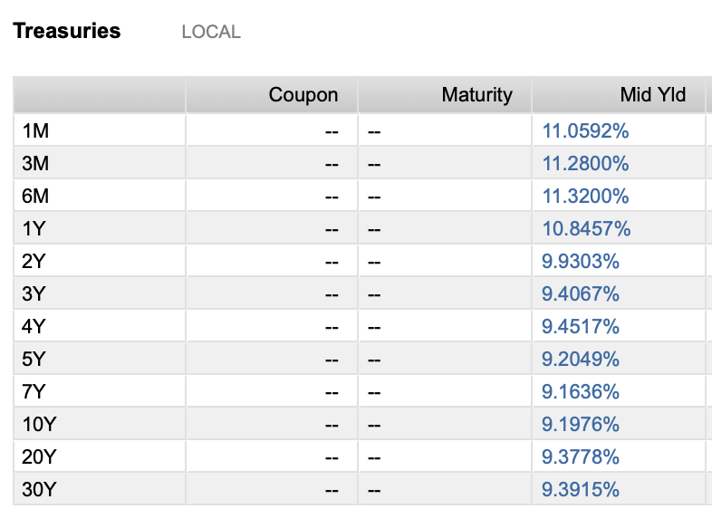
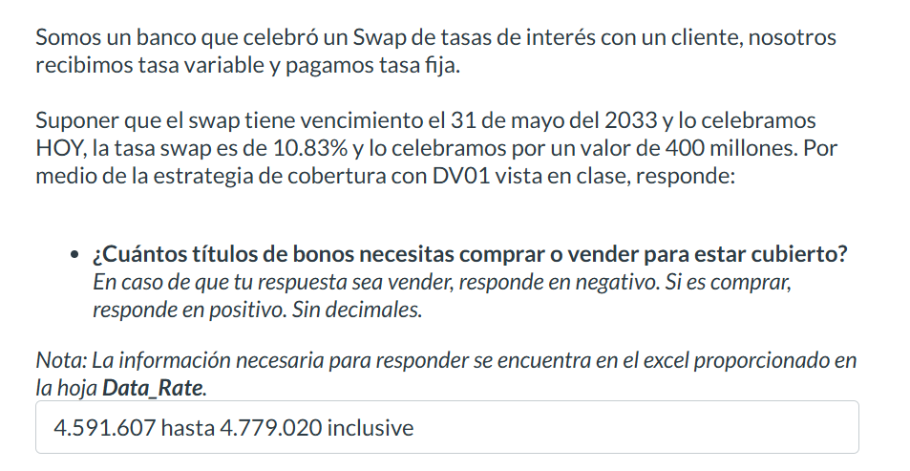
Maturity Date | Amt Out (MXN) | Identifier | Description | Cur | Deal Type | Security Type | Price | YTM | Close Date
2024 | 1,618.1
15 Feb '24 | - | MX92FO0O00S0 | Bank of Mexico 0.10% | MXN | Debt | Sovereign Commercial Paper | - | - | 18 Jan '24
15 Feb '24 | 29.9 | MXBIGO000VD4 | Government of Mexico 0.00% | MXN | Debt | Sovereign Bill/Discount Note | 9.983 | 10.035 | 16 Nov '23
22 Feb '24 | 58.8 | MXBIGO000UA2 | Government of Mexico 0.00% | MXN | Debt | Sovereign Bill/Discount Note | 9.963 | 10.348 | 24 Aug '23
22 Feb '24 | - | MX92FE040791 | Bank of Mexico 11.75% | MXN | Debt | Sovereign Commercial Paper | - | - | 23 Feb '23
29 Feb '24 | 29.4 | MXBIGO000VF9 | Government of Mexico 0.00% | MXN | Debt | Sovereign Bill/Discount Note | 9.945 | 9.884 | 30 Nov '23
29 Feb '24 | - | MX92FE0407B5 | Bank of Mexico 11.78% | MXN | Debt | Sovereign Commercial Paper | - | - | 02 Mar '23
29 Feb '24 | 49.6 | MXLFGO000122 | Government of Mexico 11.50% | MXN | Debt | Sovereign Bond/Note | - | - | 03 Mar '22
07 Mar '24 | 68.2 | MXBIGO000UE4 | Government of Mexico 0.00% | MXN | Debt | Sovereign Bill/Discount Note | 9.922 | 10.508 | 09 Mar '23
07 Mar '24 | - | MX92FE0407E9 | Bank of Mexico 11.80% | MXN | Debt | Sovereign Commercial Paper | - | - | 09 Mar '23
14 Mar '24 | 11.3 | MXBIGO000VI3 | Government of Mexico 0.00% | MXN | Debt | Sovereign Commercial Paper | 9.901 | 10.558 | 14 Dec '23
14 Mar '24 | 35.6 | MXLFGO0002R4 | Government of Mexico 11.50% | MXN | Debt | Sovereign Bond/Note | - | - | 16 Mar '23
21 Mar '24 | - | MX92FO0O00B6 | Bank of Mexico 11.77% | MXN | Debt | Sovereign Commercial Paper | - | - | 05 Oct '23
21 Mar '24 | 33.6 | MXBIGO000V45 | Government of Mexico 0.00% | MXN | Debt | Sovereign Bill/Discount Note | 9.881 | 10.598 | 21 Sep '23
21 Mar '24 | 45.3 | MXLFGO000189 | Government of Mexico 11.50% | MXN | Debt | Sovereign Bond/Note | - | - | 24 Mar '22
27 Mar '24 | 8.7 | MXBIGO000VK9 | Government of Mexico 0.00% | MXN | Debt | Sovereign Bill/Discount Note | 9.863 | 10.629 | 28 Dec '23
28 Mar '24 | - | MX92FO0O0085 | Bank of Mexico 11.77% | MXN | Debt | Sovereign Commercial Paper | - | - | 21 Sep '23
04 Apr '24 | - | MX92FO0O00E0 | Bank of Mexico 11.76% | MXN | Debt | Sovereign Commercial Paper | - | - | 19 Oct '23 |  |  |  |  |  | ASUME QUE "HOY" ES 20 DE FEBRERO DEL 2024
04 Apr '24 | 70.7 | MXBIGO000UH7 | Government of Mexico 0.00% | MXN | Debt | Sovereign Bill/Discount Note | 9.84 | 10.665 | 05 Apr '23
04 Apr '24 | 25.6 | MXLDGO0004Y1 | Government of Mexico 11.50% | MXN | Debt | Sovereign Bond/Note | - | - | 08 Apr '21 | Maturity | 31-May-33
11 Apr '24 | 21.5 | MXBIGO000VL7 | Government of Mexico 0.00% | MXN | Debt | Sovereign Bill/Discount Note | 9.811 | 11.185 | 11 Jan '24 | Settle | 20-Feb-24
18 Apr '24 | - | MX92FO0O00H3 | Bank of Mexico 11.78% | MXN | Debt | Sovereign Commercial Paper | - | - | 01 Nov '23 | Tasa swap | 10.83%
18 Apr '24 | 53.9 | MXBIGO000V94 | Government of Mexico 0.00% | MXN | Debt | Sovereign Bill/Discount Note | 9.799 | 10.723 | 19 Oct '23 | Nocional | 400M
22 Apr '24 | 3.5 | MX95FE040228 | Bank of Mexico 11.64% | MXN | Debt | Sovereign Bond/Note | - | - | 26 Apr '21
25 Apr '24 | 13.5 | MXBIGO000VN3 | Government of Mexico 0.00% | MXN | Debt | Sovereign Bill/Discount Note | 9.769 | 11.22 | 25 Jan '24 | Valor del Swap | 61,219,000 |  | Valor del Bono | 89.618
25 Apr '24 | 48.4 | MXLFGO0001M7 | Government of Mexico 11.50% | MXN | Debt | Sovereign Bond/Note | - | - | 05 May '22 | Valor del Swap + 1 basis | 61,487,000 |  | Valor del Bono + 1 basis | 89.5607
02 May '24 | - | MX92FO0O00L5 | Bank of Mexico 11.78% | MXN | Debt | Sovereign Commercial Paper | - | - | 16 Nov '23
02 May '24 | 75.4 | MXBIGO000UK1 | Government of Mexico 0.00% | MXN | Debt | Sovereign Bill/Discount Note | 9.758 | 10.775 | 04 May '23 | DV01 Swap | 268,000 |  | DV01 Bono | 0.0573
09 May '24 | - | MXBIGO000VP8 | Government of Mexico 0.00% | MXN | Debt | Sovereign Bill/Discount Note | - | - | 08 Feb '24
09 May '24 | 18.8 | MXIMBP0601H4 | Government of Mexico 11.50% | MXN | Debt | Sovereign Bond/Note | - | - | 13 May '21 | Tenemos que comprar | 4,677,138 | bonos de la serie "03-sep-26"
16 May '24 | - | MX92FO0O00N1 | Bank of Mexico 11.78% | MXN | Debt | Sovereign Commercial Paper | - | - | 30 Nov '23
16 May '24 | 31.4 | MXBIGO000VE2 | Government of Mexico 0.00% | MXN | Debt | Sovereign Bill/Discount Note | 9.717 | 10.809 | 16 Nov '23
23 May '24 | 48.8 | MXLFGO0001S4 | Government of Mexico 11.15% | MXN | Debt | Sovereign Bond/Note | - | - | 25 May '23 | 4.- Escenario hipotético, banxico sube las tasas 32 bases
30 May '24 | - | MX92FO0O00Q4 | Bank of Mexico 0.29% | MXN | Debt | Sovereign Commercial Paper | - | - | 14 Dec '23 | Valor del swap + 32 basis | 69,780,000 |  | Valor del bono + 32 basis | 87.8083
30 May '24 | 67.5 | MXBIGO000UO3 | Government of Mexico 0.00% | MXN | Debt | Sovereign Bill/Discount Note | 9.677 | 10.841 | 01 Jun '23 | Profit | 8,561,000 |  | Loss | -1.8097
30 May '24 | 4.8 | MXLDGO000520 | Government of Mexico 11.50% | MXN | Debt | Sovereign Bond/Note | - | - | 03 Jun '21 |  |  |  | Loss total | -8,464,216.40
13 Jun '24 | 25.9 | MXBIGO000VH5 | Government of Mexico 0.00% | MXN | Debt | Sovereign Commercial Paper | 9.636 | 10.871 | 14 Dec '23 | P&L | 96,783.60
27 Jun '24 | 59.0 | MXBIGO000UQ8 | Government of Mexico 0.00% | MXN | Debt | Sovereign Bill/Discount Note | 9.596 | 10.901 | 29 Jun '23
04 Jul '24 | - | MX92FO0O00T8 | Bank of Mexico 0.28% | MXN | Debt | Sovereign Commercial Paper | - | - | 18 Jan '24
11 Jul '24 | 36.7 | MXBIGO000VM5 | Government of Mexico 0.00% | MXN | Debt | Sovereign Bill/Discount Note | 9.543 | 11.277 | 11 Jan '24
25 Jul '24 | 65.4 | MXBIGO000UW6 | Government of Mexico 0.00% | MXN | Debt | Sovereign Bill/Discount Note | 9.501 | 11.324 | 27 Jul '23
25 Jul '24 | 40.7 | MXLFGO0002C6 | Government of Mexico 11.50% | MXN | Debt | Sovereign Bond/Note | - | - | 28 Jul '22
01 Aug '24 | 12.1 | MXLDGO000561 | Government of Mexico 11.50% | MXN | Debt | Sovereign Bond/Note | - | - | 12 Aug '21
08 Aug '24 | - | MX92FO0O0036 | Bank of Mexico 11.77% | MXN | Debt | Sovereign Commercial Paper | - | - | 10 Aug '23
15 Aug '24 | 58.3 | MXLFGO0002U8 | Government of Mexico 11.50% | MXN | Debt | Sovereign Bill/Discount Note | - | - | 17 Aug '23
22 Aug '24 | 39.0 | MXBIGO000UZ9 | Government of Mexico 0.00% | MXN | Debt | Sovereign Bill/Discount Note | 9.438 | 10.993 | 24 Aug '23
22 Aug '24 | - | MX92FO0O0069 | Bank of Mexico 11.78% | MXN | Debt | Sovereign Commercial Paper | - | - | 24 Aug '23
19 Sep '24 | 25.5 | MXBIGO000V37 | Government of Mexico 0.00% | MXN | Debt | Sovereign Bill/Discount Note | 9.361 | 11.018 | 21 Sep '23
19 Sep '24 | - | MX92FO0O0093 | Bank of Mexico 11.79% | MXN | Debt | Sovereign Commercial Paper | - | - | 21 Sep '23
03 Oct '24 | - | MX92FO0O00C4 | Bank of Mexico 11.78% | MXN | Debt | Sovereign Commercial Paper | - | - | 05 Oct '23
03 Oct '24 | 65.0 | MXBIGO000TL1 | Government of Mexico 0.00% | MXN | Debt | Sovereign Bond/Note | 9.323 | 11.03 | 13 Oct '22
03 Oct '24 | 54.2 | MXLFGO000015 | Government of Mexico 11.50% | MXN | Debt | Sovereign Bond/Note | - | - | 07 Oct '21
10 Oct '24 | - | MX95FE040277 | Bank of Mexico 11.76% | MXN | Debt | Sovereign Bond/Note | - | - | 27 Apr '23
17 Oct '24 | 38.4 | MXBIGO000V86 | Government of Mexico 0.00% | MXN | Debt | Sovereign Bill/Discount Note | 9.279 | 11.145 | 19 Oct '23
17 Oct '24 | - | MX92FO0O00F7 | Bank of Mexico 0.30% | MXN | Debt | Sovereign Commercial Paper | - | - | 19 Oct '23
24 Oct '24 | 44.4 | MXLFGO0002N3 | Government of Mexico 11.50% | MXN | Debt | Sovereign Bond/Note | - | - | 03 Nov '22
31 Oct '24 | - | MX92FO0O00I1 | Bank of Mexico 11.79% | MXN | Debt | Sovereign Commercial Paper | - | - | 01 Nov '23
07 Nov '24 | 48.9 | MXLFGO0002X2 | Government of Mexico 0.00% | MXN | Debt | Sovereign Bond/Note | - | - | 09 Nov '23
14 Nov '24 | 30.4 | MXBIGO000VC6 | Government of Mexico 0.00% | MXN | Debt | Sovereign Bill/Discount Note | 9.21 | 11.066 | 16 Nov '23
14 Nov '24 | - | MX92FO0O00J9 | Bank of Mexico 11.80% | MXN | Debt | Sovereign Commercial Paper | - | - | 16 Nov '23
28 Nov '24 | - | MX92FO0O00O9 | Bank of Mexico 11.80% | MXN | Debt | Sovereign Commercial Paper | - | - | 30 Nov '23
28 Nov '24 | 46.7 | MXBIGO000TW8 | Government of Mexico 0.00% | MXN | Debt | Sovereign Bill/Discount Note | 9.173 | 11.078 | 08 Dec '22
28 Nov '24 | 50.8 | MXLFGO000064 | Government of Mexico 11.50% | MXN | Debt | Sovereign Bond/Note | - | - | 02 Dec '21
11 Dec '24 | 22.5 | MXBIGO000VG7 | Government of Mexico 0.00% | MXN | Debt | Sovereign Commercial Paper | 9.139 | 11.089 | 14 Dec '23
12 Dec '24 | - | MX92FO0O00R2 | Bank of Mexico 11.80% | MXN | Debt | Sovereign Commercial Paper | - | - | 14 Dec '23
2025 | 1,554.5
02 Jan '25 | 37.3 | MXLFGO0000E6 | Government of Mexico 11.50% | MXN | Debt | Sovereign Bond/Note | - | - | 06 Jan '22
09 Jan '25 | 50.9 | MXBIGO000U38 | Government of Mexico 0.00% | MXN | Debt | Sovereign Bill/Discount Note | 9.063 | 11.113 | 11 Jan '24
16 Jan '25 | 30.3 | MXLFGO0002Z7 | Government of Mexico 11.24% | MXN | Debt | Sovereign Bill/Discount Note | - | - | 18 Jan '24
16 Jan '25 | - | MX92FO0O00U6 | Bank of Mexico 0.30% | MXN | Debt | Sovereign Commercial Paper | - | - | 18 Jan '24
23 Jan '25 | 72.9 | MXBIGO000U53 | Government of Mexico 0.00% | MXN | Debt | Sovereign Bill/Discount Note | 9.027 | 11.124 | 26 Jan '23
30 Jan '25 | 71.0 | MXLFGO0000P2 | Government of Mexico 11.50% | MXN | Debt | Sovereign Bond/Note | - | - | 03 Feb '22
06 Feb '25 | 15.5 | MXBIGO000U79 | Government of Mexico 0.00% | MXN | Debt | Sovereign Bond/Note | 8.99 | 11.137 | 09 Mar '23
20 Feb '25 | 19.4 | MXLDGO0004D5 | Government of Mexico 11.50% | MXN | Debt | Sovereign Bond/Note | - | - | 27 Feb '20
27 Feb '25 | 31.2 | MXLFGO000106 | Government of Mexico 11.50% | MXN | Debt | Sovereign Bond/Note | - | - | 03 Mar '22
03 Mar '25 | - | MX95FE040244 | Bank of Mexico 11.78% | MXN | Debt | Sovereign Bond/Note | - | - | 07 Mar '22
06 Mar '25 | 151.9 | MX0MGO0001B0 | Government of Mexico 5.00% | MXN | Debt | Sovereign Bond/Note | 94.951 | 10.012 | 09 Dec '21
13 Mar '25 | 33.5 | MXLFGO0002S2 | Government of Mexico 11.50% | MXN | Debt | Sovereign Bond/Note | - | - | 23 Mar '23
20 Mar '25 | 52.6 | MXBIGO000UG9 | Government of Mexico 0.00% | MXN | Debt | Sovereign Bond/Note | 8.896 | 10.672 | 30 Mar '23
27 Mar '25 | 92.8 | MXLFGO0001A2 | Government of Mexico 11.50% | MXN | Debt | Sovereign Bond/Note | - | - | 31 Mar '22
28 Mar '25 | - | MX95FE0401L0 | Bank of Mexico 12.00% | MXN | Debt | Sovereign Bond/Note | - | - | 03 Apr '20
28 Mar '25 | - | MX95FE0401K2 | Bank of Mexico 12.00% | MXN | Debt | Sovereign Bond/Note | - | - | 03 Apr '20
16 Apr '25 | 33.3 | MXLDGO0004F0 | Government of Mexico 11.50% | MXN | Debt | Sovereign Bond/Note | - | - | 23 Apr '20
24 Apr '25 | 39.8 | MXLFGO0001K1 | Government of Mexico 11.50% | MXN | Debt | Sovereign Bond/Note | - | - | 05 May '22
24 Apr '25 | - | MX95FE0401M8 | Bank of Mexico 12.00% | MXN | Debt | Sovereign Bond/Note | - | - | 30 Apr '20
27 Apr '25 | 15.3 | 91087BAJ | Government of Mexico 3.90% | USD | Debt | Sovereign Bond/Note | 98.556 | 5.122 | 27 Apr '20
05 May '25 | - | MX95FE0401N6 | Bank of Mexico 12.00% | MXN | Debt | Sovereign Bond/Note | - | - | 11 May '20
15 May '25 | 108.1 | MXBIGO000UM7 | Government of Mexico 0.00% | MXN | Debt | Sovereign Bill/Discount Note | 8.756 | 10.648 | 25 May '23
16 May '25 | 3.9 | MX95FE040269 | Bank of Mexico 11.72% | MXN | Debt | Sovereign Bond/Note | - | - | 20 May '22
22 May '25 | 35.8 | MXLFGO0001R6 | Government of Mexico 11.50% | MXN | Debt | Sovereign Bond/Note | - | - | 13 Jul '23
19 Jun '25 | 53.0 | MXLFGO000239 | Government of Mexico 11.30% | MXN | Debt | Sovereign Bond/Note | - | - | 07 Jul '22
19 Jun '25 | 34.4 | MXLDGO0004H6 | Government of Mexico 11.50% | MXN | Debt | Sovereign Bond/Note | - | - | 02 Jul '20
20 Jun '25 | - | MX95FE0401R7 | Bank of Mexico 6.34% | MXN | Debt | Sovereign Bond/Note | - | - | 26 Jun '20
26 Jun '25 | - | MX95FE040293 | Bank of Mexico 11.80% | MXN | Debt | Sovereign Bond/Note | - | - | 29 Jun '23
03 Jul '25 | - | MX95FE0402A1 | Bank of Mexico 11.80% | MXN | Debt | Sovereign Bond/Note | - | - | 06 Jul '23
04 Jul '25 | - | MX95FE0402B9 | Bank of Mexico 11.78% | MXN | Debt | Sovereign Bond/Note | - | - | 01 Sep '23
10 Jul '25 | 18.7 | MXLGGO000055 | Government of Mexico 11.50% | MXN | Debt | Sovereign Bond/Note | - | - | 27 Oct '23
10 Jul '25 | 39.0 | MXBIGO000UU0 | Government of Mexico 0.00% | MXN | Debt | Sovereign Bond/Note | 8.619 | 10.622 | 20 Jul '23
24 Jul '25 | 50.7 | MXLFGO0002D4 | Government of Mexico 11.50% | MXN | Debt | Sovereign Bond/Note | - | - | 04 Aug '22
07 Aug '25 | 20.8 | MXIMBP0601M4 | Government of Mexico 11.28% | MXN | Debt | Sovereign Bond/Note | - | - | 11 Aug '22
14 Aug '25 | 14.8 | MXLDGO0004K0 | Government of Mexico 11.50% | MXN | Debt | Sovereign Bond/Note | - | - | 27 Aug '20
04 Sep '25 | 42.2 | MXBIGO000V29 | Government of Mexico 0.00% | MXN | Debt | Sovereign Bill/Discount Note | 8.485 | 10.592 | 14 Sep '23
08 Sep '25 | 3.4 | JP548400AN96 | Government of Mexico 1.00% | JPY | Debt | Sovereign Bond/Note | 99.821 | 1.113 | 08 Sep '22
02 Oct '25 | 46.6 | MXLFGO0002H5 | Government of Mexico 11.50% | MXN | Debt | Sovereign Bond/Note | - | - | 06 Oct '22
09 Oct '25 | 53.0 | MXLFGO0002V6 | Government of Mexico 11.50% | MXN | Debt | Sovereign Bond/Note | - | - | 19 Oct '23
16 Oct '25 | 13.1 | MXLDGO0004N4 | Government of Mexico 11.50% | MXN | Debt | Sovereign Bond/Note | - | - | 22 Oct '20
23 Oct '25 | 49.4 | MXLFGO0002M5 | Government of Mexico 11.50% | MXN | Debt | Sovereign Bond/Note | - | - | 27 Oct '22
30 Oct '25 | 56.8 | MXBIGO000VB8 | Government of Mexico 0.00% | MXN | Debt | Sovereign Bond/Note | 8.354 | 10.561 | 09 Nov '23
06 Nov '25 | 19.6 | MXIMBP0601N2 | Government of Mexico 11.15% | MXN | Debt | Sovereign Bond/Note | - | - | 10 Nov '22
13 Nov '25 | - | MX95FE0402D5 | Bank of Mexico 11.80% | MXN | Debt | Sovereign Bond/Note | - | - | 16 Nov '23
04 Dec '25 | 42.3 | MXLFGO0000A4 | Government of Mexico 11.50% | MXN | Debt | Sovereign Bond/Note | - | - | 09 Dec '21
11 Dec '25 | 20.4 | MXLDGO0004R5 | Government of Mexico 11.50% | MXN | Debt | Sovereign Bond/Note | - | - | 17 Dec '20
24 Dec '25 | 80.5 | MXBIGO000VJ1 | Government of Mexico 0.00% | MXN | Debt | Sovereign Bill/Discount Note | 8.229 | 10.529 | 04 Jan '24
2026 | 675.9
08 Jan '26 | 17.0 | MXLFGO0000L1 | Government of Mexico 11.50% | MXN | Debt | Sovereign Bond/Note | - | - | 12 Jan '23
15 Jan '26 | 14.0 | MXLFGO000304 | Government of Mexico 11.28% | MXN | Debt | Sovereign Bill/Discount Note | - | - | 25 Jan '24
22 Jan '26 | - | MX95FE0401X5 | Bank of Mexico 11.88% | MXN | Debt | Sovereign Bond/Note | - | - | 25 Feb '21
05 Feb '26 | 20.4 | MXIMBP0601O0 | Government of Mexico 0.00% | MXN | Debt | Sovereign Bond/Note | - | - | 09 Feb '23
05 Feb '26 | - | MXFDS210HA10 | Government of Mexico 11.06% | MXN | Debt | Sovereign Bond/Note | - | - | 09 Feb '23
05 Feb '26 | - | MX95FE0401W7 | Bank of Mexico 11.89% | MXN | Debt | Sovereign Bond/Note | - | - | 11 Feb '21
12 Feb '26 | 16.0 | MXLDGO0004V7 | Government of Mexico 11.50% | MXN | Debt | Sovereign Bond/Note | - | - | 25 Feb '21
26 Feb '26 | 64.2 | MXLFGO0000Y4 | Government of Mexico 11.50% | MXN | Debt | Sovereign Bond/Note | - | - | 03 Mar '22
19 Mar '26 | 15.7 | MXLGGO000022 | Government of Mexico 11.50% | MXN | Debt | Sovereign Bond/Note | - | - | 27 Oct '23
23 Mar '26 | - | MX95FE040210 | Bank of Mexico 11.77% | MXN | Debt | Sovereign Bond/Note | - | - | 26 Apr '21
09 Apr '26 | 9.5 | MXLDGO0004Z8 | Government of Mexico 11.50% | MXN | Debt | Sovereign Bond/Note | - | - | 15 Apr '21
13 Apr '26 | - | MX95FE0401T3 | Bank of Mexico 6.11% | MXN | Debt | Sovereign Bond/Note | - | - | 19 Oct '20
23 Apr '26 | 24.0 | MXLFGO0001J3 | Government of Mexico 11.50% | MXN | Debt | Sovereign Bond/Note | - | - | 11 May '23
07 May '26 | - | MXIMBP0601P7 | Government of Mexico 0.00% | MXN | Debt | Sovereign Bond/Note | - | - | 11 May '23
07 May '26 | 24.8 | MXIQBP0701J9 | Government of Mexico 11.41% | MXN | Debt | Sovereign Bond/Note | - | - | 13 May '21
21 May '26 | - | MX95FE040285 | Bank of Mexico 11.80% | MXN | Debt | Sovereign Bond/Note | - | - | 27 Apr '23
04 Jun '26 | 60.7 | MXLFGO0002T0 | Government of Mexico 11.50% | MXN | Debt | Sovereign Bond/Note | - | - | 08 Jun '23
11 Jun '26 | 8.5 | MXLDGO000538 | Government of Mexico 11.50% | MXN | Debt | Sovereign Bond/Note | - | - | 17 Jun '21
06 Aug '26 | 14.2 | MXLDGO000579 | Government of Mexico 11.50% | MXN | Debt | Sovereign Bond/Note | - | - | 19 Aug '21
28 Aug '26 | - | MX95FE0402C7 | Bank of Mexico 11.81% | MXN | Debt | Sovereign Bond/Note | - | - | 01 Sep '23
03 Sep '26 | 171.7 | MX0MGO000193 | Government of Mexico 7.00% | MXN | Debt | Sovereign Bond/Note | 93.769 | 9.762 | 09 Mar '23
01 Oct '26 | 81.6 | MXLFGO000031 | Government of Mexico 11.50% | MXN | Debt | Sovereign Bond/Note | - | - | 14 Oct '21
22 Oct '26 | 13.0 | MXLFGO0002W4 | Government of Mexico 11.50% | MXN | Debt | Sovereign Bond/Note | - | - | 26 Oct '23
05 Nov '26 | - | MXIMBP0601R3 | Government of Mexico 0.00% | MXN | Debt | Sovereign Bond/Note | - | - | 09 Nov '23
03 Dec '26 | - | MX0SGO0000M6 | Government of Mexico 3.00% | MXV | Debt | Sovereign Inflation Indexed Security | 93.049 | 5.658 | 05 May '22
03 Dec '26 | 47.5 | MXLFGO0000B2 | Government of Mexico 11.50% | MXN | Debt | Sovereign Bond/Note | - | - | 09 Dec '21
31 Dec '26 | 72.9 | MXLFGO0000F3 | Government of Mexico 11.50% | MXN | Debt | Sovereign Bond/Note | - | - | 06 Jan '22
2027 | 698.3
14 Jan '27 | 17.7 | MXLFGO0002Y0 | Government of Mexico 11.24% | MXN | Debt | Sovereign Bond/Note | - | - | 18 Jan '24
28 Jan '27 | 28.7 | MXLFGO0000R8 | Government of Mexico 11.50% | MXN | Debt | Sovereign Bond/Note | - | - | 03 Feb '22
25 Feb '27 | 33.5 | MXLFGO000130 | Government of Mexico 11.50% | MXN | Debt | Sovereign Bond/Note | - | - | 03 Mar '22
04 Mar '27 | 365.5 | MX0MGO0001C8 | Government of Mexico 5.50% | MXN | Debt | Sovereign Bond/Note | 89.604 | 9.432 | 30 Sep '21
18 Mar '27 | 34.6 | MXLFGO000171 | Government of Mexico 11.50% | MXN | Debt | Sovereign Bond/Note | - | - | 31 Mar '22
22 Apr '27 | 30.9 | MXLFGO0001N5 | Government of Mexico 11.50% | MXN | Debt | Sovereign Bond/Note | - | - | 12 May '22
27 May '27 | - | MX95FE0402E3 | Bank of Mexico 11.83% | MXN | Debt | Sovereign Bond/Note | - | - | 16 Nov '23
17 Jun '27 | 24.2 | MXLFGO000254 | Government of Mexico 11.50% | MXN | Debt | Sovereign Bond/Note | - | - | 07 Jul '22
19 Aug '27 | 18.8 | MXLFGO0002F9 | Government of Mexico 11.50% | MXN | Debt | Sovereign Bond/Note | - | - | 08 Sep '22
08 Sep '27 | 2.7 | JP548400BN95 | Government of Mexico 1.25% | JPY | Debt | Sovereign Bond/Note | 99.105 | 1.507 | 08 Sep '22
09 Sep '27 | 27.3 | MXIQBP0701N1 | Government of Mexico 11.40% | MXN | Debt | Sovereign Bond/Note | - | - | 15 Sep '22
18 Sep '27 | 13.8 | XS2135361686 | Government of Mexico 1.35% | EUR | Debt | Sovereign Bond/Note | 93.001 | 3.411 | 18 Sep '20
30 Sep '27 | 48.8 | MXLFGO0002I3 | Government of Mexico 11.50% | MXN | Debt | Sovereign Bond/Note | - | - | 06 Oct '22
14 Oct '27 | 51.8 | MXLFGO0002L7 | Government of Mexico 11.50% | MXN | Debt | Sovereign Bond/Note | - | - | 20 Oct '22
2028 | 152.3
06 Jan '28 | 27.2 | MXIQBP0701O9 | Government of Mexico 11.37% | MXN | Debt | Sovereign Bond/Note | - | - | 12 Jan '23
27 Jan '28 | 39.7 | MXLFGO0000S6 | Government of Mexico 11.50% | MXN | Debt | Sovereign Bond/Note | - | - | 06 Jul '23
09 Feb '28 | 21.4 | 91087BAU | Government of Mexico 5.40% | USD | Debt | Sovereign Bond/Note | 100.762 | 5.186 | 09 Jan '23
16 Mar '28 | 19.1 | MXLGGO000014 | Government of Mexico 11.50% | MXN | Debt | Sovereign Bond/Note | - | - | 27 Oct '23
23 Mar '28 | 19.3 | MXLFGO0001C8 | Government of Mexico 11.50% | MXN | Debt | Sovereign Bond/Note | - | - | 30 Mar '23
11 May '28 | - | MXIQBP0701P6 | Government of Mexico 11.50% | MXN | Debt | Sovereign Bond/Note | - | - | 18 May '23
15 Jun '28 | 20.5 | MXLFGO000247 | Government of Mexico 11.50% | MXN | Debt | Sovereign Bond/Note | - | - | 24 Aug '23
07 Sep '28 | - | MXIQBP0701Q4 | Government of Mexico 0.00% | MXN | Debt | Sovereign Bond/Note | - | - | 14 Sep '23
28 Dec '28 | 5.0 | MXLFGO0000H9 | Government of Mexico 11.50% | MXN | Debt | Sovereign Bond/Note | - | - | 04 Jan '24
2029 | 203.4
11 Jan '29 | - | MXIQBP0701R2 | Government of Mexico 11.33% | MXN | Debt | Sovereign Bond/Note | - | - | 18 Jan '24
25 Jan '29 | 7.2 | MXLFGO0000T4 | Government of Mexico 11.30% | MXN | Debt | Sovereign Bond/Note | - | - | 17 Feb '22
01 Mar '29 | 110.2 | MX0MGO0001F1 | Government of Mexico 8.50% | MXN | Debt | Sovereign Bond/Note | 97.02 | 9.237 | 21 Aug '23
22 Mar '29 | 11.1 | MXLFGO0001E4 | Government of Mexico 11.50% | MXN | Debt | Sovereign Bond/Note | - | - | 31 Mar '22
19 Apr '29 | 5.3 | MXLFGO0001O3 | Government of Mexico 11.50% | MXN | Debt | Sovereign Bond/Note | - | - | 19 May '22
07 May '29 | 17.1 | 91087BAY | Government of Mexico 5.00% | USD | Debt | Sovereign Bond/Note | 98.611 | 5.307 | 08 Jan '24
27 Sep '29 | 37.8 | MXISBP0401K0 | Government of Mexico 0.00% | MXN | Debt | Sovereign Bond/Note | - | - | 06 Oct '22
04 Oct '29 | 14.7 | MXLFGO0002J1 | Government of Mexico 11.50% | MXN | Debt | Sovereign Bond/Note | - | - | 27 Oct '22
2030 | 82.4
17 Jan '30 | 23.0 | XS2104886341 | Government of Mexico 1.12% | EUR | Debt | Sovereign Bond/Note | 84.805 | 4.015 | 17 Jan '20
11 Feb '30 | 14.7 | XS2444273168 | Government of Mexico 2.38% | EUR | Debt | Sovereign Bond/Note | 91.073 | 4.04 | 11 Feb '22
28 Mar '30 | 6.0 | MXISBP0401L8 | Government of Mexico 0.00% | MXN | Debt | Sovereign Bond/Note | - | - | 05 Apr '23
16 Apr '30 | 38.6 | 91087BAH | Government of Mexico 3.25% | USD | Debt | Sovereign Bond/Note | 88.493 | 5.466 | 16 Jan '20
10 Oct '30 | - | MXISBP0401M6 | Government of Mexico 100.00% | MXN | Debt | Sovereign Bond/Note | - | - | 19 Oct '23
2031 | 58.0
24 May '31 | 58.0 | 91087BAM | Government of Mexico 2.66% | USD | Debt | Sovereign Bond/Note | 82.603 | 5.593 | 24 Nov '20
27 Nov '31 | - | MX0SGO0000K0 | Government of Mexico 2.75% | MXV | Debt | Sovereign Inflation Indexed Security | 87.147 | 4.71 | 18 Feb '21
2032 | 109.8
15 Apr '32 | 10.8 | MXLFGO0001Q8 | Government of Mexico 11.50% | MXN | Debt | Sovereign Bond/Note | - | - | 19 May '22
27 Apr '32 | 41.6 | 91087BAK | Government of Mexico 4.75% | USD | Debt | Sovereign Bond/Note | 93.933 | 5.683 | 27 Apr '20
25 May '32 | 36.9 | XS2754067242 | Government of Mexico 4.49% | EUR | Debt | Sovereign Bond/Note | 100.748 | 4.336 | 25 Jan '24
08 Sep '32 | 1.7 | JP548400CN94 | Government of Mexico 1.83% | JPY | Debt | Sovereign Bond/Note | 95.998 | 2.346 | 08 Sep '22
21 Oct '32 | 18.9 | MXLFGO0002O1 | Government of Mexico 11.50% | MXN | Debt | Sovereign Bond/Note | - | - | 03 Nov '22
2033 | 353.6
19 May '33 | 37.6 | 91087BAT | Government of Mexico 4.88% | USD | Debt | Sovereign Bond/Note | 93.71 | 5.758 | 19 Aug '22
26 May '33 | 288.1 | MX0MGO0001D6 | Government of Mexico 7.50% | MXN | Debt | Sovereign Bond/Note | 89.492 | 9.185 | 15 Dec '22
25 Oct '33 | 27.9 | XS2289587789 | Government of Mexico 1.45% | EUR | Debt | Sovereign Bond/Note | 76.61 | 4.423 | 25 Jan '21
2034 | 49.0
12 Feb '34 | 49.0 | 91087BAR | Government of Mexico 3.50% | USD | Debt | Sovereign Bond/Note | 82.22 | 5.873 | 12 Jan '22
2035 | 70.0
09 Feb '35 | 47.0 | 91087BAV | Government of Mexico 6.35% | USD | Debt | Sovereign Bond/Note | 102.291 | 6.061 | 09 Jan '23
24 May '35 | 23.0 | MXMSGO000001 | Government of Mexico 8.00% | MXN | Debt | Sovereign Bond/Note | 91.229 | 9.253 | 08 Jun '23
2036 | 91.4
07 May '36 | 68.3 | 91087BAZ | Government of Mexico 6.00% | USD | Debt | Sovereign Bond/Note | 99.40 | 6.07 | 08 Jan '24
12 Aug '36 | 23.0 | XS2363910436 | Government of Mexico 2.25% | EUR | Debt | Sovereign Bond/Note | 76.872 | 4.688 | 12 Jul '21
2037 | 0.5
08 Sep '37 | 0.5 | JP548400DN93 | Government of Mexico 2.28% | JPY | Debt | Sovereign Bond/Note | 86.978 | 3.49 | 08 Sep '22
2041 | 42.3
14 Aug '41 | 42.3 | 91087BAQ | Government of Mexico 4.28% | USD | Debt | Sovereign Bond/Note | 78.863 | 6.288 | 14 Apr '21
2042 | 0.4
08 Sep '42 | 0.4 | JP548400EN92 | Government of Mexico 2.52% | JPY | Debt | Sovereign Bond/Note | 85.453 | 3.598 | 08 Sep '22
2043 | -
12 Nov '43 | - | MX0SGO0000N4 | Government of Mexico 3.25% | MXV | Debt | Sovereign Inflation Indexed Security | 83.382 | 4.517 | 08 Dec '22
2051 | 64.2
27 Apr '51 | 42.4 | 91087BAL | Government of Mexico 5.00% | USD | Debt | Sovereign Bond/Note | 82.634 | 6.347 | 27 Apr '20
25 Oct '51 | 21.8 | XS2289588167 | Government of Mexico 2.12% | EUR | Debt | Sovereign Bond/Note | 58.198 | 4.86 | 25 Jan '21
2052 | 37.7
12 Feb '52 | 37.7 | 91087BAS | Government of Mexico 4.40% | USD | Debt | Sovereign Bond/Note | 75.015 | 6.312 | 12 Jan '22
2053 | 265.8
04 May '53 | 50.2 | 91087BAX | Government of Mexico 6.34% | USD | Debt | Sovereign Bond/Note | 97.293 | 6.545 | 28 Apr '23
31 Jul '53 | 215.6 | MX0MGO0001E4 | Government of Mexico 8.00% | MXN | Debt | Sovereign Bond/Note | 85.827 | 9.423 | 10 Mar '22
2054 | 42.7
07 May '54 | 42.7 | 91087BBA | Government of Mexico 6.40% | USD | Debt | Sovereign Bond/Note | 98.248 | 6.533 | 08 Jan '24
2061 | 51.8
24 May '61 | 51.8 | 91087BAN | Government of Mexico 3.77% | USD | Debt | Sovereign Bond/Note | 63.677 | 6.314 | 24 Nov '20
2071 | 51.2
19 Apr '71 | 51.2 | 91087BAP | Government of Mexico 3.75% | USD | Debt | Sovereign Bond/Note | 62.399 | 6.228 | 19 Jan '21
Inactive | 90.7
02 Apr '20 | 0.0 | MXBIGO000OG2 | Matured - Government of Mexico 0.00% | MXN | Debt | Sovereign Bill/Discount Note | - | - | 02 Jan '20
16 Apr '20 | - | MXBIGO000PK1 | Matured - Government of Mexico 0.00% | MXN | Debt | Sovereign Bill/Discount Note | - | - | 16 Jan '20
30 Apr '20 | 0.0 | MXBIGO000PN5 | Matured - Government of Mexico 0.00% | MXN | Debt | Sovereign Bill/Discount Note | - | - | 30 Jan '20
14 May '20 | 0.0 | MXBIGO000PP0 | Matured - Government of Mexico 0.00% | MXN | Debt | Sovereign Bill/Discount Note | - | - | 13 Feb '20
28 May '20 | 0.0 | MXBIGO000PQ8 | Matured - Government of Mexico 0.00% | MXN | Debt | Sovereign Bill/Discount Note | - | - | 27 Feb '20
11 Jun '20 | - | MXBIGO000PS4 | Matured - Government of Mexico 0.00% | MXN | Debt | Sovereign Bill/Discount Note | - | - | 12 Mar '20
25 Jun '20 | - | MXBIGO000PV8 | Matured - Government of Mexico 0.00% | MXN | Debt | Sovereign Bill/Discount Note | - | - | 26 Mar '20
02 Jul '20 | 0.0 | MXBIGO000OV1 | Matured - Government of Mexico 0.00% | MXN | Debt | Sovereign Bill/Discount Note | - | - | 02 Jan '20
09 Jul '20 | - | MXBIGO000PY2 | Matured - Government of Mexico 0.00% | MXN | Debt | Sovereign Bill/Discount Note | - | - | 08 Apr '20
16 Jul '20 | 0.0 | MXBIGO000PL9 | Matured - Government of Mexico 0.00% | MXN | Debt | Sovereign Bill/Discount Note | - | - | 16 Jan '20
23 Jul '20 | 0.0 | MXBIGO000Q26 | Matured - Government of Mexico 0.00% | MXN | Debt | Sovereign Commercial Paper | - | - | 23 Apr '20
30 Jul '20 | 0.0 | MXBIGO000OY5 | Matured - Government of Mexico 0.00% | MXN | Debt | Sovereign Bill/Discount Note | - | - | 30 Jan '20
06 Aug '20 | - | MXBIGO000Q34 | Matured - Government of Mexico 0.00% | MXN | Debt | Sovereign Bill/Discount Note | - | - | 07 May '20
20 Aug '20 | - | MXBIGO000Q67 | Matured - Government of Mexico 0.00% | MXN | Debt | Sovereign Bill/Discount Note | - | - | 21 May '20
03 Sep '20 | - | MXBIGO000Q75 | Matured - Government of Mexico 0.00% | MXN | Debt | Sovereign Bill/Discount Note | - | - | 04 Jun '20
10 Sep '20 | 0.0 | MXBIGO000P76 | Matured - Government of Mexico 0.00% | MXN | Debt | Sovereign Bill/Discount Note | - | - | 12 Mar '20
17 Sep '20 | 0.0 | MXBIGO000QA0 | Matured - Government of Mexico 0.00% | MXN | Debt | Sovereign Bill/Discount Note | - | - | 18 Jun '20
24 Sep '20 | 0.0 | MXBIGO000PU0 | Matured - Government of Mexico 0.00% | MXN | Debt | Sovereign Bill/Discount Note | - | - | 26 Mar '20
01 Oct '20 | - | MXBIGO000PB0 | Matured - Government of Mexico 0.00% | MXN | Debt | Sovereign Bill/Discount Note | - | - | 02 Jul '20
15 Oct '20 | 0.0 | MXBIGO000QE2 | Matured - Government of Mexico 0.00% | MXN | Debt | Sovereign Bill/Discount Note | - | - | 16 Jul '20
22 Oct '20 | 0.0 | MXBIGO000Q18 | Matured - Government of Mexico 0.00% | MXN | Debt | Sovereign Bill/Discount Note | - | - | 23 Apr '20
29 Oct '20 | 0.0 | MXBIGO000QF9 | Matured - Government of Mexico 0.00% | MXN | Debt | Sovereign Bill/Discount Note | - | - | 30 Jul '20
05 Nov '20 | 0.0 | MXBIGO000PG9 | Matured - Government of Mexico 0.00% | MXN | Debt | Sovereign Bill/Discount Note | - | - | 07 May '20
12 Nov '20 | - | MXBIGO000QH5 | Matured - Government of Mexico 0.00% | MXN | Debt | Sovereign Bill/Discount Note | - | - | 13 Aug '20
19 Nov '20 | 0.0 | MXBIGO000Q42 | Matured - Government of Mexico 0.00% | MXN | Debt | Sovereign Bill/Discount Note | - | - | 21 May '20
26 Nov '20 | 0.0 | MXBIGO000QK9 | Matured - Government of Mexico 0.00% | MXN | Debt | Sovereign Bill/Discount Note | - | - | 27 Aug '20
10 Dec '20 | - | MXBIGO000QM5 | Matured - Government of Mexico 0.00% | MXN | Debt | Sovereign Bill/Discount Note | - | - | 10 Sep '20
17 Dec '20 | 0.0 | MXBIGO000Q91 | Matured - Government of Mexico 0.00% | MXN | Debt | Sovereign Bill/Discount Note | - | - | 18 Jun '20
24 Dec '20 | 0.0 | MXBIGO000QP8 | Matured - Government of Mexico 0.00% | MXN | Debt | Sovereign Commercial Paper | - | - | 24 Sep '20
31 Dec '20 | 0.0 | MXBIGO000QD4 | Matured - Government of Mexico 0.00% | MXN | Debt | Sovereign Bill/Discount Note | - | - | 02 Jul '20
07 Jan '21 | 0.0 | MXBIGO000QQ6 | Matured - Government of Mexico 0.00% | MXN | Debt | Sovereign Bill/Discount Note | - | - | 08 Oct '20
14 Jan '21 | 0.0 | MXBIGO000PM7 | Matured - Government of Mexico 0.00% | MXN | Debt | Sovereign Bill/Discount Note | - | - | 16 Jul '20
21 Jan '21 | 0.0 | MXBIGO000QU8 | Matured - Government of Mexico 0.00% | MXN | Debt | Sovereign Bill/Discount Note | - | - | 22 Oct '20
28 Jan '21 | 0.0 | MXBIGO000PO3 | Matured - Government of Mexico 0.00% | MXN | Debt | Sovereign Bill/Discount Note | - | - | 30 Jan '20
04 Feb '21 | 0.0 | MXBIGO000QW4 | Matured - Government of Mexico 0.00% | MXN | Debt | Sovereign Bill/Discount Note | - | - | 05 Nov '20
11 Feb '21 | 0.0 | MXBIGO000QJ1 | Matured - Government of Mexico 0.00% | MXN | Debt | Sovereign Bill/Discount Note | - | - | 13 Aug '20
18 Feb '21 | - | MXBIGO000QY0 | Matured - Government of Mexico 0.00% | MXN | Debt | Sovereign Bill/Discount Note | - | - | 19 Nov '20
25 Feb '21 | 0.0 | MXBIGO000PR6 | Matured - Government of Mexico 0.00% | MXN | Debt | Sovereign Bill/Discount Note | - | - | 18 Mar '20
25 Feb '21 | 0.0 | MXLDGO0004C7 | Matured - Government of Mexico 100.00% | MXN | Debt | Sovereign Bond/Note | - | - | 27 Feb '20
04 Mar '21 | 0.0 | MXBIGO000R09 | Matured - Government of Mexico 0.00% | MXN | Debt | Sovereign Bill/Discount Note | - | - | 03 Dec '20
11 Mar '21 | 0.0 | MXBIGO000QN3 | Matured - Government of Mexico 0.00% | MXN | Debt | Sovereign Bill/Discount Note | - | - | 10 Sep '20
18 Mar '21 | - | MXBIGO000R17 | Matured - Government of Mexico 0.00% | MXN | Debt | Sovereign Bill/Discount Note | - | - | 17 Dec '20
...

Data_FX
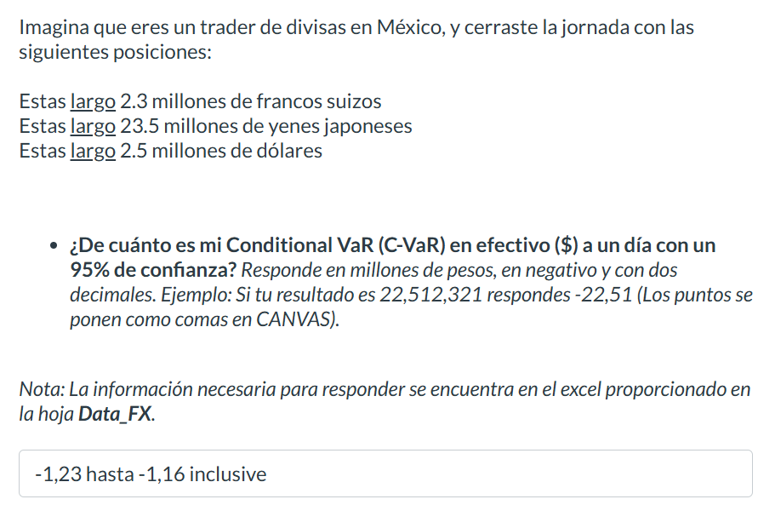
USDMXN=X
19.44659996
19.458799362
19.407600403
19.386800766
19.31855011
19.124300003
19.124500275
19.05960083
18.942399979
18.84431076
18.774200439
18.777900696
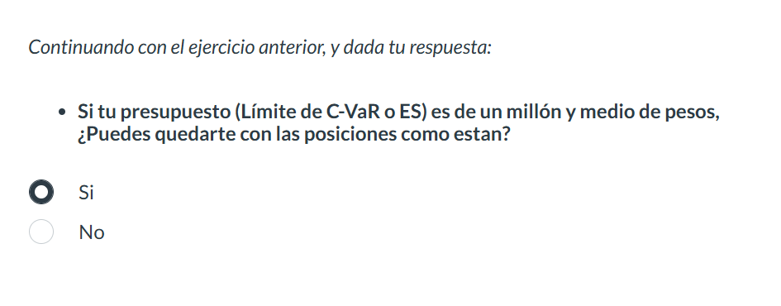
18.641500473
18.874059677
18.982700348
18.85777092
18.813259125
18.783599854
18.776199341
18.796699524
18.768749237
18.758600235
18.842870712
18.582899094
18.641399384
18.990869522
19.167999268
18.881500244
18.93445015
18.778299332
...

Data_Derivatives
...
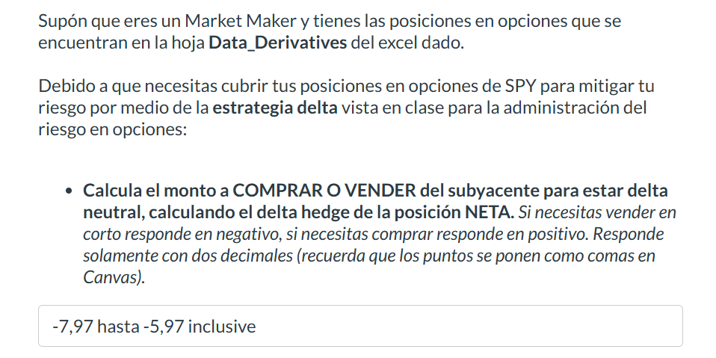
 | PUTS VENDIDOS (Subyacente SPY)
475 | Plazo / Strike | 450 | 445 | 440
17 | 1m | 26 | 18 | 14
12 | 3m | 21 | 26 | 32
11 | 6m | 17 | 35 | 43
 | nocionales expresados en miles de títulos

 | Volatilidad ímplicita por K y plazo PUTS
475 | Plazo / Strike | 450 | 445 | 440
0.15 | 1m | 0.24 | 0.22 | 0.2
0.19 | 3m | 0.25 | 0.24 | 0.23
0.2 | 6m | 0.26 | 0.25 | 0.24

