Sheet1
 |  |  |  | SPEC SHEET
 |  |  | Follow Approved Color Proof; Spec sheet for Supplemental Information Only

CLEAR CONTENTS
(PART 1)
Date: | 03.02.26 |  | Destiny ID: |  |  | Cust Item ID: | 62041-11

Unit Wt.: | 14.75 |  |  | Item Description: | US Foods PL CVF Romaine Hearts 3ct Bag

CLEAR CONTENTS
(PART 2)
 | Width: |  | Length: |  | Bottom | Flip Size: |  | Flip Position:
 | 10 |  | 14 |  | Gusset: | N/A |  | N/A
 |  |  |  |  | N/A

 | Lip: Frnt/Bck: |  | Zipper Header: |  | Tear Top: | Gauge: |  | Wicket-less:
 | 1.5 Perforated |  | NO |  | YES | 1.5

 | Vents: |  | Vent Size: |  | Across: | Down: |  | Wicket Size:
 | YES |  | 1/4" |  | See PDF | See PDF |  | N/A

 | Wicket Hole: |  | Slits Above Wicket |  | Land Area: | Wicket |  | Rubber Bands:
 | 0.625 |  | NO |  | 1/2" | Position: |  | N/A
 |  |  |  |  |  | Centered

 | Front |  | Back |  | Wicket | Wicket Wire |  | Rubber
 | Chipbrd: |  | Chipbrd: |  | Wire end: | Gauge: |  | Washers:
 | 1.25 x 9 |  | 13 x 9 |  | BALL |  |  | Yes

 | Film Type: |  | Extrusion |  | Clarity | Seal
 | LDPE |  | Type: |  | Grade: | Type
 |  |  | Blown |  | High | Side
 |  |  |  |  |  |  |  |  | C
Shipping Format

 | Bags / Cs/Rl |  | Bag/Wicket |  | Wickets/Case | Cs/PL
 | 2,000 |  | N/A |  | N/A | 50

 | Cornerboards: |  | Pallet Size |  | HEATED TREATED | Pallet Covers: |  | Poly Wrap:
 | Yes |  | 40 x 48 |  | Yes | Yes |  | Yes

 | 4- Way Strap: |  | Box size: |  | Box Color:
 | Yes |  |  |  | White

 |  |  | Item Design Details

Language: | English |  |  |  | Address : |  | Graphics:

COA: | USA

 | PMS Colors:
1. | WHITE
2. | WHITE 2
3. | 11 COOL GRAY
4. | 363 GREEN
5.
6.
 | ©®™ |  | UPC |  | PLU #
 | ®

Artwork (V): | 1

Eye Mark: | dp/Date/Printer ID

Date: | 3.2.26 |  | Graphics Approval: |  | CMcG

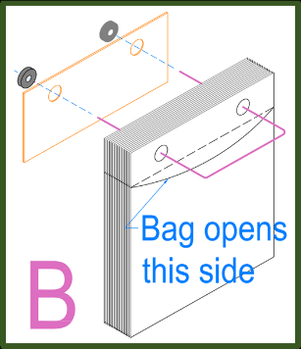
 | Additional Information: | Bag Tolerance: 1/8" +/-
 |  | Must convert with Print OUTSIDE

Date: | 03.02.26 |  | Sales Rep Approval: |  | ElsieC
Date: | 03.02.26 |  | Checked By |  | ElsieC

