Rastreio
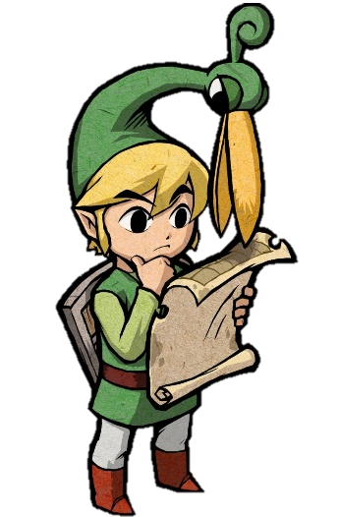
CONTROLE DE IMPORTAÇÕES

CADÊ MEU JOGO Rastreio de compras de e-commerce baseado em seus códigos de rastreio

Pedidos que Estão pra Chegar

Order ID | NOME DA NOTA | CONSOLE | NOME DO JOGO | VERSÃO
6793208824 | Bought 1x [The Legend of Zelda: Skyward Sword] - AliExpress [NDS] | NDS | The Legend of Zelda: Skyward Sword | Complete [DLX]
2593249747 | Bought 1x [Pokémon Moon] - AliExpress [NDS] | NDS | Pokémon Moon | Complete [DLX]
6055727313 | Bought 1x [Mega Man X] - AliExpress [NDS] | NDS | Mega Man X | Complete [XZ]!
2912430686 | Bought 1x [Super Mario 64 DS] - AliExpress [3DS] | 3DS | Super Mario 64 DS | Complete [DLX]
9483853306 | Bought 1x [Super Mario Galaxy] - AliExpress [3DS] | 3DS | Super Mario Galaxy | Complete [XZ]!

Pedidos com Problema

Order ID
3831998152
5561729620
6864946536
5415997812
5074725258

Pedidos que vão ser devolvidos

Order ID
4319579638
2533510230
3044929118
7595400160
3129537165
8509378705

