방법
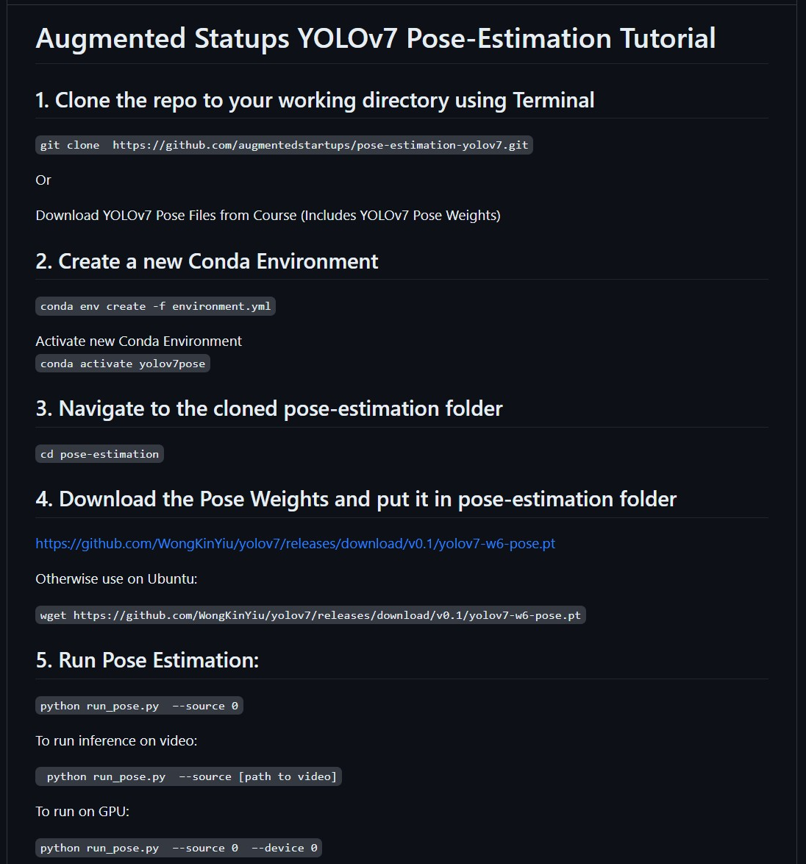
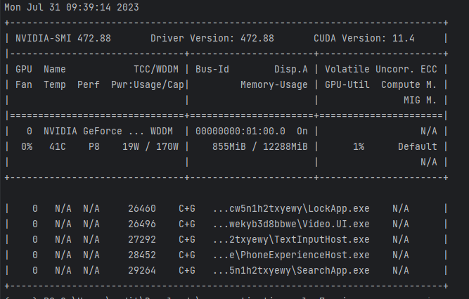
yolov7 pose estimation 설치 가이드 | gpu 동작하지 않을 경우 cuda 버전이 맞지 않아서일 가능성이 높음
augmentedstartups/pose-estimation-yolov7 (github.com) | 터미널에서 nvidia-smi 명령어 입력하여 cuda 버전 확인 후
 | https://pytorch.org/get-started/previous-versions/ 들어가서 적합한 버전 찾아서 설치(하위버전 설치 가능함)

output 좌표
0
0 | x | 652.25 | 662.75 | 642.7 | 678.47 | 630.38 | 704.69 | 607.63 | 726.41 | 602.6 | 718.09 | 600.05 | 691.97 | 628.38 | 709.94 | 609.72 | 723.87 | 596.84
660.04 | y | 209.8 | 201.84 | 202.21 | 214.04 | 213.8 | 274.62 | 282.54 | 356.64 | 365.77 | 422.86 | 435.21 | 412.85 | 414.32 | 537.11 | 538.37 | 659.52 | 660.28
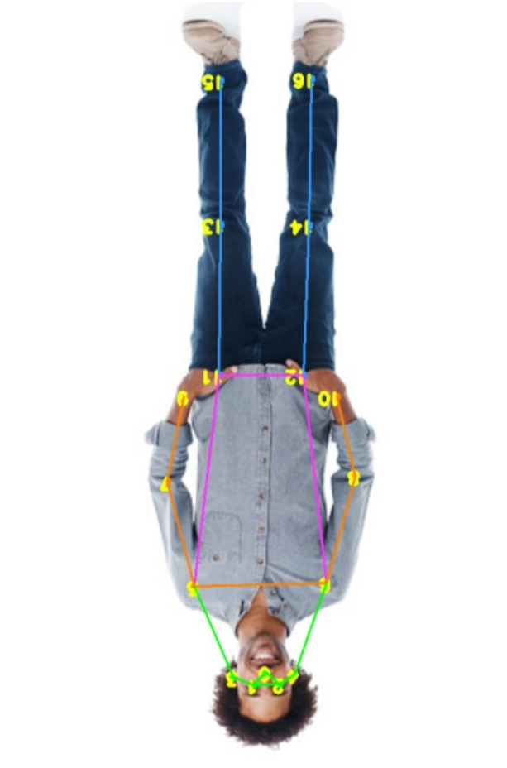
442.69
177.69
535.23
0.93511
652.25
209.8
0.99803
662.75
201.84
0.99652
642.7
202.21
0.992
678.47
214.04
0.96789
630.38
213.8
0.69239
704.69
274.62
0.97736
607.63
282.54
0.97715
726.41
356.64
0.95131
602.6
365.77
0.94959
718.09
422.86
0.93443
600.05
435.21
0.93331
691.97
412.85
0.98824
628.38
414.32
0.98811
709.94
537.11
0.9707
609.72
538.37
0.97021
723.87
659.52
0.88669
596.84
660.28
0.88605

