Sample Data
Sample XLSX Spreadsheet
Generated on: 2025-06-13 21:47:32

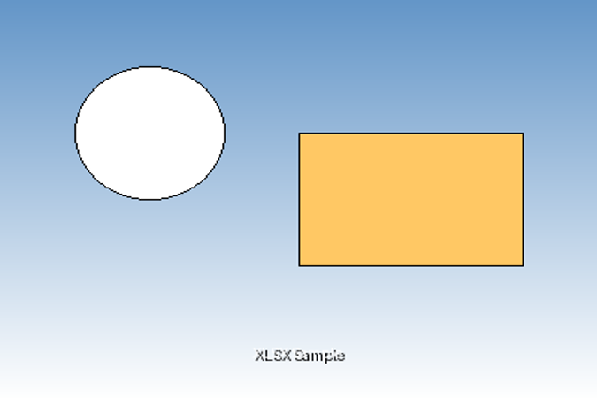 Sample Image:

Structured Table:

Product | Category | Price | Stock
Laptop | Electronics | $999.99 | 25
Smartphone | Electronics | $699.99 | 50
Desk Chair | Furniture | $199.99 | 15
Coffee Mug | Kitchen | $12.99 | 100

Unstructured Table (Merged Cells):

Department | Q1 | Q2 | Q3 | Q4
Sales | $10,000 | $12,000 | $15,000 | $18,000
Marketing | $5,000 | $6,000 | $7,000 | $8,000
HR | $3,000 | $3,200 | $3,500 | $3,800
Total | $18,000 | $21,200 | $25,500 | $29,800

Grand Total (All Quarters) |  |  |  | $94,500

Vertical Merge Example | Data 1
 | Data 2
 | Data 3

