Autocorrelations
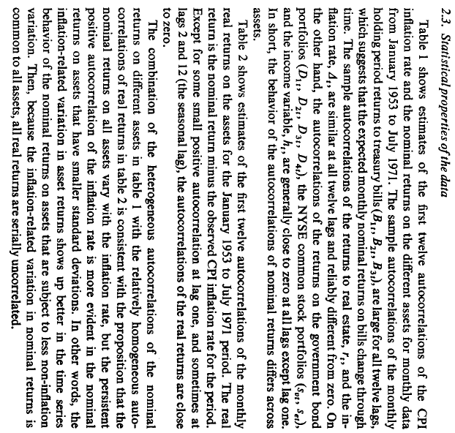
Table II |  |  |  |  |  |  |  |  |  |  |  |  |  | See FAMA & SCHWERT
Panel A: Autocorrelations of monthly nominal rates of return (1980-2024)
Variable | ρ1 | ρ2 | ρ3 | ρ4 | ρ5 | ρ6 | ρ7 | ρ8 | ρ9 | ρ10 | ρ11 | ρ12 | ρ13
S&P 500 | 0.013 | -0.053 | 0.031 | 0.004 | 0.061 | -0.049 | 0.053 | 0.020 | -0.068 | 0.032 | -0.007 | 0.016 | -0.029
Russell 2000 | 0.076 | -0.042 | -0.040 | -0.050 | -0.041 | -0.022 | 0.025 | -0.023 | -0.067 | 0.018 | -0.013 | -0.032 | -0.049
NASDAQ | 0.097 | -0.012 | 0.005 | -0.013 | -0.014 | 0.046 | 0.064 | -0.022 | -0.032 | 0.072 | 0.012 | -0.041 | -0.092
FTSE | 0.005 | -0.075 | -0.012 | 0.063 | 0.009 | -0.030 | 0.001 | -0.036 | -0.017 | -0.010 | 0.018 | -0.012 | 0.005
DAX | 0.032 | -0.037 | 0.049 | 0.036 | -0.031 | 0.000 | -0.005 | 0.021 | -0.034 | 0.002 | -0.017 | 0.046 | -0.025
STOXX | 0.088 | -0.018 | 0.042 | 0.022 | -0.025 | -0.022 | -0.012 | 0.051 | -0.005 | 0.043 | -0.010 | 0.037 | -0.011
Nikkei | 0.053 | 0.004 | 0.045 | -0.008 | 0.045 | -0.083 | 0.014 | 0.033 | 0.031 | 0.060 | -0.026 | 0.006 | -0.049
Gold | -0.082 | -0.078 | 0.006 | 0.030 | 0.068 | -0.025 | 0.004 | 0.019 | -0.028 | 0.050 | 0.094 | -0.016 | -0.015
Oil | 0.158 | -0.083 | -0.037 | -0.096 | -0.089 | 0.006 | -0.030 | -0.023 | 0.007 | 0.012 | 0.059 | -0.065 | -0.040
10 Year Treasury Note | 0.092 | -0.025 | -0.013 | 0.006 | -0.026 | 0.050 | -0.007 | 0.054 | 0.028 | 0.016 | 0.085 | 0.018 | -0.066
TIPS ETF | -0.018 | -0.113 | 0.119 | -0.023 | 0.015 | 0.081 | -0.057 | -0.015 | -0.010 | -0.028 | -0.047 | 0.018 | -0.029
NAREIT | 0.062 | -0.114 | 0.090 | 0.117 | -0.023 | -0.122 | 0.024 | 0.083 | -0.058 | -0.125 | 0.079 | 0.062 | -0.080
EUR/USD | 0.046 | 0.034 | 0.055 | -0.025 | 0.021 | 0.000 | -0.006 | 0.006 | 0.021 | 0.038 | 0.029 | -0.054 | 0.013
JPY/USD | 0.046 | 0.065 | -0.007 | 0.014 | -0.073 | -0.055 | -0.036 | 0.062 | 0.063 | 0.045 | 0.124 | 0.057 | 0.021
CHF/USD | 0.015 | 0.000 | 0.028 | -0.054 | -0.010 | -0.044 | 0.015 | -0.007 | 0.055 | 0.006 | 0.064 | -0.058 | -0.004
Monthly Inflation Rate | 0.557 | 0.260 | 0.210 | 0.209 | 0.176 | 0.168 | 0.216 | 0.211 | 0.206 | 0.259 | 0.244 | 0.077 | 0.022
YoY Inflation Rate | 0.970 | 0.928 | 0.883 | 0.838 | 0.794 | 0.751 | 0.711 | 0.670 | 0.627 | 0.583 | 0.536 | 0.489 | 0.457
Historical Volatility | 0.951 | 0.892 | 0.827 | 0.762 | 0.694 | 0.623 | 0.552 | 0.484 | 0.417 | 0.345 | 0.273 | 0.211 | 0.188
GARCH (1,1) Volatility | 0.880 | 0.760 | 0.653 | 0.562 | 0.482 | 0.412 | 0.356 | 0.311 | 0.277 | 0.229 | 0.177 | 0.147 | 0.131

Regressions (Assets) ->
