Plan1
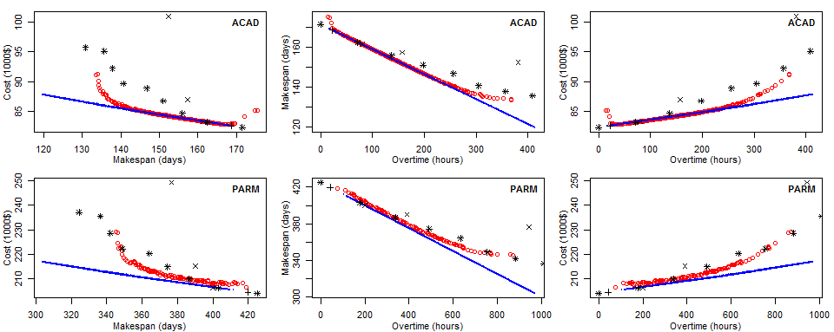
MEANS |  |  |  |  | STDEV |  | EFF-SIZE |  |  |  | BEST-SOLUTIONS
 |  |  |  |  |  |  |  |  |  |  |  | * SH
IC | GA | MAR | SH | CPM |  | GA |  | GA/MAR | GA/SH | GA/CPM |  | + CPM
ACAD | 0.0196 | 0.0068 | 0.0103 | 0.0068 | ACAD | 0.0109 | ACAD | 94% | 84% | 94% |  | x MAR
WMET | 0.0196 | 0.0068 | 0.0103 | 0.0068 | WMET | 0.0113 | WMET | 89% | 81% | 89%
WAMS | 0.0196 | 0.0069 | 0.0103 | 0.0069 | WAMS | 0.0096 | WAMS | 96% | 88% | 96%
PSOA | 0.0197 | 0.0086 | 0.0086 | 0.0086 | PSOA | 0.0108 | PSOA | 85% | 85% | 85%
OMET | 0.0195 | 0.0100 | 0.0150 | 0.0100 | OMET | 0.0108 | OMET | 80% | 60% | 80%
PARM | 0.0187 | 0.0165 | 0.0496 | 0.0165 | PARM | 0.0173 | PARM | 44% | 7% | 44%

HV | GA | MAR | SH | CPM |  | GA |  | GA/MAR | GA/SH | GA/CPM
ACAD | 0.4999 | 0.2303 | 0.3589 | - | ACAD | 0.0037 | ACAD | 100% | 100% | 100%
WMET | 0.4859 | 0.2544 | 0.3538 | 0.1913 | WMET | 0.0029 | WMET | 100% | 100% | 100%
WAMS | 0.4808 | 0.2547 | 0.3547 | 0.1718 | WAMS | 0.0027 | WAMS | 100% | 100% | 100%
PSOA | 0.3692 | 0.1589 | 0.2425 | - | PSOA | 0.0044 | PSOA | 100% | 100% | 100%
OMET | 0.4394 | 0.2562 | 0.3579 | 0.2109 | OMET | 0.0038 | OMET | 100% | 100% | 100%
PARM | 0.3963 | 0.2308 | 0.3579 | - | PARM | 0.0044 | PARM | 100% | 100% | 100%

GD | GA | MAR | SH | CPM |  | GA |  | GA/MAR | GA/SH | GA/CPM | CPM
ACAD | 0.0033 | 0.1782 | 0.0457 | - | ACAD | 0.0012 | ACAD | 100% | 100% | n/a | 2
WMET | 0.0023 | 0.2394 | 0.0390 | 0.1508 | WMET | 0.0003 | WMET | 100% | 100% | 100% | 5
WAMS | 0.0018 | 0.2406 | 0.0381 | 0.1502 | WAMS | 0.0003 | WAMS | 100% | 100% | 100% | 4
PSOA | 0.0047 | 0.1738 | 0.1577 | - | PSOA | 0.0016 | PSOA | 100% | 100% | n/a | 2
OMET | 0.0022 | 0.2207 | 0.0249 | 0.1280 | OMET | 0.0002 | OMET | 100% | 100% | 100% | 5
PARM | 0.0047 | 0.1511 | 0.0172 | - | PARM | 0.0008 | PARM | 100% | 100% | n/a | 2

For the largest instance, SH provides more solutions than any given independent run of NSGAII.
It also provides Pareto fronts with high HV and low GD, though not as high/low as NSGAII due
to the number of vertices provided in the latter's Pareto fronts. So, SH is a good approximation
of our results, particularly if large instances are considered. The good performance of SH can
in fact be explained by the error propagation and regeneration dynamics: when we concentarte
overtime in the latest activities, we suppress the snowball-growth of the extra amount of errors
introduced by tired developers working overtime during requirement analysis and design
activities, thus reducing the number of error reachin testing activities.

