Plan3
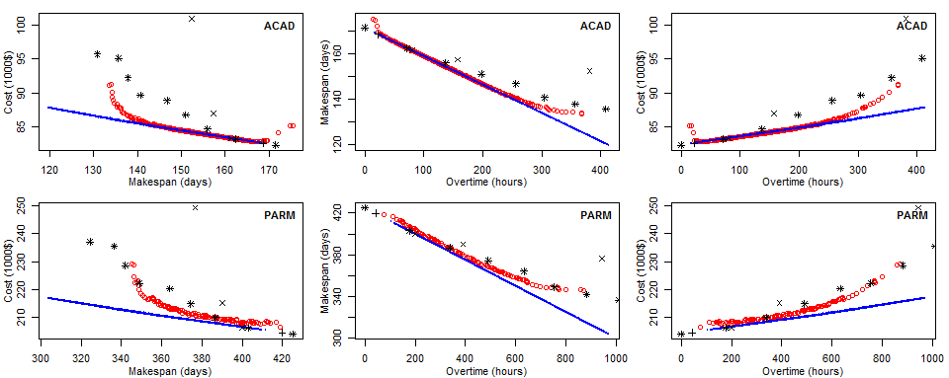
 | IC |  | HV |  | GD |  |  | ES (NSGA melhor NSGANE)
 | NSGANE | NSGA | NSGANE | NSGA | NSGANE | NSGA |  | ic | hv | gd
ACAD | 0.0200 + 0.0036 | 0.0200 + 0.0113 | 0.3329 + 0.0009 | 0.5304 + 0.0064 | 0.0003 + 0.0001 | 0.0038 + 0.0009 | ACAD | 42% | 100% | 0%
WMET | 0.0200 + 0.0033 | 0.0200 + 0.0115 | 0.3339 + 0.0010 | 0.5443 + 0.0036 | 0.0003 + 0.0000 | 0.0023 + 0.0003 | WMET | 44% | 100% | 0%
WAMS | 0.0200 + 0.0028 | 0.0200 + 0.0096 | 0.3371 + 0.0006 | 0.4978 + 0.0026 | 0.0002 + 0.0000 | 0.0021 + 0.0003 | WAMS | 38% | 100% | 0%
PSOA | 0.0200 + 0.0019 | 0.0200 + 0.0111 | 0.3383 + 0.0004 | 0.4709 + 0.0064 | 0.0001 + 0.0000 | 0.0040 + 0.0010 | PSOA | 42% | 100% | 0%
OMET | 0.0200 + 0.0026 | 0.0200 + 0.0111 | 0.3366 + 0.0009 | 0.5227 + 0.0040 | 0.0001 + 0.0000 | 0.0024 + 0.0002 | OMET | 44% | 100% | 0%
PARM | 0.0200 + 0.0030 | 0.0200 + 0.0175 | 0.3376 + 0.0014 | 0.4616 + 0.0068 | 0.0001 + 0.0000 | 0.0064 + 0.0012 | PARM | 43% | 100% | 0%

