tables
Table name | Columns

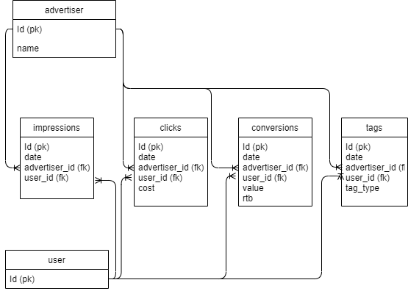
advertiser | id | name |  |  |  |  | Schema diagram
 | uuid | string

user | id
 | uuid

impressions | id | date | advertiser_id | user_id
 | uuid | date | fk: uuid | fk: uuid

clicks | id | date | advertiser_id | user_id | cost
 | uuid | date | fk: uuid | fk: uuid | float

tags | id | date | advertiser_id | user_id | tag_type
 | uuid | date | fk: uuid | fk: uuid | string

conversions | id | date | advertiser_id | user_id | value | rtb
 | uuid | date | fk: uuid | fk: uuid | float | bool

