Resumo por Site
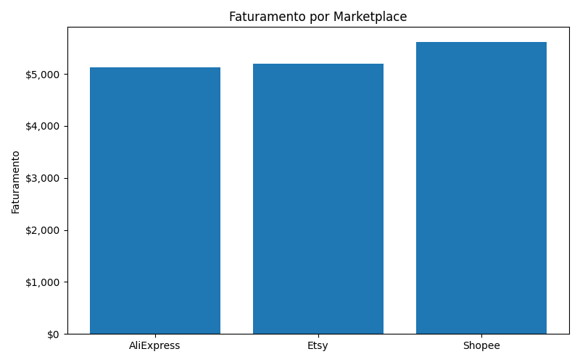
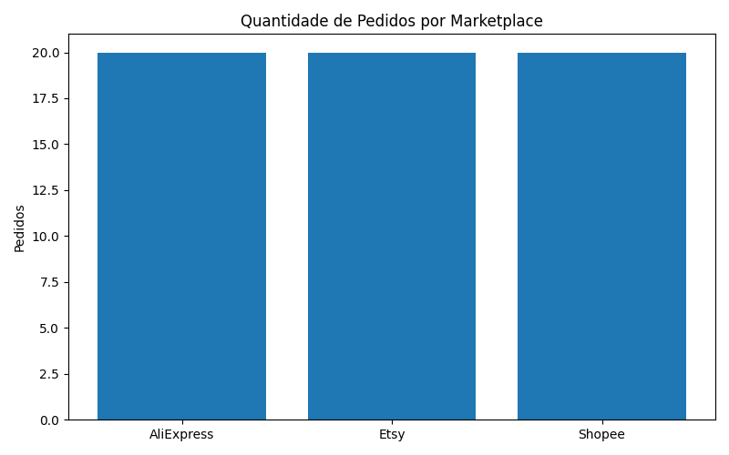

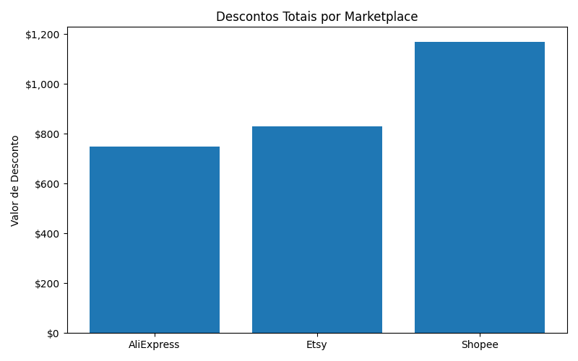
site | total_sales | total_orders | total_quantity | total_discount
AliExpress | 5120 | 20 | 58 | 748.68
Etsy | 5190 | 20 | 56 | 831.11
Shopee | 5620 | 20 | 64 | 1170.78

Resumo por Produto
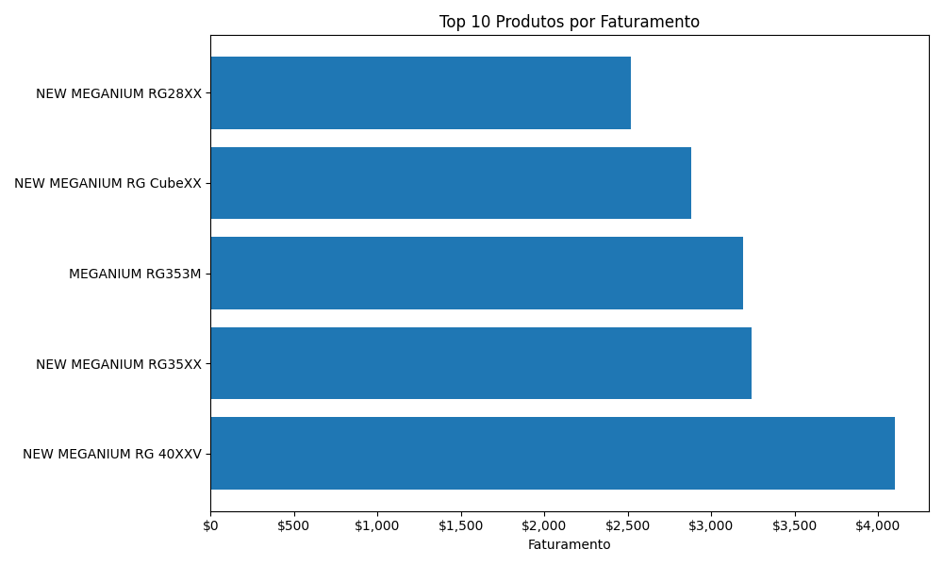
product_sold | total_sales | total_quantity
NEW MEGANIUM RG 40XXV | 4100 | 41
NEW MEGANIUM RG35XX | 3240 | 36
MEGANIUM RG353M | 3190 | 29
NEW MEGANIUM RG CubeXX | 2880 | 36
NEW MEGANIUM RG28XX | 2520 | 36

Resumo por País
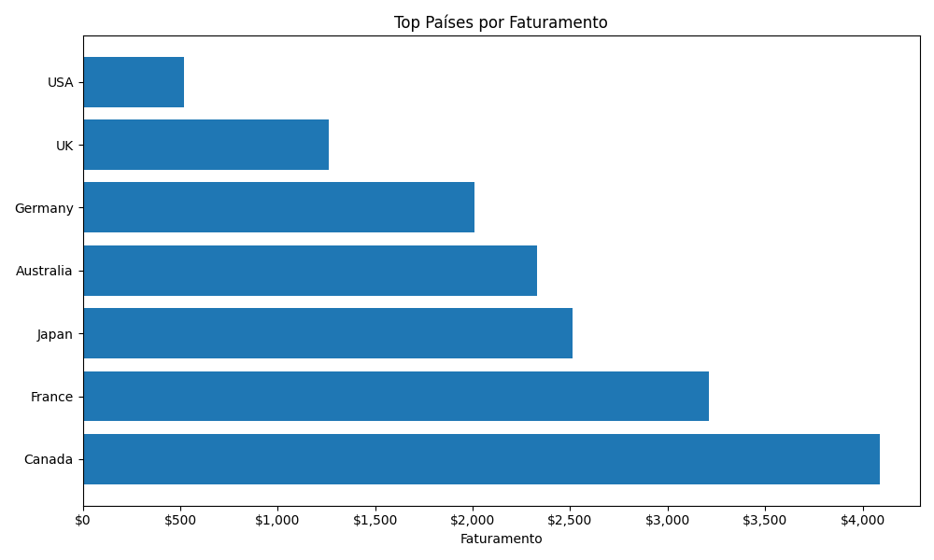
delivery_country | total_sales | total_orders
Canada | 4090 | 14
France | 3210 | 12
Japan | 2510 | 8
Australia | 2330 | 9
Germany | 2010 | 9
UK | 1260 | 5
USA | 520 | 3

Vendas Mensais
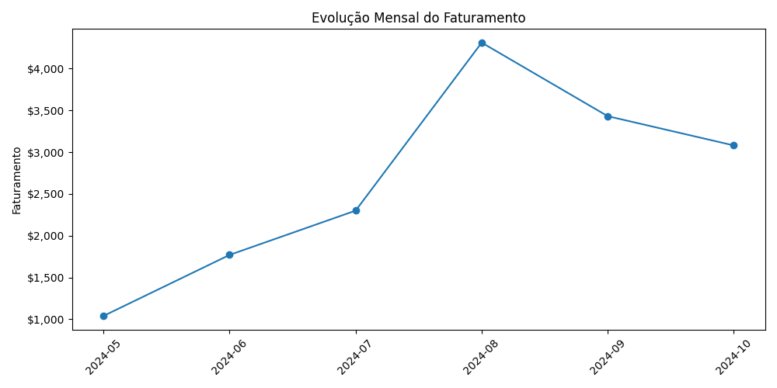
month | total_sales
2024-05 | 1040
2024-06 | 1770
2024-07 | 2300
2024-08 | 4310
2024-09 | 3430
2024-10 | 3080

