Resumo por Site
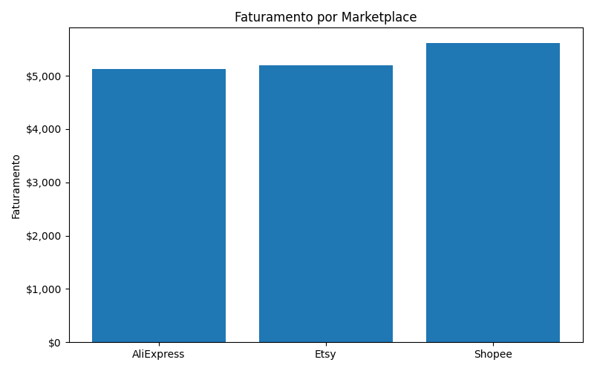
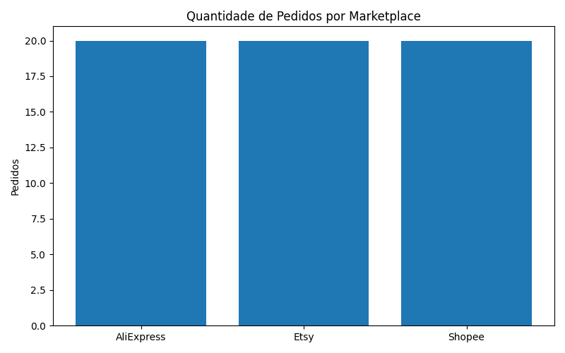

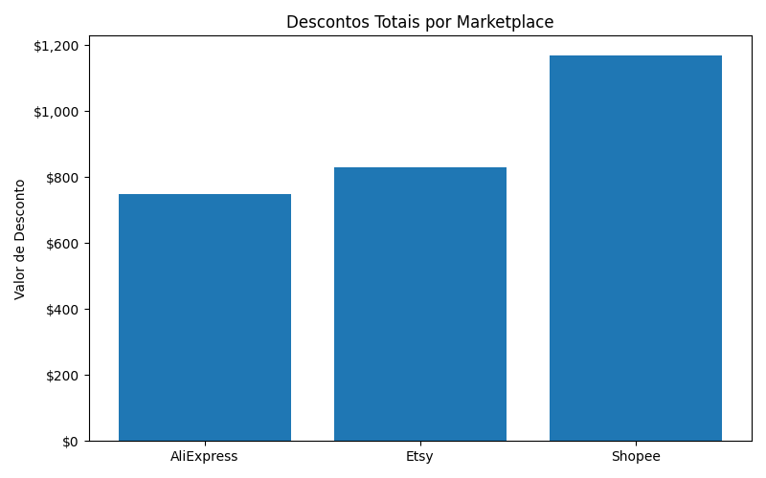
site | total_sales | total_orders | total_quantity | total_discount
AliExpress | 5120 | 20 | 58 | 748.68
Etsy | 5190 | 20 | 56 | 831.11
Shopee | 5620 | 20 | 64 | 1170.78

Resumo por Produto
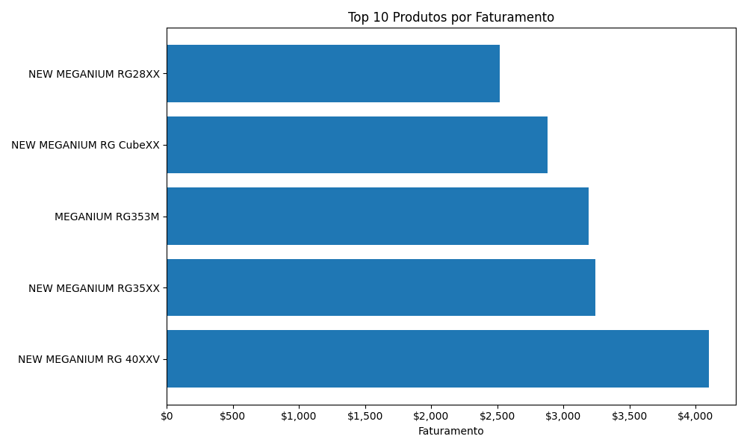
product_sold | total_sales | total_quantity
NEW MEGANIUM RG 40XXV | 4100 | 41
NEW MEGANIUM RG35XX | 3240 | 36
MEGANIUM RG353M | 3190 | 29
NEW MEGANIUM RG CubeXX | 2880 | 36
NEW MEGANIUM RG28XX | 2520 | 36

Resumo por País
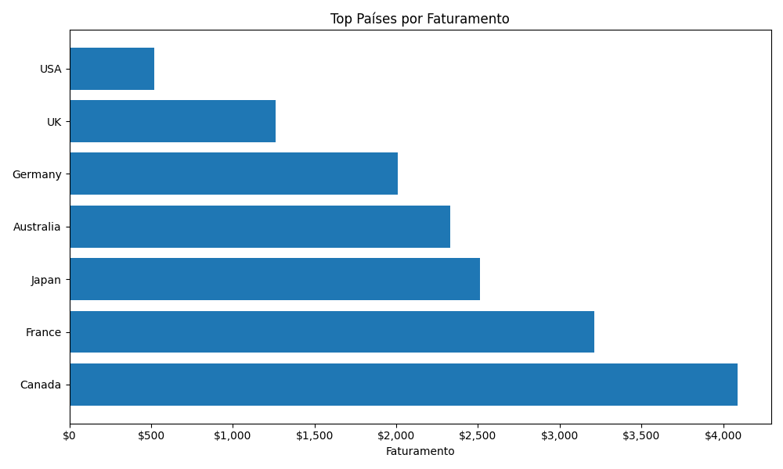
delivery_country | total_sales | total_orders
Canada | 4090 | 14
France | 3210 | 12
Japan | 2510 | 8
Australia | 2330 | 9
Germany | 2010 | 9
UK | 1260 | 5
USA | 520 | 3

Vendas Mensais
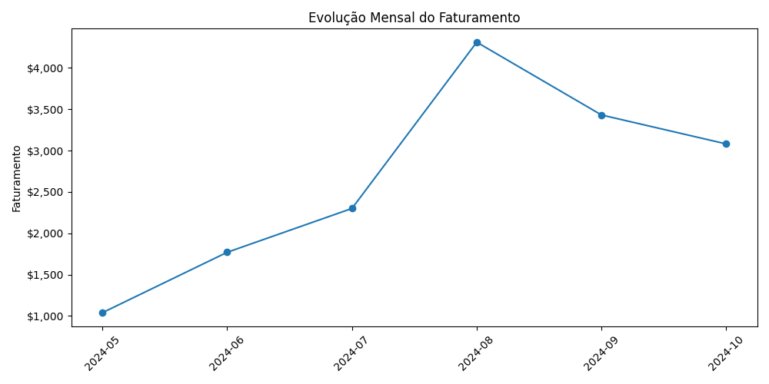
month | total_sales
2024-05 | 1040
2024-06 | 1770
2024-07 | 2300
2024-08 | 4310
2024-09 | 3430
2024-10 | 3080

Produtos por País
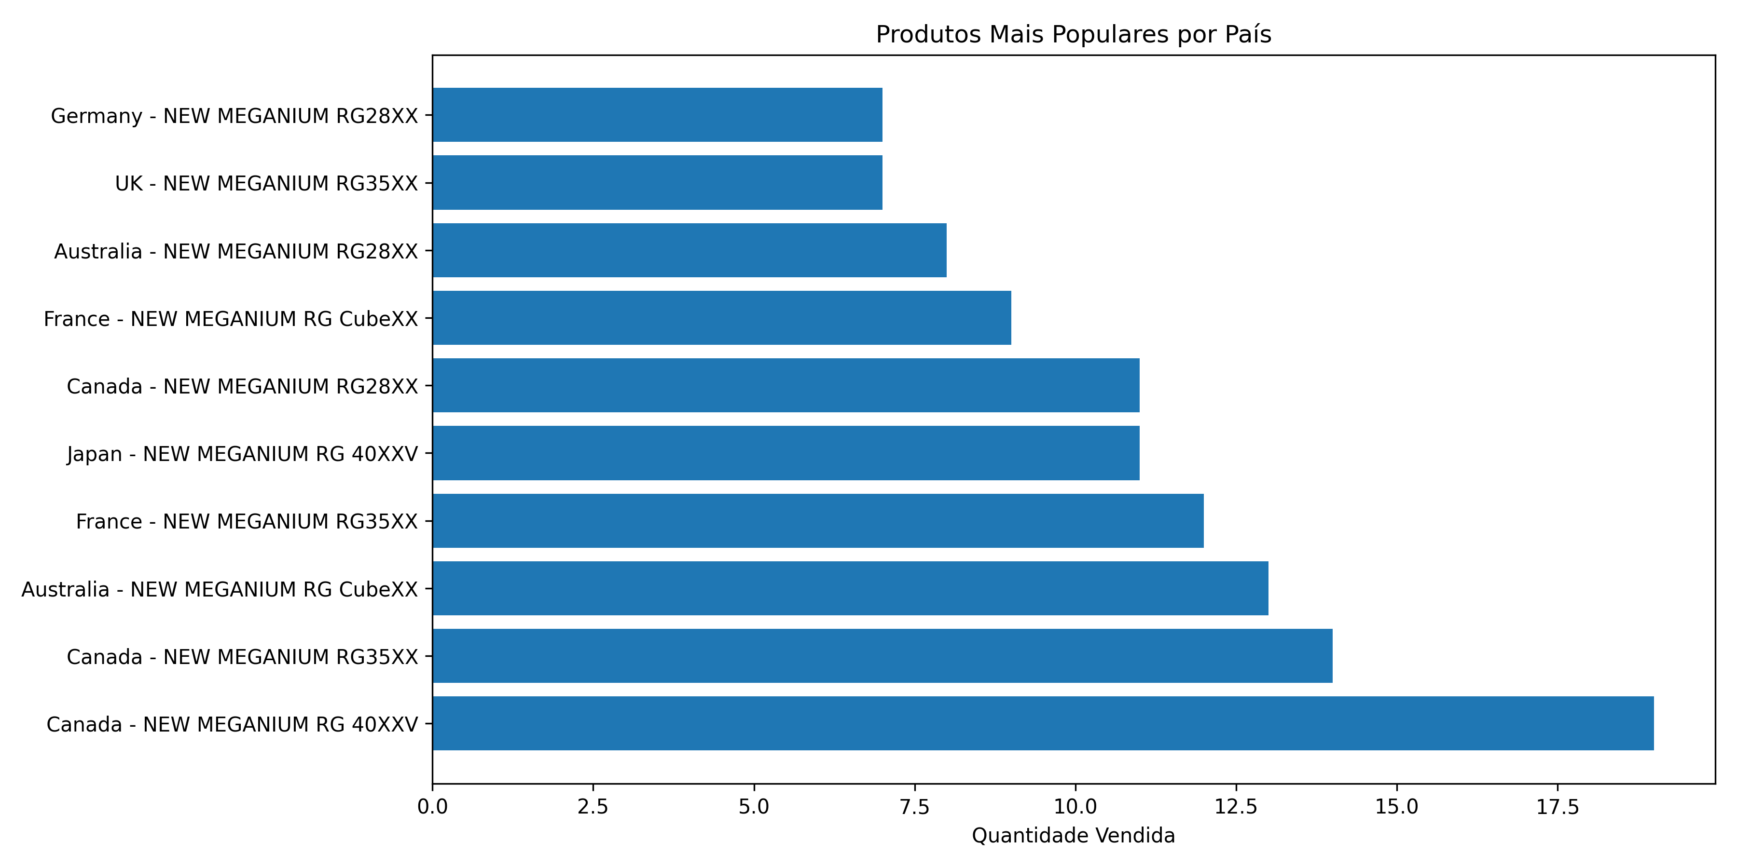
delivery_country | product_sold | total_quantity | total_sales
Australia | NEW MEGANIUM RG CubeXX | 13 | 1040
Australia | NEW MEGANIUM RG28XX | 8 | 560
Australia | MEGANIUM RG353M | 5 | 550
Australia | NEW MEGANIUM RG35XX | 2 | 180
Canada | NEW MEGANIUM RG 40XXV | 19 | 1900
Canada | NEW MEGANIUM RG35XX | 14 | 1260
Canada | NEW MEGANIUM RG28XX | 11 | 770
Canada | NEW MEGANIUM RG CubeXX | 2 | 160
France | NEW MEGANIUM RG35XX | 12 | 1080
France | NEW MEGANIUM RG CubeXX | 9 | 720
France | MEGANIUM RG353M | 6 | 660
France | NEW MEGANIUM RG28XX | 5 | 350
France | NEW MEGANIUM RG 40XXV | 4 | 400
Germany | NEW MEGANIUM RG 40XXV | 7 | 700
Germany | NEW MEGANIUM RG28XX | 7 | 490
Germany | NEW MEGANIUM RG CubeXX | 5 | 400
Germany | MEGANIUM RG353M | 3 | 330
Germany | NEW MEGANIUM RG35XX | 1 | 90
Japan | NEW MEGANIUM RG 40XXV | 11 | 1100
Japan | MEGANIUM RG353M | 6 | 660
Japan | NEW MEGANIUM RG CubeXX | 5 | 400
Japan | NEW MEGANIUM RG28XX | 5 | 350
UK | NEW MEGANIUM RG35XX | 7 | 630
UK | MEGANIUM RG353M | 5 | 550
UK | NEW MEGANIUM RG CubeXX | 1 | 80
USA | MEGANIUM RG353M | 4 | 440
USA | NEW MEGANIUM RG CubeXX | 1 | 80

Marketplace por País
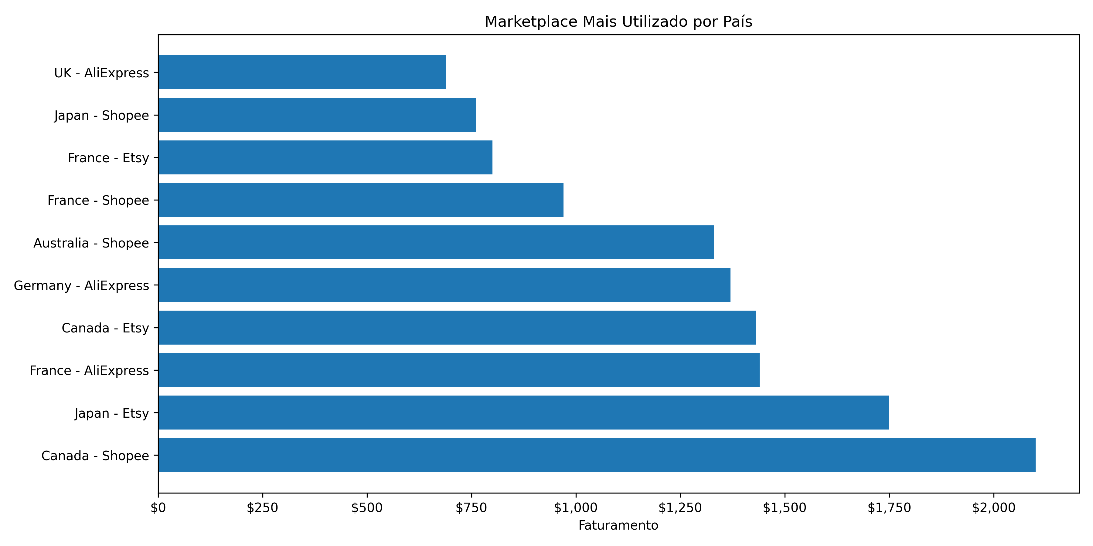
delivery_country | site | total_sales | total_orders
Australia | Shopee | 1330 | 4
Australia | AliExpress | 650 | 4
Australia | Etsy | 350 | 1
Canada | Shopee | 2100 | 7
Canada | Etsy | 1430 | 5
Canada | AliExpress | 560 | 2
France | AliExpress | 1440 | 5
France | Shopee | 970 | 3
France | Etsy | 800 | 4
Germany | AliExpress | 1370 | 5
Germany | Etsy | 400 | 3
Germany | Shopee | 240 | 1
Japan | Etsy | 1750 | 4
Japan | Shopee | 760 | 4
UK | AliExpress | 690 | 2
UK | Etsy | 350 | 2
UK | Shopee | 220 | 1
USA | AliExpress | 410 | 2
USA | Etsy | 110 | 1

