Dashboard1
DASHBOARD

Region | (All) | SLICER
Date | (All)
Customer Name | (All)

Row Labels | Sum of Net Sales
Headphones | 1212808.45
Keyboard | 1388123.3
Laptop | 1443846.8
Monitor | 1355368.95
Mouse | 1185737.8
Printer | 1214576.9
Tablet | 1218071.8
Webcam | 1329001.4
Grand Total | 10347535.4

Dashboard
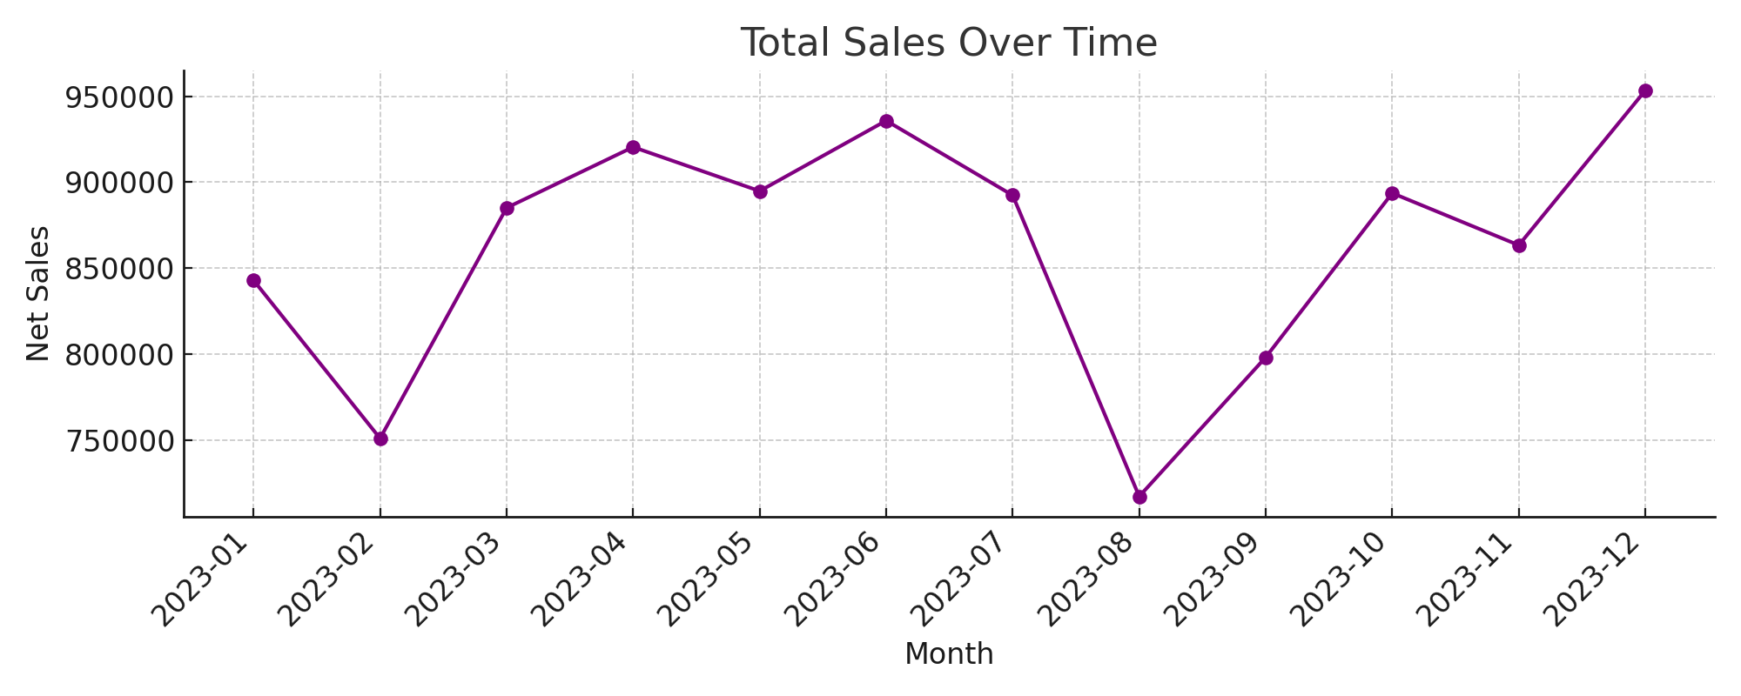
SALES DASHBOARD
Row Labels | Sum of Net Sales | TIMELINE |  |  |  |  | Top 5 Products by Total Sales
2023 | 10347535.4 |  |  |  |  |  | Product | Total Sales
Jan | 842877.25 |  |  |  |  |  | Laptop | 1561078
Feb | 750910.25 |  |  |  |  |  | Keyboard | 1495457
Mar | 885038.55 |  |  |  |  |  | Monitor | 1462185
Apr | 920388.45 |  |  |  |  |  | Webcam | 1430965
May | 894788 |  |  |  |  |  | Tablet | 1323792
Jun | 935749.7
Jul | 892320.15
Aug | 717152.95 | PIVOT TABLE
Sep | 798106.1
Oct | 893599.3
Nov | 863302.95
Dec | 953301.75
Grand Total | 10347535.4
 |  |  | Sales By Region |  | Top 5 Customers
 |  |  | Region | Total Sales | Customer Name | Total Sales
 |  |  | East | 2916749 | Customer_331 | 18924
 |  |  | North | 2627726 | Customer_1071 | 18620
 |  |  | South | 2744789 | Customer_1839 | 18468
 |  |  | West | 2898524 | Customer_1432 | 18012
 |  |  |  |  | Customer_1415 | 17974

