ToR (2)
 | Context. Traditional trading based on TD signals suggests to open position once green candle No.2 surpasses green candle No.1 at least by 3 USD, or red candle No.2 goes at least 3 USD below red candle No.1. For bitcoin the most suitable time frame for such trade is probably 4H candles. Position is opened using stop order. Stop loss is usually the low of green 1 (minus 3 USD) or the high of red 1 (plus 3 USD). Or simply 203 USD distance (or other distance, depending on your accepted risk) from opening price. Below are the research questions (to be answered using c++, Java or similar programming code)
 | 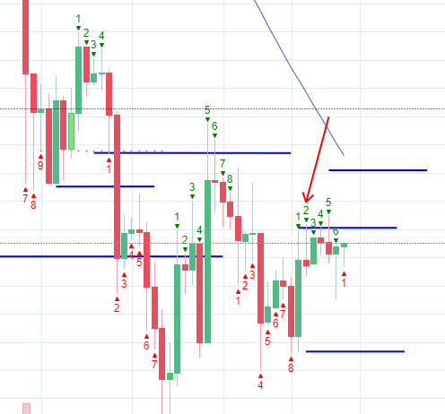
1 | open candle only having all conditions being true (please identify unnimportant conditions, please suggest better values)
1.1 | candle No.1 is not longer than than 203 USD (maybe 233 usd or some other distance coud be suitable?) this is also related to accepted risk level (loss in usd)
1.2 | candle No.1 is not longer than 3% of position opening price (could we have better percentage?)
1.3 | the last two-three candles moved (summing such move) at the same direction less than 203 USD? (maybe 233 usd or some other distance coud be suitable?)
1.4 | the last two-three candles moved at the same direction less than 3% of position opening price (could we have better percentage?)
1.5 | the tolerated move distance of 4H candle 1 is realised via more than 1 hourly candle (what percentage of tolerated distance could be realised via a single hourly candle?)
1.6 | the 4H candle is not going against 12H, 1D or 1W trend (are these conditions important? Which ones are important?)
1.7 | opening point of position will not face significant support/resistance at various time frames (1H, 2H, 3H, 4H, 12H, 1D, 1W) in terms of moving averages, triangles or other shapes, etc. [too difficult to check automatically, but this is a good challenge]
1.8 | if green2 does not go above green1 , then it is suggested to open position once green 3 goes above green 2, and so on (and vice versa for red). Preliminary analysis is showing that it is not profitable to use these signals. Do some conditions exist to lead these signals to profitable trade?
2 | once position is opened, set stop loss at (please suggest the most appropriate)
2.1 | 3 USD below the low of green 1 or 3 usd above the high of red 1
2.2 | 203 usd (or some other distance, please specify what distance) below opening long or above opening short position
2.3 | could some other options be relevant for stop loss level?
3 | once position is opened, set profit taking levels (please suggest the most appropriate)
3.1 | simply close 20% of the position once we have desired move by 74 USD, then another 20% having move (comparing to opening) by 95 usd, then 174 usd, 274, 374 usd (please suggest the most appropriate values)
3.2 | set profit taking levels as percentages of opening price, e.g. 1%, 1.5%, 2%, 3%,4% (please suggest the most appropriate percentages)
3.3 | close the position once next green closes below previous green, or next red closes above previous red
4 | Please suggest whether other time frames could be more profitable than 4H time frame
4.1 | e.g. 3H timeframe could be popular enough (please suggest the most profitable time frame)
5 | Could green 9 and red 9 be treated as trade signals?
 | 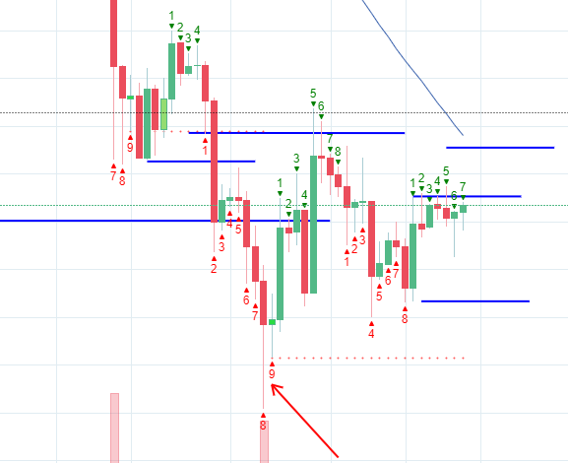
5.1 | could green 1 going above red 9 be a trade signal (vice versa for red 1)
5.2 | what should be the maximum length of candle 9 (or summed length including some previous candles) to enter the trade? (in terms of usd and percentage, comparing to opening price)
5.3 | what should be the stop loss (e.g. the low of red 9 (high for green 9), some other?)
5.4 | what should be the profit taking levels?
5.5 | should the trend of other timeframes be taken into account to decide whether to open a position?
5.6 | Please suggest whether other time frames than 4H time frame could be more profitable in such a trade

