regression
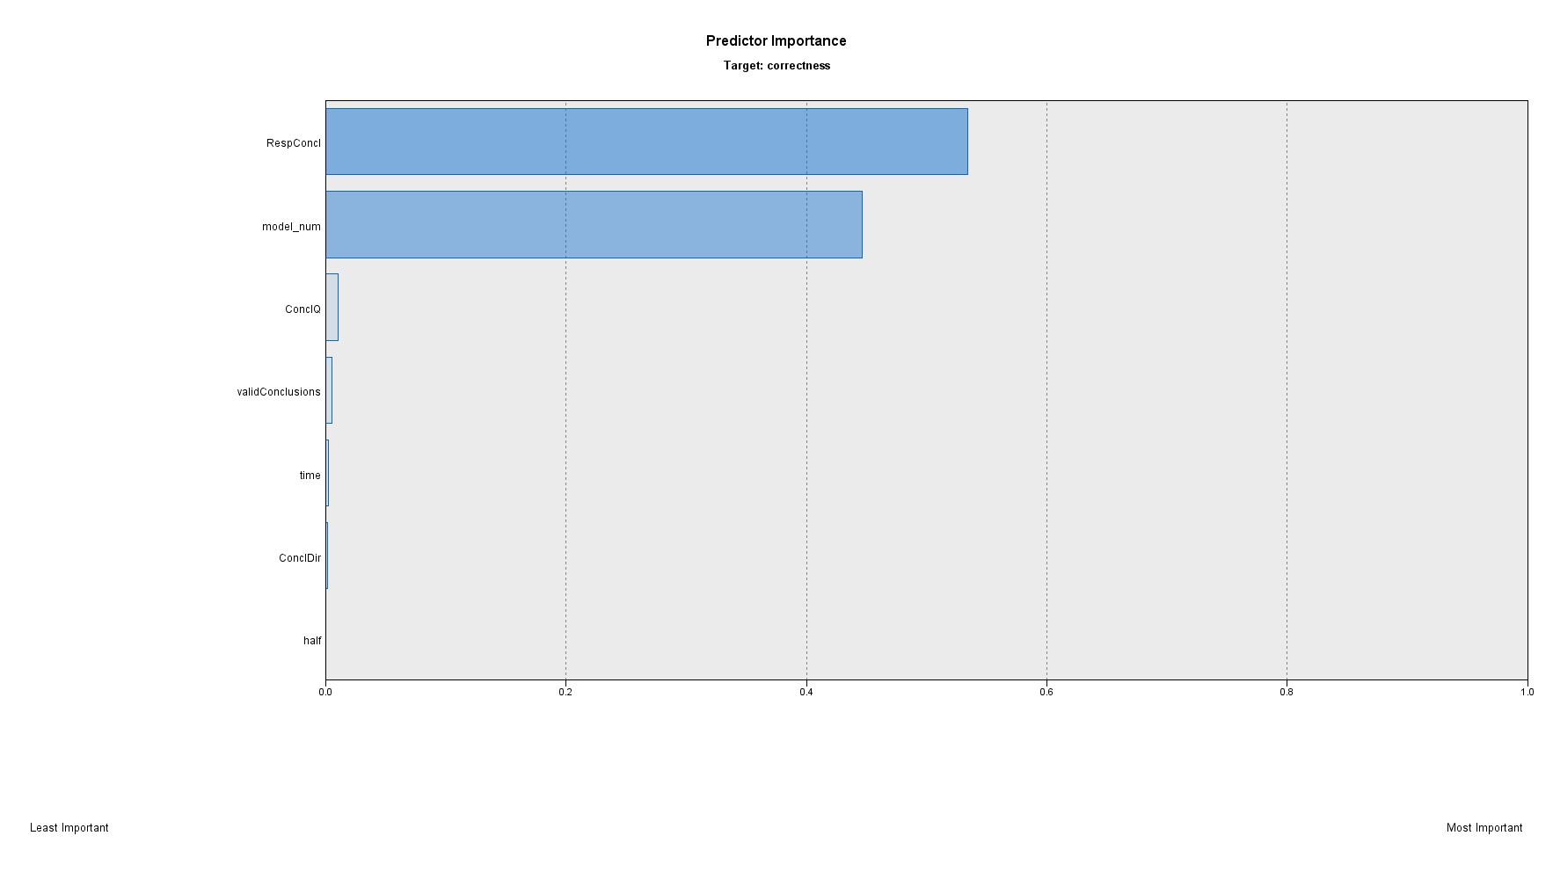
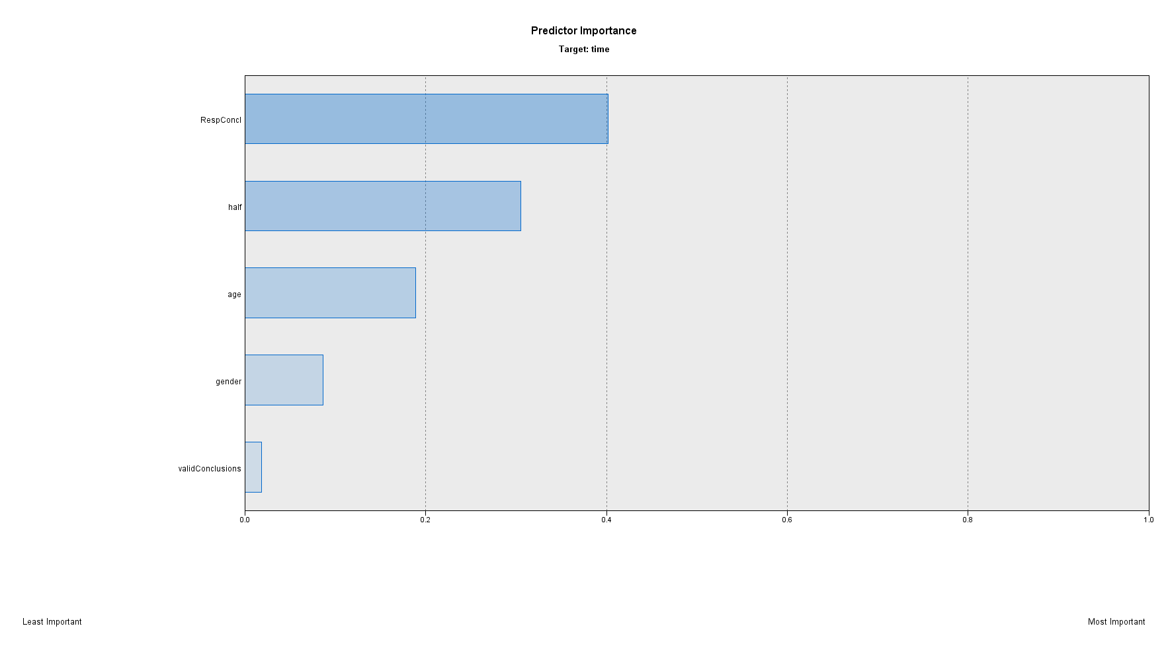

Rasch_syl
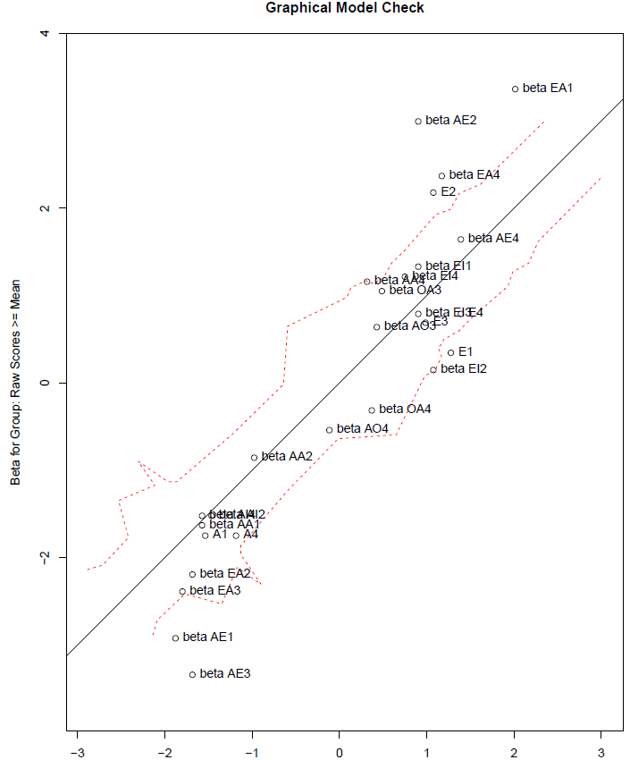
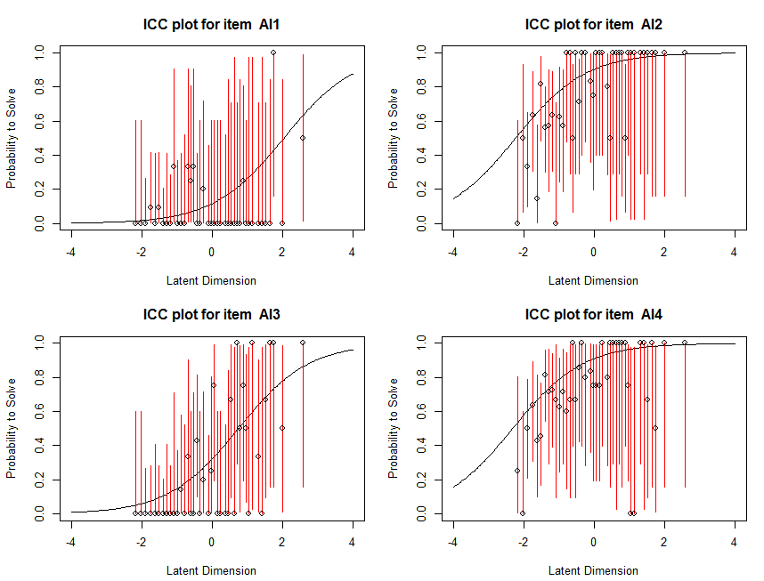
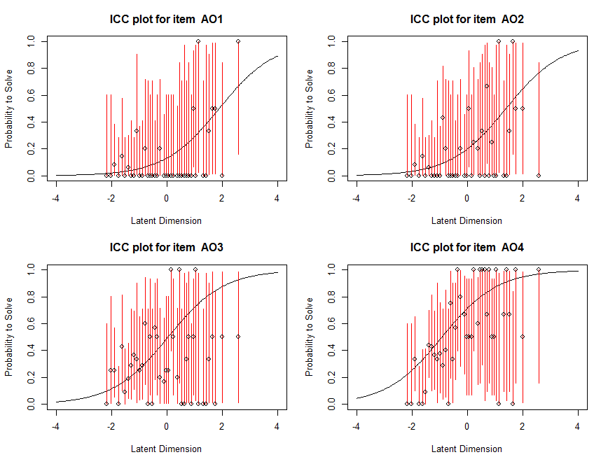
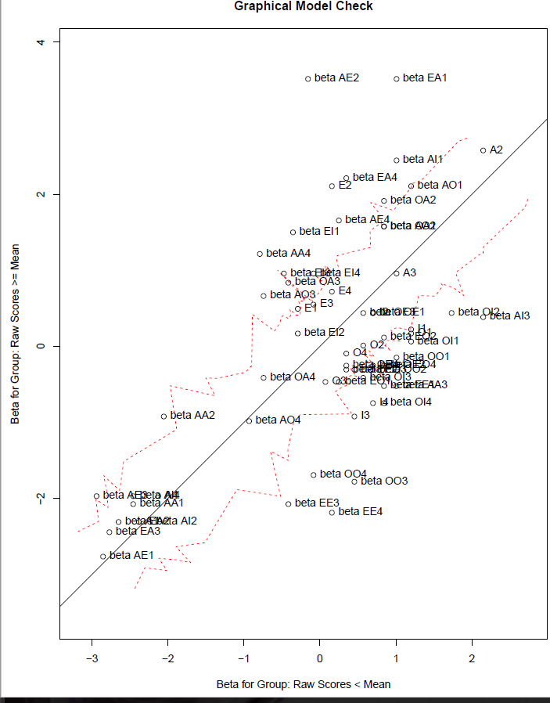
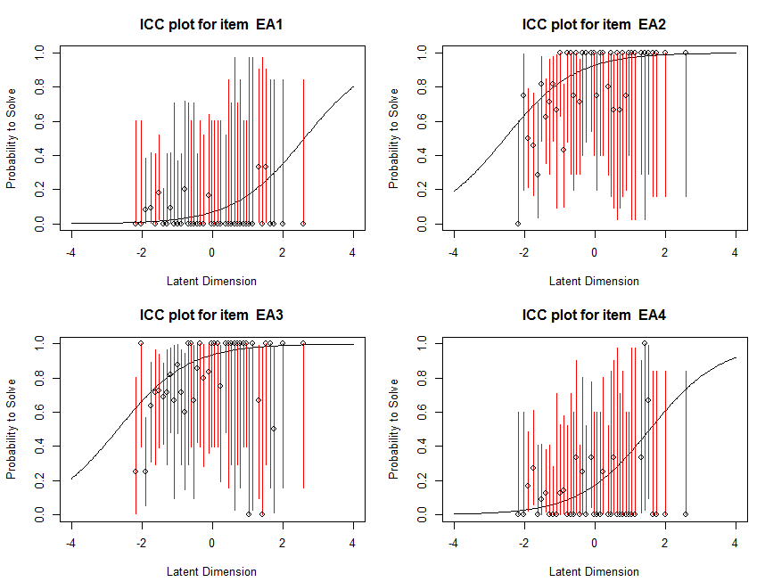
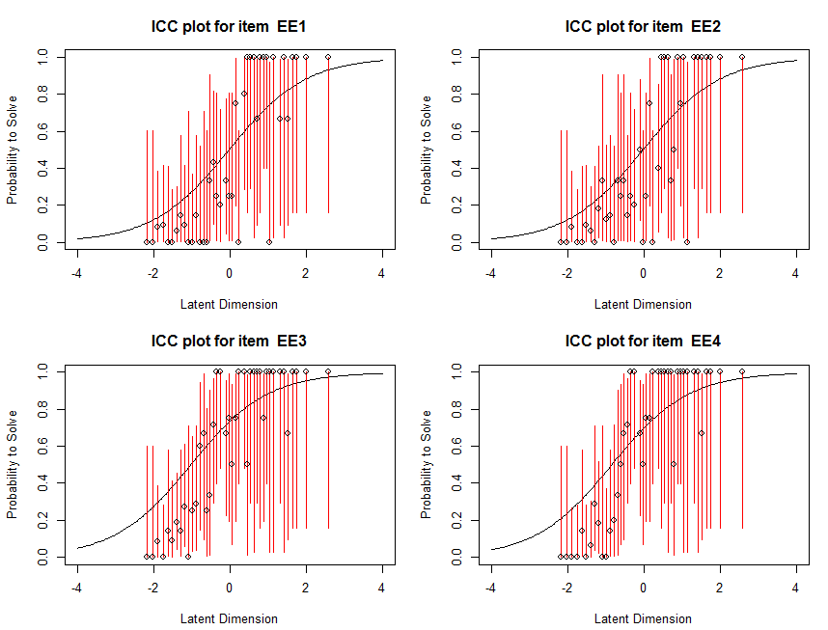
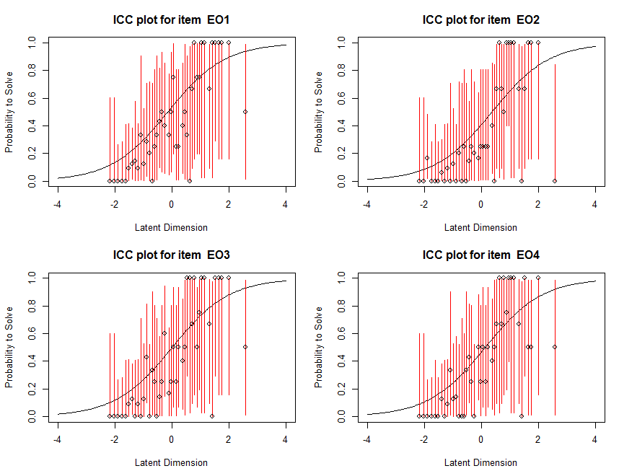
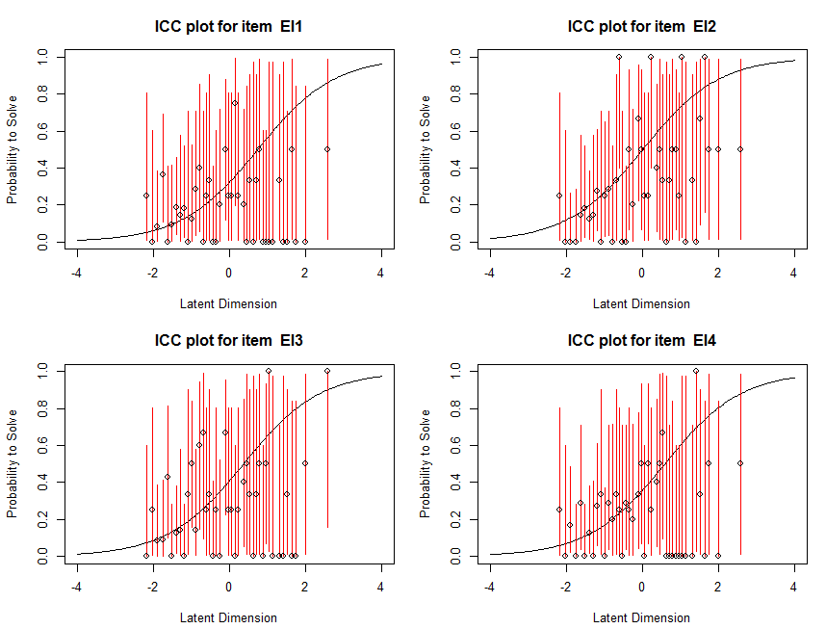
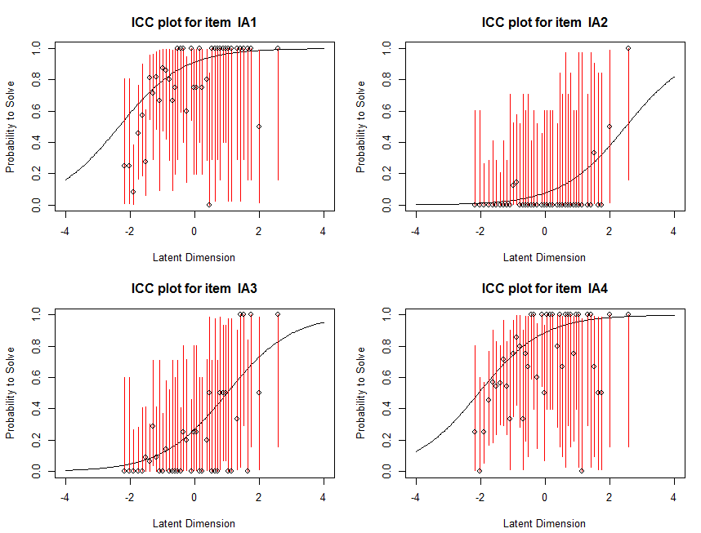
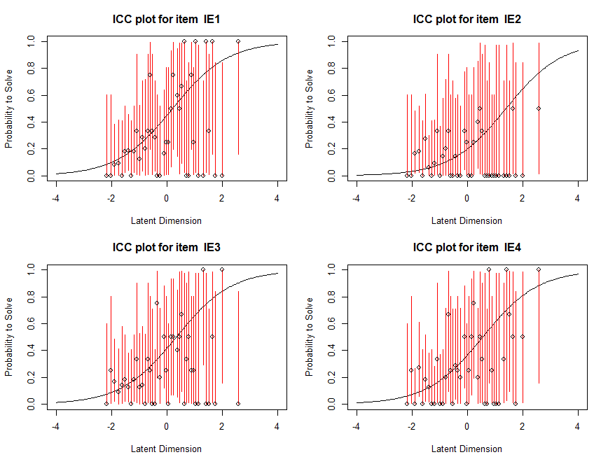
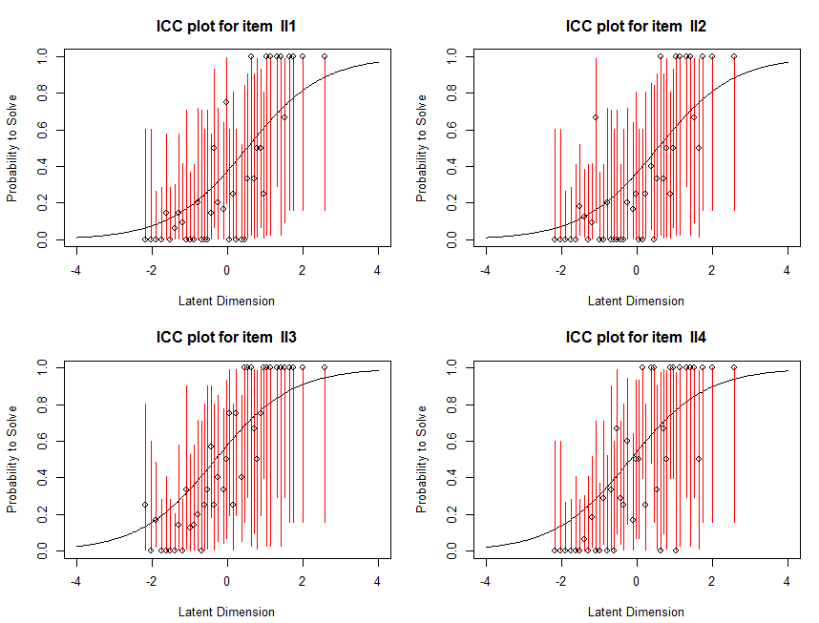
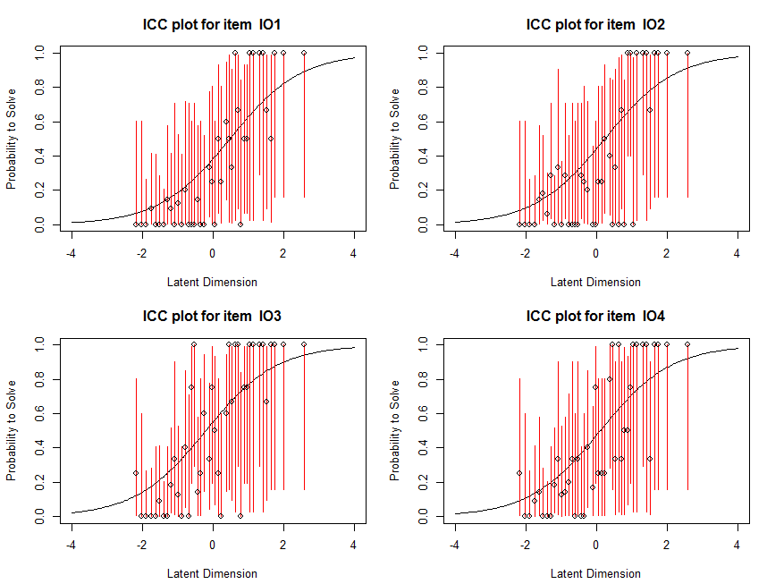
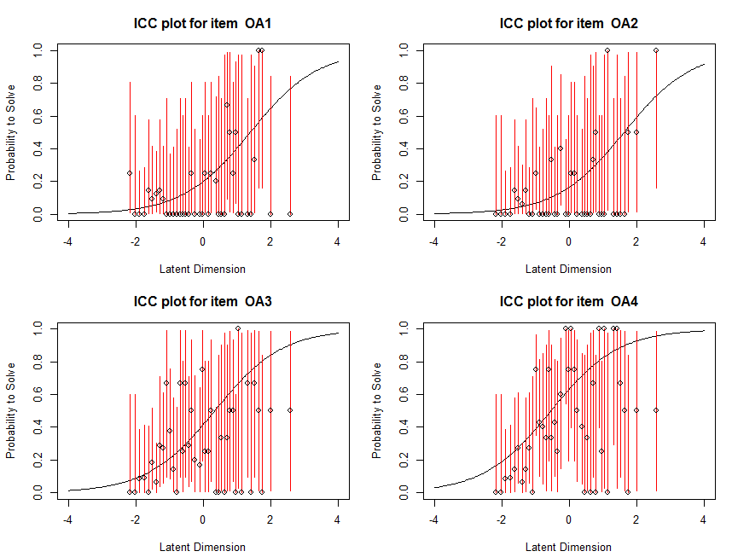
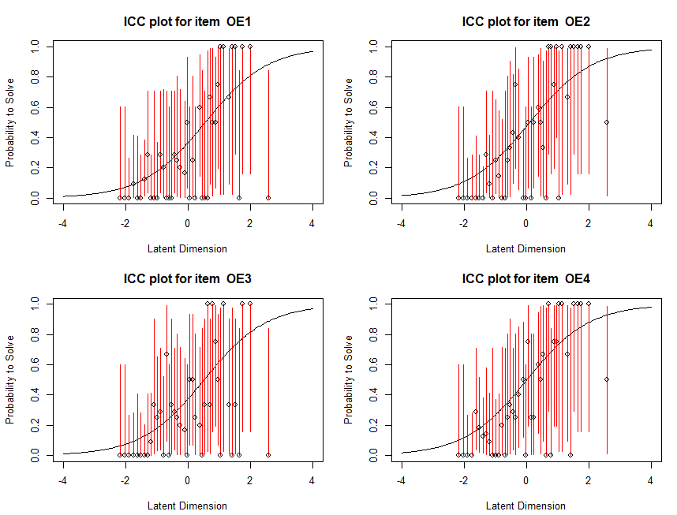
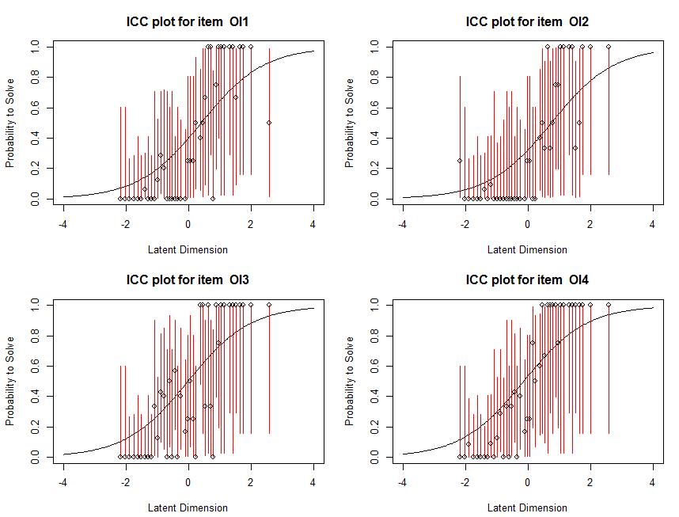
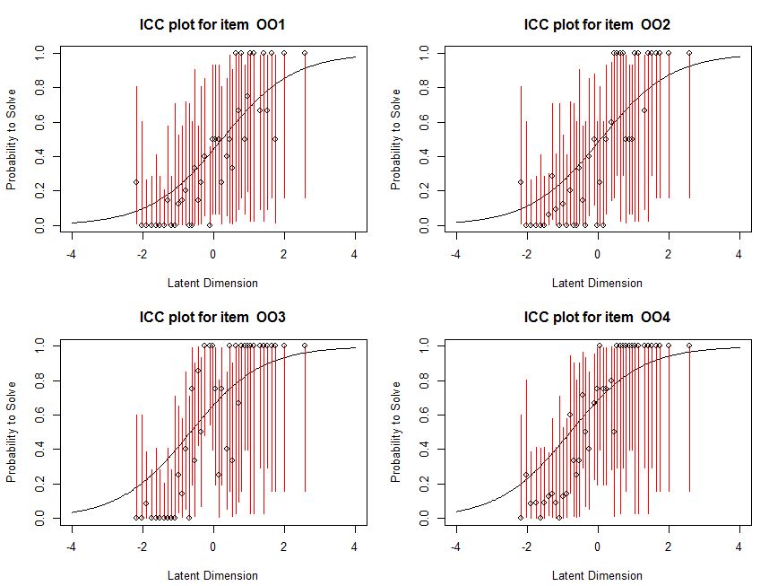
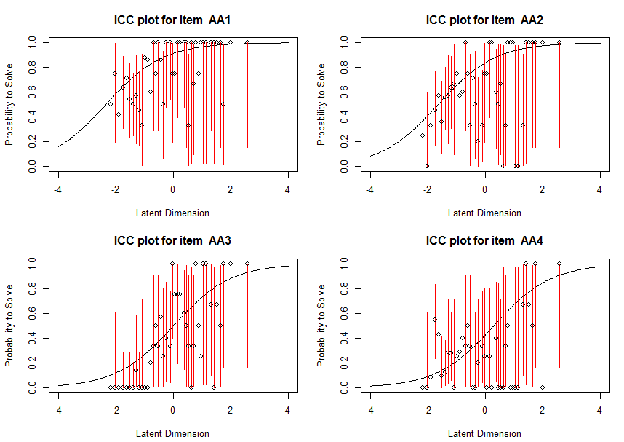
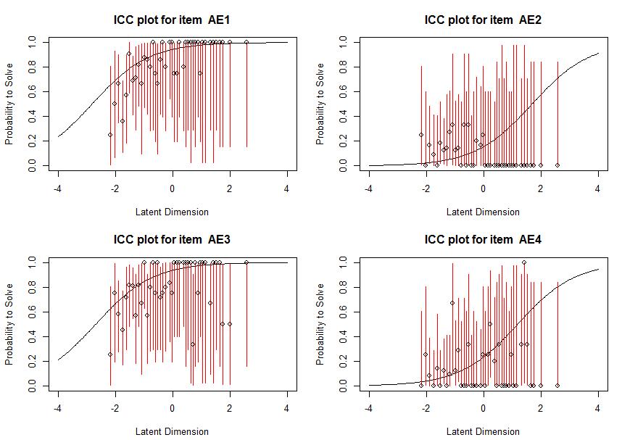
sigma curve | plateau curve

Cluster
syllogism | Acc | AvgTFil | AvgT | noModel_MMT | QCL_1 | QCL_2 | QCL_4 | QCL_5 | QCL_6 | QCL_3 | valid | using 139 subjects
AA1 | 0.80575539568 | 13158.294643 | 14134.071942 | 1 | 1 | 1 | 1 | 1 | 1 | 1 | 1 | var noModel = 2.5 for NVC syllogisms
AA2 | 0.68345323741 | 16563.273684 | 15950.374101 | 1 | 1 | 1 | 1 | 1 | 1 | 1 | 1 | QCL_1 | K-Means, 3 clusters
AA4 | 0.28057553957 | 15576.538462 | 15339.906475 | 3 | 1 | 1 | 1 | 1 | 3 | 2 | 1 | QCL_2 | K-Means, 2 clusters
AE1 | 0.88489208633 | 15961.268293 | 16028.201439 | 1 | 1 | 1 | 1 | 1 | 1 | 1 | 1 | QCL_4 | split with validConcl or not, K-Means, 3 clusters
AE2 | 0.093525179856 | 13815.846154 | 18858.971223 | 3 | 3 | 1 | 2 | 3 | 3 | 3 | 1 | QCL_5 | split with validConcl or not, K-Means, 3 clusters, time only
AE3 | 0.8345323741 | 16873.508621 | 16853.338129 | 1 | 1 | 1 | 1 | 1 | 1 | 1 | 1 | QCL_6 | split with validConcl or not, K-Means, 3 clusters, Acc only
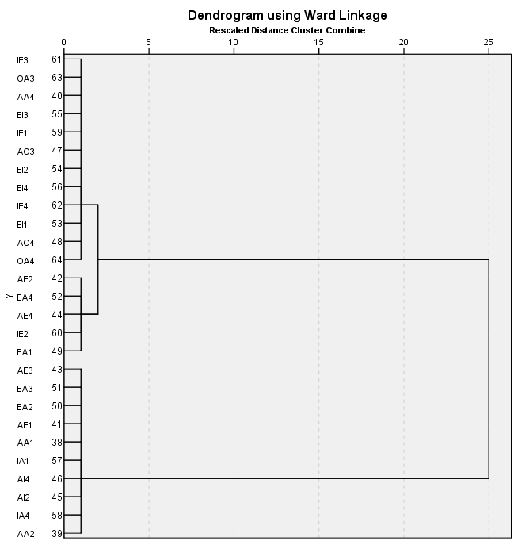
AE4 | 0.17985611511 | 25508.44 | 18299.956835 | 3 | 3 | 1 | 2 | 3 | 3 | 3 | 1 | QCL_3 | K-Means, 3 clusters; 204 data
AI2 | 0.80575539568 | 17581.205357 | 18736.834532 | 1 | 3 | 1 | 2 | 3 | 1 | 1 | 1 | valid | 0=NVC; 1 =withVC
AI4 | 0.80575539568 | 15155.008929 | 14239.71223 | 1 | 1 | 1 | 1 | 1 | 1 | 1 | 1
AO3 | 0.35251798561 | 16949.408163 | 15797.856115 | 2 | 1 | 1 | 1 | 1 | 2 | 2 | 1
AO4 | 0.58992805755 | 21532.426829 | 19789.431655 | 2 | 3 | 1 | 2 | 3 | 2 | 2 | 1
EA1 | 0.043165467626 | 42024.5 | 18279.431655 | 3 | 3 | 2 | 3 | 2 | 3 | 3 | 1
EA2 | 0.86330935252 | 18240 | 18845.956835 | 1 | 3 | 1 | 2 | 3 | 1 | 1 | 1
EA3 | 0.86330935252 | 18129.333333 | 19200.906475 | 1 | 3 | 1 | 2 | 3 | 1 | 1 | 1
EA4 | 0.10791366906 | 19521.8 | 19126.215827 | 3 | 3 | 1 | 2 | 3 | 3 | 3 | 1
EI1 | 0.21582733813 | 21233.166667 | 18942.517986 | 3 | 3 | 1 | 2 | 3 | 3 | 3 | 1
EI2 | 0.39568345324 | 19613.309091 | 17897.978417 | 3 | 3 | 1 | 2 | 3 | 2 | 2 | 1
EI3 | 0.30215827338 | 17832.190476 | 17647.194245 | 3 | 3 | 1 | 2 | 3 | 2 | 2 | 1
EI4 | 0.26618705036 | 22142.972973 | 18755.568345 | 3 | 3 | 1 | 2 | 3 | 3 | 3 | 1
IA1 | 0.86330935252 | 12774.241667 | 12495.510791 | 1 | 1 | 1 | 1 | 1 | 1 | 1 | 1
IA4 | 0.79136690647 | 19901.181818 | 21166.661871 | 1 | 3 | 1 | 2 | 3 | 1 | 1 | 1
IE1 | 0.34532374101 | 18538.229167 | 17812.604317 | 3 | 3 | 1 | 2 | 3 | 2 | 2 | 1
IE2 | 0.12949640288 | 29672.166667 | 22873.834532 | 3 | 3 | 2 | 2 | 3 | 3 | 3 | 1
IE3 | 0.30215827338 | 22124.52381 | 17978.266187 | 3 | 3 | 1 | 2 | 3 | 2 | 2 | 1
IE4 | 0.26618705036 | 21459.324324 | 21331.388489 | 3 | 3 | 1 | 2 | 3 | 3 | 3 | 1
OA3 | 0.3309352518 | 15871.869565 | 17181.705036 | 2 | 1 | 1 | 1 | 1 | 2 | 2 | 1
OA4 | 0.52517985612 | 18758.410959 | 17216.309353 | 2 | 3 | 1 | 2 | 3 | 2 | 2 | 1
AA3 | 0.43884892086 | 16590.836066 | 14494.266187 | 2.5 | 1 | 1 | 2 | 3 | 3 | 3 | 0
AI1 | 0.10071942446 | 17854.428571 | 13221.165468 | 2.5 | 1 | 1 | 2 | 3 | 2 | 2 | 0
AI3 | 0.28776978417 | 13029.475 | 15376.971223 | 2.5 | 1 | 1 | 2 | 3 | 3 | 3 | 0
AO1 | 0.10791366906 | 15136.066667 | 16126.417266 | 2.5 | 1 | 1 | 2 | 3 | 2 | 2 | 0
AO2 | 0.1654676259 | 19173.434783 | 18209.820144 | 2.5 | 3 | 1 | 3 | 2 | 2 | 2 | 0
EE1 | 0.42446043165 | 19381.847458 | 17642.57554 | 2.5 | 3 | 1 | 3 | 2 | 3 | 3 | 0
EE2 | 0.42446043165 | 21707.745763 | 19845.007194 | 2.5 | 3 | 1 | 3 | 2 | 3 | 3 | 0
EE3 | 0.6618705036 | 15356.532609 | 15507.827338 | 2.5 | 1 | 1 | 2 | 3 | 1 | 1 | 0
EE4 | 0.64028776978 | 15376.05618 | 15487.719424 | 2.5 | 1 | 1 | 2 | 3 | 1 | 1 | 0
EO1 | 0.45323741007 | 19643.269841 | 19727.597122 | 2.5 | 3 | 1 | 3 | 2 | 3 | 3 | 0
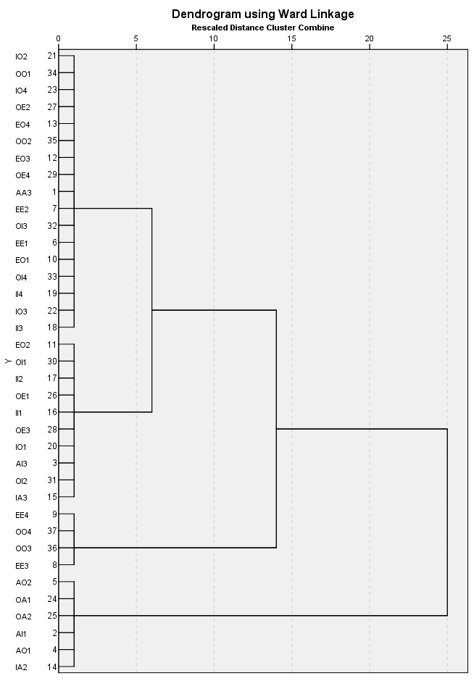
EO2 | 0.3381294964 | 16274.808511 | 19738.309353 | 2.5 | 3 | 1 | 3 | 2 | 3 | 3 | 0
EO3 | 0.41726618705 | 17471.224138 | 20021.158273 | 2.5 | 3 | 1 | 3 | 2 | 3 | 3 | 0
EO4 | 0.39568345324 | 19953.727273 | 21699.374101 | 2.5 | 3 | 1 | 3 | 2 | 3 | 3 | 0
IA2 | 0.079136690647 | 27774.636364 | 16887.23741 | 2.5 | 3 | 1 | 3 | 2 | 2 | 2 | 0
IA3 | 0.23021582734 | 18654.5625 | 16641.633094 | 2.5 | 1 | 1 | 3 | 2 | 2 | 2 | 0
II1 | 0.31654676259 | 12132.045455 | 12755.517986 | 2.5 | 1 | 1 | 2 | 3 | 3 | 3 | 0
II2 | 0.29496402878 | 13968.317073 | 16699.71223 | 2.5 | 1 | 1 | 2 | 3 | 3 | 3 | 0
II3 | 0.4964028777 | 12105.710145 | 11886.517986 | 2.5 | 1 | 1 | 2 | 3 | 3 | 3 | 0
II4 | 0.47482014388 | 13474.606061 | 13582.23741 | 2.5 | 1 | 1 | 2 | 3 | 3 | 3 | 0
IO1 | 0.3309352518 | 12967.673913 | 13427.597122 | 2.5 | 1 | 1 | 2 | 3 | 3 | 3 | 0
IO2 | 0.35971223022 | 12892.7 | 16970.388489 | 2.5 | 1 | 1 | 2 | 3 | 3 | 3 | 0
IO3 | 0.47482014388 | 12918.015152 | 15065.791367 | 2.5 | 1 | 1 | 2 | 3 | 3 | 3 | 0
IO4 | 0.39568345324 | 11169.727273 | 13131.892086 | 2.5 | 1 | 1 | 2 | 3 | 3 | 3 | 0
OA1 | 0.15107913669 | 13435.047619 | 16404.165468 | 2.5 | 1 | 1 | 2 | 3 | 2 | 2 | 0
OA2 | 0.13669064748 | 19879.842105 | 15657.151079 | 2.5 | 1 | 1 | 2 | 3 | 2 | 2 | 0
OE1 | 0.30215827338 | 54069.595238 | 29206.388489 | 2.5 | 2 | 2 | 1 | 1 | 3 | 3 | 0
OE2 | 0.41726618705 | 21376.465517 | 21659.071942 | 2.5 | 3 | 1 | 3 | 2 | 3 | 3 | 0
OE3 | 0.3309352518 | 18370.413043 | 20818.604317 | 2.5 | 3 | 1 | 3 | 2 | 3 | 3 | 0
OE4 | 0.39568345324 | 20136.872727 | 21721.107914 | 2.5 | 3 | 1 | 3 | 2 | 3 | 3 | 0
OI1 | 0.34532374101 | 18349.916667 | 17351.316547 | 2.5 | 3 | 1 | 3 | 2 | 3 | 3 | 0
OI2 | 0.27338129496 | 13052.263158 | 15304.42446 | 2.5 | 1 | 1 | 2 | 3 | 3 | 3 | 0
OI3 | 0.44604316547 | 17603.258065 | 17730.532374 | 2.5 | 3 | 1 | 3 | 2 | 3 | 3 | 0
OI4 | 0.46762589928 | 13372.092308 | 15785.776978 | 2.5 | 1 | 1 | 2 | 3 | 3 | 3 | 0
OO1 | 0.38129496403 | 11280.698113 | 15322.151079 | 2.5 | 1 | 1 | 2 | 3 | 3 | 3 | 0
OO2 | 0.41007194245 | 14169.578947 | 17527.57554 | 2.5 | 1 | 1 | 2 | 3 | 3 | 3 | 0
OO3 | 0.59712230216 | 13954.975904 | 13825.093525 | 2.5 | 1 | 1 | 2 | 3 | 1 | 1 | 0
OO4 | 0.59712230216 | 12728.73494 | 14684.719424 | 2.5 | 1 | 1 | 2 | 3 | 1 | 1 | 0

ClusterSs
 |  |  |  |  | using %Valid/NVC and TimeCorrect |  |  |  |  |  |  |  |  | 64 syllo |  |  |  |  |  |  |  |  | valid syllo |  |  |  |  |  |  |  |  | NVC
only 2 groups for our data |  |  |  |  | Agglomeration Schedule |  |  |  |  |  |  |  |  | Agglomeration Schedule |  |  |  |  |  |  |  |  | Agglomeration Schedule |  |  |  |  |  |  |  |  | Agglomeration Schedule
subj | Cluster | %CorrectValid | %CorrectNVC | TimeCorrect | Stage | Cluster Combined |  | Coefficients | Stage Cluster First Appears |  | Next Stage |  |  | Stage | Cluster Combined |  | Coefficients | Stage Cluster First Appears |  | Next Stage |  |  | Stage | Cluster Combined |  | Coefficients | Stage Cluster First Appears |  | Next Stage |  |  | Stage | Cluster Combined |  | Coefficients | Stage Cluster First Appears |  | Next Stage
51 | 1 | 41% | 0% | 4195 |  | Cluster 1 | Cluster 2 |  | Cluster 1 | Cluster 2 |  |  |  |  | Cluster 1 | Cluster 2 |  | Cluster 1 | Cluster 2 |  |  |  |  | Cluster 1 | Cluster 2 |  | Cluster 1 | Cluster 2 |  |  |  |  | Cluster 1 | Cluster 2 |  | Cluster 1 | Cluster 2
53 | 1 | 37% | 3% | 22861 | 1 | 102 | 117 | 0.201 | 0 | 0 | 66 |  |  | 1 | 140 | 198 | 1.000 | 0 | 0 | 6 |  |  | 1 | 33 | 182 | 0.000 | 0 | 0 | 24 |  |  | 1 | 198 | 200 | 0.000 | 0 | 0 | 2
54 | 2 | 70% | 84% | 12358 | 2 | 137 | 156 | 0.415 | 0 | 0 | 4 | 0.2 |  | 2 | 13 | 195 | 2.000 | 0 | 0 | 12 | 1.0 |  | 2 | 103 | 199 | 0.500 | 0 | 0 | 10 | 0.5 |  | 2 | 1 | 198 | 0.000 | 0 | 1 | 4 | 0.0
56 | 1 | 37% | 30% | 9099 | 3 | 96 | 111 | 1.372 | 0 | 0 | 141 | 1.0 | 0.78 | 3 | 62 | 74 | 3.000 | 0 | 0 | 24 | 1.0 | 0.00 | 3 | 144 | 192 | 1.000 | 0 | 0 | 56 | 0.5 | 0.00 | 3 | 188 | 195 | 0.000 | 0 | 0 | 4 | 0.0 | #DIV/0!
59 | 1 | 30% | 5% | 36112 | 4 | 59 | 137 | 2.892 | 0 | 2 | 20 | 1.5 | 0.37 | 4 | 25 | 166 | 4.500 | 0 | 0 | 66 | 1.5 | 0.33 | 4 | 71 | 190 | 1.500 | 0 | 0 | 50 | 0.5 | 0.00 | 4 | 1 | 188 | 0.000 | 2 | 3 | 7 | 0.0 | #DIV/0!
60 | 2 | 48% | 59% | 19124 | 5 | 120 | 155 | 4.892 | 0 | 0 | 35 | 2.0 | 0.24 | 5 | 31 | 124 | 6.000 | 0 | 0 | 33 | 1.5 | 0.00 | 5 | 45 | 156 | 2.000 | 0 | 0 | 74 | 0.5 | 0.00 | 5 | 19 | 187 | 0.000 | 0 | 0 | 62 | 0.0 | #DIV/0!
68 | 1 | 52% | 3% | 21016 | 6 | 36 | 97 | 7.528 | 0 | 0 | 42 | 2.6 | 0.24 | 6 | 140 | 176 | 7.667 | 1 | 0 | 11 | 1.7 | 0.10 | 6 | 4 | 122 | 2.500 | 0 | 0 | 50 | 0.5 | 0.00 | 6 | 180 | 185 | 0.000 | 0 | 0 | 7 | 0.0 | #DIV/0!
69 | 2 | 81% | 89% | 21263 | 7 | 40 | 67 | 10.553 | 0 | 0 | 151 | 3.0 | 0.13 | 7 | 89 | 200 | 9.667 | 0 | 0 | 68 | 2.0 | 0.17 | 7 | 27 | 112 | 3.000 | 0 | 0 | 33 | 0.5 | 0.00 | 7 | 1 | 180 | 0.000 | 4 | 6 | 9 | 0.0 | #DIV/0!
70 | 1 | 67% | 27% | 12819 | 8 | 118 | 139 | 14.171 | 0 | 0 | 117 | 3.6 | 0.16 | 8 | 125 | 126 | 11.667 | 0 | 0 | 26 | 2.0 | 0.00 | 8 | 39 | 86 | 3.500 | 0 | 0 | 38 | 0.5 | 0.00 | 8 | 166 | 176 | 0.000 | 0 | 0 | 9 | 0.0 | #DIV/0!
73 | 1 | 41% | 8% | 19605 | 9 | 44 | 92 | 26.049 | 0 | 0 | 145 | 11.9 | 0.70 | 9 | 116 | 122 | 13.667 | 0 | 0 | 18 | 2.0 | 0.00 | 9 | 13 | 34 | 4.000 | 0 | 0 | 29 | 0.5 | 0.00 | 9 | 1 | 166 | 0.000 | 7 | 8 | 12 | 0.0 | #DIV/0!
75 | 1 | 48% | 32% | 38090 | 10 | 138 | 148 | 51.641 | 0 | 0 | 53 | 25.6 | 0.54 | 10 | 54 | 117 | 15.667 | 0 | 0 | 42 | 2.0 | 0.00 | 10 | 103 | 140 | 4.833 | 2 | 0 | 11 | 0.8 | 0.40 | 10 | 140 | 157 | 0.000 | 0 | 0 | 12 | 0.0 | #DIV/0!
77 | 1 | 37% | 5% | 12922 | 11 | 70 | 202 | 79.093 | 0 | 0 | 74 | 27.5 | 0.07 | 11 | 19 | 140 | 18.000 | 0 | 6 | 62 | 2.3 | 0.14 | 11 | 78 | 103 | 5.750 | 0 | 10 | 12 | 0.9 | 0.09 | 11 | 40 | 154 | 0.000 | 0 | 0 | 61 | 0.0 | #DIV/0!
79 | 1 | 30% | 0% | 10700 | 12 | 50 | 135 | 109.308 | 0 | 0 | 30 | 30.2 | 0.09 | 12 | 13 | 73 | 20.333 | 2 | 0 | 25 | 2.3 | 0.00 | 12 | 78 | 91 | 6.700 | 11 | 0 | 121 | 1.0 | 0.04 | 12 | 1 | 140 | 0.000 | 9 | 10 | 15 | 0.0 | #DIV/0!
81 | 2 | 37% | 43% | 12222 | 13 | 74 | 132 | 140.078 | 0 | 0 | 30 | 30.8 | 0.02 | 13 | 141 | 188 | 22.833 | 0 | 0 | 57 | 2.5 | 0.07 | 13 | 161 | 178 | 7.700 | 0 | 0 | 65 | 1.0 | 0.05 | 13 | 125 | 134 | 0.000 | 0 | 0 | 15 | 0.0 | #DIV/0!
83 | 1 | 41% | 16% | 24126 | 14 | 19 | 84 | 185.124 | 0 | 0 | 65 | 45.0 | 0.32 | 14 | 70 | 157 | 25.333 | 0 | 0 | 31 | 2.5 | 0.00 | 14 | 59 | 176 | 8.700 | 0 | 0 | 77 | 1.0 | 0.00 | 14 | 123 | 126 | 0.000 | 0 | 0 | 17 | 0.0 | #DIV/0!
84 | 1 | 22% | 3% | 7744 | 15 | 56 | 175 | 237.793 | 0 | 0 | 39 | 52.7 | 0.14 | 15 | 43 | 87 | 27.833 | 0 | 0 | 41 | 2.5 | 0.00 | 15 | 70 | 172 | 9.700 | 0 | 0 | 65 | 1.0 | 0.00 | 15 | 1 | 125 | 0.000 | 12 | 13 | 18 | 0.0 | #DIV/0!
85 | 1 | 37% | 30% | 17952 | 16 | 142 | 174 | 294.250 | 0 | 0 | 88 | 56.5 | 0.07 | 16 | 35 | 67 | 30.333 | 0 | 0 | 39 | 2.5 | 0.00 | 16 | 133 | 170 | 10.700 | 0 | 0 | 56 | 1.0 | 0.00 | 16 | 122 | 124 | 0.000 | 0 | 0 | 18 | 0.0 | #DIV/0!
87 | 1 | 15% | 3% | 1812 | 17 | 58 | 103 | 354.952 | 0 | 0 | 81 | 60.7 | 0.07 | 17 | 24 | 30 | 32.833 | 0 | 0 | 29 | 2.5 | 0.00 | 17 | 53 | 150 | 11.700 | 0 | 0 | 53 | 1.0 | 0.00 | 17 | 18 | 123 | 0.000 | 0 | 14 | 94 | 0.0 | #DIV/0!
89 | 1 | 37% | 3% | 16879 | 18 | 61 | 64 | 423.376 | 0 | 0 | 102 | 68.4 | 0.11 | 18 | 109 | 116 | 35.500 | 0 | 9 | 32 | 2.7 | 0.06 | 18 | 21 | 130 | 12.700 | 0 | 0 | 78 | 1.0 | 0.00 | 18 | 1 | 122 | 0.000 | 15 | 16 | 20 | 0.0 | #DIV/0!
90 | 1 | 15% | 8% | 9528 | 19 | 191 | 204 | 505.039 | 0 | 0 | 66 | 81.7 | 0.16 | 19 | 115 | 192 | 38.500 | 0 | 0 | 43 | 3.0 | 0.11 | 19 | 111 | 125 | 13.700 | 0 | 0 | 54 | 1.0 | 0.00 | 19 | 113 | 116 | 0.000 | 0 | 0 | 20 | 0.0 | #DIV/0!
91 | 2 | 48% | 84% | 15406 | 20 | 59 | 199 | 624.237 | 4 | 0 | 93 | 119.2 | 0.31 | 20 | 38 | 187 | 41.500 | 0 | 0 | 64 | 3.0 | 0.00 | 20 | 79 | 115 | 14.700 | 0 | 0 | 110 | 1.0 | 0.00 | 20 | 1 | 113 | 0.000 | 18 | 19 | 22 | 0.0 | #DIV/0!
92 | 1 | 33% | 19% | 21060 | 21 | 62 | 68 | 799.717 | 0 | 0 | 108 | 175.5 | 0.32 | 21 | 68 | 185 | 44.500 | 0 | 0 | 132 | 3.0 | 0.00 | 21 | 82 | 84 | 15.700 | 0 | 0 | 109 | 1.0 | 0.00 | 21 | 109 | 110 | 0.000 | 0 | 0 | 22 | 0.0 | #DIV/0!
94 | 1 | 41% | 0% | 24811 | 22 | 86 | 101 | 982.228 | 0 | 0 | 43 | 182.5 | 0.04 | 22 | 33 | 182 | 47.500 | 0 | 0 | 112 | 3.0 | 0.00 | 22 | 62 | 74 | 16.700 | 0 | 0 | 76 | 1.0 | 0.00 | 22 | 1 | 109 | 0.000 | 20 | 21 | 24 | 0.0 | #DIV/0!
95 | 1 | 26% | 0% | 24450 | 23 | 122 | 182 | 1172.086 | 0 | 0 | 71 | 189.9 | 0.04 | 23 | 23 | 139 | 50.500 | 0 | 0 | 105 | 3.0 | 0.00 | 23 | 9 | 67 | 17.700 | 0 | 0 | 79 | 1.0 | 0.00 | 23 | 87 | 89 | 0.000 | 0 | 0 | 24 | 0.0 | #DIV/0!
96 | 1 | 26% | 0% | 4620 | 24 | 48 | 65 | 1362.070 | 0 | 0 | 69 | 190.0 | 0.00 | 24 | 62 | 120 | 53.500 | 3 | 0 | 64 | 3.0 | 0.00 | 24 | 33 | 114 | 19.033 | 1 | 0 | 55 | 1.3 | 0.25 | 24 | 1 | 87 | 0.000 | 22 | 23 | 26 | 0.0 | #DIV/0!
97 | 1 | 41% | 24% | 4981 | 25 | 93 | 109 | 1564.420 | 0 | 0 | 54 | 202.4 | 0.06 | 25 | 13 | 58 | 56.667 | 12 | 0 | 56 | 3.2 | 0.05 | 25 | 153 | 204 | 20.533 | 0 | 0 | 89 | 1.5 | 0.11 | 25 | 74 | 80 | 0.000 | 0 | 0 | 26 | 0.0 | #DIV/0!
98 | 2 | 48% | 62% | 18495 | 26 | 8 | 157 | 1817.413 | 0 | 0 | 79 | 253.0 | 0.20 | 26 | 46 | 125 | 60.000 | 0 | 8 | 40 | 3.3 | 0.05 | 26 | 75 | 202 | 22.033 | 0 | 0 | 156 | 1.5 | 0.00 | 26 | 1 | 74 | 0.000 | 24 | 25 | 28 | 0.0 | #DIV/0!
99 | 2 | 52% | 62% | 39868 | 27 | 72 | 161 | 2096.941 | 0 | 0 | 55 | 279.5 | 0.09 | 27 | 123 | 180 | 63.500 | 0 | 0 | 65 | 3.5 | 0.05 | 27 | 42 | 198 | 23.533 | 0 | 0 | 142 | 1.5 | 0.00 | 27 | 70 | 73 | 0.000 | 0 | 0 | 28 | 0.0 | #DIV/0!
100 | 2 | 63% | 41% | 21191 | 28 | 53 | 110 | 2385.918 | 0 | 0 | 154 | 289.0 | 0.03 | 28 | 40 | 149 | 67.000 | 0 | 0 | 42 | 3.5 | 0.00 | 28 | 57 | 196 | 25.033 | 0 | 0 | 93 | 1.5 | 0.00 | 28 | 1 | 70 | 0.000 | 26 | 27 | 30 | 0.0 | #DIV/0!
101 | 1 | 22% | 0% | 81449 | 29 | 41 | 187 | 2683.078 | 0 | 0 | 63 | 297.2 | 0.03 | 29 | 24 | 110 | 70.500 | 17 | 0 | 61 | 3.5 | 0.00 | 29 | 13 | 195 | 26.533 | 9 | 0 | 73 | 1.5 | 0.00 | 29 | 62 | 68 | 0.000 | 0 | 0 | 30 | 0.0 | #DIV/0!
103 | 1 | 44% | 0% | 6214 | 30 | 50 | 74 | 2983.371 | 12 | 13 | 94 | 300.3 | 0.01 | 30 | 60 | 80 | 74.000 | 0 | 0 | 74 | 3.5 | 0.00 | 30 | 142 | 194 | 28.033 | 0 | 0 | 84 | 1.5 | 0.00 | 30 | 1 | 62 | 0.000 | 28 | 29 | 32 | 0.0 | #DIV/0!
104 | 1 | 41% | 19% | 18597 | 31 | 47 | 129 | 3289.869 | 0 | 0 | 95 | 306.5 | 0.02 | 31 | 50 | 70 | 77.500 | 0 | 14 | 44 | 3.5 | 0.00 | 31 | 141 | 188 | 29.533 | 0 | 0 | 114 | 1.5 | 0.00 | 31 | 51 | 54 | 0.000 | 0 | 0 | 32 | 0.0 | #DIV/0!
105 | 2 | 74% | 89% | 13465 | 32 | 27 | 146 | 3604.566 | 0 | 0 | 84 | 314.7 | 0.03 | 32 | 106 | 109 | 81.333 | 0 | 18 | 62 | 3.8 | 0.09 | 32 | 19 | 177 | 31.033 | 0 | 0 | 77 | 1.5 | 0.00 | 32 | 1 | 51 | 0.000 | 30 | 31 | 34 | 0.0 | #DIV/0!
106 | 1 | 26% | 14% | 8375 | 33 | 128 | 167 | 3956.324 | 0 | 0 | 87 | 351.8 | 0.11 | 33 | 31 | 51 | 85.167 | 5 | 0 | 75 | 3.8 | 0.00 | 33 | 27 | 175 | 32.533 | 7 | 0 | 111 | 1.5 | 0.00 | 33 | 46 | 50 | 0.000 | 0 | 0 | 34 | 0.0 | #DIV/0!
111 | 1 | 67% | 0% | 13060 | 34 | 77 | 149 | 4329.631 | 0 | 0 | 122 | 373.3 | 0.06 | 34 | 39 | 160 | 89.167 | 0 | 0 | 113 | 4.0 | 0.04 | 34 | 171 | 174 | 34.033 | 0 | 0 | 87 | 1.5 | 0.00 | 34 | 1 | 46 | 0.000 | 32 | 33 | 36 | 0.0 | #DIV/0!
113 | 1 | 26% | 5% | 4024 | 35 | 12 | 120 | 4765.453 | 0 | 5 | 115 | 435.8 | 0.14 | 35 | 78 | 155 | 93.167 | 0 | 0 | 44 | 4.0 | 0.00 | 35 | 25 | 166 | 35.533 | 0 | 0 | 147 | 1.5 | 0.00 | 35 | 38 | 43 | 0.000 | 0 | 0 | 36 | 0.0 | #DIV/0!
115 | 1 | 56% | 35% | 23709 | 36 | 69 | 188 | 5215.578 | 0 | 0 | 61 | 450.1 | 0.03 | 36 | 16 | 146 | 97.167 | 0 | 0 | 55 | 4.0 | 0.00 | 36 | 14 | 163 | 37.033 | 0 | 0 | 112 | 1.5 | 0.00 | 36 | 1 | 38 | 0.000 | 34 | 35 | 38 | 0.0 | #DIV/0!
120 | 1 | 30% | 0% | 13761 | 37 | 18 | 154 | 5718.822 | 0 | 0 | 126 | 503.2 | 0.11 | 37 | 3 | 130 | 101.167 | 0 | 0 | 86 | 4.0 | 0.00 | 37 | 76 | 162 | 38.533 | 0 | 0 | 128 | 1.5 | 0.00 | 37 | 31 | 35 | 0.000 | 0 | 0 | 38 | 0.0 | #DIV/0!
121 | 1 | 44% | 19% | 28373 | 38 | 78 | 94 | 6227.996 | 0 | 0 | 64 | 509.2 | 0.01 | 38 | 20 | 88 | 105.167 | 0 | 0 | 81 | 4.0 | 0.00 | 38 | 39 | 160 | 40.033 | 8 | 0 | 57 | 1.5 | 0.00 | 38 | 1 | 31 | 0.000 | 36 | 37 | 40 | 0.0 | #DIV/0!
124 | 1 | 19% | 3% | 14373 | 39 | 3 | 56 | 6737.268 | 0 | 15 | 118 | 509.3 | 0.00 | 39 | 35 | 55 | 109.333 | 16 | 0 | 95 | 4.2 | 0.04 | 39 | 128 | 157 | 41.533 | 0 | 0 | 144 | 1.5 | 0.00 | 39 | 25 | 30 | 0.000 | 0 | 0 | 40 | 0.0 | #DIV/0!
126 | 2 | 59% | 84% | 12754 | 40 | 38 | 168 | 7284.586 | 0 | 0 | 113 | 547.3 | 0.07 | 40 | 7 | 46 | 113.500 | 0 | 26 | 67 | 4.2 | 0.00 | 40 | 85 | 154 | 43.033 | 0 | 0 | 58 | 1.5 | 0.00 | 40 | 1 | 25 | 0.000 | 38 | 39 | 42 | 0.0 | #DIV/0!
127 | 2 | 33% | 57% | 14776 | 41 | 25 | 166 | 7861.373 | 0 | 0 | 138 | 576.8 | 0.05 | 41 | 1 | 43 | 117.667 | 0 | 15 | 75 | 4.2 | 0.00 | 41 | 124 | 149 | 44.533 | 0 | 0 | 91 | 1.5 | 0.00 | 41 | 23 | 24 | 0.000 | 0 | 0 | 42 | 0.0 | #DIV/0!
128 | 1 | 37% | 0% | 26705 | 42 | 36 | 57 | 8441.108 | 6 | 0 | 134 | 579.7 | 0.01 | 42 | 40 | 54 | 121.917 | 28 | 10 | 88 | 4.3 | 0.02 | 42 | 54 | 145 | 46.033 | 0 | 0 | 128 | 1.5 | 0.00 | 42 | 1 | 23 | 0.000 | 40 | 41 | 43 | 0.0 | #DIV/0!
130 | 1 | 37% | 16% | 25253 | 43 | 86 | 131 | 9025.113 | 22 | 0 | 132 | 584.0 | 0.01 | 43 | 115 | 135 | 126.250 | 19 | 0 | 131 | 4.3 | 0.02 | 43 | 60 | 127 | 47.533 | 0 | 0 | 115 | 1.5 | 0.00 | 43 | 1 | 13 | 0.000 | 42 | 0 | 53 | 0.0 | #DIV/0!
131 | 1 | 26% | 14% | 15230 | 44 | 45 | 145 | 9766.239 | 0 | 0 | 90 | 741.1 | 0.21 | 44 | 50 | 78 | 130.650 | 31 | 35 | 96 | 4.4 | 0.02 | 44 | 6 | 126 | 49.033 | 0 | 0 | 78 | 1.5 | 0.00 | 44 | 58 | 155 | 0.500 | 0 | 0 | 68 | 0.5 | 1.00
132 | 1 | 63% | 0% | 12532 | 45 | 33 | 55 | 10510.830 | 0 | 0 | 110 | 744.6 | 0.00 | 45 | 52 | 196 | 135.150 | 0 | 0 | 110 | 4.5 | 0.02 | 45 | 22 | 121 | 50.533 | 0 | 0 | 100 | 1.5 | 0.00 | 45 | 2 | 141 | 1.000 | 0 | 0 | 52 | 0.5 | 0.00
134 | 1 | 19% | 5% | 4319 | 46 | 10 | 140 | 11267.995 | 0 | 0 | 78 | 757.2 | 0.02 | 46 | 101 | 191 | 139.650 | 0 | 0 | 85 | 4.5 | 0.00 | 46 | 117 | 120 | 52.033 | 0 | 0 | 76 | 1.5 | 0.00 | 46 | 83 | 139 | 1.500 | 0 | 0 | 116 | 0.5 | 0.00
135 | 1 | 44% | 27% | 12995 | 47 | 4 | 66 | 12058.314 | 0 | 0 | 87 | 790.3 | 0.04 | 47 | 170 | 190 | 144.150 | 0 | 0 | 86 | 4.5 | 0.00 | 47 | 32 | 106 | 53.533 | 0 | 0 | 85 | 1.5 | 0.00 | 47 | 36 | 117 | 2.000 | 0 | 0 | 51 | 0.5 | 0.00
136 | 1 | 30% | 19% | 44529 | 48 | 105 | 165 | 12940.333 | 0 | 0 | 97 | 882.0 | 0.10 | 48 | 114 | 186 | 148.650 | 0 | 0 | 112 | 4.5 | 0.00 | 48 | 88 | 102 | 55.033 | 0 | 0 | 98 | 1.5 | 0.00 | 48 | 67 | 115 | 2.500 | 0 | 0 | 63 | 0.5 | 0.00
138 | 1 | 56% | 0% | 13913 | 49 | 21 | 99 | 13874.676 | 0 | 0 | 99 | 934.3 | 0.06 | 49 | 18 | 154 | 153.150 | 0 | 0 | 82 | 4.5 | 0.00 | 49 | 55 | 92 | 56.533 | 0 | 0 | 92 | 1.5 | 0.00 | 49 | 5 | 97 | 3.000 | 0 | 0 | 70 | 0.5 | 0.00
139 | 1 | 30% | 0% | 33970 | 50 | 23 | 81 | 14814.357 | 0 | 0 | 122 | 939.7 | 0.01 | 50 | 5 | 151 | 157.650 | 0 | 0 | 83 | 4.5 | 0.00 | 50 | 4 | 71 | 58.033 | 6 | 4 | 133 | 1.5 | 0.00 | 50 | 7 | 55 | 3.500 | 0 | 0 | 65 | 0.5 | 0.00
140 | 1 | 33% | 11% | 69313 | 51 | 7 | 22 | 15788.814 | 0 | 0 | 97 | 974.5 | 0.04 | 51 | 12 | 134 | 162.150 | 0 | 0 | 104 | 4.5 | 0.00 | 51 | 41 | 46 | 59.533 | 0 | 0 | 116 | 1.5 | 0.00 | 51 | 36 | 60 | 4.333 | 47 | 0 | 109 | 0.8 | 0.40
141 | 2 | 30% | 59% | 5883 | 52 | 89 | 181 | 16801.414 | 0 | 0 | 167 | 1012.6 | 0.04 | 52 | 27 | 112 | 166.650 | 0 | 0 | 148 | 4.5 | 0.00 | 52 | 20 | 24 | 61.033 | 0 | 0 | 88 | 1.5 | 0.00 | 52 | 2 | 47 | 5.167 | 45 | 0 | 91 | 0.8 | 0.00
142 | 1 | 26% | 0% | 12715 | 53 | 75 | 138 | 17832.457 | 0 | 10 | 101 | 1031.0 | 0.02 | 53 | 91 | 103 | 171.150 | 0 | 0 | 84 | 4.5 | 0.00 | 53 | 53 | 155 | 62.700 | 17 | 0 | 80 | 1.7 | 0.10 | 53 | 1 | 146 | 6.142 | 43 | 0 | 54 | 1.0 | 0.15
143 | 1 | 52% | 5% | 13426 | 54 | 93 | 134 | 18867.929 | 25 | 0 | 133 | 1035.5 | 0.00 | 54 | 45 | 76 | 175.650 | 0 | 0 | 117 | 4.5 | 0.00 | 54 | 66 | 111 | 64.367 | 0 | 19 | 140 | 1.7 | 0.00 | 54 | 1 | 106 | 7.119 | 53 | 0 | 55 | 1.0 | 0.00
148 | 2 | 30% | 97% | 12325 | 55 | 72 | 125 | 19919.116 | 27 | 0 | 110 | 1051.2 | 0.01 | 55 | 16 | 47 | 180.317 | 36 | 0 | 136 | 4.7 | 0.04 | 55 | 33 | 35 | 66.033 | 24 | 0 | 75 | 1.7 | 0.00 | 55 | 1 | 16 | 8.097 | 54 | 0 | 93 | 1.0 | 0.00
149 | 2 | 26% | 86% | 3993 | 56 | 172 | 193 | 21062.134 | 0 | 0 | 82 | 1143.0 | 0.08 | 56 | 13 | 34 | 185.017 | 25 | 0 | 140 | 4.7 | 0.01 | 56 | 133 | 144 | 67.783 | 16 | 3 | 167 | 1.8 | 0.05 | 56 | 158 | 203 | 9.097 | 0 | 0 | 120 | 1.0 | 0.02
152 | 1 | 30% | 3% | 6764 | 57 | 14 | 159 | 22242.970 | 0 | 0 | 80 | 1180.8 | 0.03 | 57 | 36 | 141 | 189.850 | 0 | 13 | 105 | 4.8 | 0.03 | 57 | 39 | 63 | 69.533 | 38 | 0 | 102 | 1.8 | 0.00 | 57 | 3 | 194 | 10.097 | 0 | 0 | 71 | 1.0 | 0.00
155 | 2 | 41% | 59% | 9859 | 58 | 113 | 151 | 23513.694 | 0 | 0 | 134 | 1270.7 | 0.07 | 58 | 177 | 199 | 194.850 | 0 | 0 | 99 | 5.0 | 0.03 | 58 | 85 | 100 | 71.367 | 40 | 0 | 152 | 1.8 | 0.05 | 58 | 120 | 191 | 11.097 | 0 | 0 | 92 | 1.0 | 0.00
158 | 1 | 52% | 5% | 28117 | 59 | 17 | 189 | 24836.607 | 0 | 0 | 101 | 1322.9 | 0.04 | 59 | 21 | 194 | 199.850 | 0 | 0 | 103 | 5.0 | 0.00 | 59 | 89 | 200 | 73.367 | 0 | 0 | 171 | 2.0 | 0.08 | 59 | 107 | 151 | 12.097 | 0 | 0 | 106 | 1.0 | 0.00
159 | 2 | 52% | 65% | 17405 | 60 | 143 | 190 | 26162.806 | 0 | 0 | 92 | 1326.2 | 0.00 | 60 | 84 | 158 | 204.850 | 0 | 0 | 87 | 5.0 | 0.00 | 60 | 164 | 189 | 75.367 | 0 | 0 | 123 | 2.0 | 0.00 | 60 | 20 | 64 | 13.097 | 0 | 0 | 84 | 1.0 | 0.00
164 | 1 | 22% | 0% | 6360 | 61 | 69 | 176 | 27808.333 | 36 | 0 | 141 | 1645.5 | 0.19 | 61 | 24 | 113 | 209.850 | 29 | 0 | 73 | 5.0 | 0.00 | 61 | 52 | 187 | 77.367 | 0 | 0 | 119 | 2.0 | 0.00 | 61 | 40 | 149 | 14.430 | 11 | 0 | 76 | 1.3 | 0.25
167 | 1 | 48% | 32% | 16522 | 62 | 73 | 200 | 29487.441 | 0 | 0 | 124 | 1679.1 | 0.02 | 62 | 19 | 106 | 214.850 | 11 | 32 | 116 | 5.0 | 0.00 | 62 | 37 | 181 | 79.367 | 0 | 0 | 131 | 2.0 | 0.00 | 62 | 10 | 19 | 15.764 | 0 | 5 | 104 | 1.3 | 0.00
169 | 1 | 59% | 8% | 17394 | 63 | 41 | 54 | 31210.213 | 29 | 0 | 77 | 1722.8 | 0.03 | 63 | 71 | 79 | 219.850 | 0 | 0 | 133 | 5.0 | 0.00 | 63 | 131 | 169 | 81.367 | 0 | 0 | 118 | 2.0 | 0.00 | 63 | 67 | 192 | 17.264 | 48 | 0 | 72 | 1.5 | 0.11
170 | 2 | 56% | 73% | 13014 | 64 | 78 | 162 | 32999.151 | 38 | 0 | 102 | 1788.9 | 0.04 | 64 | 38 | 62 | 224.850 | 20 | 24 | 88 | 5.0 | 0.00 | 64 | 158 | 165 | 83.367 | 0 | 0 | 123 | 2.0 | 0.00 | 64 | 99 | 184 | 18.764 | 0 | 0 | 73 | 1.5 | 0.00
174 | 2 | 56% | 76% | 9138 | 65 | 19 | 123 | 34829.797 | 14 | 0 | 137 | 1830.6 | 0.02 | 65 | 81 | 123 | 230.017 | 0 | 27 | 119 | 5.2 | 0.03 | 65 | 70 | 161 | 85.367 | 15 | 13 | 111 | 2.0 | 0.00 | 65 | 7 | 177 | 20.264 | 50 | 0 | 83 | 1.5 | 0.00
176 | 1 | 67% | 3% | 14370 | 66 | 102 | 191 | 36709.652 | 1 | 19 | 91 | 1879.9 | 0.03 | 66 | 25 | 98 | 235.183 | 4 | 0 | 82 | 5.2 | 0.00 | 66 | 30 | 151 | 87.367 | 0 | 0 | 130 | 2.0 | 0.00 | 66 | 76 | 175 | 21.764 | 0 | 0 | 74 | 1.5 | 0.00
177 | 1 | 37% | 0% | 6378 | 67 | 91 | 121 | 38628.828 | 0 | 0 | 131 | 1919.2 | 0.02 | 67 | 7 | 64 | 240.483 | 40 | 0 | 95 | 5.3 | 0.03 | 67 | 81 | 143 | 89.367 | 0 | 0 | 110 | 2.0 | 0.00 | 67 | 56 | 170 | 23.264 | 0 | 0 | 75 | 1.5 | 0.00
178 | 1 | 70% | 14% | 16265 | 68 | 42 | 95 | 40556.356 | 0 | 0 | 151 | 1927.5 | 0.00 | 68 | 89 | 107 | 245.817 | 7 | 0 | 136 | 5.3 | 0.01 | 68 | 23 | 139 | 91.367 | 0 | 0 | 148 | 2.0 | 0.00 | 68 | 58 | 101 | 24.764 | 44 | 0 | 93 | 1.5 | 0.00
181 | 1 | 44% | 0% | 21123 | 69 | 35 | 48 | 42612.204 | 0 | 24 | 115 | 2055.8 | 0.06 | 69 | 4 | 143 | 251.317 | 0 | 0 | 113 | 5.5 | 0.03 | 69 | 135 | 137 | 93.367 | 0 | 0 | 136 | 2.0 | 0.00 | 69 | 12 | 98 | 26.264 | 0 | 0 | 92 | 1.5 | 0.00
185 | 1 | 41% | 24% | 18946 | 70 | 6 | 170 | 44731.151 | 0 | 0 | 116 | 2118.9 | 0.03 | 70 | 10 | 97 | 256.817 | 0 | 0 | 92 | 5.5 | 0.00 | 70 | 93 | 116 | 95.367 | 0 | 0 | 127 | 2.0 | 0.00 | 70 | 5 | 78 | 27.764 | 49 | 0 | 122 | 1.5 | 0.00
186 | 2 | 78% | 51% | 13351 | 71 | 119 | 122 | 47054.465 | 0 | 23 | 140 | 2323.3 | 0.09 | 71 | 59 | 94 | 262.317 | 0 | 0 | 129 | 5.5 | 0.00 | 71 | 101 | 108 | 97.367 | 0 | 0 | 117 | 2.0 | 0.00 | 71 | 3 | 186 | 29.430 | 57 | 0 | 90 | 1.7 | 0.10
187 | 1 | 19% | 0% | 11943 | 72 | 115 | 178 | 50255.933 | 0 | 0 | 113 | 3201.5 | 0.27 | 72 | 56 | 57 | 267.817 | 0 | 0 | 156 | 5.5 | 0.00 | 72 | 48 | 94 | 99.367 | 0 | 0 | 120 | 2.0 | 0.00 | 72 | 67 | 135 | 31.180 | 63 | 0 | 91 | 1.8 | 0.05
191 | 1 | 30% | 0% | 13930 | 73 | 90 | 108 | 53501.858 | 0 | 0 | 160 | 3245.9 | 0.01 | 73 | 24 | 83 | 273.617 | 61 | 0 | 111 | 5.8 | 0.05 | 73 | 13 | 73 | 101.367 | 29 | 0 | 134 | 2.0 | 0.00 | 73 | 41 | 99 | 33.014 | 0 | 64 | 121 | 1.8 | 0.05
192 | 1 | 74% | 27% | 18101 | 74 | 29 | 70 | 56911.717 | 0 | 11 | 125 | 3409.9 | 0.05 | 74 | 2 | 60 | 279.450 | 0 | 30 | 140 | 5.8 | 0.01 | 74 | 45 | 58 | 103.533 | 5 | 0 | 134 | 2.2 | 0.08 | 74 | 69 | 76 | 34.847 | 0 | 66 | 85 | 1.8 | 0.00
194 | 1 | 33% | 11% | 10222 | 75 | 37 | 197 | 60451.261 | 0 | 0 | 129 | 3539.5 | 0.04 | 75 | 1 | 31 | 285.283 | 41 | 33 | 157 | 5.8 | 0.00 | 75 | 29 | 33 | 105.733 | 0 | 55 | 170 | 2.2 | 0.02 | 75 | 56 | 57 | 36.680 | 67 | 0 | 82 | 1.8 | 0.00
195 | 1 | 63% | 19% | 24997 | 76 | 116 | 194 | 64113.731 | 0 | 0 | 128 | 3662.5 | 0.03 | 76 | 22 | 178 | 291.283 | 0 | 0 | 115 | 6.0 | 0.03 | 76 | 62 | 117 | 107.983 | 22 | 46 | 161 | 2.3 | 0.02 | 76 | 40 | 196 | 38.597 | 61 | 0 | 131 | 1.9 | 0.04
196 | 1 | 37% | 8% | 17335 | 77 | 9 | 41 | 67811.806 | 0 | 63 | 139 | 3698.1 | 0.01 | 77 | 131 | 175 | 297.283 | 0 | 0 | 107 | 6.0 | 0.00 | 77 | 19 | 59 | 110.233 | 32 | 14 | 121 | 2.3 | 0.00 | 77 | 114 | 190 | 40.597 | 0 | 0 | 90 | 2.0 | 0.04
197 | 1 | 48% | 35% | 7106 | 78 | 10 | 180 | 71637.904 | 46 | 0 | 112 | 3826.1 | 0.03 | 78 | 162 | 167 | 303.283 | 0 | 0 | 114 | 6.0 | 0.00 | 78 | 6 | 21 | 112.483 | 44 | 18 | 159 | 2.3 | 0.00 | 78 | 108 | 129 | 42.597 | 0 | 0 | 126 | 2.0 | 0.00
199 | 1 | 33% | 0% | 6846 | 79 | 8 | 163 | 75484.541 | 26 | 0 | 125 | 3846.6 | 0.01 | 79 | 133 | 144 | 309.283 | 0 | 0 | 153 | 6.0 | 0.00 | 79 | 9 | 186 | 114.817 | 23 | 0 | 141 | 2.3 | 0.04 | 79 | 88 | 93 | 44.597 | 0 | 0 | 158 | 2.0 | 0.00
200 | 1 | 44% | 8% | 24855 | 80 | 14 | 179 | 79354.284 | 57 | 0 | 135 | 3869.7 | 0.01 | 80 | 41 | 99 | 315.283 | 0 | 0 | 106 | 6.0 | 0.00 | 80 | 53 | 148 | 117.150 | 53 | 0 | 153 | 2.3 | 0.00 | 80 | 71 | 84 | 46.597 | 0 | 0 | 108 | 2.0 | 0.00
203 | 1 | 44% | 30% | 29352 | 81 | 58 | 80 | 83256.026 | 17 | 0 | 131 | 3901.7 | 0.01 | 81 | 20 | 93 | 321.283 | 38 | 0 | 130 | 6.0 | 0.00 | 81 | 159 | 201 | 119.650 | 0 | 0 | 103 | 2.5 | 0.07 | 81 | 34 | 81 | 48.597 | 0 | 0 | 124 | 2.0 | 0.00
207 | 1 | 19% | 8% | 5284 | 82 | 76 | 172 | 87172.500 | 0 | 56 | 128 | 3916.5 | 0.00 | 82 | 18 | 25 | 327.317 | 49 | 66 | 104 | 6.0 | 0.01 | 82 | 132 | 197 | 122.150 | 0 | 0 | 141 | 2.5 | 0.00 | 82 | 33 | 56 | 50.764 | 0 | 75 | 129 | 2.2 | 0.08
210 | 1 | 52% | 19% | 16889 | 83 | 79 | 130 | 91427.521 | 0 | 0 | 157 | 4255.0 | 0.08 | 83 | 5 | 153 | 333.483 | 50 | 0 | 132 | 6.2 | 0.02 | 83 | 40 | 191 | 124.650 | 0 | 0 | 117 | 2.5 | 0.00 | 83 | 7 | 52 | 53.014 | 65 | 0 | 131 | 2.3 | 0.04
211 | 1 | 15% | 27% | 4824 | 84 | 27 | 152 | 96165.496 | 32 | 0 | 106 | 4738.0 | 0.10 | 84 | 91 | 150 | 339.650 | 53 | 0 | 163 | 6.2 | 0.00 | 84 | 142 | 183 | 127.150 | 30 | 0 | 162 | 2.5 | 0.00 | 84 | 20 | 44 | 55.347 | 60 | 0 | 105 | 2.3 | 0.04
214 | 2 | 41% | 41% | 9402 | 85 | 16 | 87 | 101109.643 | 0 | 0 | 109 | 4944.1 | 0.04 | 85 | 101 | 108 | 345.817 | 46 | 0 | 111 | 6.2 | 0.00 | 85 | 32 | 179 | 129.650 | 47 | 0 | 132 | 2.5 | 0.00 | 85 | 45 | 69 | 57.764 | 0 | 74 | 123 | 2.4 | 0.03
216 | 1 | 48% | 0% | 7843 | 86 | 136 | 177 | 106202.255 | 0 | 0 | 114 | 5092.6 | 0.03 | 86 | 3 | 170 | 352.067 | 37 | 47 | 103 | 6.3 | 0.01 | 86 | 87 | 173 | 132.150 | 0 | 0 | 131 | 2.5 | 0.00 | 86 | 22 | 178 | 60.264 | 0 | 0 | 143 | 2.5 | 0.03
217 | 1 | 4% | 11% | 2550 | 87 | 4 | 128 | 111926.017 | 47 | 33 | 156 | 5723.8 | 0.11 | 87 | 84 | 165 | 358.400 | 60 | 0 | 155 | 6.3 | 0.01 | 87 | 64 | 171 | 134.650 | 0 | 34 | 157 | 2.5 | 0.00 | 87 | 39 | 160 | 62.764 | 0 | 0 | 168 | 2.5 | 0.00
219 | 1 | 37% | 0% | 41213 | 88 | 20 | 142 | 117674.677 | 0 | 16 | 132 | 5748.7 | 0.00 | 88 | 38 | 40 | 364.872 | 64 | 42 | 164 | 6.5 | 0.02 | 88 | 20 | 167 | 137.150 | 52 | 0 | 95 | 2.5 | 0.00 | 88 | 147 | 150 | 65.264 | 0 | 0 | 139 | 2.5 | 0.00
220 | 1 | 41% | 19% | 3208 | 89 | 71 | 104 | 123892.570 | 0 | 0 | 116 | 6217.9 | 0.08 | 89 | 159 | 173 | 371.372 | 0 | 0 | 135 | 6.5 | 0.00 | 89 | 5 | 153 | 139.650 | 0 | 25 | 130 | 2.5 | 0.00 | 89 | 96 | 133 | 67.764 | 0 | 0 | 153 | 2.5 | 0.00
229 | 2 | 37% | 65% | 6617 | 90 | 45 | 126 | 130240.969 | 44 | 0 | 148 | 6348.4 | 0.02 | 90 | 145 | 148 | 377.872 | 0 | 0 | 139 | 6.5 | 0.00 | 90 | 43 | 138 | 142.150 | 0 | 0 | 151 | 2.5 | 0.00 | 90 | 3 | 114 | 70.297 | 71 | 77 | 107 | 2.5 | 0.01
230 | 1 | 63% | 27% | 25258 | 91 | 98 | 102 | 137296.875 | 0 | 66 | 126 | 7055.9 | 0.10 | 91 | 72 | 147 | 384.372 | 0 | 0 | 183 | 6.5 | 0.00 | 91 | 31 | 124 | 144.650 | 0 | 41 | 155 | 2.5 | 0.00 | 91 | 2 | 67 | 72.928 | 52 | 72 | 150 | 2.6 | 0.04
233 | 1 | 26% | 11% | 17880 | 92 | 143 | 169 | 144421.188 | 60 | 0 | 121 | 7124.3 | 0.01 | 92 | 10 | 129 | 390.872 | 70 | 0 | 173 | 6.5 | 0.00 | 92 | 55 | 123 | 147.150 | 49 | 0 | 140 | 2.5 | 0.00 | 92 | 12 | 120 | 75.678 | 69 | 58 | 106 | 2.8 | 0.04
234 | 2 | 52% | 49% | 17303 | 93 | 59 | 153 | 152100.246 | 20 | 0 | 161 | 7679.1 | 0.07 | 93 | 92 | 111 | 397.372 | 0 | 0 | 118 | 6.5 | 0.00 | 93 | 57 | 110 | 149.650 | 28 | 0 | 143 | 2.5 | 0.00 | 93 | 1 | 58 | 78.487 | 55 | 68 | 94 | 2.8 | 0.02
236 | 2 | 48% | 62% | 14838 | 94 | 50 | 186 | 160248.022 | 30 | 0 | 147 | 8147.8 | 0.06 | 94 | 86 | 96 | 403.872 | 0 | 0 | 133 | 6.5 | 0.00 | 94 | 98 | 109 | 152.150 | 0 | 0 | 152 | 2.5 | 0.00 | 94 | 1 | 18 | 81.319 | 93 | 17 | 109 | 2.8 | 0.01
242 | 1 | 33% | 38% | 16007 | 95 | 1 | 47 | 168534.871 | 0 | 31 | 153 | 8286.8 | 0.02 | 95 | 7 | 35 | 410.406 | 67 | 39 | 193 | 6.5 | 0.01 | 95 | 20 | 107 | 154.650 | 88 | 0 | 127 | 2.5 | 0.00 | 95 | 197 | 199 | 84.319 | 0 | 0 | 144 | 3.0 | 0.06
243 | 1 | 37% | 3% | 4022 | 96 | 88 | 100 | 176824.921 | 0 | 0 | 142 | 8290.0 | 0.00 | 96 | 50 | 172 | 417.006 | 44 | 0 | 116 | 6.6 | 0.01 | 96 | 3 | 99 | 157.150 | 0 | 0 | 124 | 2.5 | 0.00 | 96 | 90 | 193 | 87.319 | 0 | 0 | 148 | 3.0 | 0.00
245 | 1 | 22% | 8% | 1589 | 97 | 7 | 105 | 186773.000 | 51 | 48 | 143 | 9948.1 | 0.17 | 97 | 69 | 197 | 424.006 | 0 | 0 | 120 | 7.0 | 0.06 | 97 | 2 | 95 | 159.650 | 0 | 0 | 162 | 2.5 | 0.00 | 97 | 111 | 183 | 90.319 | 0 | 0 | 132 | 3.0 | 0.00
246 | 2 | 81% | 95% | 15449 | 98 | 150 | 164 | 197378.691 | 0 | 0 | 129 | 10605.7 | 0.06 | 98 | 29 | 181 | 431.006 | 0 | 0 | 145 | 7.0 | 0.00 | 98 | 83 | 88 | 162.150 | 0 | 48 | 150 | 2.5 | 0.00 | 98 | 32 | 173 | 93.319 | 0 | 0 | 147 | 3.0 | 0.00
250 | 1 | 19% | 16% | 2678 | 99 | 21 | 114 | 208468.834 | 49 | 0 | 127 | 11090.1 | 0.04 | 99 | 100 | 177 | 438.006 | 0 | 58 | 126 | 7.0 | 0.00 | 99 | 15 | 56 | 164.650 | 0 | 0 | 163 | 2.5 | 0.00 | 99 | 100 | 172 | 96.319 | 0 | 0 | 100 | 3.0 | 0.00
252 | 1 | 11% | 5% | 9421 | 100 | 43 | 160 | 219574.571 | 0 | 0 | 136 | 11105.7 | 0.00 | 100 | 95 | 142 | 445.006 | 0 | 0 | 163 | 7.0 | 0.00 | 100 | 22 | 51 | 167.150 | 45 | 0 | 153 | 2.5 | 0.00 | 100 | 100 | 153 | 99.319 | 99 | 0 | 177 | 3.0 | 0.00
253 | 1 | 15% | 16% | 1705 | 101 | 17 | 75 | 230883.959 | 59 | 53 | 133 | 11309.4 | 0.02 | 101 | 48 | 77 | 452.006 | 0 | 0 | 155 | 7.0 | 0.00 | 101 | 16 | 47 | 169.650 | 0 | 0 | 164 | 2.5 | 0.00 | 101 | 9 | 143 | 102.319 | 0 | 0 | 135 | 3.0 | 0.00
259 | 2 | 41% | 70% | 6775 | 102 | 61 | 78 | 242385.656 | 18 | 64 | 165 | 11501.7 | 0.02 | 102 | 15 | 63 | 459.006 | 0 | 0 | 158 | 7.0 | 0.00 | 102 | 39 | 50 | 172.300 | 57 | 0 | 133 | 2.7 | 0.06 | 102 | 95 | 130 | 105.319 | 0 | 0 | 133 | 3.0 | 0.00
265 | 1 | 30% | 30% | 19057 | 103 | 26 | 85 | 254691.133 | 0 | 0 | 138 | 12305.5 | 0.07 | 103 | 3 | 21 | 466.089 | 86 | 59 | 180 | 7.1 | 0.01 | 103 | 147 | 159 | 175.133 | 0 | 81 | 113 | 2.8 | 0.06 | 103 | 59 | 94 | 108.319 | 0 | 0 | 134 | 3.0 | 0.00
268 | 2 | 52% | 46% | 20917 | 104 | 63 | 171 | 267852.048 | 0 | 0 | 137 | 13160.9 | 0.06 | 104 | 12 | 18 | 473.246 | 51 | 82 | 172 | 7.2 | 0.01 | 104 | 96 | 193 | 178.133 | 0 | 0 | 146 | 3.0 | 0.06 | 104 | 10 | 162 | 111.486 | 62 | 0 | 117 | 3.2 | 0.05
271 | 1 | 37% | 3% | 21792 | 105 | 107 | 147 | 283028.922 | 0 | 0 | 155 | 15176.9 | 0.13 | 105 | 23 | 36 | 480.513 | 23 | 57 | 119 | 7.3 | 0.02 | 105 | 68 | 185 | 181.133 | 0 | 0 | 176 | 3.0 | 0.00 | 105 | 15 | 20 | 114.652 | 0 | 84 | 177 | 3.2 | 0.00
272 | 1 | 26% | 8% | 22131 | 106 | 27 | 32 | 298300.530 | 84 | 0 | 120 | 15271.6 | 0.01 | 106 | 41 | 202 | 487.846 | 80 | 0 | 121 | 7.3 | 0.01 | 106 | 49 | 168 | 184.133 | 0 | 0 | 136 | 3.0 | 0.00 | 106 | 12 | 107 | 117.902 | 92 | 59 | 124 | 3.3 | 0.03
274 | 1 | 11% | 11% | 3127 | 107 | 112 | 201 | 314103.400 | 0 | 0 | 150 | 15802.9 | 0.03 | 107 | 32 | 131 | 495.179 | 0 | 77 | 144 | 7.3 | 0.00 | 107 | 17 | 146 | 187.133 | 0 | 0 | 146 | 3.0 | 0.00 | 107 | 3 | 21 | 121.202 | 90 | 0 | 176 | 3.3 | 0.02
276 | 1 | 26% | 0% | 17859 | 108 | 31 | 62 | 330075.335 | 0 | 21 | 154 | 15971.9 | 0.01 | 108 | 66 | 179 | 502.679 | 0 | 0 | 138 | 7.5 | 0.02 | 108 | 65 | 118 | 190.133 | 0 | 0 | 160 | 3.0 | 0.00 | 108 | 71 | 159 | 124.536 | 80 | 0 | 141 | 3.3 | 0.01
278 | 1 | 30% | 0% | 5859 | 109 | 16 | 198 | 346306.421 | 85 | 0 | 166 | 16231.1 | 0.02 | 109 | 9 | 169 | 510.179 | 0 | 0 | 168 | 7.5 | 0.00 | 109 | 82 | 105 | 193.133 | 21 | 0 | 160 | 3.0 | 0.00 | 109 | 1 | 36 | 128.016 | 94 | 51 | 122 | 3.5 | 0.04
279 | 1 | 56% | 24% | 16005 | 110 | 33 | 72 | 363341.377 | 45 | 55 | 162 | 17035.0 | 0.05 | 110 | 52 | 90 | 517.679 | 45 | 0 | 152 | 7.5 | 0.00 | 110 | 79 | 81 | 196.133 | 20 | 67 | 138 | 3.0 | 0.00 | 110 | 174 | 181 | 131.516 | 0 | 0 | 137 | 3.5 | 0.01
281 | 2 | 52% | 62% | 19795 | 111 | 106 | 192 | 380583.064 | 0 | 0 | 155 | 17241.7 | 0.01 | 111 | 24 | 101 | 525.213 | 73 | 85 | 130 | 7.5 | 0.00 | 111 | 27 | 70 | 199.276 | 33 | 65 | 159 | 3.1 | 0.05 | 111 | 66 | 179 | 135.016 | 0 | 0 | 139 | 3.5 | 0.00
287 | 1 | 26% | 0% | 3798 | 112 | 10 | 124 | 399210.361 | 78 | 0 | 150 | 18627.3 | 0.07 | 112 | 33 | 114 | 532.963 | 22 | 48 | 167 | 7.8 | 0.03 | 112 | 14 | 180 | 202.443 | 36 | 0 | 169 | 3.2 | 0.01 | 112 | 72 | 171 | 138.516 | 0 | 0 | 174 | 3.5 | 0.00
288 | 2 | 74% | 76% | 15557 | 113 | 38 | 115 | 418399.345 | 40 | 72 | 147 | 19189.0 | 0.03 | 113 | 4 | 39 | 540.713 | 69 | 34 | 151 | 7.8 | 0.00 | 113 | 147 | 152 | 205.610 | 103 | 0 | 170 | 3.2 | 0.00 | 113 | 29 | 168 | 142.016 | 0 | 0 | 169 | 3.5 | 0.00
300 | 1 | 48% | 5% | 13566 | 114 | 34 | 136 | 438662.022 | 0 | 86 | 166 | 20262.7 | 0.05 | 114 | 102 | 162 | 548.713 | 0 | 78 | 128 | 8.0 | 0.03 | 114 | 36 | 141 | 208.776 | 0 | 31 | 175 | 3.2 | 0.00 | 114 | 127 | 165 | 145.516 | 0 | 0 | 152 | 3.5 | 0.00
303 | 1 | 26% | 0% | 10319 | 115 | 12 | 35 | 459646.015 | 35 | 69 | 139 | 20984.0 | 0.03 | 115 | 22 | 127 | 556.713 | 76 | 0 | 144 | 8.0 | 0.00 | 115 | 60 | 80 | 211.943 | 43 | 0 | 157 | 3.2 | 0.00 | 115 | 142 | 164 | 149.016 | 0 | 0 | 179 | 3.5 | 0.00
307 | 1 | 22% | 3% | 1704 | 116 | 6 | 71 | 483624.294 | 70 | 89 | 164 | 23978.3 | 0.12 | 116 | 19 | 50 | 564.784 | 62 | 96 | 157 | 8.1 | 0.01 | 116 | 7 | 41 | 215.110 | 0 | 51 | 156 | 3.2 | 0.00 | 116 | 83 | 145 | 152.516 | 46 | 0 | 130 | 3.5 | 0.00
311 | 1 | 56% | 32% | 23066 | 117 | 2 | 118 | 511023.358 | 0 | 8 | 159 | 27399.1 | 0.12 | 117 | 45 | 193 | 572.951 | 54 | 0 | 160 | 8.2 | 0.01 | 117 | 40 | 101 | 218.360 | 83 | 71 | 164 | 3.3 | 0.03 | 117 | 10 | 102 | 156.016 | 104 | 0 | 162 | 3.5 | 0.00
312 | 1 | 22% | 30% | 20250 | 118 | 3 | 46 | 538913.933 | 39 | 0 | 135 | 27890.6 | 0.02 | 118 | 92 | 183 | 581.117 | 93 | 0 | 134 | 8.2 | 0.00 | 118 | 28 | 131 | 221.693 | 0 | 63 | 154 | 3.3 | 0.03 | 118 | 48 | 77 | 159.516 | 0 | 0 | 164 | 3.5 | 0.00
318 | 1 | 33% | 5% | 12895 | 119 | 15 | 158 | 569064.544 | 0 | 0 | 144 | 30150.6 | 0.07 | 119 | 23 | 81 | 589.351 | 105 | 65 | 164 | 8.2 | 0.01 | 119 | 52 | 90 | 225.026 | 61 | 0 | 135 | 3.3 | 0.00 | 119 | 27 | 53 | 163.016 | 0 | 0 | 160 | 3.5 | 0.00
320 | 1 | 22% | 41% | 6555 | 120 | 27 | 133 | 599240.418 | 106 | 0 | 163 | 30175.9 | 0.00 | 120 | 69 | 168 | 597.684 | 97 | 0 | 154 | 8.3 | 0.01 | 120 | 48 | 77 | 228.360 | 72 | 0 | 158 | 3.3 | 0.00 | 120 | 92 | 158 | 166.682 | 0 | 56 | 132 | 3.7 | 0.05
325 | 1 | 33% | 0% | 20201 | 121 | 143 | 185 | 629588.059 | 92 | 0 | 175 | 30347.6 | 0.01 | 121 | 41 | 132 | 606.101 | 106 | 0 | 170 | 8.4 | 0.01 | 121 | 19 | 78 | 231.743 | 77 | 12 | 142 | 3.4 | 0.01 | 121 | 41 | 132 | 170.349 | 73 | 0 | 155 | 3.7 | 0.00
...
 |  |  |  |  | using %Valid/NVC and TimeCorrect |  |  |  |  |  |  |  |  | 64 syllo |  |  |  |  |  |  |  |  | valid syllo |  |  |  |  |  |  |  |  | NVC
394 | 1 | 63% | 30% | 12174 | 158 | 3 | 73 | 5351161.261 | 135 | 124 | 175 | 441288.3 | 0.37 | 158 | 14 | 15 | 954.184 | 125 | 102 | 177 | 10.8 | 0.00 | 158 | 48 | 158 | 389.152 | 120 | 123 | 180 | 5.7 | 0.04 | 158 | 1 | 88 | 342.293 | 122 | 79 | 166 | 5.5 | 0.02
395 | 1 | 41% | 32% | 26854 | 159 | 2 | 37 | 5889840.369 | 117 | 129 | 169 | 538679.1 | 0.18 | 159 | 6 | 27 | 965.018 | 0 | 148 | 187 | 10.8 | 0.01 | 159 | 6 | 27 | 394.896 | 78 | 111 | 174 | 5.7 | 0.00 | 159 | 28 | 91 | 348.159 | 133 | 128 | 170 | 5.9 | 0.06
396 | 1 | 44% | 24% | 13328 | 160 | 88 | 90 | 6456026.896 | 142 | 73 | 178 | 566186.5 | 0.05 | 160 | 2 | 45 | 975.874 | 140 | 117 | 173 | 10.9 | 0.00 | 160 | 65 | 82 | 400.696 | 108 | 109 | 184 | 5.8 | 0.01 | 160 | 27 | 112 | 354.159 | 119 | 138 | 188 | 6.0 | 0.02
399 | 1 | 22% | 14% | 17267 | 161 | 13 | 59 | 7098332.053 | 149 | 93 | 177 | 642305.2 | 0.12 | 161 | 11 | 119 | 986.874 | 0 | 0 | 188 | 11.0 | 0.01 | 161 | 38 | 62 | 406.595 | 143 | 76 | 194 | 5.9 | 0.02 | 161 | 42 | 65 | 360.226 | 0 | 151 | 180 | 6.1 | 0.01
400 | 1 | 33% | 38% | 21350 | 162 | 33 | 38 | 7753133.296 | 110 | 147 | 180 | 654801.2 | 0.02 | 162 | 22 | 82 | 997.940 | 144 | 131 | 191 | 11.1 | 0.01 | 162 | 2 | 142 | 412.495 | 97 | 84 | 178 | 5.9 | 0.00 | 162 | 10 | 108 | 366.351 | 117 | 126 | 173 | 6.1 | 0.01
401 | 2 | 59% | 73% | 23520 | 163 | 17 | 27 | 8470447.592 | 133 | 120 | 183 | 717314.3 | 0.09 | 163 | 91 | 95 | 1009.074 | 84 | 100 | 166 | 11.1 | 0.01 | 163 | 1 | 15 | 418.395 | 144 | 99 | 182 | 5.9 | 0.00 | 163 | 26 | 156 | 372.518 | 136 | 0 | 167 | 6.2 | 0.01
404 | 1 | 63% | 30% | 20959 | 164 | 6 | 10 | 9231605.423 | 116 | 150 | 183 | 761157.8 | 0.06 | 164 | 23 | 38 | 1020.234 | 119 | 88 | 178 | 11.2 | 0.00 | 164 | 16 | 40 | 424.479 | 101 | 117 | 172 | 6.1 | 0.03 | 164 | 48 | 71 | 378.851 | 118 | 141 | 185 | 6.3 | 0.03
408 | 1 | 30% | 0% | 4586 | 165 | 19 | 61 | 10071050.126 | 137 | 102 | 176 | 839444.7 | 0.09 | 165 | 56 | 66 | 1031.734 | 156 | 138 | 180 | 11.5 | 0.03 | 165 | 19 | 22 | 430.574 | 155 | 153 | 198 | 6.1 | 0.00 | 165 | 37 | 82 | 385.351 | 148 | 0 | 189 | 6.5 | 0.03
410 | 1 | 15% | 19% | 9207 | 166 | 16 | 34 | 10913420.100 | 109 | 114 | 184 | 842370.0 | 0.00 | 166 | 91 | 128 | 1043.267 | 163 | 0 | 184 | 11.5 | 0.00 | 166 | 12 | 97 | 436.674 | 145 | 126 | 185 | 6.1 | 0.00 | 166 | 1 | 12 | 391.855 | 158 | 124 | 186 | 6.5 | 0.00
416 | 1 | 44% | 32% | 13728 | 167 | 28 | 89 | 12158769.574 | 0 | 52 | 185 | 1245349.5 | 0.32 | 167 | 8 | 33 | 1055.065 | 149 | 112 | 170 | 11.8 | 0.02 | 167 | 10 | 133 | 442.924 | 132 | 56 | 190 | 6.3 | 0.02 | 167 | 26 | 85 | 398.438 | 163 | 0 | 189 | 6.6 | 0.01
417 | 2 | 67% | 46% | 11121 | 168 | 31 | 58 | 13583502.318 | 154 | 157 | 184 | 1424732.7 | 0.13 | 168 | 9 | 17 | 1066.898 | 109 | 0 | 175 | 11.8 | 0.00 | 168 | 9 | 69 | 449.210 | 141 | 139 | 186 | 6.3 | 0.01 | 168 | 39 | 45 | 405.195 | 87 | 123 | 195 | 6.8 | 0.03
418 | 2 | 44% | 89% | 19189 | 169 | 2 | 15 | 15048254.004 | 159 | 144 | 189 | 1464751.7 | 0.03 | 169 | 42 | 59 | 1078.998 | 142 | 129 | 183 | 12.1 | 0.02 | 169 | 4 | 14 | 455.626 | 133 | 112 | 188 | 6.4 | 0.02 | 169 | 29 | 104 | 412.445 | 113 | 146 | 191 | 7.3 | 0.07
419 | 2 | 52% | 43% | 16685 | 170 | 39 | 82 | 16647064.113 | 123 | 130 | 190 | 1598810.1 | 0.08 | 170 | 8 | 41 | 1091.170 | 167 | 121 | 201 | 12.2 | 0.01 | 170 | 29 | 147 | 462.148 | 75 | 113 | 179 | 6.5 | 0.02 | 170 | 28 | 128 | 419.745 | 159 | 0 | 179 | 7.3 | 0.01
420 | 1 | 37% | 16% | 10121 | 171 | 21 | 40 | 18303287.135 | 148 | 151 | 187 | 1656223.0 | 0.03 | 171 | 85 | 104 | 1103.470 | 128 | 0 | 181 | 12.3 | 0.01 | 171 | 20 | 89 | 468.898 | 127 | 59 | 190 | 6.8 | 0.03 | 171 | 75 | 144 | 427.245 | 127 | 145 | 192 | 7.5 | 0.03
421 | 1 | 67% | 24% | 15710 | 172 | 7 | 119 | 20264043.915 | 143 | 140 | 181 | 1960756.8 | 0.16 | 172 | 12 | 26 | 1116.169 | 104 | 146 | 190 | 12.7 | 0.03 | 172 | 16 | 18 | 475.648 | 164 | 150 | 183 | 6.8 | 0.00 | 172 | 6 | 136 | 434.745 | 0 | 0 | 188 | 7.5 | 0.00
423 | 2 | 48% | 49% | 9626 | 173 | 1 | 25 | 22280856.467 | 153 | 152 | 192 | 2016812.6 | 0.03 | 173 | 2 | 10 | 1129.110 | 160 | 92 | 194 | 12.9 | 0.02 | 173 | 23 | 54 | 482.482 | 148 | 128 | 182 | 6.8 | 0.01 | 173 | 2 | 10 | 442.435 | 150 | 162 | 186 | 7.7 | 0.02
424 | 1 | 48% | 19% | 12335 | 174 | 51 | 203 | 24306226.494 | 0 | 0 | 190 | 2025370.0 | 0.00 | 174 | 37 | 136 | 1142.110 | 137 | 0 | 189 | 13.0 | 0.00 | 174 | 6 | 61 | 489.533 | 159 | 138 | 184 | 7.1 | 0.03 | 174 | 59 | 72 | 450.185 | 156 | 112 | 197 | 7.8 | 0.01
426 | 1 | 41% | 0% | 16329 | 175 | 3 | 143 | 26712726.943 | 158 | 121 | 188 | 2406500.4 | 0.16 | 175 | 9 | 69 | 1155.884 | 168 | 154 | 185 | 13.8 | 0.06 | 175 | 5 | 36 | 496.641 | 130 | 114 | 183 | 7.1 | 0.01 | 175 | 17 | 138 | 458.006 | 157 | 144 | 194 | 7.8 | 0.01
429 | 1 | 33% | 11% | 8498 | 176 | 19 | 69 | 29241795.202 | 165 | 141 | 187 | 2529068.3 | 0.05 | 176 | 5 | 16 | 1169.746 | 152 | 147 | 197 | 13.9 | 0.01 | 176 | 37 | 68 | 503.891 | 131 | 105 | 192 | 7.3 | 0.02 | 176 | 3 | 189 | 466.077 | 107 | 0 | 180 | 8.1 | 0.03
431 | 1 | 52% | 22% | 13646 | 177 | 4 | 13 | 32127332.172 | 156 | 161 | 195 | 2885537.0 | 0.12 | 177 | 4 | 14 | 1183.662 | 151 | 158 | 198 | 13.9 | 0.00 | 177 | 13 | 85 | 511.186 | 134 | 152 | 196 | 7.3 | 0.01 | 177 | 15 | 100 | 474.149 | 105 | 100 | 182 | 8.1 | 0.00
432 | 2 | 33% | 73% | 12122 | 178 | 18 | 88 | 35309677.548 | 126 | 160 | 192 | 3182345.4 | 0.09 | 178 | 1 | 23 | 1197.684 | 157 | 164 | 186 | 14.0 | 0.01 | 178 | 2 | 17 | 518.509 | 162 | 146 | 189 | 7.3 | 0.00 | 178 | 32 | 92 | 482.399 | 147 | 132 | 183 | 8.3 | 0.02
433 | 1 | 37% | 0% | 19510 | 179 | 5 | 11 | 38710452.996 | 0 | 146 | 191 | 3400775.4 | 0.06 | 179 | 75 | 92 | 1211.934 | 150 | 134 | 182 | 14.3 | 0.02 | 179 | 7 | 29 | 525.901 | 156 | 170 | 191 | 7.4 | 0.01 | 179 | 28 | 142 | 490.899 | 170 | 115 | 190 | 8.5 | 0.03
435 | 2 | 56% | 41% | 41258 | 180 | 9 | 33 | 42252254.010 | 139 | 162 | 188 | 3541801.0 | 0.04 | 180 | 3 | 56 | 1226.267 | 103 | 165 | 184 | 14.3 | 0.01 | 180 | 8 | 48 | 533.829 | 122 | 158 | 192 | 7.9 | 0.07 | 180 | 3 | 42 | 499.892 | 176 | 161 | 190 | 9.0 | 0.05
437 | 2 | 74% | 84% | 20182 | 181 | 7 | 106 | 45798359.947 | 172 | 155 | 193 | 3546105.9 | 0.00 | 181 | 85 | 156 | 1240.682 | 171 | 122 | 188 | 14.4 | 0.01 | 181 | 11 | 55 | 541.829 | 151 | 140 | 187 | 8.0 | 0.01 | 181 | 4 | 14 | 508.892 | 152 | 149 | 191 | 9.0 | 0.00
438 | 1 | 41% | 30% | 38651 | 182 | 23 | 43 | 51119763.619 | 145 | 136 | 189 | 5321403.7 | 0.33 | 182 | 48 | 75 | 1255.247 | 155 | 179 | 195 | 14.6 | 0.01 | 182 | 1 | 23 | 550.263 | 163 | 173 | 189 | 8.4 | 0.05 | 182 | 15 | 83 | 518.070 | 177 | 130 | 193 | 9.2 | 0.02
446 | 2 | 56% | 92% | 26433 | 183 | 6 | 17 | 60130124.877 | 164 | 163 | 193 | 9010361.3 | 0.41 | 183 | 42 | 72 | 1270.861 | 169 | 91 | 189 | 15.6 | 0.07 | 183 | 5 | 16 | 558.804 | 175 | 172 | 194 | 8.5 | 0.01 | 183 | 11 | 32 | 527.620 | 140 | 178 | 185 | 9.5 | 0.04
447 | 1 | 52% | 0% | 11391 | 184 | 16 | 31 | 69986541.344 | 166 | 168 | 195 | 9856416.5 | 0.09 | 184 | 3 | 91 | 1286.528 | 180 | 166 | 199 | 15.7 | 0.00 | 184 | 6 | 65 | 567.603 | 174 | 160 | 188 | 8.8 | 0.03 | 184 | 86 | 121 | 537.299 | 153 | 137 | 196 | 9.7 | 0.01
452 | 2 | 56% | 81% | 14026 | 185 | 28 | 49 | 80528835.803 | 167 | 0 | 191 | 10542294.5 | 0.07 | 185 | 9 | 49 | 1302.393 | 175 | 141 | 191 | 15.9 | 0.01 | 185 | 12 | 25 | 576.503 | 166 | 147 | 196 | 8.9 | 0.01 | 185 | 11 | 48 | 547.165 | 183 | 164 | 192 | 9.9 | 0.02
457 | 1 | 33% | 3% | 12778 | 186 | 30 | 144 | 93737588.894 | 0 | 0 | 194 | 13208753.1 | 0.20 | 186 | 1 | 100 | 1318.777 | 178 | 139 | 193 | 16.4 | 0.03 | 186 | 3 | 9 | 585.422 | 154 | 168 | 191 | 8.9 | 0.00 | 186 | 1 | 2 | 557.384 | 166 | 173 | 193 | 10.2 | 0.03
458 | 1 | 22% | 0% | 16295 | 187 | 19 | 21 | 111186232.761 | 176 | 171 | 197 | 17448643.9 | 0.24 | 187 | 6 | 29 | 1335.402 | 159 | 145 | 192 | 16.6 | 0.01 | 187 | 11 | 49 | 594.730 | 181 | 136 | 193 | 9.3 | 0.04 | 187 | 8 | 41 | 568.270 | 154 | 155 | 199 | 10.9 | 0.06
459 | 2 | 52% | 59% | 18003 | 188 | 3 | 9 | 129617870.027 | 175 | 180 | 197 | 18431637.3 | 0.05 | 188 | 11 | 85 | 1352.688 | 161 | 181 | 190 | 17.3 | 0.04 | 188 | 4 | 6 | 605.300 | 169 | 184 | 193 | 10.6 | 0.12 | 188 | 6 | 27 | 579.270 | 172 | 160 | 196 | 11.0 | 0.01
462 | 2 | 44% | 76% | 11250 | 189 | 2 | 23 | 148739975.847 | 169 | 182 | 196 | 19122105.8 | 0.04 | 189 | 37 | 42 | 1371.873 | 174 | 183 | 196 | 19.2 | 0.10 | 189 | 1 | 2 | 617.102 | 182 | 178 | 199 | 11.8 | 0.10 | 189 | 26 | 37 | 590.395 | 167 | 165 | 194 | 11.1 | 0.01
463 | 1 | 22% | 5% | 1668 | 190 | 39 | 51 | 171008389.314 | 170 | 174 | 196 | 22268413.5 | 0.14 | 190 | 11 | 12 | 1391.318 | 188 | 172 | 194 | 19.4 | 0.01 | 190 | 10 | 20 | 629.227 | 167 | 171 | 198 | 12.1 | 0.03 | 190 | 3 | 28 | 602.093 | 180 | 179 | 197 | 11.7 | 0.05
466 | 1 | 41% | 11% | 21607 | 191 | 5 | 28 | 199818417.476 | 179 | 185 | 201 | 28810028.2 | 0.23 | 191 | 9 | 22 | 1410.880 | 185 | 162 | 195 | 19.6 | 0.01 | 191 | 3 | 7 | 641.659 | 186 | 179 | 197 | 12.4 | 0.02 | 191 | 4 | 29 | 613.979 | 181 | 169 | 198 | 11.9 | 0.02
472 | 1 | 41% | 14% | 10169 | 192 | 1 | 18 | 230414496.204 | 173 | 178 | 198 | 30596078.7 | 0.06 | 192 | 6 | 28 | 1432.797 | 187 | 153 | 196 | 21.9 | 0.11 | 192 | 8 | 37 | 654.492 | 180 | 176 | 197 | 12.8 | 0.03 | 192 | 11 | 75 | 626.179 | 185 | 171 | 195 | 12.2 | 0.03
474 | 2 | 41% | 78% | 10405 | 193 | 6 | 7 | 289801847.686 | 183 | 181 | 199 | 59387351.5 | 0.48 | 193 | 1 | 7 | 1454.938 | 186 | 95 | 200 | 22.1 | 0.01 | 193 | 4 | 11 | 668.361 | 188 | 187 | 195 | 13.9 | 0.07 | 193 | 1 | 15 | 638.957 | 186 | 182 | 202 | 12.8 | 0.05
477 | 1 | 30% | 0% | 2215 | 194 | 30 | 52 | 350808226.883 | 186 | 0 | 202 | 61006379.2 | 0.03 | 194 | 2 | 11 | 1478.005 | 173 | 190 | 197 | 23.1 | 0.04 | 194 | 5 | 38 | 682.465 | 183 | 161 | 201 | 14.1 | 0.02 | 194 | 17 | 26 | 651.777 | 175 | 189 | 200 | 12.8 | 0.00
479 | 1 | 22% | 11% | 20565 | 195 | 4 | 16 | 420363424.364 | 177 | 184 | 198 | 69555197.5 | 0.12 | 195 | 9 | 48 | 1502.611 | 191 | 182 | 198 | 24.6 | 0.06 | 195 | 4 | 60 | 696.958 | 193 | 157 | 200 | 14.5 | 0.03 | 195 | 11 | 39 | 665.998 | 192 | 168 | 198 | 14.2 | 0.10
480 | 1 | 70% | 14% | 23625 | 196 | 2 | 39 | 569565399.380 | 189 | 190 | 199 | 149201975.0 | 0.53 | 196 | 6 | 37 | 1532.975 | 192 | 189 | 199 | 30.4 | 0.19 | 196 | 12 | 13 | 712.577 | 185 | 177 | 201 | 15.6 | 0.07 | 196 | 6 | 86 | 680.223 | 188 | 184 | 201 | 14.2 | 0.00
483 | 1 | 37% | 0% | 7637 | 197 | 3 | 19 | 732781054.097 | 188 | 187 | 200 | 163215654.7 | 0.09 | 197 | 2 | 5 | 1563.354 | 194 | 176 | 200 | 30.4 | 0.00 | 197 | 3 | 8 | 729.535 | 191 | 192 | 203 | 17.0 | 0.08 | 197 | 3 | 59 | 698.498 | 190 | 174 | 199 | 18.3 | 0.22
484 | 1 | 37% | 19% | 9847 | 198 | 1 | 4 | 1147000369.206 | 192 | 195 | 200 | 414219315.1 | 0.61 | 198 | 4 | 9 | 1594.758 | 177 | 195 | 202 | 31.4 | 0.03 | 198 | 10 | 19 | 746.921 | 190 | 165 | 199 | 17.4 | 0.02 | 198 | 4 | 11 | 718.373 | 191 | 195 | 200 | 19.9 | 0.08
486 | 1 | 30% | 0% | 11885 | 199 | 2 | 6 | 1729456803.653 | 196 | 193 | 201 | 582456434.4 | 0.29 | 199 | 3 | 6 | 1630.859 | 184 | 196 | 201 | 36.1 | 0.13 | 199 | 1 | 10 | 766.482 | 189 | 198 | 200 | 19.6 | 0.11 | 199 | 3 | 8 | 744.644 | 197 | 187 | 203 | 26.3 | 0.24
488 | 2 | 74% | 76% | 19973 | 200 | 1 | 3 | 3603814167.002 | 198 | 197 | 203 | 1874357363.3 | 0.69 | 200 | 1 | 2 | 1674.578 | 193 | 197 | 202 | 43.7 | 0.17 | 200 | 1 | 4 | 792.793 | 199 | 195 | 202 | 26.3 | 0.26 | 200 | 4 | 17 | 771.012 | 198 | 194 | 201 | 26.4 | 0.00
490 | 2 | 78% | 70% | 21115 | 201 | 2 | 5 | 5625301210.470 | 199 | 191 | 202 | 2021487043.5 | 0.07 | 201 | 3 | 8 | 1720.705 | 199 | 170 | 203 | 46.1 | 0.05 | 201 | 5 | 12 | 823.713 | 194 | 196 | 202 | 30.9 | 0.15 | 201 | 4 | 6 | 810.525 | 200 | 196 | 202 | 39.5 | 0.33
497 | 1 | 63% | 22% | 31957 | 202 | 2 | 30 | 13383705355.989 | 201 | 194 | 203 | 7758404145.5 | 0.74 | 202 | 1 | 4 | 1848.358 | 200 | 198 | 203 | 127.7 | 0.64 | 202 | 1 | 5 | 885.242 | 200 | 201 | 203 | 61.5 | 0.50 | 202 | 1 | 4 | 954.490 | 193 | 201 | 203 | 144.0 | 0.73
501 | 1 | 19% | 22% | 1655 | 203 | 1 | 2 | 24911067351.769 | 200 | 202 | 0 | 11527361995.8 | 0.33 | 203 | 1 | 3 | 2356.936 | 202 | 201 | 0 | 508.6 | 0.75 | 203 | 1 | 3 | 974.863 | 202 | 197 | 0 | 89.6 | 0.31 | 203 | 1 | 3 | 1382.074 | 202 | 199 | 0 | 427.6 | 0.66
cluster1 N | 151
cluster2 N | 53

 | 0.201
 | 0.415
 | 1.372
 | 2.892
 | 4.892
 | 7.528
 | 10.553
 | 14.171
 | 26.049
 | 51.641
 | 79.093
 | 109.308
 | 140.078
 | 185.124
 | 237.793
 | 294.250
 | 354.952
 | 423.376
 | 505.039
 | 624.237
 | 799.717
 | 982.228
 | 1172.086
 | 1362.070
 | 1564.420
 | 1817.413
 | 2096.941
 | 2385.918
 | 2683.078
 | 2983.371
 | 3289.869
 | 3604.566
 | 3956.324
 | 4329.631
 | 4765.453
 | 5215.578
 | 5718.822
 | 6227.996
 | 6737.268
 | 7284.586
 | 7861.373
 | 8441.108
 | 9025.113
 | 9766.239
 | 10510.830
 | 11267.995
 | 12058.314
 | 12940.333
 | 13874.676
 | 14814.357
...

ClusterSs139
Agglomeration Schedule
Stage | Cluster Combined |  | Coefficients | Stage Cluster First Appears |  | Next Stage
 | Cluster 1 | Cluster 2 |  | Cluster 1 | Cluster 2
1 | 15 | 28 | 0.012 | 0 | 0 | 57
2 | 73 | 129 | 0.033 | 0 | 0 | 100 | 0.0
3 | 59 | 77 | 0.059 | 0 | 0 | 16 | 0.0 | 0.19
4 | 2 | 11 | 0.087 | 0 | 0 | 51 | 0.0 | 0.07
5 | 92 | 108 | 0.116 | 0 | 0 | 38 | 0.0 | 0.01
6 | 29 | 104 | 0.145 | 0 | 0 | 27 | 0.0 | 0.05
7 | 23 | 80 | 0.179 | 0 | 0 | 73 | 0.0 | 0.11
8 | 36 | 79 | 0.213 | 0 | 0 | 33 | 0.0 | 0.00
9 | 20 | 119 | 0.247 | 0 | 0 | 24 | 0.0 | 0.03
10 | 53 | 93 | 0.283 | 0 | 0 | 23 | 0.0 | 0.03
11 | 43 | 56 | 0.320 | 0 | 0 | 28 | 0.0 | 0.05
12 | 25 | 75 | 0.360 | 0 | 0 | 33 | 0.0 | 0.06
13 | 31 | 65 | 0.401 | 0 | 0 | 59 | 0.0 | 0.02
14 | 54 | 131 | 0.443 | 0 | 0 | 47 | 0.0 | 0.02
15 | 27 | 135 | 0.489 | 0 | 0 | 43 | 0.0 | 0.08
16 | 59 | 84 | 0.535 | 3 | 0 | 55 | 0.0 | 0.01
17 | 50 | 102 | 0.585 | 0 | 0 | 48 | 0.1 | 0.09
18 | 16 | 51 | 0.639 | 0 | 0 | 63 | 0.1 | 0.07
19 | 48 | 61 | 0.694 | 0 | 0 | 101 | 0.1 | 0.01
20 | 7 | 32 | 0.750 | 0 | 0 | 57 | 0.1 | 0.00
21 | 34 | 139 | 0.808 | 0 | 0 | 65 | 0.1 | 0.06
22 | 4 | 97 | 0.867 | 0 | 0 | 76 | 0.1 | 0.01
23 | 53 | 71 | 0.927 | 10 | 0 | 59 | 0.1 | 0.01
24 | 20 | 82 | 0.987 | 9 | 0 | 76 | 0.1 | 0.00
25 | 109 | 120 | 1.048 | 0 | 0 | 58 | 0.1 | 0.02
26 | 6 | 113 | 1.113 | 0 | 0 | 49 | 0.1 | 0.06
27 | 29 | 103 | 1.177 | 6 | 0 | 60 | 0.1 | 0.00
28 | 43 | 81 | 1.244 | 11 | 0 | 53 | 0.1 | 0.02
29 | 14 | 62 | 1.315 | 0 | 0 | 65 | 0.1 | 0.07
30 | 99 | 111 | 1.387 | 0 | 0 | 70 | 0.1 | 0.01
31 | 38 | 63 | 1.460 | 0 | 0 | 77 | 0.1 | 0.02
32 | 110 | 128 | 1.533 | 0 | 0 | 112 | 0.1 | 0.00
33 | 25 | 36 | 1.614 | 12 | 8 | 58 | 0.1 | 0.10
34 | 86 | 105 | 1.698 | 0 | 0 | 63 | 0.1 | 0.04
35 | 67 | 100 | 1.783 | 0 | 0 | 62 | 0.1 | 0.01
36 | 64 | 101 | 1.870 | 0 | 0 | 49 | 0.1 | 0.02
37 | 121 | 138 | 1.963 | 0 | 0 | 90 | 0.1 | 0.07
38 | 40 | 92 | 2.057 | 0 | 5 | 56 | 0.1 | 0.01
39 | 115 | 134 | 2.152 | 0 | 0 | 89 | 0.1 | 0.02
40 | 60 | 112 | 2.249 | 0 | 0 | 92 | 0.1 | 0.01
41 | 58 | 72 | 2.345 | 0 | 0 | 68 | 0.1 | 0.00
42 | 57 | 94 | 2.445 | 0 | 0 | 91 | 0.1 | 0.04
43 | 27 | 39 | 2.552 | 15 | 0 | 61 | 0.1 | 0.06
44 | 55 | 116 | 2.659 | 0 | 0 | 46 | 0.1 | 0.00
45 | 1 | 137 | 2.766 | 0 | 0 | 80 | 0.1 | 0.01
46 | 46 | 55 | 2.878 | 0 | 44 | 88 | 0.1 | 0.03
47 | 9 | 54 | 2.989 | 0 | 14 | 104 | 0.1 | 0.00
48 | 50 | 66 | 3.104 | 17 | 0 | 109 | 0.1 | 0.03
49 | 6 | 64 | 3.222 | 26 | 36 | 82 | 0.1 | 0.02
50 | 95 | 125 | 3.343 | 0 | 0 | 77 | 0.1 | 0.03
51 | 2 | 42 | 3.467 | 4 | 0 | 62 | 0.1 | 0.02
52 | 10 | 88 | 3.593 | 0 | 0 | 72 | 0.1 | 0.01
53 | 8 | 43 | 3.719 | 0 | 28 | 111 | 0.1 | 0.01
54 | 5 | 68 | 3.845 | 0 | 0 | 96 | 0.1 | 0.00
55 | 22 | 59 | 3.975 | 0 | 16 | 60 | 0.1 | 0.02
56 | 40 | 90 | 4.105 | 38 | 0 | 95 | 0.1 | 0.01
57 | 7 | 15 | 4.240 | 20 | 1 | 97 | 0.1 | 0.03
58 | 25 | 109 | 4.383 | 33 | 25 | 104 | 0.1 | 0.06
59 | 31 | 53 | 4.527 | 13 | 23 | 91 | 0.1 | 0.00
60 | 22 | 29 | 4.673 | 55 | 27 | 97 | 0.1 | 0.02
61 | 27 | 49 | 4.824 | 43 | 0 | 102 | 0.2 | 0.02
62 | 2 | 67 | 4.976 | 51 | 35 | 102 | 0.2 | 0.01
63 | 16 | 86 | 5.134 | 18 | 34 | 100 | 0.2 | 0.03
64 | 76 | 96 | 5.291 | 0 | 0 | 93 | 0.2 | 0.00
65 | 14 | 34 | 5.450 | 29 | 21 | 66 | 0.2 | 0.00
66 | 14 | 98 | 5.615 | 65 | 0 | 105 | 0.2 | 0.05
67 | 41 | 107 | 5.781 | 0 | 0 | 89 | 0.2 | 0.00
68 | 58 | 78 | 5.959 | 41 | 0 | 86 | 0.2 | 0.06
69 | 69 | 106 | 6.137 | 0 | 0 | 94 | 0.2 | 0.01
70 | 24 | 99 | 6.318 | 0 | 30 | 118 | 0.2 | 0.01
71 | 124 | 136 | 6.498 | 0 | 0 | 99 | 0.2 | 0.00
72 | 10 | 12 | 6.685 | 52 | 0 | 83 | 0.2 | 0.03
73 | 23 | 33 | 6.877 | 7 | 0 | 85 | 0.2 | 0.03
74 | 19 | 89 | 7.072 | 0 | 0 | 101 | 0.2 | 0.01
75 | 18 | 74 | 7.273 | 0 | 0 | 109 | 0.2 | 0.03
76 | 4 | 20 | 7.478 | 22 | 24 | 94 | 0.2 | 0.02
77 | 38 | 95 | 7.684 | 31 | 50 | 98 | 0.2 | 0.00
78 | 130 | 133 | 7.899 | 0 | 0 | 107 | 0.2 | 0.04
79 | 17 | 117 | 8.113 | 0 | 0 | 110 | 0.2 | 0.00
80 | 1 | 85 | 8.344 | 45 | 0 | 99 | 0.2 | 0.07
81 | 87 | 126 | 8.586 | 0 | 0 | 106 | 0.2 | 0.04
82 | 6 | 123 | 8.831 | 49 | 0 | 90 | 0.2 | 0.01
83 | 10 | 118 | 9.079 | 72 | 0 | 111 | 0.2 | 0.01
84 | 21 | 26 | 9.327 | 0 | 0 | 113 | 0.2 | 0.00
85 | 23 | 30 | 9.578 | 73 | 0 | 126 | 0.3 | 0.01
86 | 58 | 132 | 9.838 | 68 | 0 | 129 | 0.3 | 0.03
87 | 47 | 83 | 10.098 | 0 | 0 | 115 | 0.3 | 0.01
88 | 46 | 70 | 10.358 | 46 | 0 | 117 | 0.3 | 0.00
89 | 41 | 115 | 10.626 | 67 | 39 | 121 | 0.3 | 0.03
90 | 6 | 121 | 10.895 | 82 | 37 | 112 | 0.3 | 0.00
91 | 31 | 57 | 11.179 | 59 | 42 | 103 | 0.3 | 0.05
92 | 45 | 60 | 11.465 | 0 | 40 | 114 | 0.3 | 0.01
93 | 35 | 76 | 11.755 | 0 | 64 | 110 | 0.3 | 0.02
94 | 4 | 69 | 12.057 | 76 | 69 | 117 | 0.3 | 0.04
95 | 40 | 122 | 12.366 | 56 | 0 | 119 | 0.3 | 0.02
96 | 5 | 114 | 12.678 | 54 | 0 | 108 | 0.3 | 0.01
97 | 7 | 22 | 13.004 | 57 | 60 | 105 | 0.3 | 0.04
98 | 3 | 38 | 13.333 | 0 | 77 | 115 | 0.3 | 0.01
99 | 1 | 124 | 13.671 | 80 | 71 | 113 | 0.3 | 0.03
100 | 16 | 73 | 14.017 | 63 | 2 | 118 | 0.3 | 0.02
101 | 19 | 48 | 14.382 | 74 | 19 | 127 | 0.4 | 0.05
102 | 2 | 27 | 14.769 | 62 | 61 | 116 | 0.4 | 0.06
103 | 31 | 52 | 15.178 | 91 | 0 | 120 | 0.4 | 0.05
104 | 9 | 25 | 15.597 | 47 | 58 | 116 | 0.4 | 0.03
105 | 7 | 14 | 16.023 | 97 | 66 | 127 | 0.4 | 0.02
106 | 37 | 87 | 16.453 | 0 | 81 | 132 | 0.4 | 0.01
107 | 44 | 130 | 16.896 | 0 | 78 | 124 | 0.4 | 0.03
108 | 5 | 13 | 17.365 | 96 | 0 | 124 | 0.5 | 0.06
109 | 18 | 50 | 17.838 | 75 | 48 | 123 | 0.5 | 0.01
110 | 17 | 35 | 18.312 | 79 | 93 | 126 | 0.5 | 0.00
111 | 8 | 10 | 18.824 | 53 | 83 | 119 | 0.5 | 0.07
112 | 6 | 110 | 19.347 | 90 | 32 | 125 | 0.5 | 0.02
113 | 1 | 21 | 19.880 | 99 | 84 | 131 | 0.5 | 0.02
114 | 45 | 91 | 20.417 | 92 | 0 | 120 | 0.5 | 0.01
115 | 3 | 47 | 20.987 | 98 | 87 | 122 | 0.6 | 0.06
116 | 2 | 9 | 21.575 | 102 | 104 | 121 | 0.6 | 0.03
117 | 4 | 46 | 22.188 | 94 | 88 | 125 | 0.6 | 0.04
118 | 16 | 24 | 22.905 | 100 | 70 | 123 | 0.7 | 0.14
119 | 8 | 40 | 23.631 | 111 | 95 | 128 | 0.7 | 0.01
120 | 31 | 45 | 24.453 | 103 | 114 | 130 | 0.8 | 0.12
121 | 2 | 41 | 25.286 | 116 | 89 | 128 | 0.8 | 0.01
122 | 3 | 127 | 26.476 | 115 | 0 | 133 | 1.2 | 0.30
123 | 16 | 18 | 27.823 | 118 | 109 | 131 | 1.3 | 0.12
124 | 5 | 44 | 29.226 | 108 | 107 | 132 | 1.4 | 0.04
125 | 4 | 6 | 30.782 | 117 | 112 | 134 | 1.6 | 0.10
126 | 17 | 23 | 32.381 | 110 | 85 | 134 | 1.6 | 0.03
127 | 7 | 19 | 34.033 | 105 | 101 | 135 | 1.7 | 0.03
128 | 2 | 8 | 35.778 | 121 | 119 | 129 | 1.7 | 0.05
129 | 2 | 58 | 37.782 | 128 | 86 | 130 | 2.0 | 0.13
130 | 2 | 31 | 40.057 | 129 | 120 | 133 | 2.3 | 0.12
131 | 1 | 16 | 42.781 | 113 | 123 | 136 | 2.7 | 0.16
132 | 5 | 37 | 46.083 | 124 | 106 | 136 | 3.3 | 0.18
133 | 2 | 3 | 49.490 | 130 | 122 | 135 | 3.4 | 0.03
134 | 4 | 17 | 52.978 | 125 | 126 | 137 | 3.5 | 0.02
135 | 2 | 7 | 56.708 | 133 | 127 | 138 | 3.7 | 0.06
136 | 1 | 5 | 62.379 | 131 | 132 | 137 | 5.7 | 0.34
137 | 1 | 4 | 74.223 | 136 | 134 | 138 | 11.8 | 0.52
138 | 1 | 2 | 110.727 | 137 | 135 | 0 | 36.5 | 0.68

Rasch_P-I
