Flow_diagram
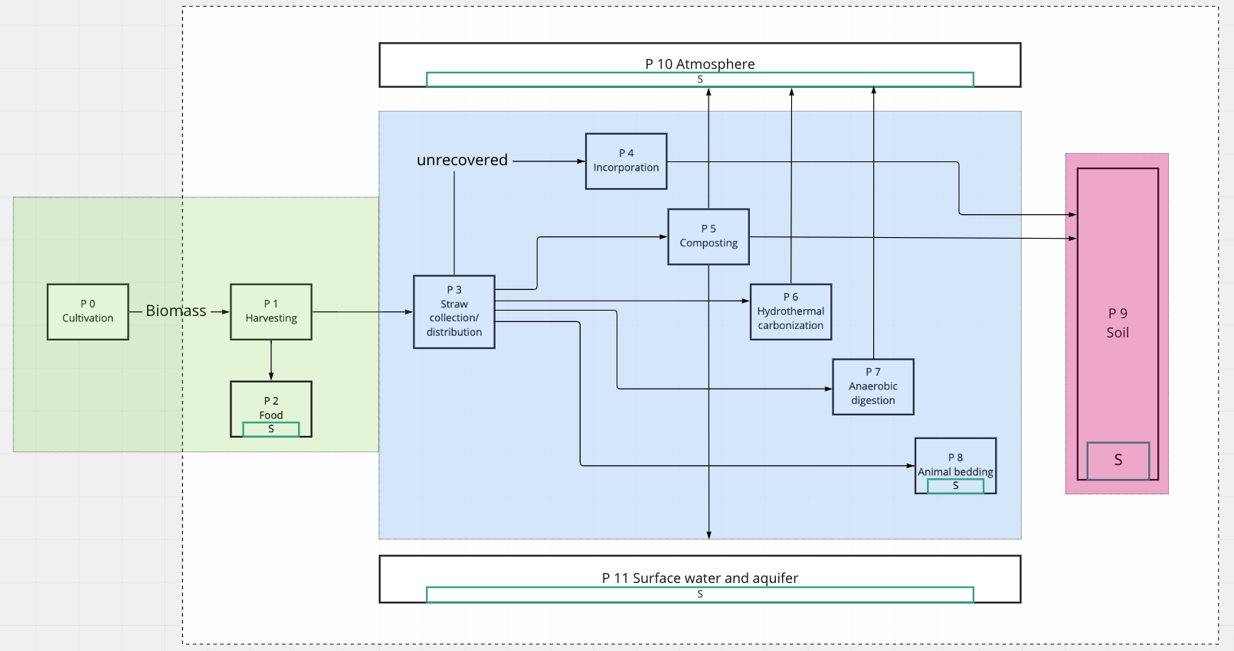

Sequestration_process
k1 | 72.0875 | 1/a | 0.1975 | 1/d
f | 0.048
k2 | 0.9855 | 1/a | 0.0027 | 1/d
 |  |  |  |  |  |  |  |  |  |  |  |  |  |  |  |  |  |  |  |  |  | Sum
 | 2020 | 2021 | 2022 | 2023 | 2024 | 2025 | 2026 | 2027 | 2028 | 2029 | 2030 | 2031 | 2032 | 2033 | 2034 | 2035 | 2036 | 2037 | 2038 | 2039 | 2040
 | 12.75 | 14.025 | 15.3 | 16.575 | 17.85 | 19.125 | 20.4 | 21.675 | 22.95 | 24.225 | 25.5 | 1.275 | 28.05 | 29.325 | 30.6 | 31.875 | 33.15 | 34.425 | 35.7 | 36.975 | 38.25

2020 | 12.75 | - | - | - | - | - | - | - | - | - | - | - | - | - | - | - | - | - | - | - | - | 12.75
2021 | 4.5305395004 | 14.025 | - | - | - | - | - | - | - | - | - | - | - | - | - | - | - | - | - | - | - | 18.5555395
2022 | 1.6910354395 | 4.9835934504 | 15.3 | - | - | - | - | - | - | - | - | - | - | - | - | - | - | - | - | - | - | 21.97462889
2023 | 0.63118329669 | 1.8601389834 | 5.4366474005 | 16.575 | - | - | - | - | - | - | - | - | - | - | - | - | - | - | - | - | - | 24.502969681
2024 | 0.23559077753 | 0.69430162636 | 2.0292425274 | 5.8897013505 | 17.85 | - | - | - | - | - | - | - | - | - | - | - | - | - | - | - | - | 26.698836282
2025 | 0.08793485941 | 0.25914985528 | 0.75741995603 | 2.1983460713 | 6.3427553006 | 19.125 | - | - | - | - | - | - | - | - | - | - | - | - | - | - | - | 28.770606043
2026 | 0.03282191086 | 0.096728345351 | 0.28270893303 | 0.8205382857 | 2.3674496153 | 6.7958092506 | 20.4 | - | - | - | - | - | - | - | - | - | - | - | - | - | - | 30.796056341
2027 | 0.012250862056 | 0.036104101946 | 0.10552183129 | 0.30626801079 | 0.88365661537 | 2.5365531592 | 7.2488632006 | 21.675 | - | - | - | - | - | - | - | - | - | - | - | - | - | 32.804217781
2028 | 0.0045726655509 | 0.013475948261 | 0.039386293032 | 0.11431531723 | 0.32982708854 | 0.94677494503 | 2.7056567032 | 7.7019171507 | 22.95 | - | - | - | - | - | - | - | - | - | - | - | - | 34.805926112
2029 | 0.0017067590954 | 0.005029932106 | 0.014701034467 | 0.042668484118 | 0.12310880317 | 0.35338616629 | 1.0098932747 | 2.8747602471 | 8.1549711007 | 24.225 | - | - | - | - | - | - | - | - | - | - | - | 36.805225802
2030 | 0.00063705219142 | 0.001877435005 | 0.0054871986611 | 0.015926120672 | 0.045950675204 | 0.13190228912 | 0.37694524405 | 1.0730116044 | 3.0438637911 | 8.6080250508 | 25.5 | - | - | - | - | - | - | - | - | - | - | 38.803626461
2031 | 0.00023778135748 | 0.00070075741057 | 0.0020481109145 | 0.0059444652161 | 0.017151206878 | 0.04923286629 | 0.14069577506 | 0.4005043218 | 1.136129934 | 3.212967335 | 9.0610790008 | 1.275 | - | - | - | - | - | - | - | - | - | 15.301691555
2032 | 8.8752498971E-05 | 0.00026155949323 | 0.00076446262971 | 0.0022187868241 | 0.0064017317712 | 0.018376293083 | 0.052515057376 | 0.149489261 | 0.42406339955 | 1.1992482637 | 3.382070879 | 0.45305395004 | 28.05 | - | - | - | - | - | - | - | - | 33.738552397
2033 | 3.3127096914E-05 | 9.7627748868E-05 | 0.00028533762897 | 0.00082816784885 | 0.0023894627336 | 0.0068589983263 | 0.019601379289 | 0.055797248462 | 0.15828274694 | 0.4476224773 | 1.2623665934 | 0.16910354395 | 9.9671869009 | 29.325 | - | - | - | - | - | - | - | 41.415453612
2034 | 1.236477353E-05 | 3.6439806606E-05 | 0.00010650299877 | 0.00030911576472 | 0.00089187306799 | 0.0025601386431 | 0.0073162648814 | 0.020826465494 | 0.059079439548 | 0.16707623288 | 0.47118155506 | 0.063118329669 | 3.7202779669 | 10.420240851 | 30.6 | - | - | - | - | - | - | 45.53303354
2035 | 4.6151832995E-06 | 1.3601250883E-05 | 3.9752516297E-05 | 0.00011537824866 | 0.00033289390047 | 0.00095557828714 | 0.0027308145527 | 0.0077735314365 | 0.0220515517 | 0.062361630634 | 0.17586971882 | 0.023559077753 | 1.3886032527 | 3.8893815108 | 10.873294801 | 31.875 | - | - | - | - | - | 48.322087709
2036 | 1.7226289537E-06 | 5.0767016295E-06 | 1.4837728236E-05 | 4.3065225989E-05 | 0.00012425349856 | 0.00035667203622 | 0.0010192835063 | 0.0029014904622 | 0.0082307979916 | 0.023276637906 | 0.06564382172 | 0.008793485941 | 0.51829971056 | 1.4517215824 | 4.0584850548 | 11.326348751 | 33.15 | - | - | - | - | 50.615266244
2037 | 6.4297565656E-07 | 1.8948918491E-06 | 5.5382199595E-06 | 1.6074205589E-05 | 4.637793568E-05 | 0.00013312874846 | 0.00038045017196 | 0.0010829887254 | 0.0030721663718 | 0.0086880645467 | 0.024501724111 | 0.003282191086 | 0.1934566907 | 0.54185878832 | 1.5148399121 | 4.2275885987 | 11.779402701 | 34.425 | - | - | - | 52.723357933
2038 | 2.3999230597E-07 | 7.0727322222E-07 | 2.0671547445E-06 | 5.9997382894E-06 | 1.7310682942E-05 | 4.9690645372E-05 | 0.00014200399835 | 0.00040422830771 | 0.0011466939446 | 0.0032428422813 | 0.0091453311018 | 0.0012250862056 | 0.072208203892 | 0.20225017664 | 0.56541786607 | 1.5779582417 | 4.3966921427 | 12.232456651 | 35.7 | - | - | 54.762365483
2039 | 8.9577741142E-08 | 2.6399153656E-07 | 7.7157078787E-07 | 2.2394176398E-06 | 6.4612566194E-06 | 1.8547160295E-05 | 5.3003355063E-05 | 0.00015087924825 | 0.00042800644346 | 0.0012103991637 | 0.0034135181909 | 0.00045726655509 | 0.026951896522 | 0.075490394978 | 0.21104366258 | 0.58897694382 | 1.6410765714 | 4.5657956866 | 12.685510601 | 36.975 | - | 56.775587203
2040 | 3.3435120662E-08 | 9.8535515256E-08 | 2.8799076716E-07 | 8.3586835353E-07 | 2.4116805352E-06 | 6.9227749493E-06 | 1.9783637648E-05 | 5.6316064754E-05 | 0.00015975449815 | 0.00045178457921 | 0.0012741043828 | 0.00017067590954 | 0.010059864212 | 0.028176982728 | 0.078772586064 | 0.21983714853 | 0.61253602157 | 1.7041949011 | 4.7348992306 | 13.138564551 | 38.25 | 58.779184295

2020 | 12.75
2021 | 12.607589049
2022 | 12.484923638
2023 | 12.378480551
2024 | 12.285367961
2025 | 12.203212273
2026 | 12.130065244
2027 | 12.064327754
2028 | 12.004687235
2029 | 11.950066317
2030 | 11.899580673
2031 | 11.852504425
2032 | 11.808241745
2033 | 11.766303549
2034 | 11.726288365
2035 | 11.687866632
2036 | 11.650767813
2037 | 11.614769815
2038 | 11.579690308
2039 | 11.5453796
2040 | 11.511714786
2041 | 11.478594947
2042 | 11.445937212
2043 | 11.413673522
2044 | 11.381747974
2045 | 11.350114647
2046 | 11.318735809
2047 | 11.287580449
2048 | 11.256623079
2049 | 11.225842735
2050 | 11.195222173
2051 | 11.164747201
2052 | 11.134406131
2053 | 11.104189331
2054 | 11.074088856
2055 | 11.044098146
2056 | 11.01421178
2057 | 10.984425267
2058 | 10.954734887
2059 | 10.925137543
2060 | 10.895630661
2061 | 10.866212084
2062 | 10.836880009
2063 | 10.807632916
2064 | 10.778469519
2065 | 10.749388725
2066 | 10.720389602
2067 | 10.691471345
2068 | 10.662633257
2069 | 10.633874728
2070 | 10.60519522
2071 | 10.576594257
2072 | 10.548071408
2073 | 10.519626284
2074 | 10.491258529
2075 | 10.462967815
2076 | 10.434753835
2077 | 10.406616301
2078 | 10.37855494
2079 | 10.350569493
2080 | 10.32265971

