Contents
SUM IF VLOOKUP
 | automateexcel.com/formulas/sum-if-vlookup/

 | Table of Contents | Other Resources
 | SUMIFS - VLOOKUP | Excel Formulas w/Examples
 | SUMIFS - VLOOKUP $ | Excel Boot Camp - Learn Excel inside Excel
 | SUMIFS - VLOOKUP - Step 1 | Excel Functions & Formulas Tutorial
 | SUMIFS - VLOOKUP - Step 2

 | Excel Boot Camp
 | Learn Excel Inside Excel
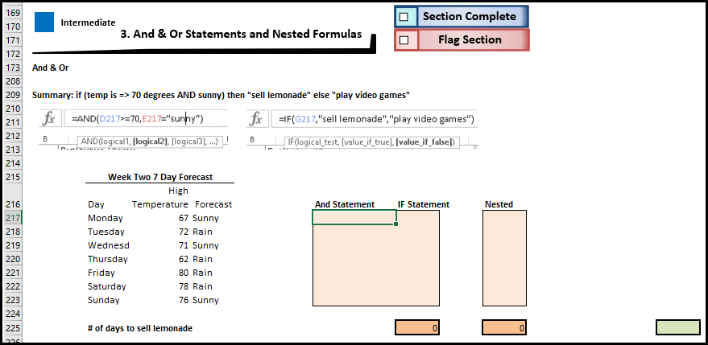

 | Learn Excel inside Excel with our Interactive Tutorial
 | Automatically Graded Exercises
 | Shortcuts & Best Practices "Work Smarter, not Harder"

Learn More

 | Course Contents
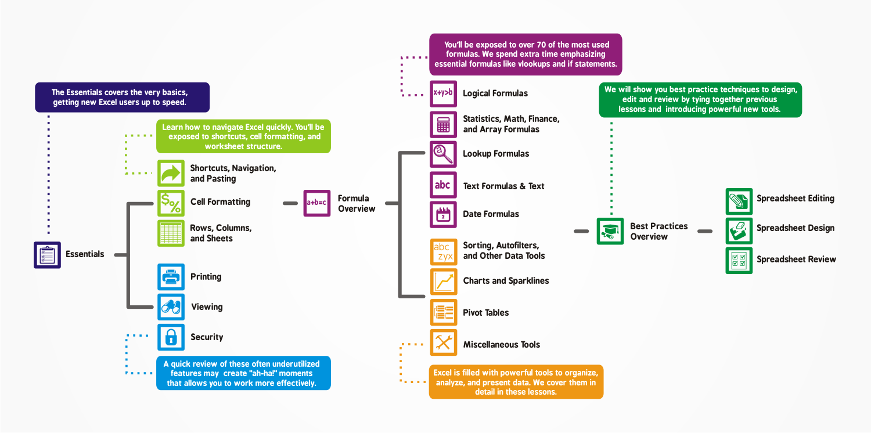

Learn More

SUMIFS - VLOOKUP
Product Code Lookup |  | Sales Table
Product Name | Product Code | Product Code | Sales | Product Name | Total Sales
Table | T1 | T1 | 30 | Table | 60
Chair | C3 | R2 | 45
Desk | D2 | L1 | 18
Lamp | L1 | T1 | 20
Bed | B1 | D2 | 15
Pillow | P3 | T1 | 10
Rug | R2 | C3 | 5

automateexcel.com/formulas/sum-if-vlookup/
Learn More
Excel Boot Camp - Learn Excel Inside Excel

SUMIFS - VLOOKUP $
Product Code Lookup |  | Sales Table
Product Name | Product Code | Product Code | Sales | Product Name | Total Sales
Table | T1 | T1 | 30 | Table | 60
Chair | C3 | R2 | 45
Desk | D2 | L1 | 18
Lamp | L1 | T1 | 20
Bed | B1 | D2 | 15
Pillow | P3 | T1 | 10
Rug | R2 | C3 | 5

automateexcel.com/formulas/sum-if-vlookup/
Learn More
Excel Boot Camp - Learn Excel Inside Excel

SUMIFS - VLOOKUP - Step 1
Product Code Lookup |  | Sales Table
Product Name | Product Code | Product Code | Sales | Product Code | Total Sales
Table | T1 | T1 | 30 | T1 | 60
Chair | C3 | R2 | 45
Desk | D2 | L1 | 18
Lamp | L1 | T1 | 20
Bed | B1 | D2 | 15
Pillow | P3 | T1 | 10
Rug | R2 | C3 | 5

automateexcel.com/formulas/sum-if-vlookup/
Learn More
Excel Boot Camp - Learn Excel Inside Excel

SUMIFS - VLOOKUP - Step 2
Product Code Lookup |  | Sales Table
Product Name | Product Code | Product Code | Sales | Product Code | Total Sales
Table | T1 | T1 | 30 | T1 | 60
Chair | C3 | R2 | 45
Desk | D2 | L1 | 18 | Name | Code
Lamp | L1 | T1 | 20 | Table | T1
Bed | B1 | D2 | 15
Pillow | P3 | T1 | 10
Rug | R2 | C3 | 5

automateexcel.com/formulas/sum-if-vlookup/
Learn More
Excel Boot Camp - Learn Excel Inside Excel

