Overview
Components | Part # | LCSC # | Link | Desc | Comms | Notes
PD Decoder | AP43776QZDZW20-13 | C7214661 | https://www.lcsc.com/product-detail/New-Arrivals_Diodes-Incorporated-AP43776QZDZW20-13_C7214661.html | Dual-channel PD 3.1 decoder | I2C status report | Potential replacement: TPS65987D
Buck/boost | TPS55289RYQR | C5942077 | https://www.lcsc.com/product-detail/DC-DC-Converters_Texas-Instruments-TPS55289RYQR_C5942077.html | Takes 3-30V | I2C status report | Two TPS55289 per AP43776Q
Diode ctrl. | LM74700QDBVTQ1 | C2653623 | https://www.lcsc.com/product-detail/Power-Distribution-Switches_Texas-Instruments-LM74700QDBVTQ1_C2653623.html | Reverse polarity protection |  | JLC has
Lin. Reg. | TPS70950DBVR | C96028 | https://www.lcsc.com/product-detail/Linear-Voltage-Regulators-LDO_Texas-Instruments-TPS70950DBVR_C96028.html | Adjusts voltage down (need for VCC @ 5V) |  | JLC has
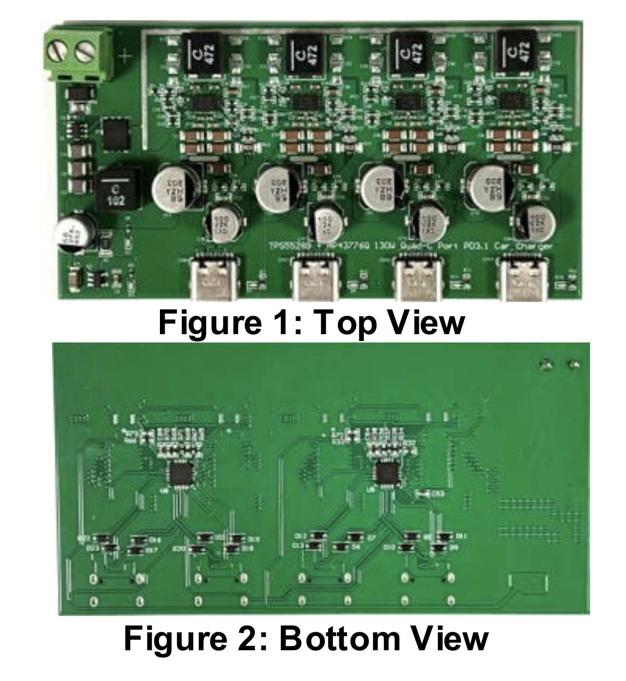
Connector | 691216710002 | C8465 | https://www.lcsc.com/product-detail/Screw-terminal_Ningbo-Kangnex-Elec-WJ500V-5-08-2P_C8465.html |  |  | JLC has

MOSFETs | DMT6008LFG-7 | C461111 |  | For reverse polarity prot, buck conv |  | JLC has
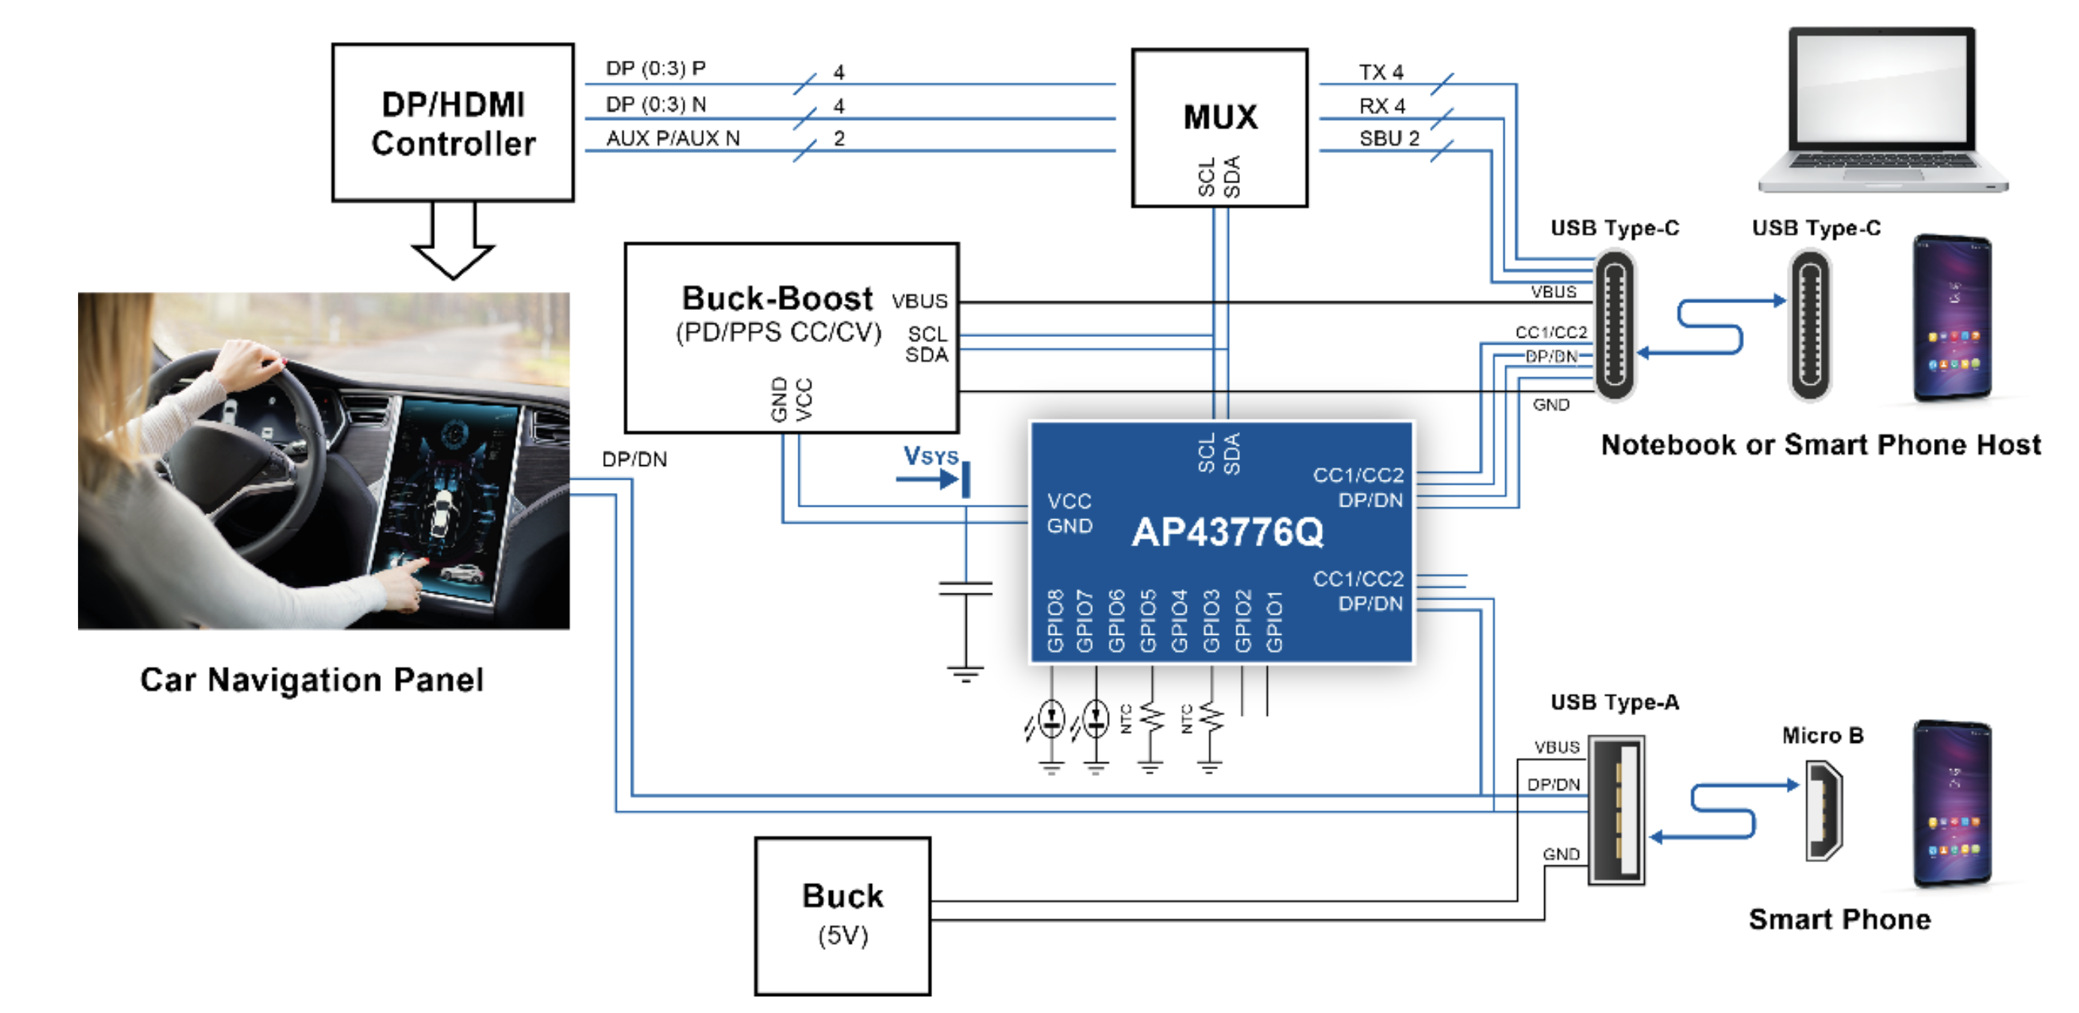

Following: | https://www.diodes.com/assets/Evaluation-Boards/120W-Quad-Port-Type-C-PD3-1-PPS-Car-Charger-EV1-User-Guide.pdf

