Assumptions
Pricing Forecast
 | Premium Hard Coking Coal | 88% PHCC | 6000NAR (GCN) | 5500NAR
2026 | 315.0
2027 | 240.0 | 211.2 | 118.0 | 105.0
2028 | 240.0 | 211.2 | 118.0 | 105.0
2029 | 240.0 | 211.2 | 118.0 | 105.0
2030 | 240.0 | 211.2 | 118.0 | 105.0
2031 | 240.0 | 211.2 | 118.0 | 105.0
2032 | 240.0 | 211.2 | 118.0 | 105.0
2033 | 240.0 | 211.2 | 118.0 | 105.0
2034 | 240.0 | 211.2 | 118.0 | 105.0
2035 | 240.0 | 211.2 | 118.0 | 105.0
2036 | 240.0 | 211.2 | 118.0 | 105.0
2037 | 240.0 | 211.2 | 118.0 | 105.0
2038 | 240.0 | 211.2 | 118.0 | 105.0
2039 | 240.0 | 211.2 | 118.0 | 105.0
2040 | 240.0 | 211.2 | 118.0 | 105.0
2041 | 240.0 | 211.2 | 118.0 | 105.0
2042 | 240.0 | 211.2 | 118.0 | 105.0
2043 | 240.0 | 211.2 | 118.0 | 105.0
2044 | 240.0 | 211.2 | 118.0 | 105.0
2045 | 240.0 | 211.2 | 118.0 | 105.0
2046 | 240.0 | 211.2 | 118.0 | 105.0
2047 | 240.0 | 211.2 | 118.0 | 105.0
2048 | 240.0 | 211.2 | 118.0 | 105.0
2049 | 240.0 | 211.2 | 118.0 | 105.0
2050 | 240.0 | 211.2 | 118.0 | 105.0
2051 | 240.0 | 211.2 | 118.0 | 105.0
2052 | 240.0 | 211.2 | 118.0 | 105.0
Corporate Assumptions |  |  |  |  |  |  |  | 2026
Discount Rate | 8% |  | 1.00 | 1.00 | 1.00 | 1.00 | 1.00
Foreign Exchange Forecast
Foreign Exchange Rate | USD:AUD |  | 0.74 | 0.69 | 0.66 | 0.66 | 0.63 | 0.69 | 0.69 | 0.69 | 0.69 | 0.69
Pricing Forecasts (real terms 2023)
Premium Hard Coking Coal | USD/t | PLV |  |  |  |  |  |  | 240.0 | 240.0 | 240.0 | 240.0
88% PHCC | USD/t | Benchmark
6000NAR (GCN) | USD/t | Thermal Product A |  |  |  |  |  |  | 118.0 | 118.0 | 118.0 | 118.0 | 118.0 | 118.0 | 118.0 | 118.0 | 118.0 | 118.0 | 118.0 | 118.0 | 118.0 | 118.0 | 118.0 | 118.0 | 118.0 | 118.0 | 118.0 | 118.0 | 118.0 | 118.0 | 118.0 | 118.0 | 118.0 | 118.0 | 118.0 | 118.0 | 118.0 | 118.0 | 118.0 | 118.0 | 118.0 | 118.0 | 118.0 | 118.0 | 118.0 | 118.0 | 118.0 | 118.0 | 118.0 | 118.0 | 118.0 | 118.0 | 118.0 | 118.0 | 118.0 | 118.0 | 118.0 | 118.0 | 118.0 | 118.0 | 118.0 | 118.0 | 118.0 | 118.0 | 118.0 | 118.0 | 118.0 | 118.0 | 118.0 | 118.0 | 118.0 | 118.0 | 118.0
5500NAR | USD/t | Thermal Product B |  |  |  |  |  |  | 105.0 | 105.0 | 105.0 | 105.0 | 105.0 | 105.0 | 105.0 | 105.0 | 105.0 | 105.0 | 105.0 | 105.0 | 105.0 | 105.0 | 105.0 | 105.0 | 105.0 | 105.0 | 105.0 | 105.0 | 105.0 | 105.0 | 105.0 | 105.0 | 105.0 | 105.0 | 105.0 | 105.0 | 105.0 | 105.0 | 105.0 | 105.0 | 105.0 | 105.0 | 105.0 | 105.0 | 105.0 | 105.0 | 105.0 | 105.0 | 105.0 | 105.0 | 105.0 | 105.0 | 105.0 | 105.0 | 105.0 | 105.0 | 105.0 | 105.0 | 105.0 | 105.0 | 105.0 | 105.0 | 105.0 | 105.0 | 105.0 | 105.0 | 105.0 | 105.0 | 105.0 | 105.0 | 105.0 | 105.0 | 105.0

Thermal Categories |  |  |  |  |  |  |  | Thermal category minimum spec
Benchmark Thermal | kcal/kg(nar) |  |  |  |  |  |  | 5,950 | 5,950 | 5,950 | 5,950 | 5,950 | 5,950 | 5,950 | 5,950 | 5,950 | 5,950 | 5,950 | 5,950 | 5,950 | 5,950 | 5,950 | 5,950 | 5,950 | 5,950 | 5,950 | 5,950 | 5,950 | 5,950 | 5,950 | 5,950 | 5,950 | 5,950 | 5,950 | 5,950 | 5,950 | 5,950 | 5,950 | 5,950 | 5,950 | 5,950 | 5,950 | 5,950 | 5,950 | 5,950 | 5,950 | 5,950 | 5,950 | 5,950 | 5,950 | 5,950 | 5,950 | 5,950 | 5,950 | 5,950 | 5,950 | 5,950 | 5,950 | 5,950 | 5,950 | 5,950 | 5,950 | 5,950 | 5,950 | 5,950 | 5,950 | 5,950 | 5,950 | 5,950 | 5,950 | 5,950 | 5,950 | 5,950
5500NAR | kcal/kg(nar) |  |  |  |  |  |  | 5,300 | 5,300 | 5,300 | 5,300 | 5,300 | 5,300 | 5,300 | 5,300 | 5,300 | 5,300 | 5,300 | 5,300 | 5,300 | 5,300 | 5,300 | 5,300 | 5,300 | 5,300 | 5,300 | 5,300 | 5,300 | 5,300 | 5,300 | 5,300 | 5,300 | 5,300 | 5,300 | 5,300 | 5,300 | 5,300 | 5,300 | 5,300 | 5,300 | 5,300 | 5,300 | 5,300 | 5,300 | 5,300 | 5,300 | 5,300 | 5,300 | 5,300 | 5,300 | 5,300 | 5,300 | 5,300 | 5,300 | 5,300 | 5,300 | 5,300 | 5,300 | 5,300 | 5,300 | 5,300 | 5,300 | 5,300 | 5,300 | 5,300 | 5,300 | 5,300 | 5,300 | 5,300 | 5,300 | 5,300 | 5,300 | 5,300
5100NAR | kcal/kg(nar) |  |  |  |  |  |  | - | - | - | - | - | - | - | - | - | - | - | - | - | - | - | - | - | - | - | - | - | - | - | - | - | - | - | - | - | - | - | - | - | - | - | - | - | - | - | - | - | - | - | - | - | - | - | - | - | - | - | - | - | - | - | - | - | - | - | - | - | - | - | - | - | -

GAR-> NAR adjustment | 260 | kcal/kg
Basis of coal prices | 6000 | kcal/kg(nar)

Carbon Scenario |  | Accelerated Transition

Other Assumptions

QLD royalty assumptions

Threshold
Tier 1 | AUD/t |  | 0 | 0 | 0 | 0 | 0 | 0 | 0 | 0 | 0 | 0 | 0 | 0 | 0 | 0 | 0 | 0 | 0 | 0 | 0 | 0 | 0 | 0 | 0 | 0 | 0 | 0 | 0 | 0 | 0 | 0 | 0 | 0 | 0 | 0 | 0 | 0 | 0 | 0 | 0 | 0 | 0 | 0 | 0 | 0 | 0 | 0 | 0 | 0 | 0 | 0 | 0 | 0 | 0 | 0 | 0 | 0 | 0 | 0 | 0 | 0 | 0 | 0 | 0 | 0 | 0 | 0 | 0 | 0 | 0 | 0 | 0
Tier 2 | AUD/t |  | 100 | 100 | 100 | 100 | 100 | 100 | 100 | 100 | 100 | 100 | 100 | 100 | 100 | 100 | 100 | 100 | 100 | 100 | 100 | 100 | 100 | 100 | 100 | 100 | 100 | 100 | 100 | 100 | 100 | 100 | 100 | 100 | 100 | 100 | 100 | 100 | 100 | 100 | 100 | 100 | 100 | 100 | 100 | 100 | 100 | 100 | 100 | 100 | 100 | 100 | 100 | 100 | 100 | 100 | 100 | 100 | 100 | 100 | 100 | 100 | 100 | 100 | 100 | 100 | 100 | 100 | 100 | 100 | 100 | 100 | 100
Tier 3 | AUD/t |  | 150 | 150 | 150 | 150 | 150 | 150 | 150 | 150 | 150 | 150 | 150 | 150 | 150 | 150 | 150 | 150 | 150 | 150 | 150 | 150 | 150 | 150 | 150 | 150 | 150 | 150 | 150 | 150 | 150 | 150 | 150 | 150 | 150 | 150 | 150 | 150 | 150 | 150 | 150 | 150 | 150 | 150 | 150 | 150 | 150 | 150 | 150 | 150 | 150 | 150 | 150 | 150 | 150 | 150 | 150 | 150 | 150 | 150 | 150 | 150 | 150 | 150 | 150 | 150 | 150 | 150 | 150 | 150 | 150 | 150 | 150
Tier 4 | AUD/t |  |  |  | 175 | 175 | 175 | 175 | 175 | 175 | 175 | 175 | 175 | 175 | 175 | 175 | 175 | 175 | 175 | 175 | 175 | 175 | 175 | 175 | 175 | 175 | 175 | 175 | 175 | 175 | 175 | 175 | 175 | 175 | 175 | 175 | 175 | 175 | 175 | 175 | 175 | 175 | 175 | 175 | 175 | 175 | 175 | 175 | 175 | 175 | 175 | 175 | 175 | 175 | 175 | 175 | 175 | 175 | 175 | 175 | 175 | 175 | 175 | 175 | 175 | 175 | 175 | 175 | 175 | 175 | 175 | 175 | 175
Tier 5 | AUD/t |  |  |  | 225 | 225 | 225 | 225 | 225 | 225 | 225 | 225 | 225 | 225 | 225 | 225 | 225 | 225 | 225 | 225 | 225 | 225 | 225 | 225 | 225 | 225 | 225 | 225 | 225 | 225 | 225 | 225 | 225 | 225 | 225 | 225 | 225 | 225 | 225 | 225 | 225 | 225 | 225 | 225 | 225 | 225 | 225 | 225 | 225 | 225 | 225 | 225 | 225 | 225 | 225 | 225 | 225 | 225 | 225 | 225 | 225 | 225 | 225 | 225 | 225 | 225 | 225 | 225 | 225 | 225 | 225 | 225 | 225
Tier 6 | AUD/t |  |  |  | 300 | 300 | 300 | 300 | 300 | 300 | 300 | 300 | 300 | 300 | 300 | 300 | 300 | 300 | 300 | 300 | 300 | 300 | 300 | 300 | 300 | 300 | 300 | 300 | 300 | 300 | 300 | 300 | 300 | 300 | 300 | 300 | 300 | 300 | 300 | 300 | 300 | 300 | 300 | 300 | 300 | 300 | 300 | 300 | 300 | 300 | 300 | 300 | 300 | 300 | 300 | 300 | 300 | 300 | 300 | 300 | 300 | 300 | 300 | 300 | 300 | 300 | 300 | 300 | 300 | 300 | 300 | 300 | 300
Rate
Tier 1 | % |  | 7.0% | 7.0% | 7.0% | 7.0% | 7.0% | 7% | 0.07 | 0.07 | 0.07 | 0.07 | 0.07 | 0.07 | 0.07 | 0.07 | 0.07 | 0.07 | 0.07 | 0.07 | 0.07 | 0.07 | 0.07 | 0.07 | 0.07 | 0.07 | 0.07 | 0.07 | 0.07 | 0.07 | 0.07 | 0.07 | 0.07 | 0.07 | 0.07 | 0.07 | 0.07 | 0.07 | 0.07 | 0.07 | 0.07 | 0.07 | 0.07 | 0.07 | 0.07 | 0.07 | 0.07 | 0.07 | 0.07 | 0.07 | 0.07 | 0.07 | 0.07 | 0.07 | 0.07 | 0.07 | 0.07 | 0.07 | 0.07 | 0.07 | 0.07 | 0.07 | 0.07 | 0.07 | 0.07 | 0.07 | 0.07 | 0.07 | 0.07 | 0.07 | 0.07 | 0.07 | 0.07
Tier 2 | % |  | 12.5% | 12.5% | 12.5% | 12.5% | 12.5% | 13% | 0.125 | 0.125 | 0.125 | 0.125 | 0.125 | 0.125 | 0.125 | 0.125 | 0.125 | 0.125 | 0.125 | 0.125 | 0.125 | 0.125 | 0.125 | 0.125 | 0.125 | 0.125 | 0.125 | 0.125 | 0.125 | 0.125 | 0.125 | 0.125 | 0.125 | 0.125 | 0.125 | 0.125 | 0.125 | 0.125 | 0.125 | 0.125 | 0.125 | 0.125 | 0.125 | 0.125 | 0.125 | 0.125 | 0.125 | 0.125 | 0.125 | 0.125 | 0.125 | 0.125 | 0.125 | 0.125 | 0.125 | 0.125 | 0.125 | 0.125 | 0.125 | 0.125 | 0.125 | 0.125 | 0.125 | 0.125 | 0.125 | 0.125 | 0.125 | 0.125 | 0.125 | 0.125 | 0.125 | 0.125 | 0.125
Tier 3 | % |  | 15.0% | 15.0% | 15.0% | 15.0% | 15.0% | 15% | 0.15 | 0.15 | 0.15 | 0.15 | 0.15 | 0.15 | 0.15 | 0.15 | 0.15 | 0.15 | 0.15 | 0.15 | 0.15 | 0.15 | 0.15 | 0.15 | 0.15 | 0.15 | 0.15 | 0.15 | 0.15 | 0.15 | 0.15 | 0.15 | 0.15 | 0.15 | 0.15 | 0.15 | 0.15 | 0.15 | 0.15 | 0.15 | 0.15 | 0.15 | 0.15 | 0.15 | 0.15 | 0.15 | 0.15 | 0.15 | 0.15 | 0.15 | 0.15 | 0.15 | 0.15 | 0.15 | 0.15 | 0.15 | 0.15 | 0.15 | 0.15 | 0.15 | 0.15 | 0.15 | 0.15 | 0.15 | 0.15 | 0.15 | 0.15 | 0.15 | 0.15 | 0.15 | 0.15 | 0.15 | 0.15
Tier 4 | % |  |  |  | 20.0% | 20.0% | 20.0% | 20% | 0.2 | 0.2 | 0.2 | 0.2 | 0.2 | 0.2 | 0.2 | 0.2 | 0.2 | 0.2 | 0.2 | 0.2 | 0.2 | 0.2 | 0.2 | 0.2 | 0.2 | 0.2 | 0.2 | 0.2 | 0.2 | 0.2 | 0.2 | 0.2 | 0.2 | 0.2 | 0.2 | 0.2 | 0.2 | 0.2 | 0.2 | 0.2 | 0.2 | 0.2 | 0.2 | 0.2 | 0.2 | 0.2 | 0.2 | 0.2 | 0.2 | 0.2 | 0.2 | 0.2 | 0.2 | 0.2 | 0.2 | 0.2 | 0.2 | 0.2 | 0.2 | 0.2 | 0.2 | 0.2 | 0.2 | 0.2 | 0.2 | 0.2 | 0.2 | 0.2 | 0.2 | 0.2 | 0.2 | 0.2 | 0.2
Tier 5 | % |  |  |  | 30.0% | 30.0% | 30.0% | 30% | 0.3 | 0.3 | 0.3 | 0.3 | 0.3 | 0.3 | 0.3 | 0.3 | 0.3 | 0.3 | 0.3 | 0.3 | 0.3 | 0.3 | 0.3 | 0.3 | 0.3 | 0.3 | 0.3 | 0.3 | 0.3 | 0.3 | 0.3 | 0.3 | 0.3 | 0.3 | 0.3 | 0.3 | 0.3 | 0.3 | 0.3 | 0.3 | 0.3 | 0.3 | 0.3 | 0.3 | 0.3 | 0.3 | 0.3 | 0.3 | 0.3 | 0.3 | 0.3 | 0.3 | 0.3 | 0.3 | 0.3 | 0.3 | 0.3 | 0.3 | 0.3 | 0.3 | 0.3 | 0.3 | 0.3 | 0.3 | 0.3 | 0.3 | 0.3 | 0.3 | 0.3 | 0.3 | 0.3 | 0.3 | 0.3
Tier 6 | % |  |  |  | 40.0% | 40.0% | 40.0% | 40% | 0.4 | 0.4 | 0.4 | 0.4 | 0.4 | 0.4 | 0.4 | 0.4 | 0.4 | 0.4 | 0.4 | 0.4 | 0.4 | 0.4 | 0.4 | 0.4 | 0.4 | 0.4 | 0.4 | 0.4 | 0.4 | 0.4 | 0.4 | 0.4 | 0.4 | 0.4 | 0.4 | 0.4 | 0.4 | 0.4 | 0.4 | 0.4 | 0.4 | 0.4 | 0.4 | 0.4 | 0.4 | 0.4 | 0.4 | 0.4 | 0.4 | 0.4 | 0.4 | 0.4 | 0.4 | 0.4 | 0.4 | 0.4 | 0.4 | 0.4 | 0.4 | 0.4 | 0.4 | 0.4 | 0.4 | 0.4 | 0.4 | 0.4 | 0.4 | 0.4 | 0.4 | 0.4 | 0.4 | 0.4 | 0.4

Royalty on first threshold | AUD/t
Royalty up to second threshold | AUD/t
Royalty up to third threshold | AUD/t
Royalty up to fourth threshold | AUD/t
Royalty up to fifth threshold | AUD/t

AUD CPI | % |  | 1.00% | 1.00% | 1.00% | 1.00% | 1.00% | 1.00% | 2.65% | 2.65% | 2.65% | 2.65% | 2.65% | 2.65% | 2.65% | 2.65% | 2.65% | 2.65% | 2.65% | 2.65% | 2.65% | 2.65% | 2.65% | 2.65% | 2.65% | 2.65% | 2.65% | 2.65% | 2.65% | 2.65% | 2.65% | 2.65% | 2.65% | 2.65% | 2.65% | 2.65% | 2.65% | 2.65% | 2.65% | 2.65% | 2.65% | 2.65% | 2.65% | 2.65% | 2.65% | 2.65% | 2.65% | 2.65% | 2.65% | 2.65% | 2.65% | 2.65% | 2.65% | 2.65% | 2.65% | 2.65% | 2.65% | 2.65% | 2.65% | 2.65% | 2.65% | 2.65% | 2.65% | 2.65% | 2.65% | 2.65% | 2.65% | 2.65% | 2.65% | 2.65% | 2.65% | 2.65% | 2.65%

Flood Rate
0
100,000
250,000
500,000
750,000
10,000,000

Analysis
 |  | 2021Act | 2022Act | 2023Act | 2024Act | 2025Act | 2026FYF | 2027
FOR cash cost/t
Springbok Coal Complex | AUD/t
Brave Blossom UG | AUD/t

Net Cashflow Before Tax
Springbok Coal Complex | AUDk
Brave Blossom UG | AUDk

Net Cashflow Before Tax Combined
Springbok Coal Complex + Brave Blossom UG - Project | AUDk

Attributable Net Cashflow After Tax Combined
Brave Blossom UG - Project + Springbok Coal Complex | AUDk
All | AUDk

Discounted Cashflow After Tax Combined
Brave Blossom UG - Project + Springbok Coal Complex | AUDk
Springbok (Base Case) | AUDk

Cumulative Discounted Cashflow After Tax Combined
Brave Blossom UG - Project + Springbok Coal Complex | AUDk
Springbok (Base Case) | AUDk
Brave Blossom UG Project Standalone | AUDk
Net Cashflow Before Tax Combined
 | Springbok Coal Complex + Brave Blossom UG - Project
2021Act | 522,475
2022Act | 545,821
2023Act | 482,742
2024Act | 438,805
2025Act | 351,060
2026FYF | 461,475
2027 | 226,119
2028 | 287,082
2029 | 379,816
2030 | 374,686
2031 | 248,973
2032 | (1,068,928)
2033 | 452,810
2034 | 438,582
2035 | 424,306
2036 | 409,979
2037 | 399,359
2038 | 388,920
2039 | 374,657
2040 | 364,450
2041 | 354,414
2042 | 344,544
2043 | 334,839
2044 | 325,293
2045 | 320,626
2046 | 311,511
2047 | 302,547
2048 | 313,116
2049 | 339,199
2050 | 322,099
2051 | (117,687)
2052 | (91,685)
Net Cashflow Before Tax
 | Springbok Coal Complex | Brave Blossom UG
2021Act | 522,475
2022Act | 545,821
2023Act | 482,742
2024Act | 438,805
2025Act | 351,060
2026FYF | 461,475
2027 | 226,119 | #N/A
2028 | 287,082 | #N/A
2029 | 379,816 | #N/A
2030 | 374,686 | #N/A
2031 | 325,082 | -76,109
2032 | (895,000) | -173,928
2033 | #N/A | 452,810
2034 | #N/A | 438,582
2035 | #N/A | 424,306
2036 | #N/A | 409,979
2037 | #N/A | 399,359
2038 | #N/A | 388,920
2039 | #N/A | 374,657
2040 | #N/A | 364,450
2041 | #N/A | 354,414
2042 | #N/A | 344,544
2043 | #N/A | 334,839
2044 | #N/A | 325,293
2045 | #N/A | 320,626
2046 | #N/A | 311,511
2047 | #N/A | 302,547

FOR cash cost/t
 | Springbok Coal Complex | Brave Blossom UG
2021Act | 135
2022Act | 145
2023Act | 136
2024Act | 146
2025Act | 168
2026FYF | 147
2027 | 156 | #N/A
2028 | 155 | #N/A
2029 | 149 | #N/A
2030 | 144 | #N/A
2031 | 144 | 1,088
2032 | #N/A | 1,242
2033 | #N/A | 120
2034 | #N/A | 120
2035 | #N/A | 120
2036 | #N/A | 120
2037 | #N/A | 120
2038 | #N/A | 120
2039 | #N/A | 120
2040 | #N/A | 120
2041 | #N/A | 120
2042 | #N/A | 120
2043 | #N/A | 120
2044 | #N/A | 120
2045 | #N/A | 120
2046 | #N/A | 120
2047 | #N/A | 120
2048 | #N/A | 115
2049 | #N/A | 105
2050 | #N/A | 105
2051 | #N/A | #N/A
2052 | #N/A | #N/A
Cumulative Discounted Cashflow After Tax
 | Brave Blossom UG - Project + Springbok Coal Complex | Springbok (Base Case)
2026FYF
2027 | 83,924 | 83,924
2028 | 254,769 | 254,769
2029 | 478,333 | 478,333
2030 | 686,063 | 686,063
2031 | 811,743 | 865,574
2032 | 111,712 | 279,446
2033 | 295,276 | 279,446
2034 | 460,074 | 279,446
2035 | 607,882 | 279,446
2036 | 740,318 | 279,446
2037 | 860,028 | 279,446
2038 | 968,249 | 279,446
2039 | 1,065,029 | 279,446
2040 | 1,152,500 | 279,446
2041 | 1,231,581 | 279,446
2042 | 1,303,102 | 279,446
2043 | 1,367,819 | 279,446
2044 | 1,426,417 | 279,446
2045 | 1,480,318 | 279,446
2046 | 1,529,258 | 279,446
2047 | 1,573,770 | 279,446
2048 | 1,617,004 | 279,446
2049 | 1,660,939 | 279,446
2050 | 1,700,406 | 279,446
2051 | 1,682,548 | 279,446
2052 | 1,669,665 | 279,446
Cumulative Discounted Cashflow After Tax
 | Brave Blossom UG - Project + Springbok Coal Complex | Springbok (Base Case) | Brave Blossom UG Project Standalone
2026FYF
2027 | 83,924 | 83,924 | -
2028 | 254,769 | 254,769 | -
2029 | 478,333 | 478,333 | -
2030 | 686,063 | 686,063 | -
2031 | 811,743 | 865,574 | (53,830)
2032 | 111,712 | 279,446 | (167,734)
2033 | 295,276 | 279,446 | 15,831
2034 | 460,074 | 279,446 | 180,628
2035 | 607,882 | 279,446 | 328,436
2036 | 740,318 | 279,446 | 460,872
2037 | 860,028 | 279,446 | 580,583
2038 | 968,249 | 279,446 | 688,804
2039 | 1,065,029 | 279,446 | 785,583
2040 | 1,152,500 | 279,446 | 873,054
2041 | 1,231,581 | 279,446 | 952,135
2042 | 1,303,102 | 279,446 | 1,023,656
2043 | 1,367,819 | 279,446 | 1,088,373
2044 | 1,426,417 | 279,446 | 1,146,971
2045 | 1,480,318 | 279,446 | 1,200,872
2046 | 1,529,258 | 279,446 | 1,249,813
2047 | 1,573,770 | 279,446 | 1,294,324
2048 | 1,617,004 | 279,446 | 1,337,558
2049 | 1,660,939 | 279,446 | 1,381,494
2050 | 1,700,406 | 279,446 | 1,420,960
2051 | 1,682,548 | 279,446 | 1,403,102
2052 | 1,669,665 | 279,446 | 1,390,220

Summary
INPUTS FOR REVENUE GRAPH |  |  | 2022 | 2023 | 2024 | 2025 | 2026
 |  |  | 2022 A | 2023 A | 2024 A | 2025 A | 2026 FYF | 2027 | 2028 | 2029 | 2030 | 2031 | 2032 | 2033 | 2034 | 2035 | 2036 | 2037 | 2038 | 2039 | 2040 | 2041 | 2042 | 2043 | 2044 | 2045 | 2046 | 2047 | 2048 | 2049 | 2050 | 2051 | 2052
 | Sales Revenue | AUD M
 | Average Realisation A$ (Ex-Mine) | AUD/t

 | Direct Mining Cost | AUD/t
 | CHPP Cash Cost | AUD/t
 | Overhead & Indirect Cash Cost | AUD/t
 | Distribution (excluding Royalty) | AUD/t
 | Other Costs (Carbon) | AUD/t
 | Royalty - Government Export | AUD/t

 | Total Sales Vol

Springbok Average Revenue & FOB Cost AUD/t
 | Direct Mining Cost | CHPP Cash Cost | Overhead & Indirect Cash Cost | Distribution (excluding Royalty) | Other Costs (Carbon) | Royalty - Government Export | Average Realisation A$ (Ex-Mine)
2022 A | 104.8 | 24.8 | 19.8 | 109.2 | - | 51.8 | 503
2023 A | 101.5 | 19.6 | 18.8 | 128.4 | - | 98.1 | 505
2024 A | 109.4 | 20.1 | 17.2 | 96.7 | 2.3 | 91.2 | 464
2025 A | 137.0 | 27.8 | 20.9 | 72.2 | 2.4 | 85.0 | 431
2026 FYF | 110.9 | 18.8 | 17.8 | 83.9 | 6.2 | 96.6 | 470
2027 | 116.0 | 19.9 | 19.8 | 34.0 | 2.8 | 61.9 | 348
2028 | 117.3 | 19.5 | 18.2 | 34.0 | 3.8 | 63.7 | 348
2029 | 112.7 | 19.2 | 17.2 | 24.0 | 4.8 | 67.5 | 348
2030 | 106.4 | 19.4 | 17.9 | 24.0 | 6.3 | 69.2 | 348
2031 | 104.8 | 19.9 | 19.6 | 24.0 | 8.1 | 70.9 | 348

 | Project Margin Analysis
 |  |  | 2031 | 2032 | 2033 | 2034 | 2035 | 2036 | 2037 | 2038 | 2039 | 2040 | 2041 | 2042 | 2043 | 2044 | 2045 | 2046 | 2047 | 2048 | 2049 | 2050
 | Sales Revenue | AUD M
 | Average Realisation A$ (Ex-Mine) | AUD/t

 | Direct Mining Cost | AUD/t
 | CHPP Cash Cost | AUD/t
 | Overhead & Indirect Cash Cost | AUD/t
 | Distribution (excluding Royalty) | AUD/t
 | Other Costs (Carbon) | AUD/t
 | Royalty - Government Export | AUD/t

 | Total Sales Vol

Brave Blossom Average Revenue & FOB Cost AUD/t
 | Direct Mining Cost | CHPP Cash Cost | Overhead & Indirect Cash Cost | Distribution (excluding Royalty) | Other Costs (Carbon) | Royalty - Government Export | Average Realisation A$ (Ex-Mine)
2031 | 823.0 | 265.4 | - | 22.0 | - | 55.1 | 306
2032 | 675.6 | 142.6 | 423.7 | 22.0 | - | 56.8 | 306
2033 | 90.0 | 17.7 | 12.8 | 22.0 | 2.3 | 58.4 | 306
2034 | 90.0 | 17.7 | 12.8 | 22.0 | 2.4 | 59.9 | 306
2035 | 90.0 | 17.7 | 12.8 | 22.0 | 6.2 | 61.4 | 306
2036 | 90.0 | 17.7 | 12.8 | 22.0 | 2.8 | 62.9 | 306
2037 | 90.0 | 17.7 | 12.8 | 22.0 | 3.8 | 64.4 | 306
2038 | 90.0 | 17.7 | 12.8 | 22.0 | 4.8 | 65.8 | 306
2039 | 90.0 | 17.7 | 12.8 | 22.0 | 6.3 | 67.2 | 306
2040 | 90.0 | 17.7 | 12.8 | 22.0 | 8.1 | 68.6 | 306
2041 | 90.0 | 17.7 | 12.8 | 22.0 | - | 69.9 | 306
2042 | 90.0 | 17.7 | 12.8 | 22.0 | - | 71.2 | 306
2043 | 90.0 | 17.7 | 12.8 | 22.0 | - | 72.4 | 306
2044 | 90.0 | 17.7 | 12.8 | 22.0 | - | 73.7 | 306
2045 | 90.0 | 17.7 | 12.8 | 22.0 | - | 74.9 | 306
2046 | 90.0 | 17.7 | 12.8 | 22.0 | - | 76.1 | 306
2047 | 90.0 | 17.7 | 12.8 | 22.0 | - | 77.2 | 306
2048 | 83.8 | 17.8 | 13.1 | 22.0 | - | 78.3 | 306
2049 | 77.3 | 14.0 | 13.4 | 22.0 | - | 79.4 | 306
2050 | 77.3 | 14.0 | 13.4 | 22.0 | - | 80.5 | 306

Decommissioned Mine
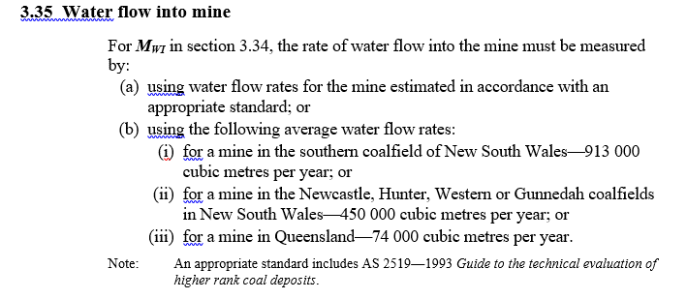
Decommissioned Mines
Methane (CH4) |  |  | tCO2-e
 |  |  | (3.32 (1))
DATA ENTRY |  |  | (3.32 (2))
Site | Springbok + Brave Blossom |  |  | 2027-12-31
Date Mine Closed |  |  | Etdm
Gassy/Non-Gassy |  |  | A
CH4 emissions from mine 12 month prior to closure |  |  | b | -1.45 | -1.45 | -1.45 | -1.45 | -1.45 | -1.45 | -1.45 | -1.45 | -1.45 | -1.45 | -1.45 | -1.45 | -1.45 | -1.45 | -1.45 | -1.45 | -1.45 | -1.45 | -1.45 | -1.45 | -1.45 | -1.45 | -1.45 | -1.45 | -1.45 | -1.45 | -1.45 | -1.45 | -1.45 | -1.45 | -1.45 | -1.45 | -1.45 | -1.45 | -1.45 | -1.45 | -1.45 | -1.45 | -1.45 | -1.45 | -1.45 | -1.45 | -1.45 | -1.45 | -1.45
Mine Void Volume (m3) |  |  | c | 0.024 | 0.024 | 0.024 | 0.024 | 0.024 | 0.024 | 0.024 | 0.024 | 0.024 | 0.024 | 0.024 | 0.024 | 0.024 | 0.024 | 0.024 | 0.024 | 0.024 | 0.024 | 0.024 | 0.024 | 0.024 | 0.024 | 0.024 | 0.024 | 0.024 | 0.024 | 0.024 | 0.024 | 0.024 | 0.024 | 0.024 | 0.024 | 0.024 | 0.024 | 0.024 | 0.024 | 0.024 | 0.024 | 0.024 | 0.024 | 0.024 | 0.024 | 0.024 | 0.024 | 0.024
Year to Stop Reporting |  |  | Months (T)
 |  |  | Mwi
Additional Annual Flood Volume m3 | - |  | N
QLD Default Flood Volume M3 | 74,000 |  | Mvv
 |  |  | EFdm
 |  |  | Fdm
 |  |  | Edm

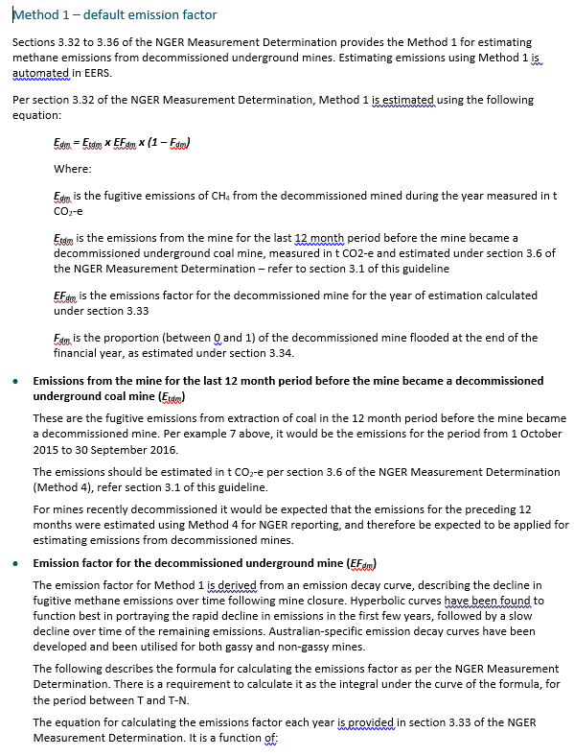
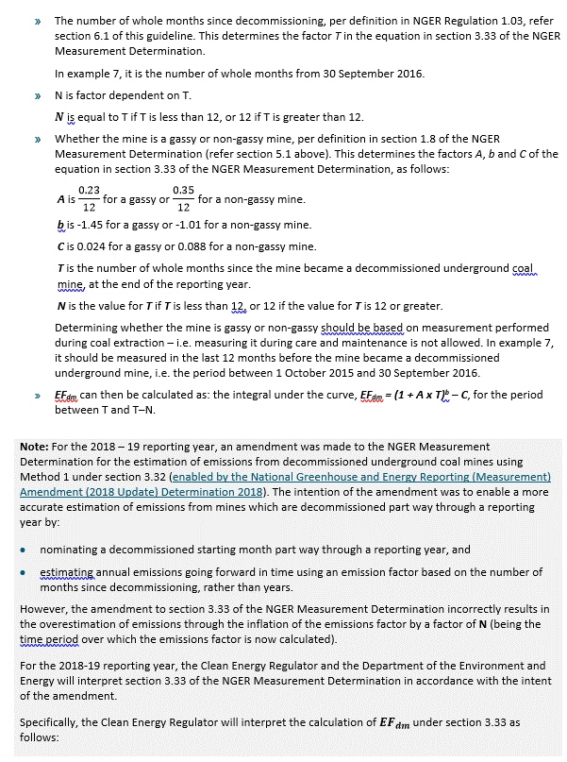
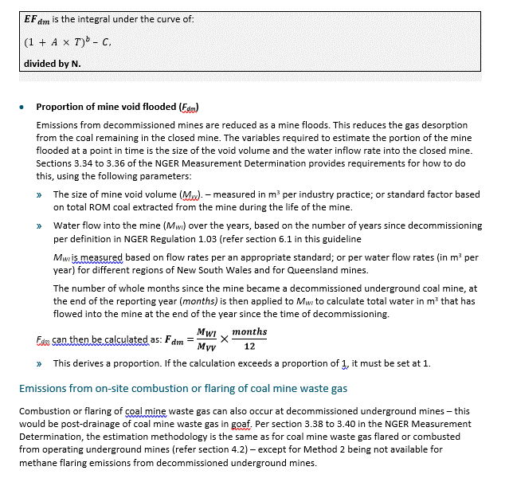
Change the drop down in B5 to match the selected proposal
Option | the tonnes of coal mine waste gas (CO2-e) flared | whether the mine is a gassy mine or a non-gassy mine | The tonnes of methane emissions (CO2-e) from the mine in the last 12 month period before the mine became a decommissioned underground coal mine | Mine Void (m3) | the date that the mine was Sealed | Mine Closure Year | Year to Stop Reporting | Method | Flood Rate m3 per year
Springbok | - | Gassy |  | 21,159,588 | 2031-12-31 |  |  | Method 1 (3.32 Pt2) | 74,000
Springbok + Brave Blossom | - | Gassy |  | 42,319,176 | 2050-12-31 | 2050 |  | Method 1 (3.32 Pt2) | 74,000
Springbok Delayed 12 Months | - | Gassy |  | 21,159,588 | 2032-12-31 |  |  | Method 1 (3.32 Pt2) | 74,000

