Results
Rugilė Lukšaitė. Bioinformatikos IV kursas

Number of letters
Advertisement | Not an advertisement
132 | 140
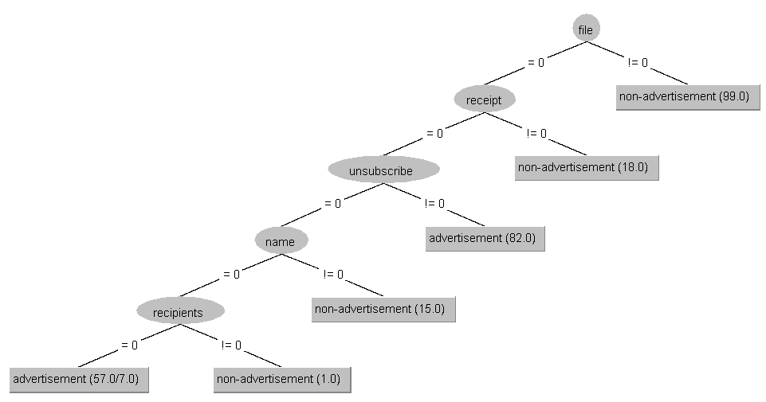
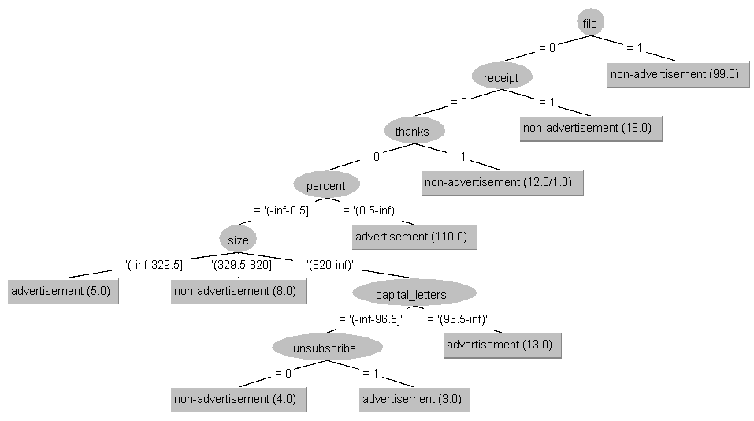
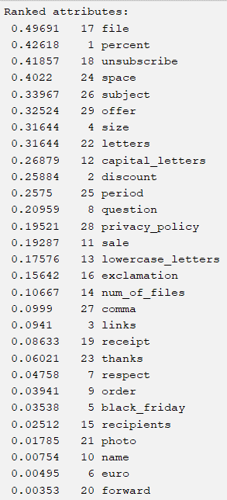
Attributes: | Name | Meaning | Type | Estimates of mutual information between attribute and class | Results:
1. | percent | What percentage (%) of characters are in the message | numeric |  | 1. Decision tree results
2. | discount | Does the letter mention the word discount | 1 or 0
3. | links | Does the email contain links starting with https:// | 1 or 0 |  |  | J48
4. | size | Number of lines in the email | numeric |  |  | Supervised | Unsupervised (2) | Average
5. | black_friday | Does the email contain the word black Friday | 1 or 0 |  | Training set | 99.6324% | 97,4265% (binarinis/nebinarinis) | 98.52945
6. | euro | Does the letter contain the euro symbol (€) | 1 or 0 |  | Cross-validation | 98,8971% (minNumObj = 1) | 96,6912 % (binarinis/nebinarinis) | 97.79415
7. | respect | Does the letter contain the salutation Respectfully | 1 or 0 |  | Percentage split | 100% (minNumObj = 1 ir binarinis) | 93,4783 % (binarinis/nebinarinis) | 96.73915
8. | question | Number of question marks (?) in the letter | numeric |  | Supplied test set | 96,3415 % (minNumObj = 1) | 94,8276 % (binarinis/nebinarinis) | 95.58455
9. | order | The letter contains the word order | 1 or 0 |  |  |  |  |  | J48: unsupervised(2) binary, accuracy - 97,4265% | J48: supervised, accuracy - 99,6324%
10. | name | Name mentioned in the letter: Rugilė, Rugile, Lukšaitė, Luksaite | 1 or 0 |  |  | RandomTree |  |  | training set | training set
11. | sale | How many times is the word sale mentioned | numeric |  |  | Supervised | Unsupervised (2) | Average
12. | capital_letters | Number of capital letters in the letter | numeric |  | Training set | 100% | 98.1618% | 99.0809%
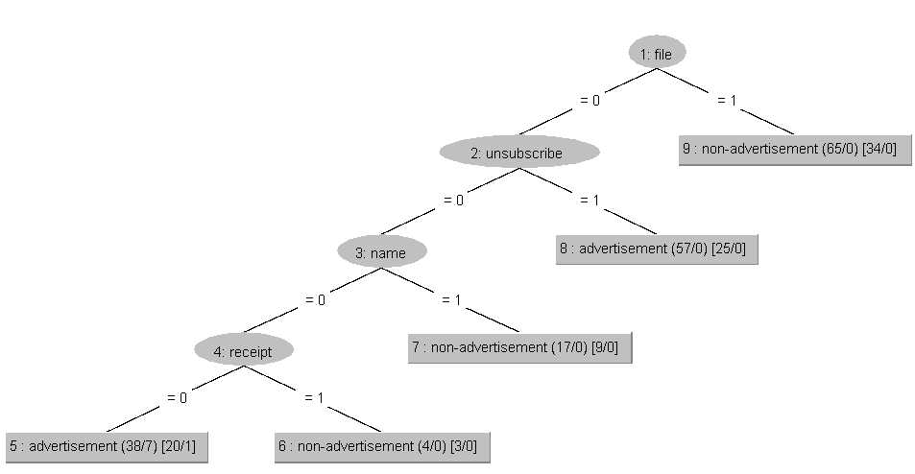
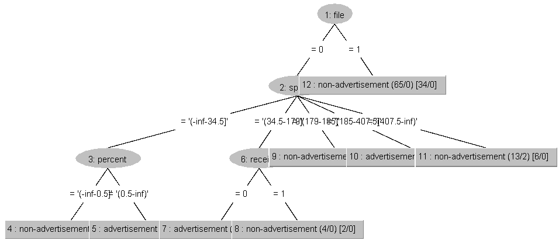
13. | lowercase_letters | Number of lower case letters in the letter | numeric |  | Cross-validation | 98.1618% | 96.32% | 97.2427%
14. | num_of_files | Number of files attached to the letter | numeric |  | Percentage split | 98.913% | 93.48% | 96.1957%
15. | recipients | More than two recipients | 1 or 0 |  | Supplied test set | 96.34% | 100% | 98.1708%
16. | exclamation | Number of exclamation marks (!) in the text | numeric
17. | file | Is there a file attached to email | 1 or 0 |  |  | REPTree
18. | unsubscribe | The letter contains the word unsubscribe | 1 or 0 |  |  | Supervised | Unsupervised (2) | Average
19. | receipt | The letter contains the words receipt | 1 or 0 |  | Training set | 95.5882% | 97.0588% | 96.3235%
20. | forward | The letter is/is not forwarded | 1 or 0 |  | Cross-validation | 95.5882% | 96.6912% | 96.1397%
21. | photo | A photo is attached to the message | 1 or 0 |  | Percentage split | 95.6522% | 95.6522% | 95.6522%
22. | letters | Total number of letters in the letter | numeric |  | Supplied test set | 90.2439% | 91.3793% | 90.8116%
23. | thanks | The letter contains the word thank you/thanks | 1 or 0
24. | space | Number of spaces in the letter | numeric |  | 2. Results of classification rules |  |  |  | REPTree: unsupervised (2), accuracy - 97,0588% | REPTree: supervised, accuracy 95,5882%
25. | period | Number of dots in the letter | numeric |  |  |  |  |  | training set | training set

26. | subject | Number of characters in the letter header | numeric |  |  | JRip
27. | comma | Number of commas in the letter | numeric |  |  | Supervised | Unsupervised (2) | Average
28. | privacy_policy | The letter contains the text Privacy Policy | 1 or 0 |  | Training set | 99.6324% | 97.0588% | 98.3456%
29. | offer | Whether the word offer/offers | 1 or 0 |  | Cross-validation | 98.8971% | 97.0588% | 97.9780%
30. | class | Indicates the group of the letter - advertisement, non_advertisement | advertisement/non-advertisement |  | Percentage split | 100% | 95.6522% | 97.8261%
 |  |  |  |  | Supplied test set | 97.56% | 93.10% | 95.3322%

 |  |  |  |  |  | OneR
 |  |  |  |  |  | Supervised | Unsupervised (2) | Average | Jrip: accuracy 98,3456%
 |  |  |  |  | Training set | 86.3971% | 84.9265% | 85.6618% | training set
 |  |  |  |  | Cross-validation | 86.3971% | 84.9265% | 85.6618%
 |  |  |  |  | Percentage split | 86.9565% | 83.6957% | 85.3261%
 |  |  |  |  | Supplied test set | 74.3902% | 86.2069% | 80.2985%

 |  |  |  |  |  | ZeroR
 |  |  |  |  |  | Supervised | Unsupervised (2) | Average
 |  |  |  |  | Training set | 51.4706% | 51.4706% | 51.4706%
 |  |  |  |  | Cross-validation | 51.4706% | 51.4706% | 51.4706%
 |  |  |  |  | Percentage split | 50% | 50% | 50%
 |  |  |  |  | Supplied test set | 51.2195% | 51.7241% | 51.4718%

J48
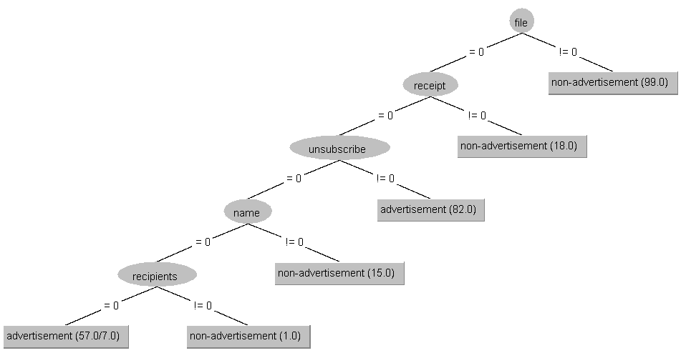
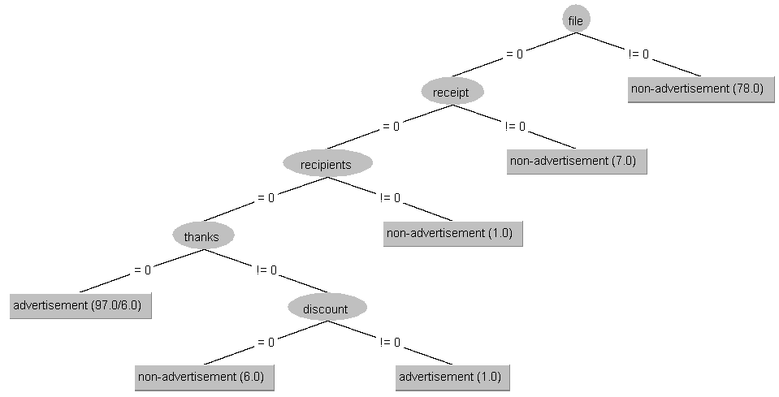
Diskretizacijos tipas: supervised.Discretize

Use training set | Percentage-split (minNumObj = 1 ir binarinis)

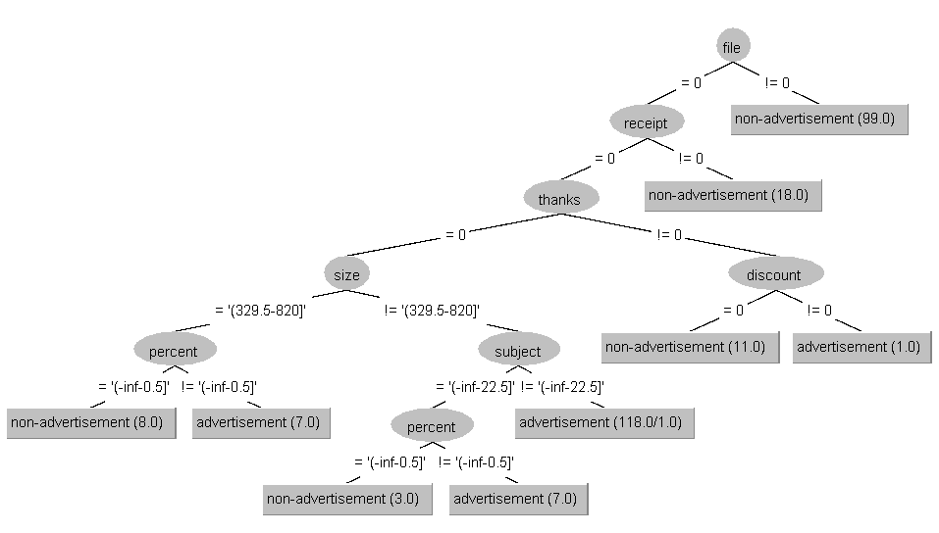

Cross-validation (minNumObj = 1) | Supplied test set (minNumObj = 1)

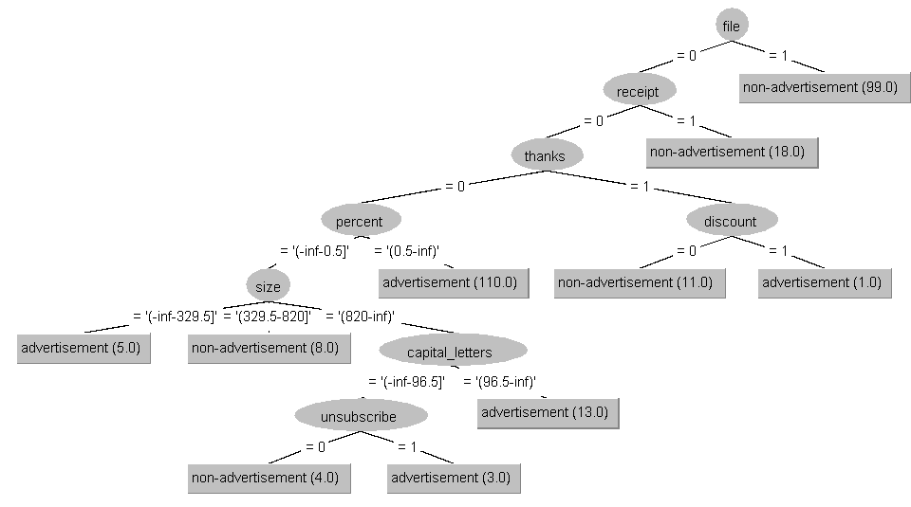
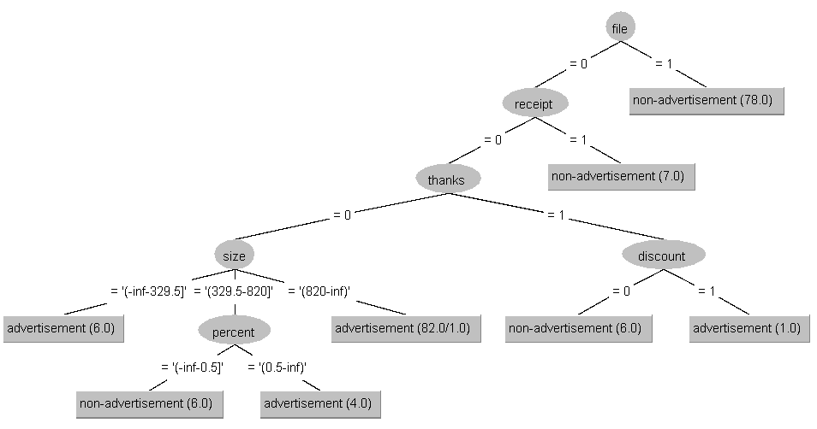

Diskretizacijos tipas: unsupervised.Discretize (2)

Use training set (binarinis ir nebinarinis tokie pat) | Percentage-split (binarinis ir nebinarinis tokie pat)

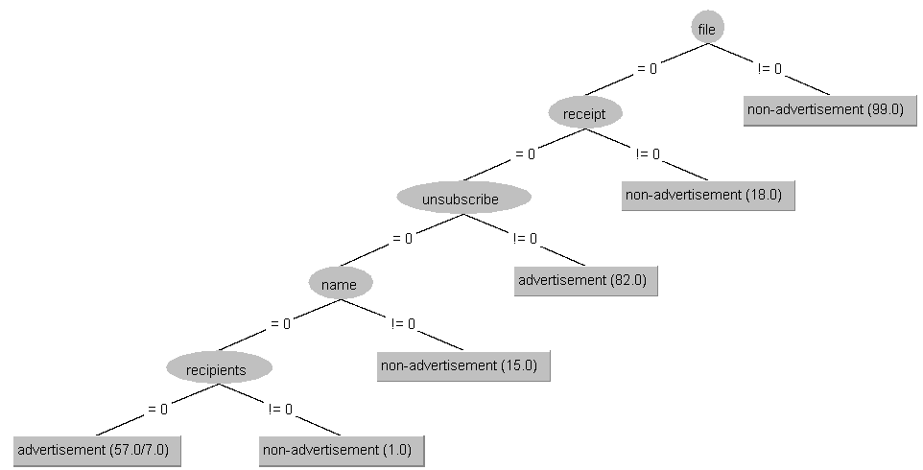

Cross-validation (binarinis ir nebinarinis tokie pat) | Supplied test set (Binarinis ir nebinarinis tokie pat)

RandomTree
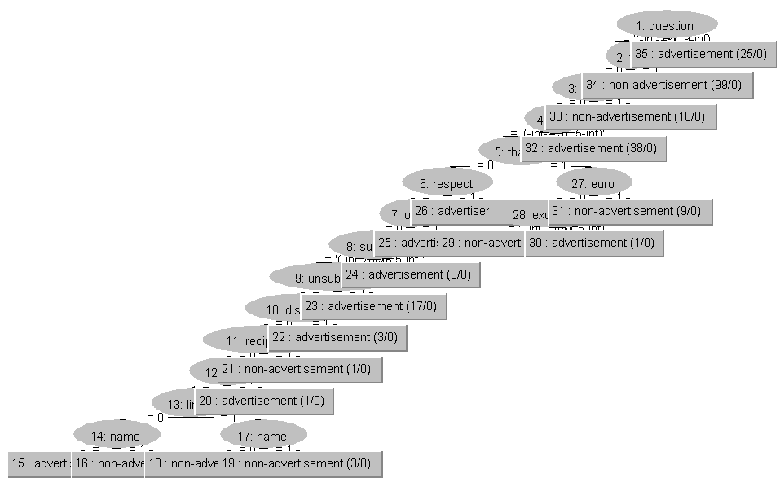
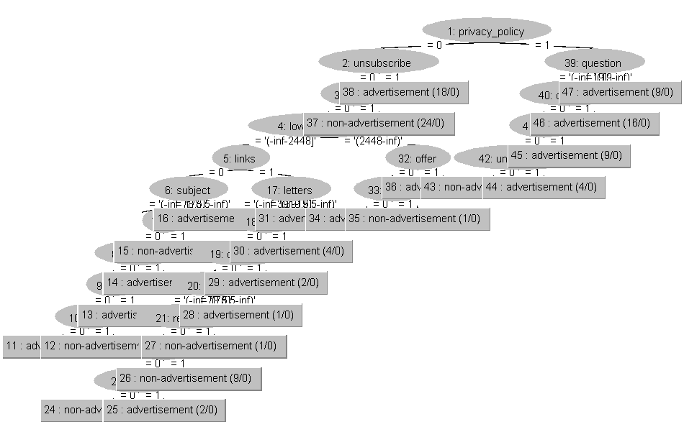
Diskretizacijos tipas: supervised.Discretize

Use training set | Percentage-split

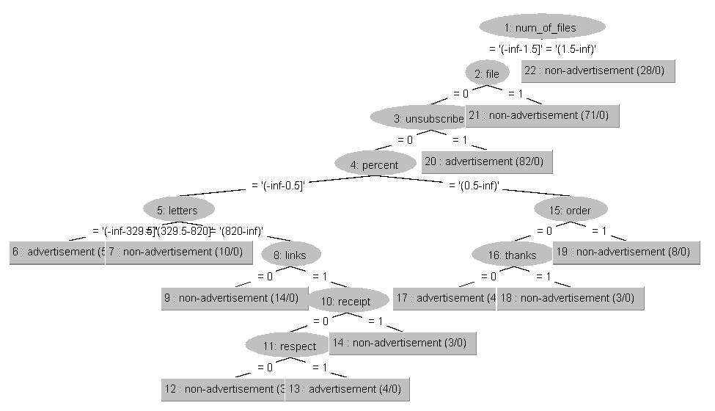
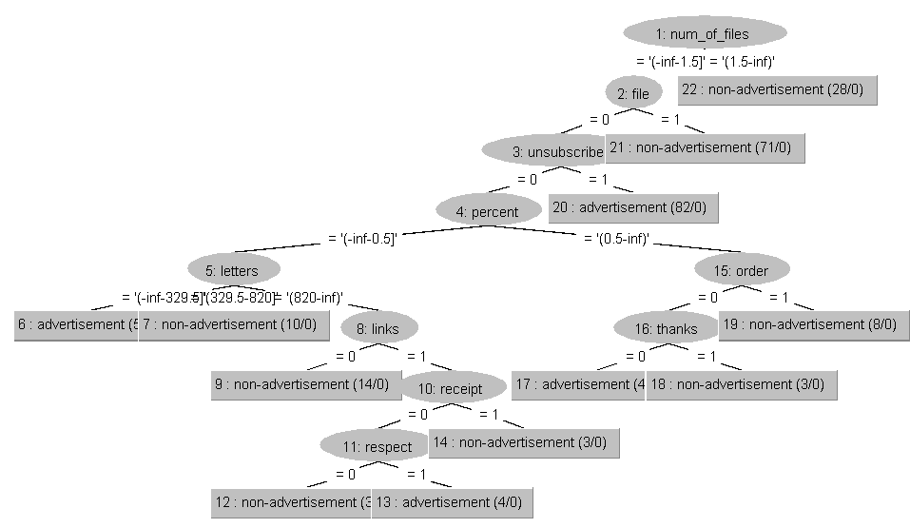

Cross-validation | Supplied test set

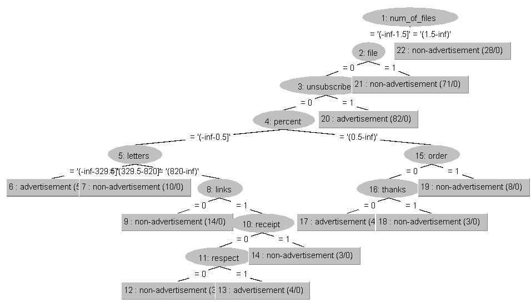
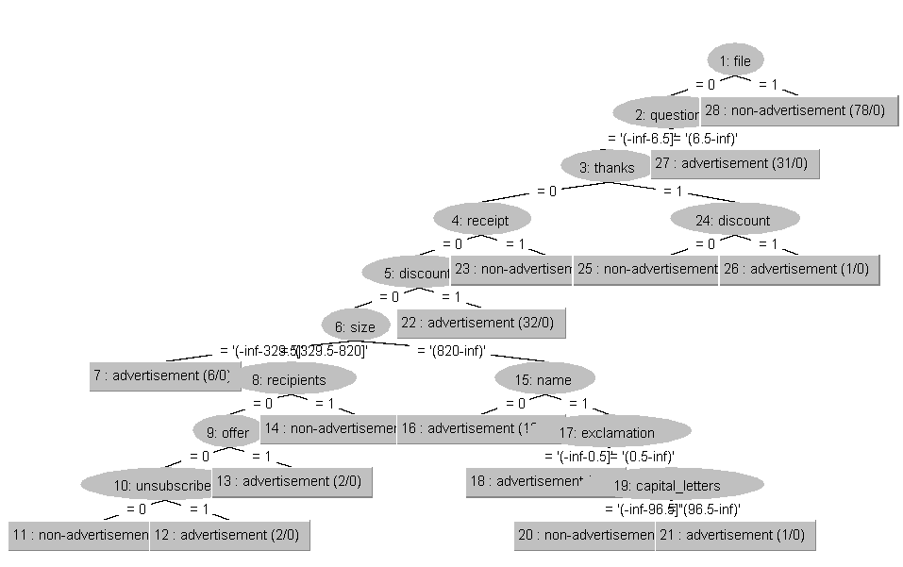

Diskretizacijos tipas: unsupervised.Discretize (2)

Use training set | Percentage-split


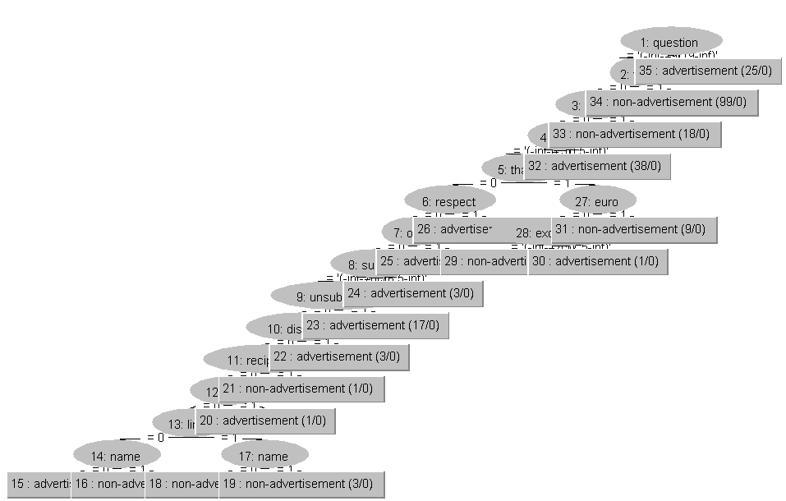

Cross-validation | Supplied test set

REPTree
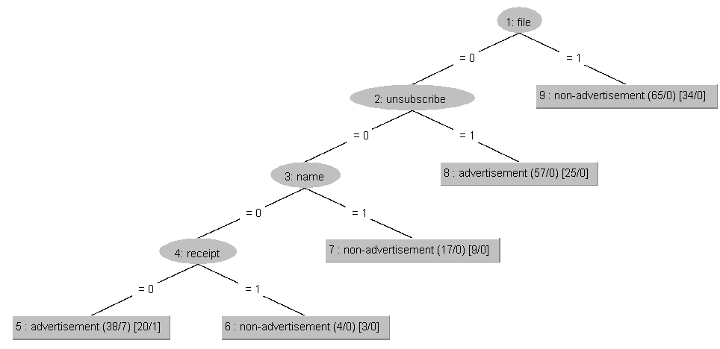
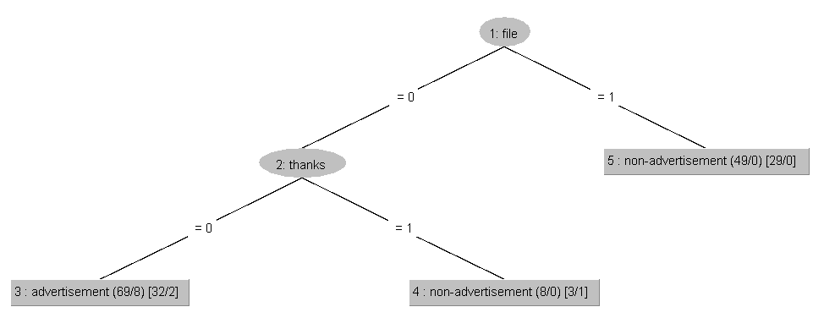
Diskretizacijos tipas: supervised.Discretize

Use training set | Percentage-split

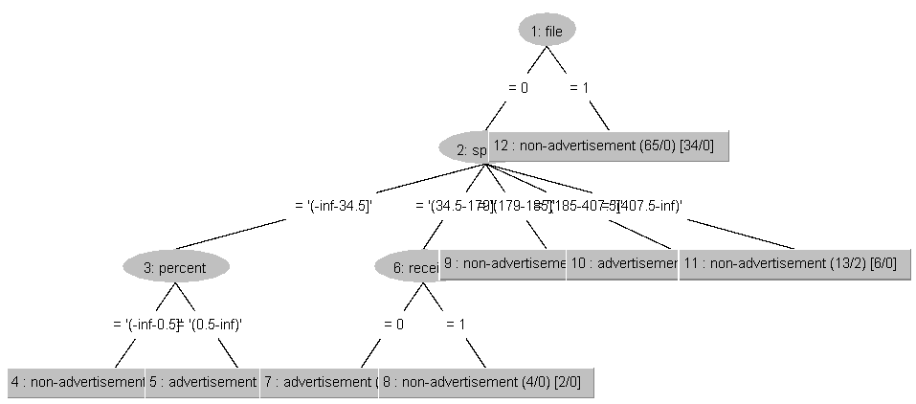

Cross-validation | Supplied test set

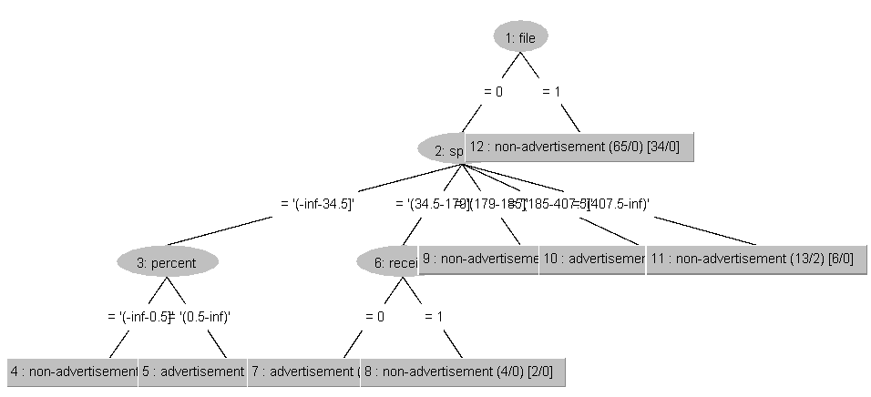
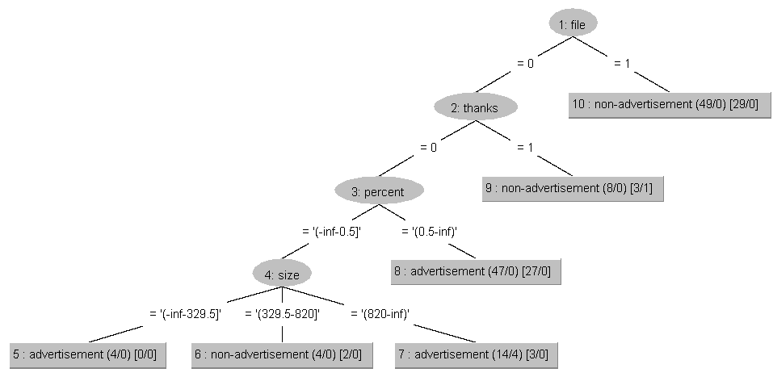

Diskretizacijos tipas: unsupervised.Discretize (2)


 | Percentage-split
Use training set



Cross-validation | Supplied test set

JRip


Diskretizacijos tipas: supervised.Discretize

Use training set | Percentage split



Cross-validation | Supplied test set


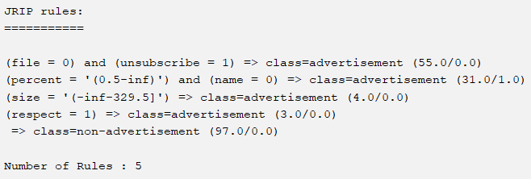

Diskretizacijos tipas: unsupervised.Discretize (2)

Use training set | Percentage split



Cross-validation | Supplied test set

ZeroR


Diskretizacijos tipas: supervised.Discretize | Diskretizacijos tipas: unsupervised.Discretize (2)

ZeroR predicts class value: non-advertisement | ZeroR predicts class value: non-advertisement

Use training set | Use training set



Cross-validation | Cross-validation



Percentage split | Percentage split



Supplied test set | Supplied test set

