predict
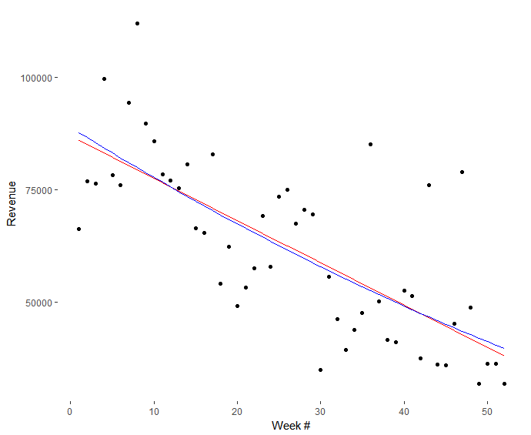
Task: Based on the data from 2017, generate the revenue forecast for year 2018 (please limit your efforts to a max of 2hrs) |  |  |  |  |  |  |  |  |  | regresion
Year | Week # | Month | Revenue | Weekly Active Customers | weekly Payers | weekly Conversion | Weekly Active Users | weely Average Revenue per paying user | weely Average Revenue per customer | week | predict
2017 | 1 | Jan | $66,242.95 | 11218 | 840 | 0.03 | 26085 | 35.75 | 2.68 | 1 | 38913.54
2017 | 2 | Jan | $76,947.98 | 11095 | 985 | 0.04 | 25459 | 35.41 | 3.15 | 2 | 38187.47
2017 | 3 | Jan | $76,406.13 | 10958 | 1025 | 0.04 | 25008 | 33.81 | 3.16 | 3 | 37469.42
2017 | 4 | Jan | $99,650.76 | 10859 | 1050 | 0.04 | 24646 | 43.04 | 4.16 | 4 | 36759.38
2017 | 5 | Jan/Feb | $78,204.89 | 10893 | 1208 | 0.05 | 24782 | 29.35 | 3.26 | 5 | 36057.36
2017 | 6 | Feb | $76,058.80 | 10889 | 1020 | 0.04 | 24775 | 33.80 | 3.16 | 6 | 35363.36
2017 | 7 | Feb | $94,428.16 | 10786 | 1148 | 0.05 | 24572 | 37.31 | 3.97 | 7 | 34677.37
2017 | 8 | Feb | $112,018.52 | 10735 | 1340 | 0.06 | 24442 | 37.89 | 4.73 | 8 | 33999.41
2017 | 9 | Feb/Mar | $89,713.39 | 10694 | 1197 | 0.05 | 24083 | 33.99 | 3.80 | 9 | 33329.45
2017 | 10 | Mar | $85,849.26 | 10725 | 1110 | 0.05 | 24409 | 35.08 | 3.63 | 10 | 32667.52
2017 | 11 | Mar | $78,366.76 | 10586 | 962 | 0.04 | 23833 | 36.95 | 3.36 | 11 | 32013.60
2017 | 12 | Mar | $77,022.34 | 10498 | 964 | 0.04 | 23271 | 36.23 | 3.33 | 12 | 31367.70
2017 | 13 | Mar/Apr | $75,258.50 | 10488 | 1018 | 0.04 | 23285 | 33.52 | 3.26 | 13 | 30729.82
2017 | 14 | Apr | $80,724.60 | 10491 | 1034 | 0.04 | 23490 | 35.40 | 3.49 | 14 | 30099.95
2017 | 15 | Apr | $66,382.15 | 10300 | 939 | 0.04 | 23034 | 32.07 | 2.92 | 15 | 29478.10
2017 | 16 | Apr | $65,402.29 | 10205 | 869 | 0.04 | 22950 | 34.13 | 2.91 | 16 | 28864.27
2017 | 17 | Apr | $82,884.28 | 10019 | 1061 | 0.05 | 22269 | 35.40 | 3.75 | 17 | 28258.45
2017 | 18 | May | $54,047.95 | 10141 | 755 | 0.03 | 22836 | 32.46 | 2.42 | 18 | 27660.65
2017 | 19 | May | $62,268.64 | 10077 | 976 | 0.04 | 22297 | 28.93 | 2.80 | 19 | 27070.87
2017 | 20 | May | $49,020.32 | 9920 | 682 | 0.03 | 21912 | 32.57 | 2.24 | 20 | 26489.11
2017 | 21 | May | $53,140.64 | 9832 | 862 | 0.04 | 21782 | 27.97 | 2.45 | 21 | 25915.36
2017 | 22 | May/Jun | $57,479.05 | 9813 | 781 | 0.04 | 21883 | 33.38 | 2.66 | 22 | 25349.63
2017 | 23 | Jun | $69,136.29 | 10014 | 929 | 0.04 | 23748 | 33.74 | 3.13 | 23 | 24791.92
2017 | 24 | Jun | $57,784.21 | 9815 | 853 | 0.04 | 22934 | 30.72 | 2.67 | 24 | 24242.22
2017 | 25 | Jun | $73,497.38 | 9714 | 910 | 0.04 | 22827 | 36.62 | 3.43 | 25 | 23700.54
2017 | 26 | Jun | $74,946.08 | 9633 | 839 | 0.04 | 22096 | 40.51 | 3.53 | 26 | 23166.88
2017 | 27 | Jul | $67,377.43 | 9661 | 855 | 0.04 | 22722 | 35.74 | 3.16 | 27 | 22641.23
2017 | 28 | Jul | $70,592.25 | 9487 | 931 | 0.04 | 21839 | 34.38 | 3.37 | 28 | 22123.60 | regresion formula
2017 | 29 | Jul | $69,424.67 | 9699 | 999 | 0.05 | 23446 | 31.51 | 3.25 | 29 | 21613.99 | y=a*x^2+b*x+c
2017 | 30 | Jul | $34,864.69 | 9185 | 619 | 0.03 | 21336 | 25.52 | 1.72 | 30 | 21112.40 | c | b | a
2017 | 31 | Jul/Aug | $55,593.69 | 9390 | 657 | 0.03 | 21601 | 38.39 | 2.68 | 31 | 20618.82 | 88867.620955 | -1154.980342 | 4.008502
2017 | 32 | Aug | $46,218.57 | 9406 | 732 | 0.04 | 22421 | 28.63 | 2.23 | 32 | 20133.26
2017 | 33 | Aug | $39,228.04 | 9332 | 569 | 0.03 | 21838 | 31.28 | 1.90 | 33 | 19655.72
2017 | 34 | Aug | $43,811.77 | 9313 | 716 | 0.03 | 21575 | 27.73 | 2.13 | 34 | 19186.19
2017 | 35 | Aug/Sep | $47,541.23 | 9168 | 631 | 0.03 | 21130 | 34.18 | 2.35 | 35 | 18724.68
2017 | 36 | Sep | $85,058.48 | 9213 | 1069 | 0.05 | 21099 | 36.07 | 4.19 | 36 | 18271.19
2017 | 37 | Sep | $50,132.58 | 9030 | 682 | 0.03 | 20378 | 33.31 | 2.52 | 37 | 17825.71
2017 | 38 | Sep | $41,582.71 | 9150 | 573 | 0.03 | 21772 | 32.90 | 2.06 | 38 | 17388.25
2017 | 39 | Sep/Oct | $40,940.65 | 9086 | 596 | 0.03 | 21391 | 31.13 | 2.04 | 39 | 16958.81
2017 | 40 | Oct | $52,521.70 | 8952 | 696 | 0.04 | 20074 | 34.19 | 2.66 | 40 | 16537.39
2017 | 41 | Oct | $51,272.96 | 8831 | 685 | 0.04 | 19828 | 33.96 | 2.63 | 41 | 16123.98
2017 | 42 | Oct | $37,383.49 | 8718 | 567 | 0.03 | 20064 | 29.91 | 1.95 | 42 | 15718.59
2017 | 43 | Oct | $75,981.27 | 8906 | 810 | 0.04 | 21507 | 42.54 | 3.87 | 43 | 15321.21
2017 | 44 | Oct/Nov | $36,001.44 | 8571 | 470 | 0.02 | 20006 | 34.75 | 1.90 | 44 | 14931.86
2017 | 45 | Nov | $35,776.53 | 8792 | 563 | 0.03 | 20180 | 28.83 | 1.85 | 45 | 14550.52
2017 | 46 | Nov | $45,040.11 | 8636 | 609 | 0.03 | 19715 | 33.56 | 2.37 | 46 | 14177.20
2017 | 47 | Nov | $78,881.86 | 8677 | 1077 | 0.06 | 20678 | 33.21 | 4.12 | 47 | 13811.89
2017 | 48 | Nov/Dec | $48,713.80 | 8613 | 647 | 0.03 | 19707 | 34.11 | 2.57 | 48 | 13454.60
2017 | 49 | Dec | $31,772.29 | 8746 | 444 | 0.02 | 20440 | 32.45 | 1.65 | 49 | 13105.33
2017 | 50 | Dec | $36,274.40 | 8706 | 612 | 0.03 | 19497 | 26.87 | 1.89 | 50 | 12764.08
2017 | 51 | Dec | $36,274.40 | 8615 | 544 | 0.03 | 19271 | 30.23 | 1.91 | 51 | 12430.84
2017 | 52 | Dec | $31,740.10 | 8615 | 544 | 0.03 | 19271 | 26.45 | 1.67 | 52 | 12105.62

