Image Req
Extract from NBN-NO-GDE-0024 (V0.02 Draft)
The Information contained in the latest CNI document (when updated) will supersede this Excel document. It is the contractors responsibility to ensure the latest version (with respect to photo quality & specifications) is used, this should be checked regularly and is available on Sharepoint at the link below.
QA Process and Work Instructions
3.2 Image Quality |  | Figure 1 – Acceptable and Unacceptable Images
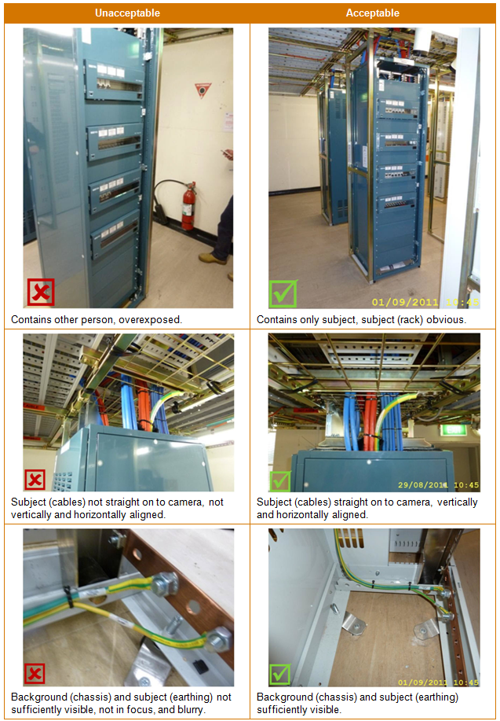
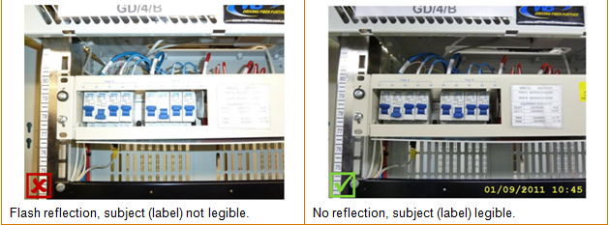
All photographs must have a specific subject, for example, a label attached to a rack or installation of the trays inside the racks. The subject of all photographs should be:

· In focus
· Obvious, large enough to see, and with sufficient background for identification purposes
· Not shadowed or obscured by other objects
· Not containing persons or other subjects
· Sufficiently illuminated, preferably with ambient light
· Straight on to the camera
· Vertically and horizontally aligned with the photograph edges
· Legible, particularly if containing text such as labels and serial numbers
A sufficient quantity of the background to the subject must also be visible to identify it, for example, the cable to which a label is attached, or racks in which the cable trays are installed. A visible stamp must also be included to show the date and time of the photograph.

Contractors must supply digital photograph files which conform to Table 1 – Digital Photograph Specification below. For information about parameters in the table, see Appendix A – Key Terms.

Parameter | Specification
Image Size | 1024 x 768 pixels
Image Resolution | 72 dpi horizontal and vertical
Image Bit Depth | 24 bits
Image Aspect Ratio | 4:3 (horizontal rectangle) – all items except rack
 | 3:4 (vertical rectangle) – all racks
File Size | Less than 500 kb
File Format | JPEG
File Name | As specified in section 3.3 Image Naming PhotosTab
File (Exif) information | Correct date and time included.
 | Latitude and longitude included if the Global Positioning System (GPS) signal available.*

Visible time/date stamp | Included
GPS Metadata | Included (only for site access photographs) *
 | * Not Required for eNodeB or Core Network site pictures.
Table 1 – Digital Photograph Specification
A digital camera with the specifications summarised in Table 2 – Camera Recommendation is recommended to take the photographs. Larger and more complex cameras with separate lenses are not required.

Parameter | Recommendation
Format | Digital camera (compact model recommended)
Resolution | At least 3 megapixels
Flash | Required
GPS Tagging | Enabled

Table 2 – Camera Recommendation
Use the following good practices to help ensure good image quality:
· Ensure the battery is kept charged and a spare battery or charger taken on site so that photographs can be taken during installation without requiring a return visit.

· Ensure the memory card has sufficient space and/or take a spare memory card.
· Keep the lens clean.
· Do not shoot into bright light.
· Use available anti-shake settings and keep the camera steady.
· Use spot focus for small subjects, and area focus for larger subjects to ensure the subject is always in focus.
· Use macro or close-up setting for close or small subjects.
· Use natural light in preference to flash where possible.
· Set the correct light setting such as daylight or fluorescent and take an initial test photo before taking a series of photos in the same light conditions.

· Review each image after it is taken to ensure it is of sufficient quality.
· During long installation procedures, either periodically take photographs or use a checklist to ensure that no required subject is missed.

· Photograph a labelled subject at the beginning of a series of photographs to confirm its identity, or photograph a written sign if the item is not labelled.

Avoid the following problems, some of which are shown in Figure 1 – Acceptable and Unacceptable Images:
· Over exposure – image too light or “washed out”.
· Under exposure – image too dark or obscured.
· Flash reflections – from shiny items such as metal or glass.
· Incorrect colour balance – due to wrong setting such as fluorescent light setting in daylight, or daylight setting in fluorescent light.

· Pixellation – may be caused by use of digital rather than optical zoom.
· Fluorescent light artefacts – lines or bars due to light strobe frequency.

