Main Tests Monthly
Tabel 12 |  |  |  |  |  |  |  |  | Jan 2002 - Feb 2024 | Jan 2002 - Dec 2012 | Jan 2013 - Feb 2024
 |  |  |  |  |  |  |  | Raw | 0.5045% | 0.6274% | 0.3834%
Panel A: Sort by Comove, Controlling for Beta |  |  |  |  |  |  |  | CAPM | 0.5638% | 0.6428% | 0.5052%
 |  |  |  |  |  |  |  | 3F | 0.6226% | 0.7524% | 0.5038%
 | Jan 2002 - Feb 2024 |  | Jan 2002 - Dec 2012 |  | Jan 2013 - Feb 2024 |  |  | 4F | 0.4510% | 0.6704% | 0.0582%
 | Raw | Carhartt Alpha | Raw | Carhartt Alpha | Raw | Carhartt Alpha |  | 4F + QMJ | 0.7085% | 1.0388% | 0.0888%
 |  |  |  |  |  |  |  | 4F + BAB | 0.4518% | 0.6833% | 0.0581%
Low comove | 0.2764% | 0.1603% | 0.0755% | -0.0393% | 0.4743% | 0.3401% |  | 4F + Carry | 0.5725% | 0.7825% | -0.1730%
2 | 0.5727% | 0.4396% | 0.4471% | 0.3381% | 0.6963% | 0.4579% |  | 4F + Seasonality | 0.6451% | 0.8425% | 0.3054%
3 | 0.5961% | 0.4449% | 0.5456% | 0.4725% | 0.6458% | 0.2880% |  | 4F + UMD_Trend | 0.5752% | 0.6699% | 0.3029%
4 | 0.7252% | 0.6208% | 0.7090% | 0.6635% | 0.7412% | 0.4361% |  | 4F with HML_Devil | 0.7492% | 0.9826% | 0.3377%
High comove | 0.7809% | 0.6113% | 0.7029% | 0.6311% | 0.8577% | 0.3984% |  | 5F | 0.8821% | 1.0597% | 0.6505%

High-Low | 0.5045% | 0.4510% | 0.6274% | 0.6704% | 0.3834% | 0.0582%
Significance |  | * |  | *
Annualized | 6.0539% | 5.4119% | 7.5292% | 8.0443% | 4.6007% | 0.6986%
P-value | 0.1441 | 0.0904 | 0.2088 | 0.0849 | 0.4224 | 0.8493

Panel B: Other Factor Models

 | Jan 2002 - Feb 2024 |  | Jan 2002 - Dec 2012 |  | Jan 2013 - Feb 2024 |  | Available
 | Alpha | Annualized Alpha | Alpha | Annualized Alpha | Alpha | Annualized Alpha
Raw | 0.5045% | 6.0539% | 0.6274% | 7.5292% | 0.3834% | 4.6007% | Jan 2002 - Feb 2024

CAPM | 0.5638% | 6.7651% | 0.6428% | 7.7132% | 0.5052% | 6.0619% | Jan 2002 - Feb 2024
 | *** |  | ** |  | *
3F | 0.6226% | 7.4717% | 0.7524% | 9.0291% | 0.5038% | 6.0461% | Jan 2002 - Feb 2024
 | *** |  | *** |  | **
4F | 0.4510% | 5.4119% | 0.6704% | 8.0443% | 0.0582% | 0.6986% | Jan 2002 - Feb 2024
 | * |  | *
4F + QMJ | 0.7085% | 8.5024% | 1.0388% | 12.4651% | 0.0888% | 1.0656% | Jan 2002 - Feb 2024
 | ** |  | ***
4F + BAB | 0.4518% | 5.4214% | 0.6833% | 8.1992% | 0.0581% | 0.6977% | Jan 2002 - Dec 2016
 | * |  | *
4F + Carry | 0.5725% | 6.8702% | 0.7825% | 9.3899% | -0.1730% | -2.0758% | Jan 2002 - Dec 2016
 | * |  | **
4F + Seasonality | 0.6451% | 7.7416% | 0.8425% | 10.1095% | 0.3054% | 3.6650% | Jan 2002 - Dec 2016
 | ** |  | **
4F + UMD_Trend | 0.5752% | 6.9026% | 0.6699% | 8.0392% | 0.3029% | 3.6352% | Jan 2002 - Dec 2016
 | * |  | *
4F with HML_Devil | 0.7492% | 8.9905% | 0.9826% | 11.7915% | 0.3377% | 4.0529% | Jan 2002 - Feb 2024
 | ** |  | ***
5F | 0.8821% | 10.5857% | 1.0597% | 12.7163% | 0.6505% | 7.8064% | Jan 2002 - Feb 2024
 | *** |  | *** |  | ***

Weighted Monthly
Tabel 12 |  |  |  |  | Jan 2002 - Feb 2024 | 0 | 0
 |  |  |  | Raw | 0.5800% | 0.0000% | 0.0000%
Panel A: Sort by Comove, Controlling for Beta |  |  |  | CAPM | 0.6330% | 0.0000% | 0.0000%
 |  |  |  | 3F | 0.6796% | 0.0000% | 0.0000%
 | Jan 2002 - Feb 2024 |  |  | 4F | 0.4511% | 0.0000% | 0.0000%
 | Raw | Carhartt Alpha |  | 4F + QMJ | 0.7142% | 0.0000% | 0.0000%
 |  |  |  | 4F + BAB | 0.4630% | 0.0000% | 0.0000%
Low comove | 0.3532% | 0.2852% | 10000 bootstraps | 4F + Carry | 0.5073% | 0.0000% | 0.0000%
2 | 0.6169% | 0.5546% |  | 4F + Seasonality | 0.0056% | 0.0000% | 0.0000%
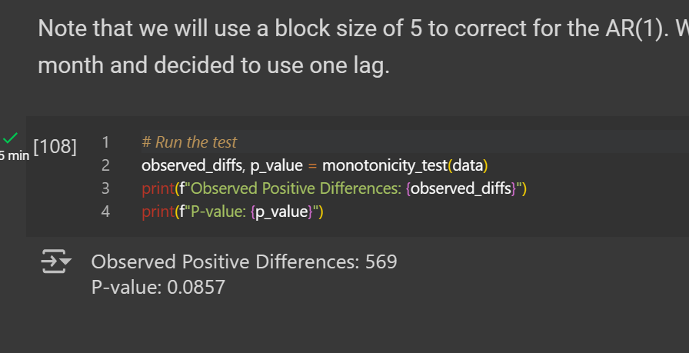
3 | 0.6953% | 0.6587% |  | 4F + UMD_Trend | 0.5136% | 0.0000% | 0.0000%
4 | 0.8135% | 0.7866% |  | 4F with HML_Devil | 0.0070% | 0.0000% | 0.0000%
High comove | 0.9305% | 0.7364% |  | 5F | 0.9246% | 0.0000% | 0.0000%

High-Low | 0.5773% | 0.4511%
Significance |  | *
Annualized | 6.9276% | 5.4135%
P-value | 0.06782 | 0.0847

Panel B: Other Factor Models

 | Jan 2002 - Feb 2024
 | Alpha | Annualized Alpha
Raw | 0.5800% | 6.9600%
 | *
CAPM | 0.6330% | 7.5962%
 | ***
3F | 0.6796% | 8.1546%
 | ***
4F | 0.4511% | 5.4135%
 | *
4F + QMJ | 0.7142% | 8.5709%
 | ***
4F + BAB | 0.4630% | 5.5554%
 | *
4F + Carry | 0.5073% | 6.0880%

4F + Seasonality | 0.0056% | 0.0678%
 | *
4F + UMD_Trend | 0.5136% | 6.1634%

4F with HML_Devil | 0.0070% | 0.0843%
 | **
5F | 0.9246% | 11.0951%
 | ***

