Welcome
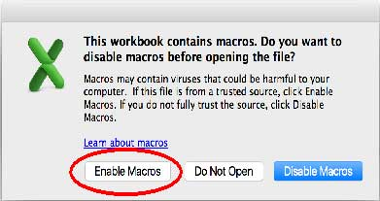
Thank you for using Walmart Price and Promotions Template

**You are seeing this message because your macros are disabled**

Walmart Price and Promotions Template uses macros to validate your data. This ensures that you will see fewer or no errors after uploading your file to Walmart.

When you opened this worksheet, you clicked on "Disable Macros". Depending on version of excel you are using, you may have been presented with "Enable Editing", "Enable Content", "Enable Macros".

How to enable Macros?
Please close this excel and re-open it. When presented with the macros pop-up, please click on "Enable Macros". Depending on version of excel, please click on "Enable Macros", "Enable Editing" or "Enable Conent".

Instructions & Definitions
Price & Promotions Bulk Update Instructions
Introduction

This Excel template is designed for updating prices and promotions in bulk through the Seller Center. If you do not want to set up promotions, you can leave the promotions sections blank. The workbook uses macros to validate your entries. It is highly recommended that you leave macros enabled while working on the spreadsheet. If you disable macros prior to uploading, you should save your changes, close the worksheet, reopen it with macros turned on and run the validations.

For more details on the attributes you need to fill out in this Excel workbook, refer to the online Knowledge Base articles:
Updating Your Pricing Through The Seller Center
Improve Price Parity
Understanding Promotional Pricing
Creating Promotional Pricing In The Seller Center Via Excel Bulk Upload

** NOTE: Do not delete any columns in the Excel. You can hide columns if necessary. **

Walmart macros are supported by the following PC or Mac Excel versions:
• Mac: 2011 Excel 14.0 (part of Office 2011) • Mac: 2015 Excel 15.0 (part of Office 2016) • PC: Excel 2010 (v14) (part of Office 2010) • PC: Excel 2013 (v15) (part of Office 2013) • PC: Excel 2016 (v16) (part of Office 2016)

Walmart Toolbar

Depending on the version of Excel that you are using, you will see a Walmart Toolbar as shown below:

The toolbar's buttons do the following:
• View Knowledge Base – Takes you to the Walmart Knowledge Base, where you can read detailed articles on item setup.
• Validate Fields – Checks the workbook for errors and highlights any errors found.

Validation Macros
After you click on Validate on the Walmart toolbar, the validate column will change colors and your cells will be highlighted in different colors based on the type of errors they contain.
• Green Validation Cell – No errors have been found in this row.
• Red Validation Cell – One or more cells in this row contain an error. The cell with an error will be highlighted in the following colors:
• Gray – Cell contains invalid data. Choose an option from the dropdown.
• Blue – Sheet contains duplicate SKU. Delete or correct one of the SKUs.
• Salmon – This cell is required based on the other information provided. Please fill it in.

** NOTE: The macros will help identify and eliminate common errors, but they will not verify the accuracy of your data or prevent system errors. **

Entering Data

Data Definitions

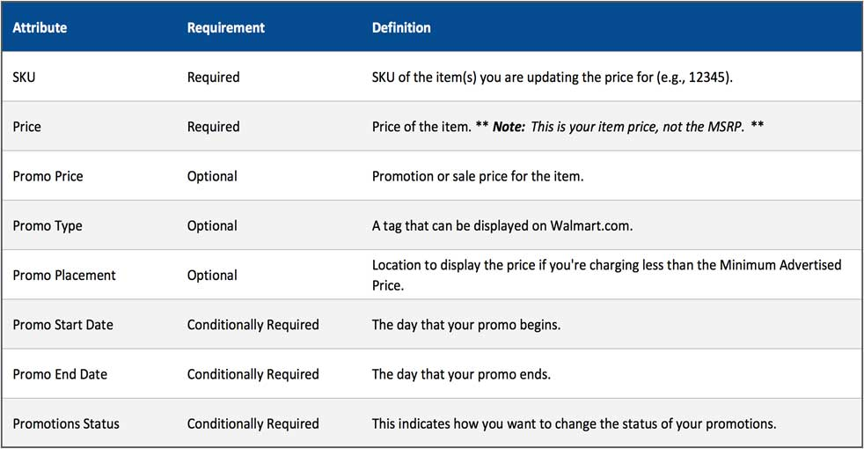

Update Price
If you would like to update price but not create a promotion, you can fill out SKU and Price only. Leave all promotion-related sections blank. When you upload your file in the Seller Center, make sure to select Price Updates from the pop-up menu.

Creating Promotions
To set up a promotion, enter your Promo Price after you have filled out the SKU and the Price. Note that your Promo Price will be the Price for the duration of the promotion, and the Price may be displayed for comparison during the promotion. This will automatically set the Promotions Status to Active. Provide the Promo Start Date and Promo End Date, making sure that the Start Date is earlier than the End Date. If desired, fill in the optional attributes listed below.

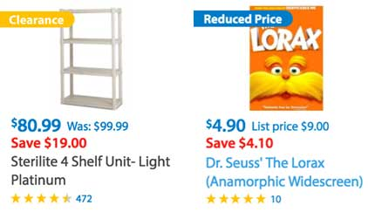
Promo Type is an attribute that allows for a flag on your item with the word "Clearance" or "Reduced". If you leave this blank, your item will publish with no flag. If Walmart customers can find the same item for the same price or less on another marketplace, you should leave this attribute blank.
• Clearance: This type should be used only when you're trying to clear out your inventory by significantly reducing the price. For example, when an item has been discontinued.
• Reduced: This type should be used if savings are greater than $5 for items that cost more than $100, or 5% for items less than $100.
• Base: This isn't a flag, but is a feature that allows you to delete a promotion that is currently active. Follow the instructions below to use this feature.

Promo Placement is an attribute you should only use when you are selling your items for less than the Minimum Advertised Price.
• MAP - Cart: This placement will prevent the price from being displayed until a customer has put the item in their cart.
• MAP - Checkout: This placement will prevent the price from being displayed until a customer has begun the checkout process.

When you upload your file in the Seller Center, make sure to select Promotional Price Updates. If you select Price Updates, your prices will update but your promotions will not. If you accidentally select Price Updates, simply upload the file again and select Promotional Price Updates.

Planning Multiple Promotions
If you would like to schedule multiple promotions, you can use the additional promotion columns. You can schedule up to 5 promotions at a time. Ensure that the dates of your promotions do not overlap. If any of your promotions overlap, you will not be allowed to set them up.

If you realize you would like to create a new promotion after you've submitted an older promotion for an item, you should create that new promotion in the next slot (e.g., Promotion 2) and make sure to leave the first promotion in its slot (e.g., Promotion 1). Submitting a file with the Promotions Status as Active will wipe all previous promotions, so you must include all previous promotions in future uploads unless you want them to be deleted.

Changing Promotions
Walmart will not keep track of your promotions. If you've previously planned promotions and you want to change them, just upload a new Excel with the promotions you want and the Promotions Status set to Active. This will wipe and replace the previous promotions. If you change some promotional cells but the Promotions Status is not Active, your promotions will not update.

Deleting Promotions
If you would like to delete planned promotions, set the Promotions Status to Delete All. This will wipe and replace the previous promotions. If you delete the contents of the promotional cells but do not select Delete All, your promotions will not be deleted.

If you would like to delete a promotion that is currently live, set the Promo Type to Base and set the Promo Price equal to the Price. This will cause both cells to be gray. Upload this file and your current promotion will effectively cease because the prices are the same. You can later reupload the file with the promotions you want to set for future dates. However, you cannot upload a promotion that overlaps the promotion you've inactivated. Exercise caution when setting up promos to verify that the dates are correct before the promo goes live. The screenshot below indicates how you would inactivate a promotion currently running.

