Bug
Bug_001
Priority | Minor
Severity | Medium
Summary: | Error message does not show when inputting special characters into the Search field.
Steps:
 | 1. Open https://openweathermap.org
 | 2. Click on Search field
 | 3. Type several special characters (&*&)
 | 4. Press Enter key
Expected result: | An error message should be shown as "Not found".
Actual result: | Error message does not show.
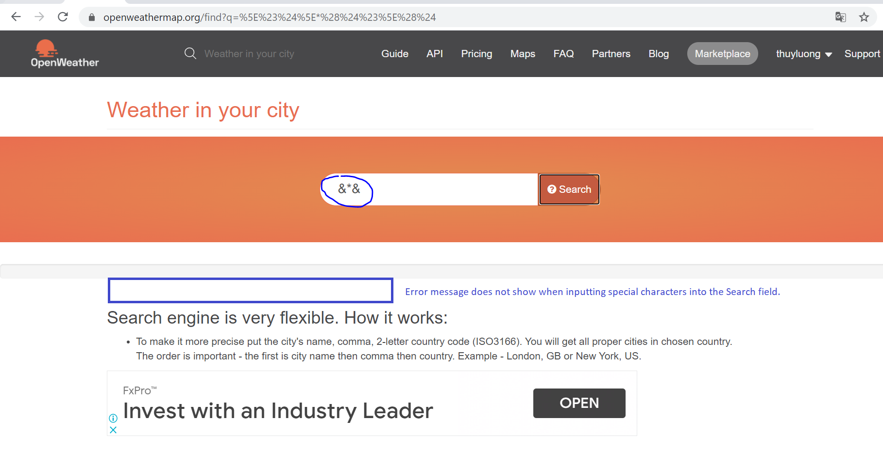
Screenshot:

