REQUIREMENT MATRIX
MAP SYSTEM - STATEMENT OF REQUIREMENTS
MAP SYSTEM - STATEMENT OF REQUIREMENTS

REQUIREMENT INFORMATION

ID | FUNCTIONAL/NON-FUNCTIONAL | CATEGORY | REQUIREMENT | PRIORITY | SOURCE | BUSINESS OBJECTIVE
REQ-001 | Non-Functional - Useability | Mandatory | Reliability | Medium | ICT | Must have 24/7 availability with 99.99% uptime.
REQ-002 | Non-Functional - Useability | Mandatory | Availability | Medium | ICT | Must be hosted in Australia and remain within Australian legal jurisdiction.
REQ-003 | Non-Functional - Useability | Mandatory | Resilience | Medium | ICT | Must demonstrate ability to recover from outages.
REQ-004 | Non-Functional - Performance | Mandatory | Adherence to Pre-Defined Response Times | High | ICT | Should have ability to perform within pre-defined response times depending on function.
REQ-005 | Non-Functional - Performance | Mandatory | Simultaneous users | High | ICT | Must have ability to handle expected volumes for simultaneous users or logins (approx. 30 simultaneous).
REQ-006 | Non-Functional - Performance | Should have | Response time | High | ICT | The solution should be able to respond to requests within 1 second, and provide sub-second initial load times.
REQ-007 | Non-Functional - Performance | Should have | Publication time | High | ICT | The solution should ensure that documents are discoverable within one minute of being published.
REQ-008 | Non-Functional - Security | Mandatory | Role based access controls | High | ICT | Should have ability to set roles based access controls based on segregation of duties and ensure access levels are based on 'least privilege' to ensure use is within the scope of the users' roles/responsibilities
REQ-009 | Non-Functional - Security | Mandatory | Security mechanisms for data transmission | High | ICT | Must support industry standard security mechanisms for data transmission
REQ-010 | Non-Functional - Security | Mandatory | Legal and regulatory requirements | High | ICT | Must comply with all Australian legal and regulatory requirements
REQ-011 | Non-Functional - Security | Mandatory | Cybersecurity - E8 Strategies | High | ICT | Must comply with the Essential Eight strategies to mitigate cyber security incidents as promoted by the Australian Signals Directorate (ASD)
REQ-012 | Non-Functional - Security | Mandatory | Support FWC's Internet Security policies | High | ICT | Must support FWC's Internet Security policies for staff and customers
REQ-013 | Non-Functional - Security | Mandatory | Federated Authentication and Authorisation | High | ICT | Must be able to federate to FWC's Authentication and Authorisation capability to enable FWC to maintain a single customer identify across all systems for SSO
REQ-014 | Non-Functional - Security | Mandatory | Monitoring and Logging for Audits | High | ICT | Must have ability to monitor the activity of users and maintain logs of key events for audit purposes
REQ-015 | Non-Functional - Security | Mandatory | Configurable RBAC | High | ICT | The solution must include role-based access controls that can be configured by FWC to regulate users’ and administrators’ access to information and system functionality.
REQ-016 | Non-Functional - Security | Mandatory | Encryption in transit | High | ICT | The solution must encrypt information in transit using ASD Approved Cryptographic Protocols (AACPs) and cipher suites.
REQ-017 | Non-Functional - Security | Mandatory | Encryption at rest | High | ICT | The solution must encrypt information at rest using ASD Approved Cryptographic Algorithms (AACAs).
REQ-018 | Non-Functional - Security | Mandatory | Audit Capability | High | ICT | The business must, at any time, be able to access audit capability of all system and business functions; • Viewing, creation, update, deletion of records. • The before and after values when data is changed. • Logins and unauthorised attempts. • Date and time of the event. • User who performed the event.
REQ-019 | Non-Functional - Security | Mandatory | Vendor access to FWC resources | High | ICT | Vendor secured privileged environment for access, or to use FWC's privileged environment for access
REQ-020 | Non-Functional - Security | Should have | Security Compliance | High | ICT | Vendor has obtained a relevant security certification, eg IRAP/ISO
REQ-021 | Non-Functional - Security | Nice to have | Security Compliance | High | ICT | Solutions will comply with ASD's Blueprint for Secure Cloud where possible
REQ-022 | Functional - Reporting | Should have | Standard Reporting | High | ICT | The organisation must be able to generate its own user-configurable reports based on criteria specified by the user, to the data-field level. The reporting should be in PowerBI. The solution should provide an extensive range of charting. The reports should be exportable in a range of formats (as an Administrator) such as Excel, CSV, HTML, JSON, XML and PDF, and be able to be downloaded, shared, or sent via email. There should also be permissions applied to reduce the ability of exporting from the system to administrators.
REQ-023 | Non-Functional - Service Management | Mandatory | Vendor Technical Support | High | ICT | The Supplier is to provide ongoing support for the platform for during the Contract Period.
REQ-024 | Non-Functional - Security | Mandatory | Vendor Technical Support | High | ICT | The Supplier is to provide regular security patching to ensure the confidentiality, integrity and availability of FWC data is maintained within the solution.
REQ-025 | Non-Functional - Service Management | Mandatory | Data Recovery | High | ICT | The platform will maintain suitable facilities to accommodate for data retention, disaster recovery, full configuration and data back-ups and restoration.
REQ-026 | Non-Functional - Delivery | Mandatory | Design & Architecture | High | ICT | Develop and provide detailed system and implementation documentation to support the underlying design and operations of the platform, including but not limited to: •High-level solution design document •High-level solution architecture diagram •Detailed design document •Integration architecture diagram •System, application, and data integration document •Detailed launch and implementation plans
REQ-027 | Non-Functional - Service Management | Mandatory | Service Level Agreement | High | ICT | Ability to provide on-going support and a recovery process from a cyber security event with clearly defined Service Level Agreements (SLAs) and Incident Response Plans, including an emergency contact.
REQ-028 | Non-Functional - Product Related | Mandatory | Ongoing Support | High | ICT | The Successful Tenderer will be required to provide ongoing support and updates for the proposed solution during the Contract term.
REQ-029 | Non-Functional - Product Related | Mandatory |  | High | ICT | Provide an on-going support plan to allow for unplanned outages, feature & function enhancements and scheduled maintenance including notifications and prioritisation
REQ-030 | Non-Functional - Delivery | Mandatory | Vendor must have capability in understanding payroll calculations and formulas | High | Business | The system is heavily dependent on the output of rates being accurate.
REQ-031 | Non-Functional - Delivery | Mandatory | Training | High | ICT | Provision of ongoing training and support arrangements; including but not limited to training materials, courses (self-directed or otherwise), and request logging during the Contract Period
FUNCTIONAL - CORE SYSTEM
REQ-032 | Functional - Architechture | Mandatory | Foundational systems | High | ICT | Base architecture must be based on Microsoft 365 Stack and Dynamics 365
REQ-033 | Functional - Architechture | Mandatory | Modular Extensibility | High | ICT | Additional components and features should be developed in a modular way in that they can be used by other applications and services outside of the scope of this project. Microservices architectures are an acceptable methodology to use in this instance
REQ-034 | Functional - Architechture | Mandatory | Document Storage | High | ICT | All Award documents must be securely stored within the core system. Product should provide capabilities in line with Enterprise Document Management systems
REQ-035 | Functional - Interface | Mandatory | Homepage of the MAPD must present users with a list of all awards currently stored within the system, with the following data fields: • Award code • Award title • Priority • Template setting | High | Business | Ensure organisation has easy access to the awards from the initial system interface
REQ-036 | Functional - Processes | Mandatory | The system should include a number of action processes that are accessible via the system: - Generate Annual Wage Review - Finalise Annual Wage Review - Generate Documents in Bulk Record Decision Add New Award | High | Business | Action processes are functions that allow the user to perform actions as specified. This can be detailed during the discovery sessions
REQ-037 | Functional - Interface | Mandatory | The system should include a comprehensive search capability that allows the user to return results based on: - Query String - Dates (Singular, Range, etc) - Allowance Information - ID numbers | High | Business | Comprehensive search and sort capabilities are required within the environment
REQ-038 | Functional - Interface | Mandatory | The system should include a comprehensive search capability that allows the user to filter and sort results based any column of data displayed for that search including: - A-Z - Z-A - Smallest to Largest - Largest to Smallest - Recent to Oldest - Oldest to Recent | High | Business | Comprehensive search and sort capabilities are required within the environment
REQ-039 | Functional - Data | Mandatory | All documents must be contained within the system boundaries and include: - Document Metadata - Document Properties - Document History (Versions) - | High | Business | Document metadata and properties should be able to be updated individually and in bulk for documents that are contained within the environment
REQ-040 | Functional - Data | Mandatory | User must be able to finalise the AWR year, including, the insertion of the operative to date. | High | Business | Finalising locks down the figures for the year and prevents re-calculation of the figures after finalisation
REQ-041 | Functional - Data | Mandatory | User must be able to: • enter and manage reference data for expense allowances • enter CPI data independent of the AWR decision • view series over time • add operative from date (operative to date will automatically populate as the day before) • Rounding rule should only apply to current year's data. Previous year's data should re-round if rounding rules change in the next year • The user must be able to add new CPI groups | High | Business | When users are managing the reference data, they are inputting the operative from date. When this is assigned to the reference data, it will automatically input the operative to date for the previous data. If the expense allowance does not change, the record will keep the same operative from date. If the expense allowance changes, the new operative date will be applied and the operative to date will automatically be applied to the previous record. e.g., Inputting the operative from date as July 1, will turn all previous data as operative to June 30.
REQ-042 | Functional - Data | Mandatory | Users must be able to create an annual wage review. Following the AWR decision being handed down in June every year, an admin level user must be able to record the AWR decision via a user interface. On submitting, all base rates and associated rates will recalculate (see Chart 1 - process map for recalculation sequence). Additionally, users must be able to select from 4 possible types of increase: • No change (used if the Expert Panel decides to ‘freeze’ all modern award minimum wages. All base rates, penalties and wage-related allowances will remain unchanged). • Percentage increase (percentage increase will be applied to all classification base rates; the application of an increase must automatically recalculate penalty and wage-related allowance values) • Flat dollar increase (weekly increase will be applied directly to all ‘Weekly’ base rates. For awards with non-weekly base rates, these will be adjusted in accordance with the formulas required to convert it to annual or piece rate or other; • Tiered increase (allows user to a apply a different type of wage increase depending on which tier a classification base rate is in. For example, it may be decided to award a flat dollar increase to all wage rates up to $1000 per week, and then a percentage increase for those wage rates above that threshold. The system allows user to input multiple tiers if necessary User should have exceptional circumstances option and ability to apply a staged increase. | High | Business | 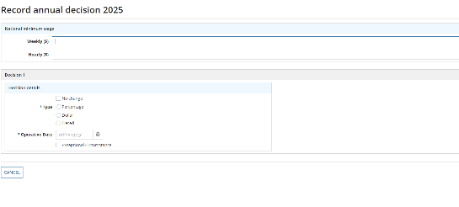 The system must be designed to allow user to increase rates across all awards or individual rates in a single award. The system must be able to calculate rates in accordance with the Decision which may be no change, percentage, a dollar increase or a combination of percentage and dollar increase. It is possible that the decision may be for a staged increase that means multiple increases with difference commencement dates. Users must have the ability to select an operative from date for the AWR change.
REQ-043 | Functional - Data | Mandatory | Users must be able to manage Penalties and all associated information shown in the tables. Within this page, users must be able to: • Search based on Classification, Clauses or Penalty description. • Input a page number to view (e.g., Jump to page 9 of 20) | High | Business | The operative from and operative to fields default to the same operative date/operative to selected for the classification. However, any dates can be overridden via the manage penalty functionality when required.
REQ-044 | Functional - Data | Mandatory | Classifications record must: • able store and edit rates and associated data • rates should be able to be increased individually or all at once in accordance with stored formulas and rounding rules • classifications record should be able to look up other records (e.g. wage and expense allowances) to calculate figures that are stored in the classifications record e.g. classification=classification1+allowance1 | High | Business | The record must accurately reflect the rates contained in each award. The rates must be able to be adjusted in accordance decisions or with the Annual Wage Review decision which may be a % increase, $ increase or combination of both. The awards contain rates that are sourced directly from classification record and others that involve calculations of other records.
REQ-045 | Functional - Data | Mandatory | Classifications record must: • able store and edit rates and associated data • rates should be able to be increased individually or all at once in accordance with stored formulas and rounding rules • classifications record should be able to look up other records (e.g. wage and expense allowances) to calculate figures that are stored in the classifications record e.g. classification=classification1+allowance1 | High | Business | The record must accurately reflect the rates contained in each award. The rates must be able to be adjusted in accordance decisions or with the Annual Wage Review decision which may be a %, $ or combination of both. The awards contain rates that are sourced directly from classification record and others that involve calculations of other records.
REQ-046 | Functional - Data | Mandatory | Wage allowances must: • link to a classification rate from the classification record via a formula (the wage allowance is a % of a classification rate ) e.g. wage allowance1 = classification1 x rate% • wage allowance record should be able to to be looked up by a classification record to calculate an 'ordinary hourly rate' e.g classification = classification1 + allowance1 • Any changes to the classification rates must flow on to and recalculate the wage allowances. | High | Business | The wage allowances are a % of a nominated classification rate in each award - the standard rate. Some awards contain all purpose allowances that must be included in a wage rate before any penalties apply.
REQ-047 | Functional - Data | Mandatory | Expense allowances must: • link to a repository of CPI values via a series ID. • when the CPI values increase the expense allowances increase via a formula • calculate an allowance via a formula that allows you to lookup other expense related allowances within the award e.g. allowance1 = allowance2 + allowance3 • expense allowance record should be able to to be looked up by a classification record to calculate an 'ordinary hourly rate' e.g classification = classification1 + allowance1 | High | Business | Expense allowances are adjusted if there is a positive movement in the relevant Consumer Price Index (CPI) value since the allowance was last adjusted.
REQ-048 | Functional - Data | Mandatory | Penalty record must: • link to a classification to apply the penalty via a formula (this may be a base rate or calculated rate from the classifications record) e.g. penalty rate = All classifications x rate% • penalty rates are usually applied to all specified classifications at once in a clause resulting in a single penalty being applied to multiple classifications • Any changes to the classification rates must flow on to and recalculate the penalty rates. | High | Business | The record must accurately reflect the rates contained in each award. Penalty rates are expressed as a percentage of the classification rates in the awards. Adjustments to wages impact the penalty rates as they connected to the classification rates.
REQ-049 | Functional - Data | Mandatory | • Rounding must be able to be applied to the the result of any formula and must be able to be edited and rates recalculated. • Rounding rules must be able to be applied to individual rate calculations. • Rounding rules should be applied only at calculation and should not re-apply to previous year's figures after those figures have been finalised. | High | Business | Rounding rules for calculations reflect the industrial history of the award. They are specific to each award and type of rate, awards can have multiple rounding rules.
REQ-050 | Functional - Data | Mandatory | Document metadata must be present to flag document statuses, and filter by that tag | High | Business | Users should be able to determine the state of a document, update the the state of a document through an award lifecycle
REQ-051 | Functional - Integration | Mandatory | System must integrate with existing services connected such as PowerBI and an external facing API (mapAPI) | High | Business
FUNCTIONAL - FORMULA LIBRARY
REQ-052 | Functional - Formula | Mandatory | Print Numbers - Ability to upload a CSV of print numbers and match the print numbers to award codes to populate the print code in determinations | High | Business | The print numbers must be able to automatically update the print code field in determinations
REQ-053 | Functional - Formula | Mandatory | Formulas - Pre determined list of formulas to perform calculations Functionality to create/edit/delete formulas from Form Lib. | High | Business | Users must be able to view and manage formulas in the library, their instances and the awards in which the instances are assigned
REQ-054 | Functional - Formula | Mandatory | Audit history of changes to records within the system | Medium | Business | Users must be able to view all change records for add/modify/create of formulas and formula instances
REQ-055 | Functional - Formula | Mandatory | For records within the system, we need to create yearly instances. (Creating the 2024 version of an award should not override the 2023 version, they should be separate instances - point in time instance of the AWR Data related to previous years/versions must be maintained and not overriden in the database | High | Business | Previous years awards must continue to display the correct values and formulas used.
REQ-056 | Functional - Formula | Mandatory | Need to be able to export (via browser download) data from all Classifications, Allowances and Penalties and associated values. This must be able to be done at any point in the year. | High | Business | Users require the ability to export via CSV/Excel a detailed list of all classifications, allowances & penalties, associated values and additional attributes stored within the system
REQ-057 | Functional - Formula | Mandatory | System must include identification numbers that persist over time (fixed Ids) for specific fields | High | Business | Details of fields that require fixed IDs will be specified within the initial discovery meetings
REQ-058 | Functional - Formula | Mandatory | Users must be able to manage classifications and all associated information shown in the tables. Users must be able to create a calculated base rate which combines the formula look-up with the manage functions. | High | Business
REQ-059 | Functional - Formula | Mandatory | Users must be able to manage Wage Allowances and all associated information shown in the tables. | High | Business
REQ-060 | Functional - Formula | Mandatory | Users must be able to manage Expense Allowances and all associated information shown in the tables. Within this page, users must be able to: • Search based on Allowance description or Clauses. • Input a page number to view (e.g., Jump to page 9 of 20 | High | Business | When applying the rounding, it must only be applied to the ‘Allowance ($)’, the ‘Allowance (last adjusted $)’ is a read only field and the rounding will not change.
REQ-061 | Functional - Formula | Mandatory | A screen must be provided for users to manage calculation formulas for: • Classifications • Wage Allowances • Expense allowances (currently done via the Manage function and only provided when there is a calculated allowance) • Penalty records | High | Business
REQ-062 | Functional - Formula | Mandatory | Classification formula records must show: • “Clause number” or “Clauses” • Clause description • Parent classification • Classification • Base rate ($) • Base rate type Formula function must enable user to • create a calculated rate thats sourced from a base rate or calculated base rate and calculated via a formula. • to edit existing calculated rates using the same criteria to create a new rate. When adding a new calculated rate user must be able to: • pick in the classification that the calculated rate is based on • select the calculated rate type (such as hourly, fortnightly ordinary hourly etc) • select a formula • Enter a rounding rule that will round the result at the selected number of digits | High | Business | The ‘calculated rate’ is distinguished from base rate as a separate field (calculated rate). Its rate is derived solely from the classification base rate (which can be either a normal or calculated base rate) to which it is attached to. Calculated rates are indirectly increased by the AWR decision as they are linked to the base rate via formula.
REQ-063 | Functional - Formula | Mandatory | Wage allowance formula records must show: • “Clause number” or “Clauses” • Allowance description • All purpose? • Standard rate • Rate • Rate unit • Allowance (%) • Payment frequency • Formula • Rounding rule Users must be able to: • Edit an allowance to select a formula • Enter a rounding rule that will round the result at the selected number of digits Users must be able to search/filter for records by: • Allowance description • Payment frequency • Clause ID | High | Business | The Wage-related allowance values are calculated as a percentage (rate) of a particular classification rate (defined as the standard rate in modern awards). A typical example of a wage-related allowance formula in MAPD is: E.g. Allowance = Base Rate x rate/100
REQ-064 | Functional - Formula | Mandatory | Penalty formula records must show: • Clause ID • Penalty description • Rate • Rate unit • Formula • Rounding rule Users must be able to: • Edit a penalty to select a formula • Enter a rounding rule that will round the result at the selected number of digits Users must be able to search/filter for records by: • Clause ID • Penalty description • Rate unit | High | Business | Penalty records are calculated as a function of a classification base rate (either a normal or calculated base rate) and the relevant overtime or penalty rate percentage (rate). The MAPD system links the penalty clause to a classification clause, and then applies the corresponding penalty formula to all base rates under the linked classification clause.
REQ-065 | Functional - Formula | Mandatory | The expense allowances should be adjusted by a single formula that applies all expense related allowances. | High |  | The expense related allowances need to be adjusted in line with CPI figures
REQ-066 | Functional - Formula | Mandatory | A new version of a record must be created whenever a record is updated. However, if there is no change to a dollar figure, the version number must not change. | High | Business | When a new version of an existing record is created, it must retain the same fixed ID
REQ-067 | Functional - Formula | Mandatory | Users must be able to manage Expense Allowances and all associated information shown in the tables. | High | Business
FUNCTIONAL - DOCUMENT TEMPLATING
REQ-068 | Functional - Templating | Should have | General staff can easily create, edit and update template. Staff are not required to have coding skills to work on the templates. | High | Business | The complexity of current process is derived from the programming requirement, which most staff in awards team do not have.
REQ-069 | Functional - Templating | Mandatory | All Document Template Types are to be managed within the MAP System: - Wage Determinations - Expense Determinations - Awards | High | Business | The environment should be able to manage all document templates for document generation and the lifecycle for all award related documents and have a tagging system to ensure it is clear what stage of the lifecycle a document is in
REQ-070 | Functional - Templating | Nice to have | Users must be able to access previous versions of a template | High | Business | We need to be able to revert should a mistake have been made or to troubleshoot issues with later version.
REQ-071 | Functional - Templating | Mandatory | Users must be able to generate awards documents based on a document template. Document templates can use all of the data that is contained in the system and organise this data to generate wage determinations, expense determinations and awards. These templates can differ for each award but must be stored against an award. The data stored within each record must be able to be exported into the relevant tables and text of the award and determinations Users can choose an operative date to generate from. | High | Business | The current process around the creation of templates is a complex and time-consuming process, which is not fit for purpose for business users. The Commission has over 150 awards and they each have a template. They are often structured similarly but all distinct from one another. The Fair Work Commission are requesting for the selected vendor(s) to provide some technical guidance into possible future solutions that can fit into the business process.
REQ-072 | Functional - Templating | Mandatory | User must be able to manage templates including: • Uploading templates • Replacement templates • Deleting templates | High | Business
REQ-073 | Functional - Templating | Mandatory | User must be able to manage template global properties including: Wages: • General o Act o Section o Operative date section o Title o Decision Date o Year (range) o Matter o MNC (Decision) o Signature o Location o Signing date o Date (draft) o Operative date • Members (ability to add/remove member names) • Properties o Author o Document title (draft and final) • Print numbers (included in a CSV file that is uploaded to the system and populated in each determination) Expense allowances: • General o Act o Section o Operative date section o Title o Decision Date o Year o Matter o Signature o Location o Signing date o Date (draft) o Operative date • Members (ability to add/remove member names) • Properties o Author o Document title (draft and final) • Award (may not be required) One global style currently used for the year “as at 1 July [year]” | High | Business
REQ-074 | Functional - Templating | Mandatory | Users must be able to generate determinations of an award and award documents from the system. User can generate in bulk (if MA Manager or higher) or on an individual award basis. Users can choose an operative date to generate from. | High | Business | 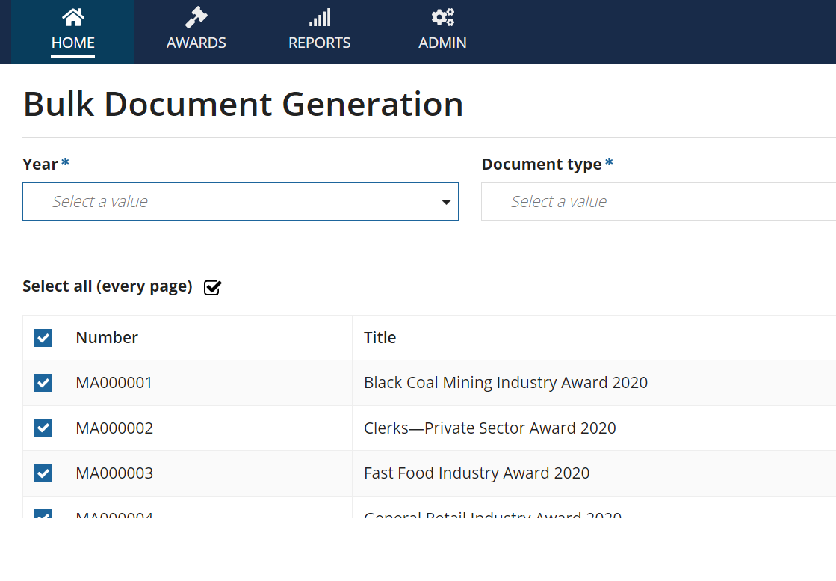
REQ-075 | Functional - Templating | Mandatory | Templating source code documents must be stored within the system | Medium | Business

 | Functional - Import/Export
 | Functional - Integration
 | Functional - Processes
 | Functional - Reporting
 | Functional - Validation

