Income Segment
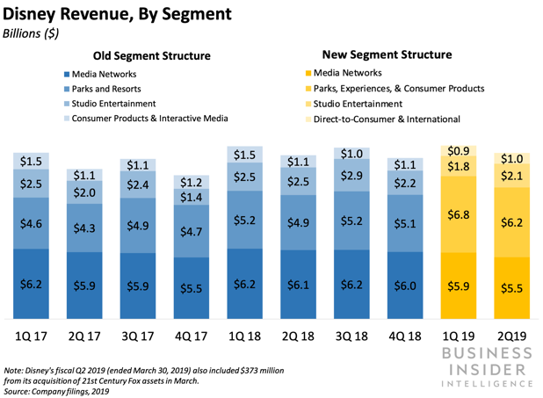
 | 2020 | 2019 | 2018 | 2017 | 2016
Media Networks | 28,393 | 24,827 | 24,500 | 23,510 | 23,689
Parks, Experiences and Products | 16,502 | 26,225 | 20,296 | 18,415 | 16,974
Studio Entertainment | 9,636 | 11,127 | 9,987 | 8,379 | 9,441
Consumer Products & Interactive Media |  |  | 4,651 | 4,833 | 5,528
Direct-to-Consumer & International | 16,967 | 9,349 | 3,414 | 3,075
Eliminations | -6,110 | -1,958 | -668 | -613
Total Revenue | 65,388 | 69,570 | 62,180 | 57,599 | 55,632

 |  |  |  |  |  | https://www.businessinsider.com/disney-direct-to-consumer-segment-grew-q1-2019-2019-5

Stakeholders
Name | Stock&Option Units | Proportion
Susan E. Arnold | 20,224 | 28.51%
Maria Elena Lagomasino | 11,438 | 16.13%
Mark G. Parker | 10,503 | 14.81%
Aylwin B. Lewis | 8678 | 12.23%
Main Stakeholders in 2019
Mary T. Barra | 5,826 | 8.21%
Safra A. Catz | 3,616 | 5.10%
Francis A. deSouza | 3,131 | 4.41%
John S. Chen | 2,544 | 3.59%
Fred H. Langhammer | 2,535 | 3.57%
Michael B.G. Froman | 2,438 | 3.44%
Derica W. Rice | 1,358 | 1.91%
Total | 70,933

