12_Current_sensor_test
FT_Current_Sense_Test_Cmd_Data_TM1,78
Offset_HEX | Offset_DEC | Name | Format | Coments
1 | 1 | PhaseA_DC | uint8 | 0=lower IGBT on, 100=upper IGBT on
2 | 2 | PhaseB_DC | uint8 | 0=lower IGBT on, 100=upper IGBT on
3 | 3 | PhaseC_DC | uint8 | 0=lower IGBT on, 100=upper IGBT on
4 | 4 | Phase_Change_Flag | uint8 | 0=no data change, 1 = data change
5 | 5 | Current_Min_Max_Reset_Flag | uint8 | 1: Reset min and max current

FT_Current_Sense_Test_Result_Data_TM1,7C
Offset_HEX | Offset_DEC | Name | Format | Coments
0 | 0 | PhaseA_Current | float

4 | 4 | PhaseB_Current | float
8 | 8 | PhaseC_Current | float
C | 12 | PhaseA_Min_Current | float
10 | 16 | PhaseB_Min_Current | float
14 | 20 | PhaseC_Min_Current | float
18 | 24 | PhaseA_Max_Current | float
1C | 28 | PhaseB_Max_Current | float
20 | 32 | PhaseC_Max_Current | float
24 | 36 | Motctrl_phaseI_RMS | float

FT_Current_Sense_Test_Cmd_Data__TM2, 90
Offset_HEX | Offset_DEC | Name | Format | Coments
1 | 1 | PhaseA_DC | uint8 | 0=lower IGBT on, 100=upper IGBT on
2 | 2 | PhaseB_DC | uint8 | 0=lower IGBT on, 100=upper IGBT on
3 | 3 | PhaseC_DC | uint8 | 0=lower IGBT on, 100=upper IGBT on
4 | 4 | Phase_Change_Flag | uint8 | 0=no data change, 1 = data change
5 | 5 | Current_Min_Max_Reset_Flag | uint8 | 1: Reset min and max current

FT_Current_Sense_Test_Result_Data__TM2, 94
Offset_HEX | Offset_DEC | Name | Format
0 | 0 | PhaseA_Current | float
4 | 4 | PhaseB_Current | float
8 | 8 | PhaseC_Current | float
C | 12 | PhaseA_Min_Current | float
10 | 16 | PhaseB_Min_Current | float
14 | 20 | PhaseC_Min_Current | float
18 | 24 | PhaseA_Max_Current | float
1C | 28 | PhaseB_Max_Current | float
20 | 32 | PhaseC_Max_Current | float
24 | 36 | Motctrl_phaseI_RMS | float

FT_Re_Init_Min_Max_Tables_Flag,38
Offset_HEX | Offset_DEC | Name | Format | Comments
0 | 0 | FT_Re_Init_Min_Max_Tables_Flag | unsigned char | update the current value flag. If need read the current value, please make this flag set 1

13_Communication
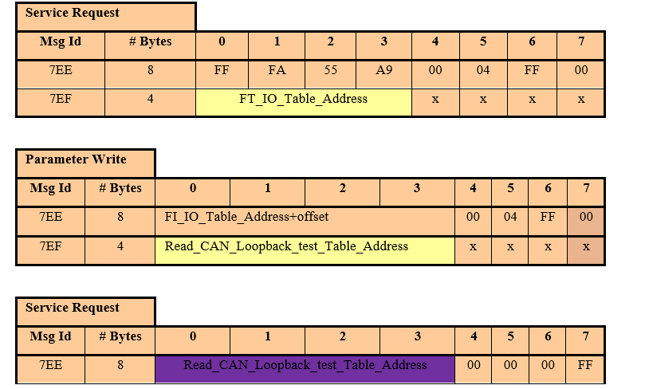
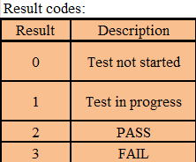
Internal CAN_Bus_test,AC
Step1 | Send one message to CAN2, 7EA 02 02 02 02 02 02 02 02
Result | CAN2 channel will response with 7E2 42 42 42 42 42 42 42 42

FTCAN_Loopback_test, CC
Step1 | Get magic address
Step2 | Get FTCAN_Loopback_test function address by sending magic address add offset address
Step3 | Send run FTCAN_Loopback_test function message and then CAN1 will send one ID=0x7EA data = {45 45 45 45 45 45 45 45} message to CAN2, CAN2 will send one ID=0x7E2 and data = {46 46 46 46 46 46 46 46} message to CAN1, For example, Run message:7EE XX XX XX XX 00 00 00 FF
Result | CAN1 will send the result, 7EF CAN1_result CAN2_result . For example, 7EF 02 02.

 | 7EE XX XX XX XX 00 00 00 FF
 | 7EA 45 45 45 45 45 45 45 45 7E2 46 46 46 46 46 46 46 46 7EF 02 02

14_Auto Output PWM _TM1

FT_Auto_Output_PWM_Mode_TM1,D4
Offset_HEX | Offset_DEC | Format | Comments
0 | 0 | unit8 | Auto_output_PWM _flag_TM1 | MCU PWM Port state: 0: disable auto output PWM function 1: Enable auto output PWM function TM: (Frequency：10kHz, ) Duty Cycle:AU20% BU30% CU40%;AL80% BL70% CL60%）

HW signal set for Auto PWM_TM1 | Initial state | Normal Operation PWM | Auto Output PWM
15VSEPIC_DIS | High | Low | Low
INVTRA_ACT_SC^ | High | High | High
INVTRA_ACT_SC_SEL^ | High | High | High
INVTRA_ENSW | High | High | High
INVTRA_FLT_RST_OC | Low | Low（the first power on cycle of PSR, this port needs to send a high level to clear the fault） | Low
INVTRA_FLTOVRD_OC | Low | Low | High（bypass OC fault）
INVTRA_FLTOVRD_OV | Low | Low | High（bypass OV fault）
INVTRA_FLTRST_OV | Low | Low （the first power on cycle of PSR, this port needs to send a high level to clear the fault） | Low
INVTRA_FLTRST_UVLO | Low | Low（the first power on cycle of PSR, this port needs to send a high level to clear the fault） | Low
INVTRA_FLTRST_UVUP | Low | Low（the first power on cycle of PSR, this port needs to send a high level to clear the fault） | Low
INVTRA_L3_ASC_TEST | High | High | High
INVTRA_MTR_DIS^ | High | High | High
INVTRA_MTRATEMP1_EN | High | High | High
INVTRA_MTRATEMP1_RTN_EN | High | Low or High | Low or High
INVTRA_MTRATEMP2_EN | High | High | High
INVTRA_MTRATEMP2_RTN_EN | High | Low or High | Low or High
INVTRA_TRQ_SCRTY_DIS^ | High | High | High
L3_FS_SAFESTATE | NA | NA | NA
PWR_HOLD_ON | High | High | High

FT_Ph_Current_RunIn_Cmd_TM1,DC
offset_HEX | offset_DEC | name | Format | Definition
0 | 0 | ft_runin_frequency | uint16 | PWM frequency Hz
2 | 2 | ft_runin_max_phase_temp | float32 | max protection temperature Deg C
6 | 6 | ft_activate_runin_sequence | uint8 | uint8 0-deactivate,1-activate
7 | 7 | ft_runin_new_data | uint8 | Uint8 255-Update Set value and start test,0-Otherwise

FT_Ph_Current_RunIn_Status_TM1,E0
offset_HEX | offset_DEC | Variable Type | Definition
0 | 0 | 1-byte enum representing runin status | 0- FT_RUNIN_IDLE
 |  |  | 1- FT_RUNIN_RUNNING
 |  |  | 2_ FT_RUNIN_SEQ_ERROR_OVERTEMP
 |  |  | 3_ FT_RUNIN_SEQ_ERROR_INVALID_FREQ

